Sheet3
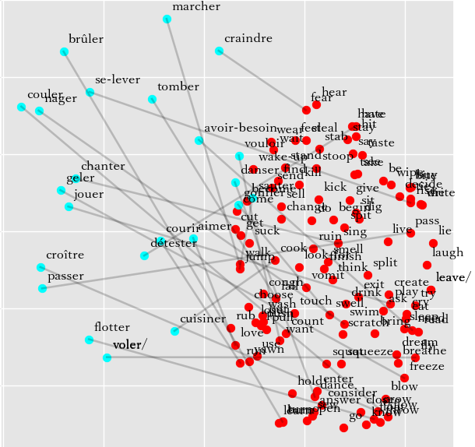
Joint model | Individual model
French - Success Rate: 1/23 = 4% | French - Success Rate: 2/23 = 9%
marcher -> look-for (look-for) 0.47, vomit (vomit) 0.45, fall (fall) 0.44, live (live) 0.40, consider (consider) 0.38. | *marcher -> look-for (look-for) 0.61, cook (cook) 0.47, walk (walk) 0.45, fall (fall) 0.45, vomit (vomit) 0.38.
courir -> laugh (laugh) 0.49, lie (lie) 0.46, try (try) 0.40, leave (leave) 0.39, leave/ (leave/) 0.39. | courir -> burn (burn) 0.46, turn (turn) 0.45, open (open) 0.43, laugh (laugh) 0.41, write (write) 0.40.
sauter -> fear (fear) 0.42, touch (touch) 0.42, ruin (ruin) 0.40, scratch (scratch) 0.39, find (find) 0.38. | sauter -> suck (suck) 0.45, flow (flow) 0.45, throw (throw) 0.43, grow (grow) 0.41, ruin (ruin) 0.40.
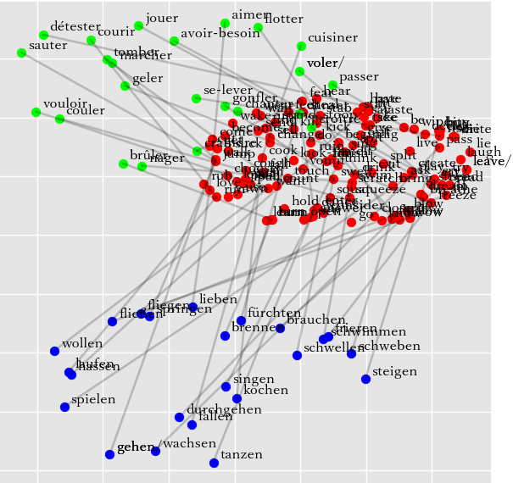
nager -> eat (eat) 0.42, bite (bite) 0.40, buy (buy) 0.39, burn (burn) 0.38, want (want) 0.38. | nager -> pass (pass) 0.49, eat (eat) 0.43, want (want) 0.42, bite (bite) 0.42, buy (buy) 0.40.
voler/ -> steal (steal) 0.46, burn (burn) 0.41, drink (drink) 0.39, throw (throw) 0.39, flow (flow) 0.38. | *voler/ -> steal (steal) 0.56, feel (feel) 0.44, want (want) 0.41, vomit (vomit) 0.40, fly (fly) 0.39.
se-lever -> get (get) 0.45, fall (fall) 0.43, come (come) 0.41, fear (fear) 0.41, hear (hear) 0.40. | se-lever -> wake-up (wake-up) 0.49, cut (cut) 0.49, get (get) 0.45, walk (walk) 0.41, stand (stand) 0.40.
tomber -> fear (fear) 0.47, feel (feel) 0.43, hear (hear) 0.42, swell (swell) 0.39, swim (swim) 0.38. | tomber -> cut (cut) 0.44, want (want) 0.43, float (float) 0.40, walk (walk) 0.40, fly (fly) 0.40.
passer -> think (think) 0.50, fly (fly) 0.48, finish (finish) 0.42, sing (sing) 0.41, sit (sit) 0.41. | passer -> think (think) 0.48, jump (jump) 0.40, sing (sing) 0.40, fly (fly) 0.40, leave (leave) 0.39.
chanter -> change (change) 0.45, jump (jump) 0.43, cook (cook) 0.40, fear (fear) 0.40, stab (stab) 0.38. | chanter -> jump (jump) 0.52, change (change) 0.46, smell (smell) 0.44, swell (swell) 0.42, drink (drink) 0.38.
danser -> think (think) 0.47, begin (begin) 0.43, feel (feel) 0.42, swell (swell) 0.40, swim (swim) 0.40. | danser -> throw (throw) 0.57, flow (flow) 0.50, freeze (freeze) 0.46, swim (swim) 0.45, swell (swell) 0.45.
jouer -> pass (pass) 0.43, turn (turn) 0.42, eat (eat) 0.40, rise (rise) 0.38, read (read) 0.38. | jouer -> choose (choose) 0.55, cook (cook) 0.41, freeze (freeze) 0.40, pass (pass) 0.39, see (see) 0.38.
flotter -> jump (jump) 0.48, play (play) 0.42, fly (fly) 0.39, rub (rub) 0.37, dance (dance) 0.36. | flotter -> freeze (freeze) 0.45, fly (fly) 0.45, flow (flow) 0.44, love (love) 0.42, rub (rub) 0.41.
couler -> sing (sing) 0.46, run (run) 0.43, grow (grow) 0.42, love (love) 0.42, learn (learn) 0.40. | couler -> cook (cook) 0.46, sew (sew) 0.44, walk (walk) 0.41, kick (kick) 0.39, sing (sing) 0.39.
geler -> go (go) 0.42, grow (grow) 0.41, kill (kill) 0.40, swell (swell) 0.39, blow (blow) 0.39. | geler -> jump (jump) 0.49, go (go) 0.47, come (come) 0.44, get (get) 0.40, burn (burn) 0.38.
gonfler -> count (count) 0.46, blow (blow) 0.45, want (want) 0.43, swim (swim) 0.41, hate (hate) 0.40. | gonfler -> count (count) 0.50, blow (blow) 0.46, float (float) 0.44, flow (flow) 0.44, want (want) 0.41.
*croître -> float (float) 0.47, flow (flow) 0.40, find (find) 0.39, grow (grow) 0.39, exit (exit) 0.38. | croître -> float (float) 0.44, cook (cook) 0.42, flow (flow) 0.40, need (need) 0.39, dig (dig) 0.39.
brûler -> want (want) 0.47, rise (rise) 0.40, know (know) 0.40, dance (dance) 0.39, wipe (wipe) 0.39. | brûler -> dance (dance) 0.43, use (use) 0.41, rise (rise) 0.40, want (want) 0.40, run (run) 0.38.
cuisiner -> fly (fly) 0.46, flow (flow) 0.44, give (give) 0.40, float (float) 0.40, stay (stay) 0.39. | cuisiner -> finish (finish) 0.45, fall (fall) 0.42, rise (rise) 0.41, decide (decide) 0.39, freeze (freeze) 0.39.
aimer -> flow (flow) 0.49, freeze (freeze) 0.46, float (float) 0.43, dance (dance) 0.43, throw (throw) 0.42. | aimer -> float (float) 0.44, rise (rise) 0.42, flow (flow) 0.41, have (have) 0.41, freeze (freeze) 0.39.
vouloir -> sing (sing) 0.41, see (see) 0.39, know (know) 0.37, grow (grow) 0.37, sew (sew) 0.37. | vouloir -> swim (swim) 0.46, swell (swell) 0.44, tie (tie) 0.41, see (see) 0.39, stab (stab) 0.38.
avoir-besoin -> fall (fall) 0.48, swim (swim) 0.39, flow (flow) 0.39, sleep (sleep) 0.39, be (be) 0.38. | avoir-besoin -> swim (swim) 0.47, have (have) 0.40, choose (choose) 0.40, swell (swell) 0.39, sleep (sleep) 0.39.
détester -> bring (bring) 0.44, stay (stay) 0.41, fly (fly) 0.41, breathe (breathe) 0.41, freeze (freeze) 0.40. | détester -> stay (stay) 0.44, sing (sing) 0.42, say (say) 0.40, buy (buy) 0.39, fly (fly) 0.39.
craindre -> create (create) 0.43, leave (leave) 0.41, leave/ (leave/) 0.41, pass (pass) 0.41, bite (bite) 0.40. | craindre -> love (love) 0.43, scratch (scratch) 0.42, take (take) 0.42, rub (rub) 0.40, create (create) 0.39.
German - Success Rate: 5/23 = 22% | German - Success Rate: 7/23 = 30%
gehen/ -> go (go) 0.45, give (give) 0.40, burn (burn) 0.40, pass (pass) 0.40, rub (rub) 0.39. | gehen/ -> go (go) 0.58, burn (burn) 0.48, give (give) 0.42, grow (grow) 0.39, run (run) 0.39.
laufen -> turn (turn) 0.42, fly (fly) 0.41, sleep (sleep) 0.41, lie (lie) 0.40, burn (burn) 0.40. | laufen -> laugh (laugh) 0.43, leave (leave) 0.43, leave/ (leave/) 0.43, flow (flow) 0.42, fly (fly) 0.42.
springen -> split (split) 0.44, bring (bring) 0.43, breathe (breathe) 0.42, fly (fly) 0.40, fall (fall) 0.40. | springen -> bring (bring) 0.56, split (split) 0.46, spit (spit) 0.42, sing (sing) 0.42, breathe (breathe) 0.41.
schwimmen -> rise (rise) 0.39, cry (cry) 0.39, wake-up (wake-up) 0.39, grow (grow) 0.38, stand (stand) 0.38. | *schwimmen -> dream (dream) 0.48, swim (swim) 0.44, bring (bring) 0.42, wake-up (wake-up) 0.40, try (try) 0.40.
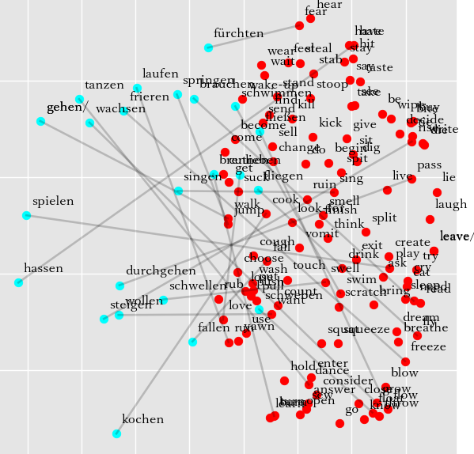
*fliegen -> fall (fall) 0.50, fly (fly) 0.48, die (die) 0.39, begin (begin) 0.39, lie (lie) 0.38. | *fliegen -> fly (fly) 0.52, float (float) 0.49, flow (flow) 0.45, lie (lie) 0.44, rise (rise) 0.40.
*steigen -> rise (rise) 0.48, die (die) 0.43, buy (buy) 0.42, stoop (stoop) 0.42, lie (lie) 0.42. | *steigen -> rise (rise) 0.50, write (write) 0.46, die (die) 0.42, run (run) 0.41, decide (decide) 0.41.
fallen -> yawn (yawn) 0.42, feel (feel) 0.40, enter (enter) 0.40, hold (hold) 0.39, hate (hate) 0.39. | fallen -> feel (feel) 0.46, hold (hold) 0.44, want (want) 0.42, steal (steal) 0.41, choose (choose) 0.41.
*durchgehen -> grow (grow) 0.44, blow (blow) 0.41, pass (pass) 0.41, sit (sit) 0.40, kill (kill) 0.38. | durchgehen -> dance (dance) 0.50, answer (answer) 0.41, ruin (ruin) 0.39, use (use) 0.39, lose (lose) 0.38.
singen -> walk (walk) 0.48, see (see) 0.44, suck (suck) 0.44, leave (leave) 0.39, leave/ (leave/) 0.39. | *singen -> sing (sing) 0.49, see (see) 0.49, bring (bring) 0.47, say (say) 0.43, swim (swim) 0.42.
tanzen -> pass (pass) 0.49, burn (burn) 0.39, walk (walk) 0.37, sit (sit) 0.37, jump (jump) 0.37. | tanzen -> pass (pass) 0.48, wear (wear) 0.45, freeze (freeze) 0.42, sing (sing) 0.41, sell (sell) 0.40.
*spielen -> jump (jump) 0.49, steal (steal) 0.42, play (play) 0.42, split (split) 0.41, hate (hate) 0.40. | *spielen -> steal (steal) 0.45, feel (feel) 0.44, play (play) 0.44, split (split) 0.42, bite (bite) 0.41.
schweben -> rise (rise) 0.53, taste (taste) 0.45, decide (decide) 0.43, wear (wear) 0.40, write (write) 0.39. | schweben -> give (give) 0.46, hate (hate) 0.43, decide (decide) 0.42, hear (hear) 0.41, taste (taste) 0.40.
fließen -> swell (swell) 0.46, fall (fall) 0.44, close (close) 0.40, swim (swim) 0.39, exit (exit) 0.39. | fließen -> close (close) 0.58, grow (grow) 0.46, smell (smell) 0.41, float (float) 0.41, cough (cough) 0.38.
frieren -> touch (touch) 0.48, scratch (scratch) 0.42, cook (cook) 0.42, answer (answer) 0.38, smell (smell) 0.38. | *frieren -> touch (touch) 0.47, ask (ask) 0.44, freeze (freeze) 0.44, pass (pass) 0.42, hear (hear) 0.42.
schwellen -> float (float) 0.51, flow (flow) 0.48, throw (throw) 0.46, freeze (freeze) 0.46, fly (fly) 0.41. | schwellen -> choose (choose) 0.50, float (float) 0.48, freeze (freeze) 0.44, throw (throw) 0.43, flow (flow) 0.42.
wachsen -> jump (jump) 0.41, tie (tie) 0.41, walk (walk) 0.40, pass (pass) 0.39, open (open) 0.38. | wachsen -> wash (wash) 0.50, wake-up (wake-up) 0.43, fly (fly) 0.42, sing (sing) 0.38, wear (wear) 0.38.
brennen -> flow (flow) 0.51, float (float) 0.48, fly (fly) 0.44, freeze (freeze) 0.44, swim (swim) 0.40. | brennen -> freeze (freeze) 0.53, flow (flow) 0.46, fly (fly) 0.45, yawn (yawn) 0.44, float (float) 0.42.
*kochen -> swim (swim) 0.43, come (come) 0.43, walk (walk) 0.42, swell (swell) 0.42, cook (cook) 0.40. | kochen -> squat (squat) 0.48, come (come) 0.44, squeeze (squeeze) 0.41, swim (swim) 0.40, look-for (look-for) 0.39.
lieben -> fly (fly) 0.49, fall (fall) 0.46, lie (lie) 0.41, freeze (freeze) 0.40, die (die) 0.38. | *lieben -> lie (lie) 0.48, fly (fly) 0.46, live (live) 0.45, love (love) 0.44, die (die) 0.40.
wollen -> dance (dance) 0.47, pass (pass) 0.42, flow (flow) 0.40, give (give) 0.38, turn (turn) 0.37. | wollen -> dance (dance) 0.51, choose (choose) 0.44, feel (feel) 0.42, jump (jump) 0.42, answer (answer) 0.41.
brauchen -> suck (suck) 0.44, bring (bring) 0.43, vomit (vomit) 0.42, sing (sing) 0.39, fall (fall) 0.37. | brauchen -> suck (suck) 0.51, wake-up (wake-up) 0.43, touch (touch) 0.42, dig (dig) 0.41, bring (bring) 0.40.
hassen -> blow (blow) 0.42, have (have) 0.40, send (send) 0.40, laugh (laugh) 0.39, decide (decide) 0.38. | hassen -> have (have) 0.46, grow (grow) 0.43, leave (leave) 0.41, leave/ (leave/) 0.41, hear (hear) 0.40.
fürchten -> flow (flow) 0.44, answer (answer) 0.42, feel (feel) 0.41, pull (pull) 0.41, swell (swell) 0.40. | fürchten -> feel (feel) 0.46, pull (pull) 0.45, fly (fly) 0.43, flow (flow) 0.42, cough (cough) 0.41.

