Results
Significance Test for Stimulus A and B

 | First, we set the goal of our campaign. In this case, I'm looking for a picture or video that increases the amount of people that completes our conversion funnel. That is, increases our conversion rate.

 |  | Our hypothesis is the following:

 |  |  | H0: CR-A >= CR-B
 |  |  | H1: CR-A < CR-B

 | Where H0, H1 represent the Null and Alternative Hypothesis, respectively. According to our data, the mean Conversion Rate for stimuli A and B are the following:

 |  | Average CR for stimuli A: |  | 0.07
 |  | Average CR for stimuli B: |  | 0.09

 | Now, how confident are we that, if collecting new data for the following months would lead to the same results? This is where predictive statistics come into play.

 | Before deciding which statistical test to use, we need to understand our data.

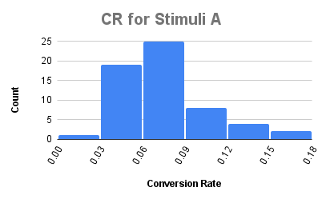
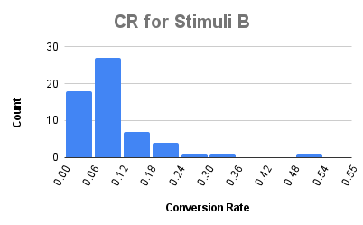

 | CR for stimuli B is not normally distributed, which makes the use of parametric tests less reliable.
 | There are two types of non-parametric t-tests, paired and unpaired. Although the data is collected for the same dates for both stimuli, I'm going to assume that the ad chosen to show the user is randomly selected. That being said, it makes more sense to use the Mann-Whitney U test for unpaired data and a significance level of 95%. This means that, if we were to repeat the test, we are 95% certain that we get to the same conclusion.

 |  | U1: | 1953.5
 |  | U2: | 1527.5

 |  | U Statistic: | 1527.5
 |  | Z-Critical Value: | -1.15

 | With the critical value calculated, we can search for the corresponding p-value.

 |  | p-value: | 0.25

 | Since our p-value is higher than our significance level of 0.05, we fail to reject the Null Hypothesis. Although for the currently available data we see that stimuli B performed a little bit better in terms of CR than stimuli A, we don't have enough data to confidently say that one stimuli is better than the other. The difference in performance observed could have been due to random variables.

