1.Business
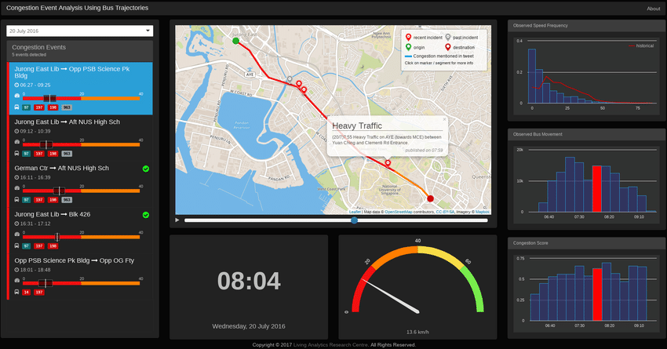
Business Knowledge and Understanding
Project Statement | Implement a data mart focused on optimizing traffic safety, flow, and enforcement strategies. (This will integrate traffic flow data, vehicle types, driver demographics, weather conditions, road infrastructure, and accident trends. By leveraging this data, we aim to identify high-risk areas and enhance enforcement measures.)
Chosen Business Domain | Transportation and Traffic Management.
Describe the Overall Business Domain
The overall business domain is Smart Transportation and Urban Mobility Management. This encompasses data collection, analysis, and optimization strategies related to vehicle traffic, driver behavior, and infrastructure usage within an urban or regional transportation network. The data can be leveraged for various applications including: 1. Traffic Optimization: Improving traffic flow to reduce congestion and travel times. 2. Road Safety: Identifying risk factors and implementing measures to reduce accidents. 3. Infrastructure Planning: Making data-driven decisions about road construction and maintenance. 4. Urban Planning: Understanding traffic patterns to inform broader urban development strategies. Table Descriptions and Business Implications: 1. Vehicles Table: Description: This table provides information about individual vehicles within the transportation network. It includes a unique Vehicle ID, Plate Number, Vehicle Type, and Owner ID. 2. Drivers Table: Description: This table contains information about the drivers operating vehicles within the network. It includes Driver ID, Name, Age, License Number, and Years of Experience. 3. TrafficFlow Table: Description: This table records traffic flow data at various locations and timestamps. It includes Flow ID, Location, Vehicle Count, and Timestamp.

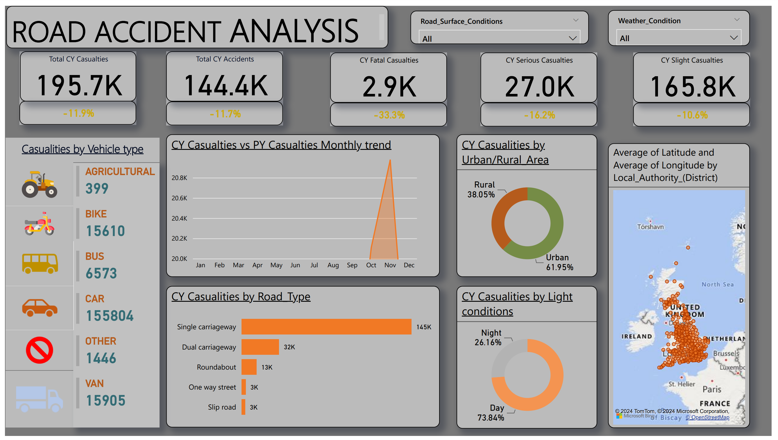
Describe the Particular Business Process
Business Process: • Analyze traffic patterns and road safety factors, including accidents, violations, traffic flow, and weather conditions. • Identify high-risk areas for accidents and congestion based on vehicle and driver data. • Use insights from road conditions, traffic lights, and emergency vehicle responses to optimize response times and safety interventions.
Major Business Entities and KPIs Involved
1. Vehicles 2. Drivers 3. Traffic flow 4. Accidents 5. Road Conditions 6. Traffic Lights 7. Cameras 8. Speed Violations 9. Weather Data 10. Traffic Incidents |  | 1. Accident Rate 2. Accident Severity 3. Near-Miss Incidents 4. Driver Safety Score (wrt speeding violations) 5. Percentage of Speeding Violations 6. Avg Driver's Age per Vehicle type 7. Avg Incident count per location 8. Avg Speed Recorded per vehicle type 9. Avg Vehicles Involved per Accident 10. Avg Vehicle count per location (Understanding what kind of vehicle mostly cause accidents)

Potential Analytical Requirements of the Business
1. Identify the top 10 location areas with the highest traffic flow between January and March 2025, and analyze the correlation with road conditions (e.g., wet, icy, snowy) and number of accidents. 2. What are the average speed violations recorded for each vehicle type (Car, Bus, Truck, Motorcycle) during peak hours (7-9 AM and 4-6 PM) in February 2025. 3. What is the incident frequency at locations (e.g., Shahrah-e-Faisal, University Road) from January 2025 onwards. 4. Calculate the percentage of inactive cameras at locations with the highest traffic flow (Top 5) and assess its impact in February 2025. 5. Identify drivers aged 25 or younger with the highest number of speed violations, and analyze their associated vehicle types (e.g., Motorcycle, Car) to prioritize targeted safety intervention

What is the Grain?
One row in the fact table represents a traffic event (vehicle, driver, road conditions, time of day, location, and speed violations).
Web Sources (Competitor Analysis and APR)
https://www.researchgate.net/publication/331727963_Traffic_Analysis_Basic_Concepts_and_Applications

 | What is the total vehicle count for each location area during the month of February 2025?

Pseudocode
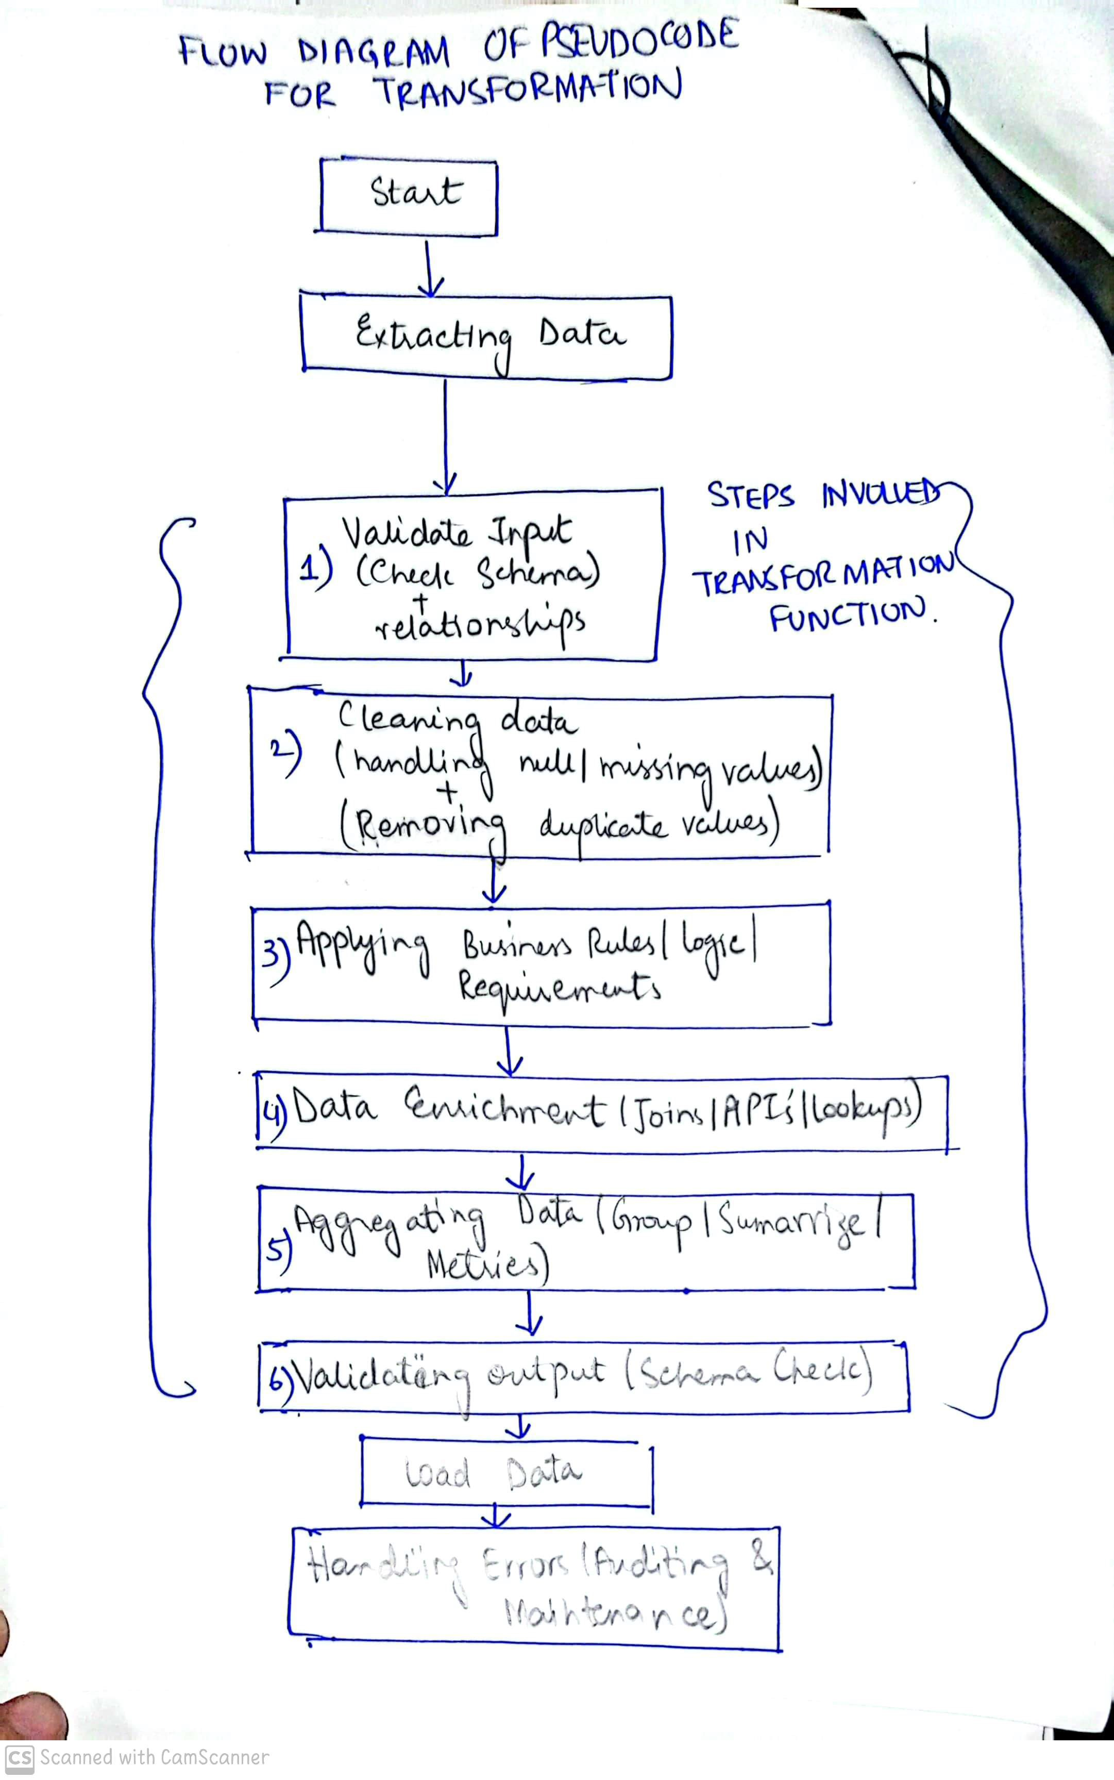
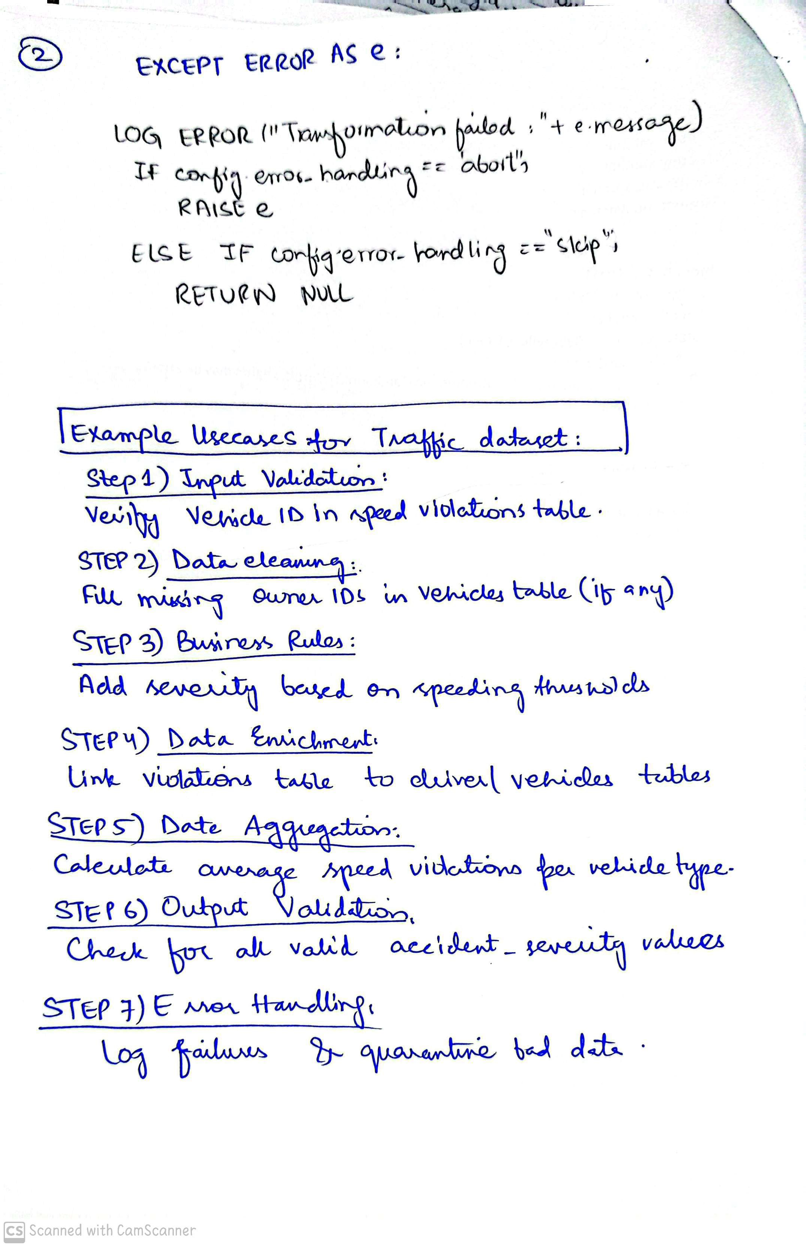

6.Star Schema
Star Schema
 | _____

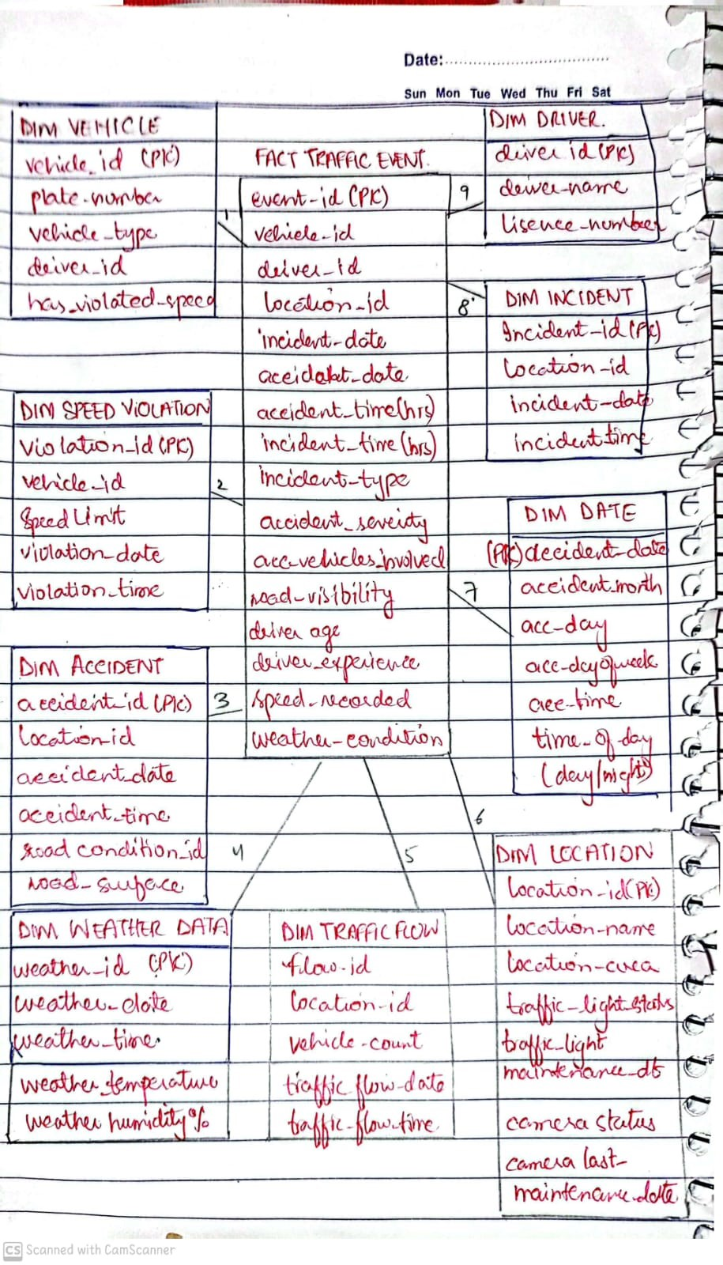
Star Schema Image |  | Possible Star Schema Queries
 |  | Sno | Business Question Addressed | SQL query
 |  | 1 | 1. Identify the top 10 locations with the highest traffic flow between January and March 2025, and analyze the correlation with road conditions (e.g., wet, icy, snowy) and accidents | SELECT TOP 10 dl.location_Area, SUM(tf.vehicle_count) AS TotalVehicles FROM dbo.dim_traffic_flow tf JOIN dbo.dim_location dl ON tf.location_id = dl.location_id WHERE tf.traffic_flow_date >= '2025-02-01' AND tf.traffic_flow_date < '2025-03-01' GROUP BY dl.location_Area ORDER BY TotalVehicles DESC;
 |  | 2 | 2. What are the average speed violations recorded for each vehicle type (Car, Bus, Truck, Motorcycle) during peak hours (7-9 AM and 4-6 PM) in February 2025 | SELECT dv.vehicle_type, AVG(CASE WHEN DATEPART(hour, dsv.violation_time) BETWEEN 7 AND 9 OR DATEPART(hour, dsv.violation_time) BETWEEN 16 AND 18 THEN dsv.speed_limit ELSE NULL END) AS AvgSpeedViolationsDuringPeakHours FROM dbo.dim_speed_violation dsv JOIN dbo.dim_vehicle dv ON dsv.vehicle_id = dv.vehicle_id GROUP BY dv.vehicle_type ORDER BY AvgSpeedViolationsDuringPeakHours DESC;
 |  | 3 | 3. Analyze the incident frequency at locations (e.g., Shahrah-e-Faisal, University Road) in January 2025. | SELECT da.location_id, dl.location_name, COUNT(da.incident_id) AS IncidentFrequency FROM dbo.dim_incident da JOIN dbo.dim_location dl ON da.location_id = dl.location_name WHERE dl.location_name IN ('University Road','Shahrah-e-Faisal') AND da.incident_date >= '2025-01-01' GROUP BY da.location_id, dl.location_name ORDER BY IncidentFrequency DESC;
 |  | 4 | 4. Calculate the percentage of inactive cameras at locations with the highest traffic flow (Top 5) and assess its impact on reported violations in February 2025. | WITH TopLocations AS ( -- 1. Find Top 5 Location Areas by Traffic Flow in February 2025 SELECT TOP 10 dl.location_Area, SUM(tf.vehicle_count) AS TotalTraffic FROM dbo.dim_traffic_flow tf JOIN dbo.dim_location dl ON tf.location_id = dl.location_id WHERE tf.traffic_flow_date >= '2025-02-01' AND tf.traffic_flow_date < '2025-03-01' GROUP BY dl.location_Area ORDER BY TotalTraffic DESC ), CameraStatus AS ( -- 2. Get Camera Status for each Location Area SELECT tl.location_Area, CASE WHEN dl.camera_status = 'Inactive' THEN 1 ELSE 0 END AS IsInactive FROM TopLocations tl JOIN dbo.dim_location dl ON tl.location_Area = dl.location_Area ) -- 3. Calculate Percentage of Inactive Cameras by Location Area SELECT location_Area, (SUM(IsInactive * 1.0) / COUNT(*)) * 100 AS PercentageInactive FROM CameraStatus GROUP BY location_Area ORDER BY PercentageInactive DESC;
 |  | 5 | 5. Identify drivers aged under 25 with the highest number of speed violations, and analyze their associated vehicle types (e.g., Motorcycle, Car) to prioritize targeted safety interventions." | SELECT fte.driver_age,dv.vehicle_type, COUNT(dv.vehicle_id) AS ViolationCount FROM [dbo].[DIM_VEHICLE] dv JOIN [dbo].[FACT_TRAFFIC_EVENT] fte ON fte.vehicle_id = dv.vehicle_id WHERE fte.driver_age<25 and dv.has_violated_speed=1 GROUP BY fte.driver_age,dv.vehicle_type ORDER BY ViolationCount DESC;

