BOM
 |  |  | 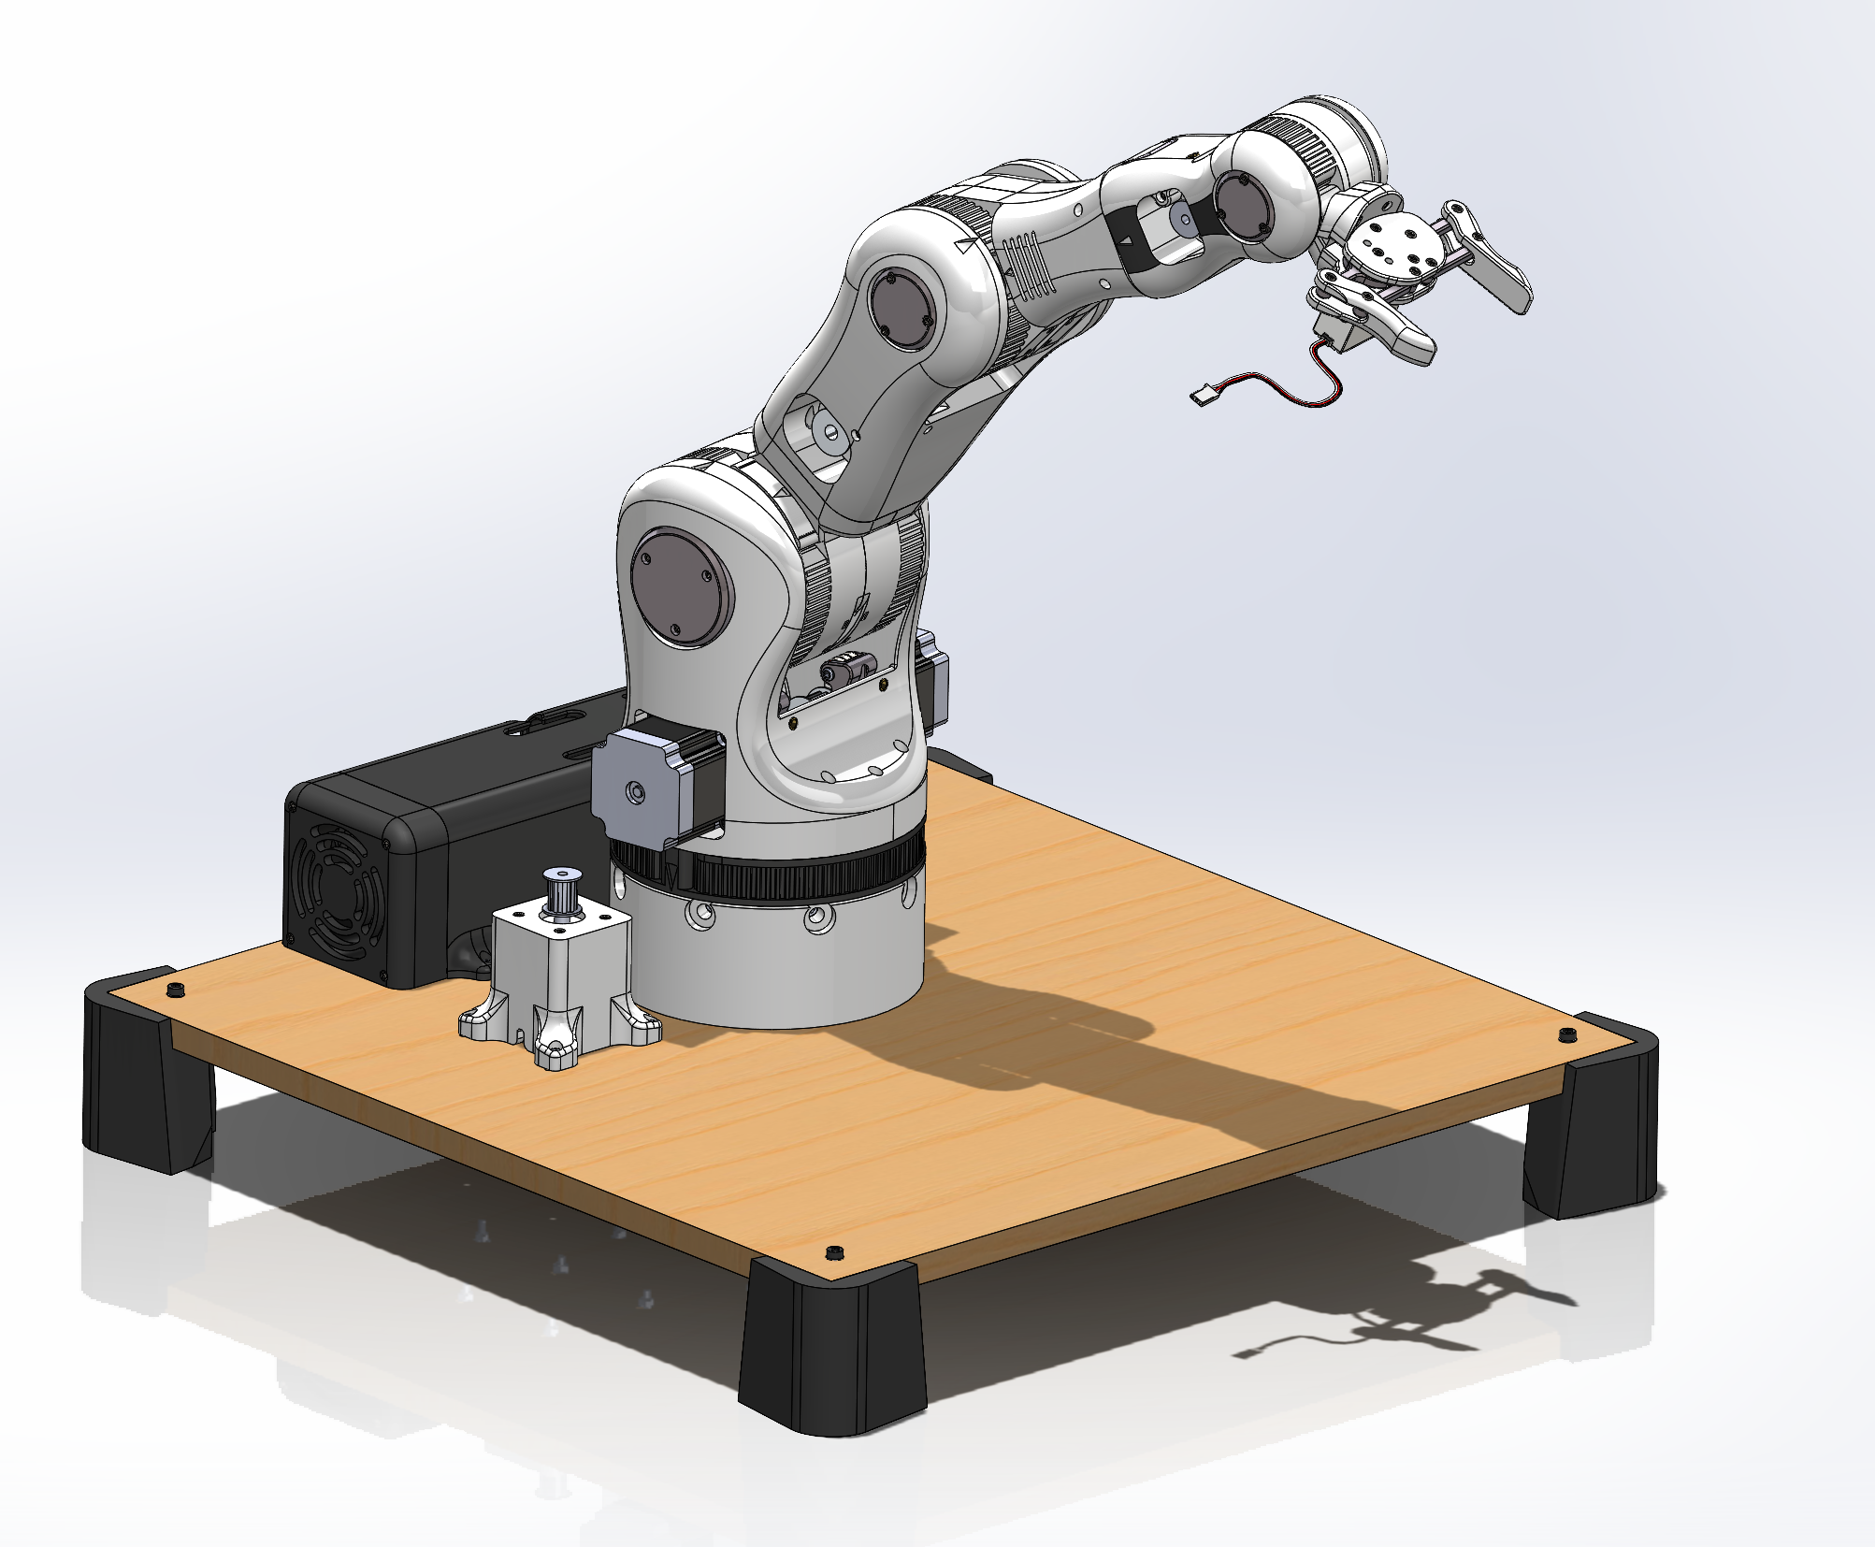 https://www.printables.com/@TomKnox
Project: Robotic Arm V1.0 Revision date: 2025-11-04
Level | Description | Qty | Description | ALIEXPRESS | AMAZON
> | Component
>> | Nema 17 - Stepper Motor | 1 | SM42HT47-1684 1,8º step, 1,6 A, 60mm | ALIEXPRESS LINK | AMAZON Link
>> | Arduino Mega | 1 | ARDUINO MEGA 2560 | ALIEXPRESS LINK | AMAZON Link
>> | Stepper Driver | 6 | Stepper Driver tb6560 | ALIEXPRESS LINK | AMAZON Link
>> | Power Supply | 1 | Power Supply 24V 320W | ALIEXPRESS LINK | AMAZON Link
>> | RAMPS Board | 1 | RAMPS V1.4 | ALIEXPRESS LINK | AMAZON Link
>> | Voltage Converter | 1 | Power converter 24V a 12V | ALIEXPRESS LINK | AMAZON Link
>> | Servo Motor | 1 | Servo Motor 180° 55G TORQUE=13KG/CM | ALIEXPRESS LINK | AMAZON Link
>> | Nema 17 - Geared Stepper | 1 | Gear Ratio 5:1 Planetary Gearbox ( step 0,35º , 2Nm, 1,68A) | ALIEXPRESS LINK | AMAZON Link
>> | Nema 23 - Stepper Motor | 2 | 112mm Single shaft Ø8mm, step 1,8º, 3A, 3Nm hoding torque | ALIEXPRESS LINK | AMAZON Link
>> | Nema 14 - Stepper Motor | 1 | SM35HT36-1004A, 1,8º step, 1A, 1400g·cm | ALIEXPRESS LINK | AMAZON Link
>> | Nema 17 - Stepper Motor | 1 | SM42HT33-1334, 1,8º step, 1,33A, 2200 g·cm | ALIEXPRESS LINK | AMAZON Link
>> | Smooth Rod | 1 | Smooth Rod_M8x134mm (cut to length) | ALIEXPRESS LINK | AMAZON Link
>> | Smooth Rod | 1 | Smooth Rod_M8x114mm (cut to length) | ALIEXPRESS LINK | AMAZON Link
>> | Smooth Rod | 1 | Smooth Rod_M8x80mm (cut to length) | ALIEXPRESS LINK | AMAZON Link
>> | Bearing | 10 | Ball Bearing 608ZZ 8mm x 22mm x 7mm | ALIEXPRESS LINK | AMAZON Link
>> | Bearing | 8 | Ball Bearing 625ZZ 5mm x 16mm x 5mm | ALIEXPRESS LINK | AMAZON Link
>> | Bearing | 9 | Ball Bearing 624ZZ 4mm x 13mm x 5mm | ALIEXPRESS LINK | AMAZON Link
>> | Bearing | 3 | Ball Bearing 623ZZ 3mm x 10mm x 4mm | ALIEXPRESS LINK | AMAZON Link
>> | Brass Heat Insert | 3 | M4x8x5 | ALIEXPRESS LINK | AMAZON Link
>> | Brass Heat Insert | 20 | M3x5,6x4,7 | ALIEXPRESS LINK | AMAZON Link
>> | Pulley | 3 | Pulley T5, Bore 8mm, 14 tooth, 17mm width | ALIEXPRESS LINK | AMAZON Link
>> | Pulley | 2 | Pulley T5, Bore 5mm, 10 tooth, 17 mm width | ALIEXPRESS LINK | AMAZON Link
>> | Threaded Rod | 1 | ROD BAR M8 L 42mm (Order 50mm and grind 2mm off) | ALIEXPRESS LINK | AMAZON Link
>> | Shaft Coupling | 1 | COUPLING STEEL 5 TO 8 mm rigid | ALIEXPRESS LINK | AMAZON Link
>> | Cooling Fan | 1 | Axial Fan DC 24V 80x80x25mm | ALIEXPRESS LINK | AMAZON Link
>> | Cooling Fan | 1 | Axial Fan DC 24V 50x50x15mm | ALIEXPRESS LINK | AMAZON Link
>> | Power Cable | 1 | Power supply cable IEC 1,5m (buy the one for your region. | ALIEXPRESS LINK | AMAZON Link
>> | USB Cable | 1 | Cable USB 2.0 AM/BM 1,8m | ALIEXPRESS LINK | AMAZON Link
>> | Cable Management | 10 | Cable Ties | ALIEXPRESS LINK | AMAZON Link
>> | Bushing | 8 | Self Lubricating bearing 5mm x 8mm x 10mm | ALIEXPRESS LINK | AMAZON Link
>> | Bushing | 2 | Self Lubricating bearing 8mm x 12mm x 20mm | ALIEXPRESS LINK | AMAZON Link
>> | Timing Belt | 1.8m | Breco belt T5, 15mm width, L 180cm | ALIEXPRESS LINK | AMAZON Link
>> | Base Plate | 1 | Wood Base - 550mm x 550mm x 16mm (Or another material fo your choosing)
> | Fasteners
>> | Hexagonal Head Cap Screw | 4 | MC6S M3x8 | ALIEXPRESS LINK | AMAZON Link
>> | Hexagonal Head Cap Screw | 30 | MC6S M3x10 | ALIEXPRESS LINK | AMAZON Link
>> | Hexagonal Head Cap Screw | 6 | MC6S M3x12 | ALIEXPRESS LINK | AMAZON Link
>> | Hexagonal Head Cap Screw | 13 | MC6S M3x16 | ALIEXPRESS LINK | AMAZON Link
>> | Hexagonal Head Cap Screw | 4 | MC6S M3x20 | ALIEXPRESS LINK | AMAZON Link
>> | Hexagonal Head Cap Screw | 5 | MC6S M3x25 | ALIEXPRESS LINK | AMAZON Link
>> | Hexagonal Head Cap Screw | 2 | MC6S M3x30 | ALIEXPRESS LINK | AMAZON Link
>> | Hexagonal Head Cap Screw | 4 | MC6S M3x35 | ALIEXPRESS LINK | AMAZON Link
>> | Hexagonal Head Cap Screw | 7 | MC6S M3x40 | ALIEXPRESS LINK | AMAZON Link
>> | Hexagonal Head Cap Screw | 2 | MC6S M4x10 | ALIEXPRESS LINK | AMAZON Link
>> | Hexagonal Head Cap Screw | 2 | MC6S M4x12 | ALIEXPRESS LINK | AMAZON Link
>> | Hexagonal Head Cap Screw | 8 | MC6S M4x16 | ALIEXPRESS LINK | AMAZON Link
>> | Hexagonal Head Cap Screw | 3 | MC6S M4x20 | ALIEXPRESS LINK | AMAZON Link
>> | Hexagonal Head Cap Screw | 4 | MC6S M4x25 | ALIEXPRESS LINK | AMAZON Link
>> | Hexagonal Head Cap Screw | 8 | MC6S M4x30 | ALIEXPRESS LINK | AMAZON Link
>> | Hexagonal Head Cap Screw | 4 | MC6S M4x40 | ALIEXPRESS LINK | AMAZON Link
>> | Hexagonal Head Cap Screw | 6 | MC6S M4x45 | ALIEXPRESS LINK | AMAZON Link
>> | Hexagonal Head Cap Screw | 4 | MC6S M4x60 | ALIEXPRESS LINK | AMAZON Link
>> | Hexagonal Head Cap Screw | 120 | MC6S M5x14 | ALIEXPRESS LINK | AMAZON Link
>> | Hexagonal Head Cap Screw | 8 | MC6S M5x20 | ALIEXPRESS LINK | AMAZON Link
>> | Hexagonal Bolt | 1 | M6S M8x65 | ALIEXPRESS LINK | AMAZON Link
>> | Nut | 30 | NUT M3 | ALIEXPRESS LINK | AMAZON Link
>> | Nut | 4 | NUT M4 | ALIEXPRESS LINK | AMAZON Link
>> | Locknut | 18 | LOCKNUT M4 | ALIEXPRESS LINK | AMAZON Link
>> | Locknut | 16 | LOCKNUT M5 | ALIEXPRESS LINK | AMAZON Link
>> | Locknut | 2 | LOCKNUT M8 | ALIEXPRESS LINK | AMAZON Link
>> | Washer | 10 | WASHER M3 | ALIEXPRESS LINK | AMAZON Link
> | Filaments
>> | ABS/ASA/PETG&PC Filament | - | Approx 500g required | ALIEXPRESS LINK | AMAZON Link
>> | ABS/ASA/PETG&PC Filament | - | Approx 500g required | ALIEXPRESS LINK | AMAZON Link
>> | Black PLA Filament | - | Approx 750g required (includes 500g for the stand) | ALIEXPRESS LINK | AMAZON Link
>> | White TPU Filament | - | Approx 50g required, for feet | ALIEXPRESS LINK | AMAZON Link
> | Tools
>> | Crimp Tool | 1 |  | ALIEXPRESS LINK | AMAZON Link
>> | Hex Key set | 1 |  | ALIEXPRESS LINK | AMAZON Link
>> | Soldering Iron | 1 |  | ALIEXPRESS LINK | AMAZON Link
>> | Wire cutter | 1 |  | ALIEXPRESS LINK | AMAZON Link
>> | Wire stripper | 1 |  | ALIEXPRESS LINK | AMAZON Link
>> | Precision Screwdriver Set | 1 |  | ALIEXPRESS LINK | AMAZON Link
>> | Heat insert set | 1 |  | ALIEXPRESS LINK | AMAZON Link
>> | Heat insert tip - set | 1 |  | ALIEXPRESS LINK | AMAZON Link
>> | Soldering Iron TS101 | 1 |  | ALIEXPRESS LINK | AMAZON Link
>> | Heat Insert Kit | 1 |  | ALIEXPRESS LINK | AMAZON Link

