Sheet1
GomSpace ApS
Langagervej 6
9220 Aalborg East
Denmark
Phone: +45 96356111

CHECKED IN
 | Date: |  |  | 2018-03-21
 | Program & PCB Name: |  |  | Angular Actuator Detector PCB
 | ID: |  |  | 101853
 | Rev: |  |  | 1.0
 | PCB Designer: |  |  | Carsten Karup Nielsen
 | PCB Specifications:
 | Base Specification: |  |  | IPC-A-6012 class 3
 | Material: |  |  | Glass/polyimide (GI) IPC-4101/40 Arlon 85N
 | Construction: |  |  | Multilayer
 | Layer count: |  |  | 4
 | Stackup details: |  |  | see next page. Not critical. Inner layers 18um also OK.
Special processes:
 | Notation Top |  |  | White low-outgassing epoxy
 | Notation Bottom |  |  | White low-outgassing epoxy
 | Nickel/Hard Gold edge plating: |  |  | See Gold plated mechanical layer in files included below.
 | Filled/capped vias (type VII) |  |  | All <= 0.3 mm drills
 | All Microvia has to be with copper filling. |  |  | Unless otherwise agreed
 | Surface finish: |  |  | Hot Oil reflow SnPb - unless otherwise agreed
 | Nickel/Hard gold contacts: |  |  | Pads P1 and P2. (See PCB snapshots)
 | Panelization |  |  | Only if it doesn't add cost. Single PCBs will be OK
 | Minimum isolation distance: |  |  | 100um
 | Countersunk holes |  |  | All 2.5 mm holes countersunk by 90 degrees to 5.5mm opening from the buttom layer.
 | PCB manufacturer logo - Not allowed |  |  | unless otherwise agreed
 | Electrically test to be done.
 | Castellated holes |  |  | 4 castelleted holes
 | Impedance controlled nets
Files included in data package
 | File Description |  | File Name | Format | Comments
 | Read-Me File |  | xx_spec.pdf | ACROBAT | This Document
 | Outline (Mechanical 4) |  | xx.GM4 | Gerber | Board Outline
 | Top Layer |  | xx.GTL | Gerber
 | mid1 |  | xx.G1 | Gerber
 | mid2 |  | xx.G2 | Gerber
 | mid3 |  | xx.G3 | Gerber
 | mid4 |  | xx.G4 | Gerber
 | mid5 |  | xx.G5 | Gerber
 | mid6 |  | xx.G6 | Gerber
 | mid7 |  | xx.G7 | Gerber
 | mid8 |  | xx.G8 | Gerber
 | mid9 |  | xx.G9 | Gerber
 | mid10 |  | xx.G10 | Gerber
 | Bottom |  | xx.GBL | Gerber
 | Drillfile TOP-BOTTOM |  | xx-RoundHoles.TXT | Drill | Plated through holes |  | Stackup Drawing.
 | Drillfile TOP - MID1 (HDI) |  | xx-Plated.TX1 | Drill | HDI vias
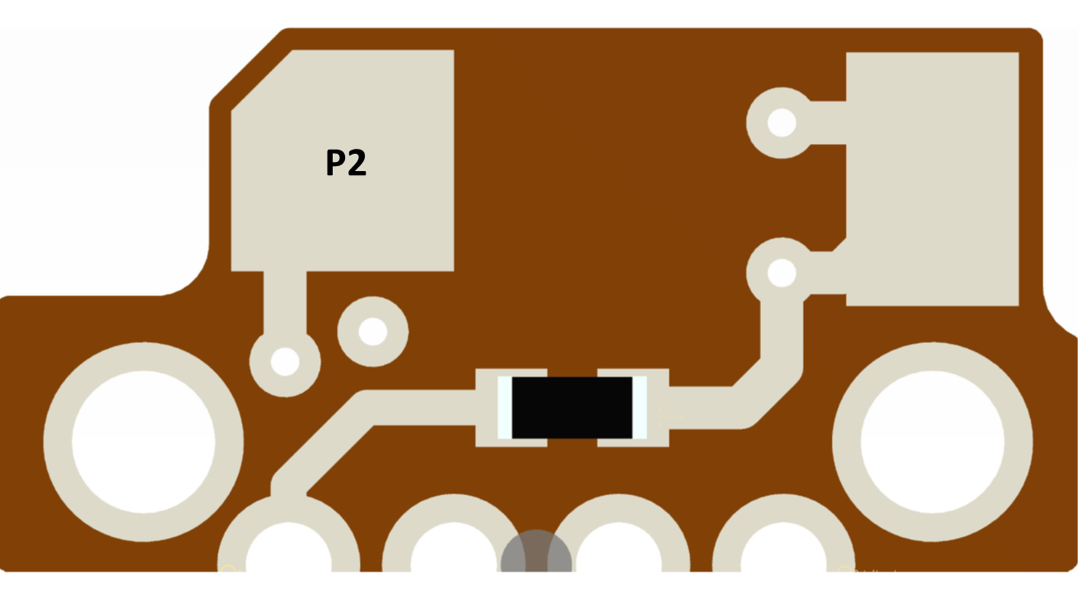
 |  | Drillfile MID1 - MID2 (burried vias) | xx-Plated.TX2 | Drill | burried vias
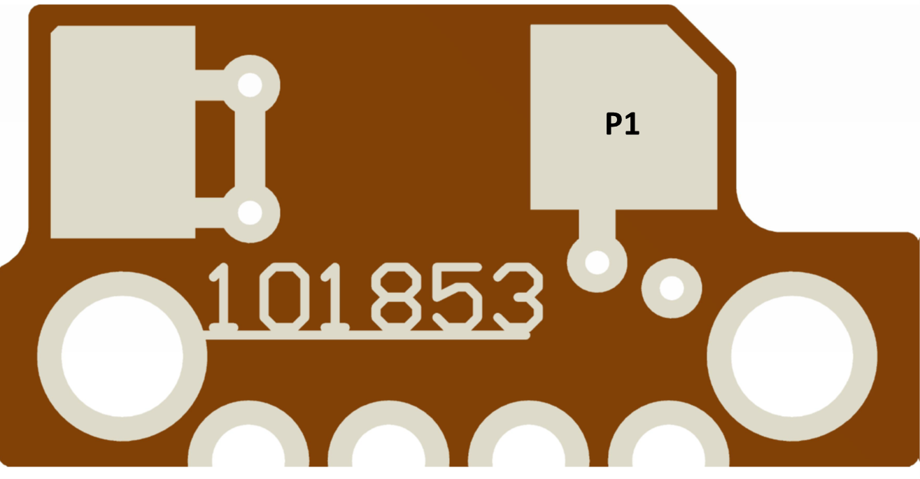
 | Drillfile MID2 - BOTTOM |  | xx-RoundHoles.TX1 | Drill
 |  | Drillfile MID1 - MID2 (burried vias) | xx-NonPlated.TXT | Drill | NonPlated through holes
 | Drillfile SlotHoles Top-Bottom |  | xx-SlotHoles | Drill | slotted holes
 | mechanical 10 |  | Top gold plated edges | Gerber
 | mechanical 11 |  | Bottom gold plated edges | Gerber
 | mechanical 6 |  | Logo and Text (Mechanical 6) | Gerber | Notation bottom - white low-outgassing epoxy
 | ODB++ |  | ODB_xxx.zip | Gerber | Netlist etc.
 | Stackup detailes |  | Stack-up.pdf | ACROBAT
All files are in millimeters and showed from top view. Format: 4:3 Any changes/production optimizations must be approved by GomSpace A/S.

 |  |  |  |  |  | PCB Snapshot (top) |  |  | PCB Snapshot (bottom)
 |  |  |  |  |  |  |  | (Pads P1 and P2 must have hard-gold)

