PCB Specifications
GomSpace A/S
Langagervej 6
9220 Aalborg East
Denmark
Phone: +45 71741741

CHECKED IN
 | Date: |  | 2017-12-21
 | Program & PCB Name: |  | P60 FFC Breakout
 | Part NUmber: |  | 100630
 | Revision: |  | 1.0
 | PCB Designer: |  | Brian Gasberg Thomsen
 | PCB Specifications:
 | Base Specification: |  | IPC-A-6012 cl. 3
 | Material: |  | FR4
 | Construction: |  | Two layer
 | Layer count: |  | 2
 | Stackup detailes: |  | See Stack-up sheet
Special processes:
 | Notation Top
 | Notation Bottom |  | White low-outgassing epoxy
 | Nickel/Hard Gold edge plating: |  | See Gold plated mechanical layer in files included below.
 | Vias in pad has to be filled and capped |  | All drilled vias
 | All Microvia has to be with copper filling. |  | Unless otherwise agreed
 | Surface finish: |  | HASL
 | Nickel/Hard gold contacts: |  | See Gold plated mechanical layer in files included below.
 | Panelization |  | Use Gomspace standard cluster template - Cluster 2
 | Minimum isolation distance: |  | 200um
 | Countersunk holes |  | All 2.5 mm holes countersunk by 90 degrees to 5.5mm opening from the buttom layer.
 | PCB manufacturer logo - Not allowed |  | unless otherwise agreed
 | Stencil data required |  | Stencil data must be based on compensated production files
 | Electrically test to be done.
 | Peelable Solder Mask:
 | Impedance controlled nets
Files included in data package
 | File Description | File Name | Format | Comments
 | Read-Me File | ReadMe.pdf | ACROBAT | This Document
 | Outline (Mechanical 4) | ffc-breakout_default_SMD.GM4 | GERBER | Board Outline
 | Notation top (Mechanical 5) | ffc-breakout_default_SMD.GM5 | GERBER | Notation top
 | Top solder | ffc-breakout_default_SMD.GTS | GERBER | Soldermask top
 | Top | ffc-breakout_default_SMD.GTL | GERBER | Top layer
 | Bottom | ffc-breakout_default_SMD.GBL | GERBER | Bottom layer
 | Bottom Solder | ffc-breakout_default_SMD.GBS | GERBER | Soldermask bottom
 | Bottom paste | ffc-breakout_default_SMD.GBP | GERBER | Bottom paste
 | Top paste | ffc-breakout_default_SMD.GTP | GERBER | Top paste
 | ODB++ | ODB++ Files.zip | ODB | Netlist etc.
 | Cluster spec | Cluster-2.pdf | ACROBAT | Cluster drawing
 | Stackup detailes | Stack-up.pdf | ACROBAT
All files are in millimeters and showed from top view. Format: 4:3 Any changes/production optimizations must be approved by GomSpace.

Cluster 1
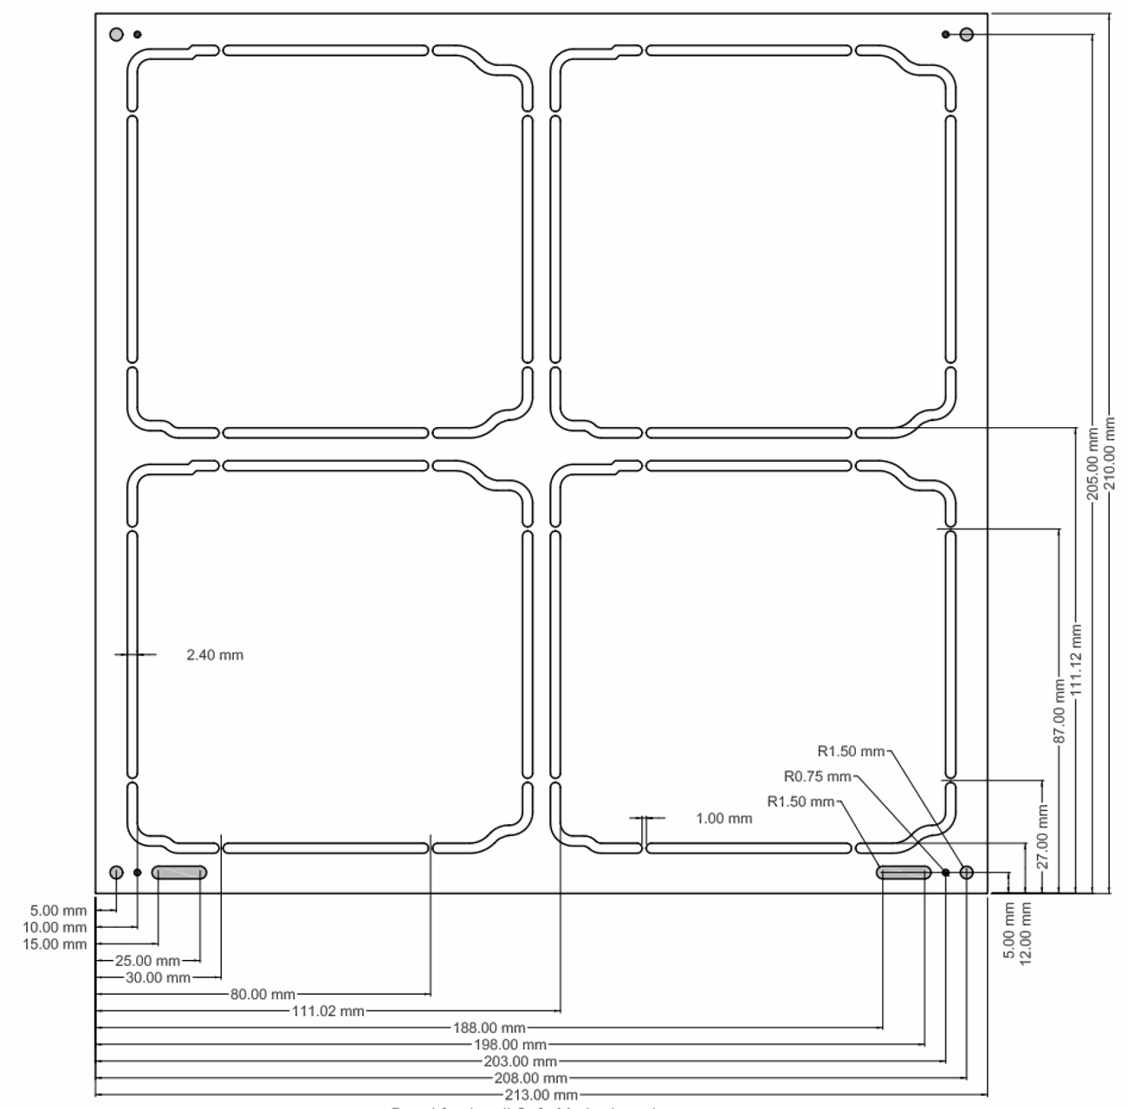

Cluster 2
