PCB Specifications
GomSpace A/S
Langagervej 6
9220 Aalborg East
Denmark
Phone: +45 71741741

CHECKED IN
 | Date: |  | 2018-08-08
 | Program & PCB Name: |  | Angular Actuator Detector PCB
 | Part Number: |  | 101853
 | Revision: |  | 2.0
 | PCB Designer: |  | Carsten Karup Nielsen
 | PCB Specifications:
 | Base Specification: |  | IPC-6012-D class 2+ (Class 2, but with No Annular Ring Breakout, 20µm Hole Copper Plating, and 12 µm Copper Wrap Plating)
 | Material: |  | Glass/polyimide (GI) IPC-4101/40. Arlon 85N or Arlon 35N is preferable. Other vendors supplying IPC-4101/40 can be chosen. Full documentation on the material used shall be provided
 | Construction: |  | High Density Interconnect (1+n+1)
 | Layer count: |  | 4
 | Stackup detailes: |  | See Stack-up sheet
 | Tolerances: |  | Thickness: +/- 10%, Outline: +/- 0,2mm, Cluster dimensions: +/- 0,2mm
Special requirements:
 | Notation Top |  | White low-outgassing epoxy
 | Notation Bottom |  | White low-outgassing epoxy
 | Nickel/Hard Gold edge plating: |  | See Gold plated mechanical layer in files included below.
 | Vias in pad has to be filled and capped |  | All drilled vias
 | All Microvia has to be with copper filling. |  | Unless otherwise agreed
 | Surface finish: |  | Hot Oil reflow SnPb (Preferred)
 | Nickel/Hard gold contacts: |  | Pads REF_L and REF_R. (See PCB snapshots)
 | Panelization |  | Choose a cluster from the drop-down
 | Panel gerber data required |  | The stepped gerber files for milling the PCB must be provided
 | Minimum isolation distance: |  | 100um
 | Countersunk holes |  | All 2.5 mm holes countersunk by 90 degrees to 5.5mm opening from the buttom layer.
 | PCB manufacturer logo - Not allowed |  | unless otherwise agreed
 | PCB Manufacturer unique serial number |  | Wherever applicable
 | Stencil data required |  | Stencil data shall be based on compensated production files
 | Electrically test to be done. |  | In accordance with IPC-9252, test level B
 | Castellated holes |  | 4 castellated holes
 | Impedance controlled nets
 | Peelable Solder Mask:

Files included in data package
 | File Description | File Name | Format | Comments
 | Read-Me File | ReadMe.pdf | ACROBAT | This Document
 | Outline (Mechanical 4) | xyz.GM4 | gerber RS274X | Board Outline
 | Top Layer | xyz.GTL | gerber RS274X | Top layer
 | mid1 | xyz.G2 | gerber RS274X | Mid layer 1
 | mid2 | xyz.G3 | gerber RS274X | Mid layer 2
 | mid3 | xyz.G4 | gerber RS274X | Mid layer 3
 | mid4 | xyz.G5 | gerber RS274X | Mid layer 4
 | mid5 | xyz.G6 | gerber RS274X | Mid layer 5
 | mid6 | xyz.G7 | gerber RS274X | Mid layer 6
 | mid7 | xyz.G8 | gerber RS274X | Mid layer 7
 | mid8 | xyz.G9 | gerber RS274X | Mid layer 8
 | mid9 | xyz.G10 | gerber RS274X | Mid layer 9
 | mid10 | xyz.G11 | gerber RS274X | Mid layer 10
 | Bottom | xyz.GBL | gerber RS274X | Bottom layer
 | Top Paste | xyz.GTP | gerber RS274X | Top paste
 | Bottom Paste | xyz.GBP | gerber RS274X | Bottom paste
 | mechanical 7 | xyz.GM7 | gerber RS274X | Area for manufacturer serial number
 | mechanical 5 | xyz.GM5 | gerber RS274X | Notation top - white low-outgassing epoxy
 | mechanical 6 | xyz.GM6 | gerber RS274X | Notation bottom - white low-outgassing epoxy
 | mechanical 7 | xyz.GM7 | gerber RS274X | Area for manufacturer serial number
 | drill | See NC Drill Files folder | gerber RS274X | Drill files
 | ODB++ | SOFT_ODB.zip | ODB++ | Netlist etc.
 | Stackup detailes | Stack-up.pdf | ACROBAT
All files are in millimeters and showed from top view. Format: 4:3 Any changes/production optimizations shall be approved by GomSpace. 360 degree annularring verification by mandatory use of IPC type F or type R or similar registration test coupon is required. The electrical registration test coupons shall be placed in min. all 4 corners of production panel, and be designed so breakout of innerlayer annularring for all drill sequences can be detected. As delivery documentation Gomspace require following items; Boards from batch approved acc. to qty from PO CoC with serial numbers noted of shipped boards 1 Thermal stress micro section from each production panel where boards originate from 1 test coupon with min section type A/B/D/E acc. to IPC-2221 per panel where boards originate from Gomspace require PCB manufacturer to keep on storage following items for min. 10 years; Rest of micro sections from batch Rest of test coupons from batch Production traveler and other production records concerning history of manufacturing.

Stack-up
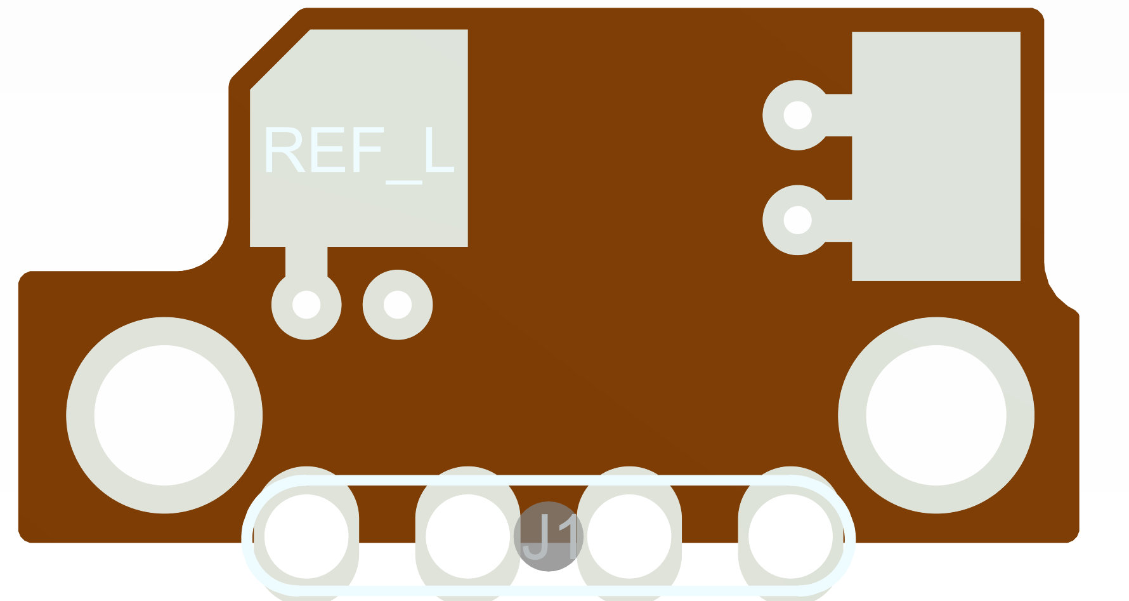
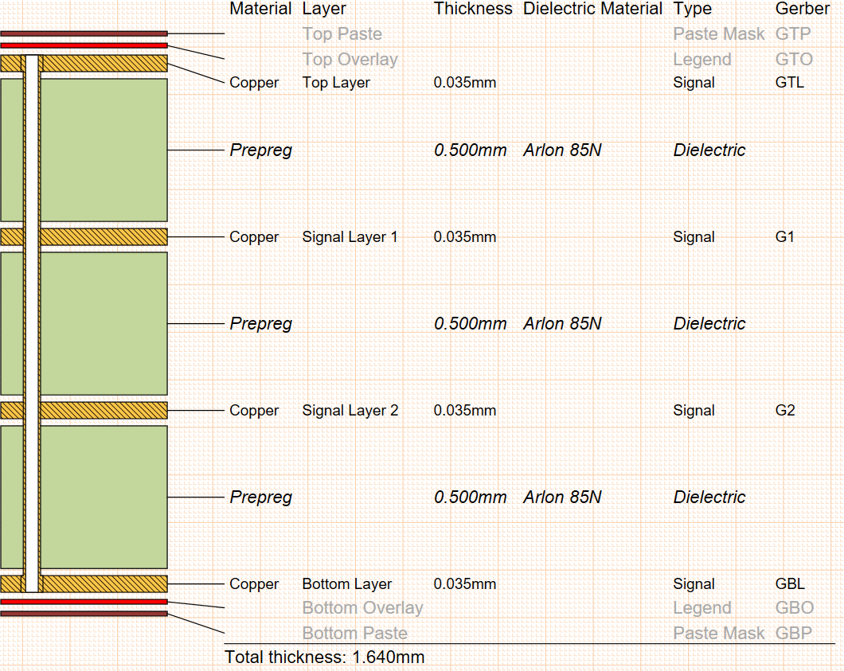

Notes:

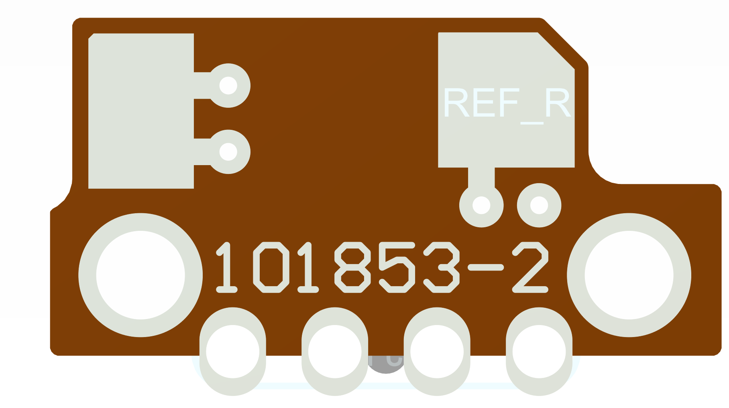
Total thickness is incl. copper
Tolerance on the total thickness is +/- 10%
The copper thickness is base copper

Cluster 1
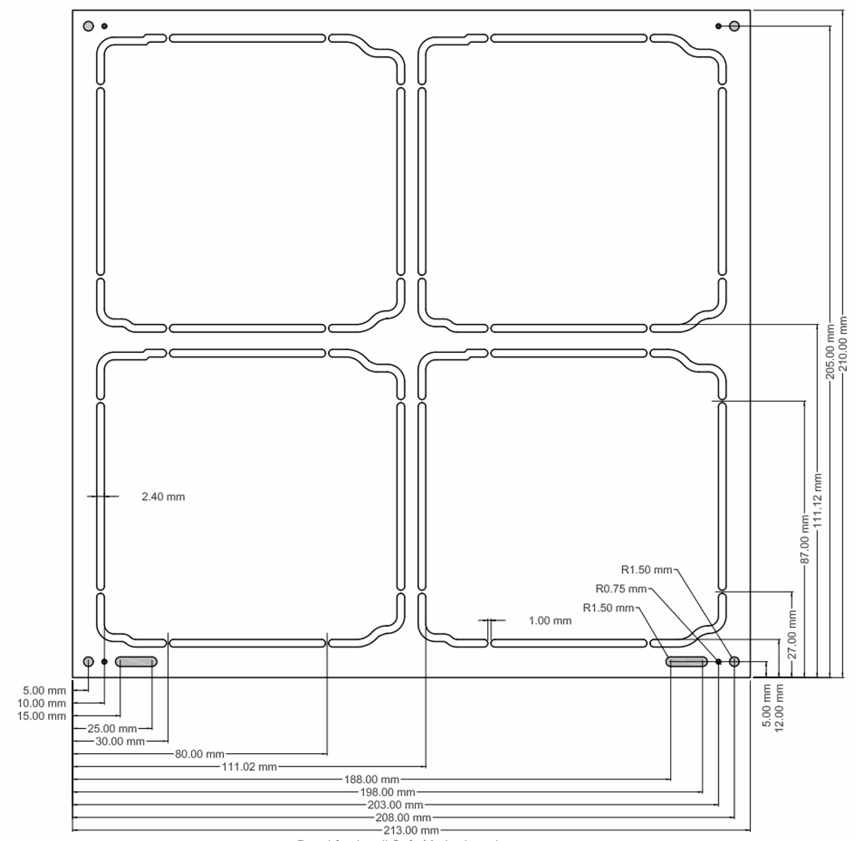

Cluster 2
