PCB Specifications
GomSpace A/S
Langagervej 6
9220 Aalborg East
Denmark
Phone: +45 71741741

CHECKED IN
 | Date: |  | 2018-11-01
 | Program & PCB Name: |  | NanoPower BP8 Heater
 | Part Number: |  | 102477
 | Revision: |  | 2
 | PCB Designer: |  | Mogens Groth Nicolaisen
 | PCB Specifications:
 | Base Specification: |  | IPC-6013-D class 2+ (Class 3 regarding requirements for Annular ring breakout, Surface and copper plating, and Copper wrap plating)
 | Material: |  | Flexible Metal-Clad Dielectrics IPC-4204A Dupont Pyralux
 | Construction: |  | Two layer flex
 | Layer count: |  | 2
 | Stackup detailes: |  | See Stack-up sheet
 | Tolerances: |  | Thickness: +/- 10%, Outline: +/- 10%, Cluster dimensions: +/- 10%
Special requirements:
 | Notation Top |  | White low-outgassing epoxy
 | Notation Bottom |  | White low-outgassing epoxy
 | Nickel/Hard Gold edge plating: |  | See Gold plated mechanical layer in files included below.
 | Vias in pad has to be filled and capped |  | All drilled vias
 | All Microvia has to be with copper filling. |  | Unless otherwise agreed
 | Surface finish: |  | Hot Oil reflow SnPb - unless otherwise agreed
 | Nickel/Hard gold contacts: |  | See Gold plated mechanical layer in files included below.
 | Panelization |  | Use Gomspace standard cluster template - Choose Cluster 1 or Cluster 2
 | Minimum isolation distance: |  | 200um
 | Countersunk holes |  | All 2.5 mm holes countersunk by 90 degrees to 5.5mm opening from the buttom layer.
 | PCB manufacturer logo - Not allowed |  | unless otherwise agreed
 | PCB Manufacturer serial number |  | See specified area in mechanical layer 7
 | Stencil data required |  | Stencil data shall be based on compensated production files
 | Electrically test to be done. |  | In accordance with IPC-9552, test level B
 | Peelable Solder Mask:
 | Impedance controlled nets |  | Top layer 150 ohm +/- 5%
 | Tolerances |  | Thickness: +/- 10%, Outline: +/- 10%, Cluster dimensions: +/- 10%
Files included in data package
 | File Description | File Name | Format | Comments
 | Read-Me File | ReadMe.pdf | ACROBAT | This Document
 | Outline (Mechanical 4) | Flex_heater_default.GM4 | Gerber | Board Outline
 | CID+LOGO (Mechanical 6) | Flex_heater_default.GM6 | Gerber | Notation Top - white low-outgassing epoxy
 | Top Paste | Flex_heater_default.GTP | Gerber | Top Paste
 | Top cover layer | Flex_heater_default.GCT2 | Gerber | Top Coverlay
 | Top side flex | Flex_heater_default.GTL | Gerber | L1 in stackup
 | Bottom side flex | Flex_heater_default.GBL | Gerber | L2 in stackup
 | Bottom cover layer | Flex_heater_default.GCB2 | Gerber | Bottom Coverlay
 | Stackup details | Stack-up.pdf | ACROBAT
 | ID-text (Mechanical 7) | Flex_heater_default.GM7 | Gerber | Manufacturer serial no. notation Bottom - white low-outgassing epoxy

All files are in millimeters and showed from top view. Format: 4:3 Any changes/production optimizations shall be approved by GomSpace.

Cluster 1
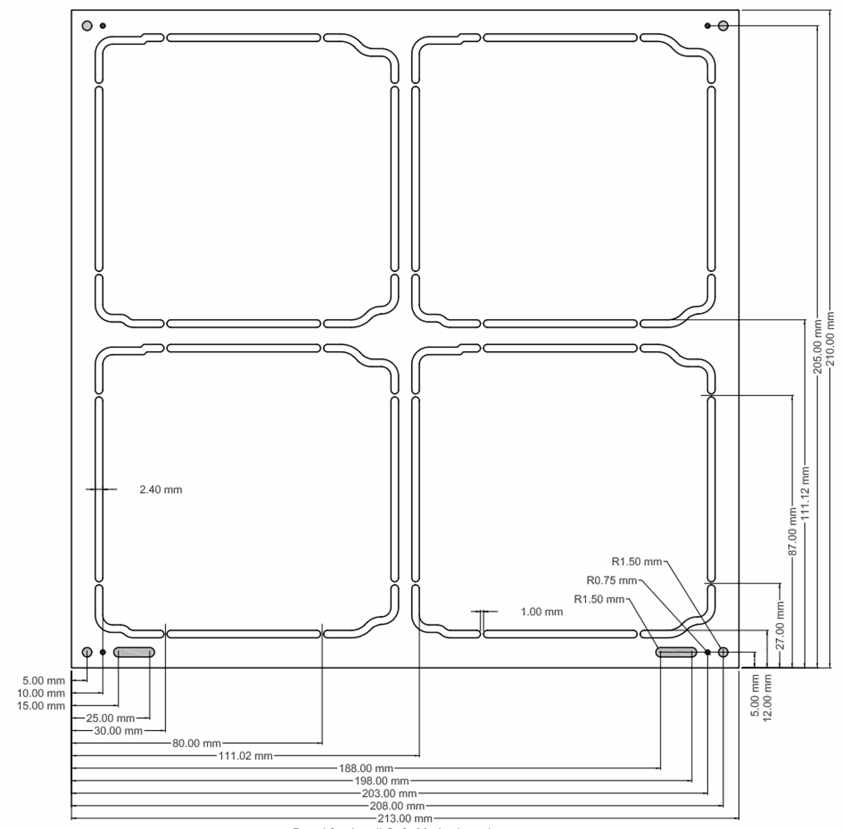

Cluster 2
