PCB Specifications
GomSpace A/S
Langagervej 6
9220 Aalborg East
Denmark
Phone: +45 71741741

CHECKED IN
 | Date: |  | 2018-03-21
 | Program & PCB Name: |  | NanoPower BP8
 | Part Number: |  | 100386
 | Revision: |  | 2
 | PCB Designer: |  | Mogens Groth Nicolaisen
 | PCB Specifications:
 | Base Specification: |  | IPC-6012/6013-D class 2+ (Class 3 regarding requirements for Annular ring breakout, Surface and copper plating, and Copper wrap plating)
 | Material: |  | Glass/polyimide (GI) IPC-4101/40 Arlon 85N or Arlon 35N
 | Construction: |  | High Density Interconnect (1+n+1)
 | Layer count: |  | 8
 | Stackup detailes: |  | See Stack-up sheet
 | Tolerances: |  | Thickness: +/- 10%, Outline: +/- 10%, Cluster dimensions: +/- 10%
Special requirements:
 | Notation Top |  | White low-outgassing epoxy
 | Notation Bottom |  | White low-outgassing epoxy
 | Nickel/Hard Gold edge plating: |  | See Gold plated mechanical layer in files included below.
 | Vias in pad has to be filled and capped |  | All drilled vias
 | All Microvia has to be with copper filling. |  | Unless otherwise agreed
 | Surface finish: |  | Hot Oil reflow SnPb - unless otherwise agreed
 | Nickel/Hard gold contacts: |  | See Gold plated mechanical layer in files included below.
 | Panelization |  | Use Gomspace standard cluster template - Choose Cluster 1 or Cluster 2
 | Minimum isolation distance: |  | 150um
 | Countersunk holes |  | All 2.5 mm holes countersunk by 90 degrees to 5.5mm opening from the buttom layer.
 | PCB manufacturer logo - Not allowed |  | unless otherwise agreed
 | PCB Manufacturer serial number |  | See specified area in mechanical layer 7
 | Stencil data required |  | Stencil data shall be based on compensated production files
 | Electrically test to be done. |  | In accordance with IPC-9552, test level B
 | Peelable Solder Mask:
 | Impedance controlled nets
 | Tolerances |  | Thickness: +/- 10%, Outline: +/- 10%, Cluster dimensions: +/- 10%
Files included in data package
 | File Description | File Name | Format | Comments
 | Read-Me File | ReadMe.pdf | ACROBAT | This Document
 | Outline (Mechanical 4) | BP8_default_no_flipflop.GM4 | OBD++ | Board Outline
 | CID+LOGO (Mechanical 6) | BP8_default_no_flipflop.GM6 | ODB++ | Notation Top - white low-outgassing epoxy
 | Top Paste | BP8_default_no_flipflop.GTP | OBD++ | Top Paste
 | Top Side Components | BP8_default_no_flipflop.GTL | ODB++ | L1 in stackup
 | Signal Layer 1 | BP8_default_no_flipflop.G1 | OBD++ | L2 in stackup
 | Power Layer 1 | BP8_default_no_flipflop.G2 | ODB++ | L3 in stackup
 | Signal Layer 2 | BP8_default_no_flipflop.G3 | OBD++ | L4 in stackup - Flex layer
 | Signal Layer 3 | BP8_default_no_flipflop.G4 | ODB++ | L5 in stackup -Flex layer
 | Power Layer 2 | BP8_default_no_flipflop.G5 | OBD++ | L6 in stackup
 | Signal Layer 4 | BP8_default_no_flipflop.G6 | ODB++ | L7 in stackup
 | Bottom Side Components | BP8_default_no_flipflop.GBL | OBD++ | L8 in stackup
 | Bottom Paste | BP8_default_no_flipflop.GBP | OBD++ | Bottom Paste
 | ODB++ | BP8_default_no_flipflop.zip | ODB | Netlist etc.
 | Stackup details | Stack-up.pdf | ACROBAT
 | ID-text (Mechanical 7) | BP8_default_no_flipflop.GM7 | ODB++ | Manufacturer serial no. notation Bottom - white low-outgassing epoxy

All files are in millimeters and showed from top view. Format: 4:3 Any changes/production optimizations shall be approved by GomSpace.

Cluster 1
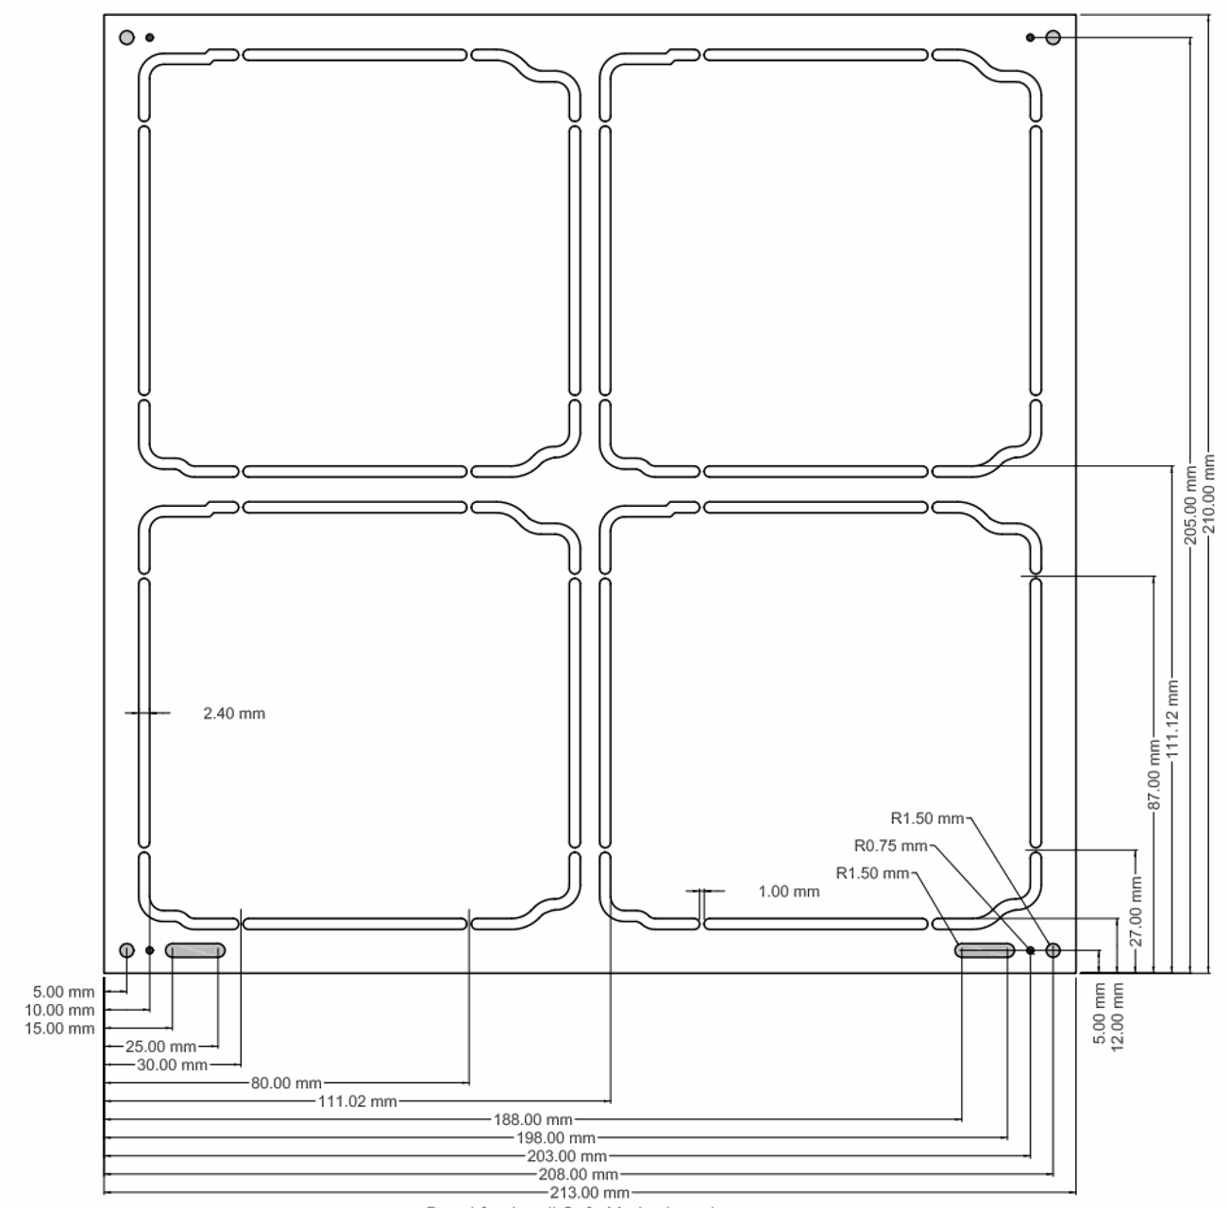

Cluster 2
