Tasks
365 DataScience RE California Database
Types of data and levels of measurement

Task 1: What are the types of data and the levels of measurement of the following variables: Cust ID, Mortgage, Year of sale

Solution:
Cust ID | categorical
Mortgage | categorical
Year of sale | numerical

Task 2: Create a frequency distribution graph representing the price (that is a histogram with the highest possible number of bins - 267). Use data on all apartments and offices, no matter if sold or not.
Task 3: Create a histogram which represents the Price variable. Choose interval width (bins) of length $100,000. If you don't know how to do that, refer to the Course notes on descriptive statistics provided with the first lecture in this section.
Use the data on all properties, no matter if sold or not.
Task 4: Interpret the results.

Solution:

intervals
100K-200K | 30
200K-300K | 153
300K-400K | 51
400K-500K | 26
above 500K | 7

total | 267

Skeweness to the right. Price are mostly in the range of 200 K - 300 K

Task 5: Create a scatter plot showing the relationship between Price and Area. Use the data on all properties, no matter if sold or not. Interpret the results.

Solution:
There is good correlation between the two variables. Also the correlation coefficient is also close to 1
 | Solution:
 | 0 | $246,172.68
 |  | $246,331.90
 |  | $209,280.91
 |  | $452,667.01
 |  | $467,083.31
 |  | $203,491.85
 |  | $212,520.83
 |  | $198,591.85
 |  | $265,467.68
 |  | $235,633.26
 |  | $317,473.86
 |  | $503,790.23
 |  | $217,786.38
 |  | $460,001.26
 |  | $460,001.26
 |  | $448,134.27
 |  | $249,591.99
 |  | $196,142.19
 |  | $258,572.48
 |  | $310,831.21
 |  | $207,281.59
 |  | $168,834.04
 |  | $396,973.83
 |  | $188,743.11
 |  | $179,674.08
 |  | $306,363.64
 |  | $200,300.63
 |  | $382,041.13
 |  | $245,572.79
 |  | $407,214.29
 |  | $355,073.40
 |  | $256,821.64
 |  | $226,342.80
 |  | $191,389.87
 |  | $297,008.97
 |  | $250,773.15
 |  | $312,211.14
 |  | $190,119.50
 |  | $225,050.52
 |  | $261,742.74
 |  | $344,530.89
 |  | $215,410.28
 |  | $252,185.99
 |  | $480,545.81
 |  | $300,385.62
 |  | $240,539.35
 |  | $222,138.72
 |  | $228,410.05
 |  | $197,053.51
 |  | $193,660.62
...
 | covariance | 24147721.726
 | std. deviation for price | 89119.120849
 | std. deviation for area | 284.89501556
 | correlation coeff. | 0.95108737743

Task 6: Create a frequency distribution table, where you list all the countries from which the company has buyers (country vs number of buyers). Count the absolute frequency, the relative frequency and the cumulative frequency.
Task 7: Create a Pareto diagram representing the data.
Solution (Pivot Table):
Row Labels | Count of Country | frequency percent | cumulative
USA | 177 | 90.769230769 | 90.769230769
Canada | 7 | 3.5897435897 | 94.358974359
Russia | 4 | 2.0512820513 | 96.41025641
UK | 2 | 1.0256410256 | 97.435897436
Belgium | 2 | 1.0256410256 | 98.461538462
Germany | 1 | 0.51282051282 | 98.974358974
Denmark | 1 | 0.51282051282 | 99.487179487
Mexico | 1 | 0.51282051282 | 100
Grand Total | 195 | 100

Pareto plot

Task 8: Calculate the mean, median, mode, skewness, variance and standard deviation of Price for all properties, no matter if sold or not.
Task 9: Interpret the measures.
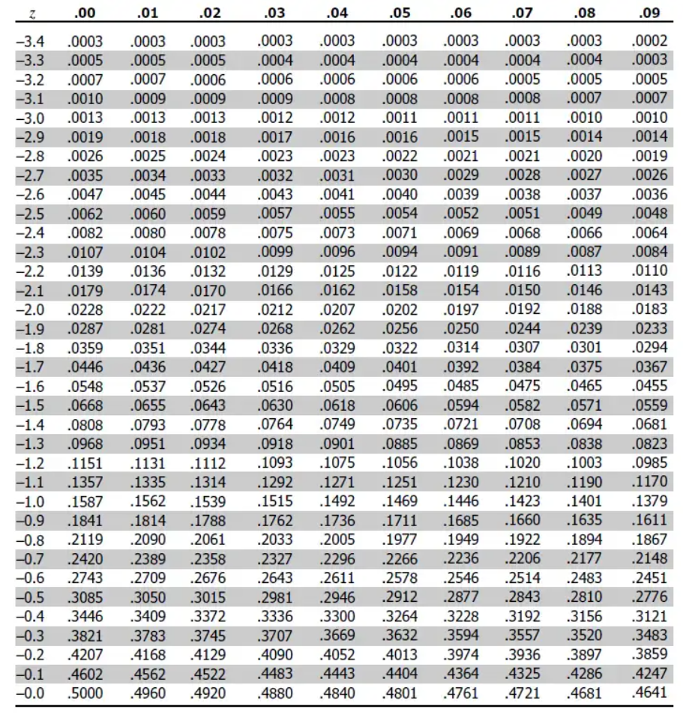
 | mean | $281,171.90
 | median | $249,075.66
 | mode | $460,001.26
 | skewness | $1.10 | positive skewness means that there are very "expensive" houses
 | variance | $7,942,217,700.92
 | standard dev. | $89,119.12
 | alpha | 0.05 | the confidence level percent is 95%
 | alpha/2 | 0.025
 | z-Value | 1.96
 | standard error | 5454.0016237
 | Confidence interval | $270,482.06
 | Confidence interval | $291,861.74

