Confidence_Interval for t-dist.
Confidence intervals, t-score

Background | You are given the dataset from the lesson
Task 1 | Calculate the mean and the standard error of the dataset
Task 2 | Determine which statistic to use for inference
Task 3 | Find the appropriate statistic, taking into consideration the degrees of freedom (if applicable) for 99% confidence
Task 4 | Find the 99% confidence interval

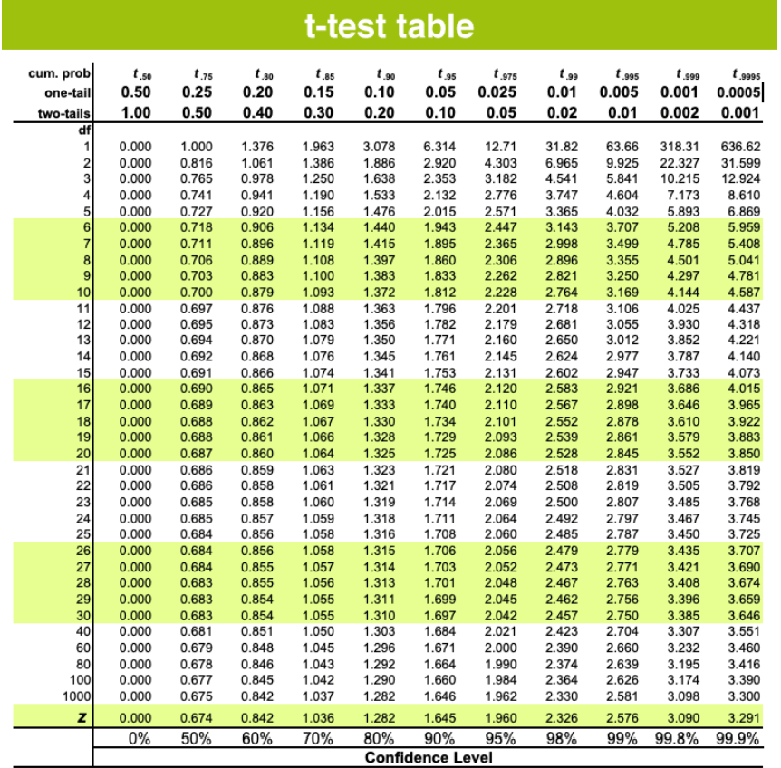
Dataset
$78,000
$90,000
$75,000
$117,000
$105,000
$96,000
$89,500
$102,300
$80,000

Solution:

 | number | comment
number of sample | 9
average | 92533.333333
std deviation | 13931.887884 | sample std deviation
std error | 4643.9626279
degree of freedom | 8
alpha | 0.01 | 100-confidence percent
alpha/2 | 0.005
t-value | 3.355 | the number of samples is below 30. So, we must assume a normal t-distribution.
margin of error | 15580.494616
upper 99% confidence interval | $108,114
lower 99% confidence interval | $76,953

Confidence_Interval for z-dist.
Confidence intervals. Population known, z-score
Data scientist salary

Background | You are given the same dataset from the lesson. The population standard deviation is known to be $ 15,000.
Task 1 | Calculate the mean and the standard error
Task 2 | Find the appropriate z-score for calculating a 90% confidence interval
Task 3 | Find the 90% confidence interval
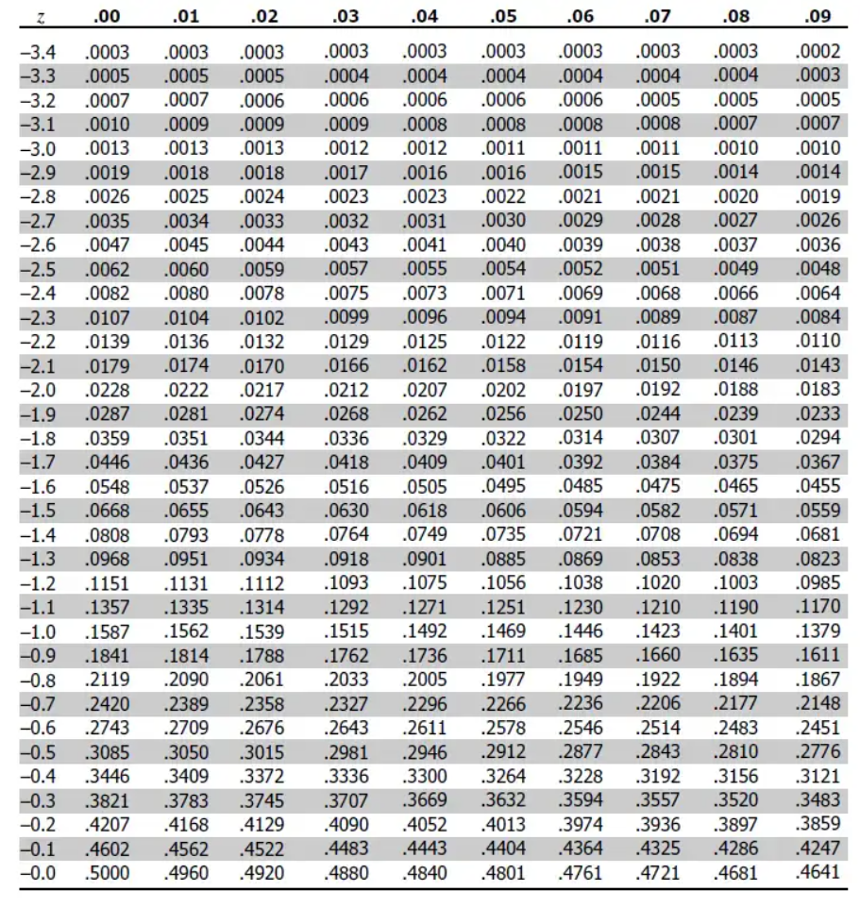

Dataset
$117,313
$104,002
$113,038
$101,936
$84,560
$113,136
$80,740
$100,536
$105,052
$87,201
$91,986
$94,868
$90,745
$102,848
$85,927
$112,276
$108,637
$96,818
$92,307
$114,564
$109,714
$108,833
$115,295
$89,279
$81,720
$89,344
$114,426
$90,410
$95,118
$113,382

Solution:

 | number | comment
number of sample | 30
average | 100200.36667
std deviation | 15000 | population std deviation!
std error | 2738.6127875
alpha | 0.1 | 100-confidence percent
alpha/2 | 0.05
Z-value | 1.645 | The population std is given and the number of sample is 30 and above. So, it is justified to used z-distribution
margin of error | 4505.0180355
upper 90% confidence interval | 104705.3847
lower 90% confidence interval | 95695.348631

CI, indep, var kwn
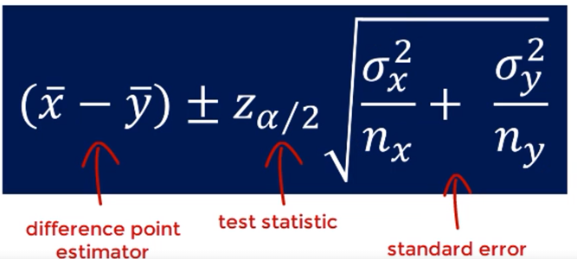
Confidence interval for the difference of two means. Independent samples, variance known
University example

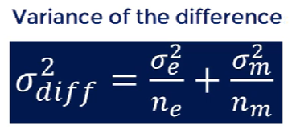
Background | You have the dataset from the lesson.
Task 1 | Calculate the 99% confidence interval
Task 2 | Compare it to the 95% confidence interval from the lesson

 | Engineering | Management | Difference
Size | 100 | 70 | ?
Sample mean | 58 | 65 | -7.00
Population std | 10 | 5 | 1.16

Solution for task 1:
 | level of confidence | 0.99
 | alpha | 0.01
 | alpha/2 | 0.005
 | type of distribution | z
 | z-value at 99% confidence interval | 2.575
 | variance of the difference | 1.3571428571
 | lower confidence interval | -9.9997842184
 | upper confidence interval | -4.0002157816

Solution for task 2:
 | level of confidence | 0.95
 | alpha | 0.05
 | alpha/2 | 0.025
 | type of distribution | z
 | z-value at 99% confidence interval | 1.96
 | variance of the difference | 1.3571428571
 | lower confidence interval | -9.2833309002
 | upper confidence interval | -4.7166690998

Other info:

 | lower confidence interval for Engineering | 59.96
 | upper confidence interval for Engineering | 56.04
 | lower confidence interval for Management | 66.171324037
 | upper confidence interval for Management | 63.828675963

