Data
Test for the mean. Population variance known
Data scientist salary

Background | You are given the data from the lesson
Task 1 | Test the null hypothesis at 10% significance
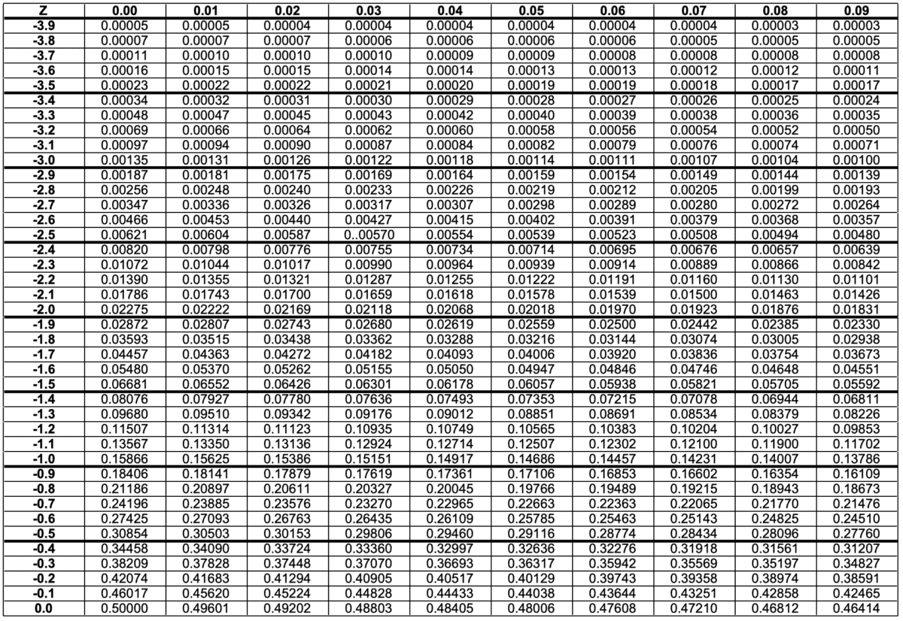
Dataset
$117,313 |  | Sample mean | $100,200 | H0 (Glassdoor data) | $113,000
$104,002 |  | Population std | $15,000 | Two-sided test
$113,038 |  | Standard error | $2,739
$101,936
$84,560 |  | Sample size | 30
$113,136
$80,740 |  | Z-score | -4.67
$100,536
$105,052
$87,201
$91,986 |  | Test
$94,868
$90,745
$102,848
$85,927
$112,276
$108,637
$96,818
$92,307
$114,564
$109,714
$108,833
$115,295
$89,279
$81,720
$89,344
$114,426
$90,410
$95,118
$113,382

 | Solution:
 | |Z| | 4.6737652696
 | Z correspond to alpha/2 = 0.025 | 1.96
 | We see that |Z| is larger than critical Z. Therefore, the null hypothesis is rejected

