Stats and Profs.

Burt |  |  |  | Warlock | 1 |  | Guild Artisan
 |  |  |  | Class | Level |  | Background |  | Player Name
Character Name |  |  |  | Drow (Dark Elf) |  |  | Lawful Neutral
 |  |  |  | Race |  |  | Alignment |  | Experience Points

Strength |  | Inspiration |  | 12 | 1 |  | 30 ft. | I like observing and understanding people. I am closed off and reclusive. |  |  | 9
8
 | +2 | Proficiency Bonus |  | Armour Class | Initiative |  | Speed |  |  |  | PASSIVE PERCEPTION
-1
 | 0 | -1 | Strength | Hit Point Maximum | 10 |  |  |  |  | Weapons: | Simple Weapons, Dagger
Dexterity | 0 | 1 | Dexterity | 10 |  |  |  |  | PERSONALITY TRAITS
12 | 0 | 2 | Constitution
 | 0 | 0 | Intelligence |  | CURRENT HIT POINTS
1 | 1 | 1 | Wisdom |  |  |  |  | Freedom: No one controls me—not my past, not my patron, not the gods.
 | 1 | 6 | Charisma |  |  |  |  |  |  | Armour: | Light Armor
Constitution | SAVING THROWS
14
 | 0 | 1 | Acrobatics (Dex) |  | TEMPORARY HIT POINTS
2 | 0 | -1 | Animal Handling (Wis) |  |  |  |  |  | IDEALS
 | 0 | 0 | Arcana (Int) | Total |  | Successes | 0 |  |  | Tools: | Artisan’s Tools
Intelligence | 0 | -1 | Athletics (Str) | 1d8 |  | Failures | 0
10 | 1 | 6 | Deception (Cha) | HIT DICE |  | DEATH SAVES |  | I have no bonds to anything.
 | 0 | 0 | History (Int)
0 | 1 | 1 | Insight (Wis) | NAME | ATK BONUS | DAMAGE/TYPE
 | 0 | 4 | Intimidation (Cha) | Dagger | +4 | 1d4 + 2 piercing |  |  |  | Vehicles:
Wisdom | 1 | 2 | Investigation (Int)
9 | 0 | -1 | Medicine (Wis) |  |  |  |  |  | BONDS
 | 0 | 0 | Nature (Int)
-1 | 0 | -1 | Perception (Wis)
 | 0 | 4 | Performance (Cha) |  |  |  |  | I am obsessed with forbidden knowledge, even if it comes at great risk. |  | Languages: | Common, Elvish, Undercommon
Charisma | 1 | 6 | Persuasion (Cha)
18 | 0 | 0 | Religion (Int)
 | 0 | 1 | Sleight of Hand (Dex)
4 | 0 | 1 | Stealth (Dex)
 | 0 | -1 | Survival (Wis) |  |  |  |  |  | FLAWS |  | OTHER PROFICIENCIES & LANGUAGES
 | SKILLS
 | ^ 1 = PROFICIENT, 2 = EXPERTISE

Spellcasting
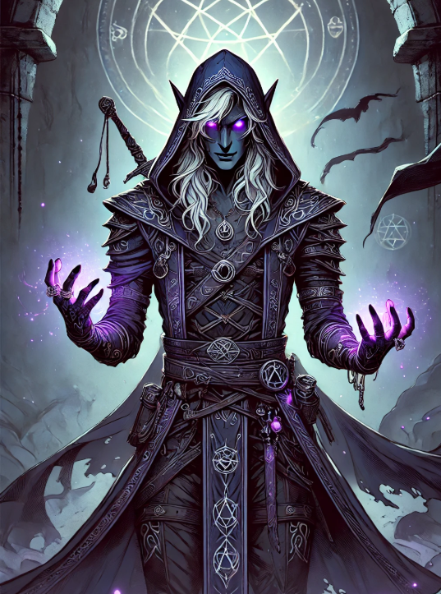
 | Burt |  |  | Warlock |  | 1 |  | Guild Artisan |  |  | 0
 |  |  |  | Class |  | Level |  | Background |  |  | Player Name
 | Character Name |  |  | Drow (Dark Elf) |  |  |  | Lawful Neutral |  |  | 0
 |  |  |  | Race |  |  |  | Alignment |  |  | Experience Points

 | Warlock |  |  | Charisma |  |  |  | 12 |  |  | +4
 |  |  |  | SPELLCASTING ABILITY |  |  |  | SPELL SAVE DC |  |  | SPELL ATTACK BONUS
 | SPELLCASTING CLASS

 | 0 | CANTRIPS |  | 2 | 0 |  | 0 |  | 4 | 0 |  | 0 | 6 | 0 | 0 | 8 | 0 | 0

 | Eldritch Blast |  |  | 0 |  |  |  |  | 0 |  |  |  | 0 |  |  | 0
 | Minor Illusion |  |  | 0 |  |  |  |  | 0 |  |  |  | 0 |  |  | 0
 |  |  |  | 0 |  |  |  |  | 0 |  |  |  | 0 |  |  | 0
 |  |  |  | 0 |  |  |  |  | 0 |  |  |  | 0 |  |  | 0
 |  |  |  | 0 |  |  |  |  | 0 |  |  |  | 0 |  |  | 0
 |  |  |  | 0 |  |  |  |  | 0 |  |  |  | 0 |  |  | 0
 |  |  |  | 0 |  |  |  |  | 0 |  |  |  | 0 |  |  | 0
 |  |  |  | 0 |  |  |  |  | 0 |  |  |  | 0 |  |  | 0
 |  |  |  | 0 |  |  |  |  | 0 |  |  |  | 0 |  |  | 0
 |  |  |  | 0 |  |  |  |  | 0 |  |  |  | 0 |  |  | 0
 |  |  |  | 0 |  |  |  |  | 0 |  |  |  | 0 |  |  | 0
 |  |  |  | 0 |  |  |  |  | 0 |  |  |  | 0 |  |  | 0
 |  |  |  | 0 |  |  |  |  | 0 |  |  |  | 0 |  |  | 0
 |  |  |  | 0 |  |  |  |  | 0 |  |  |  | 0 |  |  | 0
 | SPELL LEVEL | SLOTS TOTAL | SLOTS EXPENDED
 | 1 | 1 | 1 | 3 | 0 |  | 0 |  | 5 | 0 |  | 0 | 7 | 0 | 0 | 9 | 0 | 0

PREPARED=1 | 1 | Dissonant Whispers |  | 0 |  |  |  |  | 0 |  |  |  | 0 |  |  | 0
 | 0 | Arms of Hadar |  | 0 |  |  |  |  | 0 |  |  |  | 0 |  |  | 0
 | 0 |  |  | 0 |  |  |  |  | 0 |  |  |  | 0 |  |  | 0
 | 0 |  |  | 0 |  |  |  |  | 0 |  |  |  | 0 |  |  | 0
 | 0 |  |  | 0 |  |  |  |  | 0 |  |  |  | 0 |  |  | 0
 | 0 |  |  | 0 |  |  |  |  | 0 |  |  |  | 0 |  |  | 0
 | 0 |  |  | 0 |  |  |  |  | 0 |  |  |  | 0 |  |  | 0
 | 0 |  |  | 0 |  |  |  |  | 0 |  |  |  | 0 |  |  | 0
 | 0 |  |  | 0 |  |  |  |  | 0 |  |  |  | 0 |  |  | 0
 | 0 |  |  | 0 |  |  |  |  | 0 |  |  |  | 0 |  |  | 0
 | 0 |  |  | 0 |  |  |  |  | 0 |  |  |  | 0 |  |  | 0
 | 0 |  |  | 0 |  |  |  |  | 0 |  |  |  | 0 |  |  | 0
 | 0 |  |  | 0 |  |  |  |  | 0 |  |  |  | 0 |  |  | 0
 | 0 |  |  | 0 |  |  |  |  | 0 |  |  |  | 0 |  |  | 0

