IMRAD
Introduction
 | Background
 | On the previous final presentation, we developed data cleansing tool using Excel.
 | I worked well but was running very slow as if it is mulfunctioning.
 | Also, we realized that Excell App allow us to transform 1,048,576 rows or less.

 | Problem statement
 |  | Context (what is already known)
 |  | Excel macro is slow.
 |  | Maximum number of rows in Excel worksheet is only 1,048,576.

 |  | Relevance (why it is important)
 |  | Data cleansing process is needed to obtain accurate dataset for high quarity data analysis services.
 |  | The procedure must be stable even if it open big data.

 |  | Solution / Aims and objectives (what we are going to do)
 |  | We try to transform data using Python instead of Excel.
 |  | Python can handle large datasets stably and faster.

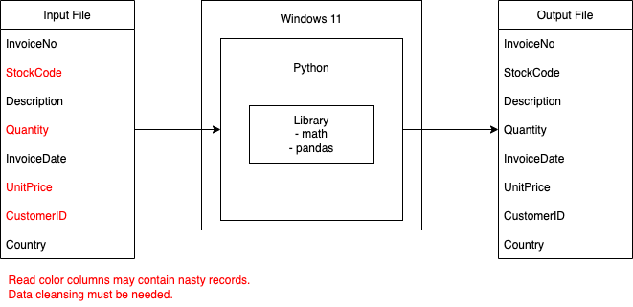
Methodology
 | datapipeline
 |  |  |  |  | Specification of Data Conversion
 |  |  |  |  |  | Correct Value | Data Cleansing
 |  |  |  |  | StockCode | Must be fixed five digits number. | Get first five characters. If not digits, convert to "".
 |  |  |  |  | Quantity | Must be positive integer. | If empty or negative value, convert to "0".
 |  |  |  |  | UnitPrice | Must be positive float. | If empty or negative value, convert to "0".
 |  |  |  |  | CustomerID | Must not be Null | If empty, convert to "99999"

 | Program Flowchart

 |  | Main | Function : getStockCode | Function : getQuantity |  |  | Function : getUnitPrice | Function : getCustomerID
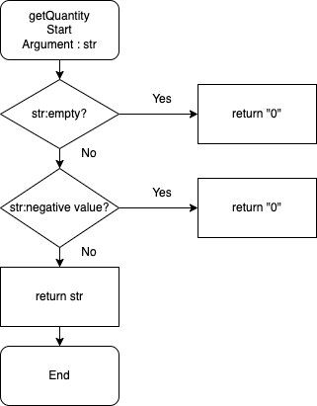

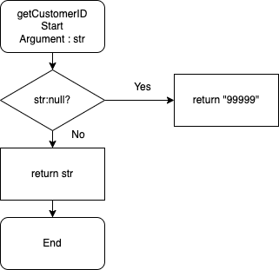
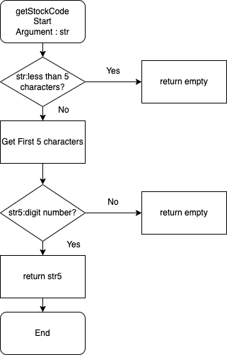

Results
 | Move to "Results" sheet.

