Sheet1
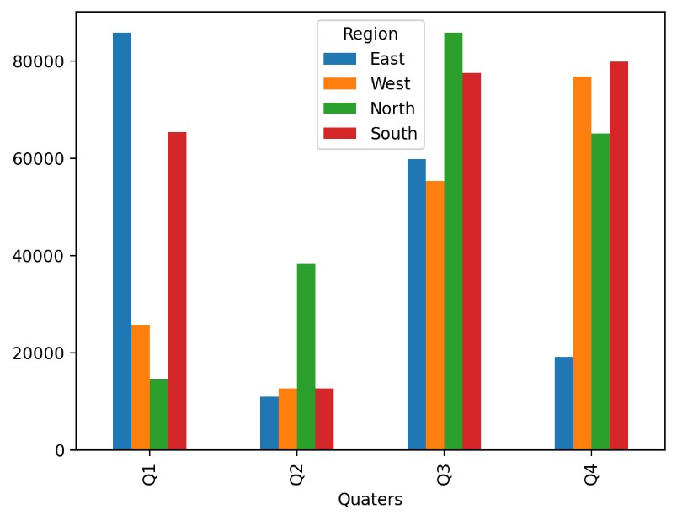
Import Data with Xlwings
Import Data with Xlwings at A2
Quaters | East | West | North | South
Q1 | 85803.733534 | Import Data with Xlwings | 14550.126972 | 65285.558804
Q2 | 10924.144639 | 12643.089894 | 38263.892126 | 12626.494808
Q3 | 59780.856127 | 55336.551112 | 85791.379958 | 77500.05961
Q4 | 19147.137704 | 76789.075711 | 65073.976951 | 79788.275886

