Image - Rebar
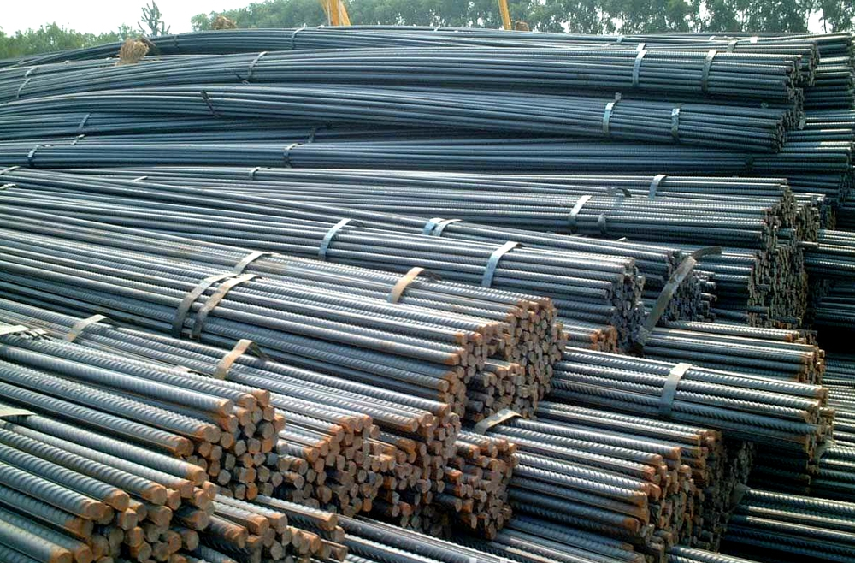

Product Image - Steel Rebars

Sheet1


