Read_Me
BioModTool
REF ARTICLE
BioModTool (Biomass Modeling Tool), a python package to generate and add biomass objective functions (BOFs) to genome scale metabolic models. This template Excel file must be edited and filled by the user using biomass composition data. Excel file is divided into sheets, each sheet corresponding to a pseudo-reaction to be created (e.g., BIOMASS, DNA, LIPIDS, PC etc.). Each sheet contains two distinct tables. First table (columns A to E) contains metabolite of basic level defining the macromolecular content on the cell (level 1) and monomer metabolites that make up each macromolecular group (level 2). Lipid composition in terms of lipid class (level 2 - lipid) and specific composition of each class can be added (level 3). Data of the different macromolecules/pools can be completed in different units (any molar or mass unit being accepted) but within a macromolecule/pool, units must be identical. For example, DNA and PROTEIN composition can be given in different units, but all amino-acids abundance must be in the exact same unit (idem for dNTPs). These data will be normalized so that the total mass recovered from biomass reaction corresponds to one gram of dry weight.After being converted into GEM compatible units, coefficients will be used to create pseudo-reactions of biomass objective function. Biomass objective function can be formulated at a different level of detail (basic, intermediate and advanced) (Feist and Palsson 2010). A second table (columns H to L) can be completed by the user to improve BOF level of detail by adding energy requirement for the macromolecule synthesis (intermediate level) and vitamins, elements, and cofactors required for growth (advanced level). Data from this table will not be converted and will directly be used as stochiometric coefficients and must be given in mmol/gDW or mol/molpool. |  | 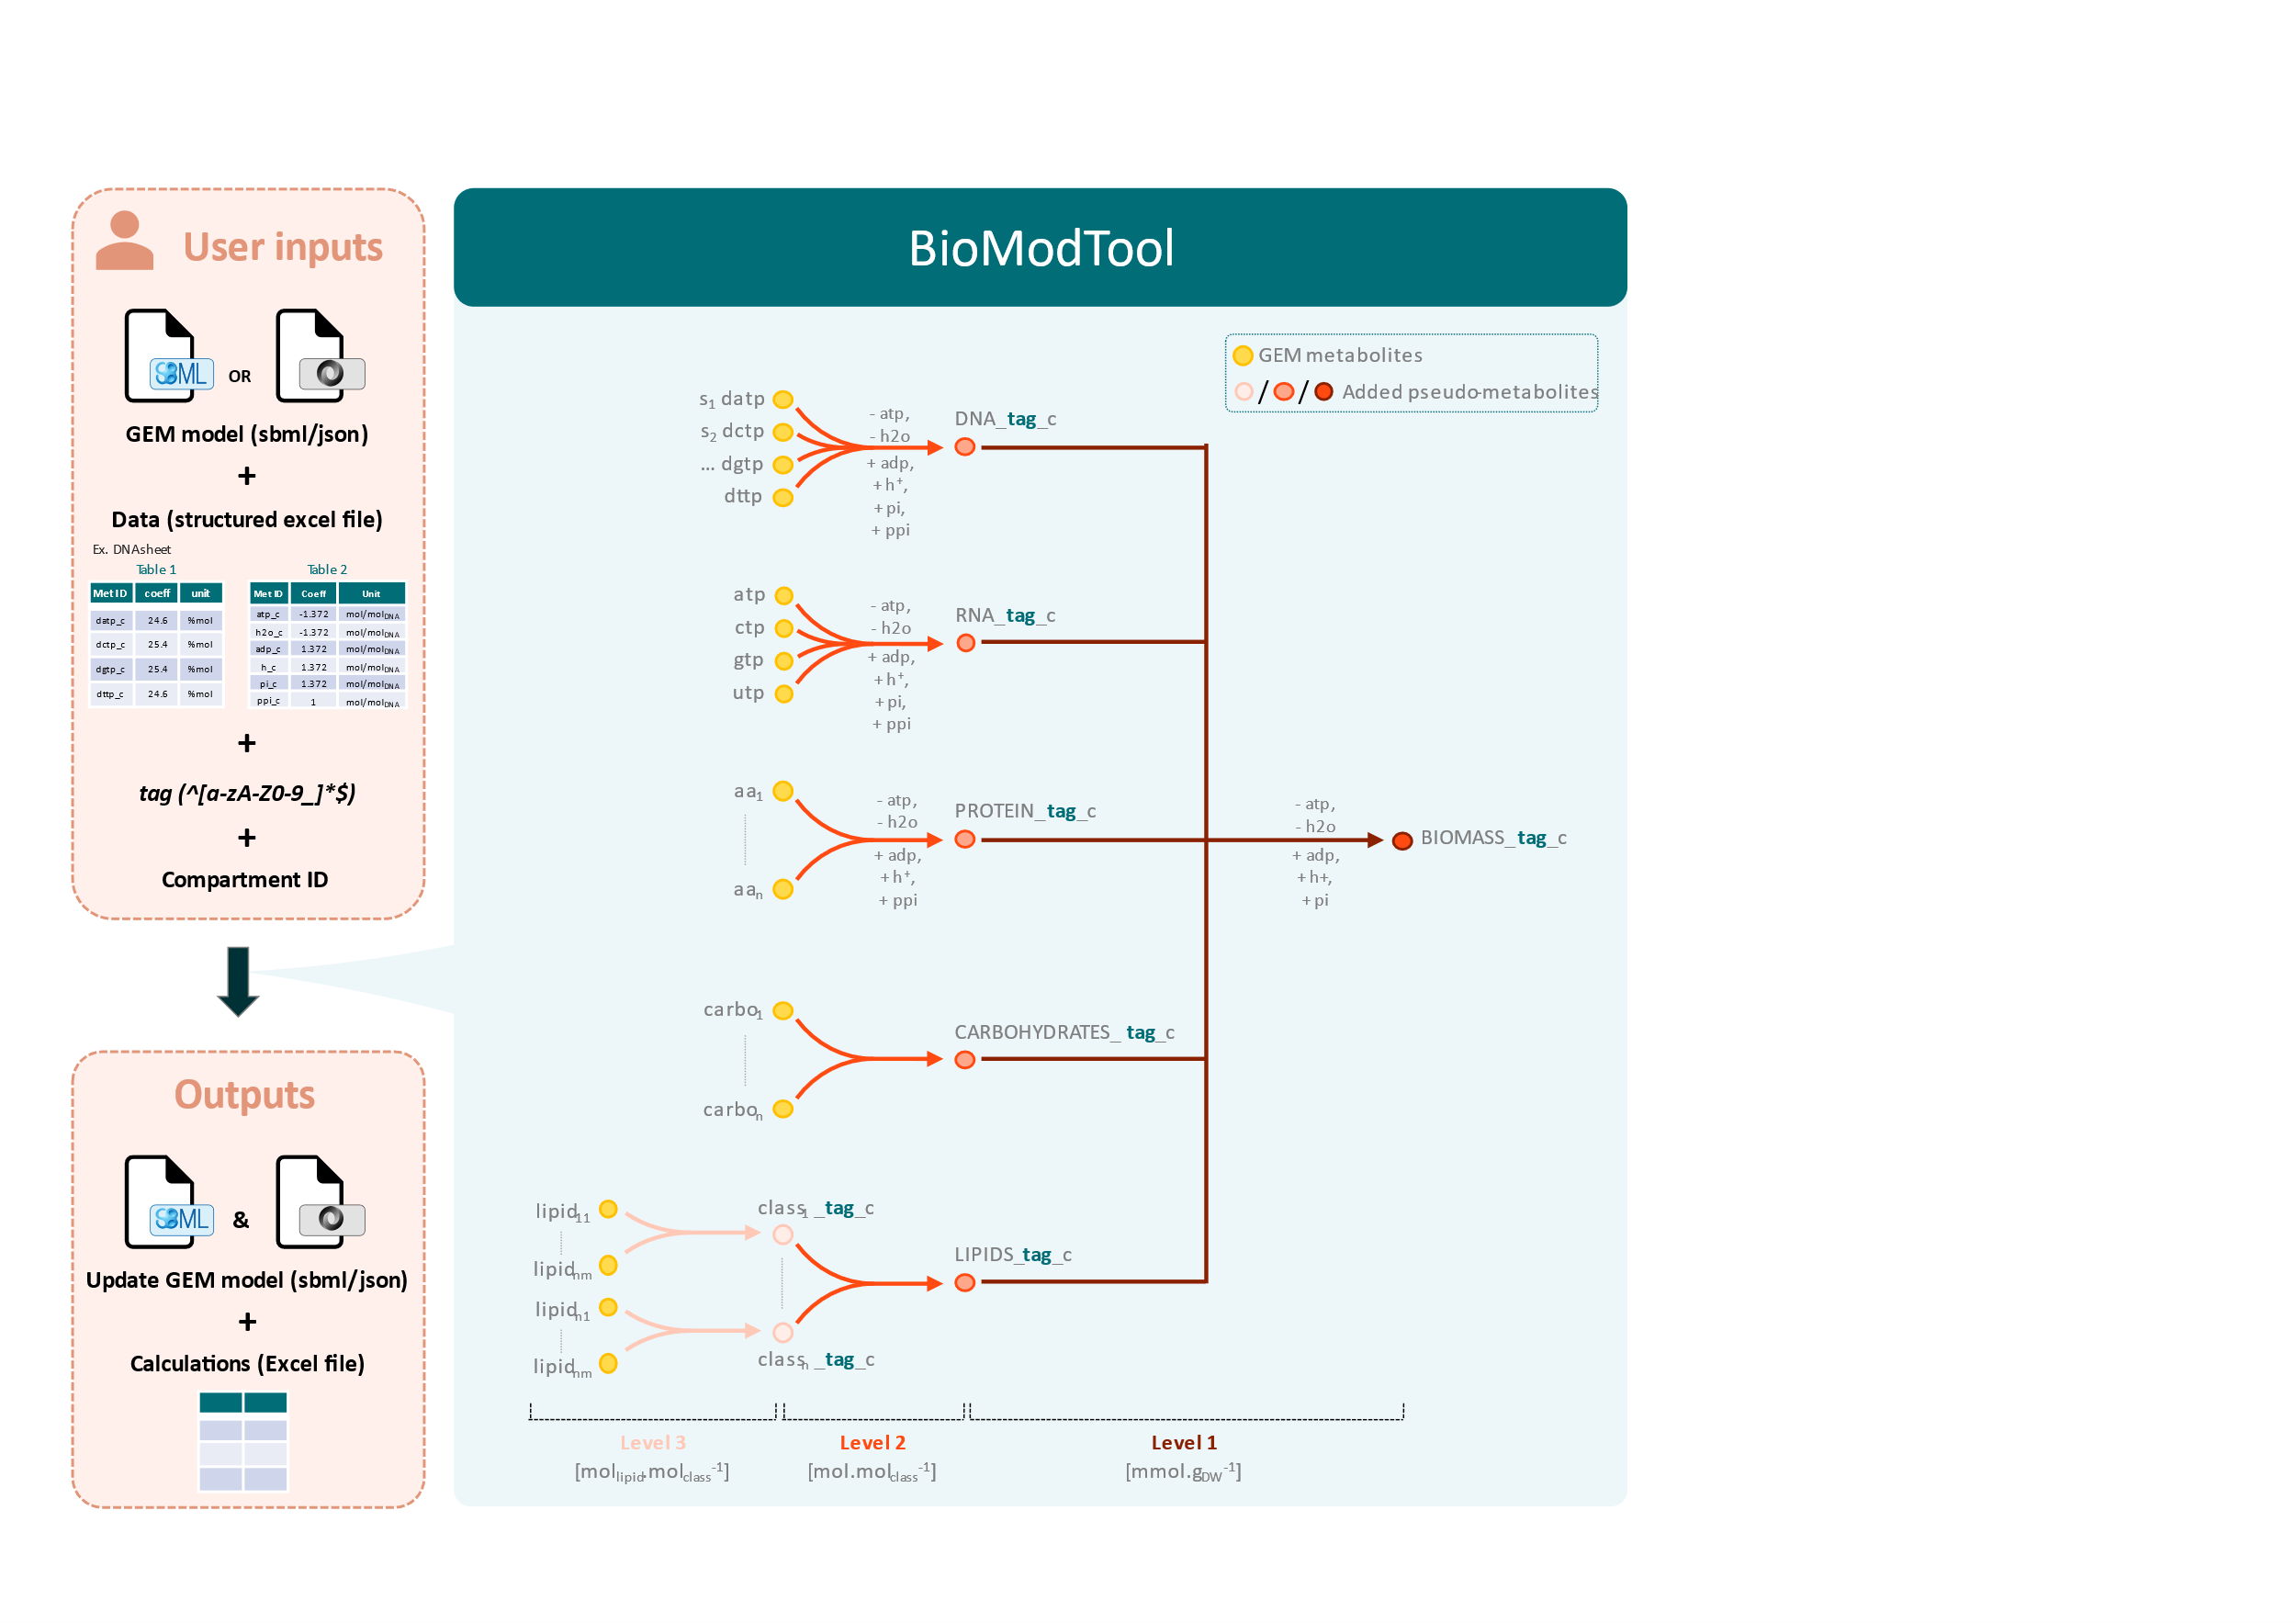

Instructions:
/!\ Only colored cells must be modified
Step 1. Determine the structure of the BOF and create one sheet per pseudo-reaction to be added in the BOF. One template is available for each level.They should be duplicated and renamed to fit choosen BOF structure.
Step 2. Fill each sheet with appropriate data.
Structure of the sheet must not be modified (white cells are frozen by default).
User must only fill:
 | • Pseudo-metabolite IDs (blue cells)
 | • Metabolite IDs (green cells), ID must be metabolite ID in model to be modified.
 | • Additional informations such as full name metabolite or data Comments/Sources can be indicated (grey cells)
 | • Biomass composition unit for tablea 1 must be chosen in D12 drop-down list between "g per …" and "mol per …" (red cells)
 | • Coefficients in appropriate unit.

