Read_Me
BioModTool

BioModTool (Biomass Modeling Tool), a new python package to generate BOFs in GEMs from a single editable structured dataset. This template Excel file must be filled by the user using biomass composition data that can be found in the literature, determined using appropriate protocols or even determined using appropriate BOFdat function when a specific omic dataset is available. Excel file is divided into sheets, each sheet corresponding to a pseudo-reaction to be created (e.g., BIOMASS, DNA, LIPIDS, PC etc.). Each sheet contains two distinct tables. First table (columns A to E) contains metabolite of basic level defining the macromolecular content on the cell and the metabolites that make up each macromolecular group. Data of the different macromolecules/pools can be completed in different units (any molar or mass unit being accepted) but within a macromolecule/pool, units must be identical. For example, DNA and PROTEIN composition can be given in different units, but all amino-acids abundance must be in the exact same unit (idem for dNTPs). These data will be normalized so that the total mass recovered from all data corresponds to one gram of dry weight before being converted into GEM compatible units. BOF can be formulated at a different level of detail (basic, intermediate and advanced) (Feist and Palsson 2010). A second table (columns H to L) can be completed by the user to improve BOF level of detail by adding energy requirement for the macromolecule synthesis (intermediate level) and vitamins, elements, and cofactors required for growth (advanced level). Data from this table will not be converted and will directly be used as stochiometric coefficients and must be given in mmol.gDW-1 or mol.molpool-1. |  | 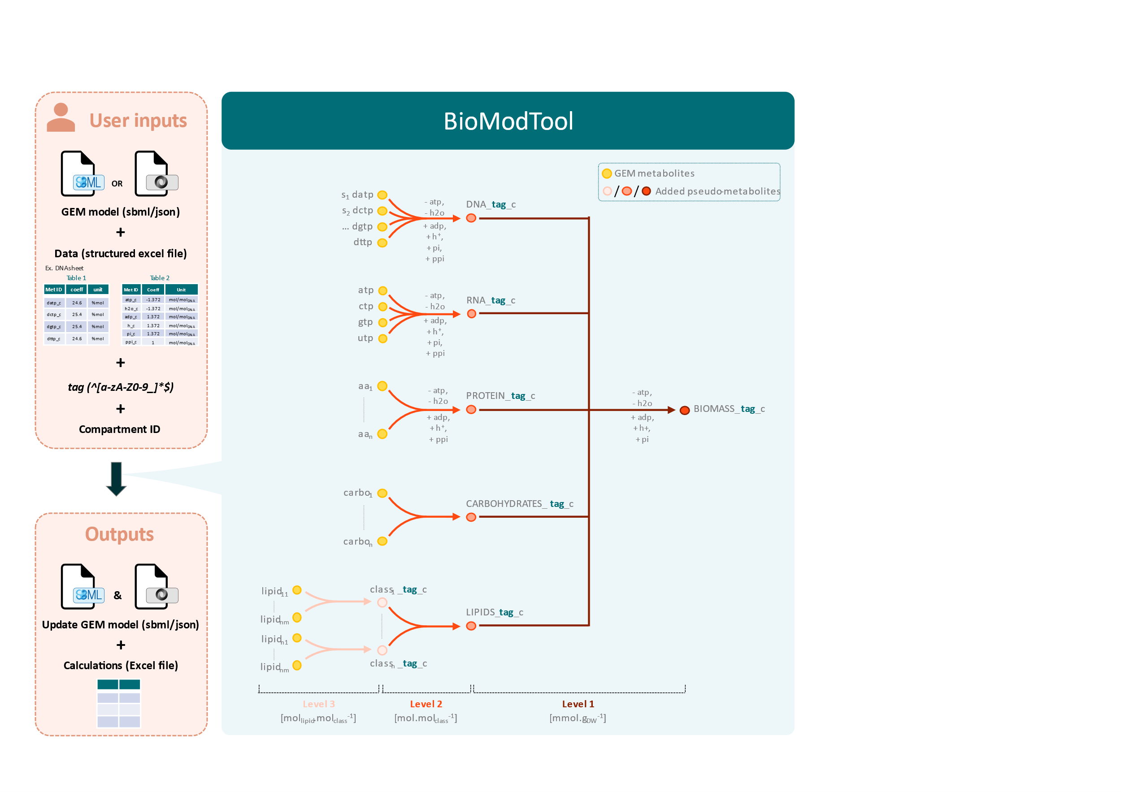

Fill excel :
/!\ Only colored cells must be modified
1. Determine the structure of the BOF and create one sheet per pseudo-reaction to be added in the BOF. Several sheets are given as examples. They can be removed, other sheets can be added followong the "new_pool" template.
2. Fill each sheet with appropriate data
Structure of the sheet must not be modified (white cells are frozen by default). User must only fill:
 | • Metabolite IDs (blue cells)
 | • Biomass composition data and unit (yellow cells)
 | • Additional informations such as full name metabolite or data sources can be indicated (grey cells)

