direct cable
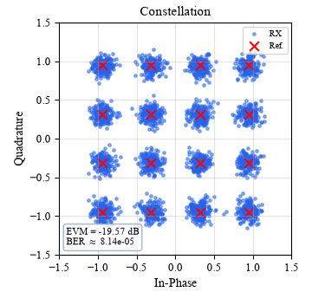

1 GB | 16QAM | EVM (dB)
 | Vpp (dBm) | DFT-s-OFDM (rho = 0.2) | LFM-QAM
 | -10 | -16 | -19
 | -8 | -18 | -20.1
 | -6 | -19.6 | -20.9
 | -4 | -21.1 | -21.4
 | -2 | -22.8 | -21.8
 | 0 | -24.2 | -22.1

Vpp (dBm)
0 | 16QAM | EVM (dB) |  | -6 | dBm
 | Symbol rate (GB) | DFT-s-OFDM (rho = 0.2) | LFM-QAM
 | 1 | -24.2 | -22.1 | -20.9
 | 2 | -21 |  | -18.9
 | 4 | -18.2 | -17.1 | -15.75
 | 8 | -14.7 | -11.8
 | 10

