6. Visualizations
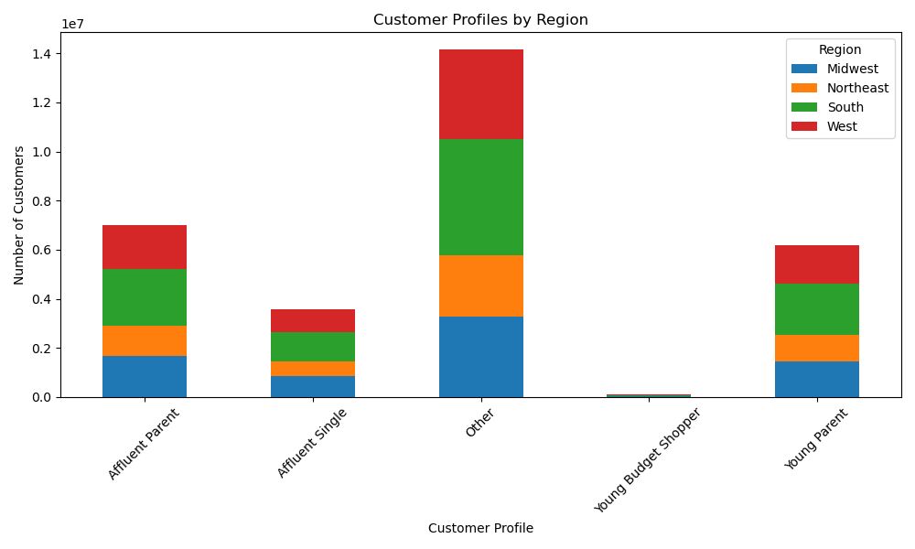
 | Title page

Insert charts (PNG files) in order:

- 1. Histogram: Order Hour of Day
 - 2. Bar Chart: Loyalty Flag
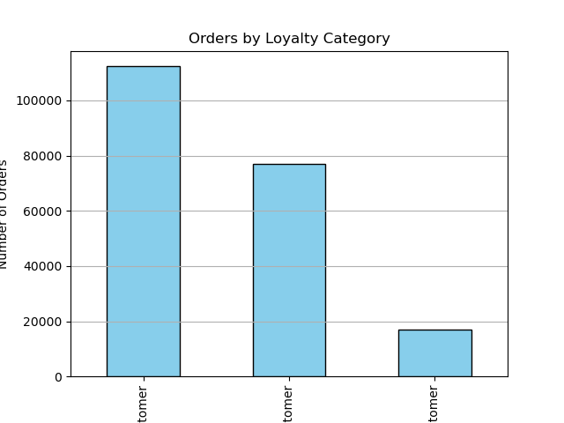 - 3. Line Chart: Age vs Dependents
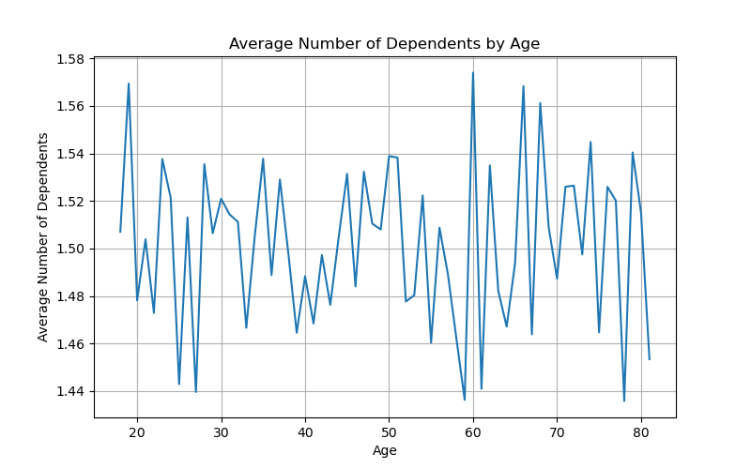 - 4. Scatterplot: Age vs Income (Sample)
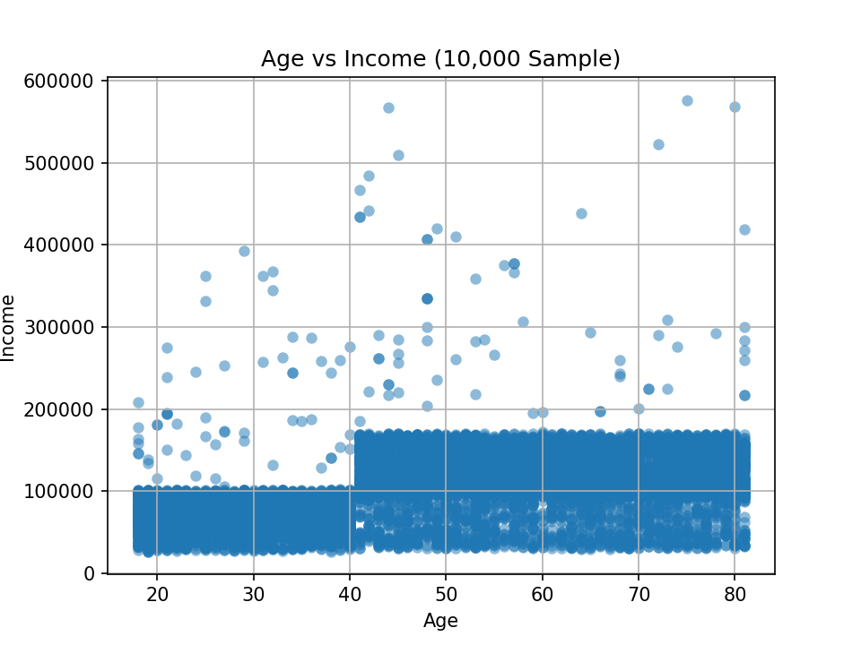 - 5. Profile Distribution
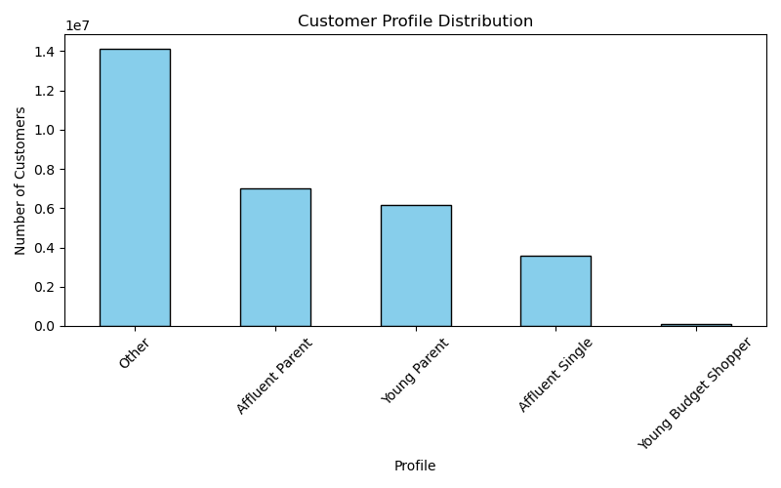 - 6. Profiles by Region (Stacked Bar)

