Keyword Analysis 1
Keyword Analysis [23 documents]

Sentence number | Keyword | Sentiment | Sentiment Score
1 | teach | neutral | 0.25
1 | vote | neutral | 0.249
2 | giuliani | neutral | -0.247
2 | FALSE | negative | -0.723
3 | pandemic | negative | -0.744
4 | close | neutral | -0.249
5 | last | neutral | -0.249
5 | dead | negative | -0.704
6 | gather | neutral | 0.25
6 | placed | neutral | 0.25
7 | transgender | neutral | -0.247
7 | military | neutral | -0.249
8 | abandoned | neutral | -0.249
9 | south | neutral | -0.249
10 | next | neutral | 0.249
10 | possible | neutral | 0.249
11 | disrupted | neutral | -0.247
11 | apparent | neutral | -0.25
12 | anonymous | neutral | -0.25

Total Keywords | 19
Positives | 0
Neutrals | 16
Negatives | 3

Word Cloud 1
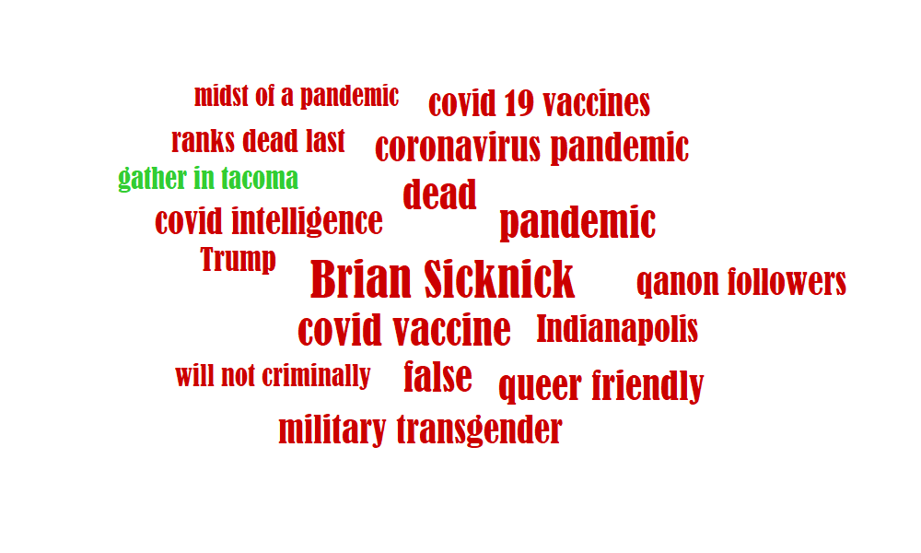

* Word size is driven by its sentiment and number of occurrences, it contains Keywords, Themes and Entities (this can be turned on/off selectively). You can also further configure the word cloud in 'Service Settings'

Summary Report 1
Summary Report [23 documents]

Sentiment | Total |  | Auto Categories [min. strength 0.30] | Total | Positives | Neutrals | Negatives | User Categories [min. strength 0.10] | Total | Positives | Neutrals | Negatives
Positive | 3 |  | Movies | 6 | 1 | 3 | 2 | Sum | 0
Neutral | 8 |  | Books & Literature | 6 | 3 | 3 | 0
Negative | 12 |  | News and Politics | 6 | 0 | 2 | 4
User Categories (NO DATA)
Sum | 23 |  | Business and Finance | 5 | 1 | 1 | 3
 |  |  | Hotels and Motels | 4 | 0 | 2 | 2
 |  |  | Food & Drink/ Alcoholic Beverages | 3 | 1 | 2 | 0
 |  |  | Technology & Computing/ Computing/ Computer Software & Applications | 2 | 0 | 1 | 1
 |  |  | Music | 2 | 1 | 0 | 1
 |  |  | Sports | 2 | 0 | 1 | 1
 |  |  | Home & Garden | 2 | 1 | 1 | 0
 |  |  | Shopping/ Gifts & Greetings Cards | 1 | 0 | 0 | 1
 |  |  | Food & Drink | 1 | 0 | 0 | 1
 |  |  | Automotive | 1 | 1 | 0 | 0
 |  |  | Sum | 41

Auto Categories

 |  |  |  |  |  |  |  | There is no User Categories data. In order to detect user defined categories, please make sure you have trained your custom classification model. This can be done under your account at https://text2data.com/Account/Manage

Thematic Analysis (all occurrences) |  |  |  | Entity Analysis (all occurrences)
gather in tacoma | positive | 0.567 |  | LOCATION | Southern California | neutral | 0.25
will not criminally | negative | -0.547 |  | ORGANIZATION | Oval Office | neutral | 0.249
midst of a pandemic | negative | -0.549 |  | LOCATION | Massachusetts | neutral | 0.248
unionization election | negative | -0.56 |  | LOCATION | Tacoma | neutral | 0.247
ranks dead last | negative | -0.573 |  | LOCATION | Bay Area | neutral | 0.212
qanon followers | negative | -0.585 |  | LOCATION | Florida | neutral | 0.186
covid 19 vaccines | negative | -0.597 |  | LOCATION | Chicago | neutral | 0.171
brian sicknick | negative | -0.616 |  | ORGANIZATION | Amazon | neutral | -0.159
covid intelligence | negative | -0.645 |  | PERSON | Cory Booker | neutral | -0.197
coronavirus pandemic | negative | -0.649 |  | ORGANIZATION | BBC News Moderna | neutral | -0.205
military transgender | negative | -0.674 |  | LOCATION | Bali | neutral | -0.205
queer friendly | negative | -0.693 |  | PERSON | GRABHER | neutral | -0.234
covid vaccine | negative | -0.749 |  | LOCATION | South River | neutral | -0.238
 |  |  |  | PERSON | Trump | negative | -0.58
 |  |  |  | PERSON | Brian Sicknick | negative | -0.616
 |  |  |  | LOCATION | Indianapolis | negative | -0.631

