Hướng dẫn
Thực hiện lần lượt từng bước sau: (Vui lòng đọc phần Lưu ý ở phía dưới)
0. Chuẩn bị dữ liệu khách hàng: Ta cần 3 trường thông tin là Họ tên, Số điện thoại và Email (có thể không cần email)
1. Nhấn vào sheet "datauser"
2. Trên thanh công cụ: Click Tiện ích -> App Script

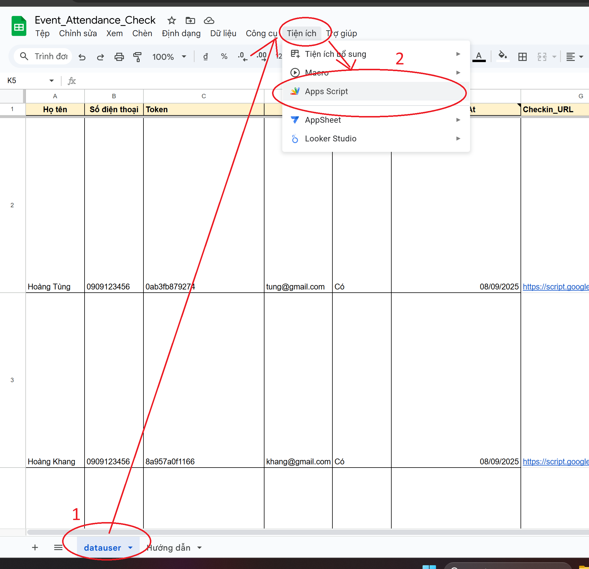

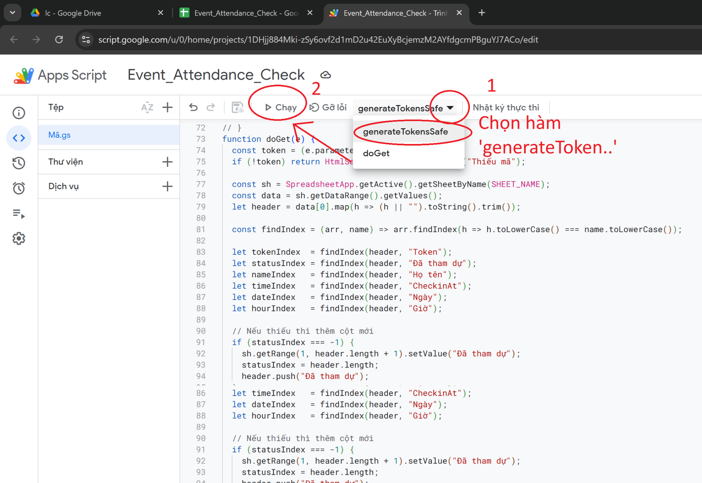
3. Trong cửa sổ App Script: chọn hàm generateTokenSafe để thực thi khởi tạo token cho từng khách -> Sau đó click Chạy để thực thi

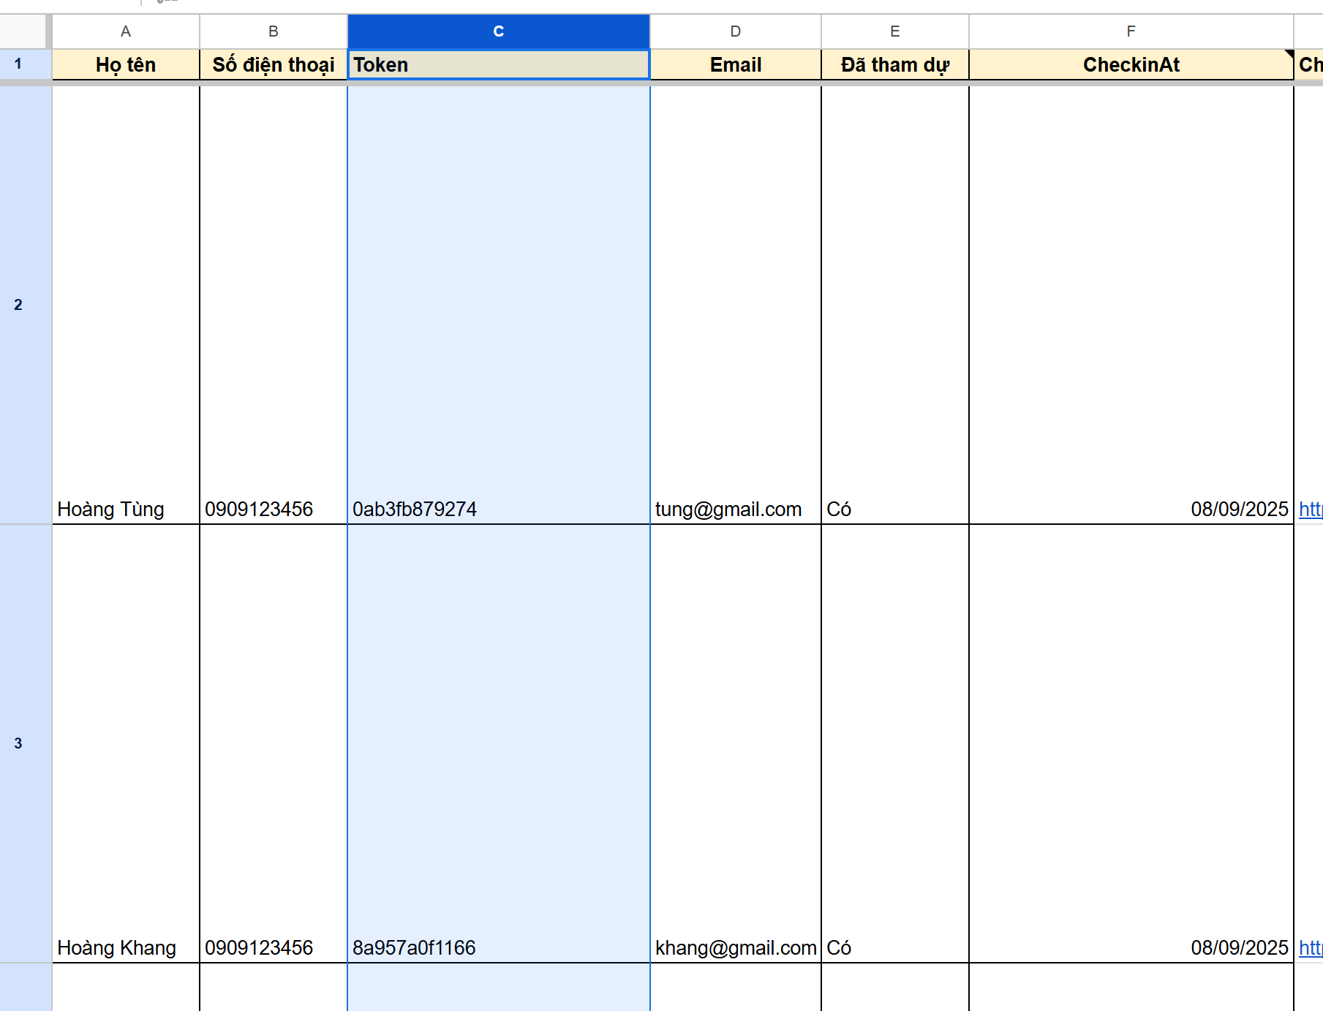
4. Quay lại cửa sổ Sheet: ta thấy cột Token (ban đầu chưa có dữ liệu), sau khi chạy hàm generateTokenSafe thì đã khởi tạo Token cho từng khách

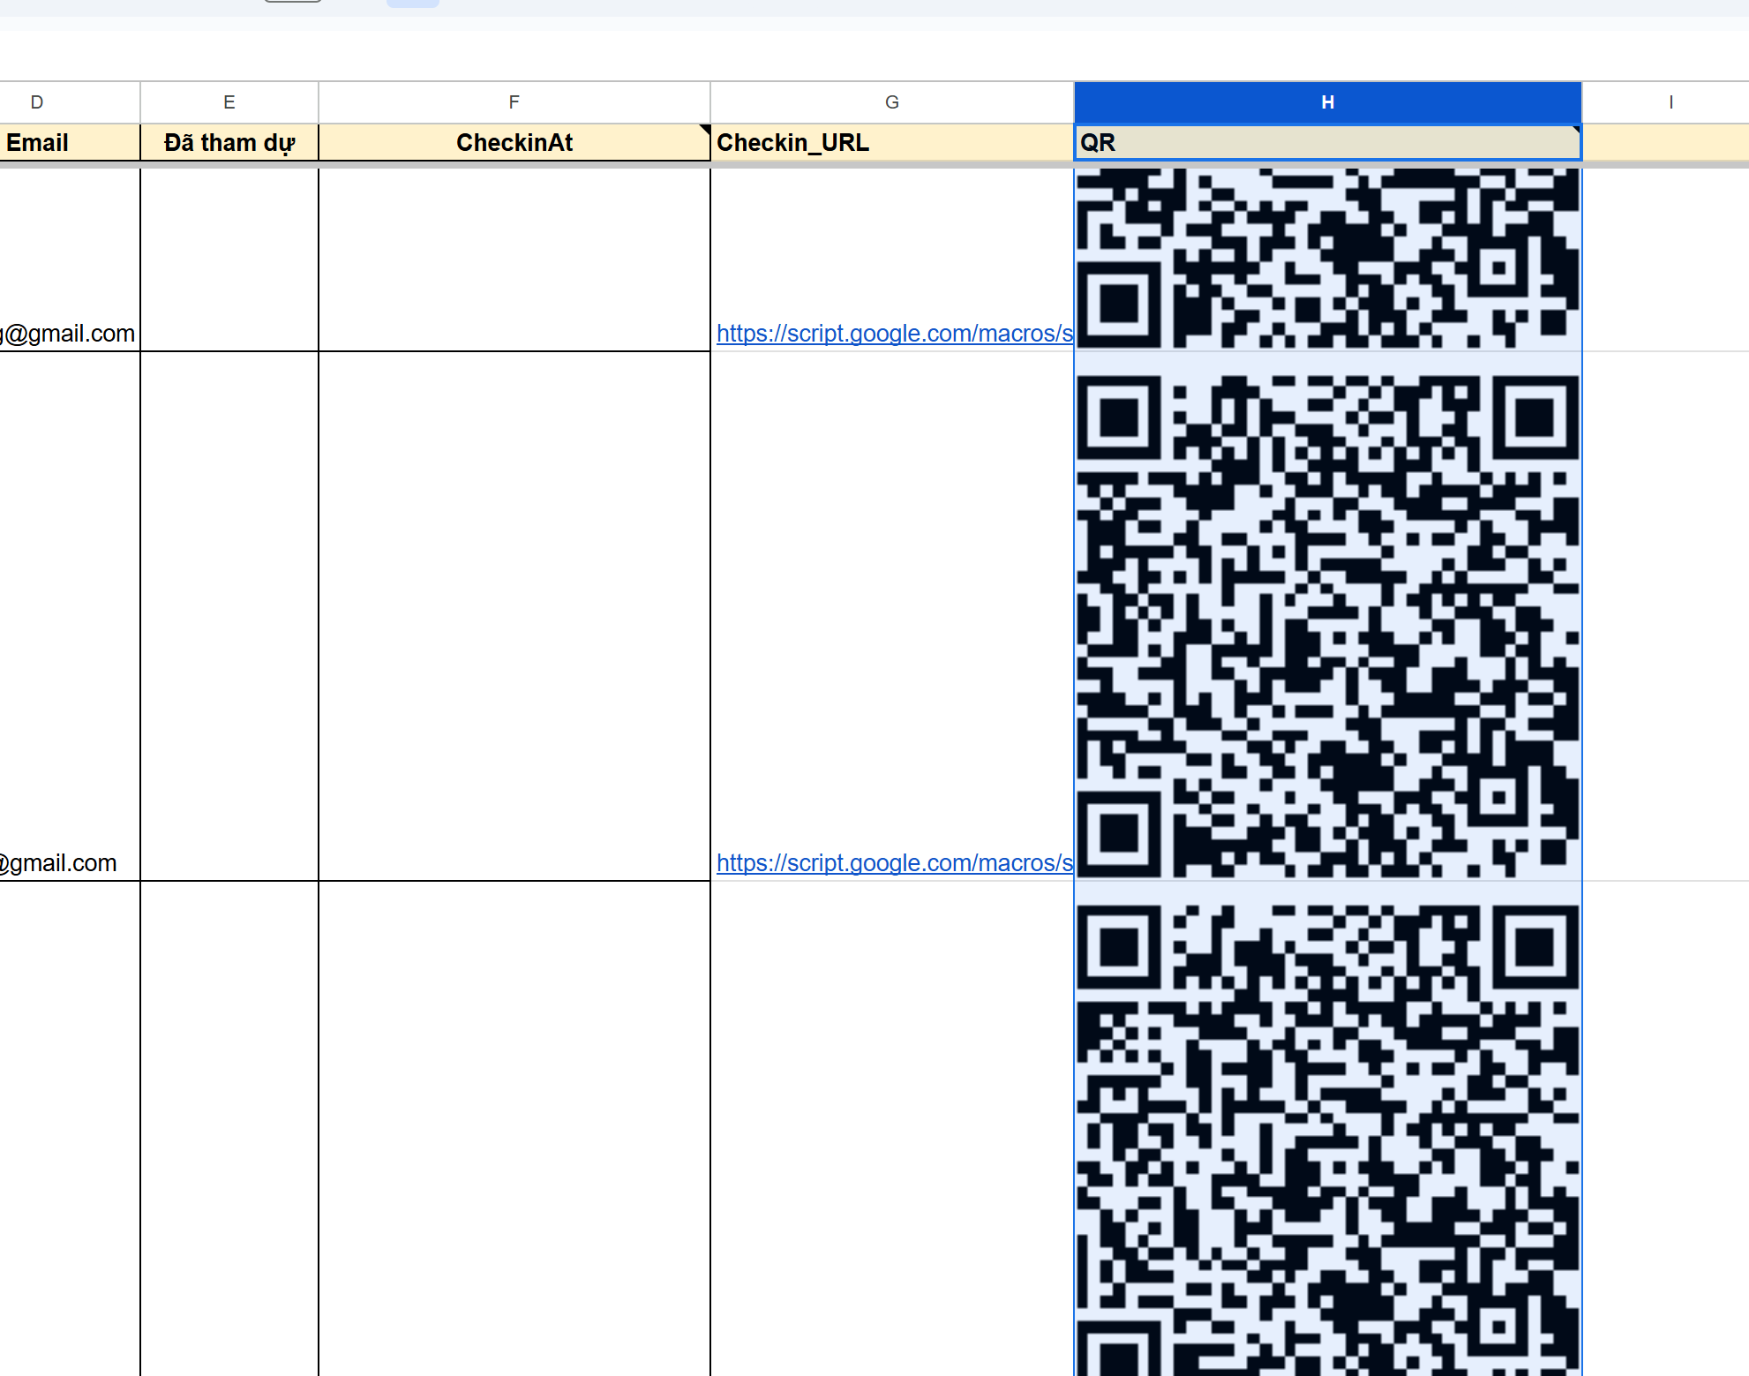
5. Đợi tầm 30 giây đến 1 phút để ở cột QR thực hiện tự động khởi tạo mã QR cho từng khách

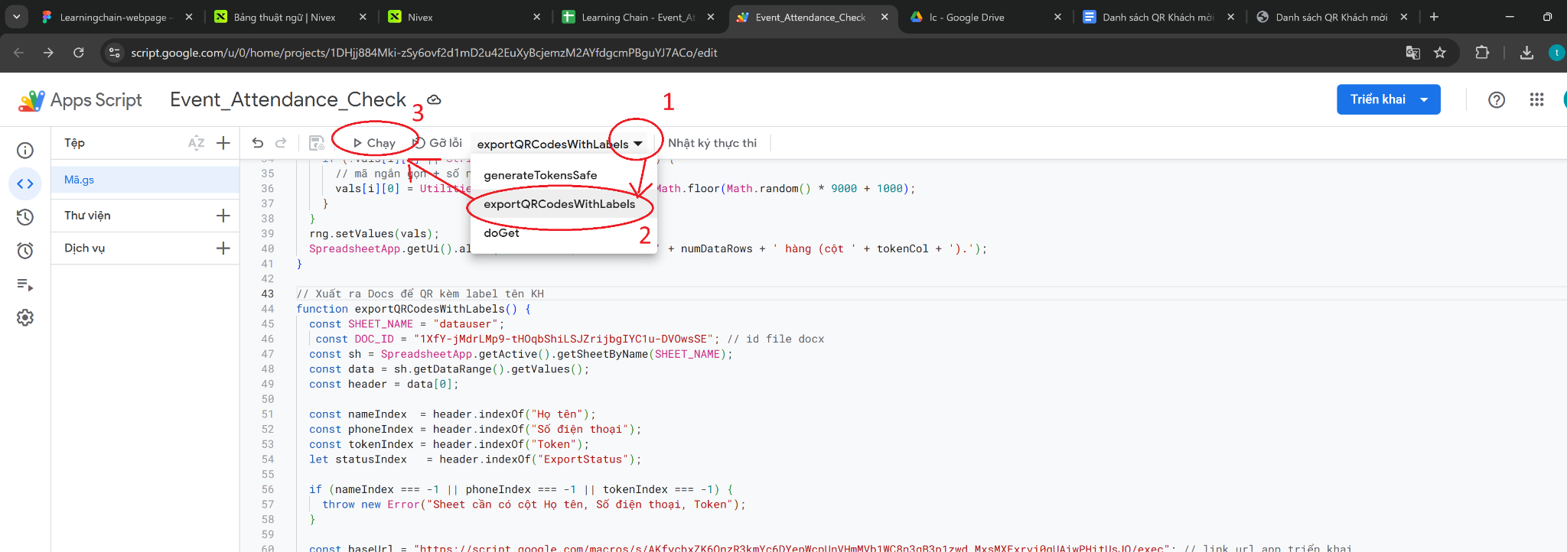
6. Tiếp tục chạy hàm exportQRCodesWithLabels để xuất QR ra file Google Docs: Sau đó code sẽ tự chạy và xuất ra file này: Danh sách QR Khách mời

Trong khi code chạy, vui lòng đợi: Với tệp dữ liệu số lượng KH lớn, thì có thể sẽ đợi tầm 10 phút

Cơ chế của hàm exportQRCodesWithLabels : Xuất toàn bộ họ tên và QR của khách theo thứ tự mỗi một khách hiển thị trong 1 trang của file Google Docs

====== TẠI THỜI ĐIỂM DIỄN RA SỰ KIỆN ========
8. Nhờ Khách tự lưu mã QR của chính người đó. Đến sự kiện: tại quầy Lễ tân > Khách đưa mã QR ra > Lễ tân quét mã > Trên cột Đã tham dự sẽ tự động điền 'Có' và trên cột CheckInAt sẽ tự động điền thời gian khách đó đã quét (click vào ô để xem full ngày và giờ)

* Lưu ý: Một mã chỉ được dùng quét 1 lần cho 1 khách, Nếu mã QR đã được quét, mà khách lại cố ý quét thêm lần nữa với chính mã QR đó:
+ Trên máy điện thoại Khách: báo lỗi 'Đã check in trước đó'
+ Trên Sheet: không bị ghi đè dữ liệu thời gian của khách, khách đã quét 1 lần thì lưu thời điểm quét lần duy nhất đó (không bị ghi đè thời gian nếu khách cố ý quét thêm bằng chính QR đó)
* Lưu ý: Vui lòng không tác động / điền tay vào các cột: Token, Đã tham dự, CheckInAt, CheckIn_URL, QR và các tiêu đề cột . Bởi vì đây là các giá trị mà code sẽ thực thi tự động, việc nhập thủ công hay chỉnh sửa vào sẽ gây ra lỗi

