investmentCosts
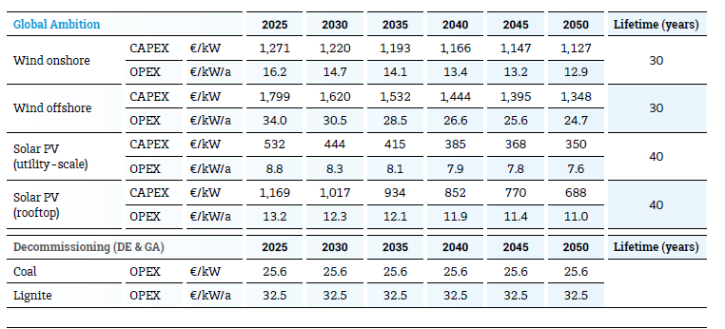
investment costs |  | millones/MW |  | EUR/MW |  |  |  | Newtraderes |  |  |  | < if there is no data for 2050, data is extrapolated |  | Irena future of wind
 | 2020 | 2030 | 2050 | 2020 | 2030 | 2050 | 2020 | 2030 | 2050 | dif2030 | dif2050
Biomass_CHP_wood_pellets_DH | 2.0 | 2.0 | #N/A | € 2,040,000 | € 2,040,000 |  |  |  |  |  |  |  | iea
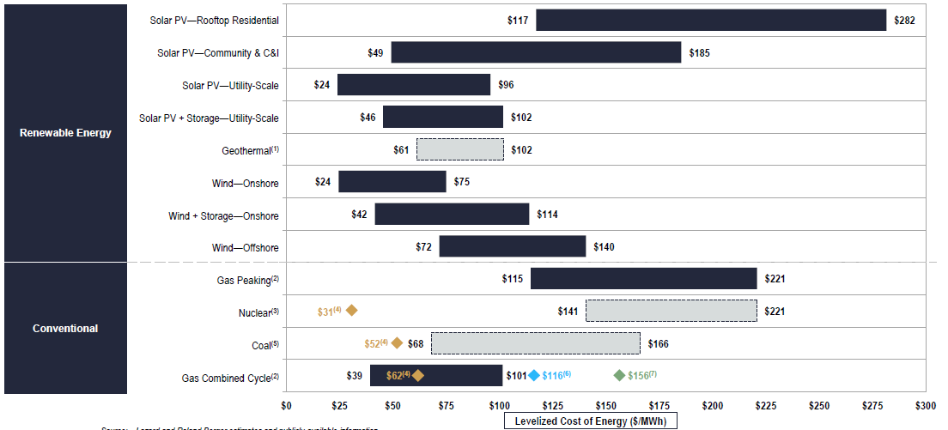
Biomass_CHP_wood_pellets_PH | #N/A | 2.9 | 2.7 |  | € 2,900,000 | € 2,700,000
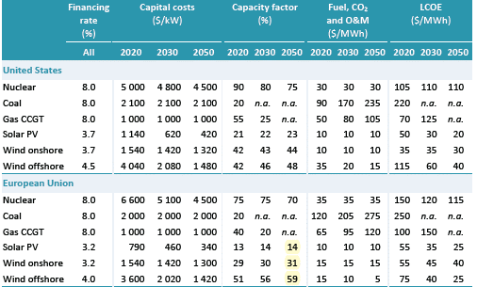
CCGT | #N/A | 0.8 | 0.8 |  | € 830,000 | € 800,000
CCGT_CHP_backpressure_DH | #N/A | 1.2 | 1.1 |  | € 1,200,000 | € 1,100,000
CCGT_CHP_backpressure_PH | #N/A | 1.2 | #N/A |  | € 1,200,000
Coal PSC | 3.8 | #N/A | #N/A | € 3,845,510
electrolyzer | #N/A | #N/A | 0.35 |  |  | € 350,000
Fuel oil PGT | 0.3 | #N/A | #N/A | € 343,000
fuel_cell | #N/A | #N/A | 0.8 |  |  | € 800,000
hydrogen_CHP | #N/A | #N/A | 0.73 |  |  | € 730,000
hydrogen_combined_cycle | #N/A | #N/A | 0.75 |  |  | € 750,000
hydrogen_turbine | #N/A | #N/A | 0.435 |  |  | € 435,000
Hydropower_reservoir_medium | #N/A | 2.7 | 2.685 |  | € 2,690,000 | € 2,685,000
Hydropower_ROR | #N/A | 3.0 | 2.97 |  | € 2,990,000 | € 2,970,000
Lignite PSC | 3.8 | #N/A | #N/A | € 3,845,510
Lithium_ion_battery | 0.3 | 0.2 | 0.06 | € 321,000 | € 160,000 | € 60,000 | 534000 | € 284,000 | € 270,000 | 124000 | 210000
Nuclear | 7.9 | 4.0 | #N/A | € 7,940,450 | € 4,000,000 |  |  | € 7,940,450 | € 6,000,000 | 3940450 | 6000000
OCGT | #N/A | 0.4 | 0.412 |  | € 435,000 | € 412,000
Pumped_hydro | 2.0 | #N/A | #N/A | € 2,000,000
PV_utility_systems | 0.6 | 0.4 | 0.3 | € 587,000 | € 380,000 | € 300,000 |  | € 380,000 | € 290,000 | 0 | -10000
WTG_offshore | 2.3 | 1.9 | 1.78 | € 2,270,000 | € 1,930,000 | € 1,780,000 |  | € 1,800,000 | € 1,640,000 | -130000 | -140000
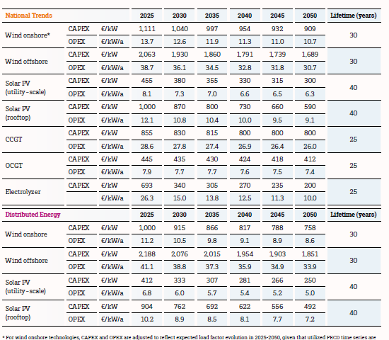
WTG_onshore | 1.2 | 1.0 | 0.96 | € 1,150,000 | € 1,040,000 | € 960,000 |  | € 1,040,000 | € 960,000
Investment costs
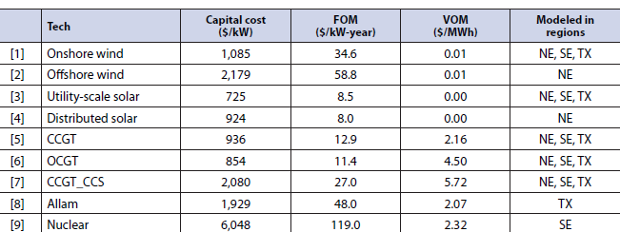
 |  |  |  |  |  |  |  |  |  |  |  |  |  |  | future of energy storage=> 2020 prices
2030 in gray, 2050 in blue | Eur/MW | Eur/MWh
Row Labels | vom_cost | fom_cost | efficiency_full_load | EnergyToPowerRatio | ChargingEfficiency | DischargingEfficiency | SelfDischargeRatePerHour
Biomass_CHP_wood_pellets_DH | 1.9 | 50000 | 0.309
CCGT | 4.2 | 27800 | 0.61 |  |  |  |  |  |  | 8760
CCGT_CHP_backpressure_DH | 4.2 | 27800 | 0.53 |  |  |  |  |  | hours | LCOE
CCGT_CHP_backpressure_PH | 4.2 | 27800 | 0.53 |  |  |  |  |  | 1489.2 | 201.45044319
CCS | 21 |  |  |  |  |  |  |  | 4380 | 406.39269406
Hydropower_reservoir_medium | 0 | 13450 | 1 |  |  |  |  |  | 3504 | 273.97260274
Hydropower_reservoir_small |  | 33550
Hydropower_ROR | 0 | 14950 | 1
Nuclear | 4 | 100000 | 0.285
OCGT | 4.5 | 7745 | 0.43
PV_utility_systems | 0 | 7250 | 1
WTG_offshore | 3 | 36053 | 1
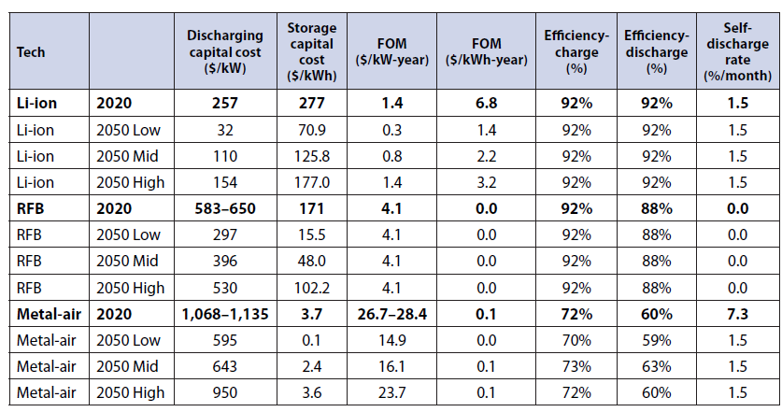
WTG_onshore | 1.35 | 12600 | 1
Lithium_ion_battery | 1.8 | 7800 | 0.9 | 5 | 0.92 | 0.92 | 0
fuel_cell |  |  | 0.5
hydrogen_CHP | 2.7 | 30000 | 0.85
hydrogen_combined_cycle | 2.7 | 11250 | 0.61
hydrogen_turbine | 1.5 | 8700 | 0.4
electrolyzer | 0 | 7000 | 0.74

