Sheet1
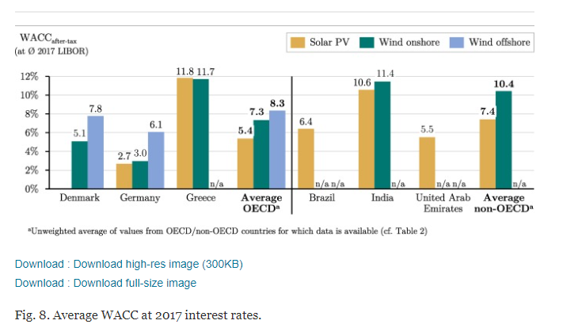
AURES renewable energy fincancing conditions
cost of debt |  |  | cost of equity |  | debt/equity
 | min | max | min | max
solar
onshore | 1.5 | 2.5 | 10 | 12 | 80/20
offshore

 |  |  |  |  | https://www-sciencedirect-com.tudelft.idm.oclc.org/science/article/pii/S0140988320301237

