npv_real
investment cost | € 100,000,000 | annuity | € 5,641,048 | with debt 10% | € 10,607,925 | Considering our way of financing > underinvestment (if debt rate is high) |  | discount rate | 0% | 5%
depreciation time | 0.3 | operating profit | € 12,000,000 |  |  |  |  | npv | € 275,812,126 | € 5,150,322
construction time | 2 |  |  |  |  |  |  | npv | € 1,229,838,405 | € 669,750,574
downpayment installment | € 10,000,000 | operating profit - annuity | € 6,358,952 |  | € 1,392,075
debt rate | 7% |  |  |  |  | old - new :
equity rate | 7% |  |  |  |  | -9.03%
equity percentage | 30% | annuity | € 6,217,920 | with debt 8%
debt percentage | 70%
wacc | 7%
 | turbine | solar | offshore

IRR | 5.18% | 7.44% | 9% |  | 9%
NPV | € -41,945,134 | € 20,735,192 | € 262,139,192 |  | € 0

 | unprofitable | profitable |  |  |  |  | projectValue = discountedOperatingProfit + discountedCapitalCosts;
-3 |  | € -525,000,000 | € -649,800,000 |  | € -
-2 | € -130,500,000 | € 41,277,023 | € -649,800,000 |  | € - |  | public TreeMap<Integer, Double> calculateSimplePowerPlantInvestmentCashFlow(int depriacationTime, int buildingTime,
-1 | € -130,500,000 | € 55,543,426 | € 113,610,981 |  | € - |  | double totalInvestment, double operatingProfit) {
0 | € 11,697,380 | € 59,537,432 | € 115,162,235 |  | € - |  | TreeMap<Integer, Double> investmentCashFlow = new TreeMap<Integer, Double>();
1 | € -60,119,620 | € 22,268,207 | € 138,265,770 |  | € - |  | double equalTotalDownPaymentInstallement = totalInvestment / buildingTime;
2 | € 220,272,380 | € 35,380,330 | € 104,636,705 |  | € - |  | for (int i = 0; i < buildingTime; i++) {
3 | € 35,498,380 | € 27,099,832 | € 168,978,063 |  | € - |  | investmentCashFlow.put(new Integer(i), -equalTotalDownPaymentInstallement);
4 | € -33,103,620 | € 40,945,538 | € 146,618,066 |  | € - |  | }
5 | € -61,219,120 | € 38,566,640 | € 179,191,003 |  | € - |  | for (int i = buildingTime; i < depriacationTime + buildingTime; i++) {
6 | € 58,683,880 | € 81,991,110 | € 138,165,216 |  | € - |  | investmentCashFlow.put(new Integer(i), operatingProfit);
7 | € 23,670,380 | € 45,643,539 | € 120,446,910 |  | € - |  | }
8 | € 31,898,880 | € 56,008,739 | € 134,115,672 |  | € -
9 | € -25,832,120 | € 50,583,251 | € 137,221,971 |  | € - |  | return investmentCashFlow;
10 | € -40,189,620 | € 25,174,598 | € 130,654,690 |  | € - |  | }
11 | € -36,633,120 | € 26,326,040 | € 125,448,314 |  | € -
12 | € -15,988,120 | € 52,644,944 | € 125,130,074 |  | € - |  | from emlab generation report
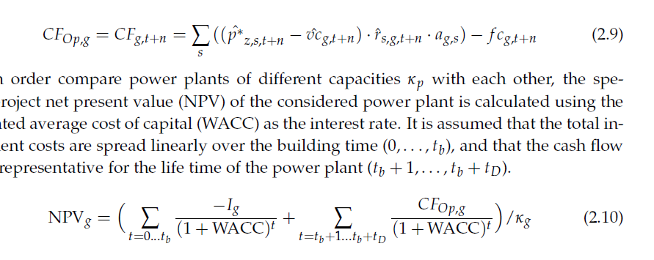
13 | € -20,275,620 | € 80,509,441 | € 137,906,155 |  | € -
14 | € 70,498,380 | € 49,049,766 | € 136,256,645 |  | € -
15 | € -6,531,120 | € 53,935,637 | € 123,629,233 |  | € -
16 | € 50,283,380 | € 50,588,420 | € 155,271,298 |  | € -
17 | € 85,127,380 | € 61,215,851 | € 131,321,747 |  | € -
18 | € -47,590,120 | € 36,409,068 | € 137,705,545 |  | € -
19 | € -64,348,120 | € 70,410,212 | € 129,279,211 |  | € -
20 | € 99,127,380 | € 57,334,002 | € 111,395,389 |  | € -
21 | € 240,218,380 | € 62,299,005 | € 113,508,918 |  | € -
22 | € -41,732,620 | € 49,096,353 | € 119,126,811 |  | € -
23 | € 63,398,880 |  | € 120,742,361 |  | € -
 |  |  | € 125,210,867 |  | € -
 |  |  | € 117,617,445 |  | € -
 |  |  | € 136,040,699 |  | € -
 |  |  | € 130,283,985 |  | € -
 |  |  | € 149,723,988 |  | € -

