FuelPriceTrends
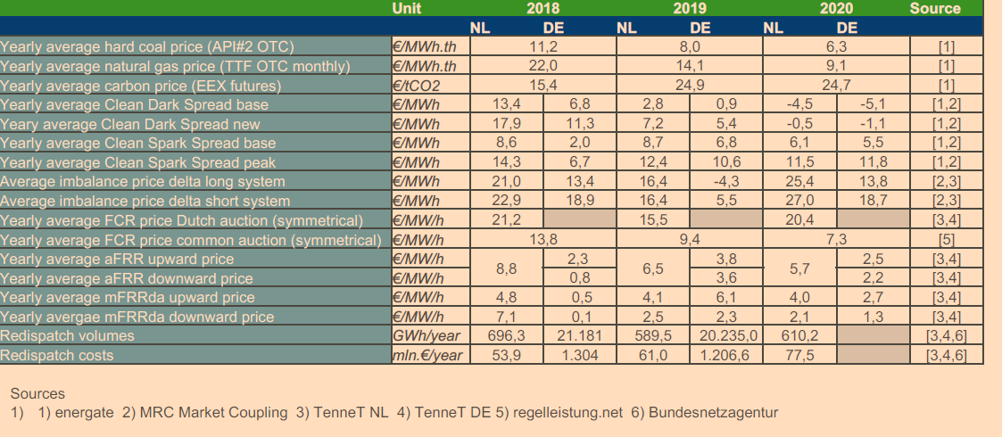
Name | Top | Max | Min | Start | Fuel
biomassTrend | 1.01 | 1.05 | 0.97 | 28.8 | Biomass | annual market update 2020
uraniumTrend | 1.01 | 1.02 | 1 | 2.808 | Nuclear
fuelOilTrend | 1.01 | 1.04 | 0.96 | 49.68 | Oil
hardCoalTrend | 1 | 1.04 | 0.79 | 7.344 | Coal
ligniteCoalTrend | 1 | 1.02 | 0.98 | 7.344 | Lignite
naturalGasTrend | 1.01 | 1.06 | 0.95 | 12.78 | Natural Gas
co2StartingPrice | 0 | 0 | 0 | 60 | CO2
derivedGasTrend | 1.01 | 1.06 | 0.95 | 12.78 | Derived Gas
freeTrend | 0 | 0 | 0 | 0 | Rese
demandGrowthTrend | 1.02 | 1.03 | 0.98 | 1 | Demand

yearlyCO2
year | NL | DE
2010 | 14 | 14 | prices 2010 -202 | https://github.com/alexanderkell/elecsim/blob/master/elecsim/data/processed/carbon_price/uk_carbon_tax_historical.csv
2011 | 13 | 13 | DE from TYNDP 2020;
2012 | 7 | 7
2013 | 5 | 5
2014 | 10 | 10
2015 | 18 | 18 | NL from COMPETES
2016 | 18 | 18 | 2019 | 1 | 22
2017 | 18 | 18 | 2020 | 2 | 22
2018 | 18 | 18 | 2021 | 3 | 45
2019 | 22 | 19.7 |  | 4 | 63
CO2 prices
2020 | 22 | 20.4 |  | 5 | 66
2021 | 45 | 21.7 |  | 6 | 70
2022 | 63 | 25.2 |  | 7 | 73
2023 | 66 | 28.7 |  | 8 | 77
2024 | 70 | 32.1 |  | 9 | 81
2025 | 73 | 35.6 |  | 10 | 85
2026 | 77 | 39.1 |  | 11 | 89
2027 | 81 | 42.6 | 2030 | 12 | 93
2028 | 85 | 46.0 |  | 13 | 98
2029 | 89 | 49.5 |  | 14 | 103
2030 | 93 | 53.0 |  | 15 | 108
2031 | 98 | 57.7 |  | 16 | 113
2032 | 103 | 62.4 |  | 17 | 119
2033 | 108 | 67.1 |  | 18 | 125
2034 | 113 | 71.8 |  | 19 | 131
2035 | 119 | 76.5 |  | 20 | 138
2036 | 125 | 81.2 |  | 21 | 145
2037 | 131 | 85.9 | 2040 | 22 | 152
2038 | 138 | 90.6 |  | 23 | 155
2039 | 145 | 95.3 |  | 24 | 160
2040 | 152 | 100.0 |  | 25 | 166
2041 | 155 | 102.0 |  | 26 | 171
2042 | 160 | 104.0 |  | 27 | 177
2043 | 166 | 106.0 |  | 28 | 182
2044 | 171 | 108.0 |  | 29 | 188
2045 | 177 | 110.0 |  | 30 | 193
2046 | 182 | 112.0 |  | 31 | 199
2047 | 188 | 114.0 | 2050 | 32 | 204
2048 | 193 | 116.0 |  | 33 | 210
2049 | 199 | 118.0 |  | 34 | 215
2050 | 204 | 120.0 |  | 35 | 221
2051 | 210 | 132.0 |  | 36 | 226
2052 | 215 | 135.6
2053 | 221 | 139.2
2054 | 226 | 142.8

Potentials
traderesTechnology | year | DE | Unit |  |  |  |  | From Traderes, but wrong. The target is higher than potential for offshore wind
WTG_onshore | DEtotal | 42 | GW |  |  |  | 42191 | 43336 | GW
WTG_offshore | DEtotal | 28 | GW |  |  |  | 27840 | 47745 | GW
PV_utility_systems | DEtotal | 797 | GW |  |  |  | 796911 | 96145 | GW_e
Biomass_CHP_wood_pellets_DH | DE2019 | 89.45 | GW
Biomass_CHP_wood_pellets_DH | DE2020 | 69.44 | GW |  |  |  |  | Type | Year | Germany | Netherlands | Unit
Biomass_CHP_wood_pellets_DH | DE2030 | 65.68 | GW | From tradeRES Scenario data corrected Transformed by Ricardo to GW with availability of 0.73 |  |  |  |  |  | DE | NL
Biomass_CHP_wood_pellets_DH | DE2040 | 64.43 | GW |  | 2019 | 17.2 | 7.66 | biomethane | 2019 | 110 | 49 | TWh
Biomass_CHP_wood_pellets_DH | DE2050 | 68.34 | GW |  | 2020 | 17.05 | 7.66 | biomethane | 2020 | 109 | 49 | TWh
WTG_onshore | NLtotal | 43 |  |  | 2030 | 17.36 | 7.66 | biomethane | 2030 | 111 | 49 | TWh
PV_utility_systems | NLtotal | 96 |  |  | 2040 | 17.67 | 7.66 | biomethane | 2040 | 113 | 49 | TWh
Biomass_CHP_wood_pellets_DH | NL2019 | 10.63 |  |  | 2050 | 18.14 | 7.66 | biomethane | 2050 | 116 | 49 | TWh
Biomass_CHP_wood_pellets_DH | NL2020 | 10.63 |  |  | 2019 | 72.25 | 2.97 | Solid Biomass | 2019 | 462 | 19 | TWh
Biomass_CHP_wood_pellets_DH | NL2030 | 11.1 |  |  | 2020 | 52.39 | 2.97 | Solid Biomass | 2020 | 335 | 19 | TWh
Biomass_CHP_wood_pellets_DH | NL2040 | 11.57 |  |  | 2030 | 48.32 | 3.44 | Solid Biomass | 2030 | 309 | 22 | TWh
Biomass_CHP_wood_pellets_DH | NL2050 | 12.04 |  |  | 2040 | 46.76 | 3.91 | Solid Biomass | 2040 | 299 | 25 | TWh
 |  |  |  |  | 2050 | 50.2 | 4.38 | Solid Biomass | 2050 | 321 | 28 | TWh

graphs
year | windonshore | windoffshore | PV
2019 | 290.5 | 1821.6 | 1724.3
2020 | 290.5 | 1821.6 | 1724.3
2021 | 290.5 | 1821.6 | 1724.3
2022 | 290.5 | 1821.6 | 1724.3
2023 | 290.5 | 1821.6 | 1724.3
2024 | 290.5 | 1821.6 | 1724.3
2025 | 290.5 | 1821.6 | 1724.3
2026 | 290.5 | 1821.6 | 1724.3
2027 | 290.5 | 1821.6 | 1724.3
2028 | 290.5 | 1821.6 | 1724.3
yearly Target investments
2029 | 290.5 | 1821.6 | 1724.3
2030 | 228.4 | 2450.0 | 3298.8
2031 | 228.4 | 2450.0 | 3298.8
2032 | 228.4 | 2450.0 | 3298.8
2033 | 228.4 | 2450.0 | 3298.8
2034 | 228.4 | 2450.0 | 3298.8
2035 | 228.4 | 2450.0 | 3298.8
2036 | 228.4 | 2450.0 | 3298.8
2037 | 228.4 | 2450.0 | 3298.8
2038 | 228.4 | 2450.0 | 3298.8
2039 | 228.4 | 2450.0 | 3298.8
2040 | 228.4 | 2450.0 | 3298.8
2041 | 228.4 | 2450.0 | 3298.8
2042 | 228.4 | 2450.0 | 3298.8
2043 | 228.4 | 2450.0 | 3298.8
2044 | 228.4 | 2450.0 | 3298.8
2045 | 228.4 | 2450.0 | 3298.8
2046 | 228.4 | 2450.0 | 3298.8
2047 | 228.4 | 2450.0 | 3298.8
2048 | 228.4 | 2450.0 | 3298.8
2049 | 228.4 | 2450.0 | 3298.8
2050 | 228.4 | 2450.0 | 3298.8

sources
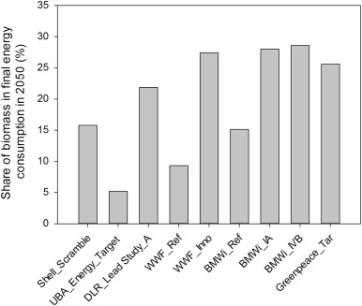
https://www.umweltbundesamt.de/sites/default/files/medien/378/publikationen/energieziel_2050_kurz.pdf
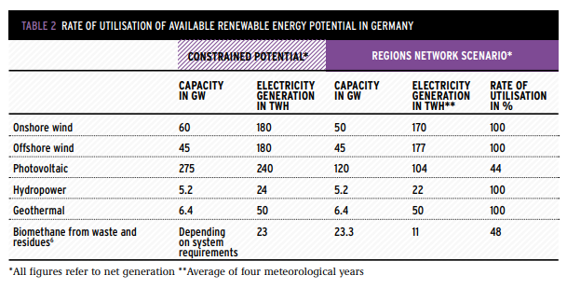

 | https://www.sciencedirect.com/science/article/pii/S1364032116002240#f0010

