yearlyLoadShifterCap
parameters | peakConsumptionInMWyearly | averagemonthlyConsumptionMWhyearly | MWh |  | this data overwrites LoadShifterCap
2020 | 3100 | 800000 | 9.60E+06 | 3097
2030 | 3676 | 1009075 | 1.21E+07 | 3294
2050 | 6155 | 3063077 | 3.68E+07 | 5972

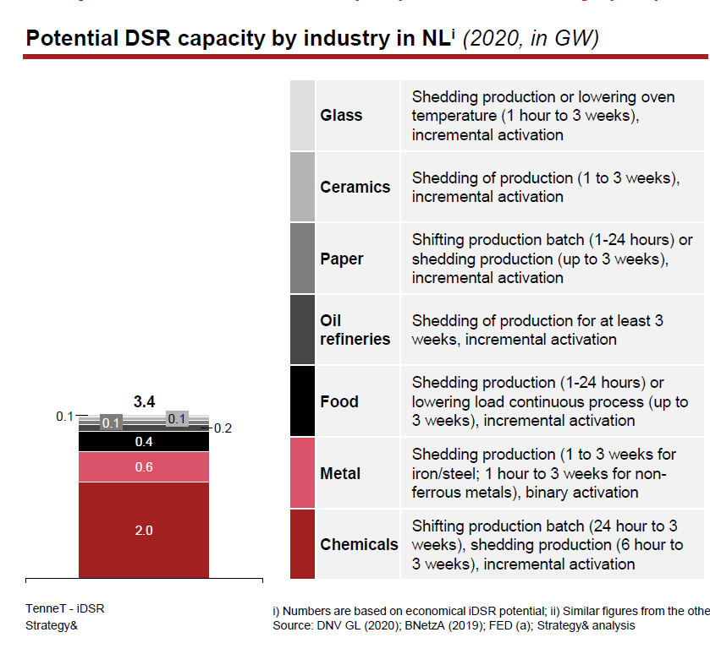
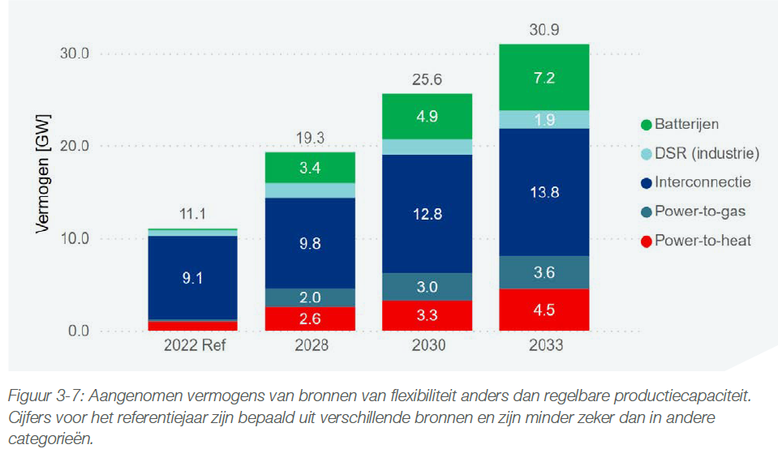

industrial heating capacity

yearlyHydrogen
year | ShedderCapacityMWyearly
2020 | 3000
2030 | 6731
2050 | 37450

electrolyzers capacity

LSyearly
percentage_load | 1 | 2 | hydrogen |  | reduction per year | year 4
2020 | 0.95 | 0.05 | - | according to ACER | 0.002 | 0.008 | 0.942
2050 | 0.89 | 0.11 | -

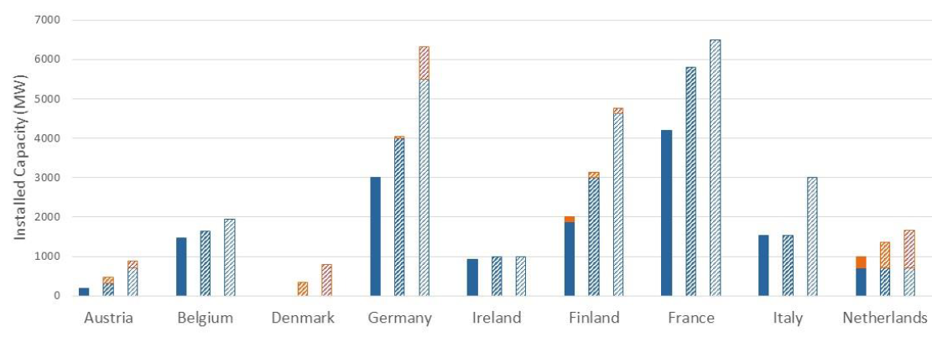

 |  |  | 4
 |  |  | 0.03

 |  | don’t change this | 1 - 3 -4-5…

TechnologyTrends
 | geometric trend | plus | minus
-1 | 0.99502487562
0 | 1
1 | 1.005 | 1.005 | 0.995
2 | 1.010025 | 1.010025 | 0.990025
3 | 1.015075125 | 1.015075125 | 0.985074875
4 | 1.0201505006 | 1.0201505006 | 0.98014950063
5 | 1.0252512531 | 1.0252512531 | 0.97524875312
6 | 1.0303775094 | 1.0303775094 | 0.97037250936
7 | 1.0355293969 | 1.0355293969 | 0.96552064681
8 | 1.0407070439 | 1.0407070439 | 0.96069304358
9 | 1.0459105791 | 1.0459105791 | 0.95588957836
10 | 1.051140132 | 1.051140132 | 0.95111013047
11 | 1.0563958327 | 1.0563958327 | 0.94635457981
geometricTrend | growthRate | growthRate | pow(1 + self.growth_rate, tick) * self.start |  |  | modifier
hydrogen OCGTFixedOperatingCostTimeSeries | 0 | 0 | <Increase of fixed operating costs after lifetime |  |  | 0.005
hydrogen CCGTFixedOperatingCostTimeSeries | 0 | 0 | ACTIVE
BiofuelFixedOperatingCostTimeSeries | 0 | 0 | #REF!
Lithium ion battery 4FixedOperatingCostTimeSeries | 0 | 0 | ACTIVE |  |  | geometric trend | plus | minus
Lithium ion batteryFixedOperatingCostTimeSeries | 0 | 0 | ACTIVE |  | -1 | 0.99502487562
NuclearFixedOperatingCostTimeSeries | 0 | 0 | ACTIVE | year | 0 | 1
Solar PV largeFixedOperatingCostTimeSeries | 0 | 0 | #REF! |  | 1 | 1.005 | 1.005 | 0.995
Solar PV rooftopFixedOperatingCostTimeSeries | 0 | 0 | #REF! |  | 2 | 1.010025 | 1.010025 | 0.990025
Wind OffshoreFixedOperatingCostTimeSeries | 0 | 0 | #REF! |  | 3 | 1.015075125 | 1.015075125 | 0.985074875
Wind OnshoreFixedOperatingCostTimeSeries | 0 | 0 | #REF! |  | 4 | 1.0201505006 | 1.0201505006 | 0.98014950063
electrolyzerFixedOperatingCostTimeSeries | 0 | 0 | #REF! |  | 5 | 1.0252512531 | 1.0252512531 | 0.97524875312
central gas boilerFixedOperatingCostTimeSeries | 0 | 0 | ACTIVE |  | 6 | 1.0303775094 | 1.0303775094 | 0.97037250936
CCGTFixedOperatingCostTimeSeries | 0 | 0 | ACTIVE |  | 7 | 1.0355293969 | 1.0355293969 | 0.96552064681
CCS gasFixedOperatingCostTimeSeries | 0 | 0 | ACTIVE |  | 8 | 1.0407070439 | 1.0407070439 | 0.96069304358
Hard CoalFixedOperatingCostTimeSeries | 0 | 0 | ACTIVE |  | 9 | 1.0459105791 | 1.0459105791 | 0.95588957836
Hydro ReservoirFixedOperatingCostTimeSeries | 0 | 0 | ACTIVE |  | 10 | 1.051140132 | 1.051140132 | 0.95111013047
hydrogen CHPFixedOperatingCostTimeSeries | 0 | 0 | ACTIVE |  | 11 | 1.0563958327 | 1.0563958327 | 0.94635457981
Hydropower RORFixedOperatingCostTimeSeries | 0 | 0 | ACTIVE
LigniteFixedOperatingCostTimeSeries | 0 | 0 | ACTIVE | OCGT |  | var | efficiency
OCGTFixedOperatingCostTimeSeries | 0 |  |  |  | 0 | 4.5 | 0.43
OilFixedOperatingCostTimeSeries | 0 | 0 | ACTIVE |  | 1 | 4.5 | 0.43
PHS DischargeFixedOperatingCostTimeSeries | 0 | 0 | ACTIVE |  | 2 | 4.5 | 0.43
GasFixedOperatingCostTimeSeries | 0 | 0 | #REF! |  | 3 | 4.5 | 0.43
hydrogen OCGTInvestmentCostTimeSeries | 0 | 0 | #REF! |  | 9 | 4.5 | 0.43
hydrogen CCGTInvestmentCostTimeSeries | 0 | 0 | #REF! |  | 26 | 4.5 | 0.43
BiofuelInvestmentCostTimeSeries | 0 | 0 | #REF!
Lithium ion battery 4InvestmentCostTimeSeries | 0 | 0 | #REF! | PV |  | var
Lithium ion batteryInvestmentCostTimeSeries | 0 | 0 | #REF! |  | 0 | 3
NuclearInvestmentCostTimeSeries | 0 | 0 | #REF! |  | 1 | 3
Solar PV largeInvestmentCostTimeSeries | 0 | 0 | #REF! |  | 2 | 3
Solar PV rooftopInvestmentCostTimeSeries | 0 | 0 | #REF! |  | 25 | 3 |  |  | 1
Wind OffshoreInvestmentCostTimeSeries | 0 | 0 | #REF!
Wind OnshoreInvestmentCostTimeSeries | 0 | 0 | #REF! |  | if the installation year is earlier than the earliest available data,
electrolyzerInvestmentCostTimeSeries | 0 | 0 | #REF! |  | then the investment cost is looked by a geometric trend, where the initial year is the earliest_investment_data_available = 2020
central gas boilerInvestmentCostTimeSeries | 0 | 0 | #REF! |  | otherwise it is looked interpolating the avialable data
CCGTInvestmentCostTimeSeries | 0 | 0 | < TECHNOLOGIES TEND TO BE MORE CHEAPER
CCS gasInvestmentCostTimeSeries | 0 | 0 | < must be negative. As technologies use to get cheaper
Hard CoalInvestmentCostTimeSeries | 0 | 0
Hydro ReservoirInvestmentCostTimeSeries | 0 | 0
hydrogen CHPInvestmentCostTimeSeries | 0
Hydropower RORInvestmentCostTimeSeries | 0 | 0
LigniteInvestmentCostTimeSeries | 0 | 0
OCGTInvestmentCostTimeSeries | 0 | 0
OilInvestmentCostTimeSeries | 0 | 0
PHS DischargeInvestmentCostTimeSeries | 0 | 0
GasInvestmentCostTimeSeries | 0 | 0
hydrogen OCGTVariableCostTimeSeries | 0.001 | 0
hydrogen CCGTVariableCostTimeSeries | 0.001 | 0
BiofuelVariableCostTimeSeries | 0.001 | 0
Lithium ion battery 4VariableCostTimeSeries | 0.001 | 0
Lithium ion batteryVariableCostTimeSeries | 0.001 | 0
NuclearVariableCostTimeSeries | 0.001 | 0
Solar PV largeVariableCostTimeSeries | 0.001 | 0
Solar PV rooftopVariableCostTimeSeries | 0.001 | 0
Wind OffshoreVariableCostTimeSeries | 0.001 | 0
Wind OnshoreVariableCostTimeSeries | 0.001 | 0
electrolyzerVariableCostTimeSeries | 0.001 | 0
central gas boilerVariableCostTimeSeries | 0.001 | 0
CCGTVariableCostTimeSeries | 0.001 | 0
CCS gasVariableCostTimeSeries | 0.001
Hard CoalVariableCostTimeSeries | 0.001 | 0
Hydro ReservoirVariableCostTimeSeries | 0.001 | 0
hydrogen CHPVariableCostTimeSeries | 0.001 | 0
Hydropower RORVariableCostTimeSeries | 0.001 | -0.005 | < must be negative. As efficiency tend to decrease
LigniteVariableCostTimeSeries | 0.001 | -0.005
OCGTVariableCostTimeSeries | 0.001 | -0.005
OilVariableCostTimeSeries | 0.001 | -0.005
PHS DischargeVariableCostTimeSeries | 0.001
GasVariableCostTimeSeries | 0.001
hydrogen OCGTEfficiencyTimeSeries | 0
hydrogen CCGTEfficiencyTimeSeries | 0
BiofuelEfficiencyTimeSeries | 0
Lithium ion battery 4EfficiencyTimeSeries | 0
Lithium ion batteryEfficiencyTimeSeries | 0
NuclearEfficiencyTimeSeries | 0
Solar PV largeEfficiencyTimeSeries | 0
Solar PV rooftopEfficiencyTimeSeries | 0
Wind OffshoreEfficiencyTimeSeries | 0
Wind OnshoreEfficiencyTimeSeries | 0
electrolyzerEfficiencyTimeSeries | 0
central gas boilerEfficiencyTimeSeries | 0
CCGTEfficiencyTimeSeries | 0
CCS gasEfficiencyTimeSeries | 0
Hard CoalEfficiencyTimeSeries | 0
Hydro ReservoirEfficiencyTimeSeries | 0
hydrogen CHPEfficiencyTimeSeries | 0
Hydropower ROREfficiencyTimeSeries | 0
LigniteEfficiencyTimeSeries | 0
OCGTEfficiencyTimeSeries | 0
OilEfficiencyTimeSeries | 0
PHS DischargeEfficiencyTimeSeries | 0
GasEfficiencyTimeSeries | 0

Sheet1
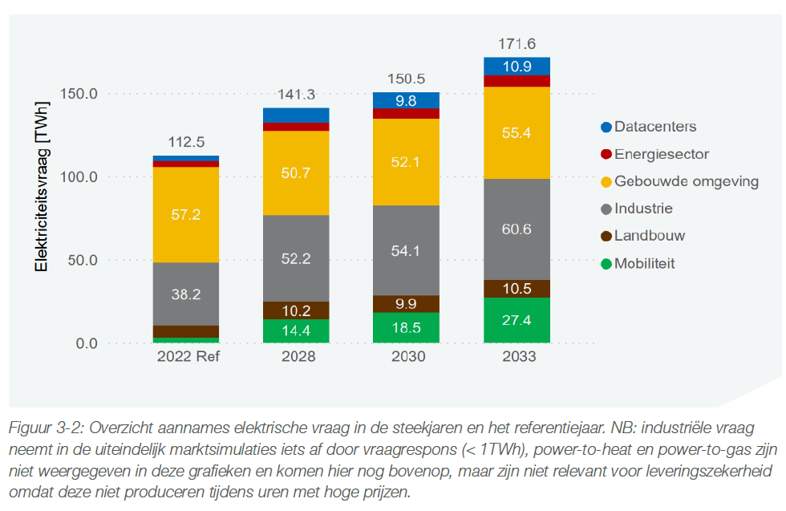
resource adequacy netherlands 2024

VOLLs
 | cummulative | VOLL original | Percentage | weighted average |  |  | VOLL simplified | percentage load | load_unsheddable | cummulative | divided by 10 |  | real VOLL/25 |  |  |  | de nooij |  | inflation adjusted |  |  | source |  |  | Eur/kwh
transport | 4 | 105914 | 4 | 4237 | 4000 | public sector and transport | 102043 | 13 | 0.14606741573 | 13 | 10204 | 4000 | 4082 |  |  |  | government | 33500 | 50250 |  |  | CMR regulation | 2017 | Belgium | 23,3
public sector | 13 | 100323 | 9 | 9029 | 3999 | commercial and service sector | 84942 | 13 | 0.14606741573 | 26 | 8494 | 4000 | 3398 |  |  |  | manufacturing | 18700 | 28050
commercial and service sector | 26 | 84942 | 13 | 11042 |  | industry | 63490 | 33 | 0.37078651685 | 59 | 6349 | 4000 | 2540 |  |  |  | household | 16380 | 24570
industry, lasrge scale,non energy intensive | 31 | 73186 | 5 | 3659 |  | household other | 42700 | 9 | 0.10112359551 | 68 | 4270 | 4000 | 1708 |  |  |  | services | 12420 | 18630
industry, lasrge scale, energy intensive | 59 | 61758 | 28 | 17292 |  | household city center | 32723 | 21 | 0.23595505618 | 89 | 3272 | 3272 | 1309 |  |  |  |  |  | 30375
household other | 68 | 42700 | 9 | 3843 |  | household feed in areas | 30429 | 8 | 8 | 97 | 3043 | 3043 | 1217
household city center | 89 | 32723 | 21 | 6872 |  | industrySME | 19785 | 3 | 3 | 100 | 1979 | 1979 | 791
household feed in areas | 97 | 30429 | 8 | 2434 |  |  | Eur/mwh |  |  |  |  |  | divided by 25 (real) |  |  |  |  | cummulative | ecorys | Percentage | Nooij ecorys average
industrySME | 100 | 19785 | 3 | 594 |  |  |  |  |  |  |  |  |  |  |  |  | transport | 4 | 105914 | 4 | 78082
 |  |  |  | 59002 |  |  | Eur/mw |  |  |  |  |  |  |  |  |  | public sector | 13 | 100323 | 9 | 75286.5
 |  |  |  |  |  |  |  |  |  |  |  |  |  |  |  |  | commercial and service sector | 26 | 84942 | 13 | 56496
 |  |  |  |  |  |  |  |  |  |  | 1.4719253099 |  |  | old VOLL |  |  | industry,non energy intensive | 31 | 73186 | 5 | 50618
Group of consumers were asked for their willingness to pay of consumers for not being curtailed one hour. |  |  |  |  |  |  |  |  |  |  |  | 80 | 80 | 4000 |  |  | industry, energy intensive | 59 | 61758 | 28 | 44904
 |  |  |  |  |  |  |  |  |  |  |  | 10 | 90 | 1500 |  |  | household other | 68 | 42700 | 9 | 33635
the interviews were done during times of high electricity prices. And it refers to the |  |  |  |  |  |  |  |  |  |  |  | 5 | 95 | 500 |  |  | household city center | 89 | 32723 | 21 | 28647
 |  |  |  |  |  |  |  |  |  |  |  | 5 | 100 | 250 |  |  | household feed in areas | 97 | 30429 | 8 | 27500
 |  |  |  |  |  |  |  |  |  |  |  |  |  |  |  |  | industrySME | 100 | 19785 | 3 | 19208

 |  |  |  |  |  |  |  |  |  |  |  |  | 0 | 4000
 |  |  |  |  |  |  |  |  |  |  |  | 80 | 80 | 4000 | subscribed
 |  |  |  |  |  |  |  |  |  |  |  |  | 80 | 1500
 |  |  |  |  |  |  |  |  |  |  |  | 20 | 90 | 1500 | unsubscribed
 |  |  |  |  |  |  |  |  |  |  |  | 5 | 95 | 500
 |  |  |  |  |  |  |  |  |  |  |  | 5 | 100 | 250

 |  |  |  |  |  |  |  |  |  |  |  |  |  |  |  |  |  |  |  | VOLL | Share volume
how it was | percentage load | wholesale market VOLL Eur/MWh | capacity market VOLL | shortages LOLE | cost of non supplied |  |  |  |  |  |  |  |  | percentage | cummulative | VOLL |  |  | transport | 78082 | 4
subscribed1 | 35 | 4000 | 100000 | 0 | 0 |  |  |  |  |  |  |  |  | 80 | 80 | 4000 | subscribed |  | public sector | 75286.5 | 9
subscribed2 | 35 | 3400 | 85000 | 0 | 0 |  |  |  |  |  |  |  |  | 20 | 90 | 1500 | unsubscribed |  | commercial and service sector | 56496 | 13
unsubscribed1 | 10 | 1700 | 42500 | 5 | 212500 |  |  |  |  |  |  |  |  | 5 | 95 | 500 |  |  | industry,non energy intensive | 50618 | 5
unsubscribed2 | 10 | 1200 | 30000 | 10 | 300000 |  |  |  |  |  |  |  |  | 5 | 100 | 250 |  |  | industry, energy intensive | 44904 | 28
unsubscribed3 | 10 | 700 | 17500 | 20 | 350000 |  |  |  |  |  |  |  |  |  |  |  |  |  | household other | 33635 | 9
 |  |  |  |  |  |  |  |  |  |  |  |  |  |  |  |  |  |  | household city center | 28646.5 | 21
how will change | percentage load | wholesale market VOLL Eur/MWh | capacity market VOLL | shortages LOLE | cost of non supplied |  |  |  |  |  |  |  |  |  |  |  |  |  | household feed in areas | 27499.5 | 8
subscribed1 | 35 | 4000 | 100000 | 0 | 0 |  |  |  |  |  |  |  |  |  |  |  |  |  | industrySME | 19207.5 | 3
subscribed2 | 35 | 4000 | 85000 | 0 | 0 |  | percentage load | VOLL |  | VOLL *0.04
unsubscribed1 | 10 | 3999 | 42500 | 10 | 425000 | public sector and transport | 13 | 102043 | 1326563 | 4082
unsubscribed2 | 10 | 3999 | 30000 | 10 | 300000 | commercial and service sector | 13 | 84942 | 1104246 | 3398
unsubscribed3 | 10 | 3999 | 17500 | 10 | 175000 | industry | 33 | 63490 | 2095154 | 2540
 |  |  |  |  |  | household other | 9 | 42700 | 384300 | 1708
 |  |  |  |  |  | household city center | 21 | 32723 | 687183 | 1309
 |  |  |  |  |  | household feed in areas | 8 | 30429 | 243432 | 1217
 |  |  |  |  |  | industrySME | 3 | 19785 | 59355 | 791
 |  |  |  |  |  |  |  | weighted average | 59002

 |  |  |  |  |  |  | 11 | 1500 | 16500
 |  |  |  |  |  |  |  | weighted average | 56139
 |  |  |  |  |  |  |  | VOLL
 |  |  |  |  |  |  |  | CONE | 49877
 |  |  |  |  |  |  |  | RS | 0.84533949761

yearlytechnologyPotentials2
traderesTechnology | Country | parameter | year | MW
Biomass_CHP_wood_pellets_DH | NL | yearlyPotential | 2019 | 10630
Biomass_CHP_wood_pellets_DH | NL | yearlyPotential | 2020 | 10630
Biomass_CHP_wood_pellets_DH | NL | yearlyPotential | 2030 | 11100
Biomass_CHP_wood_pellets_DH | NL | yearlyPotential | 2040 | 11570
Biomass_CHP_wood_pellets_DH | NL | yearlyPotential | 2050 | 12040 |  |  |  |  | Type | Year | Germany | Netherlands | Unit
Biomass_CHP_wood_pellets_DH | DE | yearlyPotential | 2019 | 89450 | From tradeRES Scenario data corrected Transformed by Ricardo to GW with availability of 0.73 |  | DE | NL |  |  | DE | NL
Biomass_CHP_wood_pellets_DH | DE | yearlyPotential | 2020 | 69440 |  | 2019 | 17.2 | 7.66 | biomethane | 2019 | 110 | 49 | TWh
Biomass_CHP_wood_pellets_DH | DE | yearlyPotential | 2030 | 65680 |  | 2020 | 17.05 | 7.66 | biomethane | 2020 | 109 | 49 | TWh
Biomass_CHP_wood_pellets_DH | DE | yearlyPotential | 2040 | 64430 |  | 2030 | 17.36 | 7.66 | biomethane | 2030 | 111 | 49 | TWh
Biomass_CHP_wood_pellets_DH | DE | yearlyPotential | 2050 | 68340 |  | 2040 | 17.67 | 7.66 | biomethane | 2040 | 113 | 49 | TWh
 |  |  |  |  |  | 2050 | 18.14 | 7.66 | biomethane | 2050 | 116 | 49 | TWh
 |  |  |  |  |  | 2019 | 72.25 | 2.97 | Solid Biomass | 2019 | 462 | 19 | TWh
 |  |  |  |  |  | 2020 | 52.39 | 2.97 | Solid Biomass | 2020 | 335 | 19 | TWh
 |  |  |  |  |  | 2030 | 48.32 | 3.44 | Solid Biomass | 2030 | 309 | 22 | TWh
 |  |  |  |  |  | 2040 | 46.76 | 3.91 | Solid Biomass | 2040 | 299 | 25 | TWh
 |  |  |  |  |  | 2050 | 50.2 | 4.38 | Solid Biomass | 2050 | 321 | 28 | TWh

graphs
year | windonshore | windoffshore | PV
2019 | 290.5 | 1821.6 | 1724.3
2020 | 290.5 | 1821.6 | 1724.3
2021 | 290.5 | 1821.6 | 1724.3
2022 | 290.5 | 1821.6 | 1724.3
2023 | 290.5 | 1821.6 | 1724.3
2024 | 290.5 | 1821.6 | 1724.3
2025 | 290.5 | 1821.6 | 1724.3
2026 | 290.5 | 1821.6 | 1724.3
2027 | 290.5 | 1821.6 | 1724.3
2028 | 290.5 | 1821.6 | 1724.3
yearly Target investments
2029 | 290.5 | 1821.6 | 1724.3
2030 | 228.4 | 2450.0 | 3298.8
2031 | 228.4 | 2450.0 | 3298.8
2032 | 228.4 | 2450.0 | 3298.8
2033 | 228.4 | 2450.0 | 3298.8
2034 | 228.4 | 2450.0 | 3298.8
2035 | 228.4 | 2450.0 | 3298.8
2036 | 228.4 | 2450.0 | 3298.8
2037 | 228.4 | 2450.0 | 3298.8
2038 | 228.4 | 2450.0 | 3298.8
2039 | 228.4 | 2450.0 | 3298.8
2040 | 228.4 | 2450.0 | 3298.8
2041 | 228.4 | 2450.0 | 3298.8
2042 | 228.4 | 2450.0 | 3298.8
2043 | 228.4 | 2450.0 | 3298.8
2044 | 228.4 | 2450.0 | 3298.8
2045 | 228.4 | 2450.0 | 3298.8
2046 | 228.4 | 2450.0 | 3298.8
2047 | 228.4 | 2450.0 | 3298.8
2048 | 228.4 | 2450.0 | 3298.8
2049 | 228.4 | 2450.0 | 3298.8
2050 | 228.4 | 2450.0 | 3298.8

sources
https://www.umweltbundesamt.de/sites/default/files/medien/378/publikationen/energieziel_2050_kurz.pdf
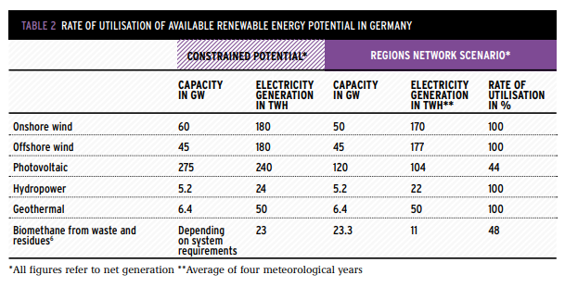

 | https://www.sciencedirect.com/science/article/pii/S1364032116002240#f0010
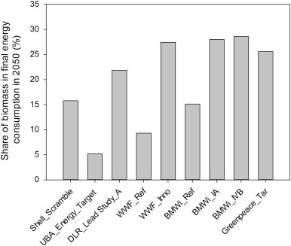

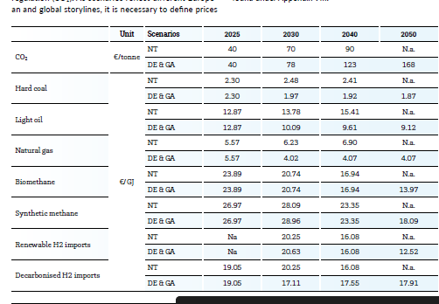

 |  |  | 2030 | 2040 | 2050
 |  | RE H2 imports eur/mwh | 21 | 16 | 13
 |  | RE H2 imports eur/mwh | 74 | 58 | 45

 |  | < Benjamin lux study said 81 eur/mwh from outside europe. COMPETES 84 eur/mwh

 |  | old prices | 2020 | 2030 | 2050
 |  | heavy_oil | 21.175 | 40.68 | 79.69
 |  | hydrogen | 74.965 | 65 | 45.07
 |  | light_oil | 46.44 | 36.324 | 32.832
 |  | lignite | 6.48 | 6.48 | 6.48
 |  | LNG | 16.717 | 26.81 | 46.996
 |  | natural_gas | 13.4 | 14.65 | 42.74
 |  | nuclear | 1.69 | 1.69 | 1.69
 |  | oil_shale | 4.536 | 6.696 | 14.148
 |  | hard_coal | 10.8 | 7.092 | 6.732
 |  | processing_residues | 7.5 | 7.5 | 7.5
 |  | wood_pellets | 45 | 45 | 45
 |  | bioliquids | 82.5 | 82.5 | 82.5
 |  | biomethane | 86.845 | 74.66 | 50.29
 |  | collectable_residues | 15 | 15 | 15

