fuelprices
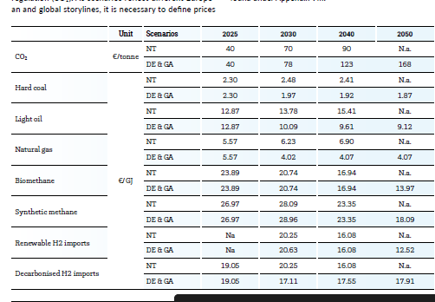
 | 2020 | 2030 | 2050 |  | old
bioliquids | 82.5 | 82.5 | 82.5 | bioliquids | 82.5 | 82.5 | 82.5
biomethane | 86 | 74.66 | 50.29 | biomethane | 86.845 | 74.66 | 50.29
CO2 | 163 |  | 168 | CO2 | 0 |  | 200
collectable_residues | 15 | 15 | 15 | collectable_residues | 15 | 15 | 15
electricity |  |  | 1 | electricity | 1 |  | 1
hard_coal | 8.28 | 7.09 | 6.73 | hard_coal | 10.8 | 7.092 | 6.732
heavy_oil | 21.175 | 40.68 | 79.69 | heavy_oil | 21.175 | 40.68 | 79.69
hydrogen | 68.58 | 61.6 | 64.48 | hydrogen | 74.965 | 65 | 80
light_oil | 46.33 | 36.32 | 32.83 | light_oil | 46.44 | 36.324 | 32.832
lignite | 6.48 | 6.48 | 6.48 | lignite | 6.48 | 6.48 | 6.48
LNG | 16.717 | 26.81 | 46.996 | LNG | 16.717 | 26.81 | 46.996
natural_gas | 20.05 | 14.47 | 14.65 | natural_gas | 13.4 | 14.65 | 42
nuclear | 1.69 | 1.69 | 1.69 | nuclear | 1.69 | 1.69 | 1.69
oil_shale | 4.536 | 6.696 | 14.148 | oil_shale | 4.536 | 6.696 | 14.148
processing_residues | 7.5 | 7.5 | 7.5 | processing_residues | 7.5 | 7.5 | 7.5
wood_pellets | 45 | 45 | 35 | wood_pellets | 45 | 45 | 35

 |  |  |  |  |  |  |  |  | 1 mwh = 3.6Gj
 |  |  |  |  |  |  |  |  | 17.91 | E/gj
 |  |  |  |  |  |  |  |  | 64.476 | E/MWh
 |  |  |  |  |  |  |  | entsoe
 |  |  |  |  |  |  |  |  |  |  | 2030 | 2040 | 2050
 |  |  |  |  |  |  |  |  | renewable H2 imports |  | 20.6 | 16.1 | 12.5
 |  |  |  |  |  |  |  |  |  |  | 74.3 | 57.9 | 45.1
 |  |  |  |  |  |  |  |  | decarbonize H2 imports |  | 17.1 | 17.6 | 17.9
 |  |  |  |  |  |  |  |  |  |  | 61.6 | 63.2 | 64.5

 |  |  |  |  |  |  |  | aurora
 |  |  |  |  |  |  |  |  | dutch renewable |  | 5.0 | 3.9 | 2.4 | eur/ton
 |  |  |  |  |  |  |  |  |  |  | 248 | 193 | 119 | eur/mwh
 |  |  |  |  |  |  |  |  | but there are imports - > so shouls be cheaper

investmentCosts
investment costs |  | millones/MW |  | Old prices / traderes |  |  |  |  |  |  | < if there is no data for 2050, data is extrapolated |  | Irena future of wind
 | 2020 | 2030 | 2050 | 2020 | 2030 | 2050 | new - old 2020 | new - old 2030 | new - old 2050
Biomass_CHP_wood_pellets_DH | € 2,040,000 | € 2,040,000 |  | € 2,040,000 | € 2,040,000 |  | € - | € - | € - |  |  | iea
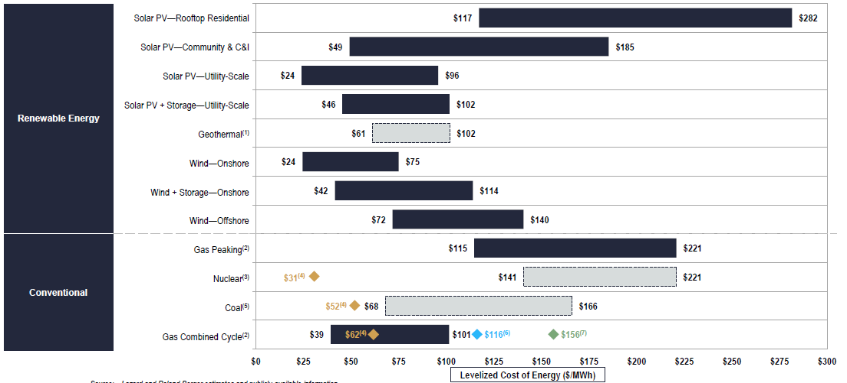
Biomass_CHP_wood_pellets_PH |  | € 2,900,000 | € 2,700,000 |  | € 2,900,000 | € 2,700,000 | € - | € - | € -
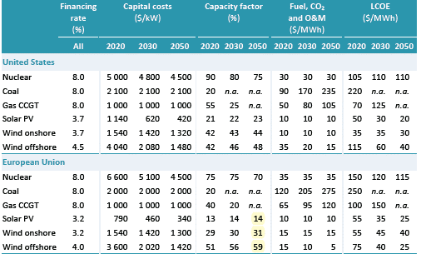
CCGT |  | € 830,000 | € 800,000 |  | € 830,000 | € 800,000 | € - | € - | € -
CCGT_CHP_backpressure_DH |  | € 1,200,000 | € 1,100,000 |  | € 1,200,000 | € 1,100,000 | € - | € - | € -
CCGT_CHP_backpressure_PH |  | € 1,200,000 |  |  | € 1,200,000 |  | € - | € - | € -
CCS CCGT |  | € 2,670,000 |  |  |  |  | € - | € 2,670,000 | € -
Coal PSC | € 3,845,510 |  |  | € 3,845,510 |  |  | € - | € - | € -
electrolyzer |  |  | € 350,000 |  |  | € 350,000 | € - | € - | € -
Fuel oil PGT | € 343,000 |  |  | € 343,000 |  |  | € - | € - | € -
fuel_cell |  |  | € 800,000 |  |  | € 800,000 | € - | € - | € -
hydrogen_CHP |  |  | € 730,000 |  |  | € 730,000 | € - | € - | € -
hydrogen_combined_cycle |  |  | € 750,000 |  |  | € 750,000 | € - | € - | € -
hydrogen_turbine |  |  | € 435,000 |  |  | € 435,000 | € - | € - | € -
Hydropower_reservoir_medium |  | € 2,690,000 | € 2,685,000 |  | € 2,690,000 | € 2,685,000 | € - | € - | € -
Hydropower_ROR |  | € 2,990,000 | € 2,970,000 |  | € 2,990,000 | € 2,970,000 | € - | € - | € -
Lignite PSC | € 3,845,510 |  |  | € 3,845,510 |  |  | € - | € - | € -
Lithium_ion_battery | € 534,000 | € 284,000 | € 270,000 | € 321,000 | € 160,000 | € 60,000 | € 213,000 | € 124,000 | € 210,000
Nuclear | € 7,940,450 | € 6,000,000 |  | € 7,940,450 | € 4,000,000 |  | € - | € 2,000,000 | € -
OCGT |  | € 435,000 | € 412,000 |  | € 435,000 | € 412,000 | € - | € - | € -
Pumped_hydro | € 2,000,000 |  |  | € 2,000,000 |  |  | € - | € - | € -
PV_combination 50%50% | € 878,000 | € 730,500 | € 519,000 |  |  |  | € 291,000 | € 350,500 | € 219,000
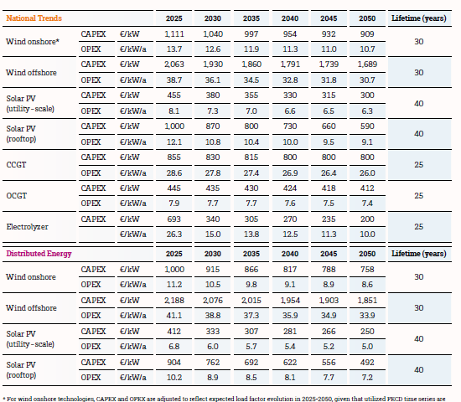
PV_residential | € 1,169,000 | € 1,017,000 | € 688,000 | € 2,000,000
Investment costs
 | Biomass_CHP_wood_pellets_DH | Biomass_CHP_wood_pellets_PH | CCGT | CCGT_CHP_backpressure_DH | CCGT_CHP_backpressure_PH | CCS CCGT | Coal PSC | electrolyzer | Fuel oil PGT | fuel_cell | hydrogen_CHP | hydrogen_combined_cycle
2020 | € 2,040,000 |  |  |  |  |  | € 3,845,510 |  | € 343,000
2030 | € 2,040,000 | € 2,900,000 | € 830,000 | € 1,200,000 | € 1,200,000 | € 2,670,000
2050 |  | € 2,700,000 | € 800,000 | € 1,100,000 |  |  |  | € 350,000 |  | € 800,000 | € 730,000 | € 750,000
PV_utility_systems | € 587,000 | € 444,000 | € 350,000 | € 587,000 | € 380,000 | € 300,000 | € - | € 64,000 | € 50,000
WTG_offshore | € 2,270,000 | € 1,620,000 | € 1,444,000 | € 2,270,000 | € 1,930,000 | € 1,780,000 | € - | € -310,000 | € -336,000 |  |  |  |  | future of energy storage=> 2020 prices
WTG_onshore | € 1,150,000 | € 1,220,000 | € 1,127,000 | € 1,150,000 | € 1,040,000 | € 960,000 | € - | € 180,000 | € 167,000

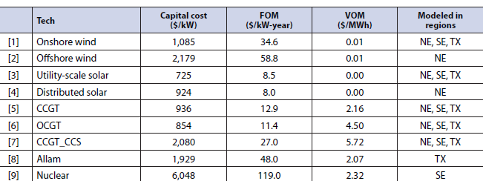
 | vom_cost | efficiency_full_load | EnergyToPowerRatio | ChargingEfficiency | DischargingEfficiency | SelfDischargeRatePerHour
Biomass_CHP_wood_pellets_DH | 1.9 | 0.309
CCGT | 4.2 | 0.61 |  |  |  |  |  |  |  | 8760
CCGT_CHP_backpressure_DH | 4.2 | 0.53 |  |  |  |  |  |  | hours | LCOE
CCGT_CHP_backpressure_PH | 4.2 | 0.53 |  |  |  |  |  |  | 1489.2 | 201.45044319
CCS | 21 |  |  |  |  |  |  |  | 4380 | 406.39269406
Hydropower_reservoir_medium | 0 | 1 |  |  |  |  |  |  | 3504 | 273.97260274
Hydropower_reservoir_small
Hydropower_ROR | 0 | 1
Nuclear | 4 | 0.285
OCGT | 4.5 | 0.43
PV_utility_systems | 0 | 1
WTG_offshore | 3 | 1
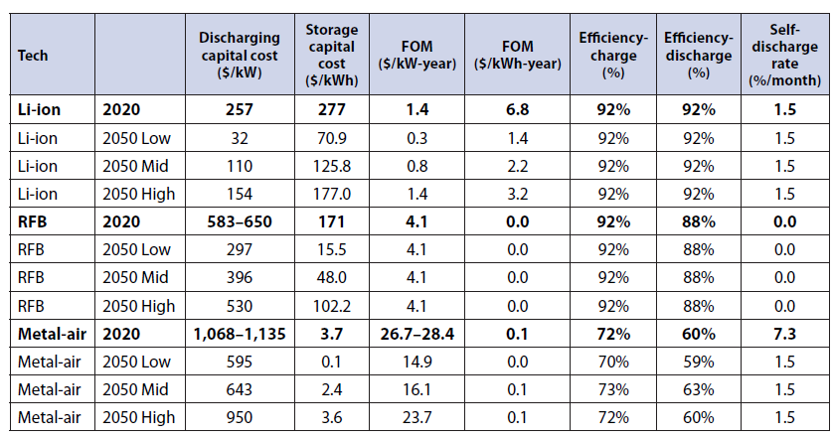
WTG_onshore | 1.35 | 1
Lithium_ion_battery | 1.8 | 0.9 | 5 | 0.92 | 0.92 | 0
fuel_cell |  | 0.5
hydrogen_CHP | 2.7 | 0.85
hydrogen_combined_cycle | 2.7 | 0.61
hydrogen_turbine | 1.5 | 0.4
electrolyzer | 0 | 0.74

Fixed costs | 2020 | 2030 | 2050
Biomass_CHP_wood_pellets_PH |  |  | 108000
Biomass_CHP_wood_pellets_DH |  | 50000
CCGT |  | 27800 | 26000
CCGT_CHP_backpressure_DH |  | 27800 | 26000
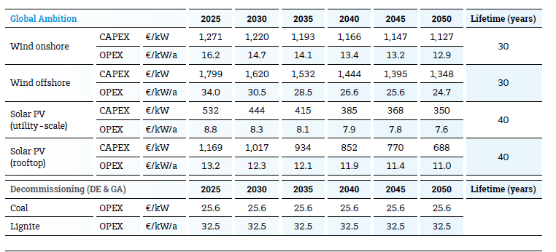
CCGT_CHP_backpressure_PH |  | 27800
CCS CCGT |  | 32000
Lithium_ion_battery |  | 1000 | 800
Hydropower_reservoir_medium |  | 13450 | 13425
Hydropower_ROR |  | 14950 | 14850
Nuclear |  | 100000
OCGT |  | 7745 | 7423
fuel_cell |  |  | 40000
hydrogen_CHP |  |  | 30000
hydrogen_combined_cycle |  |  | 11250
hydrogen_turbine |  |  | 8700
electrolyzer |  |  | 7000
Coal PSC | 61528
Lignite PSC | 61528
Fuel oil PGT | 8575
Nuclear | 111166
Pumped_hydro | 16000
PV |  | 10300 | 9300
PV_residential |  | 12300 | 11000
PV_utility_systems |  | 8300 | 7600
WTG_offshore |  | 30500 | 24700
WTG_onshore |  | 14700 | 12900

