sources
Simon €Oberg 2022
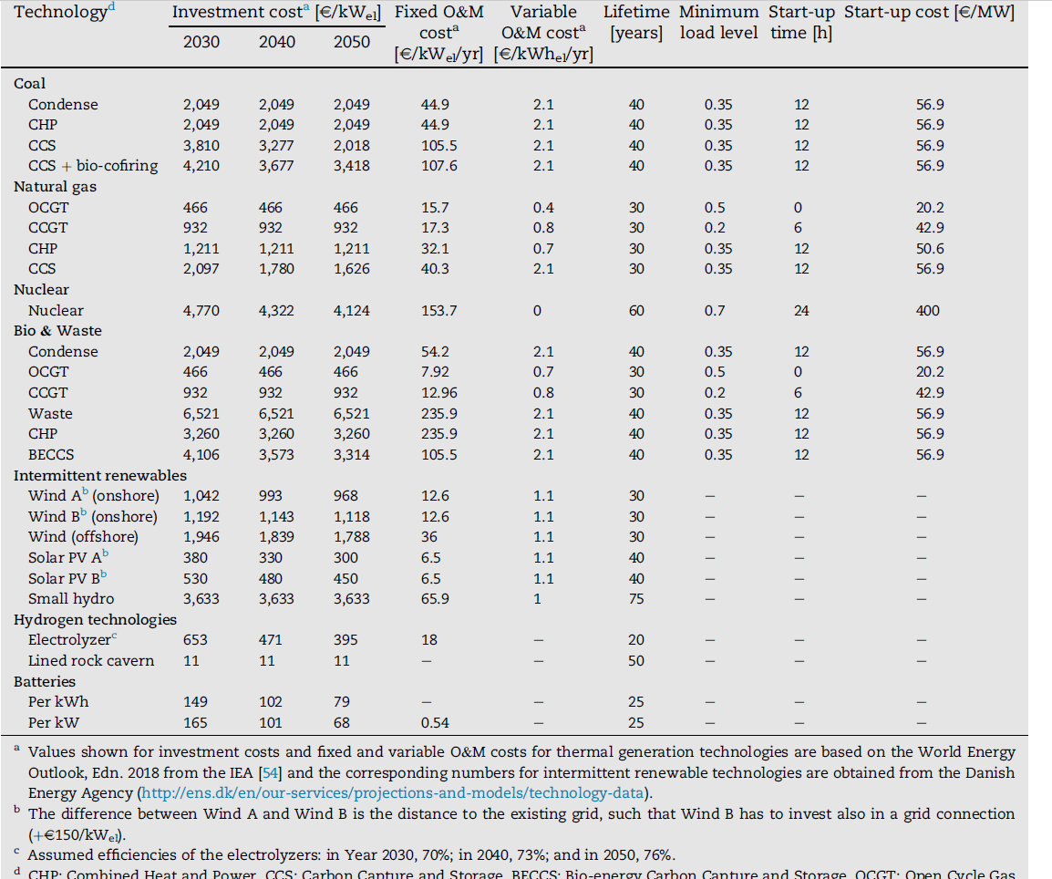

Lux 2022

