fuelprices
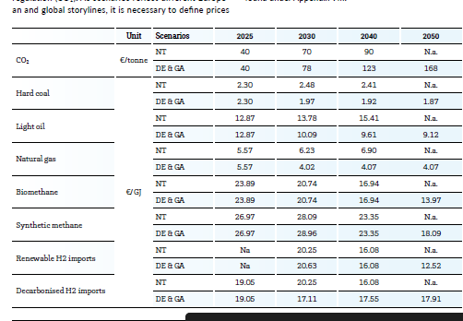
Row Labels | 2020 | 2030 | 2050 | source
bioliquids | 82.5 | 82.5 | 82.5
biomethane | 86 | 74.66 | 50.29
CO2 | 40 | 123 | 168 | ENTSOE GA
collectable_residues | 15 | 15 | 15
hard_coal | 8.28 | 7.09 | 6.73 | ENTSOE GA
heavy_oil | 21.175 | 40.68 | 79.69
light_oil | 46.33 | 36.32 | 32.83 | ENTSOE GA
lignite | 6.48 | 6.48 | 6.48
LNG | 16.717 | 26.81 | 46.996
natural_gas | 20.05 | 14.47 | 14.65 | ENTSOE GA
nuclear | 1.69 | 1.69 | 1.69
oil_shale | 4.536 | 6.696 | 14.148
hydrogen | 74.3 | 57.9 | 45.1 | ENTSOE (renewable imports)
processing_residues | 7.5 | 7.5 | 7.5
wood_pellets | 45 | 45 | 35

Fuel | 2050
CO2 | 168
Natural gas | 14.65
Hydrogen | 45.1
Biomass | 35 |  |  |  | E/gj
 |  |  |  |  | E/MWh

 |  |  |  |  |  | 2030.00 | 2040.00 | 2050.00
 |  |  |  |  |  | 20.63 | 16.08 | 12.52
 |  |  |  |  |  | 74.27 | 57.89 | 45.07

 |  |  |  |  |  | 5.0 | 3.9 | 2.4 | eur/ton
 |  |  |  |  |  | 248 | 193 | 119 | eur/mwh

investmentCosts
investment costs |  | MW |  |  |  |  |  |  | < if there is no data for 2050, data is extrapolated |  | Irena future of wind
 | 2020 | 2030 | 2050
Biomass_CHP_wood_pellets_DH | € 2,040,000 | € 2,040,000 |  |  |  |  |  |  |  | iea
Biomass_CHP_wood_pellets_PH |  | € 2,900,000 | € 2,700,000
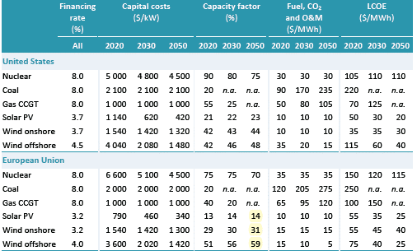
CCGT |  | € 830,000 | € 800,000
CCGT_CHP_backpressure_DH |  | € 1,200,000 | € 1,100,000
CCGT_CHP_backpressure_PH |  | € 1,200,000
CCS CCGT |  | € 2,670,000
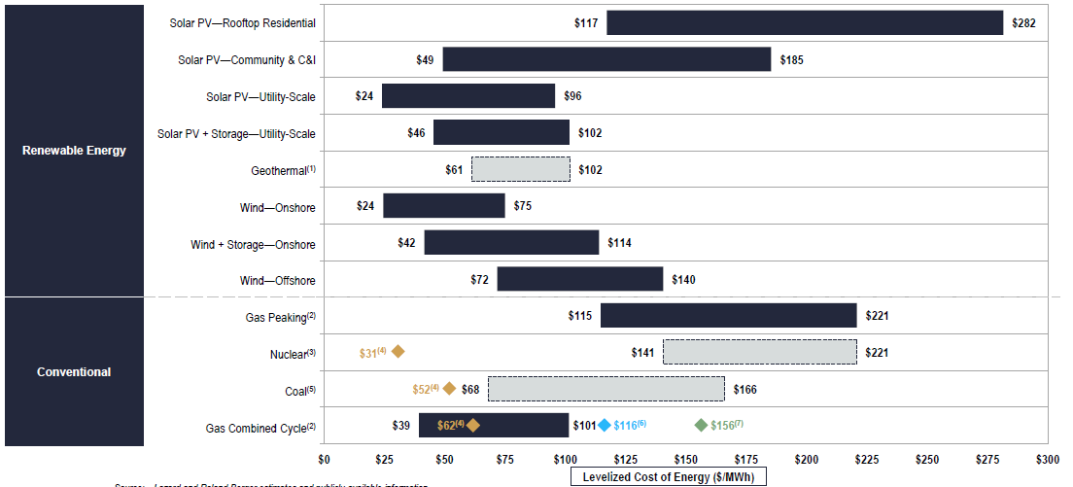
Coal PSC | € 3,845,510
electrolyzer |  |  | € 350,000
Fuel oil PGT | € 343,000
fuel_cell |  |  | € 800,000
hydrogen_CHP |  |  | € 730,000
hydrogen_combined_cycle |  |  | € 750,000
hydrogen_turbine |  |  | € 435,000
Hydropower_reservoir_medium |  | € 2,690,000 | € 2,685,000
Hydropower_ROR |  | € 2,990,000 | € 2,970,000
Lignite PSC | € 3,845,510
Lithium_ion_battery | € 4,168,000 | € 2,488,000 | € 1,020,000
Nuclear | € 7,940,450 | € 6,000,000
OCGT |  | € 435,000 | € 412,000
Pumped_hydro | € 2,000,000
PV_residential | € 1,169,000 | € 1,017,000 | € 688,000
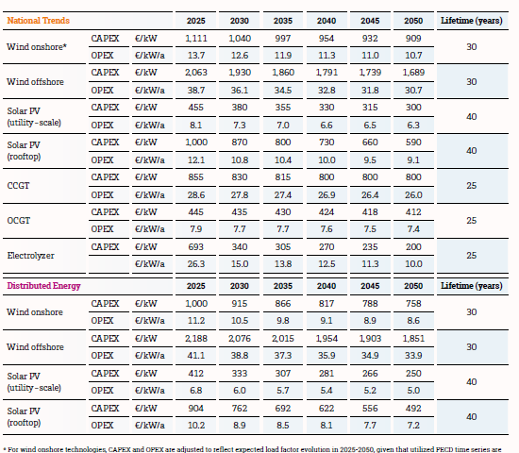
PV_utility_systems | € 587,000 | € 444,000 | € 350,000 | ENTSOE
Investment costs
 | Biomass_CHP_wood_pellets_DH | Biomass_CHP_wood_pellets_PH | CCGT | CCGT_CHP_backpressure_DH | CCGT_CHP_backpressure_PH | CCS CCGT | Coal PSC | electrolyzer | Fuel oil PGT | fuel_cell | hydrogen_CHP | hydrogen_combined_cycle
2020 | € 2,040,000 |  |  |  |  |  | € 3,845,510 |  | € 343,000
2030 | € 2,040,000 | € 2,900,000 | € 830,000 | € 1,200,000 | € 1,200,000 | € 2,670,000
2050 |  | € 2,700,000 | € 800,000 | € 1,100,000 |  |  |  | € 350,000 |  | € 800,000 | € 730,000 | € 750,000
WTG_offshore | € 2,270,000 | € 1,620,000 | € 1,444,000 | ENTSOE
WTG_onshore | € 1,150,000 | € 1,220,000 | € 1,127,000 | ENTSOE |  |  |  |  |  |  |  | future of energy storage=> 2020 prices

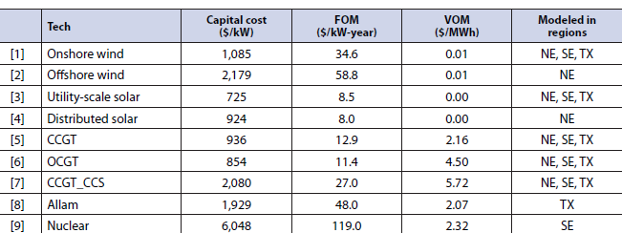
 | vom_cost | efficiency_full_load | EnergyToPowerRatio | ChargingEfficiency | DischargingEfficiency | SelfDischargeRatePerHour
Biomass_CHP_wood_pellets_DH | 1.9 | 0.309
CCGT | 4.2 | 0.61 |  |  |  |  |  | 8760
CCGT_CHP_backpressure_DH | 4.2 | 0.53 |  |  |  |  | hours | LCOE
CCGT_CHP_backpressure_PH | 4.2 | 0.53 |  |  |  |  | 1489.2 | 0
CCS | 21 |  |  |  |  |  | 4380 | 0
Hydropower_reservoir_medium | 0 | 1 |  |  |  |  | 3504 | 0
Hydropower_reservoir_small
Hydropower_ROR | 0 | 1
Nuclear | 4 | 0.285
OCGT | 4.5 | 0.43
PV_utility_systems | 0 | 1
WTG_offshore | 3 | 1
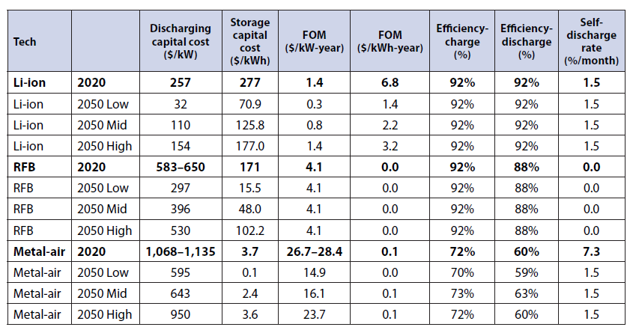
WTG_onshore | 1.35 | 1
Lithium_ion_battery | 1.8 | 0.9 | 5 | 0.92 | 0.92 | 0
fuel_cell |  | 0.5
hydrogen_CHP | 2.7 | 0.85
hydrogen_combined_cycle | 2.7 | 0.61
hydrogen_turbine | 1.5 | 0.4
electrolyzer | 0 | 0.74
PV_residential | 0 | 1

Fixed costs | 2020 | 2030 | 2050
Biomass_CHP_wood_pellets_PH |  |  | € 108,000
Biomass_CHP_wood_pellets_DH |  | € 50,000
CCGT |  | € 27,800 | € 26,000
CCGT_CHP_backpressure_DH |  | € 27,800 | € 26,000
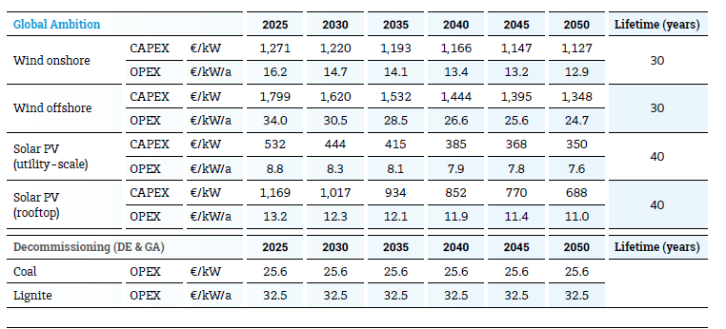
CCGT_CHP_backpressure_PH |  | € 27,800
CCS CCGT |  | € 32,000
Lithium_ion_battery |  | € 1,000 | € 800
Hydropower_reservoir_medium |  | € 13,450 | € 13,425
Hydropower_ROR |  | € 14,950 | € 14,850
Nuclear | € 111,166 | € 100,000
OCGT |  | € 7,745 | € 7,423
fuel_cell |  |  | € 40,000
hydrogen_CHP |  |  | € 30,000
hydrogen_combined_cycle |  |  | € 11,250
hydrogen_turbine |  |  | € 8,700
electrolyzer |  |  | € 7,000
Coal PSC | € 61,528
Lignite PSC | € 61,528
Fuel oil PGT | € 8,575
Pumped_hydro | € 16,000
PV |  | € 10,300 | € 9,300
PV_residential |  | € 12,300 | € 11,000
PV_utility_systems |  | € 8,300 | € 7,600
WTG_offshore |  | € 30,500 | € 24,700
WTG_onshore |  | € 14,700 | € 12,900

 | Investment costs [Eur/MW] | Variable costs [Eur/MWh] | Fixed costs [Eur/Mwh/year] | Efficiency [%]
Lithium_ion_battery | € 1,020,000 | 1.8 | 800 | 0.90
WTG_offshore | € 1,444,000 | 3 | 24700 | 1.00
PV_utility_systems | € 350,000 | 0 | 7600 | 1.00
PV_residential | € 688,000 | 0 | 11000 | 1.00
WTG_onshore | € 1,127,000 | 1.35 | 12900 | 1.00
Biomass_CHP_wood_pellets_DH | € 2,040,000 | 1.9 | 50000 | 0.31
hydrogen_turbine | € 435,000 | 1.5 | 8700 | 0.40
Nuclear | € 6,000,000 | 4 | 100000 | 0.29

