npv
investment cost | € 100,000,000 | annuity | € 7,425,547 | with debt 10% | € 10,607,925 | Considering our way of financing > underinvestment (if debt rate is high) |  |  |  | discount rate | 0% | 5%
depreciation time | 0.3 | operating profit | € 12,000,000 |  |  |  |  |  |  | npv | € -5,000,000 | € -11,622,471
construction time | 2 |  |  |  |  |  |  |  |  | npv | € 107,233,579 | € 36,550,331
downpayment installment | € 10,000,000 | operating profit - annuity | € 4,574,453 |  | € 1,392,075
debt rate | 10% |  |  |  |  | old - new :
equity rate | 10% |  |  |  |  | -2.81%
equity percentage | 30% | annuity | € 6,217,920 | with debt 8%
debt percentage | 70%
wacc | 10%
 |  | downpayment from two years before the start | downpayment from 3 years before the start | with debt 8% | Rest payment= > but wrong because there are no interest loans |  | 100% equity - > optimization models | emlab consider wacc and no equity/financing difference

IRR | -2% | 14.92% | 13% | 17% | 25% |  | 11.55% | 10.27%
NPV | € -13,459,953 | € 10,770,301 | € 7,530,408 | € 19,170,401 | € 43,596,424 |  | € 11,929,976 | € 2,095,898

 | unprofitable | profitable |  |  |  |  |  |  | projectValue = discountedOperatingProfit + discountedCapitalCosts;
-3 |  |  | € -10,000,000 | € -10,000,000 | € -10,000,000 |  |  | € -33,333,333
-2 | € -10,000,000 | € -10,000,000 | € -10,000,000 | € -10,000,000 | € -10,000,000 |  |  | € -33,333,333 | public TreeMap<Integer, Double> calculateSimplePowerPlantInvestmentCashFlow(int depriacationTime, int buildingTime,
-1 | € -10,000,000 | € -10,000,000 | € -10,000,000 | € -10,000,000 | € -10,000,000 | investment cost | € -100,000,000 | € -33,333,333 | double totalInvestment, double operatingProfit) {
0 | € 500,000 | € -5,425,547 | € 4,574,453 | € 6,217,920 | € 9,666,667 | revenues to cover for annuity | € 12,000,000 | € 12,000,000 | TreeMap<Integer, Double> investmentCashFlow = new TreeMap<Integer, Double>();
1 | € 500,000 | € 4,574,453 | € 4,574,453 | € 6,217,920 | € 9,666,667 |  | € 12,000,000 | € 12,000,000 | double equalTotalDownPaymentInstallement = totalInvestment / buildingTime;
2 | € 500,000 | € 4,574,453 | € 4,574,453 | € 6,217,920 | € 9,666,667 |  | € 12,000,000 | € 12,000,000 | for (int i = 0; i < buildingTime; i++) {
3 | € 500,000 | € 4,574,453 | € 4,574,453 | € 6,217,920 | € 9,666,667 |  | € 12,000,000 | € 12,000,000 | investmentCashFlow.put(new Integer(i), -equalTotalDownPaymentInstallement);
4 | € 500,000 | € 4,574,453 | € 4,574,453 | € 6,217,920 | € 9,666,667 |  | € 12,000,000 | € 12,000,000 | }
5 | € 500,000 | € 4,574,453 | € 4,574,453 | € 6,217,920 | € 9,666,667 |  | € 12,000,000 | € 12,000,000 | for (int i = buildingTime; i < depriacationTime + buildingTime; i++) {
6 | € 500,000 | € 4,574,453 | € 4,574,453 | € 6,217,920 | € 9,666,667 |  | € 12,000,000 | € 12,000,000 | investmentCashFlow.put(new Integer(i), operatingProfit);
7 | € 500,000 | € 4,574,453 | € 4,574,453 | € 6,217,920 | € 9,666,667 |  | € 12,000,000 | € 12,000,000 | }
8 | € 500,000 | € 4,574,453 | € 4,574,453 | € 6,217,920 | € 9,666,667 |  | € 12,000,000 | € 12,000,000
9 | € 500,000 | € 4,574,453 | € 4,574,453 | € 6,217,920 | € 9,666,667 |  | € 12,000,000 | € 12,000,000 | return investmentCashFlow;
10 | € 500,000 | € 4,574,453 | € 4,574,453 | € 6,217,920 | € 9,666,667 |  | € 12,000,000 | € 12,000,000 | }
11 | € 500,000 | € 4,574,453 | € 4,574,453 | € 6,217,920 | € 9,666,667 |  | € 12,000,000 | € 12,000,000
12 | € 500,000 | € 4,574,453 | € 4,574,453 | € 6,217,920 | € 9,666,667 |  | € 12,000,000 | € 12,000,000 | from emlab generation report
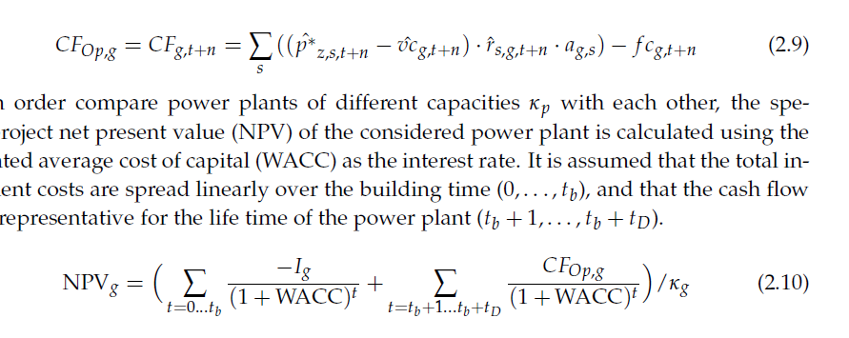
13 | € 500,000 | € 4,574,453 | € 4,574,453 | € 6,217,920 | € 9,666,667 |  | € 12,000,000 | € 12,000,000
14 | € 500,000 | € 4,574,453 | € 4,574,453 | € 6,217,920 | € 9,666,667 |  | € 12,000,000 | € 12,000,000
15 | € 500,000 | € 4,574,453 | € 4,574,453 | € 6,217,920 | € 9,666,667 |  | € 12,000,000 | € 12,000,000
16 | € 500,000 | € 4,574,453 | € 4,574,453 | € 6,217,920 | € 9,666,667 |  | € 12,000,000 | € 12,000,000
17 | € 500,000 | € 4,574,453 | € 4,574,453 | € 6,217,920 | € 9,666,667 |  | € 12,000,000 | € 12,000,000
18 | € 500,000 | € 4,574,453 | € 4,574,453 | € 6,217,920 | € 9,666,667 |  | € 12,000,000 | € 12,000,000
19 | € 500,000 | € 4,574,453 | € 4,574,453 | € 6,217,920 | € 9,666,667 |  | € 12,000,000 | € 12,000,000
20 | € 500,000 | € 4,574,453 | € 4,574,453 | € 6,217,920 | € 9,666,667 |  | € 12,000,000 | € 12,000,000
21 | € 500,000 | € 4,574,453 | € 4,574,453 | € 6,217,920 | € 9,666,667 |  | € 12,000,000 | € 12,000,000
22 | € 500,000 | € 4,574,453 | € 4,574,453 | € 6,217,920 | € 9,666,667 |  | € 12,000,000 | € 12,000,000
23 | € 500,000 | € 4,574,453 | € 4,574,453 | € 6,217,920 | € 9,666,667 |  | € 12,000,000 | € 12,000,000
24 | € 500,000 | € 4,574,453 | € 4,574,453 | € 6,217,920 | € 9,666,667 |  | € 12,000,000 | € 12,000,000
25 | € 500,000 | € 4,574,453 | € 4,574,453 | € 6,217,920 | € 9,666,667 |  | € 12,000,000 | € 12,000,000
26 | € 500,000 | € 4,574,453 | € 4,574,453 | € 6,217,920 | € 9,666,667 |  | € 12,000,000 | € 12,000,000
27 | € 500,000 | € 4,574,453 | € 4,574,453 | € 6,217,920 | € 9,666,667 |  | € 12,000,000 | € 12,000,000
28 | € 500,000 | € 4,574,453 | € 4,574,453 | € 6,217,920 | € 9,666,667 |  | € 12,000,000 | € 12,000,000
29 | € 500,000 | € 4,574,453 | € 4,574,453 | € 6,217,920 | € 9,666,667 |  | € 12,000,000 | € 12,000,000

