node
heavy_oil | 2030 | base | 40.68 | <---rename to base
hydrogen | 2030 | base | 65
light_oil | 2030 | base | 36.324
lignite | 2030 | base | 6.48
LNG | 2030 | base | 26.81
natural_gas | 2030 | base | 14.65
nuclear | 2030 | base | 1.69
oil_shale | 2030 | base | 6.696
hard_coal | 2030 | base | 7.092
processing_residues | 2030 | base | 7.5
wood_pellets | 2030 | base | 45
bioliquids | 2030 | base | 82.5 |  |  | 2020 | 2030 | 2050
biomethane | 2030 | base | 74.66 |  | heavy_oil | 21.175 | 40.68 | 79.69
collectable_residues | 2030 | base | 15 |  | hydrogen | 74.965 | 65 | 45.07
electricity | 2020 | test_demand_data | 1 |  | light_oil | 46.44 | 36.324 | 32.832
heavy_oil | 2020 | base | 21.175 |  | lignite | 6.48 | 6.48 | 6.48
hydrogen | 2020 | base | 74.965 |  | LNG | 16.717 | 26.81 | 46.996
light_oil | 2020 | base | 46.44 |  | natural_gas | 13.4 | 14.65 | 42.74
lignite | 2020 | base | 6.48 |  | nuclear | 1.69 | 1.69 | 1.69
LNG | 2020 | base | 16.717 |  | oil_shale | 4.536 | 6.696 | 14.148
natural_gas | 2020 | base | 13.4 |  | hard_coal | 10.8 | 7.092 | 6.732
nuclear | 2020 | base | 1.69 |  | processing_residues | 7.5 | 7.5 | 7.5
oil_shale | 2020 | base | 4.536 |  | wood_pellets | 45 | 45 | 45
hard_coal | 2020 | base | 10.8 |  | bioliquids | 82.5 | 82.5 | 82.5
processing_residues | 2020 | base | 7.5 |  | biomethane | 86.845 | 74.66 | 50.29
wood_pellets | 2020 | base | 45 |  | collectable_residues | 15 | 15 | 15
bioliquids | 2020 | base | 82.5
biomethane | 2020 | base | 86.845
collectable_residues | 2020 | base | 15
CO2 | 2020 | base | 0 | <- added dummy 25
electricity | 2050 | test_demand_data | 1
heavy_oil | 2050 | base | 79.69
hydrogen | 2050 | base | 80 | < from Silke 65 , but benjamin lux study said 81 eur/mwh from outside europe
light_oil | 2050 | base | 32.832
lignite | 2050 | base | 6.48
LNG | 2050 | base | 46.996
natural_gas | 2050 | base | 42
nuclear | 2050 | base | 1.69
oil_shale | 2050 | base | 14.148
hard_coal | 2050 | base | 6.732
processing_residues | 2050 | base | 7.5
wood_pellets | 2050 | base | 35 | < = biofuel
bioliquids | 2050 | base | 82.5
biomethane | 2050 | base | 50.29
CO2 | 2050 | base | 200 | <- added dummy 200
collectable_residues | 2050 | base | 15 | <- added from high_co2_price

biomethane | price | high-price | 102
biomethane | price | low-price | 36
collectable_residues | price | high-price | 30
collectable_residues | price | low-price | 15
bioliquids | price | high-price | 125
bioliquids | price | low-price | 40
processing_residues | price | high-price | 15
processing_residues | price | low-price | 0
wood_pellets | price | high-price | 45
wood_pellets | price | low-price | 30
hard_coal | co2_price | 2030 | 100
heavy_oil | co2_price | 2030 | 100
light_oil | co2_price | 2030 | 100
lignite | co2_price | 2030 | 100
LNG | co2_price | 2030 | 100
natural_gas | co2_price | 2030 | 100
oil_shale | co2_price | 2030 | 100
hard_coal | co2_price | 2050 | 120
heavy_oil | co2_price | 2050 | 120
light_oil | co2_price | 2050 | 120
lignite | co2_price | 2050 | 120
LNG | co2_price | 2050 | 120
natural_gas | co2_price | 2050 | 120
oil_shale | co2_price | 2050 | 120
hard_coal | co2_price | high_co2_price | 200
heavy_oil | co2_price | high_co2_price | 200
light_oil | co2_price | high_co2_price | 200
lignite | co2_price | high_co2_price | 200
LNG | co2_price | high_co2_price | 200
natural_gas | co2_price | high_co2_price | 200
oil_shale | co2_price | high_co2_price | 200
hard_coal | co2_price | low_co2_price | 70
heavy_oil | co2_price | low_co2_price | 70
light_oil | co2_price | low_co2_price | 70
lignite | co2_price | low_co2_price | 70
LNG | co2_price | low_co2_price | 70
natural_gas | co2_price | low_co2_price | 70
oil_shale | co2_price | low_co2_price | 70
biomethane | annual_resource_limit | bio_potential_2040 | 113000000
biomethane | annual_resource_limit | bio_potential_2050 | 116000000
biomethane | annual_resource_limit | bio_potential_2020 | 109000000
biomethane | annual_resource_limit | bio_potential_2030 | 111000000
collectable_residues | annual_resource_limit | bio_potential_2030 | 309000000
collectable_residues | annual_resource_limit | bio_potential_2040 | 299000000
collectable_residues | annual_resource_limit | bio_potential_2050 | 321000000
collectable_residues | annual_resource_limit | bio_potential_2020 | 335000000

H2monthly
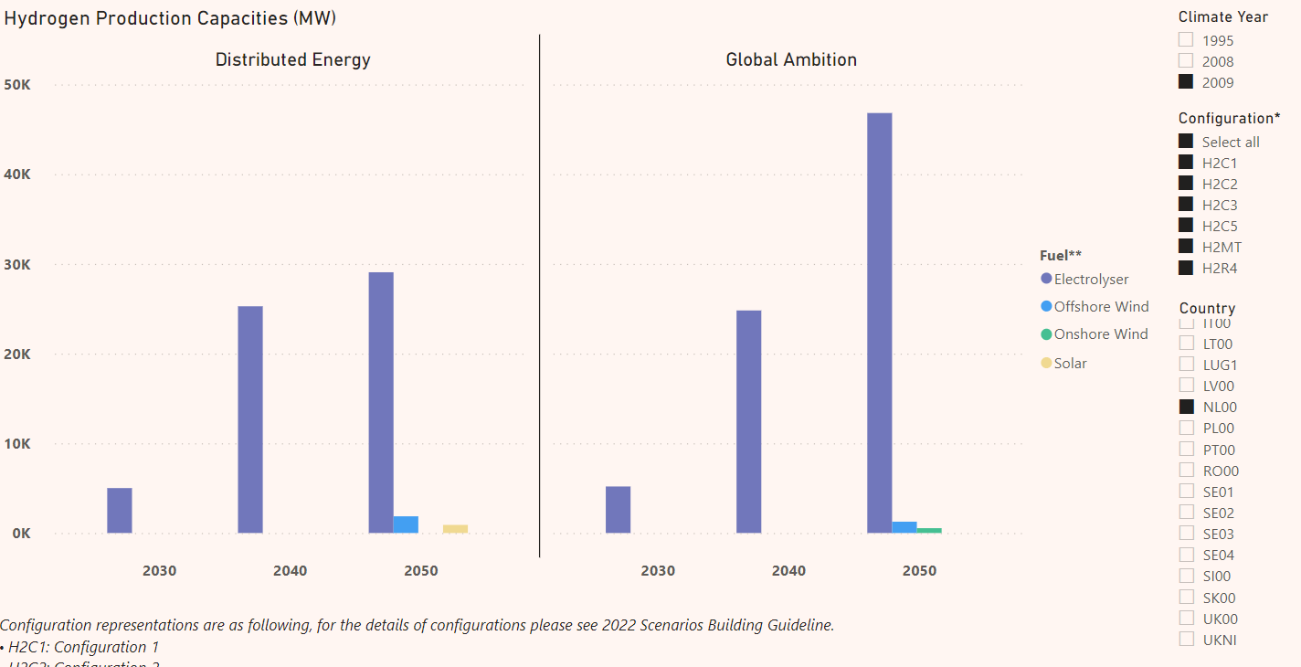
 | H2demand | from Backbone | yearly |  | -852464.13173 | hydrogen production
1 | 62467 |  | 10229570 | -62467.276638 | -914931.40837 | 1.073278481
2 | 335909 |  |  | -335908.91669 | -1188373.0484 | 1.3940446339
3 | 2151793 |  |  | -2151793.1869 | -3004257.3186 | 3.5242037838
4 | 1382842 |  |  | -1382842.0689 | -2235306.2006 | 2.6221703851
5 | 1304291 |  |  | -1304290.6515 | -2156754.7832 | 2.530024083
6 | 1224277 |  |  | -1224277.4812 | -2076741.6129 | 2.4361630427
7 | 820728 |  |  | -820727.74851 | -1673191.8802 | 1.9627710046
8 | 765749 |  |  | -765749.1053 | -1618213.237 | 1.898277214
9 | 872380 |  |  | -872380.1819 | -1724844.3136 | 2.0233629187
10 | 598704 |  |  | -598704.30958 | -1451168.4413 | 1.7023219949
11 | 1670 |  |  | -1670.3762692 | -854134.508 | 1.0019594681
12 | 708758 |  |  | -708758.27749 | -1561222.4092 | 1.8314229903

 | assume its used monthly 30 percent
 | yearly demand | HydrogenProductionTargetInMWH
from backbone | 10229570 | 852464
from ENTSOE | 186069565.68 | 15505797 |  |  |  | 946080000
inbetween |  | 8179131 |  |  | 730 | 948708000
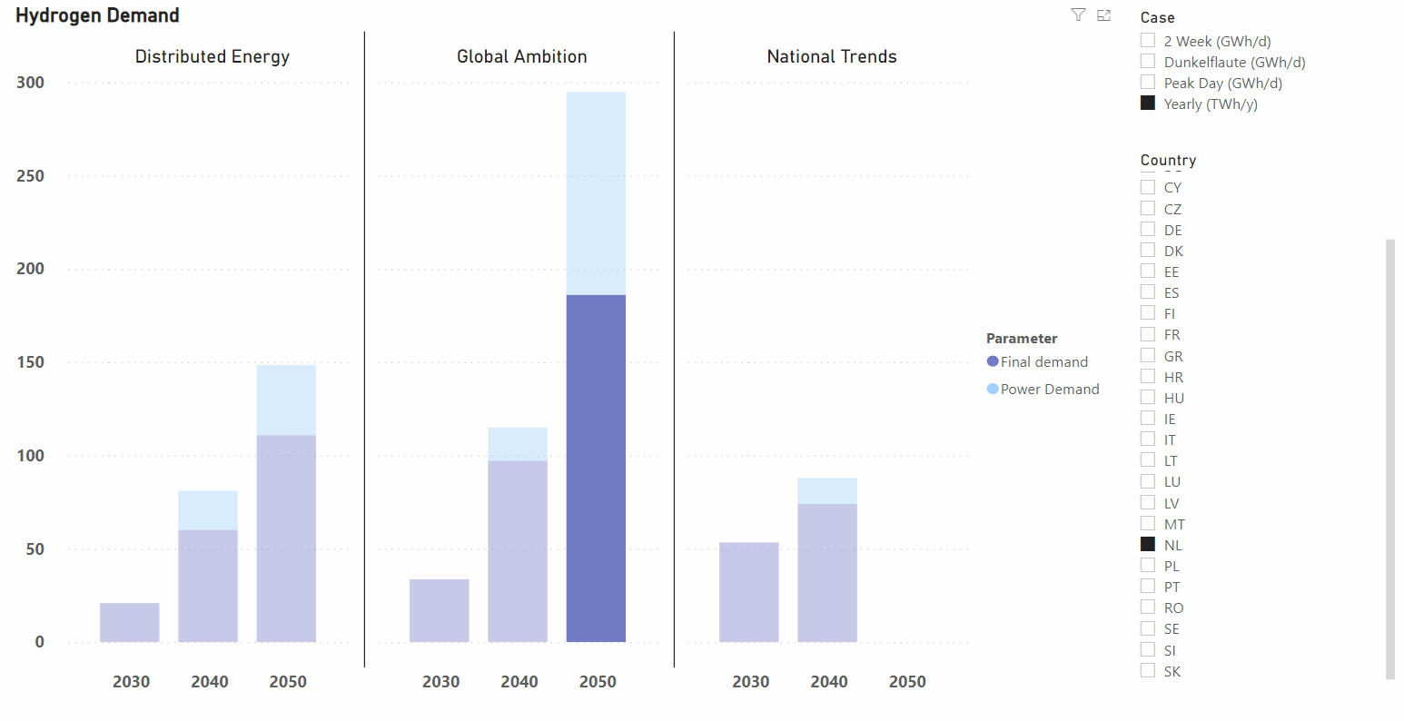
 |  |  |  |  |  | 951336000
 |  |  |  |  |  | 953964000
 |  | yearly demand |  |  |  | 956592000
 |  |  |  |  |  | 959220000
 |  |  |  |  |  | 961848000
 |  |  |  |  |  | 964476000
 |  |  |  |  |  | 967104000

 |  | Estimating hydrogen for power
 |  | 37 | TWh
 |  | 37000000 | MWh
 |  |  | full load hours
 |  | 3000 | h
 |  | 12333.333333 | MW

screening curve
 | fuel price |  |  |  |  |  |  |  |  |  |  |  |  |  |  |  |  | Co2 density
year | heavy_oil | hydrogen | light_oil | lignite | LNG | natural_gas | nuclear | oil_shale | hard_coal | processing_residues | wood_pellets | bioliquids | biomethane | collectable_residues |  |  | heavy_oil | 0.26676
2020 | 21.175 | 74.965 | 46.44 | 6.48 | 16.717 | 13.4 | 1.69 | 4.536 | 10.8 | 7.5 | 45 | 82.5 | 86.845 | 15 |  |  | hydrogen | 0
2030 | 40.68 | 65 | 36.324 | 6.48 | 26.81 | 14.65 | 1.69 | 6.696 | 7.092 | 7.5 | 45 | 82.5 | 74.66 | 15 |  |  | light_oil | 0
2050 | 79.69 | 80 | 32.832 | 6.48 | 46.996 | 42 | 1.69 | 14.148 | 6.732 | 7.5 | 35 | 82.5 | 50.29 | 15 |  |  | lignite | 0.364
 |  |  |  |  |  |  |  |  |  |  |  |  |  |  |  |  | LNG | 0
2020 | 21.175 | 74.965 | 46.44 | 6.48 | 16.717 | 13.4 | 1.69 | 4.536 | 10.8 | 7.5 | 45 | 82.5 | 86.845 | 15 |  |  | natural_gas | 0.2019598384
Screening curve
 | Biomass_CHP_wood_pellets_DH |  | OCGT
0 | 371590.19581 | 0 | 53889.47299 | 0
300 | 416889.73811 | 300 | 66529.791309 | 300
600 | 462189.28041 | 600 | 79170.109627 | 600
900 | 507488.82271 | 900 | 91810.427946 | 900
1200 | 552788.36502 | 1200 | 104450.74626 | 1200
1500 | 598087.90732 | 1500 | 117091.06458 | 1500
1800 | 643387.44962 | 1800 | 129731.3829 | 1800
2100 | 688686.99192 | 2100 | 142371.70122 | 2100
2400 | 733986.53423 | 2400 | 155012.01954 | 2400
2700 | 779286.07653 | 2700 | 167652.33786
3000 | 824585.61883 | 3000 | 180292.65618
3300 | 869885.16113 | 3300 | 192932.9745
3600 | 915184.70343 | 3600 | 205573.29281
3900 | 960484.24574 | 3900 | 218213.61113
4200 | 1005783.788 | 4200 | 230853.92945
4500 | 1051083.3303 | 4500 | 243494.24777
4800 | 1096382.8726 | 4800 | 256134.56609
5100 | 1141682.4149 | 5100 | 268774.88441
5400 | 1186981.9572 | 5400 | 281415.20273
5700 | 1232281.4996 | 5700 | 294055.52105
6000 | 1277581.0419 | 6000 | 306695.83936
6300 | 1322880.5842 | 6300 | 319336.15768
6600 | 1368180.1265 | 6600 | 331976.476
6900 | 1413479.6688 | 6900 | 344616.79432
7200 | 1458779.2111 | 7200 | 357257.11264
7500 | 1504078.7534 | 7500 | 369897.43096
7800 | 1549378.2957 | 7800 | 382537.74928
8100 | 1594677.838 | 8100 | 395178.0676
8400 | 1639977.3803 | 8400 | 407818.38591
8700 | 1685276.9226 | 8700 | 420458.70423
2021 | 23.1255 | 70.226 | 43.634828571 | 6.48 | 17.7263 | 10.8625 | 1.69 | 4.4164285714 | 9.6732 | 7.5 | 46.071428571 | 82.5 | 85.6265 | 15 |  |  | nuclear | 0
2022 | 25.076 | 70.477 | 43.221085714 | 6.48 | 18.7356 | 11.875 | 1.69 | 4.7442857143 | 9.5544 | 7.5 | 45.714285714 | 82.5 | 84.408 | 15 |  |  | oil_shale | 0.2019598384
2023 | 27.0265 | 70.728 | 42.807342857 | 6.48 | 19.7449 | 12.8875 | 1.69 | 5.0721428571 | 9.4356 | 7.5 | 45.357142857 | 82.5 | 83.1895 | 15 |  |  | hard_coal | 0.34055972755
2024 | 28.977 | 70.979 | 42.3936 | 6.48 | 20.7542 | 13.9 | 1.69 | 5.4 | 9.3168 | 7.5 | 45 | 82.5 | 81.971 | 15 |  |  | processing_residues | 0
2025 | 30.9275 | 71.23 | 41.979857143 | 6.48 | 21.7635 | 14.9125 | 1.69 | 5.7278571429 | 9.198 | 7.5 | 44.642857143 | 82.5 | 80.7525 | 15 |  |  | wood_pellets | 0
2026 | 32.878 | 71.481 | 41.566114286 | 6.48 | 22.7728 | 15.925 | 1.69 | 6.0557142857 | 9.0792 | 7.5 | 44.285714286 | 82.5 | 79.534 | 15 |  |  | bioliquids | 0
2027 | 34.8285 | 71.732 | 41.152371429 | 6.48 | 23.7821 | 16.9375 | 1.69 | 6.3835714286 | 8.9604 | 7.5 | 43.928571429 | 82.5 | 78.3155 | 15 |  |  | biomethane | 0
2028 | 36.779 | 71.983 | 40.738628571 | 6.48 | 24.7914 | 17.95 | 1.69 | 6.7114285714 | 8.8416 | 7.5 | 43.571428571 | 82.5 | 77.097 | 15 |  |  | collectable_residues | 0
2029 | 38.7295 | 72.234 | 40.324885714 | 6.48 | 25.8007 | 18.9625 | 1.69 | 7.0392857143 | 8.7228 | 7.5 | 43.214285714 | 82.5 | 75.8785 | 15
2030 | 40.68 | 72.485 | 39.911142857 | 6.48 | 26.81 | 19.975 | 1.69 | 7.3671428571 | 8.604 | 7.5 | 42.857142857 | 82.5 | 74.66 | 15
2031 | 42.6305 | 72.736 | 39.4974 | 6.48 | 27.8193 | 20.9875 | 1.69 | 7.695 | 8.4852 | 7.5 | 42.5 | 82.5 | 73.4415 | 15 |  |  | costs from | 2020
2032 | 44.581 | 72.987 | 39.083657143 | 6.48 | 28.8286 | 22 | 1.69 | 8.0228571429 | 8.3664 | 7.5 | 42.142857143 | 82.5 | 72.223 | 15 |  |  |  | investment_cost | fom_cost | vom_cost | efficiency | lifetime | annuity | annuity
2033 | 46.5315 | 73.238 | 38.669914286 | 6.48 | 29.8379 | 23.0125 | 1.69 | 8.3507142857 | 8.2476 | 7.5 | 41.785714286 | 82.5 | 71.0045 | 15 |  |  | Biomass_CHP_wood_pellets_DH | 2040000 | 50000 | 2 | 0.31 | 30.00 | € -216,401.67 | € 216,401.67
2034 | 48.482 | 73.489 | 38.256171429 | 6.48 | 30.8472 | 24.025 | 1.69 | 8.6785714286 | 8.1288 | 7.5 | 41.428571429 | 82.5 | 69.786 | 15 |  |  | CCGT | 830000 | 27800 | 4 | 0.61 | 30.00 | € -88,045.78 | € 88,045.78
2035 | 50.4325 | 73.74 | 37.842428571 | 6.48 | 31.8565 | 25.0375 | 1.69 | 9.0064285714 | 8.01 | 7.5 | 41.071428571 | 82.5 | 68.5675 | 15 |  |  | Hydropower_reservoir_medium | 8000000 | 100000 | 0 | 0.00 | 60.00 | € -802,636.07 | € 802,636.07
2036 | 52.383 | 73.991 | 37.428685714 | 6.48 | 32.8658 | 26.05 | 1.69 | 9.3342857143 | 7.8912 | 7.5 | 40.714285714 | 82.5 | 67.349 | 15 |  |  | OCGT | 435000 | 7745 | 5 | 0.43 | 30.00 | € -46,144.47 | € 46,144.47
2037 | 54.3335 | 74.242 | 37.014942857 | 6.48 | 33.8751 | 27.0625 | 1.69 | 9.6621428571 | 7.7724 | 7.5 | 40.357142857 | 82.5 | 66.1305 | 15 |  |  | PV_utility_systems | 587000 | 11700 | 0 | 1.00 | 25.00 | € -64,668.66 | € 64,668.66
2038 | 56.284 | 74.493 | 36.6012 | 6.48 | 34.8844 | 28.075 | 1.69 | 9.99 | 7.6536 | 7.5 | 40 | 82.5 | 64.912 | 15 |  |  | WTG_offshore | 2270000 | 23400 | 3 | 1.00 | 30.00 | € -240,799.89 | € 240,799.89
2039 | 58.2345 | 74.744 | 36.187457143 | 6.48 | 35.8937 | 29.0875 | 1.69 | 10.317857143 | 7.5348 | 7.5 | 39.642857143 | 82.5 | 63.6935 | 15 |  |  | WTG_onshore | 1150000 | 11000 | 1 | 1.00 | 25.00 | € -126,693.28 | € 126,693.28
2040 | 60.185 | 74.995 | 35.773714286 | 6.48 | 36.903 | 30.1 | 1.69 | 10.645714286 | 7.416 | 7.5 | 39.285714286 | 82.5 | 62.475 | 15 |  |  | Lithium_ion_battery | 321000 | 7800 | 2 | 0.90 | 20.00 | € -37,704.54 | € 37,704.54
2041 | 62.1355 | 75.246 | 35.359971429 | 6.48 | 37.9123 | 31.1125 | 1.69 | 10.973571429 | 7.2972 | 7.5 | 38.928571429 | 82.5 | 61.2565 | 15 |  |  | CCGT_CHP_backpressure_DH | 1200000 | 27800 | 0 | 0.53 | 30.00 | € -127,295.10 | € 127,295.10
2042 | 64.086 | 75.497 | 34.946228571 | 6.48 | 38.9216 | 32.125 | 1.69 | 11.301428571 | 7.1784 | 7.5 | 38.571428571 | 82.5 | 60.038 | 15 |  |  | Hydropower_ROR | 8000000 | 100000 | 0 | 0.00 | 20.00 | € -939,677.00 | € 939,677.00
2043 | 66.0365 | 75.748 | 34.532485714 | 6.48 | 39.9309 | 33.1375 | 1.69 | 11.629285714 | 7.0596 | 7.5 | 38.214285714 | 82.5 | 58.8195 | 15
2044 | 67.987 | 75.999 | 34.118742857 | 6.48 | 40.9402 | 34.15 | 1.69 | 11.957142857 | 6.9408 | 7.5 | 37.857142857 | 82.5 | 57.601 | 15 |  |  |  |  |  | year | CO2 | <- from NL
2045 | 69.9375 | 76.25 | 33.705 | 6.48 | 41.9495 | 35.1625 | 1.69 | 12.285 | 6.822 | 7.5 | 37.5 | 82.5 | 56.3825 | 15 |  |  |  |  |  | 2020 | 22
2046 | 71.888 | 76.501 | 33.291257143 | 6.48 | 42.9588 | 36.175 | 1.69 | 12.612857143 | 6.7032 | 7.5 | 37.142857143 | 82.5 | 55.164 | 15 |  |  |  |  |  | 2030 | 93
2047 | 73.8385 | 76.752 | 32.877514286 | 6.48 | 43.9681 | 37.1875 | 1.69 | 12.940714286 | 6.5844 | 7.5 | 36.785714286 | 82.5 | 53.9455 | 15 |  |  |  |  |  | 2050 | 204
2048 | 75.789 | 77.003 | 32.463771429 | 6.48 | 44.9774 | 38.2 | 1.69 | 13.268571429 | 6.4656 | 7.5 | 36.428571429 | 82.5 | 52.727 | 15 |  |  |  |  |  | 2020 | 26.343304849
2049 | 77.7395 | 77.254 | 32.050028571 | 6.48 | 45.9867 | 39.2125 | 1.69 | 13.596428571 | 6.3468 | 7.5 | 36.071428571 | 82.5 | 51.5085 | 15
Screening curve
 | Biomass_CHP_wood_pellets_DH | CCGT | OCGT | CCGT_CHP_backpressure_DH
0 | 371590.19581 | 115845.77605 | 53889.47299 | 127295.0979
300 | 416889.73811 | 125064.52503 | 66529.791309 | 136455.16748
600 | 462189.28041 | 134283.27401 | 79170.109627 | 145615.23706
900 | 507488.82271 | 143502.02299 | 91810.427946 | 154775.30664
1200 | 552788.36502 | 152720.77196 | 104450.74626 | 163935.37622
1500 | 598087.90732 | 161939.52094 | 117091.06458 | 173095.4458
1800 | 643387.44962 | 171158.26992 | 129731.3829 | 182255.51538
2100 | 688686.99192 | 180377.0189 | 142371.70122 | 191415.58496
2400 | 733986.53423 | 189595.76788 | 155012.01954 | 200575.65454
2700 | 779286.07653 | 198814.51686 | 167652.33786 | 209735.72412
3000 | 824585.61883 | 208033.26584 | 180292.65618 | 218895.7937
3300 | 869885.16113 | 217252.01482 | 192932.9745 | 228055.86328
3600 | 915184.70343 | 226470.76379 | 205573.29281 | 237215.93286
3900 | 960484.24574 | 235689.51277 | 218213.61113 | 246376.00243
4200 | 1005783.788 | 244908.26175 | 230853.92945 | 255536.07201
4500 | 1051083.3303 | 254127.01073 | 243494.24777 | 264696.14159
4800 | 1096382.8726 | 263345.75971 | 256134.56609 | 273856.21117
5100 | 1141682.4149 | 272564.50869 | 268774.88441 | 283016.28075
5400 | 1186981.9572 | 281783.25767 | 281415.20273 | 292176.35033
5700 | 1232281.4996 | 291002.00665 | 294055.52105 | 301336.41991
6000 | 1277581.0419 | 300220.75563 | 306695.83936 | 310496.48949
6300 | 1322880.5842 | 309439.5046 | 319336.15768 | 319656.55907
6600 | 1368180.1265 | 318658.25358 | 331976.476 | 328816.62865
6900 | 1413479.6688 | 327877.00256 | 344616.79432 | 337976.69823
7200 | 1458779.2111 | 337095.75154 | 357257.11264 | 347136.76781
7500 | 1504078.7534 | 346314.50052 | 369897.43096 | 356296.83739
7800 | 1549378.2957 | 355533.2495 | 382537.74928 | 365456.90697
8100 | 1594677.838 | 364751.99848 | 395178.0676 | 374616.97655
8400 | 1639977.3803 | 373970.74746 | 407818.38591 | 383777.04612
8700 | 1685276.9226 | 383189.49643 | 420458.70423 | 392937.1157
2050 | 79.69 | 80 | 32.832 | 6.48 | 46.996 | 42 | 1.69 | 14.148 | 6.732 | 7.5 | 35 | 82.5 | 50.29 | 15

operational costs
 | Biomass_CHP_wood_pellets_DH | CCGT | OCGT | PV_utility_systems | WTG_offshore | WTG_onshore | Lithium_ion_battery | CCGT_CHP_backpressure_DH |  |  |  | (tech.variable_operating_costs + (fuel_price + co2price * co2_TperMWh)/ tech.efficiency) * hours
investment_cost | 2400000 | 830000 | 435000 | 380000 | 1930000 | 1040000 | 284000 | 1200000 |  |  |  | total = annual_cost_capital + opex + tech.fixed_operating_costs
annuity | 254590.19581 | 88045.77605 | 46144.47299 | 41863.867432 | 204732.94913 | 114574.79508 | 33358.533435 | 127295.0979 |  |  |  | npf.pmt(wacc, tech.expected_lifetime, -investment_cost)
fom_cost | 117000 | 27800 | 7745 | 7250 | 36053 | 24000 | 540 | 0
vom_cost | 1.9 | 4.2 | 4.5 | 0 | 2.7 | 1.35 | 1.8 | 0
efficiency | 0.309 | 0.61 | 0.43 | 1 | 1 | 1 | 0.9 | 0.53
CO2 intensity | 0 | 0.2019598384 | 0.2019598384 | 0 | 0 | 0 | 0 | 0.2019598384
chosen year
2020 | 150.99847434 | 30.729163263 | 42.134394396 | 0 | 2.7 | 1.35 | 1.8 | 30.533565264 |  |  |  |  | Biomass_CHP_wood_pellets_DH | CCGT | OCGT | PV_utility_systems | WTG_offshore | WTG_onshore | Lithium_ion_battery | CCGT_CHP_backpressure_DH
2020 | 150.99847434 | 30.729163263 | 42.134394396 | 0 | 2.7 | 1.35 | 1.8 | 30.533565264 |  |  |  | 0 | 371590.19581 | 115845.77605 | 53889.47299 | 49113.867432 | 240785.94913 | 138574.79508 | 33898.533435 | 127295.0979
2021 | 149.84267221 | 32.388999328 | 44.489045559 | 0 | 2.7 | 1.35 | 1.8 | 32.443942623 |  |  |  | 300 | 416889.73811 | 125064.52503 | 66529.791309 | 49113.867432 | 241595.94913 | 138979.79508 | 34438.533435 | 136455.16748
2022 | 148.68687009 | 34.048835394 | 46.843696721 | 0 | 2.7 | 1.35 | 1.8 | 34.354319981 |  |  |  | 600 | 462189.28041 | 134283.27401 | 79170.109627 | 49113.867432 | 242405.94913 | 139384.79508 | 34978.533435 | 145615.23706
2023 | 147.53106796 | 35.708671459 | 49.198347884 | 0 | 2.7 | 1.35 | 1.8 | 36.26469734 |  |  |  | 900 | 507488.82271 | 143502.02299 | 91810.427946 | 49113.867432 | 243215.94913 | 139789.79508 | 35518.533435 | 154775.30664
2024 | 146.37526583 | 37.368507525 | 51.552999047 | 0 | 2.7 | 1.35 | 1.8 | 38.175074698 |  |  |  | 1200 | 552788.36502 | 152720.77196 | 104450.74626 | 49113.867432 | 244025.94913 | 140194.79508 | 36058.533435 | 163935.37622
2025 | 145.21946371 | 39.02834359 | 53.90765021 | 0 | 2.7 | 1.35 | 1.8 | 40.085452057 |  |  |  | 1500 | 598087.90732 | 161939.52094 | 117091.06458 | 49113.867432 | 244835.94913 | 140599.79508 | 36598.533435 | 173095.4458
2026 | 144.06366158 | 40.688179656 | 56.262301372 | 0 | 2.7 | 1.35 | 1.8 | 41.995829415 |  |  |  | 1800 | 643387.44962 | 171158.26992 | 129731.3829 | 49113.867432 | 245645.94913 | 141004.79508 | 37138.533435 | 182255.51538
2027 | 142.90785945 | 42.348015722 | 58.616952535 | 0 | 2.7 | 1.35 | 1.8 | 43.906206774 |  |  |  | 2100 | 688686.99192 | 180377.0189 | 142371.70122 | 49113.867432 | 246455.94913 | 141409.79508 | 37678.533435 | 191415.58496
2028 | 141.75205733 | 44.007851787 | 60.971603698 | 0 | 2.7 | 1.35 | 1.8 | 45.816584132 |  |  |  | 2400 | 733986.53423 | 189595.76788 | 155012.01954 | 49113.867432 | 247265.94913 | 141814.79508 | 38218.533435 | 200575.65454
2029 | 140.5962552 | 45.667687853 | 63.326254861 | 0 | 2.7 | 1.35 | 1.8 | 47.726961491 |  |  |  | 2700 | 779286.07653 | 198814.51686 | 167652.33786 | 49113.867432 | 248075.94913 | 142219.79508 | 38758.533435 | 209735.72412
2030 | 139.44045307 | 47.327523918 | 65.680906024 | 0 | 2.7 | 1.35 | 1.8 | 49.637338849 |  |  |  | 3000 | 824585.61883 | 208033.26584 | 180292.65618 | 49113.867432 | 248885.94913 | 142624.79508 | 39298.533435 | 218895.7937
2031 | 138.28465095 | 48.987359984 | 68.035557186 | 0 | 2.7 | 1.35 | 1.8 | 51.547716208 |  |  |  | 3300 | 869885.16113 | 217252.01482 | 192932.9745 | 49113.867432 | 249695.94913 | 143029.79508 | 39838.533435 | 228055.86328
2032 | 137.12884882 | 50.647196049 | 70.390208349 | 0 | 2.7 | 1.35 | 1.8 | 53.458093566 |  |  |  | 3600 | 915184.70343 | 226470.76379 | 205573.29281 | 49113.867432 | 250505.94913 | 143434.79508 | 40378.533435 | 237215.93286
2033 | 135.97304669 | 52.307032115 | 72.744859512 | 0 | 2.7 | 1.35 | 1.8 | 55.368470925 |  |  |  | 3900 | 960484.24574 | 235689.51277 | 218213.61113 | 49113.867432 | 251315.94913 | 143839.79508 | 40918.533435 | 246376.00243
2034 | 134.81724457 | 53.966868181 | 75.099510675 | 0 | 2.7 | 1.35 | 1.8 | 57.278848283 |  |  |  | 4200 | 1005783.788 | 244908.26175 | 230853.92945 | 49113.867432 | 252125.94913 | 144244.79508 | 41458.533435 | 255536.07201
2035 | 133.66144244 | 55.626704246 | 77.454161838 | 0 | 2.7 | 1.35 | 1.8 | 59.189225642 |  |  |  | 4500 | 1051083.3303 | 254127.01073 | 243494.24777 | 49113.867432 | 252935.94913 | 144649.79508 | 41998.533435 | 264696.14159
2036 | 132.50564031 | 57.286540312 | 79.808813 | 0 | 2.7 | 1.35 | 1.8 | 61.099603 |  |  |  | 4800 | 1096382.8726 | 263345.75971 | 256134.56609 | 49113.867432 | 253745.94913 | 145054.79508 | 42538.533435 | 273856.21117
2037 | 131.34983819 | 58.946376377 | 82.163464163 | 0 | 2.7 | 1.35 | 1.8 | 63.009980359 |  |  |  | 5100 | 1141682.4149 | 272564.50869 | 268774.88441 | 49113.867432 | 254555.94913 | 145459.79508 | 43078.533435 | 283016.28075
2038 | 130.19403606 | 60.606212443 | 84.518115326 | 0 | 2.7 | 1.35 | 1.8 | 64.920357717 |  |  |  | 5400 | 1186981.9572 | 281783.25767 | 281415.20273 | 49113.867432 | 255365.94913 | 145864.79508 | 43618.533435 | 292176.35033
2039 | 129.03823393 | 62.266048508 | 86.872766489 | 0 | 2.7 | 1.35 | 1.8 | 66.830735076 |  |  |  | 5700 | 1232281.4996 | 291002.00665 | 294055.52105 | 49113.867432 | 256175.94913 | 146269.79508 | 44158.533435 | 301336.41991
2040 | 127.88243181 | 63.925884574 | 89.227417652 | 0 | 2.7 | 1.35 | 1.8 | 68.741112434 |  |  |  | 6000 | 1277581.0419 | 300220.75563 | 306695.83936 | 49113.867432 | 256985.94913 | 146674.79508 | 44698.533435 | 310496.48949
2041 | 126.72662968 | 65.58572064 | 91.582068814 | 0 | 2.7 | 1.35 | 1.8 | 70.651489793 |  |  |  | 6300 | 1322880.5842 | 309439.5046 | 319336.15768 | 49113.867432 | 257795.94913 | 147079.79508 | 45238.533435 | 319656.55907
2042 | 125.57082755 | 67.245556705 | 93.936719977 | 0 | 2.7 | 1.35 | 1.8 | 72.561867151 |  |  |  | 6600 | 1368180.1265 | 318658.25358 | 331976.476 | 49113.867432 | 258605.94913 | 147484.79508 | 45778.533435 | 328816.62865
2043 | 124.41502543 | 68.905392771 | 96.29137114 | 0 | 2.7 | 1.35 | 1.8 | 74.47224451 |  |  |  | 6900 | 1413479.6688 | 327877.00256 | 344616.79432 | 49113.867432 | 259415.94913 | 147889.79508 | 46318.533435 | 337976.69823
2044 | 123.2592233 | 70.565228836 | 98.646022303 | 0 | 2.7 | 1.35 | 1.8 | 76.382621868 |  |  |  | 7200 | 1458779.2111 | 337095.75154 | 357257.11264 | 49113.867432 | 260225.94913 | 148294.79508 | 46858.533435 | 347136.76781
2045 | 122.10342117 | 72.225064902 | 101.00067347 | 0 | 2.7 | 1.35 | 1.8 | 78.292999227 |  |  |  | 7500 | 1504078.7534 | 346314.50052 | 369897.43096 | 49113.867432 | 261035.94913 | 148699.79508 | 47398.533435 | 356296.83739
2046 | 120.94761905 | 73.884900967 | 103.35532463 | 0 | 2.7 | 1.35 | 1.8 | 80.203376585 |  |  |  | 7800 | 1549378.2957 | 355533.2495 | 382537.74928 | 49113.867432 | 261845.94913 | 149104.79508 | 47938.533435 | 365456.90697
2047 | 119.79181692 | 75.544737033 | 105.70997579 | 0 | 2.7 | 1.35 | 1.8 | 82.113753944 |  |  |  | 8100 | 1594677.838 | 364751.99848 | 395178.0676 | 49113.867432 | 262655.94913 | 149509.79508 | 48478.533435 | 374616.97655
2048 | 118.63601479 | 77.204573099 | 108.06462695 | 0 | 2.7 | 1.35 | 1.8 | 84.024131302 |  |  |  | 8400 | 1639977.3803 | 373970.74746 | 407818.38591 | 49113.867432 | 263465.94913 | 149914.79508 | 49018.533435 | 383777.04612
2049 | 115.16860841 | 81.77424523 | 114.54718509 | 0 | 2.7 | 1.35 | 1.8 | 89.283565264 |  |  |  | 8700 | 1685276.9226 | 383189.49643 | 420458.70423 | 49113.867432 | 264275.94913 | 150319.79508 | 49558.533435 | 392937.1157
2050 | 1.9 | 12.921786213 | 16.872766489 | 0 | 2.7 | 1.35 | 1.8 | 10.038282246

unit2050
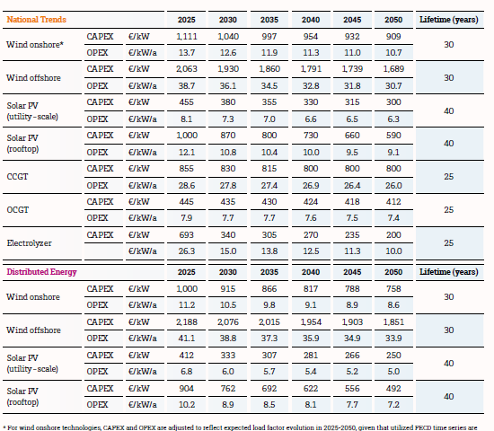
Row Labels | fom_cost | investment_cost | vom_cost | annuity | efficiency_full_load | interest_rate | lifetime_economic | lifetime_technical | EnergyToPowerRatio | ChargingEfficiency | DischargingEfficiency | SelfDischargeRatePerHour | source
fuel_cell | 40000 | 800000 |  |  | 0.5 |  | 10 | 10 |  |  |  |  | traderes same source but not in DB
hydrogen_CHP | 30000 | 730000 | 2.7 |  | 0.85 |  | 30 | 30 |  |  |  |  | role of hydrogen greenhouse gas paper Benjamin Lux
hydrogen_combined_cycle | 11250 | 750000 | 2.7 |  | 0.61 |  | 30 | 30 |  |  |  |  | misssing var costs > from role of hydrogen greenhouse gas paper Benjamin Lux
hydrogen_turbine | 8700 | 435000 | 1.5 |  | 0.4 |  | 30 | 30 |  |  |  |  | traderes
WTG_offshore | 39000 | 1800000 | 3.89 |  | 1 |  | 30 | 30 |  |  |  |  | traderes
WTG_onshore | 12600 | 1040000 | 1.35 |  | 1 |  | 25 | 25 |  |  |  |  | traderes
PV_utility_systems | 9500 | 380000 | 0 |  | 1 |  | 25 | 25 |  |  |  |  | traderes | efifiicey from entsoe repor
electrolyzer | 7000 | 350000 | 0 |  | 0.74 |  | 20 | 20 |  |  |  |  | traderes | vom costs = from role of hydrogen greenhouse gas paper Benjamin Lux

