Sheet1
number | bb_window | bb_ma_window | bb_multiply | vwap_multiply | vwap_begin_hour | sl | target | trail_stop | exit_type | from_hour | from_minute | hours | profit | drawdonw | win_rate
104 | 30 | 100 | 2.4 | 2.8 | 7 | 300 | 400 | 140 | 1 | 20 | 30 | 17 | 24835 | -3010 | 0.35318880236
20 | 30 | 80 | 1.8 | 1.2 | 16 | 350 | 400 | 80 | 1 | 18 | 30 | 17 | 23089 | -1575 | 0.30491803279
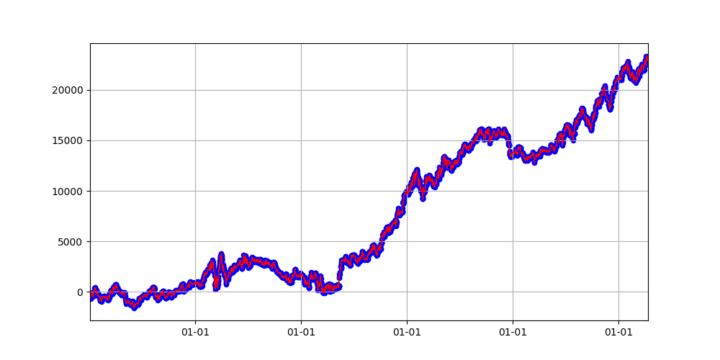
133 | 10 | 60 | 2.4 | 4 | 17 | 300 | 200 | 60 | 1 | 19 | 30 | 19 | 21873 | -1627 | 0.30732673267
151 | 10 | 80 | 1.2 | 1.2 | 17 | 150 | 400 | 100 | 1 | 20 | 30 | 16 | 19171 | -2195 | 0.30767419962
128 | 40 | 60 | 1.4 | 3.6 | 19 | 200 | 200 | 120 | 0 | 18 | 30 | 18 | 18976 | -1996 | 0.36173795891
96 | 20 | 40 | 3.8 | 2.4 | 21 | 300 | 150 | 140 | 1 | 21 | 30 | 12 | 18699 | -2516 | 0.33178546552
168 | 10 | 100 | 2.4 | 2.2 | 19 | 200 | 200 | 200 | 0 | 19 | 0 | 14 | 18165 | -2479 | 0.36485195798
171 | 50 | 60 | 2.2 | 3.8 | 9 | 200 | 200 | 160 | 1 | 20 | 30 | 16 | 18065 | -3856 | 0.34717134717
60 | 50 | 100 | 3.4 | 3.6 | 8 | 400 | 200 | 200 | 1 | 20 | 30 | 17 | 17918 | -2527 | 0.34836065574
34 | 30 | 60 | 1.4 | 3.2 | 16 | 250 | 200 | 160 | 1 | 18 | 0 | 16 | 17833 | -2098 | 0.31134564644
73 | 20 | 40 | 2 | 3.8 | 18 | 250 | 300 | 40 | 1 | 22 | 0 | 14 | 17445 | -2143 | 0.32821107567
63 | 20 | 80 | 3.4 | 3.8 | 8 | 300 | 200 | 120 | 1 | 20 | 30 | 16 | 17309 | -2565 | 0.35006195787
117 | 10 | 60 | 1.6 | 3.8 | 9 | 250 | 350 | 40 | 1 | 20 | 0 | 13 | 16295 | -2525 | 0.33613445378
147 | 50 | 80 | 3.8 | 2.4 | 9 | 200 | 200 | 20 | 1 | 18 | 30 | 20 | 16198 | -3494 | 0.32836554209
145 | 10 | 60 | 2.2 | 2.2 | 20 | 200 | 250 | 40 | 1 | 19 | 0 | 15 | 16166 | -3196 | 0.31583987742
51 | 50 | 80 | 1.8 | 2.2 | 16 | 400 | 250 | 60 | 1 | 22 | 30 | 16 | 15991 | -2260 | 0.32219982724
0 | 50 | 100 | 1.6 | 1 | 19 | 350 | 400 | 80 | 1 | 21 | 0 | 18 | 15935 | -2249 | 0.30070527891
46 | 10 | 80 | 1.6 | 2.6 | 8 | 400 | 300 | 140 | 0 | 18 | 30 | 19 | 15247 | -2774 | 0.37443663241
105 | 50 | 100 | 3 | 4 | 21 | 350 | 150 | 80 | 1 | 18 | 0 | 16 | 14869 | -2937 | 0.32528713257
26 | 40 | 60 | 1.4 | 1.4 | 20 | 250 | 250 | 140 | 1 | 19 | 30 | 19 | 14756 | -3764 | 0.3031995937
143 | 30 | 80 | 1.8 | 3.8 | 7 | 150 | 150 | 120 | 0 | 19 | 30 | 17 | 14477 | -1625 | 0.38300570704
103 | 30 | 100 | 2.2 | 3.4 | 17 | 250 | 350 | 200 | 0 | 16 | 30 | 20 | 14419 | -2467 | 0.34449178332
120 | 30 | 40 | 3.6 | 1.6 | 22 | 300 | 100 | 80 | 1 | 20 | 30 | 15 | 14291 | -2892 | 0.3374717833
125 | 40 | 80 | 1.6 | 2 | 18 | 300 | 350 | 140 | 0 | 22 | 0 | 11 | 14189 | -2585 | 0.37905151825
86 | 40 | 80 | 2.8 | 3.6 | 10 | 250 | 400 | 100 | 1 | 17 | 0 | 15 | 13941 | -1518 | 0.31633560629
94 | 20 | 60 | 3.6 | 2.8 | 16 | 250 | 250 | 60 | 0 | 18 | 30 | 17 | 13851 | -3688 | 0.35876163497
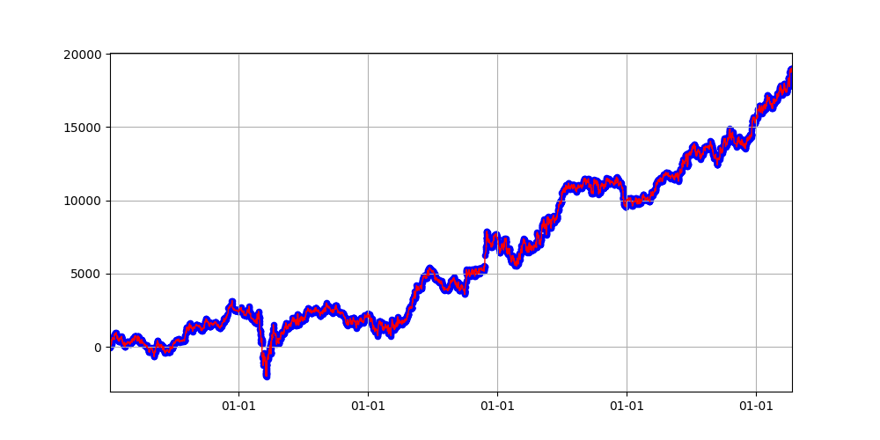
175 | 40 | 40 | 3.2 | 1.2 | 9 | 250 | 350 | 80 | 0 | 21 | 30 | 15 | 13610 | -2553 | 0.3593045718
42 | 50 | 60 | 1.6 | 2.6 | 20 | 300 | 250 | 140 | 0 | 21 | 0 | 15 | 13531 | -2818 | 0.36557955046
95 | 20 | 100 | 2.4 | 3.8 | 22 | 200 | 400 | 20 | 1 | 17 | 30 | 18 | 13449 | -3280 | 0.30810905278
27 | 50 | 40 | 2.2 | 2.2 | 10 | 300 | 200 | 180 | 1 | 17 | 0 | 19 | 13393 | -2391 | 0.34267563528
110 | 50 | 80 | 1.2 | 3.2 | 21 | 150 | 200 | 200 | 0 | 17 | 30 | 18 | 13057 | -1827 | 0.35981053015
7 | 50 | 60 | 3 | 3.2 | 16 | 350 | 200 | 120 | 0 | 18 | 30 | 19 | 12947 | -4406 | 0.35873076192
108 | 20 | 60 | 2.6 | 1.4 | 20 | 350 | 300 | 180 | 0 | 22 | 0 | 13 | 12732 | -1286 | 0.36554736555
170 | 20 | 100 | 1.8 | 2.6 | 17 | 150 | 50 | 120 | 1 | 20 | 0 | 16 | 12670 | -5681 | 0.38896426956
23 | 50 | 40 | 3.8 | 1.6 | 21 | 150 | 150 | 80 | 0 | 19 | 30 | 17 | 12268 | -2067 | 0.36632934683
102 | 10 | 100 | 2.6 | 3.2 | 20 | 200 | 250 | 160 | 0 | 16 | 0 | 18 | 12150 | -3328 | 0.36203208556
92 | 40 | 40 | 2.2 | 3.8 | 21 | 250 | 250 | 80 | 0 | 20 | 30 | 20 | 12077 | -2178 | 0.36078827691
61 | 30 | 80 | 3.4 | 1.6 | 18 | 350 | 250 | 80 | 0 | 22 | 0 | 10 | 11859 | -2203 | 0.38698758932
65 | 50 | 80 | 1.8 | 1.2 | 19 | 250 | 400 | 100 | 0 | 18 | 30 | 13 | 11639 | -2595 | 0.36887966805
49 | 40 | 80 | 3 | 3.6 | 18 | 400 | 300 | 200 | 1 | 16 | 30 | 16 | 11211 | -4187 | 0.30303030303
29 | 50 | 60 | 1.8 | 2.2 | 20 | 200 | 50 | 80 | 1 | 19 | 30 | 17 | 10700 | -3192 | 0.38527062999
130 | 20 | 60 | 1 | 4 | 21 | 350 | 400 | 180 | 0 | 21 | 0 | 19 | 10683 | -2852 | 0.36051131456
5 | 50 | 80 | 1.6 | 1 | 17 | 150 | 350 | 180 | 0 | 21 | 30 | 13 | 10581 | -3065 | 0.36581045173
25 | 10 | 60 | 2.4 | 3.8 | 20 | 100 | 200 | 120 | 1 | 20 | 30 | 20 | 10457 | -2977 | 0.29112862653
109 | 50 | 80 | 2 | 1.6 | 16 | 400 | 250 | 40 | 1 | 16 | 30 | 15 | 10390 | -4769 | 0.29639737991
172 | 10 | 100 | 1.6 | 2.4 | 17 | 150 | 50 | 180 | 0 | 19 | 30 | 15 | 9492 | -3911 | 0.41369248036
126 | 20 | 80 | 2.6 | 2.8 | 21 | 150 | 350 | 180 | 1 | 17 | 0 | 16 | 9466 | -4198 | 0.31318571714
39 | 30 | 60 | 2.4 | 2.6 | 9 | 100 | 100 | 120 | 0 | 22 | 30 | 12 | 9246 | -2994 | 0.39431137725
141 | 40 | 60 | 3 | 1.4 | 8 | 150 | 400 | 120 | 1 | 22 | 0 | 15 | 9237 | -2504 | 0.35112666813
93 | 40 | 60 | 2.6 | 1.6 | 16 | 300 | 200 | 180 | 0 | 22 | 0 | 19 | 9094 | -4743 | 0.36824605154
8 | 20 | 60 | 1.4 | 3.6 | 8 | 100 | 350 | 180 | 0 | 20 | 0 | 16 | 9024 | -2496 | 0.3753373469
35 | 40 | 80 | 2.6 | 3 | 9 | 400 | 350 | 200 | 1 | 18 | 30 | 9 | 8957 | -1520 | 0.36422845691
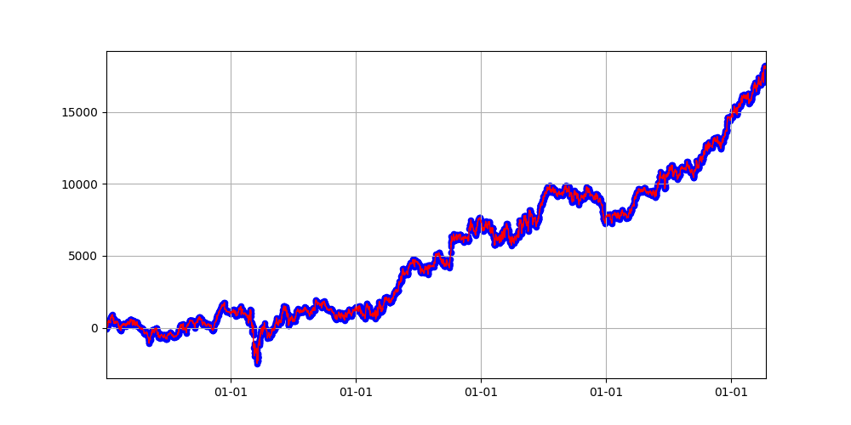
15 | 50 | 40 | 2 | 1.8 | 8 | 350 | 250 | 20 | 1 | 21 | 0 | 18 | 8848 | -4464 | 0.32773416104
158 | 10 | 100 | 2.2 | 2 | 19 | 150 | 50 | 60 | 1 | 16 | 30 | 16 | 8841 | -5901 | 0.38787991105
19 | 20 | 100 | 1.2 | 1.4 | 10 | 350 | 200 | 180 | 1 | 17 | 0 | 11 | 8808 | -1114 | 0.34878949528
152 | 10 | 80 | 3.2 | 4 | 19 | 250 | 300 | 40 | 1 | 19 | 0 | 9 | 8283 | -2142 | 0.34288692027
150 | 30 | 40 | 3.4 | 2.8 | 17 | 400 | 150 | 140 | 0 | 18 | 0 | 20 | 8197 | -1825 | 0.35259729414
71 | 50 | 60 | 3.6 | 1 | 7 | 100 | 400 | 180 | 0 | 18 | 0 | 16 | 8013 | -1197 | 0.37121737122
121 | 20 | 40 | 3.2 | 3.2 | 22 | 300 | 150 | 160 | 0 | 22 | 30 | 17 | 7780 | -2870 | 0.35881065305
70 | 50 | 60 | 2.4 | 1.6 | 20 | 150 | 250 | 40 | 1 | 18 | 0 | 14 | 7538 | -5249 | 0.31979381443
50 | 50 | 60 | 3.2 | 3.6 | 16 | 200 | 100 | 160 | 0 | 18 | 0 | 19 | 7513 | -6004 | 0.36380323054
87 | 40 | 60 | 2.6 | 3.6 | 8 | 400 | 350 | 120 | 0 | 16 | 30 | 17 | 7423 | -3768 | 0.37883195346
116 | 50 | 40 | 3.6 | 1.6 | 17 | 350 | 200 | 140 | 0 | 21 | 0 | 19 | 7228 | -3255 | 0.35717353952
135 | 50 | 100 | 3.8 | 2.8 | 18 | 100 | 200 | 120 | 0 | 20 | 0 | 12 | 7067 | -1834 | 0.37419354839
81 | 10 | 100 | 3.6 | 3.8 | 9 | 300 | 200 | 60 | 0 | 18 | 30 | 12 | 6790 | -2876 | 0.36472532012
113 | 40 | 80 | 1.2 | 4 | 20 | 250 | 400 | 100 | 1 | 16 | 30 | 15 | 6595 | -5389 | 0.32059314954
45 | 30 | 40 | 1.6 | 3.2 | 10 | 400 | 250 | 180 | 1 | 19 | 30 | 12 | 6391 | -4002 | 0.33032015066
154 | 10 | 40 | 2.4 | 1 | 10 | 300 | 50 | 200 | 1 | 18 | 0 | 20 | 6284 | -5786 | 0.38585365854
9 | 30 | 60 | 2.6 | 2.2 | 10 | 300 | 150 | 180 | 0 | 21 | 30 | 7 | 5804 | -1006 | 0.37713437268
24 | 40 | 100 | 2.6 | 3 | 21 | 200 | 250 | 180 | 0 | 20 | 30 | 7 | 5743 | -3779 | 0.3757794552
12 | 30 | 80 | 4 | 3.6 | 16 | 150 | 100 | 100 | 0 | 18 | 30 | 13 | 5727 | -5111 | 0.37077534791
4 | 20 | 80 | 2.2 | 1 | 19 | 50 | 400 | 120 | 1 | 19 | 0 | 19 | 5202 | -3161 | 0.25375326371
62 | 40 | 40 | 2.6 | 2.2 | 9 | 250 | 150 | 120 | 0 | 21 | 0 | 10 | 5098 | -2126 | 0.36857562408
88 | 40 | 100 | 1 | 1 | 9 | 100 | 250 | 100 | 1 | 20 | 0 | 9 | 5076 | -3419 | 0.36004714202
148 | 20 | 80 | 1.4 | 2.2 | 9 | 100 | 200 | 80 | 0 | 21 | 0 | 11 | 5025 | -2399 | 0.37870065789
53 | 20 | 60 | 2.8 | 1.2 | 9 | 50 | 400 | 140 | 0 | 22 | 30 | 16 | 4911 | -4573 | 0.33451118963
59 | 20 | 100 | 1.8 | 1.4 | 19 | 50 | 50 | 200 | 0 | 22 | 30 | 13 | 4788 | -1679 | 0.38591117917
124 | 20 | 60 | 2.8 | 3 | 16 | 350 | 350 | 160 | 1 | 16 | 30 | 14 | 4313 | -7988 | 0.29549019608
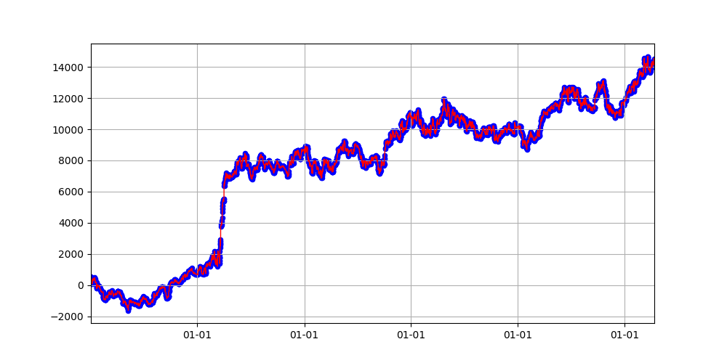
#2-No.143
36 | 10 | 100 | 3.8 | 2.2 | 17 | 150 | 50 | 60 | 1 | 22 | 0 | 10 | 4312 | -3976 | 0.40124175398
56 | 20 | 80 | 3.4 | 4 | 9 | 150 | 50 | 100 | 0 | 19 | 0 | 8 | 4155 | -567 | 0.39680792515
140 | 50 | 40 | 1.8 | 3.4 | 21 | 350 | 250 | 80 | 1 | 21 | 30 | 9 | 4085 | -5738 | 0.33250078052
14 | 50 | 40 | 2.4 | 1.8 | 10 | 150 | 300 | 200 | 0 | 16 | 0 | 16 | 4084 | -2495 | 0.36243822076
129 | 40 | 100 | 2.4 | 1.4 | 20 | 200 | 50 | 40 | 0 | 19 | 30 | 12 | 4012 | -2352 | 0.40793263904
139 | 10 | 60 | 1.6 | 2.6 | 21 | 250 | 200 | 140 | 1 | 19 | 0 | 11 | 3934 | -6091 | 0.3425
77 | 30 | 80 | 3.8 | 3.4 | 19 | 200 | 350 | 80 | 0 | 21 | 0 | 8 | 3883 | -3629 | 0.38898601399
98 | 50 | 80 | 3 | 2.4 | 19 | 400 | 300 | 20 | 1 | 16 | 30 | 10 | 3879 | -3826 | 0.35027365129
118 | 40 | 80 | 2 | 1.4 | 19 | 150 | 300 | 120 | 0 | 17 | 30 | 10 | 3855 | -3919 | 0.36121577493
52 | 10 | 100 | 2.6 | 1.2 | 21 | 400 | 250 | 100 | 0 | 22 | 30 | 6 | 3555 | -1588 | 0.38183749336
123 | 40 | 100 | 2.4 | 2.4 | 20 | 400 | 350 | 200 | 1 | 18 | 30 | 9 | 3547 | -4275 | 0.34375
136 | 20 | 80 | 2.6 | 3.4 | 17 | 50 | 150 | 100 | 1 | 22 | 30 | 6 | 3481 | -1925 | 0.35972850679
76 | 30 | 40 | 3.2 | 1.6 | 17 | 350 | 100 | 80 | 1 | 17 | 0 | 5 | 3373 | -240 | 0.35984354628
137 | 20 | 100 | 3.2 | 1.4 | 9 | 200 | 150 | 40 | 1 | 19 | 0 | 7 | 3197 | -1656 | 0.38780487805
48 | 20 | 100 | 1.8 | 4 | 18 | 250 | 250 | 60 | 1 | 17 | 0 | 14 | 3101 | -5982 | 0.29985969132
134 | 30 | 80 | 4 | 2 | 9 | 100 | 100 | 80 | 1 | 21 | 30 | 8 | 3047 | -2492 | 0.39504373178
41 | 40 | 40 | 3 | 2.2 | 20 | 400 | 50 | 140 | 1 | 22 | 30 | 9 | 2955 | -2696 | 0.40016070711
55 | 10 | 100 | 3.4 | 2.4 | 18 | 400 | 350 | 40 | 0 | 22 | 0 | 4 | 2929 | -2260 | 0.41575859179
138 | 50 | 80 | 1.4 | 2.4 | 16 | 150 | 300 | 80 | 0 | 17 | 30 | 9 | 2862 | -3610 | 0.35027119612
82 | 40 | 60 | 1.2 | 3.4 | 10 | 400 | 150 | 160 | 0 | 22 | 0 | 4 | 2652 | -1329 | 0.38620689655
18 | 50 | 40 | 4 | 1.8 | 18 | 100 | 200 | 140 | 0 | 21 | 0 | 6 | 2452 | -2697 | 0.36252446184
101 | 50 | 100 | 1.8 | 2.8 | 20 | 400 | 350 | 20 | 0 | 20 | 30 | 7 | 2361 | -4524 | 0.37293420642
169 | 10 | 40 | 3.6 | 1.2 | 16 | 50 | 200 | 180 | 0 | 22 | 30 | 13 | 1923 | -4642 | 0.33705283886
31 | 10 | 80 | 2.6 | 2.2 | 7 | 300 | 300 | 40 | 0 | 21 | 0 | 9 | 1905 | -1659 | 0.38267614738
173 | 30 | 100 | 2.4 | 3.2 | 16 | 100 | 100 | 120 | 0 | 18 | 0 | 9 | 1872 | -4139 | 0.36270057523
144 | 30 | 100 | 2.4 | 1.4 | 16 | 400 | 350 | 100 | 0 | 17 | 30 | 4 | 1747 | -492 | 0.36376811594
115 | 10 | 60 | 2.8 | 3.4 | 10 | 200 | 100 | 40 | 1 | 20 | 30 | 11 | 1645 | -3601 | 0.3619047619
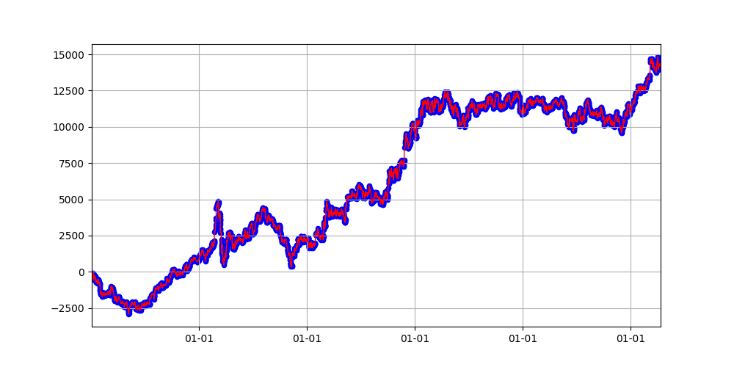
#2-No.120
166 | 10 | 40 | 1.8 | 1.4 | 8 | 100 | 400 | 20 | 1 | 16 | 30 | 11 | 1613 | -4177 | 0.32333184057
153 | 10 | 40 | 3.8 | 3.8 | 19 | 250 | 200 | 140 | 0 | 18 | 0 | 10 | 1493 | -3583 | 0.34392991239
127 | 10 | 100 | 3.4 | 3.2 | 19 | 100 | 350 | 60 | 0 | 16 | 0 | 13 | 1381 | -5282 | 0.35553448685
97 | 50 | 40 | 1.8 | 3.2 | 8 | 300 | 250 | 140 | 1 | 22 | 30 | 7 | 1251 | -2631 | 0.38962264151
84 | 30 | 100 | 3 | 1 | 18 | 50 | 100 | 60 | 0 | 21 | 30 | 18 | 1245 | -4413 | 0.33669724771
161 | 20 | 80 | 1.4 | 1 | 16 | 300 | 350 | 200 | 0 | 21 | 30 | 4 | 1240 | -3614 | 0.38807189542
83 | 20 | 80 | 1.8 | 2 | 9 | 150 | 350 | 160 | 0 | 17 | 0 | 6 | 1119 | -1977 | 0.36357659435
156 | 30 | 60 | 2.6 | 1.2 | 19 | 250 | 400 | 20 | 1 | 16 | 30 | 8 | 1047 | -5517 | 0.36068986024
165 | 10 | 100 | 4 | 4 | 10 | 100 | 300 | 40 | 0 | 21 | 30 | 18 | 991 | -8957 | 0.34774468085
57 | 10 | 80 | 2.8 | 2.6 | 8 | 350 | 350 | 120 | 0 | 22 | 30 | 8 | 986 | -3375 | 0.37601776462
11 | 20 | 40 | 4 | 2.6 | 8 | 50 | 150 | 20 | 0 | 22 | 0 | 14 | 984 | -3847 | 0.34870250232
66 | 40 | 60 | 2.4 | 3.4 | 16 | 250 | 300 | 180 | 1 | 16 | 30 | 5 | 969 | -964 | 0.33978638184
69 | 30 | 80 | 1 | 1.4 | 8 | 250 | 50 | 80 | 1 | 18 | 30 | 12 | 929 | -4331 | 0.39143730887
72 | 30 | 40 | 1.8 | 3.4 | 17 | 150 | 400 | 20 | 1 | 16 | 30 | 5 | 866 | -904 | 0.3558792924
107 | 30 | 40 | 1.8 | 2.2 | 9 | 400 | 250 | 80 | 1 | 17 | 0 | 7 | 656 | -3019 | 0.3688477128
155 | 20 | 80 | 1 | 1.8 | 18 | 150 | 150 | 20 | 1 | 19 | 30 | 6 | 629 | -4079 | 0.3710596278
74 | 40 | 40 | 3.2 | 1.8 | 16 | 250 | 400 | 160 | 0 | 19 | 30 | 11 | 442 | -5118 | 0.34656925032
54 | 20 | 40 | 2.2 | 3.6 | 9 | 250 | 150 | 120 | 0 | 19 | 30 | 4 | 403 | -1473 | 0.38253825383
174 | 20 | 60 | 2.4 | 2 | 17 | 100 | 300 | 140 | 0 | 17 | 30 | 13 | 369 | -6747 | 0.33553992553
37 | 50 | 100 | 3.4 | 3.2 | 9 | 300 | 100 | 60 | 0 | 16 | 0 | 4 | 286 | -1459 | 0.38288288288
30 | 30 | 100 | 2.8 | 3.6 | 10 | 300 | 150 | 60 | 1 | 19 | 0 | 5 | 185 | -2728 | 0.40781710914
6 | 50 | 60 | 1.2 | 2 | 20 | 100 | 100 | 200 | 0 | 20 | 0 | 7 | 159 | -4123 | 0.37492519449
2 | 50 | 60 | 3 | 1 | 19 | 50 | 100 | 20 | 0 | 18 | 0 | 19 | 39 | -3181 | 0.33568036679
22 | 10 | 100 | 2.2 | 2.6 | 17 | 100 | 300 | 200 | 0 | 16 | 0 | 9 | 24 | -4719 | 0.33791074056
78 | 30 | 40 | 2.8 | 4 | 20 | 350 | 300 | 40 | 1 | 19 | 0 | 6 | -162 | -3890 | 0.37373737374
13 | 20 | 40 | 1.6 | 3.4 | 20 | 400 | 400 | 40 | 0 | 21 | 30 | 5 | -261 | -2881 | 0.35792349727
90 | 40 | 40 | 1.4 | 2.4 | 9 | 100 | 250 | 100 | 0 | 17 | 0 | 8 | -313 | -3775 | 0.35514511873
10 | 10 | 80 | 2.6 | 3.6 | 20 | 300 | 50 | 100 | 1 | 21 | 30 | 9 | -338 | -4322 | 0.38455657492
40 | 10 | 40 | 4 | 3.8 | 20 | 150 | 300 | 20 | 1 | 16 | 30 | 10 | -358 | -4938 | 0.34853146853
44 | 30 | 80 | 3 | 2.6 | 7 | 250 | 250 | 60 | 0 | 19 | 30 | 11 | -437 | -3722 | 0.36712052446
159 | 20 | 80 | 3.4 | 4 | 7 | 350 | 150 | 40 | 1 | 18 | 30 | 4 | -516 | -2768 | 0.39753639418
47 | 50 | 60 | 3 | 2.8 | 7 | 150 | 350 | 40 | 0 | 19 | 30 | 7 | -535 | -2084 | 0.36750348675
131 | 50 | 40 | 2.4 | 2.2 | 10 | 50 | 300 | 40 | 0 | 17 | 30 | 16 | -592 | -3682 | 0.32851296044
162 | 50 | 100 | 1.6 | 2.4 | 21 | 50 | 250 | 80 | 0 | 20 | 30 | 17 | -779 | -5988 | 0.31885651457
164 | 50 | 100 | 1.6 | 1.6 | 22 | 200 | 350 | 80 | 1 | 20 | 30 | 10 | -1169 | -6640 | 0.32586343264
75 | 40 | 100 | 2.2 | 3.2 | 8 | 400 | 250 | 40 | 0 | 19 | 0 | 4 | -1227 | -3469 | 0.4014014014
85 | 40 | 60 | 1.8 | 1.6 | 20 | 150 | 400 | 40 | 0 | 17 | 30 | 8 | -1237 | -4946 | 0.36417445483
38 | 20 | 80 | 2.4 | 1.2 | 16 | 200 | 50 | 200 | 1 | 16 | 0 | 9 | -1257 | -3622 | 0.36224489796
1 | 50 | 40 | 1.4 | 2.8 | 21 | 200 | 100 | 180 | 1 | 17 | 30 | 5 | -1540 | -1685 | 0.43696969697
91 | 30 | 100 | 3.6 | 2.8 | 20 | 300 | 50 | 120 | 1 | 16 | 0 | 6 | -1561 | -3827 | 0.43094688222
160 | 30 | 60 | 3.2 | 3.2 | 22 | 250 | 250 | 120 | 1 | 19 | 30 | 11 | -1597 | -7297 | 0.32979529947
157 | 50 | 100 | 2.4 | 2.8 | 19 | 250 | 100 | 160 | 0 | 16 | 30 | 6 | -1721 | -4563 | 0.37919826652
163 | 30 | 40 | 2.4 | 2.8 | 22 | 50 | 100 | 140 | 0 | 18 | 30 | 19 | -1802 | -5169 | 0.33543778036
111 | 20 | 80 | 3.6 | 4 | 19 | 50 | 300 | 40 | 1 | 20 | 30 | 11 | -2051 | -4240 | 0.27661971831
142 | 50 | 100 | 2.6 | 1.4 | 7 | 150 | 350 | 200 | 1 | 17 | 0 | 12 | -2068 | -5386 | 0.32971907344
80 | 30 | 80 | 3.4 | 3.4 | 20 | 50 | 250 | 140 | 0 | 16 | 30 | 20 | -2302 | -5994 | 0.32439633639
17 | 50 | 60 | 4 | 1.4 | 8 | 100 | 100 | 140 | 0 | 16 | 0 | 4 | -2322 | -3936 | 0.37288135593
68 | 20 | 40 | 2.8 | 1.8 | 19 | 400 | 350 | 200 | 0 | 16 | 30 | 8 | -2487 | -4865 | 0.35104812518
99 | 10 | 80 | 2.8 | 3 | 22 | 150 | 300 | 80 | 0 | 22 | 30 | 7 | -2659 | -5151 | 0.35624123422
32 | 20 | 100 | 3.2 | 3.4 | 7 | 400 | 350 | 160 | 1 | 18 | 30 | 7 | -2676 | -4534 | 0.38601398601
132 | 30 | 40 | 3.2 | 2 | 20 | 50 | 350 | 180 | 1 | 18 | 30 | 18 | -2677 | -5409 | 0.25668634943
16 | 40 | 100 | 1.8 | 3 | 22 | 350 | 100 | 40 | 1 | 17 | 0 | 9 | -3147 | -4663 | 0.3692841375
33 | 30 | 80 | 3.6 | 3.2 | 20 | 50 | 100 | 40 | 0 | 17 | 0 | 20 | -3183 | -5626 | 0.33283507723
21 | 50 | 60 | 1.6 | 2.4 | 8 | 50 | 300 | 40 | 1 | 19 | 30 | 20 | -3442 | -9243 | 0.27227059612
58 | 30 | 60 | 1.4 | 1.4 | 17 | 50 | 200 | 80 | 1 | 22 | 30 | 9 | -3659 | -5216 | 0.29145728643
64 | 50 | 100 | 1.4 | 1.4 | 22 | 400 | 50 | 160 | 0 | 16 | 30 | 7 | -3879 | -4861 | 0.40791333019
28 | 20 | 80 | 3.2 | 2.4 | 8 | 350 | 350 | 120 | 1 | 17 | 30 | 6 | -4289 | -5463 | 0.36219336219
122 | 10 | 40 | 1.8 | 1.6 | 20 | 50 | 50 | 140 | 0 | 17 | 0 | 16 | -4378 | -6479 | 0.36932353495
106 | 40 | 40 | 3 | 2.6 | 18 | 250 | 200 | 120 | 1 | 16 | 0 | 5 | -4511 | -5300 | 0.36905790838
89 | 10 | 40 | 3.6 | 1 | 18 | 50 | 400 | 120 | 1 | 21 | 0 | 10 | -4610 | -6955 | 0.28028169014
100 | 30 | 100 | 2 | 3 | 7 | 200 | 300 | 200 | 0 | 17 | 0 | 7 | -4771 | -7188 | 0.35561681599
79 | 40 | 80 | 1.6 | 2.8 | 7 | 50 | 150 | 200 | 1 | 19 | 0 | 14 | -4991 | -6454 | 0.31570469799
167 | 20 | 60 | 1 | 2.8 | 7 | 200 | 350 | 20 | 1 | 17 | 30 | 8 | -5291 | -6923 | 0.36689741976
67 | 10 | 100 | 1.4 | 3.2 | 8 | 50 | 100 | 100 | 1 | 17 | 30 | 8 | -5994 | -6803 | 0.32320280538
114 | 10 | 40 | 3.6 | 2.8 | 8 | 50 | 50 | 80 | 0 | 16 | 30 | 8 | -6068 | -6995 | 0.35422656699
149 | 30 | 100 | 1 | 2 | 16 | 50 | 200 | 80 | 1 | 17 | 30 | 14 | -7797 | -8705 | 0.25391304348
43 | 40 | 40 | 1 | 1 | 20 | 50 | 400 | 140 | 0 | 17 | 30 | 7 | -8108 | -9121 | 0.33547731889
146 | 30 | 60 | 2.6 | 3.8 | 20 | 50 | 200 | 40 | 1 | 19 | 30 | 12 | -8272 | -9756 | 0.27192008879
119 | 40 | 100 | 3 | 3.6 | 7 | 50 | 250 | 140 | 1 | 16 | 30 | 13 | -9121 | -11842 | 0.26916140667
112 | 40 | 60 | 1.6 | 3.2 | 18 | 50 | 350 | 160 | 1 | 16 | 30 | 8 | -10037 | -11526 | 0.29204975663
3 | 50 | 80 | 3.4 | 2.2 | 22 | 50 | 350 | 100 | 0 | 16 | 0 | 13 | -11779 | -12260 | 0.32413269182

Sheet1 (2)
number | bb_window | bb_ma_window | bb_multiply | vwap_multiply | vwap_begin_hour | sl | target | trail_stop | exit_type | from_hour | from_minute | hours | profit | drawdonw | win_rate
68 | 20 | 60 | 3.4 | 3.2 | 19 | 350 | 350 | 100 | 1 | 18 | 30 | 18 | 23781 | -780 | 0.30679117148
60 | 10 | 100 | 1.4 | 1.2 | 20 | 250 | 400 | 120 | 1 | 17 | 30 | 19 | 19021 | -2791 | 0.30663221361
#3-No.68
13 | 10 | 40 | 2.8 | 2.4 | 18 | 400 | 150 | 180 | 1 | 21 | 30 | 14 | 18828 | -2412 | 0.33807829181
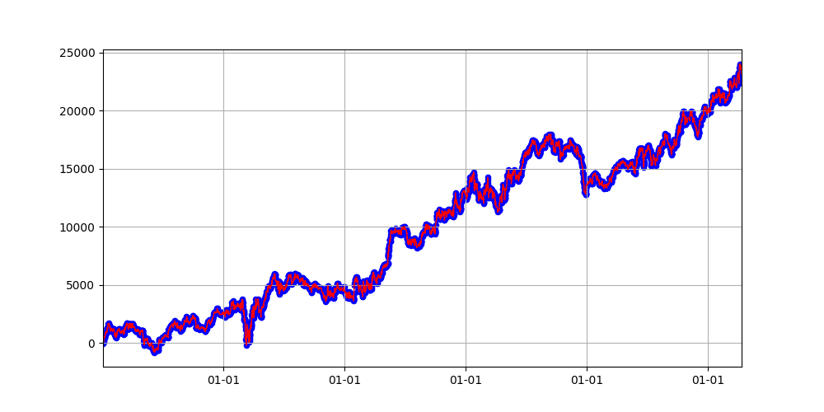
85 | 20 | 60 | 1 | 1.6 | 9 | 250 | 200 | 200 | 0 | 20 | 0 | 16 | 18500 | -2887 | 0.37672502575
71 | 40 | 60 | 1.2 | 1.6 | 9 | 300 | 300 | 140 | 0 | 19 | 30 | 16 | 18377 | -3030 | 0.37838405037
66 | 20 | 80 | 1.6 | 1.2 | 9 | 200 | 200 | 200 | 1 | 18 | 0 | 16 | 18144 | -3135 | 0.35002395783
63 | 20 | 100 | 2.2 | 4 | 8 | 300 | 200 | 100 | 1 | 20 | 30 | 17 | 17980 | -2527 | 0.34867394696
32 | 30 | 60 | 2.2 | 3.6 | 21 | 350 | 250 | 80 | 1 | 20 | 30 | 15 | 17833 | -2504 | 0.31061806656
65 | 40 | 100 | 1.2 | 3.8 | 19 | 400 | 200 | 160 | 0 | 21 | 0 | 15 | 17103 | -2049 | 0.37639515555
6 | 20 | 40 | 2 | 1.4 | 7 | 350 | 400 | 200 | 1 | 21 | 30 | 14 | 16963 | -2029 | 0.37206396802
17 | 40 | 80 | 1.2 | 1.4 | 21 | 400 | 400 | 40 | 1 | 20 | 0 | 15 | 15521 | -2403 | 0.31547736707
26 | 20 | 40 | 1 | 2.4 | 9 | 300 | 400 | 160 | 0 | 20 | 0 | 16 | 15170 | -2553 | 0.369592089
19 | 10 | 100 | 3.8 | 1 | 16 | 250 | 350 | 80 | 1 | 21 | 0 | 19 | 14734 | -2677 | 0.29897137746
46 | 20 | 80 | 3.8 | 1.2 | 7 | 150 | 150 | 100 | 1 | 16 | 0 | 20 | 14485 | -1174 | 0.34861857252
1 | 10 | 80 | 2 | 2 | 21 | 250 | 200 | 140 | 0 | 17 | 0 | 17 | 14018 | -1537 | 0.36184335293
43 | 30 | 60 | 3.4 | 2.8 | 19 | 150 | 400 | 60 | 0 | 17 | 30 | 20 | 13981 | -2847 | 0.35825695449
69 | 30 | 80 | 1.4 | 1.4 | 7 | 200 | 300 | 200 | 0 | 19 | 30 | 16 | 13972 | -1484 | 0.38772787906
8 | 40 | 60 | 3.6 | 3 | 16 | 200 | 150 | 80 | 0 | 18 | 30 | 19 | 12289 | -4359 | 0.36137485758
28 | 50 | 100 | 2.6 | 1.6 | 10 | 250 | 400 | 80 | 1 | 20 | 0 | 17 | 11803 | -2629 | 0.34144472121
52 | 50 | 60 | 2 | 1 | 20 | 400 | 100 | 60 | 1 | 17 | 30 | 19 | 11593 | -2937 | 0.34015477214
3 | 30 | 100 | 1.4 | 1.8 | 10 | 400 | 200 | 20 | 0 | 19 | 30 | 18 | 10669 | -5016 | 0.36684926665
37 | 20 | 60 | 3.2 | 2.2 | 21 | 200 | 50 | 120 | 1 | 20 | 30 | 14 | 10007 | -3703 | 0.38569682152
75 | 30 | 40 | 2.8 | 1 | 22 | 400 | 250 | 40 | 0 | 22 | 30 | 19 | 9959 | -2448 | 0.354625933
79 | 20 | 100 | 1.8 | 1.8 | 7 | 100 | 400 | 160 | 0 | 22 | 30 | 12 | 9928 | -2080 | 0.3892713712
38 | 30 | 40 | 2 | 2.8 | 22 | 400 | 300 | 180 | 0 | 21 | 30 | 14 | 9927 | -2322 | 0.35703185703
56 | 50 | 80 | 1.6 | 2.8 | 10 | 300 | 250 | 20 | 1 | 20 | 30 | 14 | 9854 | -3268 | 0.33472803347
9 | 10 | 80 | 4 | 2.8 | 16 | 200 | 250 | 120 | 0 | 18 | 0 | 14 | 9543 | -3747 | 0.3606411398
15 | 20 | 40 | 2 | 2.2 | 20 | 300 | 250 | 40 | 1 | 22 | 30 | 20 | 9285 | -2325 | 0.29953302201
55 | 30 | 40 | 4 | 3.8 | 8 | 150 | 200 | 160 | 0 | 22 | 0 | 17 | 9170 | -2480 | 0.36010709505
25 | 30 | 40 | 1.4 | 1.4 | 10 | 250 | 300 | 200 | 0 | 19 | 0 | 19 | 8902 | -3261 | 0.35743039249
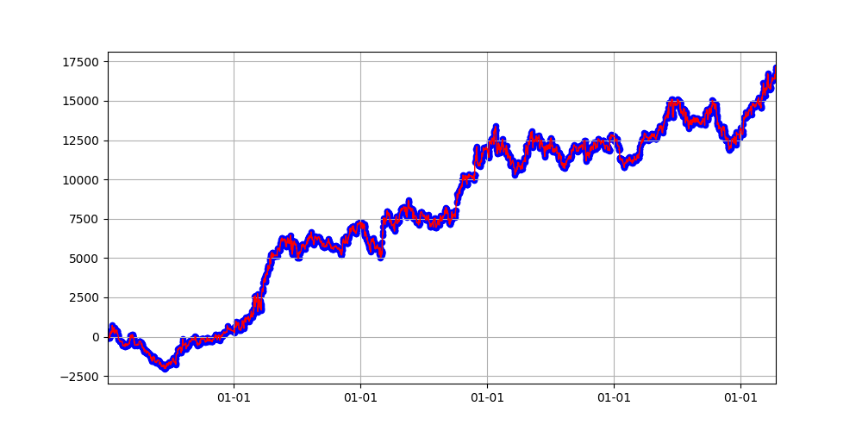
#3-No.6
73 | 40 | 80 | 1.4 | 2.2 | 16 | 350 | 200 | 40 | 1 | 19 | 0 | 11 | 8441 | -4004 | 0.33974156949
7 | 50 | 100 | 2.8 | 1.6 | 10 | 350 | 150 | 60 | 1 | 18 | 30 | 11 | 8374 | -2332 | 0.36665152204
29 | 10 | 60 | 3.2 | 2.6 | 9 | 150 | 200 | 160 | 1 | 17 | 0 | 11 | 8325 | -1263 | 0.34382978723
67 | 30 | 100 | 2.8 | 2.2 | 16 | 200 | 400 | 60 | 1 | 18 | 0 | 13 | 8003 | -7293 | 0.31308874566
59 | 20 | 60 | 2.2 | 2 | 22 | 150 | 50 | 200 | 1 | 20 | 30 | 20 | 7932 | -3063 | 0.3722992583
24 | 10 | 60 | 2.4 | 1.8 | 9 | 400 | 200 | 120 | 1 | 18 | 30 | 12 | 7326 | -1630 | 0.33678971381
2 | 30 | 100 | 2.2 | 3.8 | 8 | 100 | 300 | 60 | 1 | 18 | 30 | 20 | 7267 | -5423 | 0.31753391722
40 | 20 | 80 | 3.2 | 3.4 | 20 | 150 | 50 | 140 | 1 | 22 | 0 | 17 | 7177 | -2625 | 0.37882298424
42 | 40 | 40 | 1.4 | 1.2 | 9 | 400 | 300 | 140 | 0 | 22 | 0 | 9 | 6309 | -2351 | 0.37342908438
22 | 30 | 60 | 2.4 | 2 | 10 | 100 | 150 | 120 | 0 | 19 | 30 | 9 | 6241 | -1000 | 0.3795620438
70 | 40 | 40 | 1.8 | 1 | 16 | 250 | 50 | 180 | 1 | 19 | 30 | 13 | 6059 | -6053 | 0.39513835014
53 | 10 | 80 | 2.6 | 4 | 9 | 200 | 50 | 160 | 1 | 19 | 30 | 13 | 6057 | -4406 | 0.39162049861
58 | 30 | 80 | 3.6 | 4 | 8 | 200 | 250 | 40 | 0 | 19 | 0 | 13 | 5699 | -2603 | 0.37621621622
76 | 20 | 100 | 2.4 | 2.6 | 10 | 150 | 350 | 160 | 1 | 21 | 30 | 20 | 5066 | -6067 | 0.32208201893
0 | 10 | 60 | 1.4 | 3.2 | 17 | 400 | 100 | 200 | 0 | 17 | 30 | 14 | 4812 | -5137 | 0.35497342445
18 | 10 | 40 | 3.2 | 2.4 | 10 | 150 | 50 | 60 | 1 | 19 | 30 | 16 | 4601 | -5864 | 0.39760348584
20 | 20 | 40 | 1.6 | 1.2 | 21 | 100 | 100 | 40 | 1 | 20 | 30 | 17 | 4467 | -4686 | 0.32465854559
78 | 10 | 60 | 1.2 | 3.2 | 18 | 250 | 200 | 80 | 0 | 17 | 30 | 10 | 3938 | -2838 | 0.33853681267
51 | 40 | 40 | 1 | 1.2 | 10 | 50 | 400 | 20 | 0 | 20 | 0 | 7 | 3782 | -1388 | 0.3515625
30 | 40 | 40 | 3.8 | 1.4 | 17 | 250 | 100 | 20 | 0 | 22 | 0 | 6 | 3568 | -2584 | 0.36417322835
21 | 30 | 80 | 1 | 4 | 9 | 100 | 250 | 100 | 1 | 20 | 0 | 12 | 3466 | -3808 | 0.32584697373
31 | 50 | 80 | 1.6 | 3 | 9 | 250 | 350 | 40 | 0 | 20 | 0 | 6 | 3406 | -1149 | 0.39316239316
10 | 20 | 80 | 1.2 | 3.6 | 16 | 200 | 350 | 60 | 0 | 20 | 30 | 6 | 3314 | -2599 | 0.38372093023
23 | 30 | 80 | 3.2 | 2.4 | 8 | 250 | 300 | 180 | 0 | 20 | 30 | 11 | 3312 | -2985 | 0.38243006993
5 | 20 | 100 | 3 | 2.4 | 19 | 350 | 300 | 140 | 0 | 17 | 0 | 9 | 3126 | -3042 | 0.36427795874
80 | 50 | 80 | 3.2 | 2 | 8 | 300 | 300 | 80 | 1 | 18 | 0 | 9 | 2844 | -2686 | 0.34578947368
44 | 50 | 40 | 2 | 1.8 | 9 | 250 | 150 | 180 | 0 | 16 | 30 | 9 | 2036 | -1153 | 0.35955598456
33 | 20 | 100 | 3.6 | 2 | 10 | 100 | 300 | 160 | 0 | 19 | 30 | 7 | 1935 | -2883 | 0.37609841828
34 | 10 | 80 | 2.2 | 2 | 17 | 400 | 150 | 80 | 1 | 17 | 0 | 5 | 1724 | -588 | 0.35089430894
27 | 30 | 80 | 2.2 | 2.8 | 8 | 300 | 250 | 60 | 0 | 20 | 0 | 4 | 1285 | -1215 | 0.40985221675
54 | 10 | 40 | 1.8 | 4 | 16 | 200 | 250 | 200 | 1 | 17 | 0 | 6 | 1067 | -2448 | 0.34401850628
48 | 30 | 100 | 2 | 3.8 | 9 | 200 | 300 | 160 | 1 | 19 | 0 | 6 | 826 | -2232 | 0.39471902505
35 | 10 | 40 | 3.6 | 1.4 | 18 | 400 | 350 | 120 | 0 | 19 | 0 | 4 | 741 | -1997 | 0.35753482482
62 | 30 | 60 | 1 | 1.2 | 19 | 350 | 250 | 40 | 0 | 21 | 0 | 4 | 644 | -1859 | 0.39390243902
72 | 40 | 60 | 3.4 | 1.2 | 7 | 50 | 250 | 80 | 1 | 18 | 0 | 18 | 87 | -4406 | 0.29625843386
49 | 30 | 40 | 4 | 3.8 | 21 | 50 | 150 | 60 | 0 | 21 | 30 | 13 | -79 | -5875 | 0.33530571992
36 | 10 | 60 | 2.8 | 3 | 7 | 150 | 100 | 40 | 0 | 19 | 0 | 7 | -105 | -1203 | 0.37341772152
50 | 30 | 60 | 3.6 | 1.4 | 16 | 400 | 50 | 200 | 1 | 22 | 0 | 8 | -501 | -5723 | 0.40369088812
41 | 30 | 100 | 1.2 | 1.2 | 7 | 400 | 100 | 120 | 0 | 20 | 0 | 4 | -836 | -2207 | 0.41394335512
14 | 30 | 60 | 2.6 | 2 | 19 | 350 | 200 | 60 | 0 | 17 | 0 | 5 | -1029 | -2757 | 0.37565709664
83 | 50 | 40 | 1.8 | 1.8 | 21 | 200 | 250 | 40 | 0 | 16 | 0 | 9 | -1151 | -3448 | 0.36672504378
12 | 40 | 80 | 3.8 | 2 | 22 | 300 | 350 | 140 | 0 | 18 | 30 | 9 | -1305 | -4540 | 0.35803167421
84 | 50 | 40 | 3.8 | 2.6 | 9 | 100 | 250 | 180 | 0 | 17 | 0 | 6 | -1494 | -4095 | 0.35756385069
45 | 30 | 80 | 2.8 | 1.6 | 22 | 150 | 100 | 40 | 1 | 18 | 0 | 12 | -1546 | -3872 | 0.34639537805
57 | 50 | 80 | 1.2 | 2 | 20 | 50 | 400 | 160 | 1 | 22 | 0 | 6 | -1721 | -4649 | 0.31916038751
47 | 50 | 100 | 2.4 | 1.6 | 20 | 100 | 250 | 140 | 0 | 16 | 30 | 9 | -2611 | -5915 | 0.36576576577
16 | 30 | 40 | 2.6 | 1.8 | 18 | 300 | 350 | 100 | 0 | 16 | 0 | 9 | -2834 | -4268 | 0.3320502951
82 | 10 | 100 | 3.2 | 1.8 | 8 | 200 | 250 | 40 | 0 | 16 | 30 | 13 | -2846 | -7276 | 0.34621848739
11 | 50 | 80 | 2 | 2.6 | 7 | 50 | 50 | 20 | 1 | 19 | 30 | 8 | -2999 | -4587 | 0.3562855338
86 | 10 | 40 | 3 | 3.8 | 18 | 50 | 350 | 180 | 1 | 18 | 30 | 20 | -3578 | -6662 | 0.23759141123
74 | 40 | 60 | 2.6 | 3.8 | 22 | 50 | 250 | 80 | 1 | 22 | 30 | 17 | -3696 | -5507 | 0.24739630915
77 | 50 | 60 | 4 | 1.8 | 18 | 350 | 300 | 140 | 1 | 17 | 30 | 5 | -4765 | -5065 | 0.32974427995
81 | 40 | 80 | 3.4 | 1.6 | 20 | 300 | 400 | 60 | 0 | 17 | 0 | 4 | -4784 | -5089 | 0.4084720121
64 | 40 | 60 | 1.2 | 1.8 | 18 | 50 | 150 | 20 | 1 | 17 | 0 | 20 | -6224 | -7549 | 0.25677559238
61 | 40 | 100 | 1 | 2.8 | 17 | 50 | 100 | 40 | 0 | 16 | 30 | 9 | -6275 | -7315 | 0.31838997349
4 | 50 | 100 | 3 | 3.6 | 21 | 50 | 250 | 120 | 0 | 16 | 30 | 14 | -10250 | -12750 | 0.31917973462
39 | 10 | 100 | 2.4 | 3 | 10 | 50 | 50 | 60 | 1 | 21 | 30 | 19 | -10900 | -12849 | 0.34579288026

Sheet1 (3)
number | bb_window | bb_ma_window | bb_multiply | vwap_multiply | vwap_begin_hour | sl | target | trail_stop | exit_type | from_hour | from_minute | hours | profit | drawdonw | win_rate
68 | 10 | 60 | 2.6 | 1.8 | 18 | 400 | 400 | 100 | 1 | 20 | 0 | 13 | 24688 | -720 | 0.32393681652
65 | 20 | 100 | 3.8 | 1.2 | 17 | 350 | 400 | 200 | 1 | 16 | 0 | 20 | 23201 | -2436 | 0.29488557825
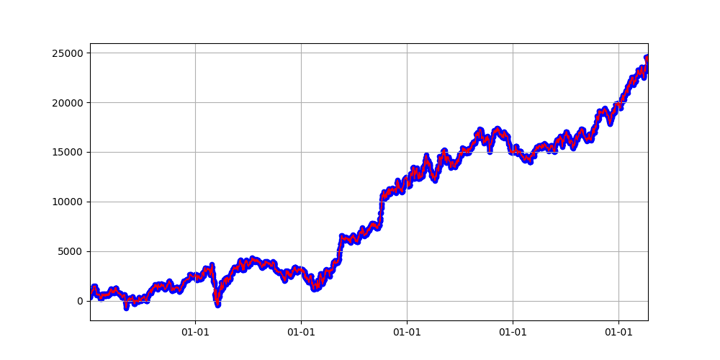
#4-No.68
75 | 50 | 40 | 3.8 | 1.2 | 17 | 250 | 300 | 20 | 1 | 19 | 0 | 14 | 23134 | -1357 | 0.31725079654
37 | 30 | 80 | 3.6 | 1 | 7 | 350 | 350 | 120 | 1 | 19 | 30 | 18 | 23000 | -3184 | 0.34744054817
14 | 20 | 100 | 3.2 | 3 | 7 | 350 | 350 | 20 | 1 | 20 | 0 | 19 | 22869 | -2978 | 0.33714939897
59 | 40 | 40 | 4 | 1 | 17 | 150 | 150 | 180 | 1 | 19 | 30 | 14 | 19784 | -2510 | 0.33121019108
1 | 40 | 40 | 1 | 3.4 | 8 | 300 | 400 | 40 | 1 | 17 | 30 | 20 | 18070 | -2898 | 0.33116769096
12 | 10 | 80 | 1.4 | 1 | 7 | 300 | 200 | 120 | 0 | 18 | 30 | 18 | 16404 | -1856 | 0.3770625382
48 | 10 | 100 | 1 | 2.2 | 9 | 200 | 150 | 60 | 0 | 22 | 30 | 13 | 16129 | -3045 | 0.39015637016
66 | 10 | 80 | 2 | 1.8 | 9 | 200 | 50 | 160 | 0 | 18 | 30 | 18 | 15347 | -2985 | 0.39860011052
2 | 30 | 100 | 1 | 2.2 | 21 | 400 | 350 | 120 | 0 | 19 | 0 | 16 | 14970 | -1502 | 0.3625406543
23 | 40 | 80 | 1 | 3.8 | 22 | 200 | 150 | 200 | 1 | 19 | 30 | 17 | 14795 | -3125 | 0.32292959745
17 | 10 | 40 | 3 | 2 | 17 | 400 | 150 | 40 | 1 | 21 | 0 | 11 | 14410 | -2642 | 0.34937838699
45 | 10 | 100 | 3 | 2 | 17 | 250 | 100 | 100 | 1 | 20 | 30 | 12 | 13818 | -3624 | 0.36020437127
70 | 40 | 80 | 2.8 | 3.6 | 10 | 300 | 250 | 100 | 0 | 18 | 30 | 18 | 13176 | -3329 | 0.37590900615
79 | 20 | 40 | 3.8 | 3.8 | 18 | 150 | 400 | 80 | 1 | 19 | 30 | 20 | 12974 | -3178 | 0.28866346325
13 | 30 | 100 | 2.8 | 4 | 10 | 350 | 350 | 60 | 0 | 18 | 0 | 19 | 12757 | -4123 | 0.36842105263
5 | 40 | 60 | 1.4 | 3.2 | 22 | 400 | 200 | 100 | 0 | 20 | 30 | 16 | 12553 | -2923 | 0.35588927085
10 | 30 | 80 | 2.2 | 3.4 | 9 | 150 | 150 | 40 | 0 | 21 | 30 | 16 | 11799 | -3085 | 0.36518298714
41 | 50 | 100 | 1 | 1.2 | 18 | 250 | 250 | 180 | 1 | 22 | 0 | 17 | 11639 | -3989 | 0.31134698004
87 | 30 | 40 | 3.2 | 2.6 | 10 | 200 | 300 | 120 | 0 | 21 | 30 | 20 | 11467 | -3399 | 0.34610572412
52 | 50 | 80 | 1.8 | 3.6 | 22 | 400 | 250 | 140 | 0 | 20 | 0 | 18 | 10853 | -2958 | 0.35021312873
31 | 20 | 100 | 3.8 | 2.8 | 17 | 200 | 400 | 60 | 1 | 18 | 0 | 13 | 10373 | -6070 | 0.31581352834
18 | 10 | 60 | 1 | 1.6 | 17 | 250 | 250 | 20 | 0 | 21 | 30 | 17 | 10356 | -4194 | 0.35870104115
36 | 20 | 80 | 2 | 2.8 | 21 | 200 | 50 | 180 | 1 | 19 | 30 | 15 | 9868 | -3451 | 0.38640394089
80 | 30 | 60 | 2.6 | 1.4 | 17 | 150 | 50 | 160 | 0 | 22 | 30 | 15 | 9272 | -3489 | 0.40260492041
26 | 10 | 80 | 2.6 | 3.2 | 20 | 250 | 50 | 60 | 1 | 20 | 30 | 19 | 9256 | -3730 | 0.37868908717
38 | 40 | 60 | 1.4 | 2.4 | 21 | 100 | 400 | 20 | 0 | 21 | 30 | 12 | 8015 | -4454 | 0.36631385182
11 | 50 | 80 | 4 | 1.2 | 17 | 400 | 300 | 100 | 1 | 17 | 0 | 13 | 7679 | -5532 | 0.30871369295
77 | 40 | 60 | 3 | 1.8 | 10 | 300 | 50 | 200 | 0 | 22 | 0 | 17 | 7626 | -4608 | 0.37965305385
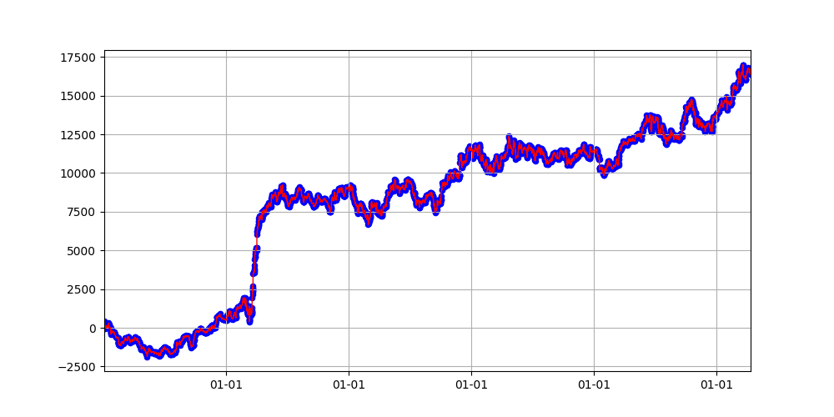
72 | 20 | 100 | 3 | 3.6 | 17 | 350 | 350 | 60 | 1 | 20 | 30 | 9 | 7415 | -3967 | 0.35667215815
#4-No.12
78 | 10 | 60 | 1.2 | 3 | 16 | 250 | 300 | 20 | 0 | 21 | 30 | 11 | 7292 | -4426 | 0.37198067633
76 | 40 | 40 | 2.4 | 2.6 | 17 | 200 | 150 | 20 | 0 | 21 | 0 | 19 | 7274 | -3244 | 0.35852297123
24 | 50 | 60 | 2.4 | 2.2 | 21 | 250 | 150 | 180 | 0 | 18 | 0 | 14 | 7174 | -3063 | 0.36611552502
0 | 10 | 100 | 1.4 | 1.8 | 16 | 150 | 200 | 60 | 0 | 19 | 30 | 12 | 6928 | -3572 | 0.37140439932
61 | 20 | 80 | 3.8 | 1.6 | 9 | 200 | 300 | 160 | 0 | 19 | 0 | 11 | 6856 | -2088 | 0.3752293578
54 | 20 | 80 | 1.4 | 2.4 | 8 | 300 | 100 | 40 | 0 | 17 | 30 | 20 | 6243 | -2473 | 0.3767182878
86 | 10 | 40 | 2.2 | 1.2 | 7 | 300 | 100 | 200 | 0 | 18 | 0 | 15 | 5652 | -461 | 0.38326103598
46 | 20 | 80 | 1.4 | 3.4 | 21 | 350 | 250 | 200 | 0 | 21 | 30 | 8 | 5292 | -3718 | 0.37478169752
67 | 40 | 100 | 2 | 3.6 | 19 | 350 | 200 | 100 | 0 | 21 | 0 | 8 | 4757 | -3300 | 0.39073426573
57 | 30 | 100 | 3 | 2.8 | 9 | 300 | 50 | 40 | 0 | 20 | 0 | 8 | 4583 | -1195 | 0.39976484421
6 | 10 | 60 | 3.6 | 3 | 17 | 250 | 350 | 60 | 0 | 17 | 30 | 10 | 4577 | -3140 | 0.34047948363
83 | 10 | 40 | 3.2 | 2.4 | 19 | 350 | 200 | 100 | 1 | 20 | 30 | 6 | 4402 | -2233 | 0.3885106383
29 | 50 | 100 | 3.2 | 3.2 | 19 | 350 | 150 | 120 | 1 | 21 | 0 | 9 | 4374 | -3668 | 0.35837245696
62 | 40 | 60 | 3.2 | 1.2 | 7 | 200 | 300 | 160 | 1 | 18 | 0 | 15 | 4115 | -2821 | 0.35600616016
55 | 10 | 40 | 2.8 | 1 | 7 | 350 | 250 | 160 | 0 | 22 | 30 | 6 | 4039 | -1153 | 0.36877076412
8 | 10 | 80 | 1 | 3.8 | 19 | 200 | 300 | 160 | 0 | 20 | 30 | 5 | 3546 | -1023 | 0.40339302545
53 | 30 | 100 | 1 | 2 | 19 | 50 | 400 | 60 | 1 | 21 | 0 | 20 | 3534 | -2796 | 0.24791418355
4 | 50 | 40 | 2.4 | 1.6 | 10 | 150 | 400 | 40 | 0 | 18 | 30 | 13 | 3274 | -2622 | 0.36732570239
22 | 40 | 100 | 1 | 2.2 | 9 | 100 | 200 | 160 | 0 | 16 | 0 | 15 | 3216 | -3990 | 0.34856230032
40 | 20 | 80 | 3 | 4 | 19 | 150 | 300 | 140 | 1 | 22 | 30 | 7 | 2824 | -2856 | 0.37763157895
25 | 50 | 80 | 3.6 | 3.2 | 21 | 50 | 250 | 180 | 0 | 22 | 0 | 11 | 2806 | -4458 | 0.32864484717
42 | 10 | 40 | 1.6 | 1.4 | 19 | 150 | 150 | 140 | 1 | 17 | 30 | 9 | 2761 | -5313 | 0.35373054214
58 | 20 | 40 | 3.8 | 3.6 | 8 | 350 | 100 | 160 | 1 | 18 | 0 | 9 | 2610 | -2836 | 0.36750788644
44 | 10 | 60 | 3.8 | 1 | 17 | 150 | 200 | 60 | 0 | 21 | 30 | 6 | 2558 | -3524 | 0.37058823529
43 | 30 | 40 | 3.8 | 1.8 | 8 | 200 | 200 | 100 | 0 | 17 | 30 | 14 | 2276 | -2366 | 0.35388366423
60 | 10 | 60 | 2.2 | 3.2 | 10 | 50 | 400 | 200 | 0 | 20 | 30 | 14 | 2267 | -3334 | 0.3357037037
74 | 40 | 60 | 2.6 | 2.2 | 8 | 150 | 350 | 20 | 0 | 17 | 0 | 13 | 1118 | -4142 | 0.3582580115
15 | 10 | 60 | 2 | 3.2 | 16 | 100 | 50 | 80 | 0 | 19 | 30 | 10 | 1018 | -4324 | 0.39045936396
63 | 20 | 40 | 2.2 | 3 | 19 | 50 | 100 | 180 | 1 | 18 | 30 | 10 | 638 | -4507 | 0.31765005086
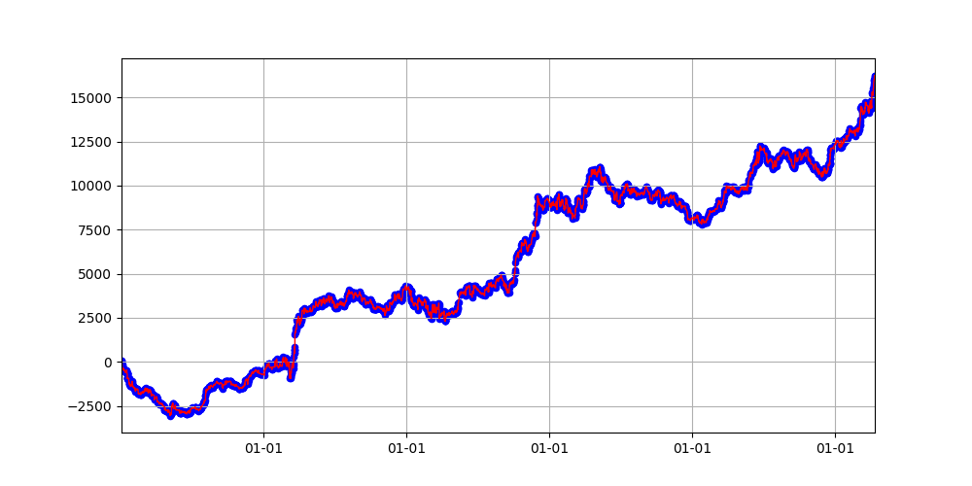
#4-No.48
51 | 50 | 100 | 2.8 | 2.2 | 8 | 150 | 250 | 120 | 0 | 16 | 30 | 12 | 515 | -4750 | 0.35445804196
30 | 30 | 40 | 4 | 2 | 8 | 100 | 250 | 60 | 1 | 21 | 30 | 8 | 377 | -2966 | 0.36377134373
69 | 50 | 100 | 2.8 | 2.6 | 10 | 300 | 250 | 120 | 0 | 19 | 0 | 6 | 284 | -2284 | 0.38577023499
16 | 30 | 60 | 2.2 | 1 | 22 | 350 | 200 | 40 | 1 | 20 | 30 | 4 | 199 | -2481 | 0.40611562351
19 | 10 | 80 | 1 | 3.8 | 17 | 150 | 50 | 120 | 1 | 16 | 0 | 4 | 117 | -1922 | 0.41601110597
81 | 20 | 80 | 3.8 | 2 | 17 | 250 | 300 | 180 | 0 | 17 | 0 | 7 | 96 | -3623 | 0.34575180917
73 | 30 | 40 | 1 | 1.4 | 9 | 50 | 100 | 120 | 1 | 17 | 0 | 19 | 65 | -5074 | 0.31260199456
71 | 50 | 80 | 3.2 | 2 | 8 | 350 | 150 | 160 | 0 | 19 | 30 | 5 | 6 | -2299 | 0.39517470882
84 | 20 | 40 | 3.4 | 3.8 | 10 | 100 | 350 | 200 | 0 | 16 | 30 | 10 | -140 | -4240 | 0.35334184759
64 | 40 | 80 | 3.2 | 3.6 | 18 | 400 | 400 | 160 | 0 | 16 | 0 | 7 | -182 | -2164 | 0.35106065133
28 | 30 | 60 | 1.8 | 2 | 19 | 50 | 200 | 40 | 0 | 18 | 30 | 10 | -222 | -3725 | 0.33257171871
39 | 20 | 100 | 3.2 | 2.6 | 20 | 50 | 150 | 100 | 1 | 20 | 30 | 18 | -269 | -5530 | 0.26180788962
20 | 10 | 40 | 1.8 | 4 | 10 | 50 | 300 | 40 | 0 | 16 | 30 | 18 | -392 | -4174 | 0.33262960357
85 | 20 | 40 | 3.4 | 1.6 | 7 | 300 | 400 | 100 | 1 | 18 | 30 | 11 | -753 | -4936 | 0.35344367325
27 | 40 | 40 | 1.4 | 3.8 | 22 | 50 | 250 | 200 | 0 | 22 | 0 | 4 | -1102 | -3790 | 0.35535117057
7 | 50 | 80 | 2.2 | 3.6 | 19 | 50 | 400 | 20 | 1 | 21 | 0 | 10 | -1134 | -4264 | 0.29002713704
3 | 20 | 100 | 1.8 | 3.8 | 21 | 200 | 250 | 60 | 0 | 16 | 30 | 9 | -1577 | -5562 | 0.36989537631
47 | 50 | 40 | 3 | 2.2 | 16 | 50 | 150 | 180 | 0 | 17 | 30 | 4 | -2241 | -3439 | 0.34359961501
34 | 30 | 60 | 1.6 | 4 | 19 | 150 | 250 | 140 | 1 | 17 | 30 | 4 | -2377 | -4918 | 0.39516503952
56 | 20 | 80 | 2.2 | 2.4 | 7 | 350 | 300 | 140 | 1 | 16 | 0 | 5 | -2977 | -5427 | 0.35683760684
82 | 10 | 100 | 1 | 1.4 | 18 | 300 | 100 | 120 | 1 | 16 | 0 | 8 | -3397 | -4438 | 0.34511319713
32 | 40 | 100 | 1.2 | 1.4 | 7 | 50 | 400 | 120 | 0 | 19 | 0 | 8 | -3498 | -5533 | 0.3159219635
33 | 20 | 100 | 1.6 | 4 | 18 | 100 | 100 | 40 | 0 | 16 | 0 | 10 | -3567 | -5062 | 0.3507751938
49 | 30 | 60 | 3.8 | 3.2 | 19 | 400 | 250 | 120 | 0 | 16 | 0 | 5 | -3953 | -4535 | 0.38790035587
50 | 40 | 80 | 3.4 | 3 | 20 | 50 | 400 | 60 | 1 | 19 | 0 | 7 | -3967 | -6503 | 0.32245922208
9 | 10 | 100 | 2 | 3.2 | 10 | 50 | 50 | 140 | 0 | 19 | 30 | 13 | -5199 | -6744 | 0.36831617403
21 | 20 | 60 | 3.4 | 1.6 | 22 | 400 | 300 | 160 | 0 | 16 | 30 | 5 | -5368 | -5368 | 0.34058898848
35 | 30 | 100 | 1 | 2.6 | 7 | 50 | 250 | 160 | 0 | 19 | 30 | 12 | -8146 | -9041 | 0.3283062645

Sheet1 (4)
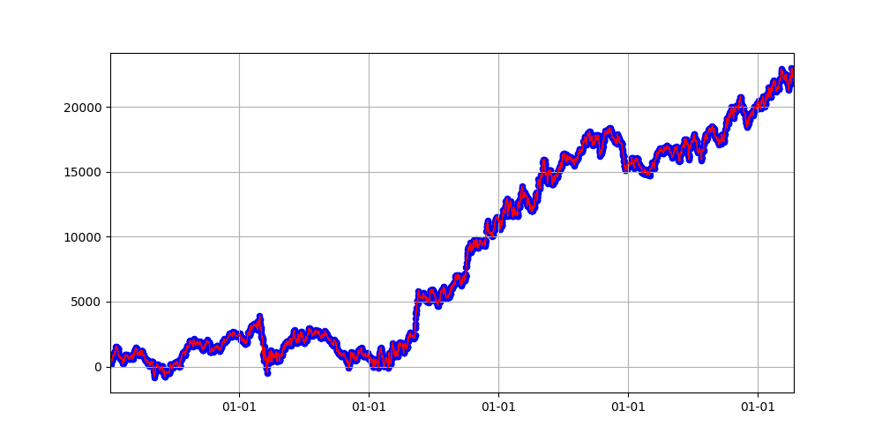
No.26
number | bb_window | bb_ma_window | bb_multiply | vwap_multiply | vwap_begin_hour | sl | target | trail_stop | exit_type | from_hour | from_minute | hours | profit | drawdonw | win_rate
26 | 10 | 40 | 3.2 | 1.6 | 18 | 350 | 300 | 40 | 1 | 19 | 30 | 16 | 22255 | -809 | 0.30843958713
5 | 40 | 40 | 1.4 | 3.2 | 16 | 400 | 350 | 140 | 1 | 19 | 0 | 20 | 21602 | -1647 | 0.29518304432
50 | 40 | 40 | 3.2 | 2.8 | 9 | 400 | 150 | 100 | 1 | 19 | 0 | 18 | 19148 | -3582 | 0.35046643497
81 | 40 | 100 | 2.8 | 2.2 | 7 | 400 | 200 | 20 | 1 | 21 | 30 | 18 | 18943 | -2813 | 0.3426183844
60 | 40 | 80 | 2 | 2.8 | 20 | 200 | 400 | 100 | 1 | 18 | 30 | 18 | 18857 | -2629 | 0.30638372501
13 | 50 | 60 | 2 | 3.4 | 7 | 350 | 150 | 60 | 0 | 18 | 0 | 18 | 17486 | -1069 | 0.3784004909
68 | 30 | 80 | 2.8 | 1.4 | 22 | 350 | 400 | 80 | 1 | 20 | 0 | 13 | 16115 | -3155 | 0.31961506962
74 | 10 | 40 | 3 | 4 | 22 | 400 | 250 | 200 | 1 | 21 | 0 | 13 | 15482 | -3338 | 0.31310483871
75 | 50 | 80 | 2.2 | 1.2 | 17 | 300 | 200 | 100 | 1 | 22 | 0 | 11 | 15410 | -2231 | 0.34747260516
49 | 30 | 60 | 2.6 | 1 | 10 | 300 | 300 | 20 | 1 | 18 | 0 | 15 | 15129 | -3581 | 0.32121922626
43 | 50 | 100 | 1 | 1.8 | 20 | 200 | 300 | 160 | 0 | 21 | 0 | 16 | 14262 | -2631 | 0.36686516376
2 | 20 | 100 | 1.6 | 1.8 | 18 | 300 | 150 | 40 | 1 | 22 | 0 | 19 | 13958 | -2539 | 0.32355012914
23 | 10 | 80 | 3.2 | 3.6 | 22 | 350 | 350 | 180 | 0 | 22 | 30 | 11 | 12958 | -2177 | 0.35885714286
8 | 40 | 40 | 2.8 | 4 | 8 | 350 | 200 | 120 | 1 | 17 | 30 | 17 | 12183 | -2064 | 0.35284139101
39 | 10 | 40 | 1.2 | 1.4 | 9 | 250 | 150 | 60 | 1 | 18 | 0 | 14 | 12100 | -2640 | 0.33982473223
15 | 20 | 100 | 3.8 | 3.6 | 22 | 200 | 300 | 140 | 1 | 17 | 0 | 20 | 11684 | -3419 | 0.30589599205
11 | 50 | 60 | 1.2 | 1 | 18 | 400 | 400 | 200 | 0 | 20 | 30 | 17 | 10992 | -3459 | 0.36735130509
21 | 30 | 60 | 3.2 | 1 | 20 | 350 | 100 | 20 | 1 | 20 | 0 | 12 | 10683 | -2884 | 0.34926151173
22 | 40 | 40 | 2 | 2.6 | 8 | 350 | 400 | 160 | 0 | 19 | 0 | 15 | 10273 | -1539 | 0.37692666978
31 | 40 | 40 | 1.2 | 2 | 9 | 250 | 250 | 140 | 0 | 18 | 0 | 15 | 9868 | -2385 | 0.35846798324
55 | 30 | 60 | 3.2 | 3.8 | 22 | 200 | 100 | 60 | 1 | 16 | 0 | 20 | 9838 | -3154 | 0.33211131478
37 | 30 | 80 | 1.2 | 3.2 | 16 | 400 | 50 | 120 | 0 | 18 | 30 | 20 | 9642 | -5186 | 0.39354243542
70 | 10 | 80 | 2.2 | 3.2 | 16 | 150 | 150 | 140 | 0 | 16 | 0 | 20 | 9434 | -4801 | 0.34535244569
4 | 30 | 80 | 2.2 | 2 | 16 | 100 | 400 | 20 | 1 | 18 | 0 | 19 | 8984 | -4442 | 0.28753698225
48 | 30 | 100 | 2.4 | 1.2 | 21 | 250 | 50 | 160 | 1 | 16 | 0 | 17 | 8955 | -3059 | 0.38430232558
29 | 50 | 80 | 3.8 | 2 | 22 | 100 | 400 | 40 | 0 | 22 | 30 | 11 | 8882 | -2495 | 0.35410958904
56 | 40 | 60 | 3.4 | 3.4 | 10 | 150 | 400 | 140 | 1 | 21 | 30 | 12 | 8759 | -2509 | 0.3330818559
76 | 40 | 100 | 3.2 | 1 | 20 | 100 | 350 | 100 | 0 | 22 | 0 | 11 | 8706 | -2465 | 0.36305147059
83 | 10 | 60 | 2.4 | 3.2 | 16 | 400 | 300 | 200 | 0 | 21 | 30 | 20 | 8633 | -6085 | 0.36784791436
67 | 50 | 60 | 1.2 | 2 | 7 | 250 | 250 | 200 | 0 | 22 | 0 | 11 | 8485 | -1054 | 0.39066579634
53 | 10 | 40 | 3.8 | 1.4 | 18 | 400 | 150 | 200 | 0 | 21 | 30 | 17 | 8463 | -3222 | 0.36300383877
63 | 50 | 40 | 1.2 | 1.8 | 19 | 100 | 100 | 20 | 0 | 20 | 30 | 15 | 7803 | -1660 | 0.37148549923
32 | 50 | 40 | 3.6 | 2.6 | 21 | 300 | 150 | 60 | 1 | 21 | 0 | 7 | 7715 | -3274 | 0.35693020179
51 | 40 | 60 | 4 | 2.8 | 16 | 400 | 300 | 60 | 1 | 18 | 0 | 12 | 7598 | -4329 | 0.32297297297
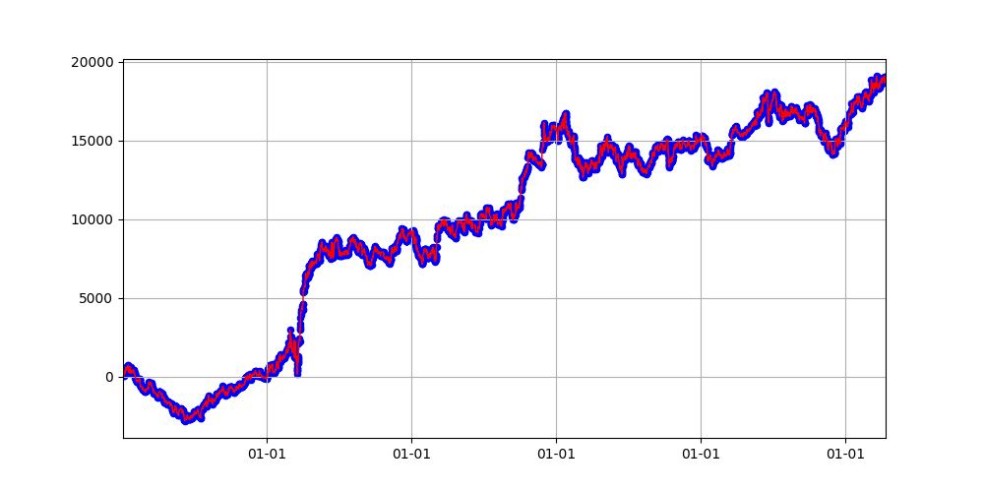
No.81
12 | 10 | 80 | 4 | 1.8 | 8 | 100 | 150 | 20 | 0 | 22 | 0 | 14 | 7439 | -2769 | 0.38058659218
73 | 10 | 40 | 1 | 4 | 9 | 100 | 350 | 160 | 0 | 16 | 0 | 20 | 7182 | -3030 | 0.3583362339
66 | 20 | 40 | 3.6 | 3.4 | 22 | 200 | 200 | 120 | 0 | 20 | 0 | 12 | 6947 | -2087 | 0.36029411765
6 | 20 | 80 | 3.6 | 3 | 17 | 100 | 400 | 200 | 0 | 22 | 0 | 20 | 6696 | -5208 | 0.3664410828
87 | 20 | 80 | 3.8 | 1.6 | 17 | 100 | 350 | 100 | 1 | 22 | 30 | 17 | 6295 | -2664 | 0.29699547993
84 | 40 | 100 | 2 | 4 | 18 | 250 | 50 | 200 | 0 | 19 | 0 | 19 | 6153 | -7310 | 0.40079708889
65 | 30 | 80 | 3.6 | 2.4 | 18 | 400 | 200 | 40 | 1 | 18 | 30 | 9 | 5731 | -2801 | 0.32050645482
42 | 20 | 80 | 3 | 3.4 | 9 | 300 | 50 | 160 | 0 | 19 | 0 | 9 | 5553 | -584 | 0.40205128205
78 | 30 | 60 | 3.2 | 3.8 | 7 | 250 | 150 | 100 | 0 | 16 | 30 | 16 | 5227 | -1292 | 0.38376856119
86 | 50 | 60 | 3 | 2.2 | 17 | 200 | 100 | 20 | 1 | 18 | 30 | 6 | 5189 | -1388 | 0.38213213213
0 | 20 | 60 | 3.8 | 2.4 | 9 | 350 | 300 | 200 | 0 | 21 | 0 | 10 | 5093 | -2457 | 0.36980947728
46 | 50 | 60 | 2 | 1 | 19 | 250 | 400 | 160 | 1 | 17 | 30 | 12 | 4952 | -3533 | 0.32986950217
38 | 40 | 60 | 3.2 | 3 | 21 | 350 | 200 | 40 | 0 | 20 | 30 | 5 | 4914 | -1627 | 0.38970588235
7 | 30 | 60 | 1 | 3.6 | 16 | 350 | 300 | 20 | 0 | 18 | 30 | 7 | 4501 | -2310 | 0.36228656273
57 | 20 | 40 | 2.8 | 1.8 | 22 | 350 | 100 | 120 | 0 | 18 | 0 | 20 | 4268 | -3086 | 0.35798864558
72 | 50 | 40 | 3.8 | 1 | 16 | 100 | 150 | 120 | 0 | 19 | 0 | 15 | 3741 | -5021 | 0.35706265439
34 | 30 | 40 | 3.2 | 2.8 | 17 | 300 | 100 | 60 | 0 | 19 | 30 | 10 | 3657 | -2497 | 0.36335825969
61 | 40 | 100 | 2.6 | 2.6 | 16 | 200 | 250 | 20 | 0 | 17 | 0 | 10 | 3639 | -4408 | 0.34403209629
52 | 20 | 100 | 1.8 | 2 | 19 | 250 | 200 | 40 | 0 | 16 | 30 | 14 | 3423 | -5535 | 0.35595057446
10 | 30 | 100 | 3.8 | 3.8 | 9 | 50 | 200 | 80 | 1 | 18 | 0 | 17 | 3412 | -4035 | 0.30136702568
36 | 20 | 40 | 3.6 | 2.2 | 7 | 350 | 350 | 160 | 0 | 20 | 0 | 11 | 3255 | -1496 | 0.3693209575
44 | 10 | 80 | 1 | 2.8 | 19 | 100 | 400 | 40 | 0 | 21 | 30 | 8 | 3238 | -3102 | 0.37956564659
3 | 50 | 100 | 3.4 | 1.2 | 17 | 50 | 250 | 120 | 0 | 20 | 30 | 13 | 3203 | -2633 | 0.32989690722
17 | 10 | 80 | 2.4 | 1 | 17 | 300 | 100 | 180 | 0 | 21 | 30 | 7 | 3141 | -3847 | 0.38073654391
58 | 30 | 80 | 3.6 | 1.2 | 16 | 100 | 50 | 200 | 0 | 22 | 30 | 4 | 2811 | -1955 | 0.42421259843
33 | 30 | 80 | 3.4 | 2 | 10 | 150 | 100 | 160 | 1 | 16 | 0 | 8 | 2764 | -1226 | 0.37659783677
41 | 40 | 60 | 2.8 | 2.2 | 8 | 350 | 250 | 40 | 1 | 16 | 0 | 16 | 2620 | -6099 | 0.30734497291
79 | 10 | 60 | 3.6 | 3 | 16 | 250 | 300 | 60 | 1 | 16 | 30 | 8 | 1703 | -3729 | 0.31602822581
28 | 20 | 40 | 2.4 | 3.2 | 21 | 150 | 350 | 200 | 0 | 18 | 0 | 9 | 1514 | -4117 | 0.35901339829
20 | 10 | 80 | 3.4 | 4 | 10 | 50 | 50 | 120 | 1 | 16 | 30 | 11 | 1489 | -2704 | 0.35899481452
27 | 20 | 100 | 1 | 2.2 | 18 | 350 | 350 | 100 | 1 | 16 | 30 | 13 | 1151 | -4776 | 0.31086142322
19 | 20 | 100 | 3.2 | 3 | 8 | 250 | 50 | 100 | 1 | 21 | 0 | 12 | 785 | -5652 | 0.40554383851
24 | 10 | 60 | 3.8 | 4 | 21 | 400 | 250 | 20 | 0 | 18 | 0 | 7 | 46 | -2793 | 0.37286202965
47 | 10 | 40 | 1 | 4 | 16 | 350 | 100 | 80 | 0 | 17 | 30 | 13 | -476 | -5039 | 0.34146919431
40 | 50 | 100 | 3 | 2.2 | 16 | 300 | 300 | 60 | 0 | 16 | 0 | 9 | -847 | -5093 | 0.33341024458
9 | 50 | 40 | 1.2 | 2.4 | 7 | 50 | 150 | 160 | 0 | 21 | 0 | 4 | -937 | -1899 | 0.36126840317
54 | 30 | 100 | 2.8 | 4 | 8 | 350 | 100 | 160 | 0 | 17 | 0 | 13 | -1621 | -5227 | 0.35855263158
18 | 50 | 100 | 1.4 | 3.4 | 20 | 100 | 150 | 40 | 0 | 18 | 0 | 4 | -2451 | -4210 | 0.4121274409
62 | 10 | 80 | 1.2 | 1.4 | 22 | 50 | 100 | 140 | 1 | 20 | 0 | 4 | -2905 | -4380 | 0.39362795478
1 | 50 | 60 | 2.6 | 3.6 | 20 | 350 | 300 | 60 | 1 | 16 | 30 | 5 | -2996 | -5112 | 0.4254021076
35 | 30 | 60 | 2 | 2.8 | 21 | 100 | 400 | 200 | 1 | 16 | 0 | 11 | -3292 | -5824 | 0.33907550962
59 | 30 | 80 | 1 | 1 | 22 | 300 | 300 | 20 | 1 | 18 | 0 | 7 | -3298 | -4974 | 0.38970311913
77 | 20 | 60 | 2 | 1.6 | 17 | 150 | 400 | 20 | 0 | 16 | 0 | 4 | -4013 | -4658 | 0.3776448942
69 | 30 | 40 | 2.6 | 2.8 | 7 | 150 | 150 | 160 | 1 | 17 | 30 | 14 | -4272 | -6293 | 0.34321157822
71 | 10 | 40 | 1.6 | 1.4 | 21 | 50 | 350 | 140 | 0 | 17 | 0 | 11 | -4584 | -6449 | 0.33351831299
30 | 20 | 80 | 2.4 | 3.2 | 22 | 50 | 250 | 80 | 1 | 20 | 0 | 20 | -5850 | -7165 | 0.25088112784
16 | 30 | 40 | 1.8 | 2.2 | 22 | 300 | 350 | 40 | 1 | 16 | 0 | 9 | -5851 | -7536 | 0.37538673084
80 | 50 | 100 | 2.4 | 3.2 | 22 | 50 | 350 | 120 | 0 | 22 | 0 | 9 | -5947 | -8000 | 0.31865771812
85 | 10 | 40 | 2 | 3.6 | 7 | 250 | 350 | 80 | 1 | 16 | 30 | 7 | -6093 | -7183 | 0.35003431709
14 | 40 | 60 | 3.2 | 3.6 | 22 | 100 | 50 | 100 | 0 | 16 | 30 | 14 | -6155 | -7909 | 0.36709148839
25 | 10 | 40 | 3.4 | 3 | 8 | 50 | 400 | 100 | 1 | 16 | 0 | 10 | -6284 | -9677 | 0.28523650263
64 | 10 | 80 | 3.6 | 1.8 | 20 | 50 | 350 | 160 | 1 | 21 | 0 | 8 | -6320 | -8553 | 0.30208333333
45 | 30 | 60 | 2.4 | 2.2 | 22 | 100 | 350 | 60 | 1 | 17 | 30 | 13 | -6835 | -10421 | 0.31709624025
82 | 50 | 100 | 1.4 | 2.8 | 22 | 50 | 350 | 60 | 1 | 16 | 30 | 9 | -9164 | -10539 | 0.33202614379

