Summary
TC ID | Title | Status | Severity | Priority | Tester
BU_001 | Failure during Authentication with valid credentials | In-progress | Medium | High | QAna
BU_002 | Title TC 2 | Open | Medium | Low | POli
BU_003 | Title TC 3 | Fail | High | Low | DEVian
BU_004 |  | Open | Medium | Low | DEViakis
BU_005 |  | Open | Medium | Low | QAndrew

BU_006 |  | Open | Medium | Low | QAna
BU_007 |  | Open | Medium | Low | QAndrew
BU_008 |  | Open | Medium | Low | QAna
BU_009 |  | Open | Medium | Low | QAna
BU_010 |  | Open | Medium | Low | QAna

Nota: | Esta pestaña contiene el resumen de los casos de prueba (TC 1, TC2, etc.). Al llenarse los campos de la pestaña correspondiente a cada TC, se actualizará esta pestaña.
Nota 2: | Al final verás una pestaña "Params", alli se pueden personalizar los parámetros de los TC, por ejemplo agregar, eliminar o modificar los nombres de los testers, desarrolladores, ambientes, estados, etc.
Nota 3: | TC 1, TC 2, TC 3, TC 4, TC 5, TC 6, TC 7, TC 8, TC9 y TC 10 representan casos de prueba. Puedes copiar la pestaña y agregar tantos como necesites.

TC 1
Test Case ID |  | BU_001 |  | Title | Failure during Authentication with valid credentials
Created By |  | QAna |  | Reviewed By | Bill (the boss) |  | Version |  | 1.5
Project name |  | Full Advanced learning platform |  | Module name | Authentication |  | Stage |  | Testing
Environment |  | Test 1 |  | Device | Browser (Chrome 108.0) |  | Test Level |  | System
Testing date |  | 2023-01-20 |  | Status | In-progress |  | Test Type |  | Functional
Severity |  | Medium |  | Priority | High

Ticket Log |  | Review comments from Bill incorprate in version 2.1

P# | Prerequisites: |  |  |  | TD# | Test Data
1 | Access to Chrome Browser |  |  |  | 1 | Userid = FullAdvanced| Pass = FA847569D
2 | A previously created active user |  |  |  | 2 | Userid = usr54321 | Pass = asdf233@2321
3 |  |  |  |  | 3

Post conditions |  | After login any failed try must be restarted to 0

Test Scenario | Verify on entering valid userid and password, the customer can login

Step # | Step Details |  | Test Data | Expected Results | Actual Results |  |  | Pass / Fail / Not executed / Suspended

1 | Navigate to fulladvanced.com |  |  | Site should open | As Expected |  |  | Pass
2 | Enter Userid & Password |  |  | Credential can be entered | As Expected |  |  | Pass
3 | Click Submit |  |  | Cutomer is logged in | As Expected |  |  | Pass
4

Expected behavior |  | The welcome page should be displayed |  |  | Affected Areas
Actual result |  | - An error message "invalid user" is displayed - All the fields are restarted |  |  | Conclusion / Recommendations

Attachments
Login page |  |  | Error message
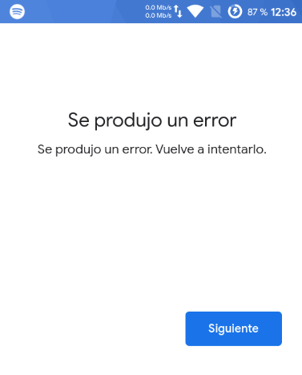
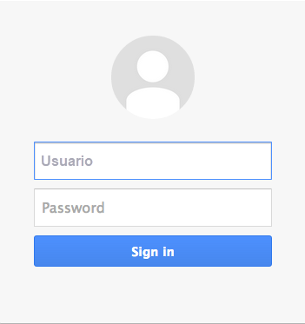

Approvals |  | Bill, Mike, John
References |  | Requirement_101.pdf

