Ticket Requirements
Haddad Ticket Required (Yes/No) | Yes

RFID Tickets can be ordered Avery Dennison and Maxim
RFID-15 inlay is only available through Avery Dennison and Maxim
RFID FIELDS
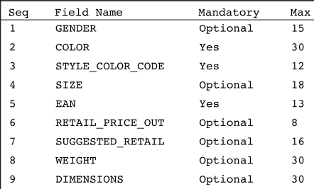

RFID TICKETS (HAD-RFID-12)
Newborn product will need dimensions on RFID sticker No Height / Weight
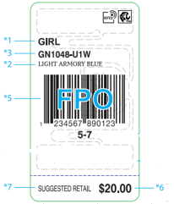

RFID TICKETS (RFID-15)
For small accessories such as keychains, wallets, and underwear.
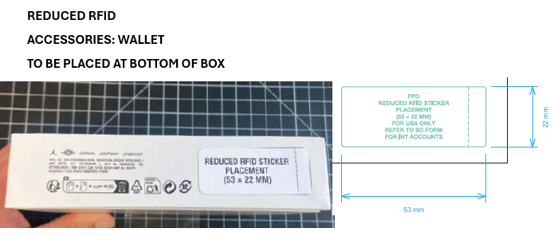 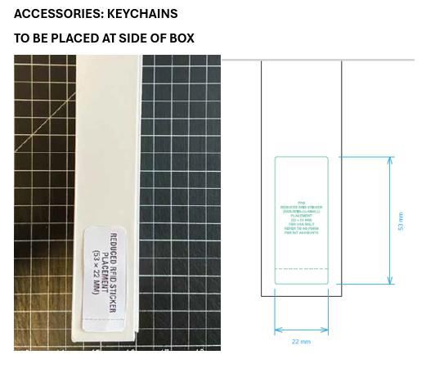

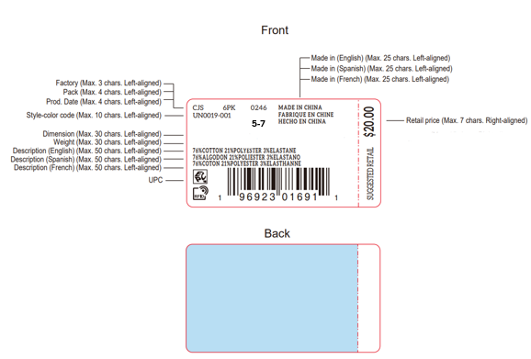
Hosiery Tickets (HAD-RFID-13)
This sticker does not require gender and should be used for Socks, Boxed Sets, and Mittens. This sticker should be used only for these products. This should NOT be used for apparel products

Newborn / Infant Tickets (HAD-RFID-12)
Weight and Inches are required.
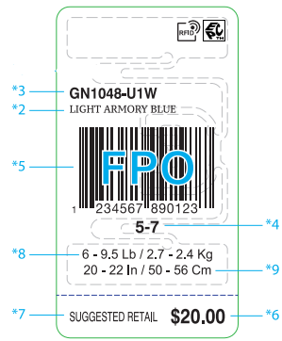

HAD-RFID-14 ALL Levi's Hangtags/ Joker Tags/ Matchbooks. |  | Length and Waist measurements are required on the matchbooks for Boys Size 8-20
Weight and height required for newborn/infant sizes
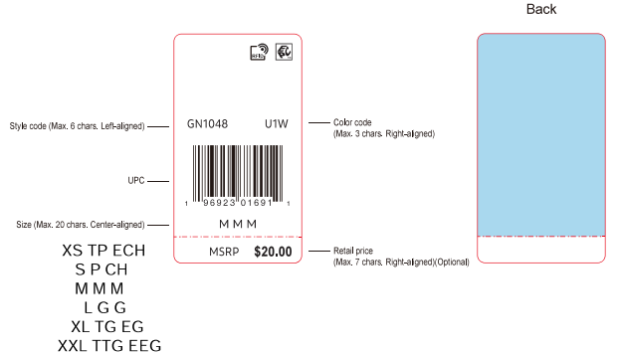 |  | 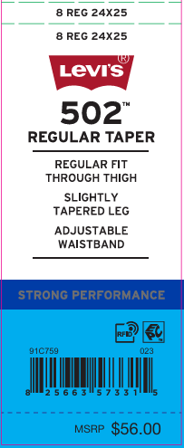

Accessories (No Gender)
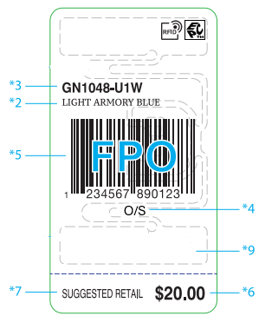

RFID must be placed on the back of the Lacoste Hangtag
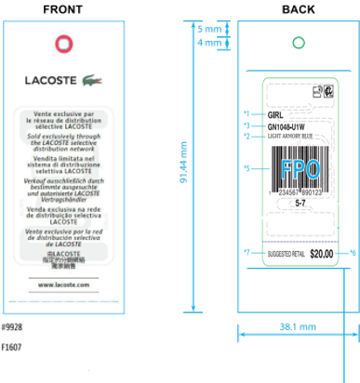

Spring 26 Forward (No need for Supplemental RFID Hangtag) RFID sticker must be placed on opposite side of hangtag Abercrombie and Fitch Hangtag (Apparel, Caps & Outerwear)
Baby Main Hangtag (NB-24M ONLY | Toddler & Kids Main Hangtag (2T-18 ONLY)
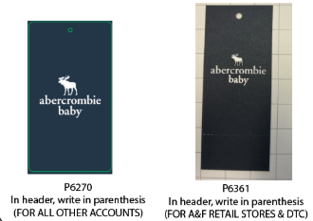 | 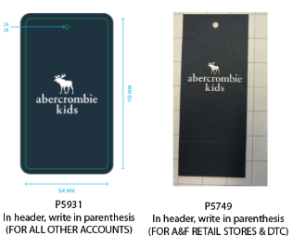

Sets Hangtags (Apparel Only) (Use on each item in the set for all Regions, In addition to Main Hangtags)
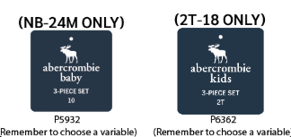

Abercrombie and Fitch Hangtag (Accessories)
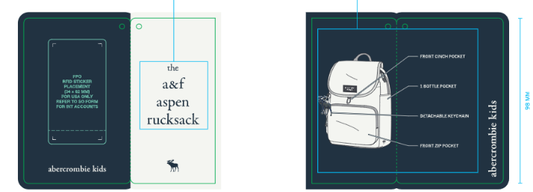

Abercrombie and Fitch Hangtag (Hosiery)

Ticket Placement Details
Category | Placement
TOPS | AT LEFT BOTTOM SLV IN HANG TAG LOOP
SLEEVELESS TOPS | AT LEFT ARMHOLE SEAM IN HANG TAG LOOP
BOTTOMS | AT LEFT WAISTBAND SEAM (Alternate placement below)
OUTERWEAR | AT LEFT BOTTOM SLV IN HANG TAG LOOP
SWIMWEAR 1PC | TOPS: AT LEFT ARMHOLE IN HAG TAG LOOP / BOTTOMS: AT LEFT SIDE OF WAISTBAND
CAPS | SWIFT TACK THROUGH SEAM ON TOP, IF SWIFT TACK CAUSES DAMAGE OR THERE IS NO SEAM, THEN ATTACH THRU CARE LABELSWIFT TACK THROUGH SEAM ON TOP, IF SWIFT TACK CAUSES DAMAGE OR THERE IS NO SEAM, THEN ATTACH THRU CARE LABEL
GIFT BOX | BOTTOM OF PACKAGE AT RIGHT SIDE
2 PC MERCHANDISE | AT LEFT BOTTOM SLV IN HAG TAG LOOP

Ticket Placement Details
Category | Placement
TOPS/OUTERWEAR | Hang on main size label. If no size label, add a loop.
BOTTOMS | Through size label. If no size label, add a loop.

TOPS
Categories | Tops - Short Sleeve Tops, Long Sleeve Tops
Hangtag Placement | At left bottom sleeve in hangtag loop
Lacoste Hangtag Placement | Hang on the size label. If no size label, add a loop and hang the in it.

WH / YW hanger required
Lacoste | Hanger Required | Yes- Both hangers and crown sizers must be of Recycled material.
 | Size Range | Newborn | Infant | Toddler | 4-6x and 4/7 | 7-16 and 8-20
 | Hanger Type | 497B | 498B | 498B | 485B | 485B
 | Hoodies/Fleece | 498B | 498B | 498B | 485B | 485B
 | Sizers | Black Crown Sizer/White Lettering. Use size clips when crown sizers do not fit the hangers.
 | Size Range (Bodysuit/Romper) | 0-3 | 6-9 | 12-24 | 2T-4T | 4-6x-4/7
 | Hanger Type | 497B | 498B | 498B | 498B | 485B
 | Sizers | Black Crown Sizer / White Lettering. Use size clips when crown sizers do not fit the hangers.
 | Merge packs | Lacoste merged size packs will continue to use the black hanger/size clips
Abercrombie & Fitch | Hanger Required | Yes
 | Size Range | Newborn | Infant | Toddler - 5T | Merge Pack sizes 5-18
 | Hanger Type | 495 | 496 | 496 (5T) 472 | 485B / 484B
 | Sizers | White size clip/black lettering |  |  | Black Crown Sizer / White Lettering
1PC Bodysuit / Romper | Hanger | 0-3m | 6-9m | 12-24m | 4-6x and 4/7
 |  | 495 | 496 | 496 | 472
All other brands | Hanger Required | Yes
 | Size Range | Newborn | Infant | Toddler | 4-6x and 4/7 | 7-16 and 8-20
 | Hanger Type | 495 | 496 | 496 | 472 | 485B
 | Sizers | White size clip/black lettering |  |  |  | Black Crown Sizer / White Lettering
Brand Stickers | Nike Inc. (Nike/Jordan/Converse/3 Brand): sticker on sets ONLY - place on Top front side of the hanger Huggies and Polo: sticker front side of the hanger, on both sets and tops Levi’s and Hurley: sticker both sides of the hanger, on both sets and tops Lacoste: sticker on front side of the hanger for both Tops and sets. Abercrombie and Fitch: sticker on front side of hanger for Tops. Stickers should not be used on the hanger if there is already a rider card on the hanger. Use all white plastic hangers on merged size packs For example: if you have sizes 2T-7; you will use hangers 496/472 with white size clips and black lettering
Polybags | Must use Master polybag for white or cream colored goods. Master Polybag may also be used for mold prevention when needed, along with desiccant If it is during rainy season in Cambodia or Vietnam, you may seal if necessary
Photo Examples | 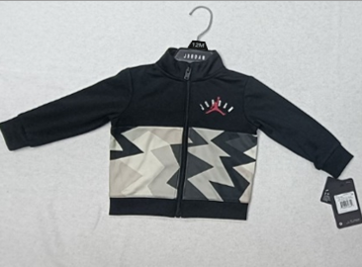

NH / YN flat pack
Hanger Required | No
Polybag | No
Misc. Instructions | Master polybag required for white and cream-colored product Master Polybag may also be used for mold prevention when needed, along with desiccant Printers Fold: 12 pcs or more should get a printer’s fold. Printers fold should be in folds by prepack. EX: if 1-2-2-1 ratio there should be 2 folds of that ratio for a 12 pc pack.
Photo Examples | Regular fold |  |  | Printers fold
 | 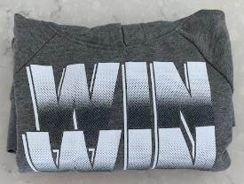 |  | 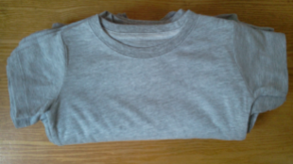 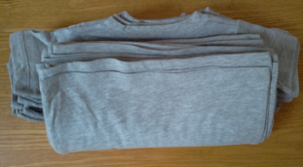

IP / Ecomm labels
Hanger Required | Flat Packed- Tops with attachments (ex: headband/hat) must be packed with a hanger.
Polybag | Individually Polybagged.
Misc Instructions | Hangtag must be visible through the polybag.
Photo Examples | All other brands | 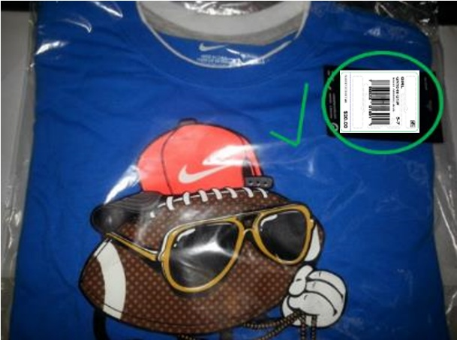
 | Lacoste (Branded Polybag is required) | 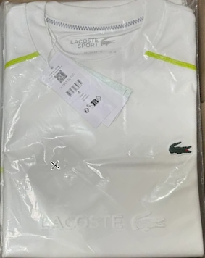

BOTTOMS
Categories | Bottoms - Pants, Shorts, Skirts, Boys Swimsuits/Boardshorts

WH / YW hanger
Lacoste | Hanger Required | Yes- Both hangers and crown sizers must be of Recycled material.
 | Size Range | Newborn | Infant | Toddler | 4-6x and 4/7 | 7-16 and 8-20
 | Hanger Type | 6008B | 6008B | 6008B | 6010B | 6010B
 | fabric sensitive hanger | 6208B | 6208B | 6208B | 6210B | 6210B
 | Sizers | Black Crown Sizer / White Lettering. Use size clips when crown sizers do not fit the hangers.
Abercrombie & Fitch | Size Range | Newborn | Infant | Toddler | 4-6x and 4/7 | 7-16 and 8-20
 | Hanger Required | Yes
 | Size Range | Newborn | Infant | Toddler - 5T | Merge Pack sizes 5-18
 | Hanger Type | 6108 | 6108 | 6108 (5T) 6110 | (6010B)
 | fabric sensitive hanger | 9108W | 9108W | 9108W (5T) 9110W | 6210B
 | Sizers | White size clip with black lettering |  |  | Black Crown Sizer / White Lettering
Replenishment Div F Girl Apparel REF#G970 Div G Jordan All Apparel Categories | Hanger Required | Yes
 | Size Range | Newborn | Infant | Toddler | 4-6x and 4/7 | 7-16 and 8-20
 | Hanger Type | 6108 | 6108 | 6108 | 6110 | 6010B
 | Sizers | White size clip with black lettering |  |  |  | Black Crown Sizer / White Lettering
All other brands | Hanger Required | Yes
 | Size Range | Newborn | Infant | Toddler | 4-6x and 4/7 | 7-16 and 8-20
 | Hanger Type | 6108 | 6108 | 6108 | 6110 | 6010B
 | Sizers | White size clip with black lettering |  |  |  | Black Crown Sizer / White Lettering
For Fabric Sensitive Garments - when marks are visible on garment from other hangers. | Hanger Required | yes
 | Size Range | Newborn | Infant | Toddler | 4-6x and 4/7 | 7-16 and 8-20
 | Hanger Type | 9108W | 9108W | 9108W | 9108W | 6210B
 | Sizers | White size clip with black lettering |  |  |  | Black Crown Sizer / White Lettering
All Brands 2 Bottoms Set | Size Range | Newborn | Infant | Toddler | 4-6x and 4/7 | 7-16 and 8-20
 | Hanger | 3952/3972 | 3972 | 3972 | 3392 | 3392
 | Sizers | White size Clips/ black lettering
Polybags | Can use Master polybag for white or cream colored goods. Master Polybag may also be used for mold prevention when needed, along with desiccant If it is during rainy season in Cambodia or Vietnam, you may seal if necessary
Hangtag Placement | If no waistband side seam, attach ticket to inside leg or waistband seam.
Alternate Placement | 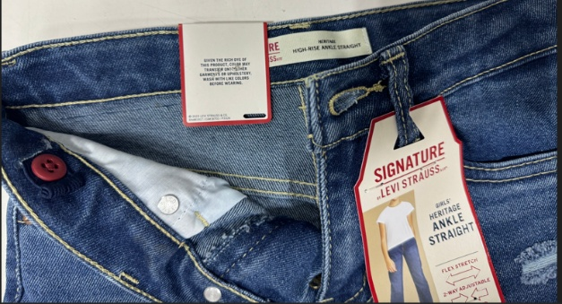 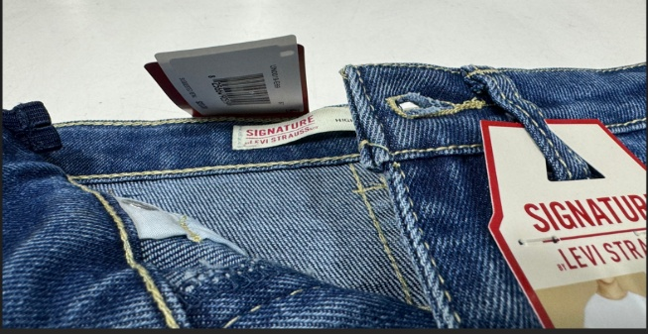 For Levis joker tags it should always be on the reverseside (inside.) Tack once on matchbook to avoid damage to RFID Antenna.
Misc Instructions | Use all white plastic hangers on merged size packs For example: if you have sizes 2T-7; you will use hangers 6108/6110 with white size clip and black lettering Unless specified differently, all will be required to hang in a closed presentation with the side panel facing forward. When possible, always double tuck If double tucking is not possible, then single tuck. THIS DOES NOT INCLUDE DENIM, LEGGINGS, BIKER SHORTS, SKIRTS AND SKORTS. THESE MUST BE IN AN OPEN PRESENTATION
 | DENIM, LEGGINGS, BIKER SHORTS, SKIRTS AND SKORTS, OPEN PRESENTATION, NO TUCK. |  | Single Tucked |  |  | Double Tucked
Photo Examples | 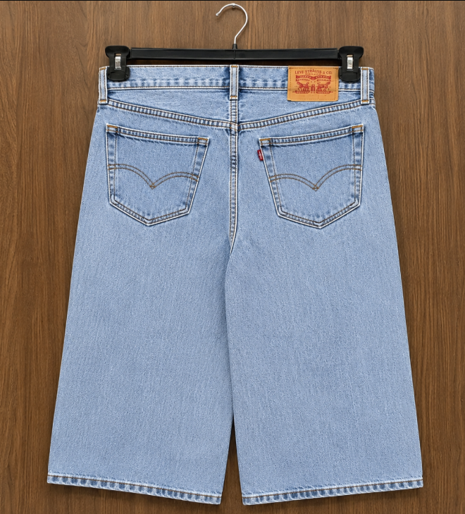 |  | 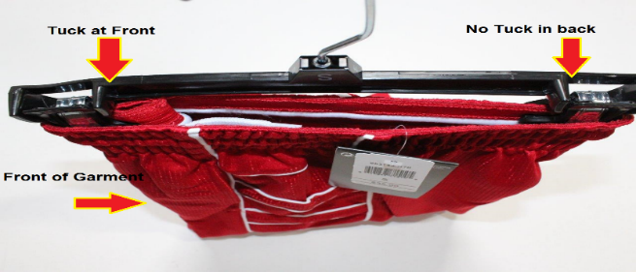 |  |  | 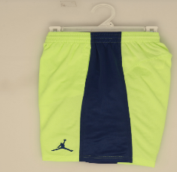

NH / YN | flat pack
Hanger Required | No
Polybag | Master polybag required for white and cream-colored product Master Polybag may also be used for mold prevention when needed, along with desiccant

Photo Examples | Active Brands | 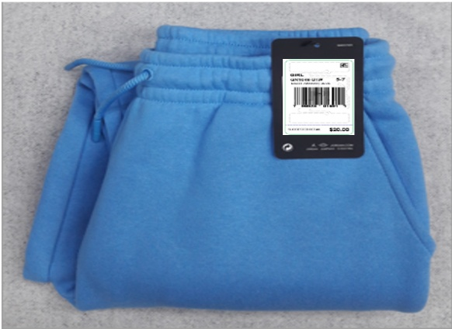

 | Levis (Denim / Twill) | 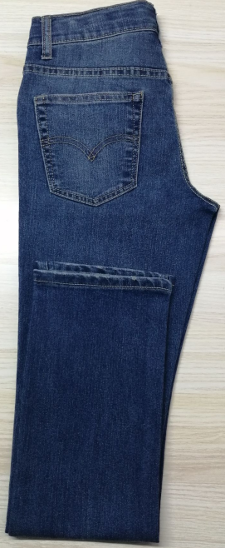 |  |  | 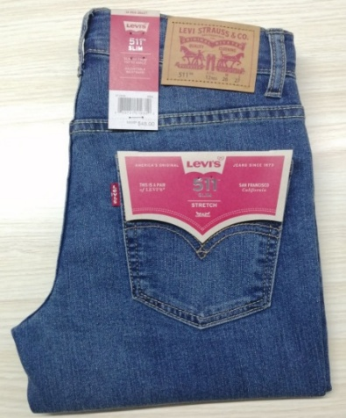

IP / Ecomm labels
Hanger Required | follow the LPO if the goods need hangers.
Hangtag Placement | Lacoste Hangtag will be positioned in the loop inside the belt; right side when worn 2cm from the side seam. If there is no size label, a loop will be needed inside the waistband on the right side when worn 2cm from the side seam.
Polybag | Individual Polybag Lacoste - Branded Polybag is Required
Misc Instructions | Hangtag/UPC sticker must be face up and visible through the polybag
Photo Examples | Levis Denim / Twill | 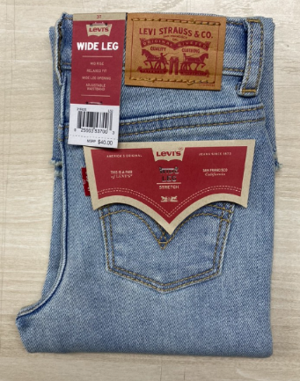 |  |  | 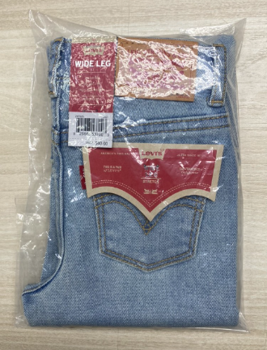

 | Lacoste | 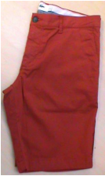 |  |  | 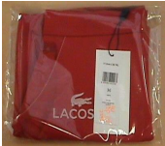

 | All other brands | 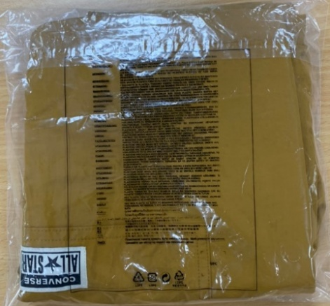 |  |  | 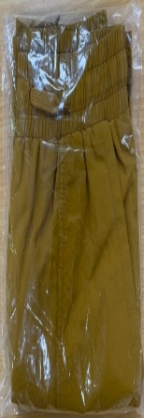 

COVERALLS
Categories | Multi-pack Bodysuits (Coveralls)
Hangtag Placement | At left bottom sleeve in hang tag loop

WH / YW
All Brands | Size Range | Newborn |  | Infant
 | Sizes | 0-3m | 6-9m | 12-24m
 | Hanger Type for 2pc Creepers | 4652 | 1572 | 2262
 | Hanger Type for 3pc Creepers | 4653 | 4653 | 4653
 | Hanger Type for 4pc Creepers | 4654 | 4654
 | Hanger Type for 5pc Creepers | 4655 | 4955 | 4955
 | Lacoste sizers | Black size clips and crown sizers. Hanger and sizers must be of recycling material.
 | All other brands sizers | White size clip with Black lettering
 | Misc | Use white plastic hangers on merged size packs. Back unit should always be reversed so the graphic is visible
Brand Stickers | Nike Inc. (Nike/Jordan/Converse/3 Brand): sticker on sets ONLY - place on Top front side of the hanger Huggies and Polo: sticker front side of the hanger, on both sets and tops Levi’s and Hurley – sticker both sides of the hanger, on both sets and tops Lacoste: sticker on front side of the hanger for both Tops and sets. Abercrombie and Fitch: sticker on front side of hanger for Tops. The stickers should be centered on the hanger and the correct size sticker should be used to fit the hanger. Stickers should not be used on the hanger if there is already a rider card on the hanger.
Polybag | Must use Master polybag for white or cream colored goods. Master Polybag may also be used for mold prevention when needed, along with desiccant If it is during rainy season in Cambodia or Vietnam, you may seal if necessary
Misc Instructions | Use white plastic hangers on merged size packs Back unit should always be reversed so the graphic is visible
Photo Examples | Bodysuit Set - Front View |  |  | Bodysuit Set - Rear View

NH/YN labels flat pack
Hanger Required | No
Polybag | No
Misc Note | NH/YH should never be used as sets should never be flatpacked without a hanger
Photo Examples | Coverall | Romper |  | Bodysuit
 | 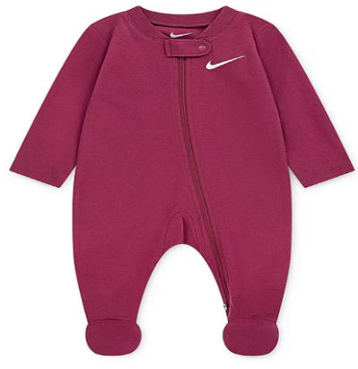 | 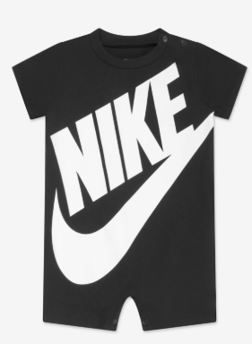 |  | 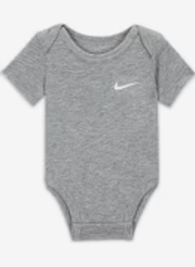

IP and Ecomm labels
Hanger Required | Flat packed. Bodysuits such as 3pc creepers should include a hanger. Footed coveralls with attachments (ex: hat/ headbands) require hangers.

Polybag | Individual Polybag
Misc Instructions | Hangtag/UPC sticker must be face up and visible through the polybag Lacoste goods will require branded polybag
Photo Examples | Bodysuit Set - Front View
 | 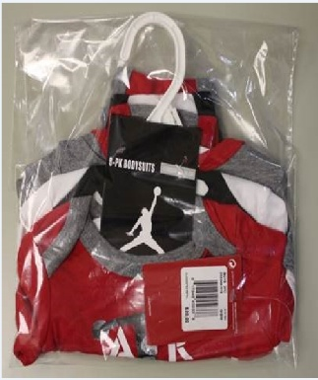

SETS
Categories | Sets - 2pc sets, 3pc sets, Swim Sets
Misc Note | For multi-pack bodysuits, see BODYSUITS section

Sets
Sets should never come in w/o a hanger. Sets should always come in on a hanger or individually polybagged. Hangers sizes 7-16/8-20 should always be clipped together and should never be packed as separates. Tops for Overall, Shortall, and Skirtall garments should always have shirt tucked inside.

Hangtag Placement | At left bottom sleeve in hang tag loop
Hangtag Placement for Lacoste | attach the hangtags on the hangtag loop @neckline

WH / YW hanger
Lacoste | Hanger Required | Yes- Both hangers and crown sizers must be of Recycled material. Black size clip with White lettering when crown sizers do not fit the hangers.
 | Polybag | Yes
 | Size Range | Newborn | Infant | Toddler | 4-6x and 4/7 | 7-16 and 8-20
 | Hanger for 2 pc short sets with top/bottom | 497B/6008B | 498B/6008B | 498B/6008B/9508B | 485B/6010B/9510B | 485B/6012B/9512B
 | Hanger Type for 2 pc pant sets with top/bottom | 497B/6008B | 498B/6008B | 498B/6008B | 485B/6010B | 485B/6010B
 | Hanger Type for 3pc SET - 2 Tops & 1 short/pants with or w/o Rider Card | 1010B/9508B | 1010B/9508B | 1212B/9510B | 1414B/9510B
Abercrombie & Fitch | Hanger Required | Yes
 | Size Range | Newborn | Infant | Toddler - 5T | Merge pack sizes 5-18
 | Hanger Type | 495/9508 | 496/9508 | 496/9508 (5T) 472/9510 | 485B/6010B/6012B - use 9512B when short bottom is not visible behind the top it is okay to use both hangers 6010B/6012B inside of the same carton if needed.
 | Sizers | White size clip / black lettering |  |  | Black Crown Sizer / White Lettering
All other brands | Hanger Required | Yes
 | Misc Instruction on Hanger | For sizes 8-20 the drop will depend on whether the short will be visible.
 | Size Range | Newborn | Infant | Toddler | 4-6x and 4/7 | 7-16 and 8-20
 | Overall, Shortalls, Skirtalls Sets | 495 | 496 | 496 | 472 | 485B Black Crown Sizer w/ White Lettering
 | Hanger Type for 2 pc short sets with top/bottom | 495/9508 | 496/9508 | 496/9508 | 472/9510 | 485B/6010B/9510B Black Crown Sizer w/ White Lettering
 | Hanger Type for 2 pc pant sets with top/bottom | 495/9508 | 496/9508 | 496/9508 | 472/9510 | 485B/6010B Black Crown Sizer w/ White Lettering
 | Hanger Type for 2 Tops & Bottom PC Set | 1010/9508 | 1010/9508 | 1212/9508 | 1414/9510 | 1616B/9510B
 | Hanger Type for 3pc SET - 2 Tops & 1 short/pants with or w/o Rider Card | 1010/9508 | 1212/9508 | 1212/9508 | 1414/9510 | 1616B/9510B
 | 1 TOP & 2 BOTTOM PC SET | 495/9508 | 496/9508 | 472/9510 | 472/9510 | N/A
 | 2 TOPS & 2 BOTTOM PC SET | 1010/9508 | 1010/9508 | 1212/9510 | 1414/9510 | N/A
 | Sizers | White size clip / black lettering |  |  |  | Black size clip w/ white lettering
All Brands 2 Bottoms Set | Size Range | Newborn | Infant | Toddler | 4-6x and 4/7 | 7-16 and 8-20
 | Hanger | 3972 | 3972 | 3972 | 3392 | 3392
 | Sizers | White size Clips/ black lettering
Brand Stickers | Nike Inc. (Nike/Jordan/Converse/3 Brand): sticker on sets ONLY - place on Top front side of the hanger Huggies and Polo: sticker front side of the hanger, on both sets and tops Levi’s and Hurley – sticker both sides of the hanger, on both sets and tops Lacoste: sticker on front side of the hanger for both Tops and sets. Abercrombie and Fitch: sticker on front side of hanger for Tops. The stickers should be centered on the hanger and the correct size sticker should be used to fit the hanger. Stickers should not be used on the hanger if there is already a rider card on the hanger.
Polybag | Master polybag, bags are not allowed to be taped shut. For 12pc or more - okay to pack 6pcs per garment bag.
Misc Instructions | Use white plastic hangers on merged size packs. Set should be swift tacked to top and bottom hanger. For example: if you have sizes 4-16; you will use hangers 472/9510 with white size clips and black lettering The hanger drop for the bottom should be long enough to show the brand logo or graphic below the top If the bottom cannot hang low enough to make the logo/graphic visible below the top, hang the bottom backwards with the logo visible form the back Bottoms should be hung in an open (front facing) presentation
Photo Examples | Set - Front View | Set - Rear View |  |  | Set With Short Hanger Drop
 | 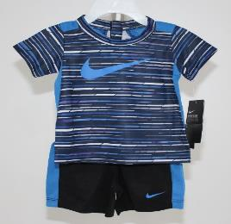 | 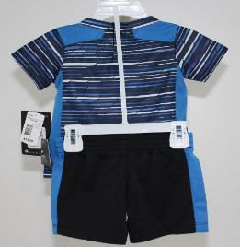 |  |  | 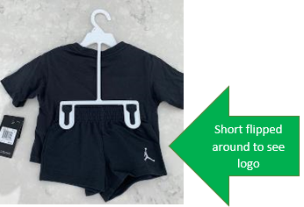

 | 3 Pc Set
 | 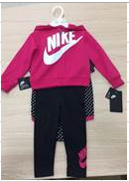 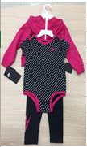

Photo Examples | Packing for Overall, Shortall, Skirtall Sets (Top must be tucked inside of garment)
 | 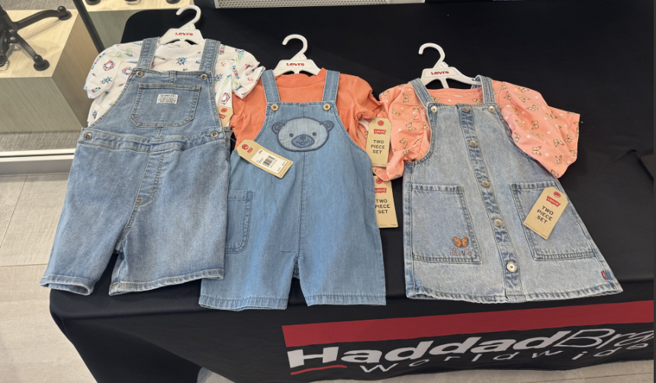

IP and Ecomm labels
Hanger Required | Flat Packed. If the set has an attachment (example: hat or headband) it should be on a hanger.
Polybag | Individual Polybag.
Misc Instructions | Hangtag/UPC sticker must be face up and visible through the polybag Lacoste goods will require branded polybag and no space leftover when packing inside of the polybag.
Photo Examples | Polybagged with UPC face up
 | 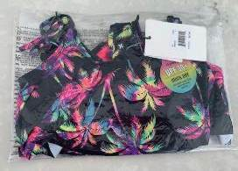 |  | 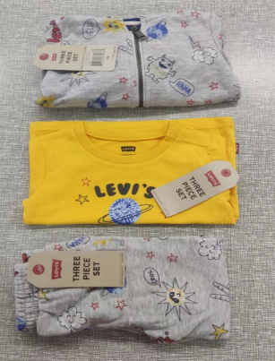 |  |  | 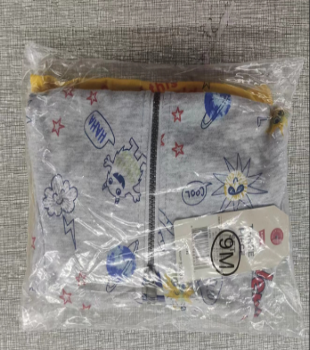

OUTERWEAR
Categories | Outerwear

Hangtag Placement | At left bottom sleeve in hang tag loop

WH / YW hanger
Lacoste | Hanger Required | Yes- Both hangers and crown sizers must be of Recycled material. Use size clips when crown sizers do not fit the hangers
 | Polybag | Yes
 | Size Range | Newborn | Infant | Toddler | 4-6x and 4/7 | 7-16 and 8-20
 | JACKETS /OUTERWEAR | 3315B | 3315B | 3315B | 3315B | 3328B
 | Sizers | Black Crown Sizer / White Lettering
Abercrombie & Fitch | Hanger Required | Yes
 | Size Range | Newborn | Infant | Toddler -5T | Merge pack sizes 5-18
 | Hanger Type | 495 | 496 | 496 (5T) 472 | 484B-485B
 | Sizers | White size clip w/black lettering |  |  | Black Crown Sizers w/ White Lettering
All other brands | Hanger Required | Yes
 | Size Range | Newborn | Infant | Toddler | 4-6x and 4/7 | 7-16 and 8-20
 | JACKETS | 495 | 496 | 496 | 472 | 485B
 | SWEATER/OUTERWEAR | 496/217 | 496/210 | 496/210 | 210/472 | 3329B
Sizers |  | White size clip w/black lettering |  |  |  | Black Crown Sizer / White Lettering
Brand Stickers | Nike Inc. (Nike/Jordan/Converse/3 Brand): sticker on sets ONLY - place on Top front side of the hanger Huggies and Polo: sticker front side of the hanger, on both sets and tops Levi’s and Hurley – sticker both sides of the hanger, on both sets and tops Lacoste: sticker on front side of the hanger Abercrombie & Fitch: sticker on front side of hanger The stickers should be centered on the hanger and the correct size sticker should be used to fit the hanger. Stickers should not be used on the hanger if there is already a rider card on the hanger.
Polybag | Must use Master polybag for white or cream colored goods. Master polybags are not allowed to be taped shut.
Misc Instructions | All Heavy Outerwear should be lying flat (Includes Denim Jackets) For smaller sizes that become bulky, okay to fold sleeves diagonal and lay flat in carton. Midweight / Lightweight outerwear should be half folded. For Lacoste: Midweight / Lightweight outerwear will not include cardboard.
Photo Examples | 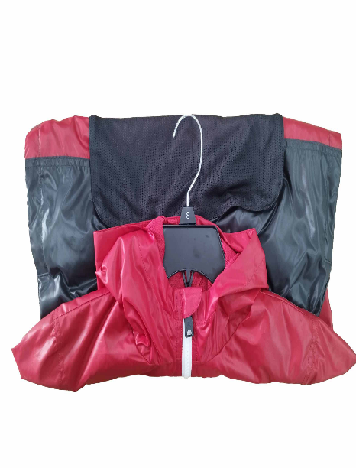 |  | 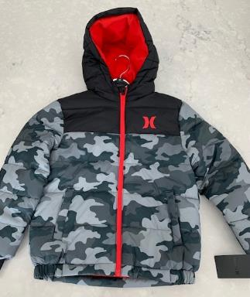 |  |  | 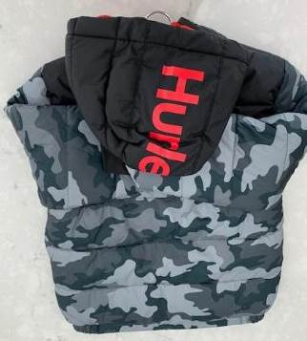

NH/YN flat pack
Hanger Required | No
Polybag | Master polybag required for white and cream-colored product Master Polybag may also be used for mold prevention when needed, along with desiccant
Misc. | All Heavy Outerwear should be lying flat. (Includes Denim Jackets) For smaller sizes that become bulky, okay to fold sleeves diagonal and lay flat in carton. Lightweight outerwear should be half folded. For Lacoste: Midweight / Lightweight outerwear will NOT include cardboard.
Photo Examples |  |  |  |  | 

IP and Ecomm labels
Hanger Required | Follow the LPO if the goods require hangers
Polybag | Individual Polybag.
Misc Instructions | Hangtag/UPC sticker must be face up and visible through the polybag. Outerwear should be pushed down in the carton just enough to remove the air and save a few inches at the top of the carton. All Heavy Outerwear should be lying flat. For smaller sizes that become bulky, okay to fold sleeves diagonal and lay flat in carton. Lightweight outerwear should be half folded. Lacoste : goods will require branded polybag. There cannot be any extra space leftover when packing inside of polybag. Midweight / Lightweight outerwear will not include cardboard.
Photo Examples |  |  |  |  | 

GIRLS SWIMWEAR
Categories | Girls 2-3 Piece Swimwear
Notes | For boys swimwear, see section for bottoms
Hangtag Placement | Tops: at left armhole in hang tag loop / Bottoms: at left side of waistband

WH / YW hanger
Abercrombie | Hanger Required | YES
 | Size Range | Newborn | Infant | Toddler - 5T | Merge Pack sizes 5-18
 | Hanger type for Girls 1pc | 495 | 496 | 496/ (5T) 472 | 485B/ 484B
 | Hanger Type for Girls 2pc | 8108 | 8108 | 8308/8310 | 8010B
 | Hanger Type for 2pc w/Rashguard | 495/9508 | 496/9508 | 472/9510 | 485B/9512B
 | Hanger Type for Girls 3 pc | 1010/9508 | 1010/9508 | 1414/9510 | 1616B/9512B
 | Alternate hanger for 3pc |  |  | 1212/6750 | 1414B / 6750B
 | Sizers | White size clip/black lettering |  |  | Black Crown Sizer / White Lettering
Lacoste | Hanger Required | Yes- Both hangers and crown sizers must be of Recycled material.
 | Polybag | Yes
 | Size Range | Newborn | Infant | Toddler | 4-6x and 4/7 | 7-16 and 8-20
 | Hanger Type for Girls 1 pc | 497B | 498B | 498B | 485B | 485B
 | Hanger Type for Girls 2pc | 8008B | 8008B | 8008B | 8010B | 8012B
 | Sizers | Black Crown Sizer / White Lettering. Use size clips when crown sizers do not fit the hangers
All other brands | Hanger Required | YES
 | Size Range | Newborn | Infant | Toddler | 4-6x and 4/7 | 7-16 and 8-20
 | Hanger Type for Girls 1 pc | 495 | 496 | 496 | 472 | 485B
 | Hanger Type for Girls 2pc | 8108 | 8108 | 8108 | 8308/8310 | 8010B
 | Hanger Type for 2pc w/Rashguard | 495/9508 | 496/9508 | 496/9508 | 472/9510 | 485B/9512B
 | Hanger Type for Girls 3 pc | 1010/9508 | 1010/9508 | 1212/9508 | 1414/9510 | 1616B/9512B
 | Alternate hanger for 3pc |  |  |  | 1212/6750 | 1414B / 6750B
Sizers | White size clip/black lettering |  |  |  |  | Black Crown Sizer / White Lettering
Brand Stickers | Nike Inc. (Nike/Jordan/Converse/3 Brand): sticker on sets ONLY - place on Top front side of the hanger Huggies and Polo: sticker front side of the hanger, on both sets and tops Levi’s and Hurley – sticker both sides of the hanger, on both sets and tops Lacoste: sticker on front side of the hanger Abercrombie & Fitch: sticker on front side of hanger The stickers should be centered on the hanger and the correct size sticker should be used to fit the hanger. Stickers should not be used on the hanger if there is already a rider card on the hanger.
Polybag | Must use Master polybag for white or cream colored goods. Master Polybag may also be used for mold prevention when needed, along with desiccant If it is during rainy season in Cambodia or Vietnam, you may seal if necessary
Misc Instructions | Use white plastic hangers on merged size packs For example: if you have sizes 2T-7; you will use hangers 496-9508/472-9510 with white size clips and black lettering
Photo Examples |  |  |  | 

IP and Ecomm labels
Hanger Required | Flat pakced. If the goods have an attachment (example: hat or headband) it should be on hanger.
Polybag | Individual Polybag Lacoste: Branded polybag will be required
Misc Instructions | Hangtag/UPC sticker must be face up and visible through the polybag
Photo Examples | 

NH/YN flat
Hanger Required | No
Polybag | Master polybag required for white and cream-colored product Master Polybag may also be used for mold prevention when needed, along with desiccant
Photo Examples | 

BOX SETS
Categories | Box Sets

Boxed Sets, Bootie Sets
Hanger Required | No
Polybag | No
Photo Examples | 

Photo Examples REDUCE RFID | 

IP and Ecomm labels for Lacoste
Hanger Required | No
Polybag | Yes - Branded Polybag is required.
underwear box | non branded polybag
Misc Instructions | Hangtag/UPC sticker must be face up and visible through the polybag There cannot be any extra space leftover when packing inside of polybag.

LACOSTE TOYS
Category | Toys

Lacoste
Hanger Required | No
Misc Instructions | Flat Packed - Individually Polybagged
Polybag | Yes - Branded polybag is required for Lacoste
Photo Examples | 

HOSIERY
Categories | Hosiery

Bibs, Socks,
Hanger Required | No
Polybag | Yes

Misc Instructions | 6pcs to a master polybag. If 12 pcs then pack 2 packs of 6pcs.
Photo Examples | 

Photo Example REDUCED RFID | 

Blankets
Hanger Required | Yes
Polybag | Yes

Misc Instructions | 2 inners of 6pcs.

IP and Ecomm labels
Hanger Required | No
Polybag | Individual Polybag Lacoste: Branded Polybag will be required
Misc Instructions | Hangtag/UPC sticker must be face up and visible through the polybag
Photo Examples | 

UNDERWEAR
Categories | Hosiery

Underwear- All Brands
Hanger Required | No
Polybag | Yes

RFID | Yes
Photo Example | 

IP and Ecomm labels
Hanger Required | No
Polybag | Yes - Individually polybag Lacoste: Branded Polybag will be required
Misc Instructions | Hangtag/UPC sticker must be face up and visible through the polybag There cannot be any extra space leftover when packing inside of polybag.

COLD WEATHER
Categories | Hats

Beanie, Glove & Beanie, Mittens, Caps, Scarves
Hanger Required | No
Hangtag Placement | Place through "J" Hook
Polybag | Yes
Misc Instructions | 6pcs to a master polybag. If 12 pcs then pack 2 packs of 6pcs. RFID-15 can be used on mittens
Photo Examples |  

IP and Ecomm labels
Hanger Required | No
Polybag | Individual Polybag Lacoste: Branded Polybag will be required
Misc Instructions | Hangtag/UPC sticker must be face up and visible through the polybag
Photo Examples |  

BAGS
Categories | Bags

Hangtag Placement | Should be applied with a loop swift tag through the top handle

Back Packs
Hanger Required | No
Polybag | Yes

Misc Instructions | Backpacks require individual polybags.
Photo Examples |  

Wallets
Photo Example REDUCED RFID, |  

Clear Accessories
Hanger Required | No
Polybag | Yes

Misc Instructions | individual polybags
Photo Examples |  | 

 |  | 

Handbags, Duffle bags, Lunch totes, Sling bags
Hanger Required | No
Polybag | Yes
Misc Instructions | 6pcs to a master polybag. If 12 pcs then pack 2 packs of 6pcs.
Photo Examples | 

Ecomm labels and Replenishment
Hanger Required | No
Polybag | Individual Polybag Lacoste: Branded Polybag will be required
Misc Instructions | Hangtag/UPC sticker must be face up and visible through the polybag
Photo Examples |  

PACKING

Fashion Carton Requirements | Replenishment Carton Requirements MUST be followed
Min Measurements: L6 X W6 X H3" | Min Measurements: L6 X W6 X H3"
Max Measurements: L30 X W23 X H18" | Max Measurements: L20 X W15.5 X H16"
Min Weight: 2 LBS | Min Weight: 2 LBS
Max Weight: 35 LBS | Max Weight: 35 LBS

POLY BAG WARNING: Child safety warning must be printed on all poly bags. MUST HAVE INFO IN 35 LANGUAGES

**follow the packaging manual for more details regarding carton quality standards, markings, and labelling requirements.**

LACOSTE PACKING
Min Measurements: L6 X W6 X H3"
Max Measurements: L30 X W23 X H18"
Min Weight: 2 LBS
Max Weight: 35 LBS

Polybags
POLY BAG WARNING: Child safety warning must be printed on all poly bags. MUST HAVE INFO IN FRENCH AND ENGLISH

Branded Polybag
All polyethylene bags must be recyclable and made of recycled plastic.




Products already packed in boxes / cases / suitcases / etc...,
the protective polybag must be without the Lacoste logo. - The logos on the polybags with gussets must be printed at the opening.

**follow the packaging manual for more details regarding carton quality standards, markings, and labelling requirements.**

