Đổi Tên Node
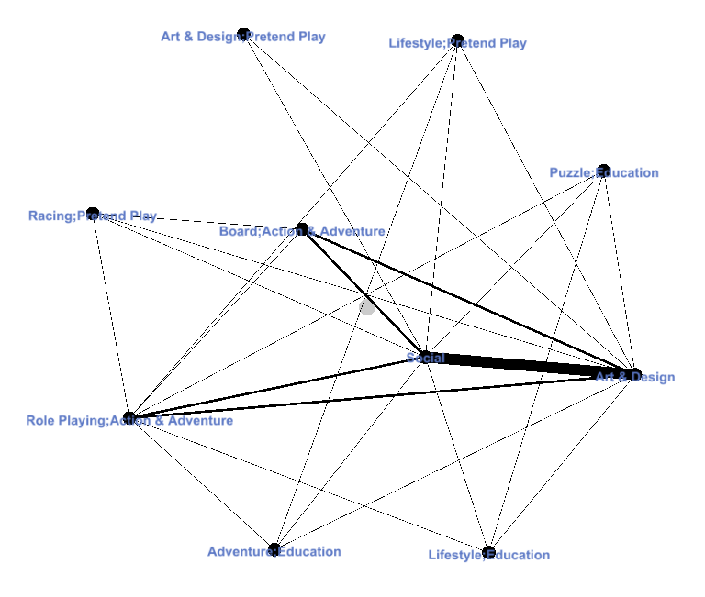
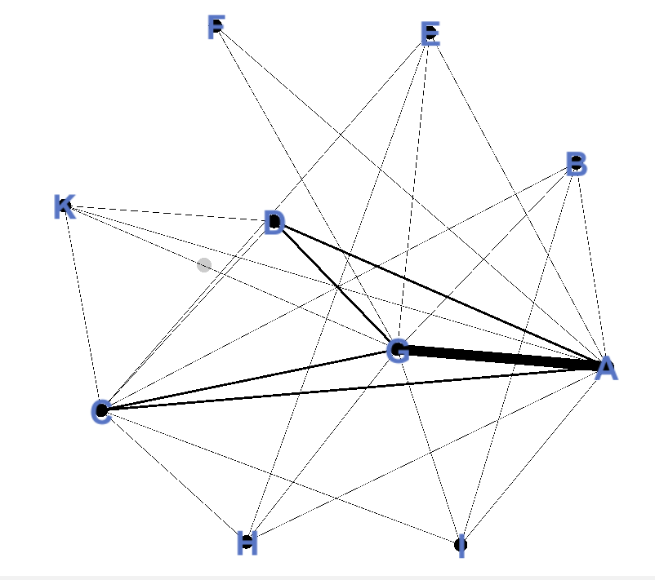

Định nghĩa lại tên node |  | Node matrix
Art & Design | A |  | A | B | C | D | E | F | G | H | I | K
Puzzle;Education | B | A | 0 | 1 | 1 | 1 | 1 | 1 | 1 | 1 | 1 | 1
Role Playing;Action & Adventure | C | B | 1 | 0 | 1 | 0 | 0 | 0 | 1 | 0 | 1 | 0
Board;Action & Adventure | D | C | 1 | 1 | 0 | 1 | 1 | 0 | 1 | 1 | 1 | 1
Lifestyle;Pretend Play | E | D | 1 | 0 | 1 | 0 | 0 | 0 | 1 | 0 | 0 | 1
Art & Design;Pretend Play | F | E | 1 | 0 | 1 | 0 | 0 | 0 | 1 | 1 | 0 | 0
Social | G | F | 1 | 0 | 0 | 0 | 0 | 0 | 1 | 0 | 0 | 0
Adventure;Education | H | G | 1 | 1 | 1 | 1 | 1 | 1 | 0 | 1 | 1 | 1
Lifestyle;Education | I | H | 1 | 0 | 1 | 0 | 1 | 0 | 1 | 0 | 0 | 0
Racing;Pretend Play | K | I | 1 | 1 | 1 | 0 | 0 | 0 | 1 | 0 | 0 | 0
 |  | K | 1 | 0 | 1 | 1 | 0 | 0 | 1 | 0 | 0 | 0

Closeness Centrality
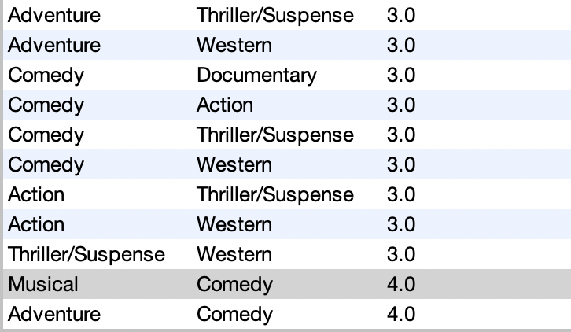
n - 1 = 10 - 1 = 9 | Closeness Centrality
CC(A) | 1
CC(B) | 0.64285714286
CC(C) | 0.9
CC(D) | 0.64285714286
CC(E) | 0.64285714286
CC(F) | 0.64285714286
CC(G) | 1
CC(H) | 0.64285714286
CC(I) | 0.64285714286
CC(K) | 0.64285714286

Định nghĩa lại tên node
Art & Design | A
Puzzle;Education | B
Role Playing;Action & Adventure | C
Board;Action & Adventure | D
Lifestyle;Pretend Play | E
Art & Design;Pretend Play | F
Social | G
Adventure;Education | H
Lifestyle;Education | I
Racing;Pretend Play | K

