Anh Duc
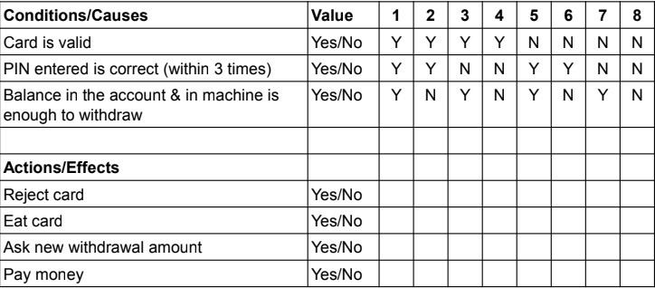
No | Description | Steps | Expected Result
1 | Verify the cash withdrawal functionality by inserting valid | Pre-condition 1. Prepare a valid card Steps to perfom 1. Card is Valid 2. PIN entered is Correct 3. Balance in the account &i in machine is enough to withdraw | Pay money
2 | Verify the cash withdrawal functionality by entering an amount greater than the available balance in the account. | Pre-condition 1. Prepare a valid card Steps to perfom 1. Card is Valid 2. PIN entered is Correct 3. Balance in the account is not enough to draw | Ask new withdrawal amount
3 | Verify the functionality by entering a wrong pin number for 3 or more times. | Pre-condition 1. Prepare a valid card Steps to perfom 1. Card is Valid 2. PIN entered is incorrect 3 times | Eat Card
4 | Verify the card reader functionality by inserting an expired card. | Pre-condition 1. Prepare a valid card Steps to perfom 1. Card is expired | Reject card

Huy
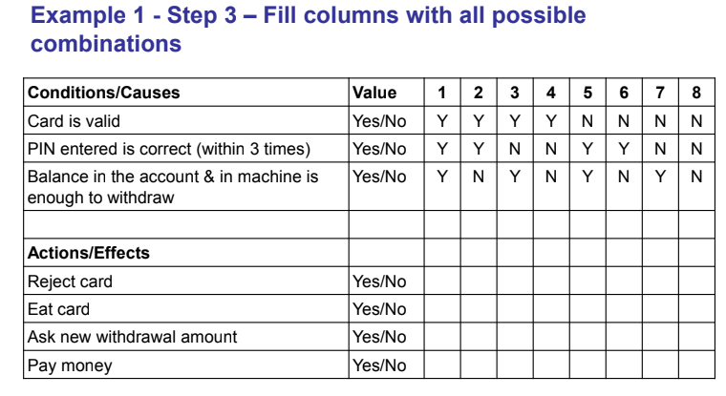
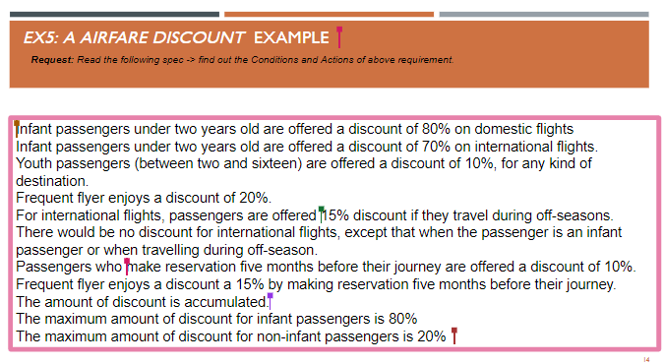

 |  |  |  |  |  |  |  | Reject card | card invalid
 |  |  |  |  |  |  |  | Eat card | pin incorrect
 |  |  |  |  |  |  |  | Ask new withdrawal | balance in account / machine not enough | -1, 0, in balance, on balance, over balance, in atm amount, over atm amount
 |  |  |  |  |  |  |  | Pay money | happy case

Condition ID | Condition name | Precondition | Testcase ID | Testcase Name | Test Steps | Expected result | Actual result | Status | Platform | Bug ID | Tester | Test date | Note
C0001 |  | Card valid, Pin, Balance available | C001_TC001 | Happy case - Withdraw success | Insert Valid Card Pin enter correct Type valid Balance | Withdraw success |  |  |  |  |  |  |  | Condition / Input | is infant | non infant young | is domestic flight | is frequent fly | is off-season | is reservation 5 months before
C0002 |  | invalid card |  | Reject card | Insert invalid Card (expired, not support, not atm card) | Reject card |  |  |  |  |  |  |  |  | T | T | T | T | T | T
 |  |  |  |  | Insert valid card Waiting for time out | Reject card |  |  |  |  |  |  |  |  | T | T | T | T | T | F
 |  |  |  |  | Insert valid card Choose cancel withdraw | || |  |  |  |  |  |  |  |  | T | T | T | T | F | T
 |  |  |  |  |  |  |  |  |  |  |  |  |  |  | T | T | T | T | F | F
 |  | 3 incorrect pin |  | Eat card | Insert valid Card Type pin incorrect x3 | Eat card |  |  |  |  |  |  |  |  | T | T | T | F | T | T
 |  | where is atm power |  |  | Insert valid card Dispower ATM | Eat card |  |  |  |  |  |  |  |  | T | T | T | F | T | F
 |  | amount in atm, balance in card |  | Ask new withdrawal amount | || Type -1 | Ask new amount |  |  |  |  |  |  |  |  | T | T | T | F | F | T
 |  | amount in atm, balance in card |  |  | || Type 0 | || |  |  |  |  |  |  |  |  | T | T | T | F | F | F
 |  | amount in atm, balance in card |  |  | Insert Valid Card Enter correct pin Type amount > amount in machine | || |  |  |  |  |  |  |  |  | T | T | F | T | T | T
 |  | amount in atm, balance in card |  |  | Insert Valid Card Enter correct pin Type amount > balance in card | || |  |  |  |  |  |  |  |  | T | T | F | T | T | F
 |  |  |  |  |  |  |  |  |  |  |  |  |  |  | T | T | F | T | F | T
 |  |  |  |  |  |  |  |  |  |  |  |  |  |  | T | T | F | T | F | F
Conditions / input |  |  |  |  |  |  |  |  |  |  |  |  |  |  | T | T | F | F | T | T
new customer | T | T | T | T | F | F | F | F |  |  |  |  |  |  | T | T | F | F | T | F
have loyalty card | T | T | F | F | T | T | F | F |  |  |  |  |  |  | T | T | F | F | F | T
have coupon | T | F | T | F | T | F | T | F |  |  |  |  |  |  | T | T | F | F | F | F
 |  |  |  |  |  |  |  |  |  |  |  |  |  |  | T | F | T | T | T | T
 |  |  |  |  |  |  |  |  |  |  |  |  |  |  | T | F | T | T | T | F
get 15% or purchase today |  |  |  |  |  |  |  |  |  |  |  |  |  |  | T | F | T | T | F | T
get 10% discount |  |  |  |  |  |  |  |  |  |  |  |  |  |  | T | F | T | T | F | F
add 20% off |  |  |  |  |  |  |  |  |  |  |  |  |  |  | T | F | T | F | T | T
 |  |  |  |  |  |  |  |  |  |  |  |  |  |  | T | F | T | F | T | F
 |  |  |  |  |  |  |  |  |  |  |  |  |  |  | T | F | T | F | F | F
 |  |  |  |  |  |  |  |  |  |  |  |  |  |  | T | F | F | T | T | T
 |  |  |  |  |  |  |  |  |  |  |  |  |  |  | T | F | F | T | T | F
 |  |  |  |  |  |  |  |  |  |  |  |  |  |  | T | F | F

