Login
Bài tập viết test case cho form login

I. Đề bài: Xây dựng mẫu kiểm thử cho form Login sau :
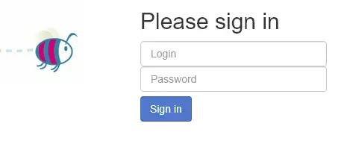

Yêu cầu của form Login
Username:
Không được để trống và có độ dài trong khoảng 3-30 ký tự
Password:
Không được để trống và có độ dài trong khoảng 6-10 ký tự
Các message thông báo lỗi:
Username không được để trống.
Độ dài Username phải nằm trong khoảng 3 đến 30 ký tự.
Password không được để trống.
Độ dài Password phải nằm trong khoảng 6 đến 10 ký tự.
Username hoặc Password đã nhập sai.
Nhập đúng username + password sẽ chuyển user vào màn hình.

