Anh Duc
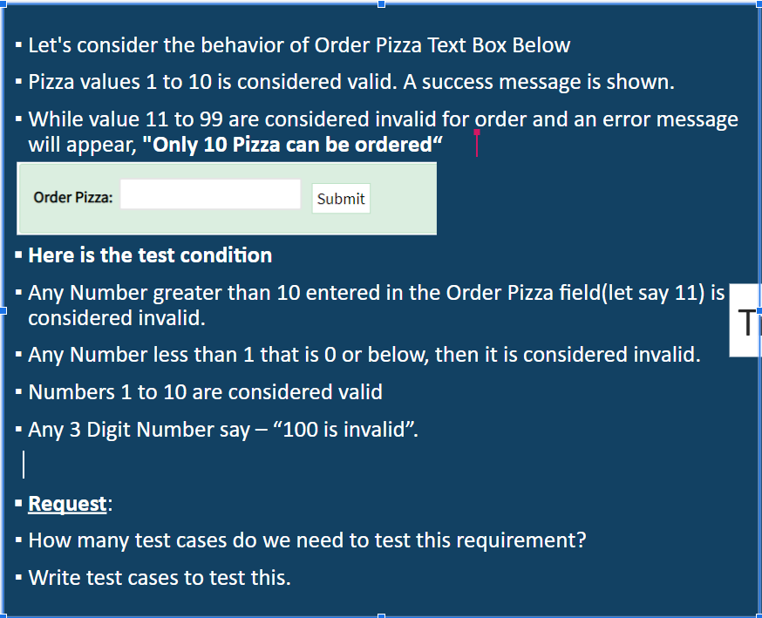
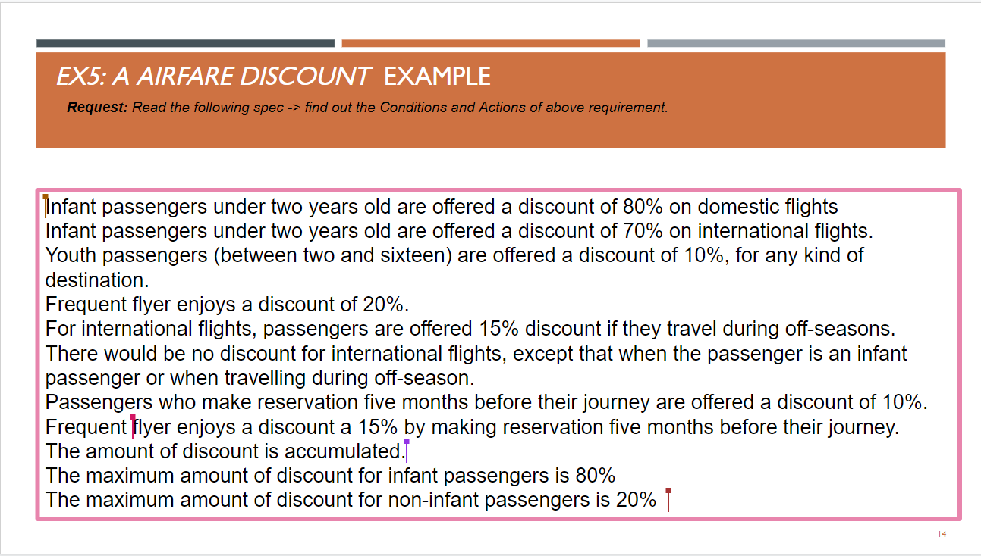
 |  |  |  |  | Case No. | Screen No. | Item Name | Item Type | Viewpoint | Test Case Content | Pre Action | Input | Expected Result
 |  |  |  |  | 2022-01-01 | OrderPizzaPage | Order Pizza | Label | Display Check | Spelling Value | 1. Go to Oder Pizza Page |  | Display: Order Pizza
 |  |  |  |  | 2022-01-02 | OrderPizzaPage | Order Pizza | Text Box | Display Check | Initial state | 1. Go to Oder Pizza Page |  | Text box allows input and Mouse over text box to change the mouse cursor.
 |  |  |  |  | 2022-01-03 | OrderPizzaPage | Submit | Button | Display Check | Initial state check | 1. Go to Oder Pizza Page |  | Button allows Click and Mouse over button to change the mouse cursor pointer.
 |  |  |  |  | 2022-01-04 | OrderPizzaPage | Submit | Button | Display Check | Click range Check | 1. Go to Oder Pizza Page |  | Click the range that covers the whole button.
 |  |  |  |  | 2022-01-05 | OrderPizzaPage | Submit | Button | Display Check | Animation Check | 1. Go to Oder Pizza Page |  | hover button
 |  |  |  |  | 2022-01-06 | OrderPizzaPage | Submit | Button | Click Check | Validation check | 1. Go to Oder Pizza Page 2. Enter valid value |  | Validation check before execution is verified.
 |  |  |  |  | 2022-01-07 | OrderPizzaPage | Submit | Button | Click Check | Screen transition check | 1. Go to Oder Pizza Page 2. Enter valid value |  | Show confirmation modal
 |  |  |  |  | 2022-01-08 | OrderPizzaPage | Order Pizza | Text Box | Display Check | Verify the Maximum | 1. Go to Oder Pizza Page | 100 | It accepts three-digit numbers.
 |  |  |  |  | 2022-01-09 | OrderPizzaPage | Order Pizza | Text Box | Input Check | Verify the Minimum | 1. Go to Oder Pizza Page | 0 | It accepts one-digit numbers.
 |  |  |  |  | 2022-01-10 | OrderPizzaPage | Order Pizza | Text Box | Input Check | Verify entering the Special char. | 1. Go to Oder Pizza Page 2. Entering the Special char. 3. Click Submit Button | !@# | Can't Order Show error message: Please fill out the positive integer entries.
 |  |  |  |  | 2022-01-11 | OrderPizzaPage | Order Pizza | Text Box | Input Check | Verify entering the alpha characters. | 1. Go to Oder Pizza Page 2. Entering the alpha characters. 3. Click Submit Button | abc | Can't Order Show error message: Please fill out the positive integer entries.
 |  |  |  |  | 2022-01-12 | OrderPizzaPage | Order Pizza | Text Box | Input Check | Verify entering alpha characters or alphanumeric characters. | 1. Go to Oder Pizza Page 2. entering alpha characters or alphanumeric characters. 3. Click Submit Button | a10 | Can't Order Show error message: Please fill out the positive integer entries.
 |  |  |  |  | 2022-01-13 | OrderPizzaPage | Order Pizza | Text Box | Input Check | Verify entering “Spaces” | 1. Go to Oder Pizza Page 2. Entering “Spaces” 3. Click Submit Button | " " | Can't Order Show error message: Please fill out this field
 |  |  |  |  | 2022-01-14 | OrderPizzaPage | Order Pizza | Text Box | Input Check | Verify entering “Spaces” in the prefix | 1. Go to Oder Pizza Page 2. Entering “Spaces” in the prefix 3. Click Submit Button | " 10" | Can't Order Show error message: Please fill out the positive integer entries.
 |  |  |  |  | 2022-01-15 | OrderPizzaPage | Order Pizza | Text Box | Input Check | Verify entering “Spaces” in the suffix | 1. Go to Oder Pizza Page 2. Entering “Spaces” in the suffix 3. Click Submit Button | "10 " | Can't Order Show error message: Please fill out the positive integer entries.
 |  |  |  |  | 2022-01-16 | OrderPizzaPage | Order Pizza | Text Box | Input Check | Verify entering“Spaces” prints between 2 characters | 1. Go to Oder Pizza Page 2. Entering“Spaces” prints between 2 characters 3. Click Submit Button | "1 0 " | Can't Order Show error message: Please fill out the positive integer entries.
 |  |  |  |  | 2022-01-17 | OrderPizzaPage | Order Pizza | Text Box | Input Check | Verify entering the decimal value | 1. Go to Oder Pizza Page 2. Entering the decimal value 3. Click Submit Button | 1.5 | Can't Order Show error message: Please fill out the positive integer entries.
 |  |  |  |  | 2022-01-18 | OrderPizzaPage | Order Pizza | Text Box | Input Check | Verify entering the positive integer entries | 1. Go to Oder Pizza Page 2. Entering the positive integer entries 3. Click Submit Button | -4 | Can't Order Show error message: Please fill out the positive integer entries.

Infant passengers under two years old (domestic flights) | T | T | F | F
Infant passengers under two years old (international flights) | T | F | T | F
80%
70%

Youth passengers (between two and sixteen) | T | F
10%

International flights( during off-season.)
Frequent flyer
reservation five months
Frequent flyer(reservation five months)

QuyenLe
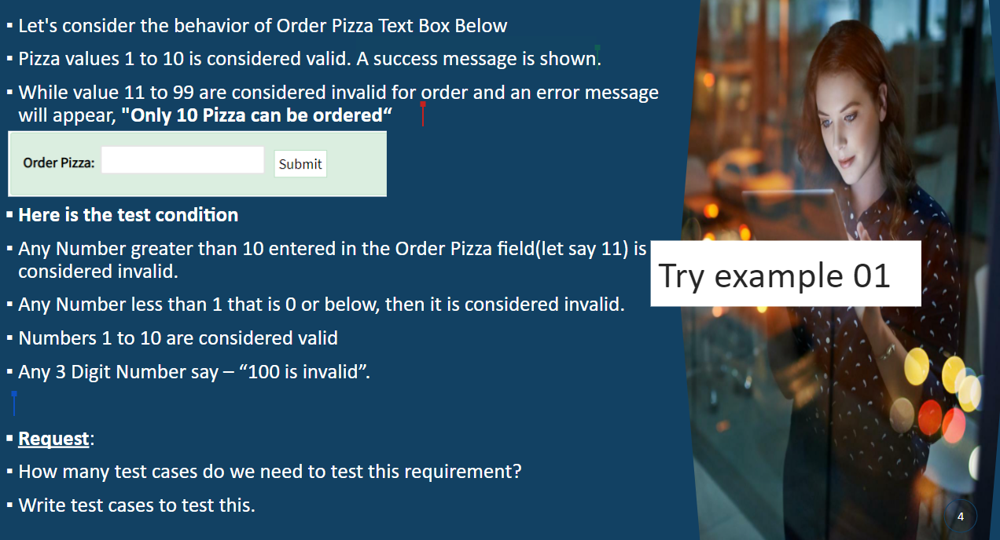
 | Question
 | 1. What's input number float? 2. |  |  |  | Verify that user can order maximun pizzas

Module | Case Type | #CaseId | Case Name | Title/summary | Steps | Test Data | Expected result | Actual Result | Status (Fail/Pass)
OrderPizza | Gui test | Ord_00 |  |  | 1. Open App/URL |  | Show GUI order pizza

OrderPizza | Function test | Ord_01 | Input valid min value | Verify that user can order min pizzas | 1. Open URL 2. Input 1 3. Click button [Submit] | 1 | Show message "Successfully" Need confirm "message text"
OrderPizza | Function test | Ord_02 | Input valid max value | Order 10 pizza | 1. Open URL 2. Input 10 3. Click button [Submit] | 10 | Show message "Successfully" Need confirm "message text"
OrderPizza | Function test | Ord_03 | Input valid random (min-max) | Order 5 pizza | 1. Open URL 2. Input 5 3. Click button [Submit] | 5 | Show message "Successfully" Need confirm "message text"
OrderPizza | Function test | Ord_04 | Input valid min value + 1 | Order 2 pizza | 1. Open URL 2. Input 2 3. Click button [Submit] | 2 | Show message "Successfully" Need confirm "message text"
OrderPizza | Function test | Ord_05 | Input valid max value -1 | Order 9 pizza | 1. Open URL 2. Input 9 3. Click button [Submit] | 9 | Show message "Successfully" Need confirm "message text"
OrderPizza | Function test | Ord_06 | Input invalid number 11 |  | 1. Open URL 2. Input 11 3. Click button [Submit] | 11 | Show message "Only 10 Pizza can be ordered"
OrderPizza | Function test | Ord_07 | Input invalid number 99 |  | 1. Open URL 2. Input 99 3. Click button [Submit] | 99
OrderPizza | Function test | Ord_08 | Input invalid random (11-99) |  | 1. Open URL 2. Input 22 3. Click button [Submit] | 22
OrderPizza | Function test | Ord_09 | Input 100 |  | 1. Open URL 2. Input 100 3. Click button [Submit] | 100 | Show message "100 is invalid"
OrderPizza | Function test | Ord_10 | Input 0 |  | 1. Open URL 2. Input 0 3. Click button [Submit] | 0 | Show ERROR message
OrderPizza | Function test | Ord_11 | Input null/ empty |  | 1. Open URL 2. Input null/ empty 3. Click button [Submit]
OrderPizza | Function test | Ord_12 | Input text |  | 1. Open URL 2. Input text 3. Click button [Submit] | abc
OrderPizza | Function test | Ord_13 | Input space |  | 1. Open URL 2. Input " " 3. Click button [Submit]
OrderPizza |  | Ord_14 | Input symbol |  | 1. Open URL 2. Input symbol 3. Click button [Submit] | ****
OrderPizza |  | Ord_15 | Input < 0 |  | 1. Open URL 2. Input < 0 3. Click button [Submit] | -1
OrderPizza |  | Ord_16 | Input 000 |  | 1. Open URL 2. Input 000 3. Click button [Submit] | 000
OrderPizza |  | Ord_17 | Input 010 |  | 1. Open URL 2. Input 010 3. Click button [Submit] | 010
OrderPizza |  | Ord_18 | Input 099 |  | 1. Open URL 2. Input 099 3. Click button [Submit] | 099
OrderPizza |  | Ord_19 | Input 999 |  | 1. Open URL 2. Input 999 3. Click button [Submit] | 999
OrderPizza |  | Ord_20 | Input 0000 |  | 1. Open URL 2. Input 0000 3. Click button [Submit] | 0000
OrderPizza |  | Ord_21 | Input number type is floaf/decimal |  | 1. Open URL 2. Input 1.5 3. Click button [Submit] | 1.5
OrderPizza |  | Ord_22 | Input space & number |  | 1. Open URL 2. Input " 1" 3. Click button [Submit] | _1

Ngoc Trang
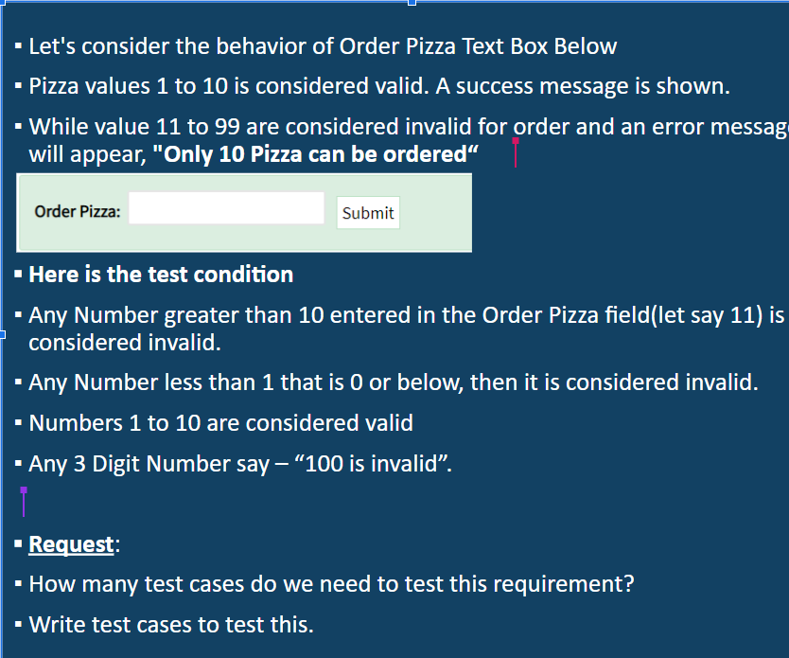
Slide soos 4 Test Design Techniques

Condition ID | Condition name | Precondition | Testcase ID | Testcase Name | Test Steps | Expected result | Actual result | Status | Platform | Bug ID | Tester | Test date | Note
C001 | Check order Pizza | Access web or download app successfully. | C001-TC001 | Order with number is below 0 | 1. Enter number Order Pizza text box: -1 2. Click on "Submit" button. | The error message should be display: "The minimum number of pizza is 1" |  |  |  |  |  |  | Need confirm
 |  |  | C001-TC002 | Order with number is below 1 | 1. Enter number Order Pizza text box: 0 2. Click on "Submit" button. | The error message should be display: "The minimum number of pizza is 1" |  |  |  |  |  |  | Need confirm
 |  |  | C001-TC003 | Order with number is below 1 | 1. Enter number Order Pizza text box: 000 2. Click on "Submit" button. | The error message should be display: "The minimum number of pizza is 1"
 |  |  | C001-TC004 | Order with number is below 1 | 1. Enter number Order Pizza text box: 0000 2. Click on "Submit" button. | The error message should be display: "The minimum number of pizza is 1"
 |  |  | C001-TC005 | Order with number is 1 | 1. Enter number Order Pizza text box: 1 2. Click on "Submit" button. | Order successfully
 |  |  | C001-TC006 | Order with number is 2 | 1. Enter number Order Pizza text box: 2 2. Click on "Submit" button. | Order successfully
 |  |  | C001-TC007 | Order with number is 5 | 1. Enter number Order Pizza text box: 5 2. Click on "Submit" button. | Order successfully
 |  |  | C001-TC008 | Order with number is 9 | 1. Enter number Order Pizza text box: 9 2. Click on "Submit" button. | Order successfully
 |  |  | C001-TC009 | Order with number is 10 | 1. Enter number Order Pizza text box: 10 2. Click on "Submit" button. | Order successfully
 |  |  | C001-TC010 | Order with number is 10 | 1. Enter number Order Pizza text box: 010 2. Click on "Submit" button. | Order successfully
 |  |  | C001-TC011 | Order with number is 11 | 1. Enter number Order Pizza text box: 11 2. Click on "Submit" button. | The error message should be display: "Only 10 Pizza can be ordered"
 |  |  | C001-TC012 | Order with number is 99 | 1. Enter number Order Pizza text box: 99 2. Click on "Submit" button. | The error message should be display: "Only 10 Pizza can be ordered"
 |  |  | C001-TC013 | Order with number is 99 | 1. Enter number Order Pizza text box: 099 2. Click on "Submit" button. | The error message should be display: "Only 10 Pizza can be ordered"
 |  |  | C001-TC014 | Order with number is 100 | 1. Enter number Order Pizza text box: 100 2. Click on "Submit" button. | The error message should be display: "100 is invalid"
 |  |  | C001-TC015 | Order with number is 999 | 1. Enter number Order Pizza text box: 999 2. Click on "Submit" button. | The error message should be display: "999 is invalid"
 |  |  | C001-TC016 | Order with number is null/empty | 1. Enter number Order Pizza text box is blank. 2. Click on "Submit" button. | The error message should be display: "Order Pizza text box is can not blank.
 |  |  | C001-TC017 | Order with number is space | 1. Enter number Order Pizza text box is space 2. Click on "Submit" button. | The error message should be display: "Order Pizza text box is can not blank.
 |  |  | C001-TC018 | Order with number is space | 1. Enter number Order Pizza text box is space + 2 2. Click on "Submit" button. | Order successfully
 |  |  | C001-TC019 | Order with number is char | 1. Enter number Order Pizza text box is char: abc 2. Click on "Submit" button. | The error message should be display: "Order Pizza text box is number"
 |  |  | C001-TC020 | Order with number is symbol | 1. Enter number Order Pizza text box is symbol: @# 2. Click on "Submit" button. | The error message should be display: "Order Pizza text box is number"
 |  |  | C001-TC021 | Order with number when copy an paste | 1. Enter number Order Pizza text box is copy and paste: 5 2. Click on "Submit" button. | Order successfully
 |  |  | C001-TC022 | Order with number is decimal | 1. Enter number Order Pizza text box is 1.5 2. Click on "Submit" button. | The error message should be display: "Order Pizza text box is number"
C002 | Check "Submit" button |  | C002-TC001 | Check "Submit" button when click on "Submit" button is mouse | 1. Enter number Order Pizza text box: 2 2. Click on "Submit" button is mouse. | Order successfully
 |  |  | C002-TC002 | Check "Submit" button when click on "Submit" button is right mouse | 1. Enter number Order Pizza text box: 2 2. Click on "Submit" button is right mouse. | Can not order.
 |  |  | C002-TC003 | Check "Submit" button when click on "Submit" button is scroll mouse | 1. Enter number Order Pizza text box: 2 2. Click on "Submit" button is scroll mouse. | Can not order.
 |  |  | C002-TC004 | Check "Submit" button when click on "Submit" button is Enter button | 1. Enter number Order Pizza text box: 2 2. Click on "Submit" button is Enter button | Order successfully
 |  |  | C002-TC005 | Check "Submit" button when click on "Submit" button is Space button | 1. Enter number Order Pizza text box: 2 2. Click on "Submit" button is Space button. | Can not order.
C003 | Check UI Order Pizza text box

