Huy
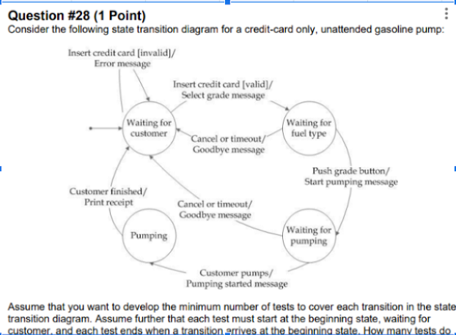
 |  |  |  |  |  |  | test id | test type | test name | step to reproduce | expect result
 |  |  |  |  |  |  |  | Happy case | test success pumping | insert valid card select fuel type push grade button waiting for pumping pumping finished print receipt | pumping finish and print receipt
 |  |  |  |  |  |  |  |  | test cancel select fuel | insert valid card cancel or timeout select fuel type | goodbye message return to waiting for customer
 |  |  |  |  |  |  |  |  | test cancel pumping | insert valid card select fuel type push grade button waiting for pumping cancel or time pumping | goodbye message return to waiting for customer
 |  |  |  |  |  |  |  |  | test invalid card | insert invalid card | error message return to waiting for customer

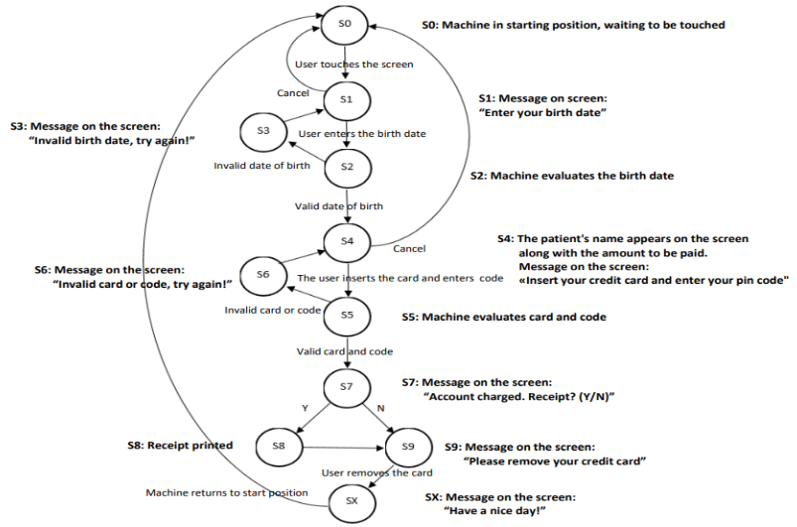

 |  |  |  |  |  |  |  |  | S0-S1-S0
 |  |  |  |  |  |  |  |  | S0-S1-S2-S3
 |  |  |  |  |  |  |  |  | S0-S1-S2-S4-S0
 |  |  |  |  |  |  |  |  | S0-S1-S2-S4-S5-S6
 |  |  |  |  |  |  |  |  | S0-S1-S2-S4-S5-S7-S8-9-10-0
 |  |  |  |  |  |  |  |  | S0-S1-2-4-5-7-9-10-0

Condition ID | Condition name | Precondition | Testcase ID | Testcase Name | Test Steps | Expected result | Actual result | Status | Platform | Bug ID | Tester | Test date | Note
C0001 |  | Card valid, Pin, Balance available | C001_TC001 | Happy case - Withdraw success | Insert Valid Card Pin enter correct Type valid Balance | Withdraw success
C0002 |  | invalid card |  | Reject card | Insert invalid Card (expired, not support, not atm card) | Reject card
 |  |  |  |  | Insert valid card Waiting for time out | Reject card
 |  |  |  |  | Insert valid card Choose cancel withdraw | ||

 |  | 3 incorrect pin |  | Eat card | Insert valid Card Type pin incorrect x3 | Eat card
 |  | where is atm power |  |  | Insert valid card Dispower ATM | Eat card
 |  | amount in atm, balance in card |  | Ask new withdrawal amount | || Type -1 | Ask new amount
 |  | amount in atm, balance in card |  |  | || Type 0 | ||
 |  | amount in atm, balance in card |  |  | Insert Valid Card Enter correct pin Type amount > amount in machine | ||
 |  | amount in atm, balance in card |  |  | Insert Valid Card Enter correct pin Type amount > balance in card | ||

