TR Image
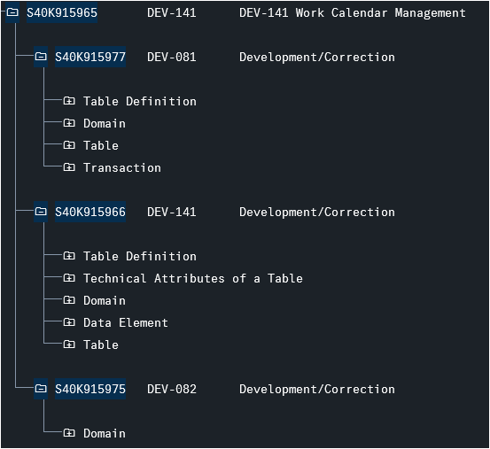
Introduction |  | Created by: | GROUP 09 | Created date: | 02.04.2026
Function ID |  | Modified by: | GROUP 09 | Modified date: | 2026-04-19
 |  | Reviewed by: | ThaoLM9 | Reviewd by: | ThaoLM9
1. TR Overview

S40K915924 | GSPSAP09 - Database TR
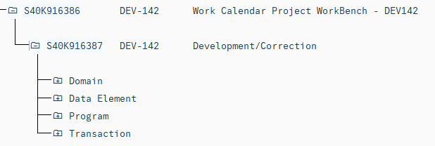

S40K916386 | Work Calendar Project WorkBench - DEV142

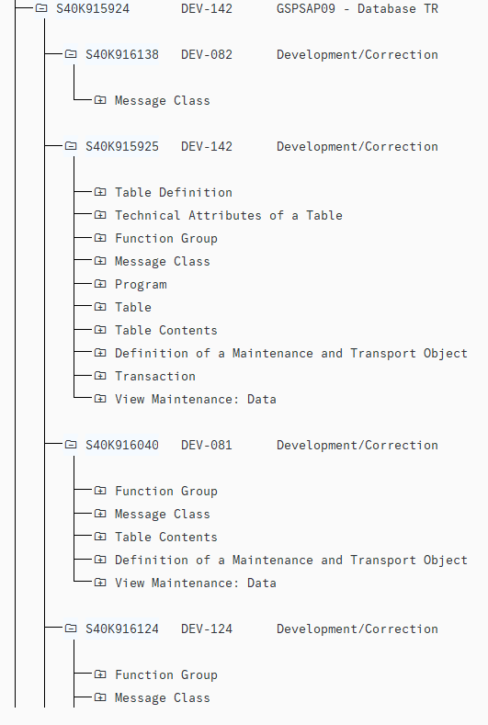

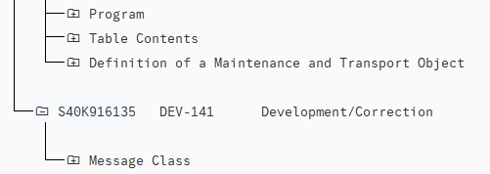

S40K916386 | Work Calendar Project WorkBench - DEV142

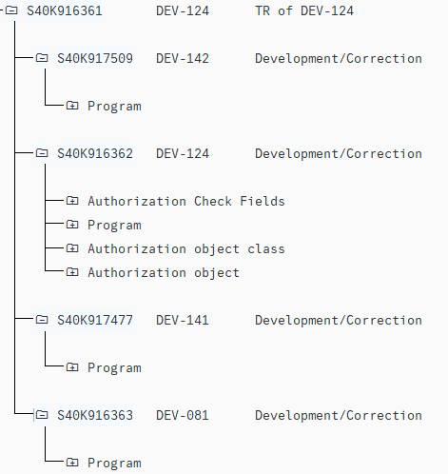

S40K915918 | Work Calendar Management by Department in ERP Systems

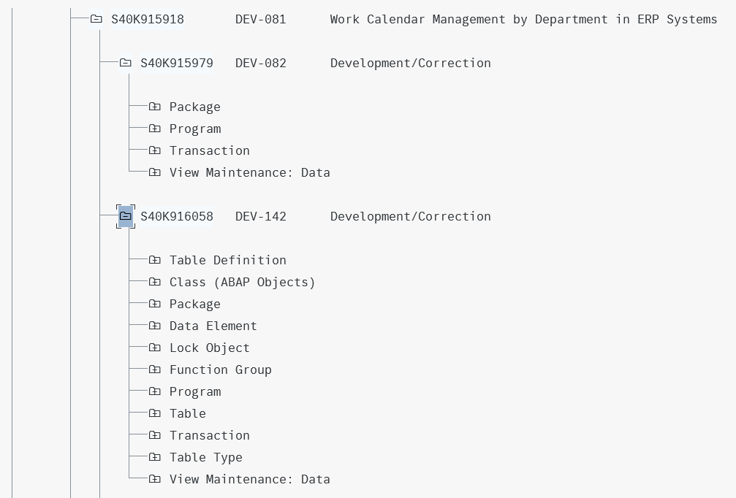

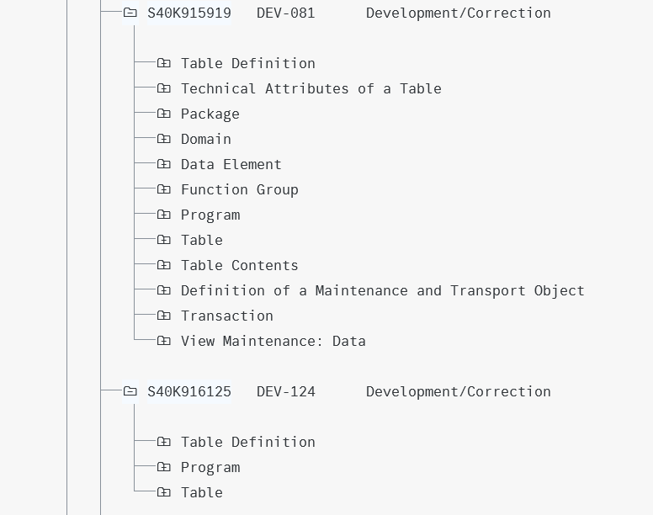

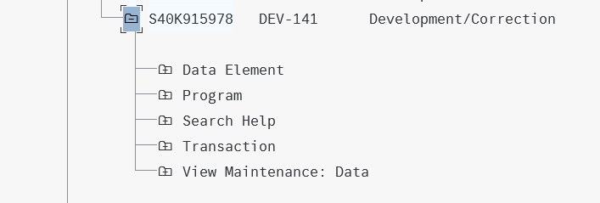

S40K915926 | TR for Calendar of Each Day

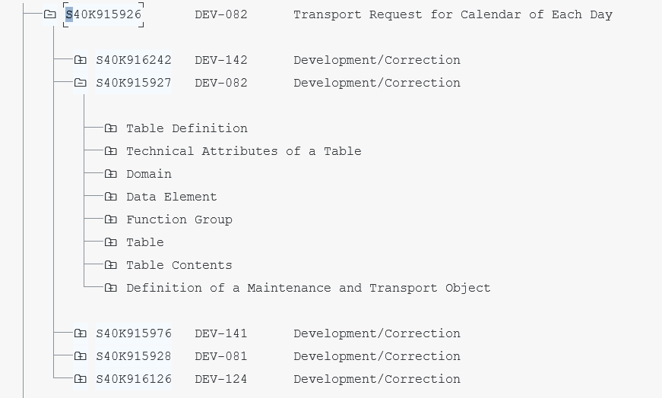

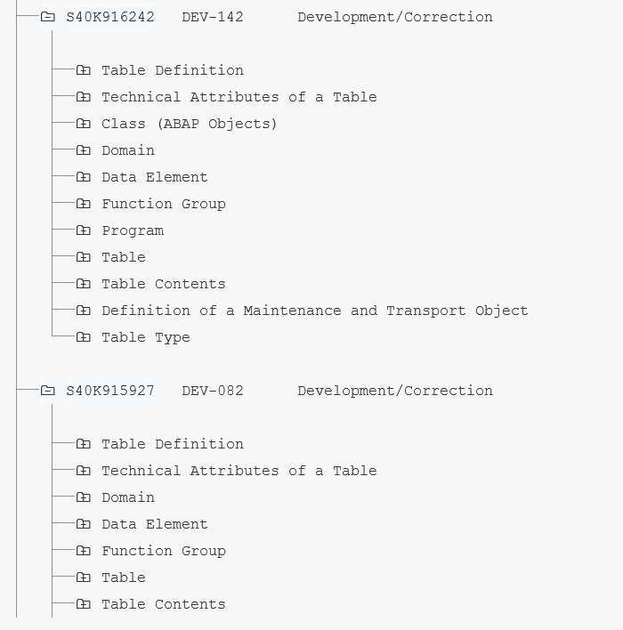

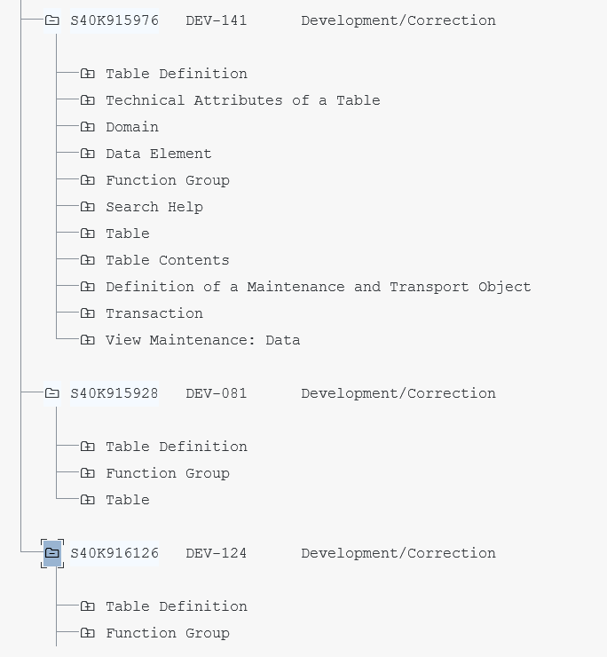

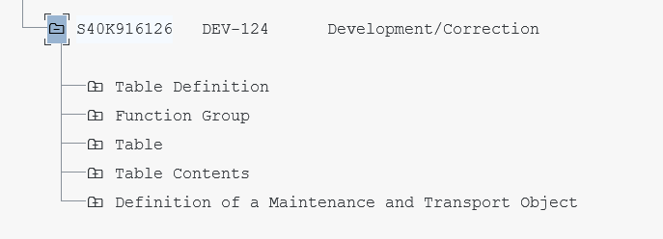

S40K916364 | TR for Working Calendar

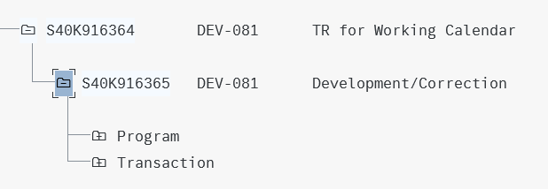

S40K915965 | DEV-141 Work Calendar Management

