Evidence
Function ID |  | Function Name |  |  | Created/Updated by | Created date | Reviewed by | Reviewed Date
ZPG_GSP26_SAP09 |  | Work Calendar Management by Department in ERP Systems |  |  | GROUP 09 | 2026-04-02 | ThaoLM9 | 19.04.2026

NO. | Bug Description |  |  | Evidence
 | Bug |  | Result
1 | Screen 220 exit problem. |  | PASSED | 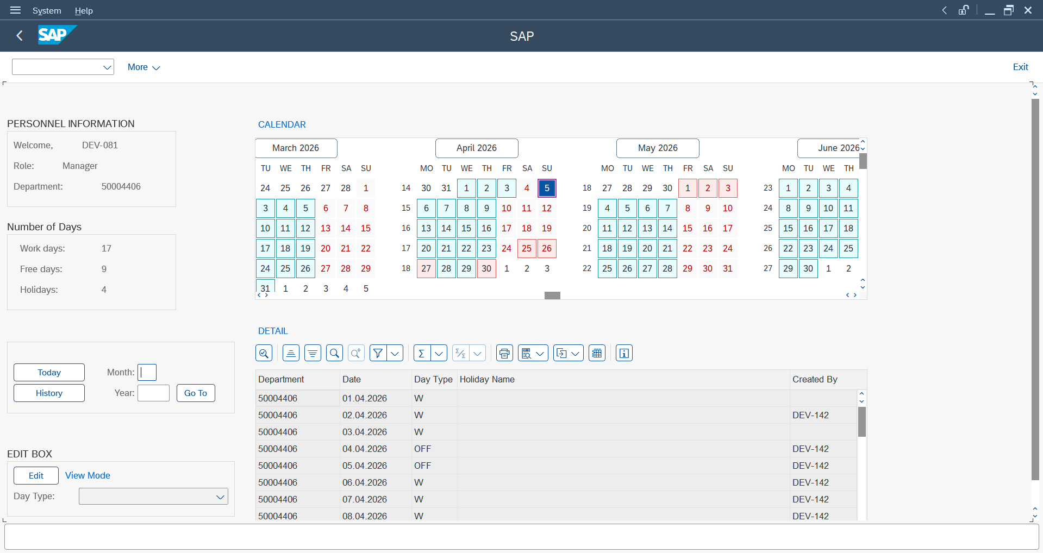

2 | Screen 200 the color of the day not change, in edit mode. |  | PASSED | 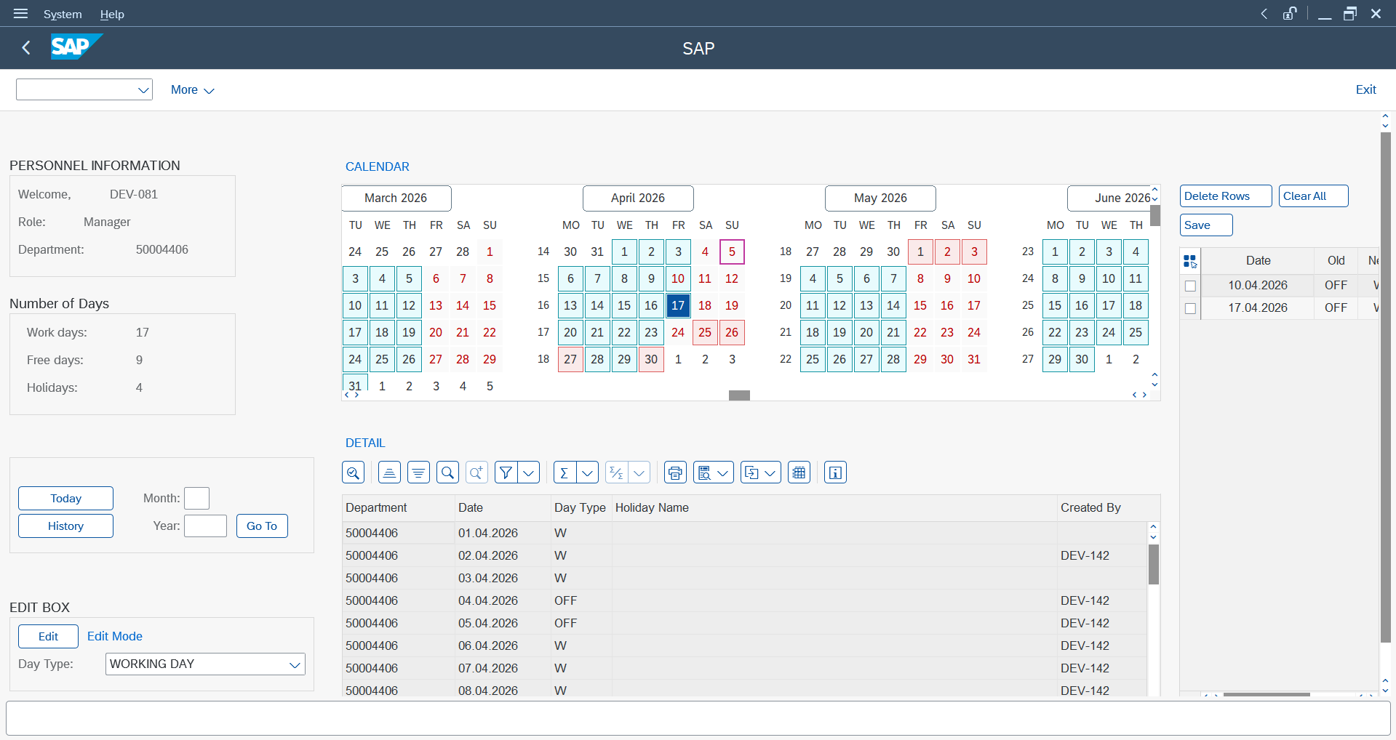

3 | Screen 110 the date input limiter message not update when data base update. |  | PASSED | 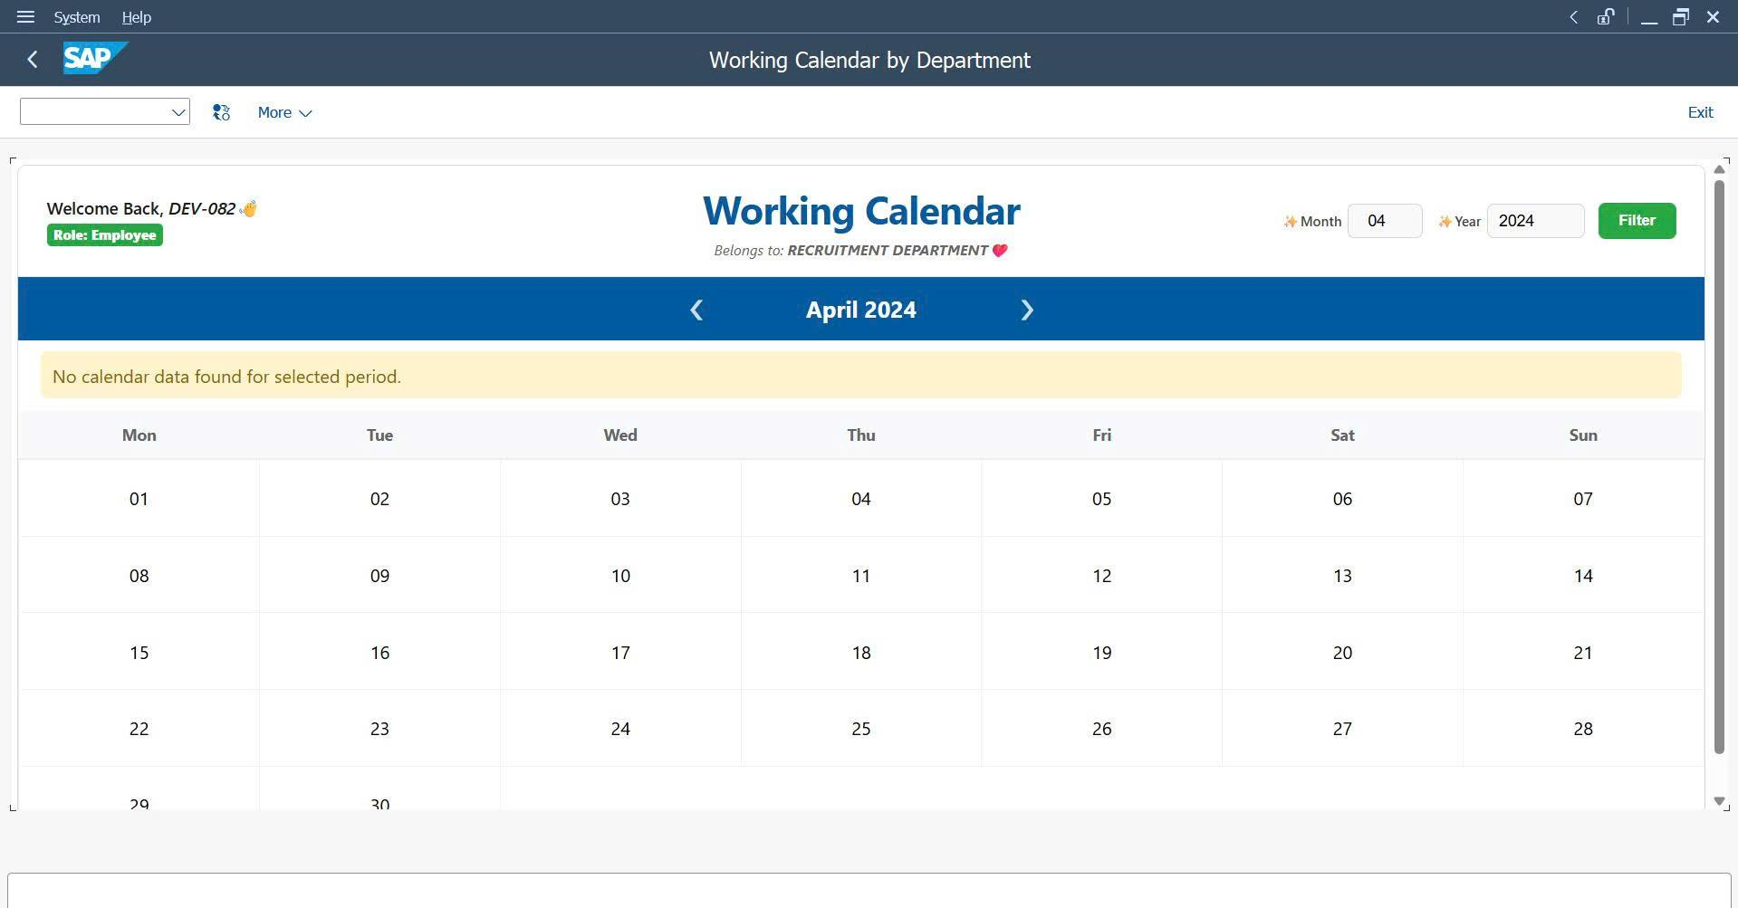

4 | Screen 100 week view still display week calendar, when database not have any data. |  | PASSED | 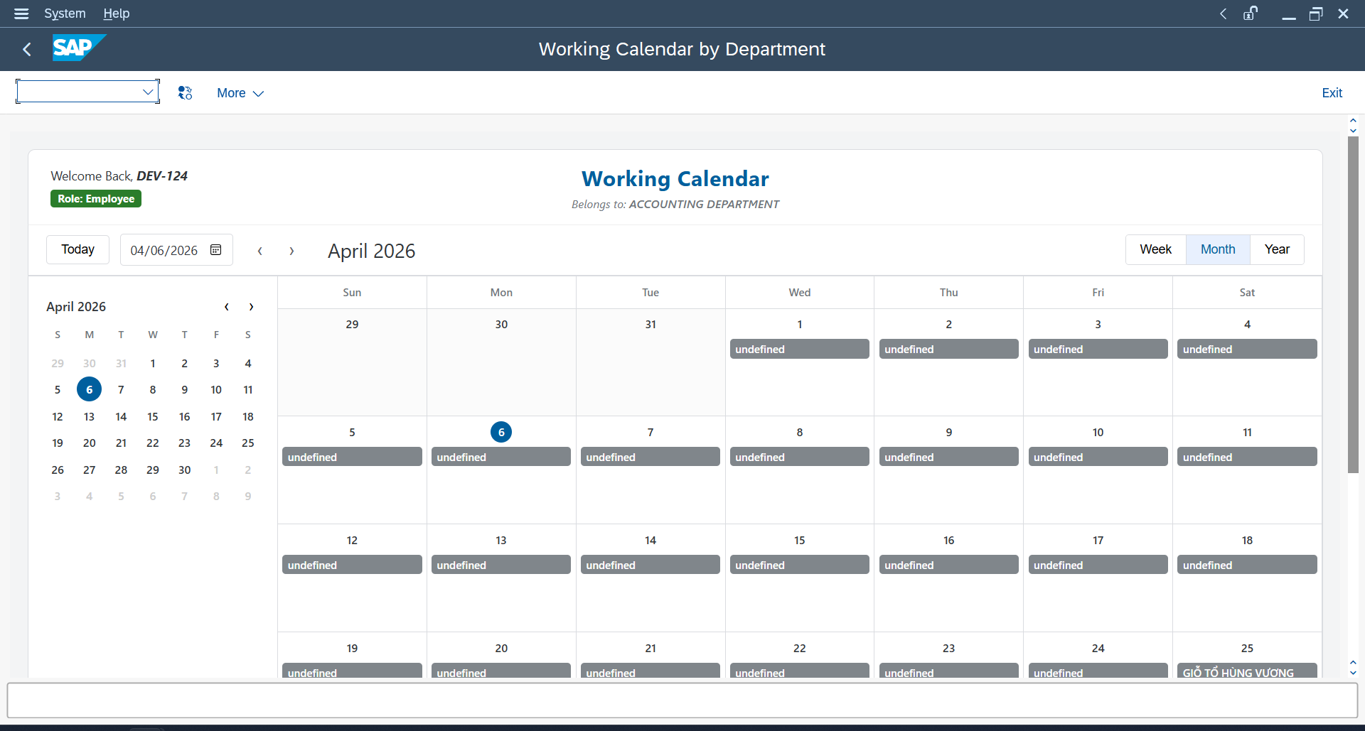

5 | Container Name mismatch - Work Calendar not displayed |  | PASSED | 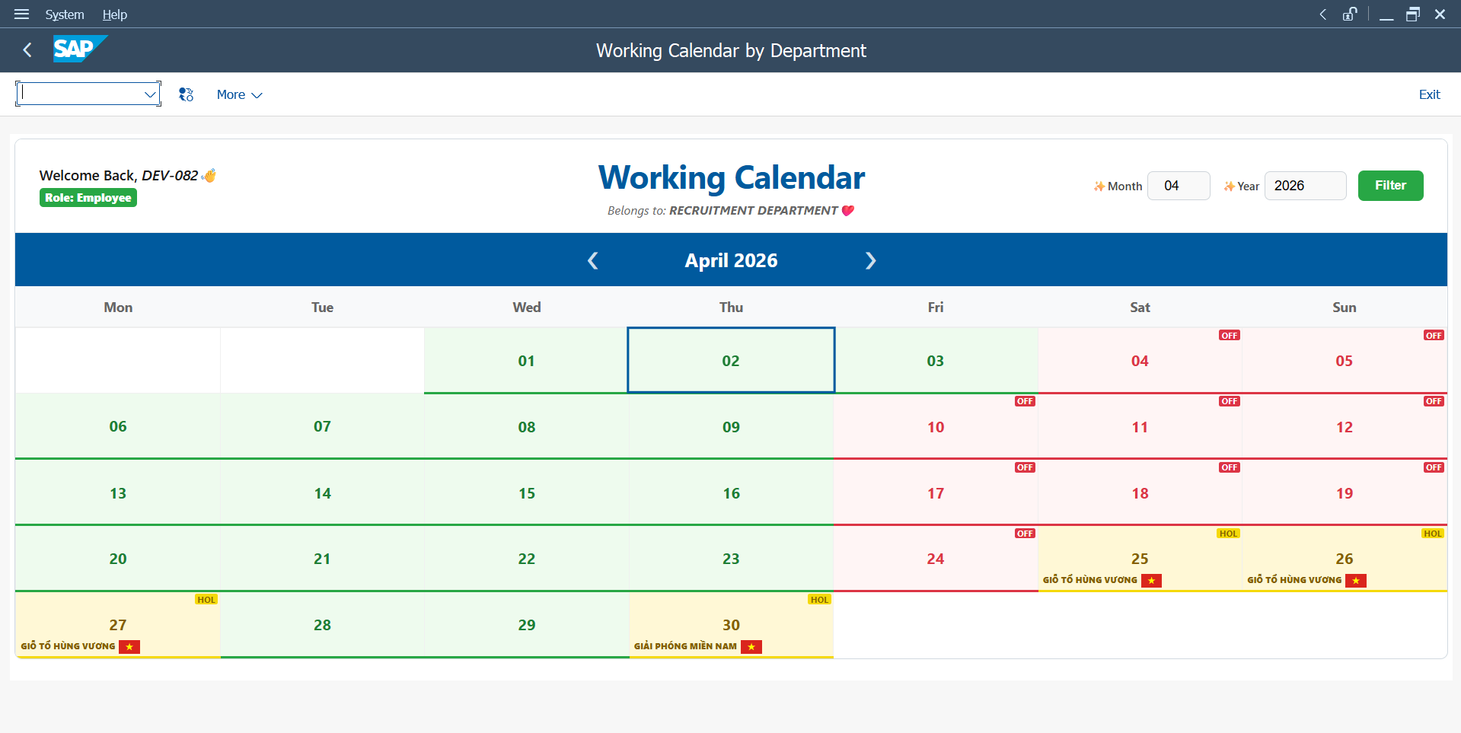

6 | Negative year input locks entire screen |  | PASSED | 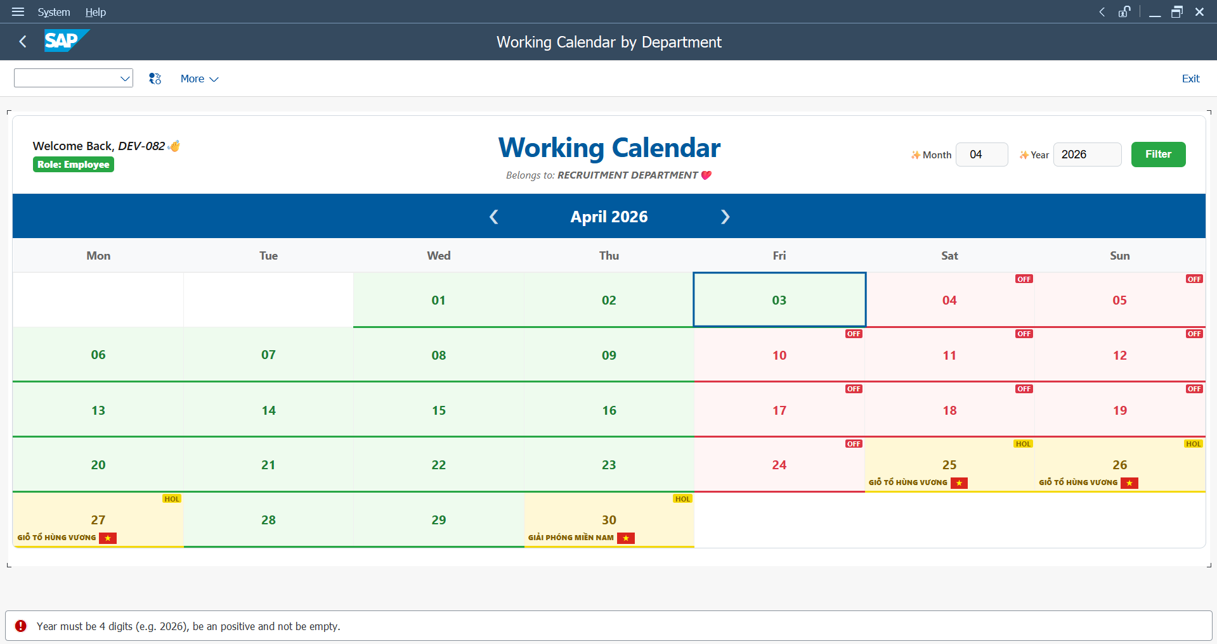

7 | Missing offset cells - calendar grid completely misaligned, severe logic errors |  | PASSED

8 | Placeholder replacement uses inconsistent variable - data loss in UI |  | PASSED

9 | HTML string not converted, blank calendar screen |  | PASSED | 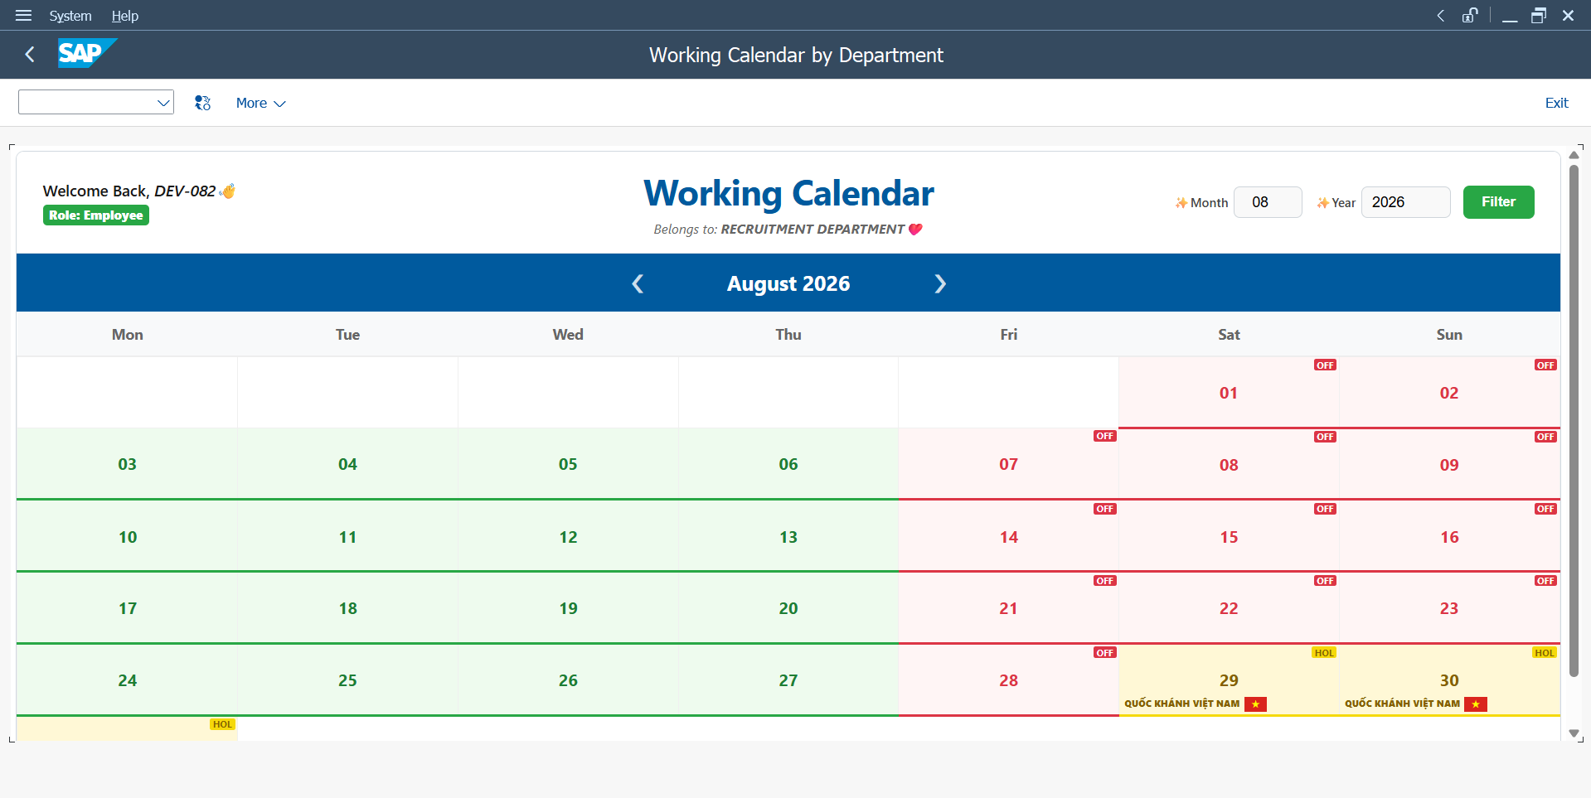

10 | Missing FREE logic - screen stack overflow on navigation |  | PASSED | 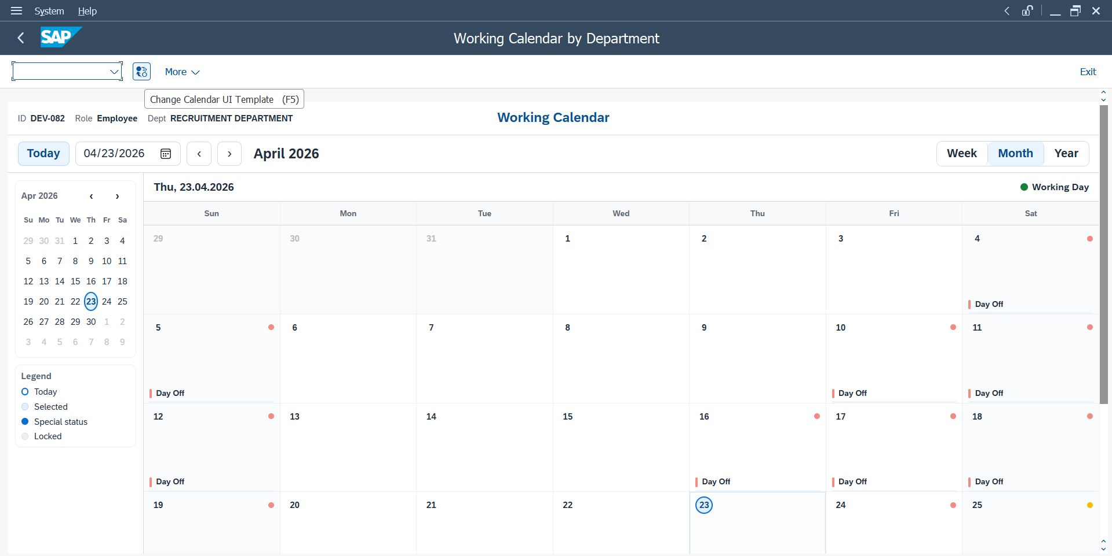

11 | Screen 200 color of the day not change after delete or clear change |  | PASSED

12 | Screen 100 allows navigation and date selection outside department calendar range. |  | PASSED | 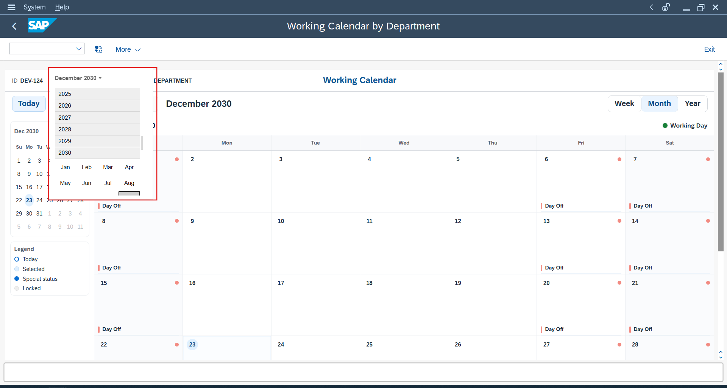

13 | At employee calendar screen (Screen 100), when user inputs month and day first, then types year in the date picker, the value is reset unexpectedly to 01/01/2025 before the year is fully entered. |  | PASSED | 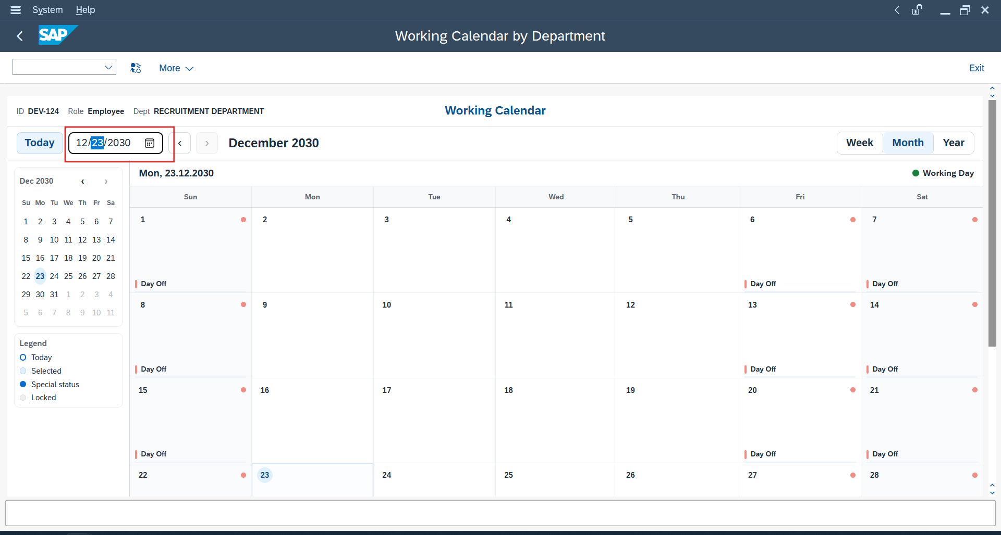

14 | Screen 220 Old Value / New Value color display is inconsistent |  | PASSED | 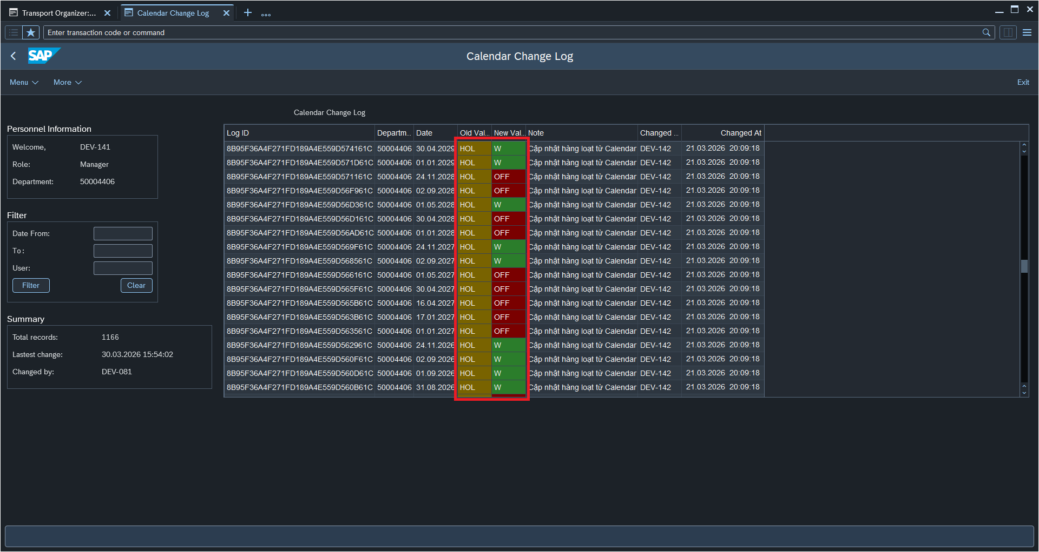

15 | Screen 220 Date filter does not apply correctly |  | PASSED | 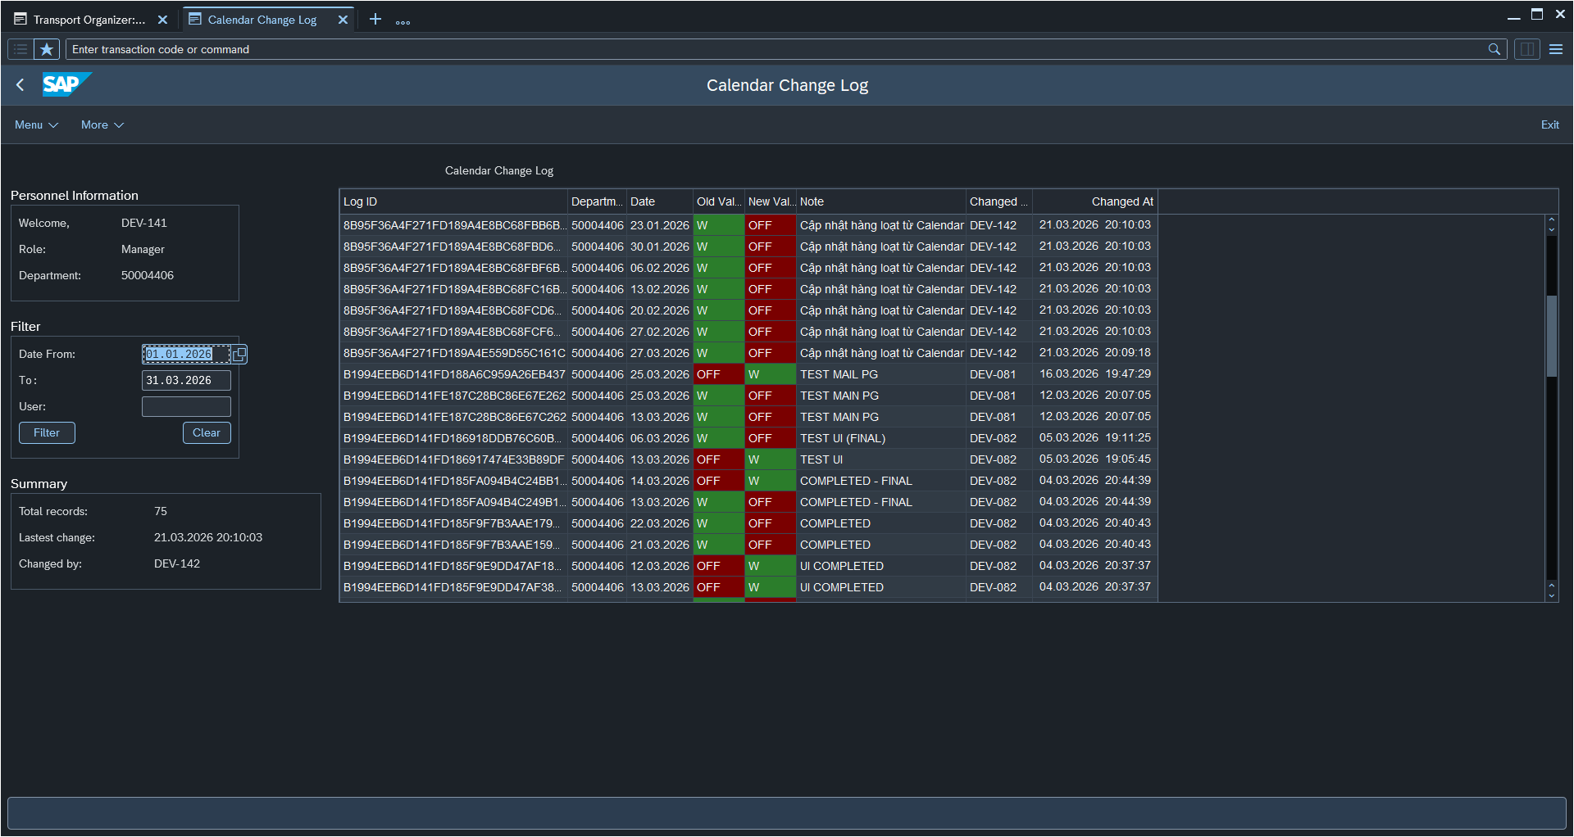

16 | Screen 220 Date range filter does not reset after Clear button clicked. |  | PASSED | 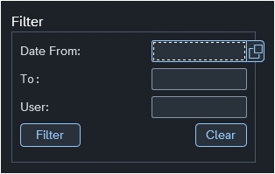

17 | Screen 220 Total records in Summary does not match actual displayed records |  | PASSED | 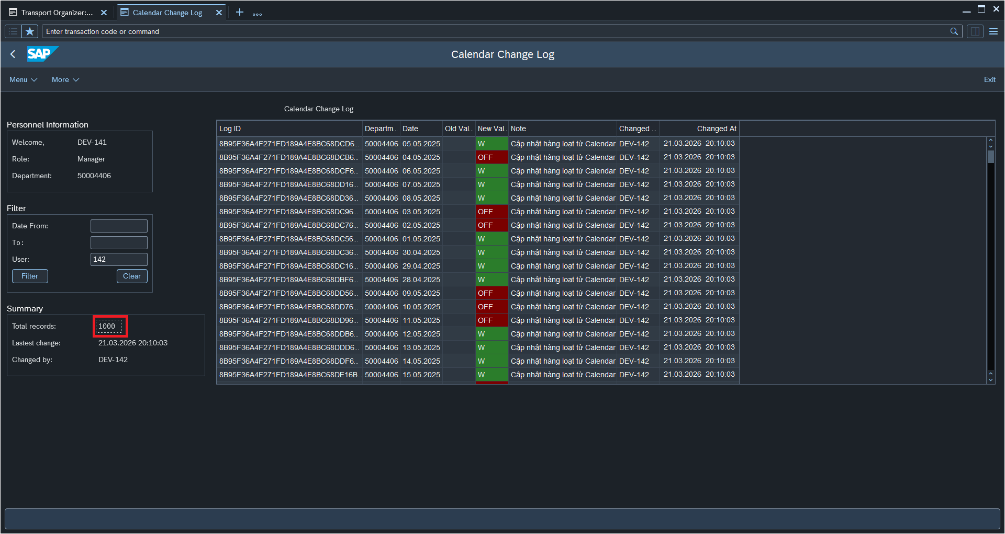

Evidence 1
Function ID |  |  | Function Name |  | Created/Updated by | Created date | Reviewed by | Reviewed Date
ZHCM_DEPT_MANAGEMENT |  |  | Department Management |  | GROUP 09 | 2026-04-02 | ThaoLM9 | 19.04.2026

NO. | Bug Description |  |  | Evidence
 | Bug | Result
1 | Field change at of log when import is 0 | PASSED

2 | Not preview but can update | PASSED |  | 