language regions
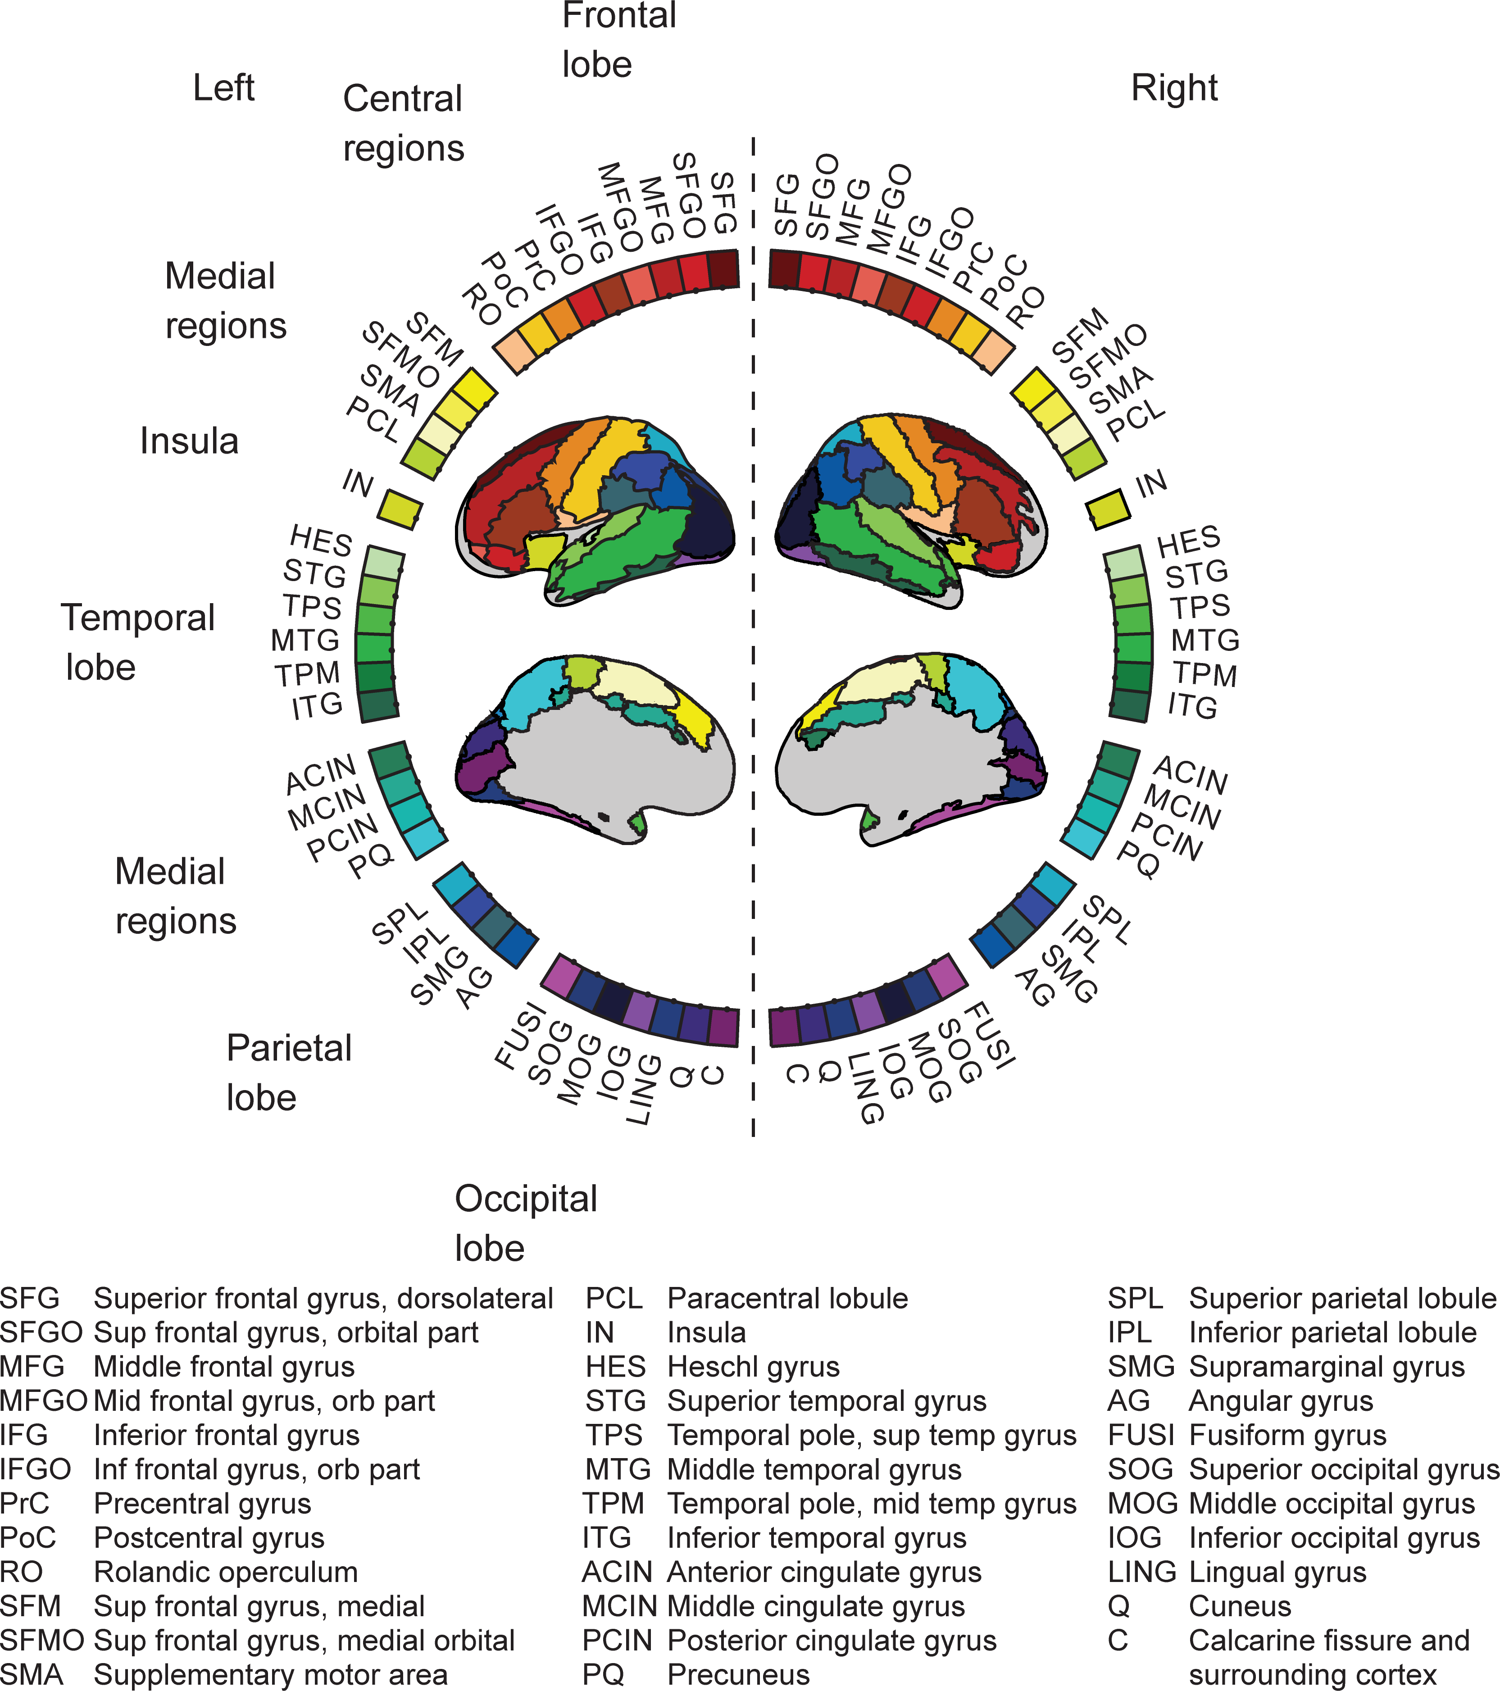
Brodmann areas | Name of Brodmann area | AAL regions
BA09 | Dorsolateral prefrontal cortex | SFG, SFGO, MFG
BA46 | Medial prefrontal cortex | SFGO, IFG
BA44 | Opercular part of inferior frontal gyrus | IFG, IFGO
BA45 | Inferior frontal cortex
BA47 | Ventro-lateral prefrontal cortex
BA06 | Supplementary motor cortex | PrC, RO
BA39 | Angular gyrus | ITG,IPL, TPM
BA40 | Intra-parietal sulcus
sup.ant.temp | superior anterior temporal
sup.middle.temp | superior middle temporal
sup.post.temp | superior posterior temporal
middle.ant.temp | middle anterior temporal
middle.middle.temp | middle middle temporal
middle.post.temp | middle posterior temporal
inf.post.temp | inferior posterior temporal | HES, STG, TPS, MTG, TPM, ITG
BA19 | Cuneus | Q, ITG, MOG,FUSI,AG, SMG, IOG
BA18 | Secondary visual cortex
BA17 | Primary visual cortex

