Test_cleaned
Id | Store | DayOfWeek | Date | Open | Promo | StateHoliday | SchoolHoliday
1 | 1 | 4 | 2015-09-17 | 1 | 1 | 0 | 0
2 | 3 | 4 | 2015-09-17 | 1 | 1 | 0 | 0
3 | 7 | 4 | 2015-09-17 | 1 | 1 | 0 | 0
4 | 8 | 4 | 2015-09-17 | 1 | 1 | 0 | 0
5 | 9 | 4 | 2015-09-17 | 1 | 1 | 0 | 0
6 | 10 | 4 | 2015-09-17 | 1 | 1 | 0 | 0
7 | 11 | 4 | 2015-09-17 | 1 | 1 | 0 | 0
8 | 12 | 4 | 2015-09-17 | 1 | 1 | 0 | 0
9 | 13 | 4 | 2015-09-17 | 1 | 1 | 0 | 0
10 | 14 | 4 | 2015-09-17 | 1 | 1 | 0 | 0
11 | 15 | 4 | 2015-09-17 | 1 | 1 | 0 | 0
12 | 16 | 4 | 2015-09-17 | 1 | 1 | 0 | 0
13 | 19 | 4 | 2015-09-17 | 1 | 1 | 0 | 0
14 | 20 | 4 | 2015-09-17 | 1 | 1 | 0 | 0
15 | 21 | 4 | 2015-09-17 | 1 | 1 | 0 | 0
16 | 22 | 4 | 2015-09-17 | 1 | 1 | 0 | 0
17 | 23 | 4 | 2015-09-17 | 1 | 1 | 0 | 0
18 | 24 | 4 | 2015-09-17 | 1 | 1 | 0 | 0
19 | 25 | 4 | 2015-09-17 | 1 | 1 | 0 | 0
20 | 27 | 4 | 2015-09-17 | 1 | 1 | 0 | 0
21 | 29 | 4 | 2015-09-17 | 1 | 1 | 0 | 0
22 | 30 | 4 | 2015-09-17 | 1 | 1 | 0 | 0
23 | 31 | 4 | 2015-09-17 | 1 | 1 | 0 | 0
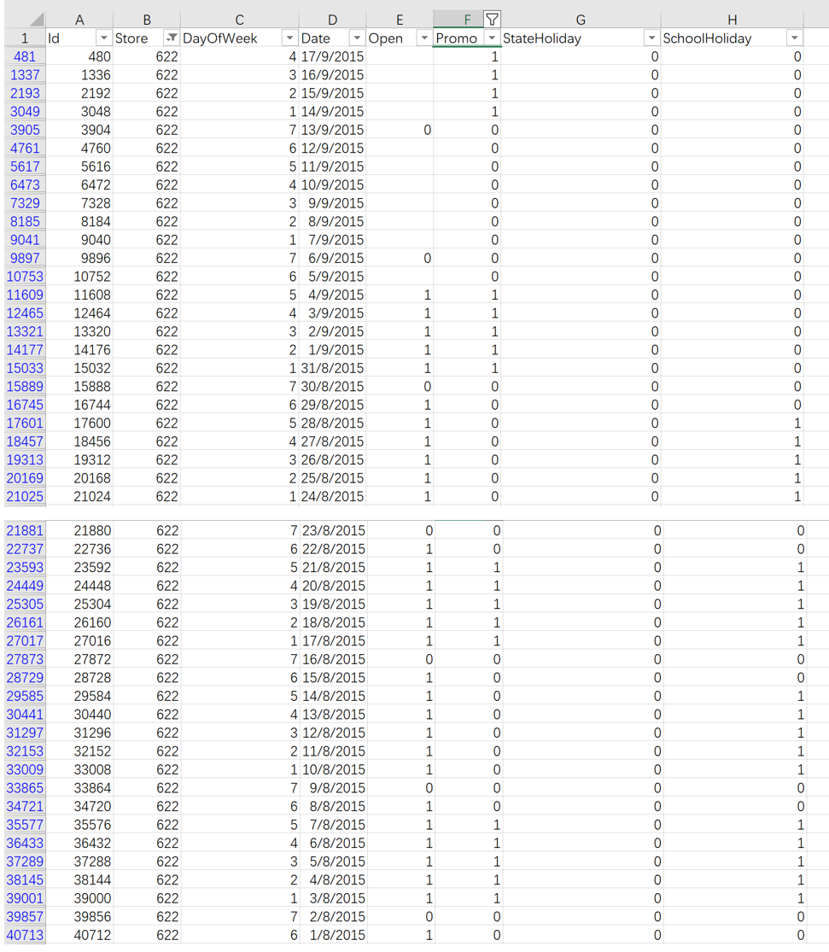
24 | 32 | 4 | 2015-09-17 | 1 | 1 | 0 | 0
25 | 33 | 4 | 2015-09-17 | 1 | 1 | 0 | 0
26 | 35 | 4 | 2015-09-17 | 1 | 1 | 0 | 0
27 | 36 | 4 | 2015-09-17 | 1 | 1 | 0 | 0
28 | 38 | 4 | 2015-09-17 | 1 | 1 | 0 | 0
29 | 39 | 4 | 2015-09-17 | 1 | 1 | 0 | 0
30 | 40 | 4 | 2015-09-17 | 1 | 1 | 0 | 0
31 | 41 | 4 | 2015-09-17 | 1 | 1 | 0 | 0
32 | 42 | 4 | 2015-09-17 | 1 | 1 | 0 | 0
33 | 43 | 4 | 2015-09-17 | 1 | 1 | 0 | 0
34 | 45 | 4 | 2015-09-17 | 1 | 1 | 0 | 0
35 | 46 | 4 | 2015-09-17 | 1 | 1 | 0 | 0
36 | 47 | 4 | 2015-09-17 | 1 | 1 | 0 | 0
37 | 48 | 4 | 2015-09-17 | 1 | 1 | 0 | 0
38 | 49 | 4 | 2015-09-17 | 1 | 1 | 0 | 0
39 | 50 | 4 | 2015-09-17 | 1 | 1 | 0 | 0
40 | 51 | 4 | 2015-09-17 | 1 | 1 | 0 | 0
41 | 52 | 4 | 2015-09-17 | 1 | 1 | 0 | 0
42 | 53 | 4 | 2015-09-17 | 1 | 1 | 0 | 0
43 | 56 | 4 | 2015-09-17 | 1 | 1 | 0 | 0
44 | 58 | 4 | 2015-09-17 | 1 | 1 | 0 | 0
45 | 61 | 4 | 2015-09-17 | 1 | 1 | 0 | 0
46 | 62 | 4 | 2015-09-17 | 1 | 1 | 0 | 0
47 | 63 | 4 | 2015-09-17 | 1 | 1 | 0 | 0
48 | 64 | 4 | 2015-09-17 | 1 | 1 | 0 | 0
49 | 66 | 4 | 2015-09-17 | 1 | 1 | 0 | 0
50 | 67 | 4 | 2015-09-17 | 1 | 1 | 0 | 0
51 | 68 | 4 | 2015-09-17 | 1 | 1 | 0 | 0
52 | 69 | 4 | 2015-09-17 | 1 | 1 | 0 | 0
53 | 70 | 4 | 2015-09-17 | 1 | 1 | 0 | 0
54 | 71 | 4 | 2015-09-17 | 1 | 1 | 0 | 0
55 | 72 | 4 | 2015-09-17 | 1 | 1 | 0 | 0
56 | 73 | 4 | 2015-09-17 | 1 | 1 | 0 | 0
57 | 74 | 4 | 2015-09-17 | 1 | 1 | 0 | 0
58 | 75 | 4 | 2015-09-17 | 1 | 1 | 0 | 0
59 | 76 | 4 | 2015-09-17 | 1 | 1 | 0 | 0
60 | 77 | 4 | 2015-09-17 | 1 | 1 | 0 | 0
61 | 79 | 4 | 2015-09-17 | 1 | 1 | 0 | 0
62 | 80 | 4 | 2015-09-17 | 1 | 1 | 0 | 0
63 | 81 | 4 | 2015-09-17 | 1 | 1 | 0 | 0
64 | 82 | 4 | 2015-09-17 | 1 | 1 | 0 | 0
65 | 83 | 4 | 2015-09-17 | 1 | 1 | 0 | 0
66 | 84 | 4 | 2015-09-17 | 1 | 1 | 0 | 0
67 | 86 | 4 | 2015-09-17 | 1 | 1 | 0 | 0
68 | 89 | 4 | 2015-09-17 | 1 | 1 | 0 | 0
69 | 90 | 4 | 2015-09-17 | 1 | 1 | 0 | 0
70 | 91 | 4 | 2015-09-17 | 1 | 1 | 0 | 0
71 | 92 | 4 | 2015-09-17 | 1 | 1 | 0 | 0
72 | 93 | 4 | 2015-09-17 | 1 | 1 | 0 | 0
73 | 94 | 4 | 2015-09-17 | 1 | 1 | 0 | 0
74 | 98 | 4 | 2015-09-17 | 1 | 1 | 0 | 0
75 | 99 | 4 | 2015-09-17 | 1 | 1 | 0 | 0
76 | 100 | 4 | 2015-09-17 | 1 | 1 | 0 | 0
77 | 101 | 4 | 2015-09-17 | 1 | 1 | 0 | 0
78 | 102 | 4 | 2015-09-17 | 1 | 1 | 0 | 0
79 | 105 | 4 | 2015-09-17 | 1 | 1 | 0 | 0
80 | 107 | 4 | 2015-09-17 | 1 | 1 | 0 | 0
81 | 108 | 4 | 2015-09-17 | 1 | 1 | 0 | 0
82 | 109 | 4 | 2015-09-17 | 1 | 1 | 0 | 0
83 | 110 | 4 | 2015-09-17 | 1 | 1 | 0 | 0
84 | 111 | 4 | 2015-09-17 | 1 | 1 | 0 | 0
85 | 112 | 4 | 2015-09-17 | 1 | 1 | 0 | 0
86 | 113 | 4 | 2015-09-17 | 1 | 1 | 0 | 0
87 | 115 | 4 | 2015-09-17 | 1 | 1 | 0 | 0
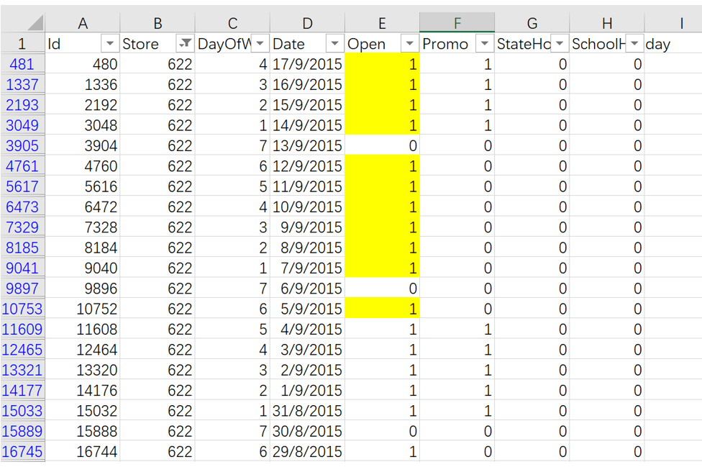
88 | 117 | 4 | 2015-09-17 | 1 | 1 | 0 | 0
89 | 118 | 4 | 2015-09-17 | 1 | 1 | 0 | 0
90 | 119 | 4 | 2015-09-17 | 1 | 1 | 0 | 0
91 | 120 | 4 | 2015-09-17 | 1 | 1 | 0 | 0
92 | 122 | 4 | 2015-09-17 | 1 | 1 | 0 | 0
93 | 124 | 4 | 2015-09-17 | 1 | 1 | 0 | 0
94 | 126 | 4 | 2015-09-17 | 1 | 1 | 0 | 0
95 | 127 | 4 | 2015-09-17 | 1 | 1 | 0 | 0
96 | 128 | 4 | 2015-09-17 | 1 | 1 | 0 | 0
97 | 129 | 4 | 2015-09-17 | 1 | 1 | 0 | 0
98 | 130 | 4 | 2015-09-17 | 1 | 1 | 0 | 0
99 | 131 | 4 | 2015-09-17 | 1 | 1 | 0 | 0
100 | 132 | 4 | 2015-09-17 | 1 | 1 | 0 | 0
101 | 135 | 4 | 2015-09-17 | 1 | 1 | 0 | 0
102 | 136 | 4 | 2015-09-17 | 1 | 1 | 0 | 0
103 | 137 | 4 | 2015-09-17 | 1 | 1 | 0 | 0
104 | 139 | 4 | 2015-09-17 | 1 | 1 | 0 | 0
105 | 140 | 4 | 2015-09-17 | 1 | 1 | 0 | 0
106 | 141 | 4 | 2015-09-17 | 1 | 1 | 0 | 0
107 | 142 | 4 | 2015-09-17 | 1 | 1 | 0 | 0
108 | 143 | 4 | 2015-09-17 | 1 | 1 | 0 | 0
109 | 144 | 4 | 2015-09-17 | 1 | 1 | 0 | 0
110 | 145 | 4 | 2015-09-17 | 1 | 1 | 0 | 0
111 | 146 | 4 | 2015-09-17 | 1 | 1 | 0 | 0
112 | 147 | 4 | 2015-09-17 | 1 | 1 | 0 | 0
113 | 149 | 4 | 2015-09-17 | 1 | 1 | 0 | 0
114 | 150 | 4 | 2015-09-17 | 1 | 1 | 0 | 0
115 | 152 | 4 | 2015-09-17 | 1 | 1 | 0 | 0
116 | 153 | 4 | 2015-09-17 | 1 | 1 | 0 | 0
117 | 154 | 4 | 2015-09-17 | 1 | 1 | 0 | 0
118 | 155 | 4 | 2015-09-17 | 1 | 1 | 0 | 0
119 | 157 | 4 | 2015-09-17 | 1 | 1 | 0 | 0
120 | 158 | 4 | 2015-09-17 | 1 | 1 | 0 | 0
121 | 159 | 4 | 2015-09-17 | 1 | 1 | 0 | 0
122 | 160 | 4 | 2015-09-17 | 1 | 1 | 0 | 0
123 | 161 | 4 | 2015-09-17 | 1 | 1 | 0 | 0
124 | 162 | 4 | 2015-09-17 | 1 | 1 | 0 | 0
125 | 164 | 4 | 2015-09-17 | 1 | 1 | 0 | 0
126 | 165 | 4 | 2015-09-17 | 1 | 1 | 0 | 0
127 | 166 | 4 | 2015-09-17 | 1 | 1 | 0 | 0
128 | 168 | 4 | 2015-09-17 | 1 | 1 | 0 | 0
129 | 169 | 4 | 2015-09-17 | 1 | 1 | 0 | 0
130 | 170 | 4 | 2015-09-17 | 1 | 1 | 0 | 0
131 | 171 | 4 | 2015-09-17 | 1 | 1 | 0 | 0
132 | 172 | 4 | 2015-09-17 | 1 | 1 | 0 | 0
133 | 174 | 4 | 2015-09-17 | 1 | 1 | 0 | 0
134 | 175 | 4 | 2015-09-17 | 1 | 1 | 0 | 0
135 | 176 | 4 | 2015-09-17 | 1 | 1 | 0 | 0
136 | 179 | 4 | 2015-09-17 | 1 | 1 | 0 | 0
137 | 180 | 4 | 2015-09-17 | 1 | 1 | 0 | 0
138 | 181 | 4 | 2015-09-17 | 1 | 1 | 0 | 0
139 | 182 | 4 | 2015-09-17 | 1 | 1 | 0 | 0
140 | 183 | 4 | 2015-09-17 | 1 | 1 | 0 | 0
141 | 184 | 4 | 2015-09-17 | 1 | 1 | 0 | 0
142 | 186 | 4 | 2015-09-17 | 1 | 1 | 0 | 0
143 | 187 | 4 | 2015-09-17 | 1 | 1 | 0 | 0
144 | 188 | 4 | 2015-09-17 | 1 | 1 | 0 | 0
145 | 189 | 4 | 2015-09-17 | 1 | 1 | 0 | 0
146 | 190 | 4 | 2015-09-17 | 1 | 1 | 0 | 0
147 | 191 | 4 | 2015-09-17 | 1 | 1 | 0 | 0
148 | 192 | 4 | 2015-09-17 | 1 | 1 | 0 | 0
149 | 193 | 4 | 2015-09-17 | 1 | 1 | 0 | 0
150 | 194 | 4 | 2015-09-17 | 1 | 1 | 0 | 0
151 | 195 | 4 | 2015-09-17 | 1 | 1 | 0 | 0
152 | 197 | 4 | 2015-09-17 | 1 | 1 | 0 | 0
153 | 199 | 4 | 2015-09-17 | 1 | 1 | 0 | 0
154 | 200 | 4 | 2015-09-17 | 1 | 1 | 0 | 0
155 | 201 | 4 | 2015-09-17 | 1 | 1 | 0 | 0
156 | 202 | 4 | 2015-09-17 | 1 | 1 | 0 | 0
157 | 204 | 4 | 2015-09-17 | 1 | 1 | 0 | 0
158 | 206 | 4 | 2015-09-17 | 1 | 1 | 0 | 0
159 | 207 | 4 | 2015-09-17 | 1 | 1 | 0 | 0
160 | 209 | 4 | 2015-09-17 | 1 | 1 | 0 | 0
161 | 210 | 4 | 2015-09-17 | 1 | 1 | 0 | 0
162 | 212 | 4 | 2015-09-17 | 1 | 1 | 0 | 0
163 | 213 | 4 | 2015-09-17 | 1 | 1 | 0 | 0
164 | 214 | 4 | 2015-09-17 | 1 | 1 | 0 | 0
165 | 215 | 4 | 2015-09-17 | 1 | 1 | 0 | 0
166 | 216 | 4 | 2015-09-17 | 1 | 1 | 0 | 0
167 | 217 | 4 | 2015-09-17 | 1 | 1 | 0 | 0
168 | 218 | 4 | 2015-09-17 | 1 | 1 | 0 | 0
169 | 219 | 4 | 2015-09-17 | 1 | 1 | 0 | 0
170 | 220 | 4 | 2015-09-17 | 1 | 1 | 0 | 0
171 | 221 | 4 | 2015-09-17 | 1 | 1 | 0 | 0
172 | 224 | 4 | 2015-09-17 | 1 | 1 | 0 | 0
173 | 226 | 4 | 2015-09-17 | 1 | 1 | 0 | 0
174 | 227 | 4 | 2015-09-17 | 1 | 1 | 0 | 0
175 | 228 | 4 | 2015-09-17 | 1 | 1 | 0 | 0
176 | 229 | 4 | 2015-09-17 | 1 | 1 | 0 | 0
177 | 230 | 4 | 2015-09-17 | 1 | 1 | 0 | 0
178 | 231 | 4 | 2015-09-17 | 1 | 1 | 0 | 0
179 | 233 | 4 | 2015-09-17 | 1 | 1 | 0 | 0
180 | 234 | 4 | 2015-09-17 | 1 | 1 | 0 | 0
181 | 235 | 4 | 2015-09-17 | 1 | 1 | 0 | 0
182 | 238 | 4 | 2015-09-17 | 1 | 1 | 0 | 0
183 | 239 | 4 | 2015-09-17 | 1 | 1 | 0 | 0
184 | 241 | 4 | 2015-09-17 | 1 | 1 | 0 | 0
185 | 242 | 4 | 2015-09-17 | 1 | 1 | 0 | 0
186 | 243 | 4 | 2015-09-17 | 1 | 1 | 0 | 0
187 | 244 | 4 | 2015-09-17 | 1 | 1 | 0 | 0
188 | 245 | 4 | 2015-09-17 | 1 | 1 | 0 | 0
189 | 246 | 4 | 2015-09-17 | 1 | 1 | 0 | 0
190 | 247 | 4 | 2015-09-17 | 1 | 1 | 0 | 0
191 | 248 | 4 | 2015-09-17 | 1 | 1 | 0 | 0
192 | 249 | 4 | 2015-09-17 | 1 | 1 | 0 | 0
193 | 250 | 4 | 2015-09-17 | 1 | 1 | 0 | 0
194 | 251 | 4 | 2015-09-17 | 1 | 1 | 0 | 0
195 | 252 | 4 | 2015-09-17 | 1 | 1 | 0 | 0
196 | 253 | 4 | 2015-09-17 | 1 | 1 | 0 | 0
197 | 254 | 4 | 2015-09-17 | 1 | 1 | 0 | 0
198 | 255 | 4 | 2015-09-17 | 1 | 1 | 0 | 0
199 | 256 | 4 | 2015-09-17 | 1 | 1 | 0 | 0
200 | 258 | 4 | 2015-09-17 | 1 | 1 | 0 | 0
201 | 259 | 4 | 2015-09-17 | 1 | 1 | 0 | 0
202 | 262 | 4 | 2015-09-17 | 1 | 1 | 0 | 0
203 | 263 | 4 | 2015-09-17 | 1 | 1 | 0 | 0
204 | 265 | 4 | 2015-09-17 | 1 | 1 | 0 | 0
205 | 267 | 4 | 2015-09-17 | 1 | 1 | 0 | 0
206 | 268 | 4 | 2015-09-17 | 1 | 1 | 0 | 0
207 | 269 | 4 | 2015-09-17 | 1 | 1 | 0 | 0
208 | 272 | 4 | 2015-09-17 | 1 | 1 | 0 | 0
209 | 273 | 4 | 2015-09-17 | 1 | 1 | 0 | 0
210 | 274 | 4 | 2015-09-17 | 1 | 1 | 0 | 0
211 | 275 | 4 | 2015-09-17 | 1 | 1 | 0 | 0
212 | 277 | 4 | 2015-09-17 | 1 | 1 | 0 | 0
213 | 278 | 4 | 2015-09-17 | 1 | 1 | 0 | 0
214 | 279 | 4 | 2015-09-17 | 1 | 1 | 0 | 0
215 | 280 | 4 | 2015-09-17 | 1 | 1 | 0 | 0
216 | 281 | 4 | 2015-09-17 | 1 | 1 | 0 | 0
217 | 283 | 4 | 2015-09-17 | 1 | 1 | 0 | 0
218 | 284 | 4 | 2015-09-17 | 1 | 1 | 0 | 0
219 | 285 | 4 | 2015-09-17 | 1 | 1 | 0 | 0
220 | 287 | 4 | 2015-09-17 | 1 | 1 | 0 | 0
221 | 288 | 4 | 2015-09-17 | 1 | 1 | 0 | 0
222 | 289 | 4 | 2015-09-17 | 1 | 1 | 0 | 0
223 | 290 | 4 | 2015-09-17 | 1 | 1 | 0 | 0
224 | 294 | 4 | 2015-09-17 | 1 | 1 | 0 | 0
225 | 295 | 4 | 2015-09-17 | 1 | 1 | 0 | 0
226 | 296 | 4 | 2015-09-17 | 1 | 1 | 0 | 0
227 | 297 | 4 | 2015-09-17 | 1 | 1 | 0 | 0
228 | 298 | 4 | 2015-09-17 | 1 | 1 | 0 | 0
229 | 299 | 4 | 2015-09-17 | 1 | 1 | 0 | 0
230 | 300 | 4 | 2015-09-17 | 1 | 1 | 0 | 0
231 | 301 | 4 | 2015-09-17 | 1 | 1 | 0 | 0
232 | 302 | 4 | 2015-09-17 | 1 | 1 | 0 | 0
233 | 303 | 4 | 2015-09-17 | 1 | 1 | 0 | 0
234 | 304 | 4 | 2015-09-17 | 1 | 1 | 0 | 0
235 | 305 | 4 | 2015-09-17 | 1 | 1 | 0 | 0
236 | 306 | 4 | 2015-09-17 | 1 | 1 | 0 | 0
237 | 308 | 4 | 2015-09-17 | 1 | 1 | 0 | 0
238 | 309 | 4 | 2015-09-17 | 1 | 1 | 0 | 0
239 | 310 | 4 | 2015-09-17 | 1 | 1 | 0 | 0
240 | 311 | 4 | 2015-09-17 | 1 | 1 | 0 | 0
241 | 312 | 4 | 2015-09-17 | 1 | 1 | 0 | 0
242 | 314 | 4 | 2015-09-17 | 1 | 1 | 0 | 0
243 | 315 | 4 | 2015-09-17 | 1 | 1 | 0 | 0
244 | 316 | 4 | 2015-09-17 | 1 | 1 | 0 | 0
245 | 317 | 4 | 2015-09-17 | 1 | 1 | 0 | 0
246 | 319 | 4 | 2015-09-17 | 1 | 1 | 0 | 0
247 | 320 | 4 | 2015-09-17 | 1 | 1 | 0 | 0
248 | 323 | 4 | 2015-09-17 | 1 | 1 | 0 | 0
249 | 325 | 4 | 2015-09-17 | 1 | 1 | 0 | 0
250 | 326 | 4 | 2015-09-17 | 1 | 1 | 0 | 0
251 | 328 | 4 | 2015-09-17 | 1 | 1 | 0 | 0
252 | 329 | 4 | 2015-09-17 | 1 | 1 | 0 | 0
253 | 330 | 4 | 2015-09-17 | 1 | 1 | 0 | 0
254 | 331 | 4 | 2015-09-17 | 1 | 1 | 0 | 0
255 | 333 | 4 | 2015-09-17 | 1 | 1 | 0 | 0
256 | 334 | 4 | 2015-09-17 | 1 | 1 | 0 | 0
257 | 335 | 4 | 2015-09-17 | 1 | 1 | 0 | 0
258 | 336 | 4 | 2015-09-17 | 1 | 1 | 0 | 0
259 | 337 | 4 | 2015-09-17 | 1 | 1 | 0 | 0
260 | 338 | 4 | 2015-09-17 | 1 | 1 | 0 | 0
261 | 339 | 4 | 2015-09-17 | 1 | 1 | 0 | 0
262 | 340 | 4 | 2015-09-17 | 1 | 1 | 0 | 0
263 | 341 | 4 | 2015-09-17 | 1 | 1 | 0 | 0
264 | 342 | 4 | 2015-09-17 | 1 | 1 | 0 | 0
265 | 343 | 4 | 2015-09-17 | 1 | 1 | 0 | 0
266 | 344 | 4 | 2015-09-17 | 1 | 1 | 0 | 0
267 | 345 | 4 | 2015-09-17 | 1 | 1 | 0 | 0
268 | 346 | 4 | 2015-09-17 | 1 | 1 | 0 | 0
269 | 347 | 4 | 2015-09-17 | 1 | 1 | 0 | 0
270 | 348 | 4 | 2015-09-17 | 1 | 1 | 0 | 0
271 | 350 | 4 | 2015-09-17 | 1 | 1 | 0 | 0
272 | 351 | 4 | 2015-09-17 | 1 | 1 | 0 | 0
273 | 352 | 4 | 2015-09-17 | 1 | 1 | 0 | 0
274 | 353 | 4 | 2015-09-17 | 1 | 1 | 0 | 0
275 | 354 | 4 | 2015-09-17 | 1 | 1 | 0 | 0
276 | 355 | 4 | 2015-09-17 | 1 | 1 | 0 | 0
277 | 356 | 4 | 2015-09-17 | 1 | 1 | 0 | 0
278 | 358 | 4 | 2015-09-17 | 1 | 1 | 0 | 0
279 | 359 | 4 | 2015-09-17 | 1 | 1 | 0 | 0
280 | 362 | 4 | 2015-09-17 | 1 | 1 | 0 | 0
281 | 364 | 4 | 2015-09-17 | 1 | 1 | 0 | 0
282 | 365 | 4 | 2015-09-17 | 1 | 1 | 0 | 0
283 | 367 | 4 | 2015-09-17 | 1 | 1 | 0 | 0
284 | 368 | 4 | 2015-09-17 | 1 | 1 | 0 | 0
285 | 369 | 4 | 2015-09-17 | 1 | 1 | 0 | 0
286 | 370 | 4 | 2015-09-17 | 1 | 1 | 0 | 0
287 | 371 | 4 | 2015-09-17 | 1 | 1 | 0 | 0
288 | 372 | 4 | 2015-09-17 | 1 | 1 | 0 | 0
289 | 373 | 4 | 2015-09-17 | 1 | 1 | 0 | 0
290 | 377 | 4 | 2015-09-17 | 1 | 1 | 0 | 0
291 | 378 | 4 | 2015-09-17 | 1 | 1 | 0 | 0
292 | 379 | 4 | 2015-09-17 | 1 | 1 | 0 | 0
293 | 380 | 4 | 2015-09-17 | 1 | 1 | 0 | 0
294 | 383 | 4 | 2015-09-17 | 1 | 1 | 0 | 0
295 | 385 | 4 | 2015-09-17 | 1 | 1 | 0 | 0
296 | 386 | 4 | 2015-09-17 | 1 | 1 | 0 | 0
297 | 387 | 4 | 2015-09-17 | 1 | 1 | 0 | 0
298 | 388 | 4 | 2015-09-17 | 1 | 1 | 0 | 0
299 | 389 | 4 | 2015-09-17 | 1 | 1 | 0 | 0
300 | 391 | 4 | 2015-09-17 | 1 | 1 | 0 | 0
301 | 392 | 4 | 2015-09-17 | 1 | 1 | 0 | 0
302 | 393 | 4 | 2015-09-17 | 1 | 1 | 0 | 0
303 | 394 | 4 | 2015-09-17 | 1 | 1 | 0 | 0
304 | 395 | 4 | 2015-09-17 | 1 | 1 | 0 | 0
305 | 397 | 4 | 2015-09-17 | 1 | 1 | 0 | 0
306 | 398 | 4 | 2015-09-17 | 1 | 1 | 0 | 0
307 | 399 | 4 | 2015-09-17 | 1 | 1 | 0 | 0
308 | 403 | 4 | 2015-09-17 | 1 | 1 | 0 | 0
309 | 404 | 4 | 2015-09-17 | 1 | 1 | 0 | 0
310 | 405 | 4 | 2015-09-17 | 1 | 1 | 0 | 0
311 | 406 | 4 | 2015-09-17 | 1 | 1 | 0 | 0
312 | 407 | 4 | 2015-09-17 | 1 | 1 | 0 | 0
313 | 408 | 4 | 2015-09-17 | 1 | 1 | 0 | 0
314 | 409 | 4 | 2015-09-17 | 1 | 1 | 0 | 0
315 | 410 | 4 | 2015-09-17 | 1 | 1 | 0 | 0
316 | 411 | 4 | 2015-09-17 | 1 | 1 | 0 | 0
317 | 412 | 4 | 2015-09-17 | 1 | 1 | 0 | 0
318 | 413 | 4 | 2015-09-17 | 1 | 1 | 0 | 0
319 | 414 | 4 | 2015-09-17 | 1 | 1 | 0 | 0
320 | 415 | 4 | 2015-09-17 | 1 | 1 | 0 | 0
321 | 416 | 4 | 2015-09-17 | 1 | 1 | 0 | 0
322 | 417 | 4 | 2015-09-17 | 1 | 1 | 0 | 0
323 | 418 | 4 | 2015-09-17 | 1 | 1 | 0 | 0
324 | 420 | 4 | 2015-09-17 | 1 | 1 | 0 | 0
325 | 421 | 4 | 2015-09-17 | 1 | 1 | 0 | 0
326 | 422 | 4 | 2015-09-17 | 1 | 1 | 0 | 0
327 | 424 | 4 | 2015-09-17 | 1 | 1 | 0 | 0
328 | 425 | 4 | 2015-09-17 | 1 | 1 | 0 | 0
329 | 426 | 4 | 2015-09-17 | 1 | 1 | 0 | 0
330 | 427 | 4 | 2015-09-17 | 1 | 1 | 0 | 0
331 | 428 | 4 | 2015-09-17 | 1 | 1 | 0 | 0
332 | 429 | 4 | 2015-09-17 | 1 | 1 | 0 | 0
333 | 430 | 4 | 2015-09-17 | 1 | 1 | 0 | 0
334 | 431 | 4 | 2015-09-17 | 1 | 1 | 0 | 0
335 | 432 | 4 | 2015-09-17 | 1 | 1 | 0 | 0
336 | 433 | 4 | 2015-09-17 | 1 | 1 | 0 | 0
337 | 434 | 4 | 2015-09-17 | 1 | 1 | 0 | 0
338 | 435 | 4 | 2015-09-17 | 1 | 1 | 0 | 0
339 | 440 | 4 | 2015-09-17 | 1 | 1 | 0 | 0
340 | 441 | 4 | 2015-09-17 | 1 | 1 | 0 | 0
341 | 442 | 4 | 2015-09-17 | 1 | 1 | 0 | 0
342 | 445 | 4 | 2015-09-17 | 1 | 1 | 0 | 0
343 | 446 | 4 | 2015-09-17 | 1 | 1 | 0 | 0
344 | 447 | 4 | 2015-09-17 | 1 | 1 | 0 | 0
345 | 448 | 4 | 2015-09-17 | 1 | 1 | 0 | 0
346 | 449 | 4 | 2015-09-17 | 1 | 1 | 0 | 0
347 | 450 | 4 | 2015-09-17 | 1 | 1 | 0 | 0
348 | 451 | 4 | 2015-09-17 | 1 | 1 | 0 | 0
349 | 452 | 4 | 2015-09-17 | 1 | 1 | 0 | 0
350 | 453 | 4 | 2015-09-17 | 1 | 1 | 0 | 0
351 | 455 | 4 | 2015-09-17 | 1 | 1 | 0 | 0
352 | 456 | 4 | 2015-09-17 | 1 | 1 | 0 | 0
353 | 457 | 4 | 2015-09-17 | 1 | 1 | 0 | 0
354 | 458 | 4 | 2015-09-17 | 1 | 1 | 0 | 0
355 | 459 | 4 | 2015-09-17 | 1 | 1 | 0 | 0
356 | 461 | 4 | 2015-09-17 | 1 | 1 | 0 | 0
357 | 463 | 4 | 2015-09-17 | 1 | 1 | 0 | 0
358 | 465 | 4 | 2015-09-17 | 1 | 1 | 0 | 0
359 | 466 | 4 | 2015-09-17 | 1 | 1 | 0 | 0
360 | 467 | 4 | 2015-09-17 | 1 | 1 | 0 | 0
361 | 468 | 4 | 2015-09-17 | 1 | 1 | 0 | 0
362 | 470 | 4 | 2015-09-17 | 1 | 1 | 0 | 0
363 | 471 | 4 | 2015-09-17 | 1 | 1 | 0 | 0
364 | 472 | 4 | 2015-09-17 | 1 | 1 | 0 | 0
365 | 473 | 4 | 2015-09-17 | 1 | 1 | 0 | 0
366 | 475 | 4 | 2015-09-17 | 1 | 1 | 0 | 0
367 | 477 | 4 | 2015-09-17 | 1 | 1 | 0 | 0
368 | 481 | 4 | 2015-09-17 | 1 | 1 | 0 | 0
369 | 484 | 4 | 2015-09-17 | 1 | 1 | 0 | 0
370 | 485 | 4 | 2015-09-17 | 1 | 1 | 0 | 0
371 | 486 | 4 | 2015-09-17 | 1 | 1 | 0 | 0
372 | 487 | 4 | 2015-09-17 | 1 | 1 | 0 | 0
373 | 488 | 4 | 2015-09-17 | 1 | 1 | 0 | 0
374 | 490 | 4 | 2015-09-17 | 1 | 1 | 0 | 0
375 | 491 | 4 | 2015-09-17 | 1 | 1 | 0 | 0
376 | 492 | 4 | 2015-09-17 | 1 | 1 | 0 | 0
377 | 493 | 4 | 2015-09-17 | 1 | 1 | 0 | 0
378 | 495 | 4 | 2015-09-17 | 1 | 1 | 0 | 0
379 | 497 | 4 | 2015-09-17 | 1 | 1 | 0 | 0
380 | 498 | 4 | 2015-09-17 | 1 | 1 | 0 | 0
381 | 499 | 4 | 2015-09-17 | 1 | 1 | 0 | 0
382 | 500 | 4 | 2015-09-17 | 1 | 1 | 0 | 0
383 | 501 | 4 | 2015-09-17 | 1 | 1 | 0 | 0
384 | 502 | 4 | 2015-09-17 | 1 | 1 | 0 | 0
385 | 504 | 4 | 2015-09-17 | 1 | 1 | 0 | 0
386 | 505 | 4 | 2015-09-17 | 1 | 1 | 0 | 0
387 | 506 | 4 | 2015-09-17 | 1 | 1 | 0 | 0
388 | 507 | 4 | 2015-09-17 | 1 | 1 | 0 | 0
389 | 508 | 4 | 2015-09-17 | 1 | 1 | 0 | 0
390 | 509 | 4 | 2015-09-17 | 1 | 1 | 0 | 0
391 | 510 | 4 | 2015-09-17 | 1 | 1 | 0 | 0
392 | 511 | 4 | 2015-09-17 | 1 | 1 | 0 | 0
393 | 512 | 4 | 2015-09-17 | 1 | 1 | 0 | 0
394 | 514 | 4 | 2015-09-17 | 1 | 1 | 0 | 0
395 | 515 | 4 | 2015-09-17 | 1 | 1 | 0 | 0
396 | 516 | 4 | 2015-09-17 | 1 | 1 | 0 | 0
397 | 517 | 4 | 2015-09-17 | 1 | 1 | 0 | 0
398 | 518 | 4 | 2015-09-17 | 1 | 1 | 0 | 0
399 | 519 | 4 | 2015-09-17 | 1 | 1 | 0 | 0
400 | 520 | 4 | 2015-09-17 | 1 | 1 | 0 | 0
401 | 521 | 4 | 2015-09-17 | 1 | 1 | 0 | 0
402 | 522 | 4 | 2015-09-17 | 1 | 1 | 0 | 0
403 | 524 | 4 | 2015-09-17 | 1 | 1 | 0 | 0
404 | 527 | 4 | 2015-09-17 | 1 | 1 | 0 | 0
405 | 528 | 4 | 2015-09-17 | 1 | 1 | 0 | 0
406 | 529 | 4 | 2015-09-17 | 1 | 1 | 0 | 0
407 | 530 | 4 | 2015-09-17 | 1 | 1 | 0 | 0
408 | 531 | 4 | 2015-09-17 | 1 | 1 | 0 | 0
409 | 532 | 4 | 2015-09-17 | 1 | 1 | 0 | 0
410 | 533 | 4 | 2015-09-17 | 1 | 1 | 0 | 0
411 | 534 | 4 | 2015-09-17 | 1 | 1 | 0 | 0
412 | 535 | 4 | 2015-09-17 | 1 | 1 | 0 | 0
413 | 536 | 4 | 2015-09-17 | 1 | 1 | 0 | 0
414 | 537 | 4 | 2015-09-17 | 1 | 1 | 0 | 0
415 | 538 | 4 | 2015-09-17 | 1 | 1 | 0 | 0
416 | 539 | 4 | 2015-09-17 | 1 | 1 | 0 | 0
417 | 540 | 4 | 2015-09-17 | 1 | 1 | 0 | 0
418 | 541 | 4 | 2015-09-17 | 1 | 1 | 0 | 0
419 | 542 | 4 | 2015-09-17 | 1 | 1 | 0 | 0
420 | 543 | 4 | 2015-09-17 | 1 | 1 | 0 | 0
421 | 545 | 4 | 2015-09-17 | 1 | 1 | 0 | 0
422 | 547 | 4 | 2015-09-17 | 1 | 1 | 0 | 0
423 | 548 | 4 | 2015-09-17 | 1 | 1 | 0 | 0
424 | 549 | 4 | 2015-09-17 | 1 | 1 | 0 | 0
425 | 550 | 4 | 2015-09-17 | 1 | 1 | 0 | 0
426 | 551 | 4 | 2015-09-17 | 1 | 1 | 0 | 0
427 | 552 | 4 | 2015-09-17 | 1 | 1 | 0 | 0
428 | 553 | 4 | 2015-09-17 | 1 | 1 | 0 | 0
429 | 554 | 4 | 2015-09-17 | 1 | 1 | 0 | 0
430 | 555 | 4 | 2015-09-17 | 1 | 1 | 0 | 0
431 | 557 | 4 | 2015-09-17 | 1 | 1 | 0 | 0
432 | 558 | 4 | 2015-09-17 | 1 | 1 | 0 | 0
433 | 561 | 4 | 2015-09-17 | 1 | 1 | 0 | 0
434 | 562 | 4 | 2015-09-17 | 1 | 1 | 0 | 0
435 | 563 | 4 | 2015-09-17 | 1 | 1 | 0 | 0
436 | 564 | 4 | 2015-09-17 | 1 | 1 | 0 | 0
437 | 565 | 4 | 2015-09-17 | 1 | 1 | 0 | 0
438 | 566 | 4 | 2015-09-17 | 1 | 1 | 0 | 0
439 | 567 | 4 | 2015-09-17 | 1 | 1 | 0 | 0
440 | 568 | 4 | 2015-09-17 | 1 | 1 | 0 | 0
441 | 570 | 4 | 2015-09-17 | 1 | 1 | 0 | 0
442 | 571 | 4 | 2015-09-17 | 1 | 1 | 0 | 0
443 | 572 | 4 | 2015-09-17 | 1 | 1 | 0 | 0
444 | 573 | 4 | 2015-09-17 | 1 | 1 | 0 | 0
445 | 574 | 4 | 2015-09-17 | 1 | 1 | 0 | 0
446 | 575 | 4 | 2015-09-17 | 1 | 1 | 0 | 0
447 | 577 | 4 | 2015-09-17 | 1 | 1 | 0 | 0
448 | 578 | 4 | 2015-09-17 | 1 | 1 | 0 | 0
449 | 579 | 4 | 2015-09-17 | 1 | 1 | 0 | 0
450 | 580 | 4 | 2015-09-17 | 1 | 1 | 0 | 0
451 | 581 | 4 | 2015-09-17 | 1 | 1 | 0 | 0
452 | 582 | 4 | 2015-09-17 | 1 | 1 | 0 | 0
453 | 584 | 4 | 2015-09-17 | 1 | 1 | 0 | 0
454 | 585 | 4 | 2015-09-17 | 1 | 1 | 0 | 0
455 | 586 | 4 | 2015-09-17 | 1 | 1 | 0 | 0
456 | 587 | 4 | 2015-09-17 | 1 | 1 | 0 | 0
457 | 588 | 4 | 2015-09-17 | 1 | 1 | 0 | 0
458 | 589 | 4 | 2015-09-17 | 1 | 1 | 0 | 0
459 | 590 | 4 | 2015-09-17 | 1 | 1 | 0 | 0
460 | 591 | 4 | 2015-09-17 | 1 | 1 | 0 | 0
461 | 592 | 4 | 2015-09-17 | 1 | 1 | 0 | 0
462 | 593 | 4 | 2015-09-17 | 1 | 1 | 0 | 0
463 | 597 | 4 | 2015-09-17 | 1 | 1 | 0 | 0
464 | 598 | 4 | 2015-09-17 | 1 | 1 | 0 | 0
465 | 600 | 4 | 2015-09-17 | 1 | 1 | 0 | 0
466 | 601 | 4 | 2015-09-17 | 1 | 1 | 0 | 0
467 | 602 | 4 | 2015-09-17 | 1 | 1 | 0 | 0
468 | 603 | 4 | 2015-09-17 | 1 | 1 | 0 | 0
469 | 604 | 4 | 2015-09-17 | 1 | 1 | 0 | 0
470 | 605 | 4 | 2015-09-17 | 1 | 1 | 0 | 0
471 | 610 | 4 | 2015-09-17 | 1 | 1 | 0 | 0
472 | 611 | 4 | 2015-09-17 | 1 | 1 | 0 | 0
473 | 612 | 4 | 2015-09-17 | 1 | 1 | 0 | 0
474 | 615 | 4 | 2015-09-17 | 1 | 1 | 0 | 0
475 | 616 | 4 | 2015-09-17 | 1 | 1 | 0 | 0
476 | 618 | 4 | 2015-09-17 | 1 | 1 | 0 | 0
477 | 619 | 4 | 2015-09-17 | 1 | 1 | 0 | 0
478 | 620 | 4 | 2015-09-17 | 1 | 1 | 0 | 0
479 | 621 | 4 | 2015-09-17 | 1 | 1 | 0 | 0
480 | 622 | 4 | 2015-09-17 | 1 | 1 | 0 | 0
481 | 623 | 4 | 2015-09-17 | 1 | 1 | 0 | 0
482 | 624 | 4 | 2015-09-17 | 1 | 1 | 0 | 0
483 | 625 | 4 | 2015-09-17 | 1 | 1 | 0 | 0
484 | 627 | 4 | 2015-09-17 | 1 | 1 | 0 | 0
485 | 628 | 4 | 2015-09-17 | 1 | 1 | 0 | 0
486 | 629 | 4 | 2015-09-17 | 1 | 1 | 0 | 0
487 | 631 | 4 | 2015-09-17 | 1 | 1 | 0 | 0
488 | 632 | 4 | 2015-09-17 | 1 | 1 | 0 | 0
489 | 633 | 4 | 2015-09-17 | 1 | 1 | 0 | 0
490 | 636 | 4 | 2015-09-17 | 1 | 1 | 0 | 0
491 | 637 | 4 | 2015-09-17 | 1 | 1 | 0 | 0
...

