Triangle 1 Mineral Oils
THE CLASSICAL DUVAL TRIANGLE 1 FOR TRANSFORMERS, BUSHINGS AND CABLES FILLED WITH MINERAL OIL

ppm CH4 | 14 |  | % CH4 | 58.3 |  | Fault | D1 | PD = Corona partial discharges
ppm C2H4 | 2 |  | % C2H4 | 8.3 |  |  |  | D1 = Electrical discharges of low energy
ppm C2H2 | 8 |  | % C2H2 | 33.3 |  |  |  | D2 = Electrical discharges of high energy
 | 24

 |  |  |  |  |  |  |  | T1 = Thermal faults of temperature T < 300 C
 |  |  |  |  |  |  |  | T2 = Thermal faults, 300 C < T < 700 C
 |  |  |  |  |  |  |  | T3 = Thermal faults, T > 700 C
 |  |  |  |  |  |  |  | DT = Mixtures of electrical and thermal faults

 |  |  |  |  |  |  |  | Note: a fault appearing in zone D2 may also be due in some cases to a mixture of faults D1 and T3.

 |  |  |  |  |  |  |  | duvalm@ireq.ca

100
0

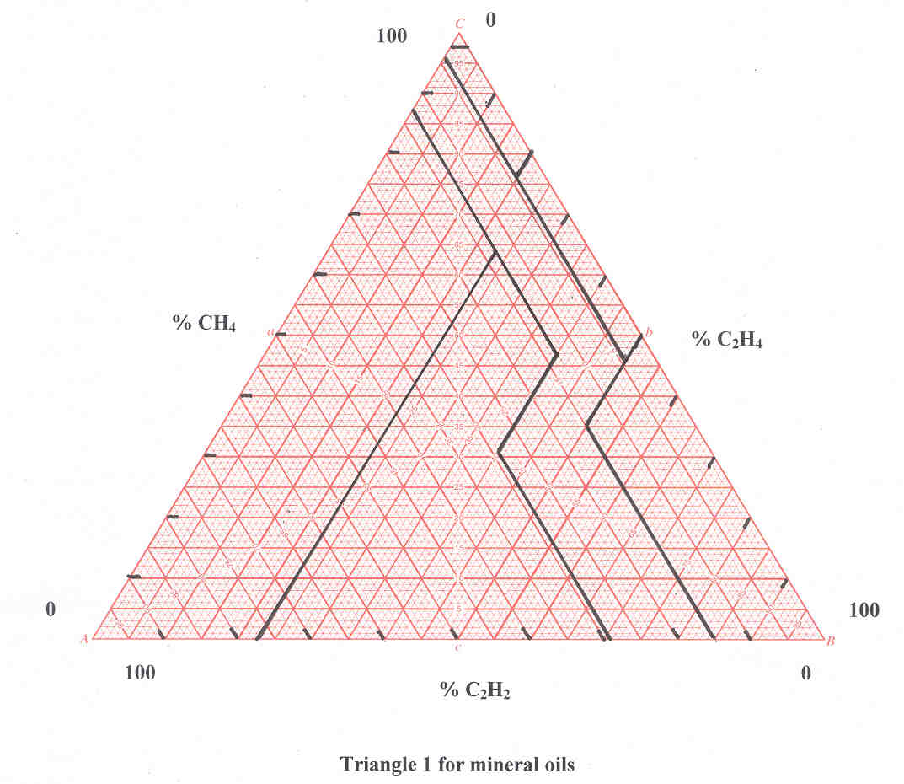

% CH4
% C2H4

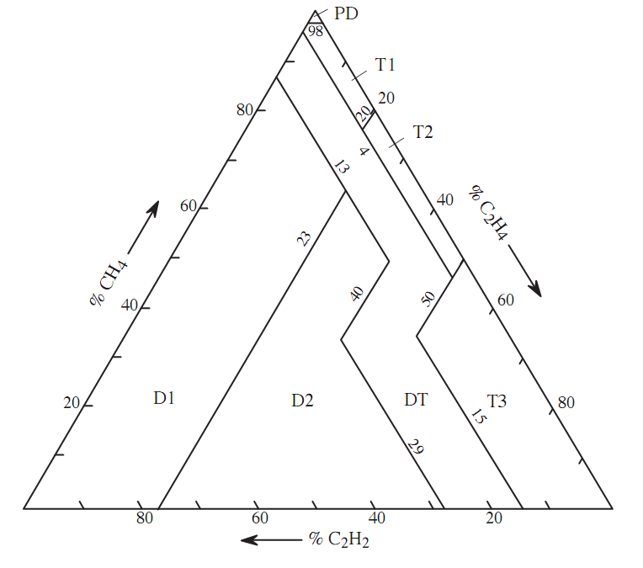

0
100
100
% C2H2
0

% CH4 | % C2H4 | % C2H2 | Fault | Color | Date |  |  |  | Record No.

 |  |  |  |  | Note: you can enter above the date of each DGA point

Triangle 2 LTC
THE DUVAL TRIANGLE 2 FOR LOAD TAP CHANGERS FILLED WITH MINERAL OIL

ppm CH4 | 2342 |  | % CH4 | 39.9 |  | Fault | T3 | N = Normal operation
ppm C2H4 | 3518 |  | % C2H4 | 59.9 |  |  |  | T3 = Severe thermal fault T3 (T > 700°C), heavy coking
ppm C2H2 | 12 |  | % C2H2 | 0.2 |  |  |  | T2 = Severe thermal fault T2 (300 < T < 700°C), coking
 | 5872

 |  |  |  |  |  |  |  | X3 = Fault T3 or T2 in progress, or abnormal severe arcing D2
 |  |  |  |  |  |  |  | D1 = Abnormal arcing D1
 |  |  |  |  |  |  |  | X1 = Abnormal arcing D1 or thermal fault in progress

The Duval Triangle 2 applies to conventional, compartment-type LTCs where normal operation involves mostly arc breaking in oil.
A few resistive LTCs of this type (e.g., UZBs) may have their normal operation in the X3 zone.
For LTCs of the conventional, vacuum bottle-type with no sparking of the selector in the cooling oil, use Duval Triangle 1.

For LTCs of the in-tank type (e.g., Reinhausen) where most or a significant portion of current is dissipated in transition resistors and heats up the resistors,
the normal operating zone may be located in a different part of the Triangle (e.g., in T3 or T2). New versions of the Duval Triangle 2 (Triangles 2a, 2b and 2c) are in preparation for such LTCs.

100
0
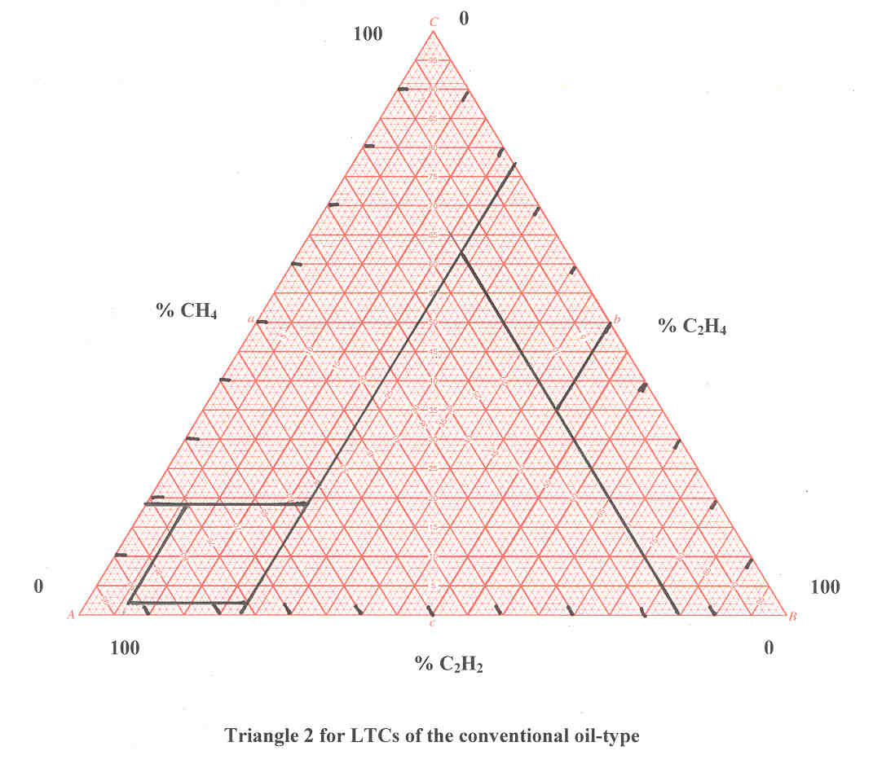

% CH4
% C2H4
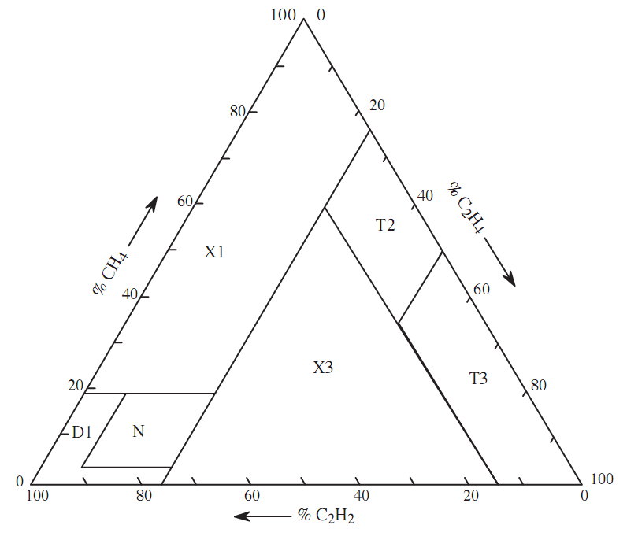

0
100

100
% C2H2
0

% CH4 | % C2H4 | % C2H2 | Fault | Color | Date |  |  |  | Record No.

 |  |  |  |  | Note: you can enter above the date of each DGA point

Triangle 2 LTC-MR
THE DUVAL TRIANGLE 2 LTC-MR FOR IN-TANK TYPE LOAD TAP CHANGERS FILLED WITH MINERAL OIL

ppm CH4 | 7611 |  | % CH4 | 20.1 |  | Fault | X3 | N to N5 = Normal operation
ppm C2H4 | 23239 |  | % C2H4 | 61.3 |  |  |  | T3 = Severe thermal fault T3 (T > 700°C), heavy coking
ppm C2H2 | 7044 |  | % C2H2 | 18.6 |  |  |  | T2 = Severe thermal fault T2 (300 < T < 700°C), coking
 | 37894 |  |  |  |  |  |  | X3 = Fault T3 or T2 in progress, or abnormal severe arcing D2
 |  |  |  |  |  |  |  | D1 = Abnormal arcing D1
 |  |  |  |  |  |  |  | X1 = Abnormal arcing D1 or thermal fault in progress
 |  |  |  |  |  |  |  | See Duval Triangle 2 LTC in previous tab for position of faulty zones

The Duval Triangle 2 LTC-MR applies to LTCs of the in-tank oil-type or vacuum-type, mostly from MR-Reinhausen
During normal operation of these LTCs, current dissipation may occur in the switching arc between contacts and/or in other LTC components
such as transition resistors in the cooling oil. Sparking on the selector and/or by-pass switch may also occur in the cooling oil.

Normal operation occurs in zones:
N or N1 for MR oil types M, D
N or N3 for MR vacuum-types VR, VV
N or N4 for oil types R, V
N or N5 for oil type G and a few UZDs
depending on operating conditions (e.g., at low or high power, low or high number of operations per day)
Note: zone N2 is inside zone N3

Owners of such LTCs are encouraged to determine more precisely the normal zones of their LTCs, which are often smaller than the more general ones indicated below
Operation outside of normal zone is an indication of possible abnormal or faulty operation

100
0

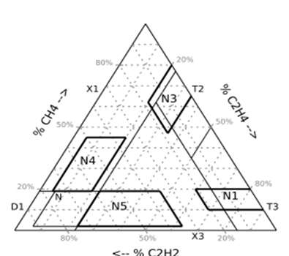

% CH4
% C2H4

0
100

100
% C2H2
0

% CH4 | % C2H4 | % C2H2 | Fault | Color | Date |  |  |  | Record No.

 |  |  |  |  | Note: you can enter above the date of each DGA point

Triangle 3 BioTemp
THE DUVAL TRIANGLE 3 FOR BIO TEMP OILS

ppm CH4 | 50 |  | % CH4 | 43.1 |  | Fault | D2 | PD = Corona partial discharges
ppm C2H4 | 33 |  | % C2H4 | 28.4 |  |  |  | D1 = Electrical discharges of low energy
ppm C2H2 | 33 |  | % C2H2 | 28.4 |  |  |  | D2 = Electrical discharges of high energy
 | 116

 |  |  |  |  |  |  |  | T1 = Thermal faults of temperature T < 300 C
 |  |  |  |  |  |  |  | T2 = Thermal faults, 300 C < T < 700 C
 |  |  |  |  |  |  |  | T3 = Thermal faults, T > 700 C
 |  |  |  |  |  |  |  | DT = Mixtures of electrical and thermal faults

 |  |  |  |  |  |  |  | Note: a fault appearing in zone D2 may also be due in some cases to a mixture of faults D1 and T3

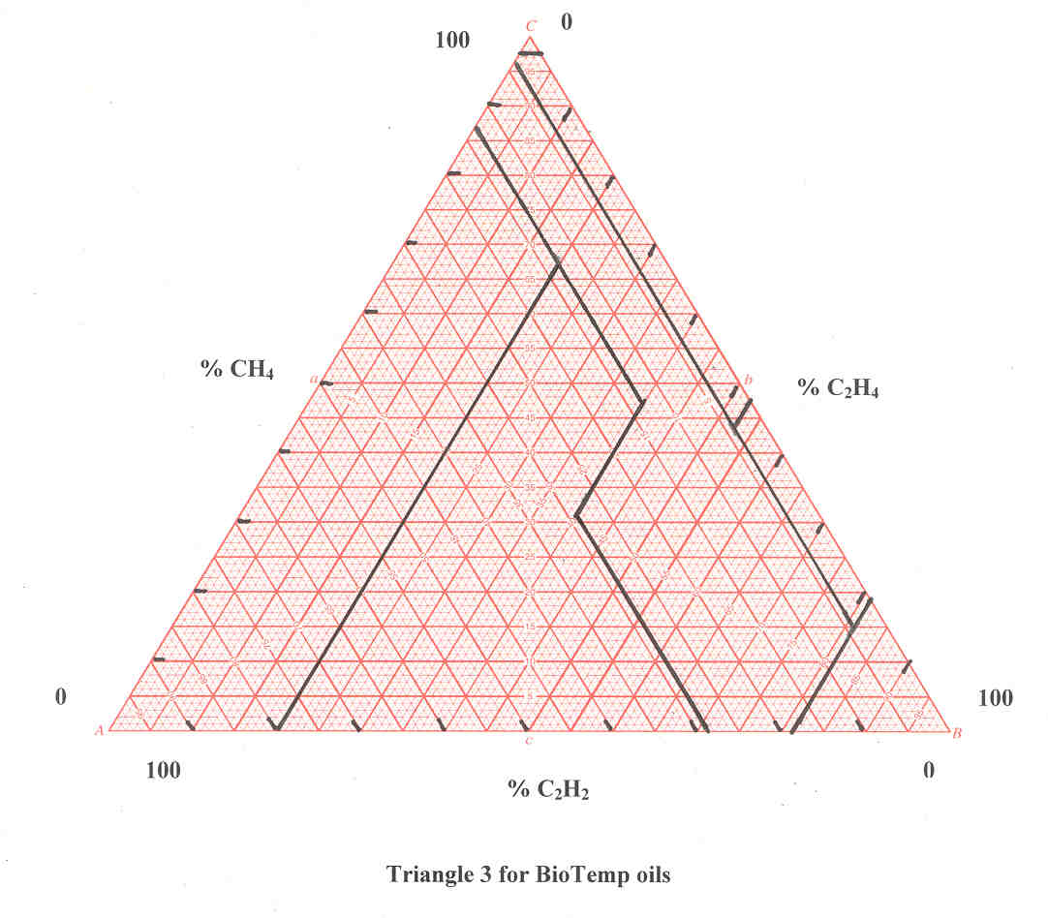
100
0

% CH4
% C2H4
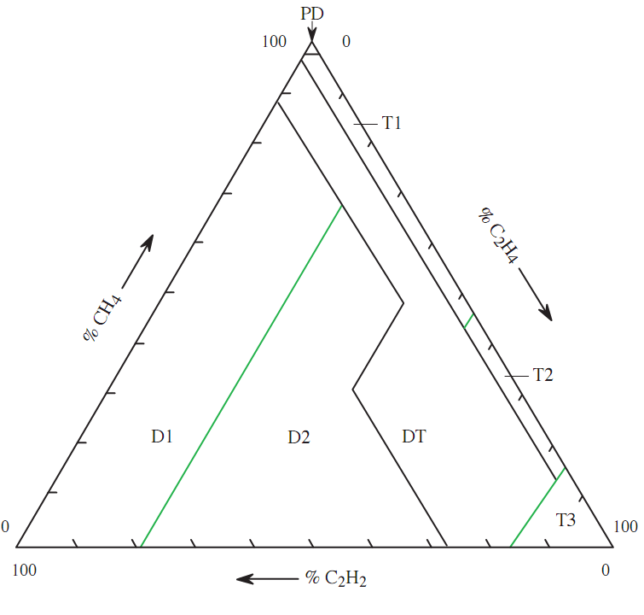

0
100

100
% C2H2
0

% CH4 | % C2H4 | % C2H2 | Fault | Color | Date |  |  |  | Record No.

 |  |  |  |  | Note: you can enter above the date of each DGA point

Triangle 3 FR3
THE DUVAL TRIANGLE 3 FOR FR3 OILS

ppm CH4 | 3 |  | % CH4 | 33.3 |  | Fault | D2 | PD = Corona partial discharges
ppm C2H4 | 3 |  | % C2H4 | 33.3 |  |  |  | D1 = Electrical discharges of low energy
ppm C2H2 | 3 |  | % C2H2 | 33.3 |  |  |  | D2 = Electrical discharges of high energy
 | 9

 |  |  |  |  |  |  |  | T1 = Thermal faults of temperature T < 300 C
 |  |  |  |  |  |  |  | T2 = Thermal faults, 300 C < T < 700 C
 |  |  |  |  |  |  |  | T3 = Thermal faults, T > 700 C
 |  |  |  |  |  |  |  | DT = Mixtures of electrical and thermal faults

 |  |  |  |  |  |  |  | Note: a fault appearing in zone D2 may also be due in some cases to a mixture of faults D1 and T3

100
0
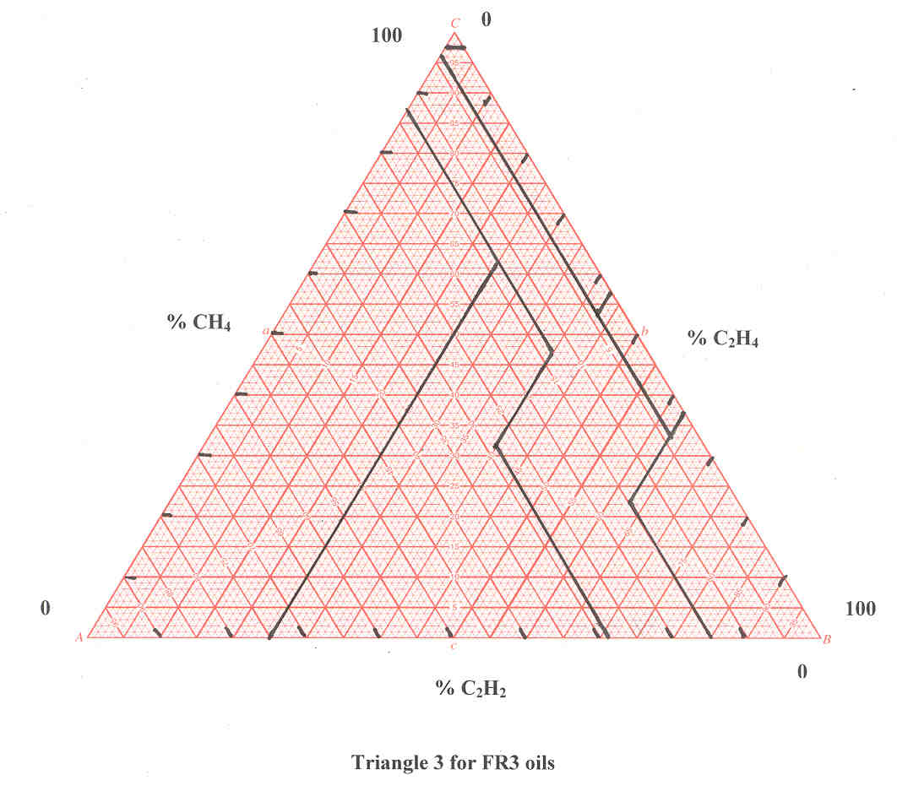

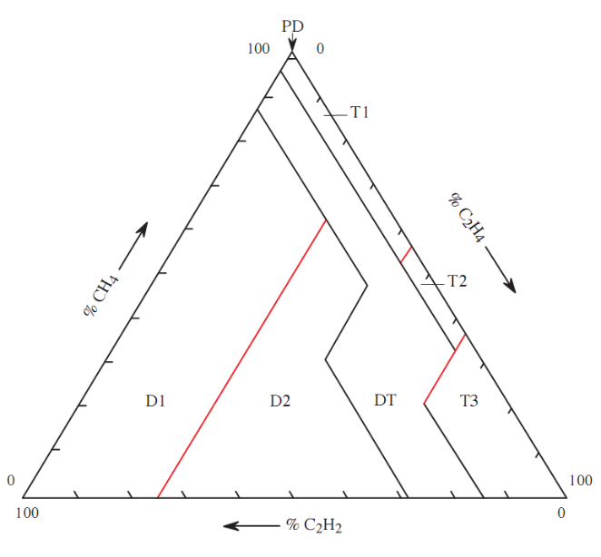
% CH4
% C2H4

0
100
100
0
% CH4 | % C2H4 | % C2H2 | Fault | Color | Date |  |  |  | Record No.

 |  |  |  |  | Note: you can enter above the date of each DGA point

Triangle 3 Midel
THE DUVAL TRIANGLE 3 FOR MIDEL OILS

ppm CH4 |  |  | % CH4 | 0.0 |  | Fault | DT | PD = Corona partial discharges
ppm C2H4 | 7 |  | % C2H4 | 77.8 |  |  |  | D1 = Electrical discharges of low energy
ppm C2H2 | 2 |  | % C2H2 | 22.2 |  |  |  | D2 = Electrical discharges of high energy
 | 9

 |  |  |  |  |  |  |  | T1 = Thermal faults of temperature T < 300 C
 |  |  |  |  |  |  |  | T2 = Thermal faults, 300 C < T < 700 C
 |  |  |  |  |  |  |  | T3 = Thermal faults, T > 700 C
 |  |  |  |  |  |  |  | DT = Mixtures of electrical and thermal faults

 |  |  |  |  |  |  |  | Note: a fault appearing in zone D2 may also be due in some cases to a mixture of faults D1 and T3

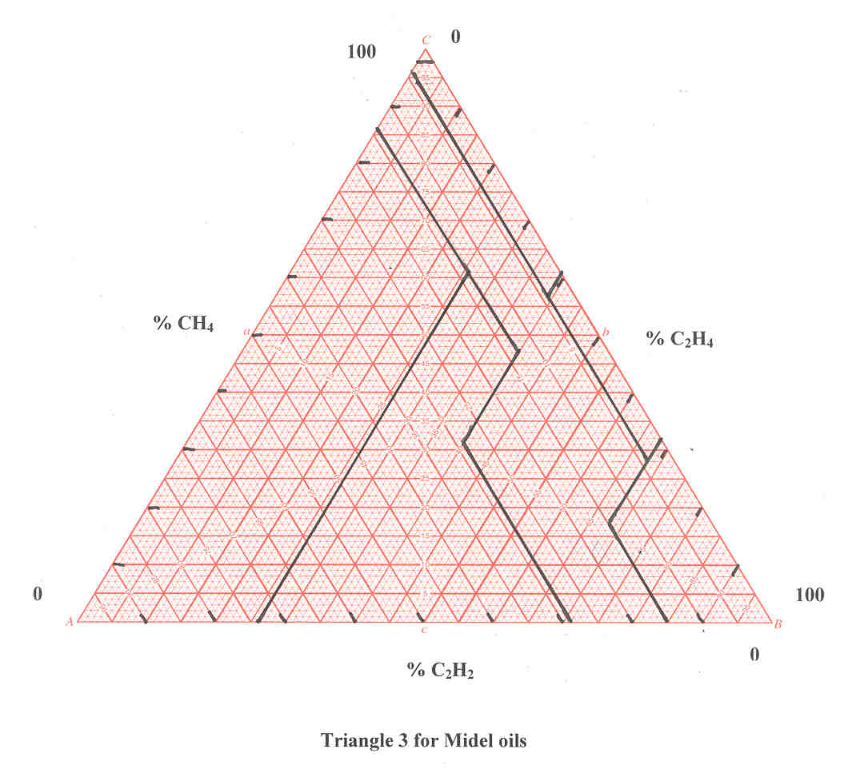

100
0

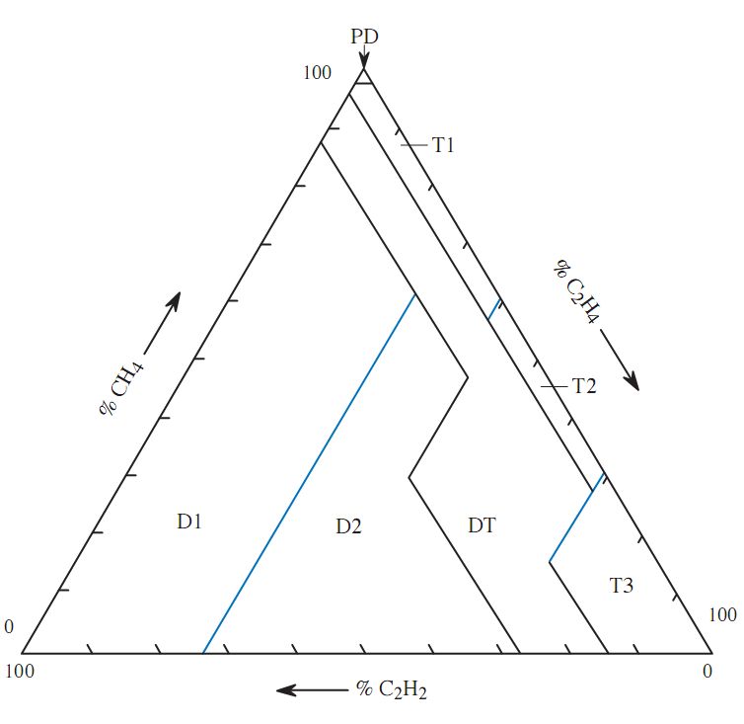
% CH4
% C2H4

0
100

100
% C2H2
0
% CH4 | % C2H4 | % C2H2 | Fault | Color | Date |  |  |  | Record No.
48.8 | 29.8 | 21.4 | D2 |  | igk01 |  |  |  | 1
24.3 | 39.4 | 36.2 | D2 |  | igk01 |  |  |  | 2
99.8 | 0.1 | 0.1 | PD |  | gaf02 |  |  |  | 3
72.5 | 27.4 | 0.1 | T1 |  | igh07 |  |  |  | 4
72.3 | 27.6 | 0.1 | T1 |  | igh07 |  |  |  | 5
99.8 | 0.1 | 0.0 | PD |  | ighi05 |  |  |  | 6

 |  |  |  |  | Note: you can enter above the date of each DGA point

Triangle 3 Silicone
THE DUVAL TRIANGLE 3 FOR SILICONE OILS

ppm CH4 | 50 |  | % CH4 | 43.1 |  | Fault | D2 | PD = Corona partial discharges
ppm C2H4 | 33 |  | % C2H4 | 28.4 |  |  |  | D1 = Electrical discharges of low energy
ppm C2H2 | 33 |  | % C2H2 | 28.4 |  |  |  | D2 = Electrical discharges of high energy
 | 116

 |  |  |  |  |  |  |  | T1 = Thermal faults of temperature T < 300 C
 |  |  |  |  |  |  |  | T2 = Thermal faults, 300 C < T < 700 C
 |  |  |  |  |  |  |  | T3 = Thermal faults, T > 700 C
 |  |  |  |  |  |  |  | DT = Mixtures of electrical and thermal faults

 |  |  |  |  |  |  |  | Note: a fault appearing in zone D2 may also be due in some cases to a mixture of faults D1 and T3

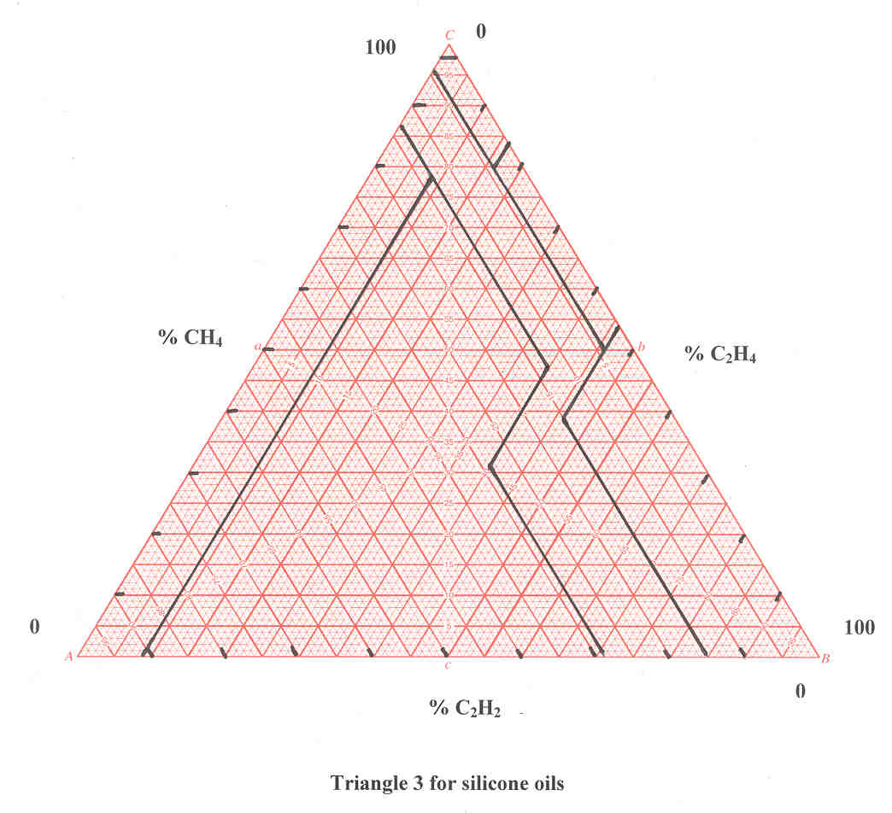
100
0

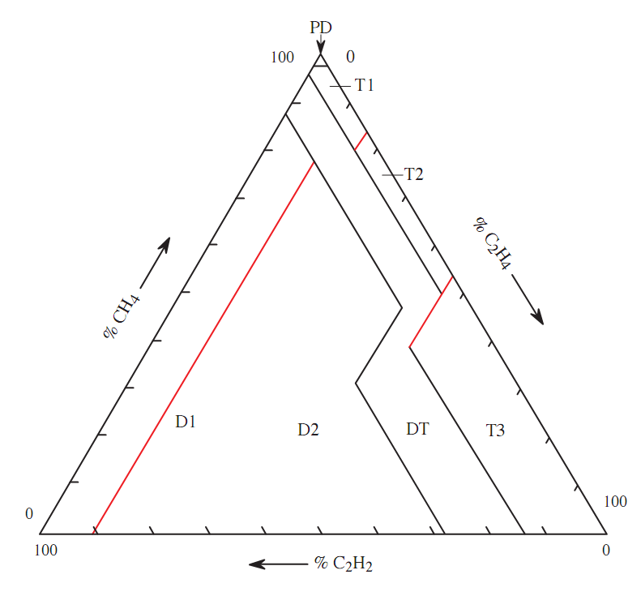

% CH4
% C2H4

0
100
100
% C2H2
0
% CH4 | % C2H4 | % C2H2 | Fault | Color | Date |  |  |  | Record No.

 |  |  |  |  | Note: you can enter above the date of each DGA point

Triangle 4 LTF Mineral Oils
THE DUVAL TRIANGLE 4 FOR LOW TEMPERATURE FAULTS AND FAULTS IN PAPER IN MINERAL OILS

ppm H2 | 15204 |  | % H2 | 72.0 |  | Fault | S | PD = Corona partial discharges
ppm CH4 | 4627 |  | % CH4 | 21.9 |  |  |  | S = Stray gassing of mineral oil (T < 200°C)
ppm C2H6 | 1286 |  | % C2H6 | 6.1 |  |  |  | C = Hot spots with carbonization of paper (T > 300°C)
 | 21117
 |  |  |  |  |  |  |  | O = Overheating (T < 250°C)
 |  |  |  |  |  |  |  | N/D = Not determined

Warning: | The Duval Triangle 4 for low temperature faults in mineral oils uses gases H2, CH4 and C2H6.
 | The Duval Triangle 4 is used to get more information about faults identified as low temperature faults (PD, T1 or T2) with Duval Triangle 1 for mineral oils (using CH4, C2H4 and C2H2).
 | Do not use the Duval Triangle 4 for faults D1, D2 or T3.
 | If Triangle 4 and Triangle 5 do not agree, this probably indicates a mixture of faults

 | Some new oils on the market may produce stray gassing inside zone PD. Verify with stray gassing tests in the laboratory.
 | In zone C, the probability of having carbonization of paper is 80%, not 100%.
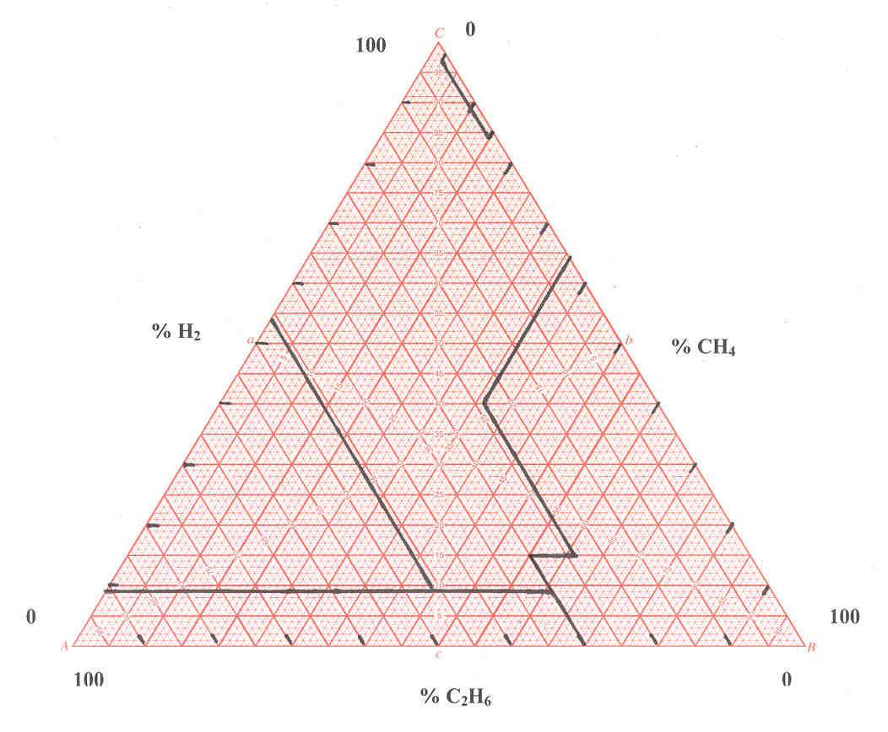
100
0

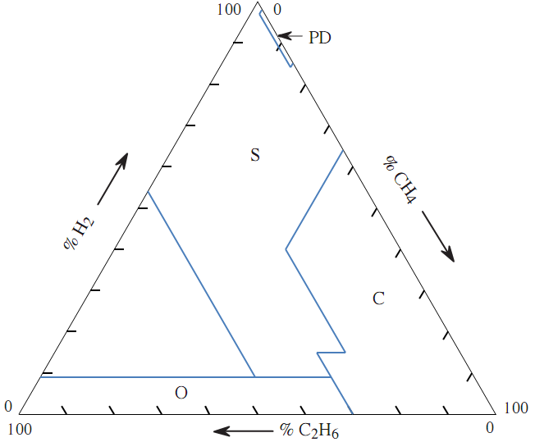
% H2
% CH4

0
100

100
% C2H6
0

% H2 | % CH4 | % C2H6 | Fault | Color | Date |  |  |  | Record No.

 |  |  |  |  |  | Note: you can enter above the date of each DGA point

Triangle 5 LTF Mineral Oils
THE DUVAL TRIANGLE 5 FOR THERMAL FAULTS AND FAULTS IN PAPER IN MINERAL OILS

ppm CH4 | 315 |  | % CH4 | 42.6 |  | Fault | C | PD = Corona partial discharges
ppm C2H4 | 274 |  | % C2H4 | 37.0 |  |  |  | S = Stray gassing of mineral oil (T< 200°C)
ppm C2H6 | 151 |  | % C2H6 | 20.4 |  |  |  | C = Hot Spot with carbonization of paper (T > 300°C)
 | 740
 |  |  |  |  |  |  |  | O = Overheating (T < 250°C)
 |  |  |  |  |  |  |  | T2 = Thermal faults of high temperature 300 < T < 700° C
 |  |  |  |  |  |  |  | T3 = Thermal faults of very high temperature T > 700° C
 |  |  |  |  |  |  |  | N/D = Not determined

Warning: | The Duval Triangle 5 for thermal faults in mineral oils uses gases CH4, C2H4 and C2H6.
 | The Duval Triangle 5 is used to have more information about faults identified as thermal faults (T2 or T3) with the Duval Triangle 1 for mineral oils (using CH4, C2H4 and C2H2).
 | Do not use the Duval Triangle 5 for faults D1, D2.
 | If Triangle 5 and Triangle 4 do not agree, this probably indicates a mixture of faults
 | Faults appearing in zone C have of probability of involving carbonization of paper of ~80% (not 100%).

100
0

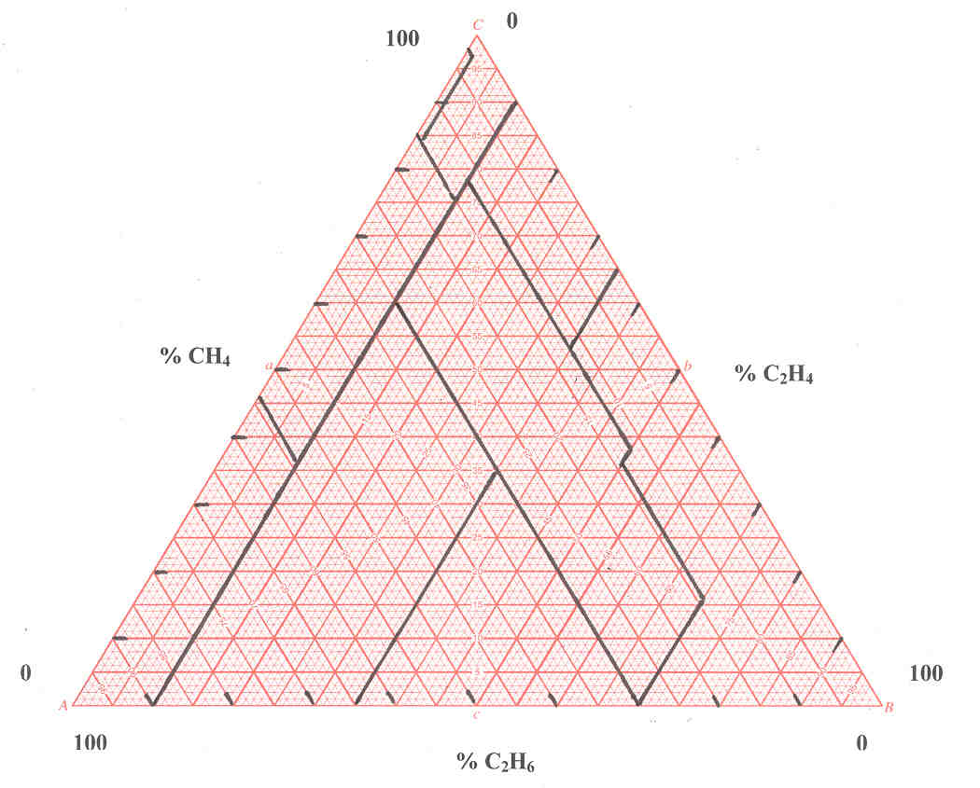

% CH4
% C2H4
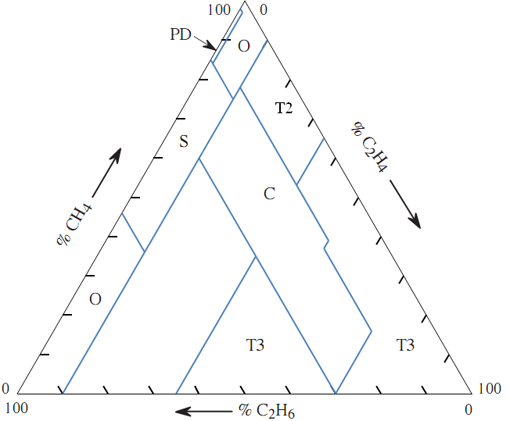

0
100

100
% C2H6
0

% CH4 | % C2H4 | % C2H6 | Fault | Color | Date |  |  |  | Record No.

 |  |  |  |  | Note: you can enter above the date of each DGA point

Triangle 6 LTF FR3 Oils
THE DUVAL TRIANGLE 6 FOR LOW TEMPERATURE FAULTS IN FR3 OILS

ppm H2 | 7 |  | % H2 | 1.8 |  | Fault | S | PD = Corona partial discharges
ppm CH4 | 26 |  | % CH4 | 6.9 |  |  |  | S = Stray gassing of FR3 oil
ppm C2H6 | 346 |  | % C2H6 | 91.3 |  |  |  | C = Hot spots with carbonization of paper (T > 300°C)
 | 379

 |  |  |  |  |  |  |  | O = Overheating (T < 250°C)
 |  |  |  |  |  |  |  | N/D = Not determined

Warning: | The Triangle 6 for low temperature faults in FR3 oils uses gases H2, CH4 and C2H6.
 | The Duval Triangle 6 is used to have more information about faults identified as low temperature faults (PD, T1 or T2) by the Triangle 3 for FR3 oils (using CH4, C2H4 and C2H2).
 | Do not use the Triangle 6 for faults D1, D2 and T3 in FR3 oils.

100
0

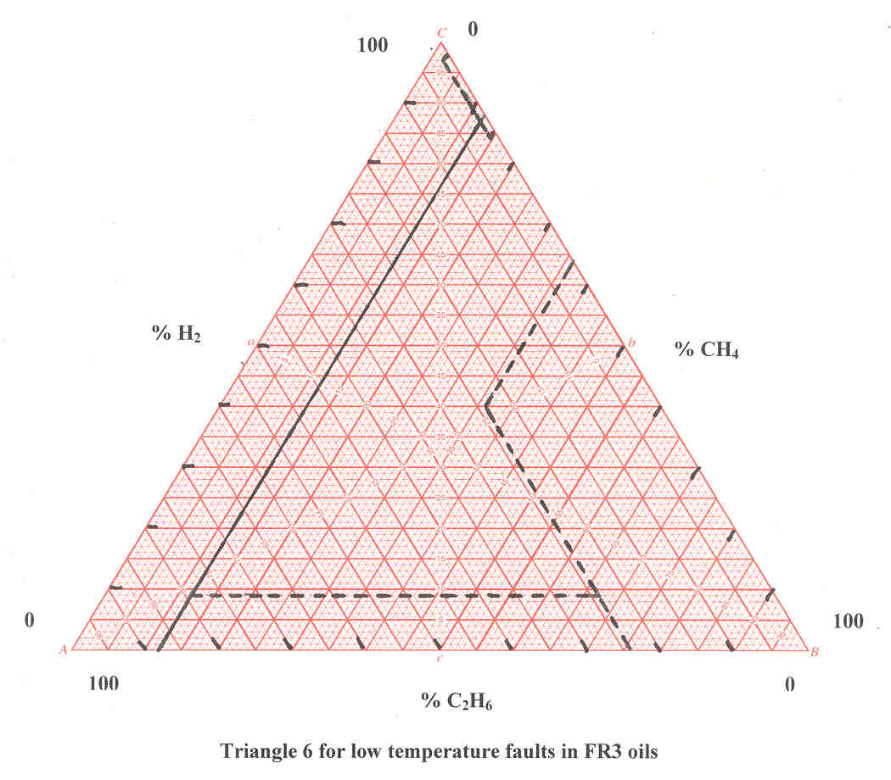

% H2
% CH4

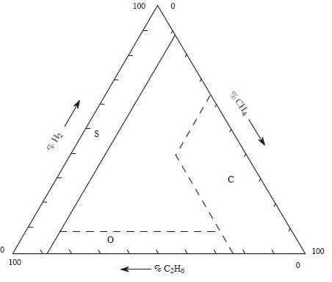

0
100
100
0
% C2H6

% H2 | % CH4 | % C2H6 | Fault | Color | Date |  |  |  | Record No.
3.3 | 4.3 | 92.4 | S |  | Drum |  |  |  | 1
1.8 | 6.9 | 91.3 | S |  | transf |  |  |  | 2

 |  |  |  |  | Note: you can enter above the date of each DGA point

Triangle 7 LTF FR3 Oils
THE DUVAL TRIANGLE 7 FOR THERMAL FAULTS IN FR3 OILS

ppm CH4 | 100 |  | % CH4 | 60.2 |  | Fault | C | PD = Corona partial discharges
ppm C2H4 | 33 |  | % C2H4 | 19.9 |  |  |  | S = Stray gassing of FR3 oil
ppm C2H6 | 33 |  | % C2H6 | 19.9 |  |  |  | C = Hot Spot with carbonization of paper (T > 300°C)
 | 166

 |  |  |  |  |  |  |  | O = Overheating (T < 250°C)
 |  |  |  |  |  |  |  | T3 = Thermal faults of very high temperature T > 700° C
 |  |  |  |  |  |  |  | N/D = Not determined

Warning: | The Triangle 7 for thermal faults in FR3 oils uses gases CH4, C2H4 and C2H6.
 | The Duval Triangle 7 is used to have more information about faults identified as thermal faults (T1, T2 or T3) with the Triangle 3 for FR3 oils (using CH4, C2H4 and C2H2).
 | Do not use the Triangle 7 for faults D1, D2 in FR3 oils.
100
0

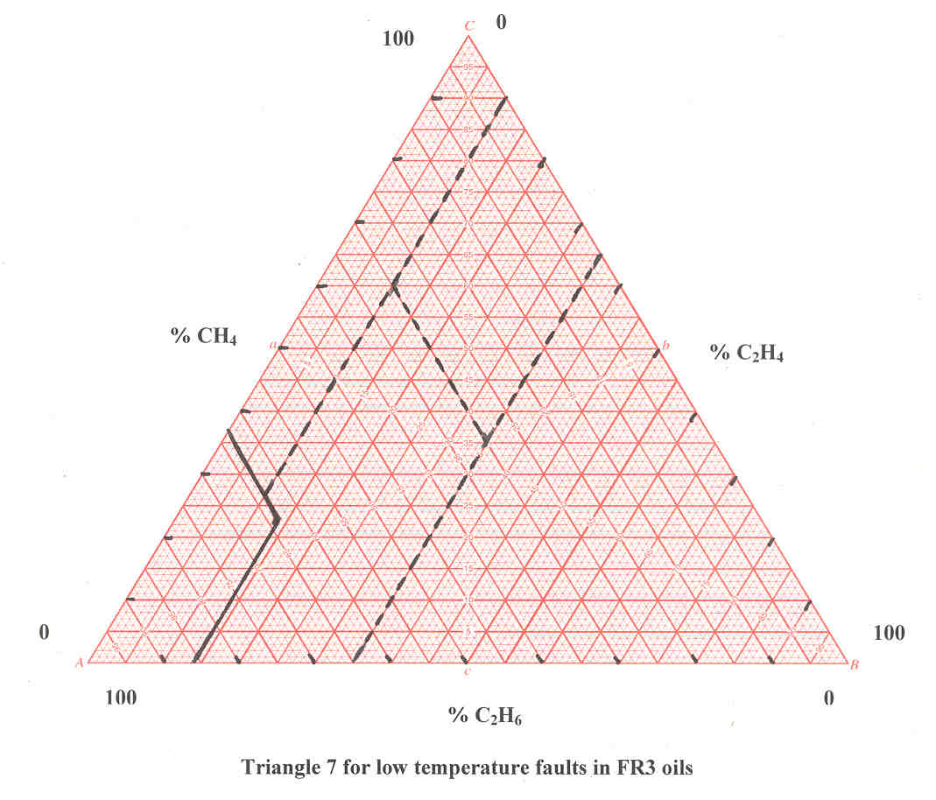

% CH4
% C2H4

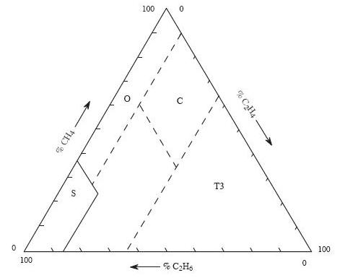
0
100
100
% C2H6
0

% CH4 | % C2H4 | % C2H6 | Fault | Color | Date |  |  |  | Record No.

 |  |  |  |  | Note: you can enter above the date of each DGA point

