Knowledge
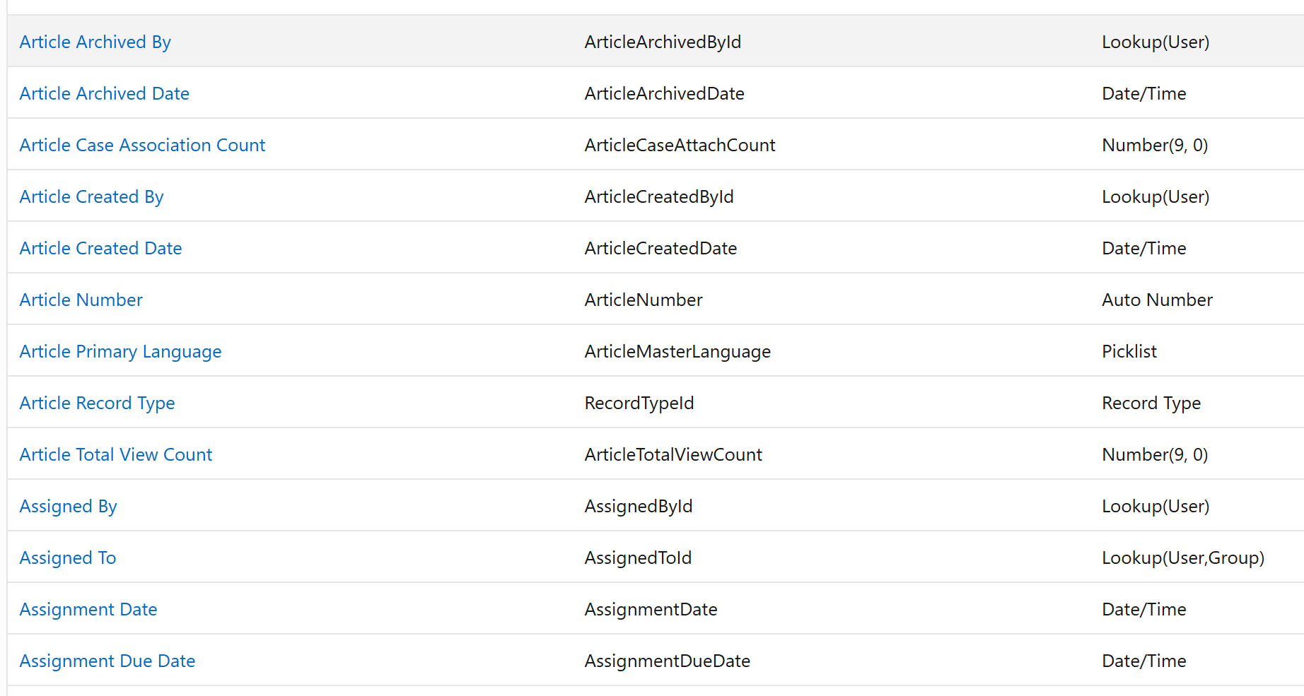
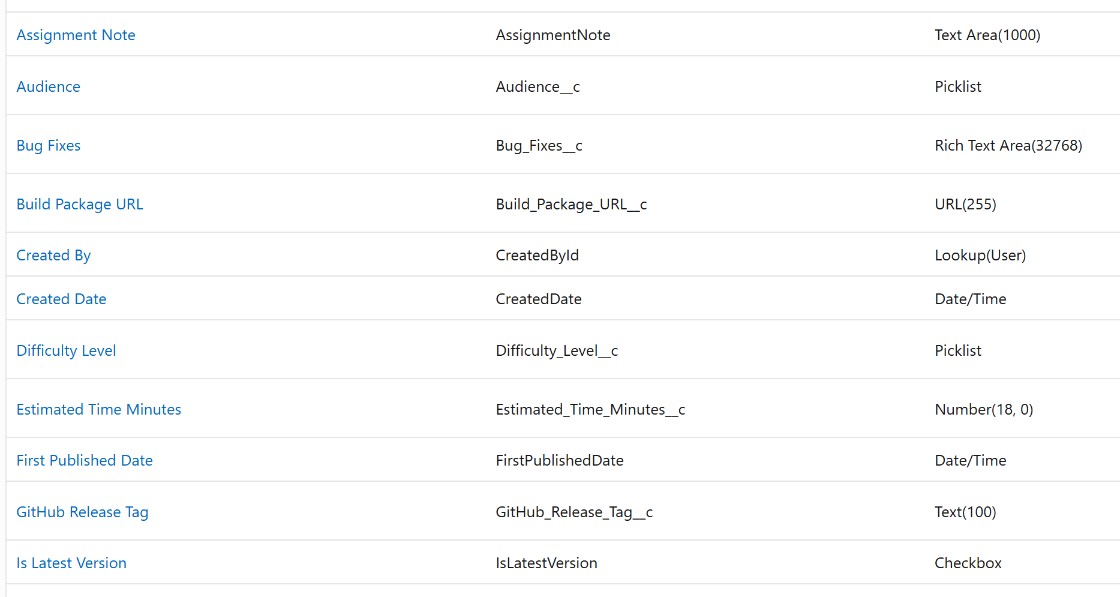
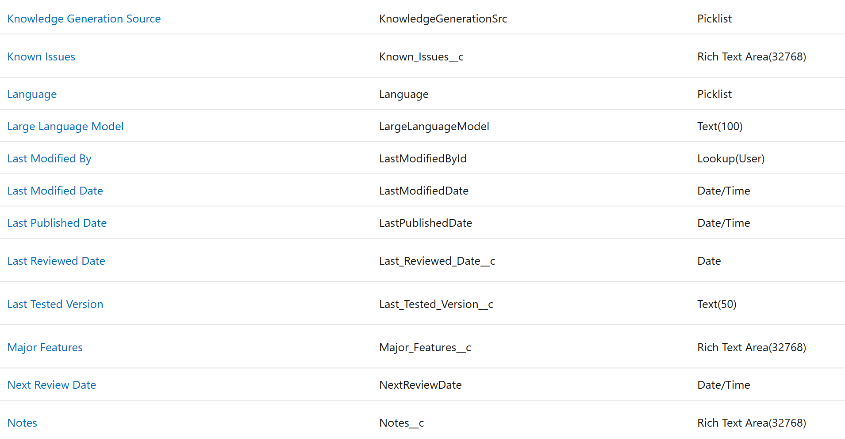
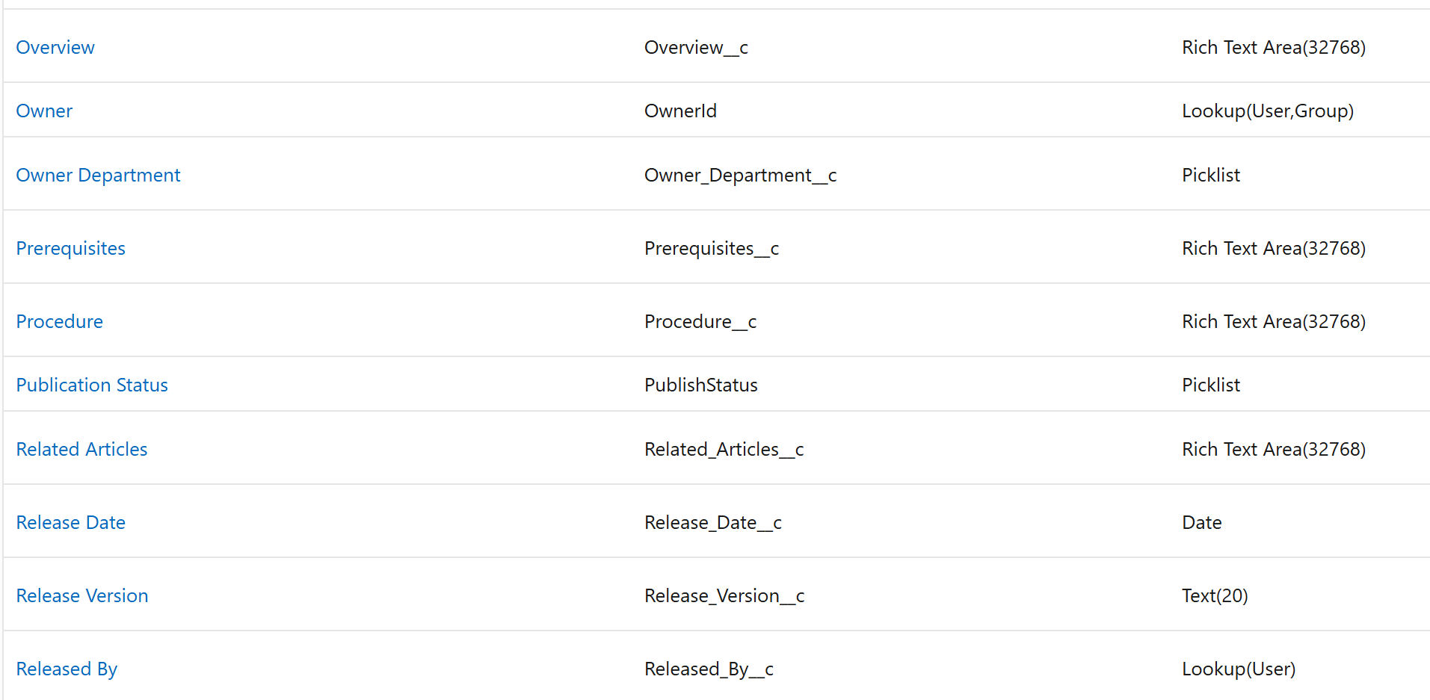
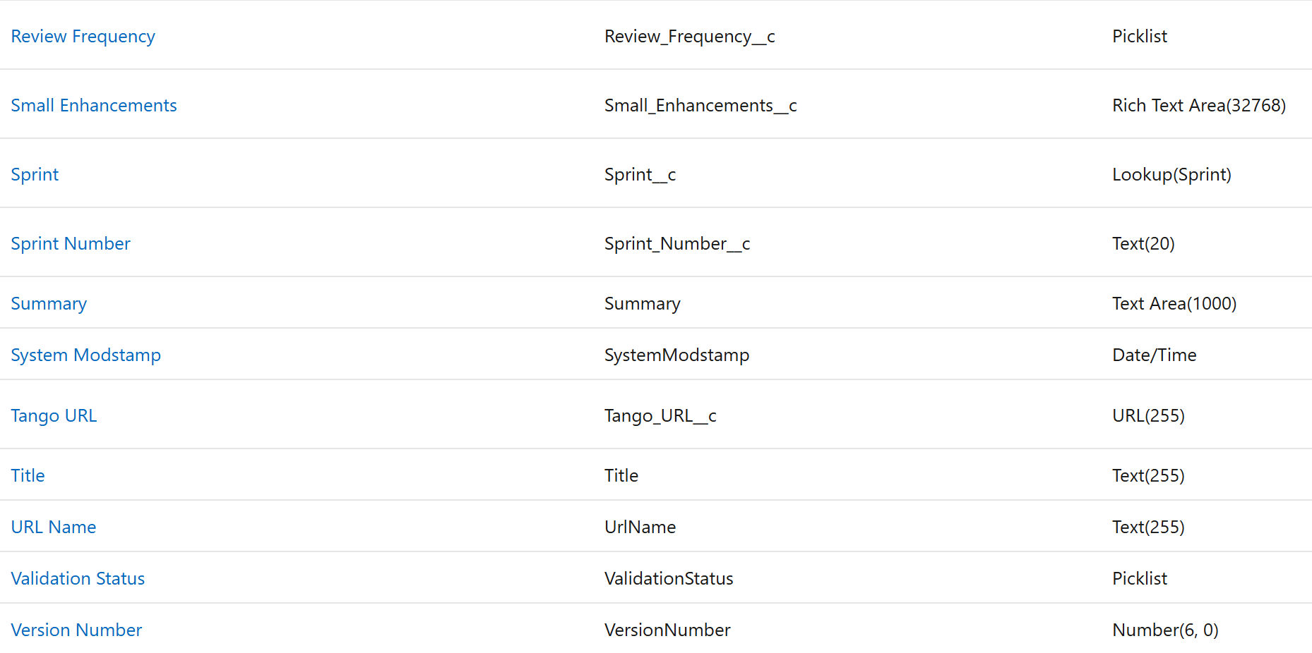
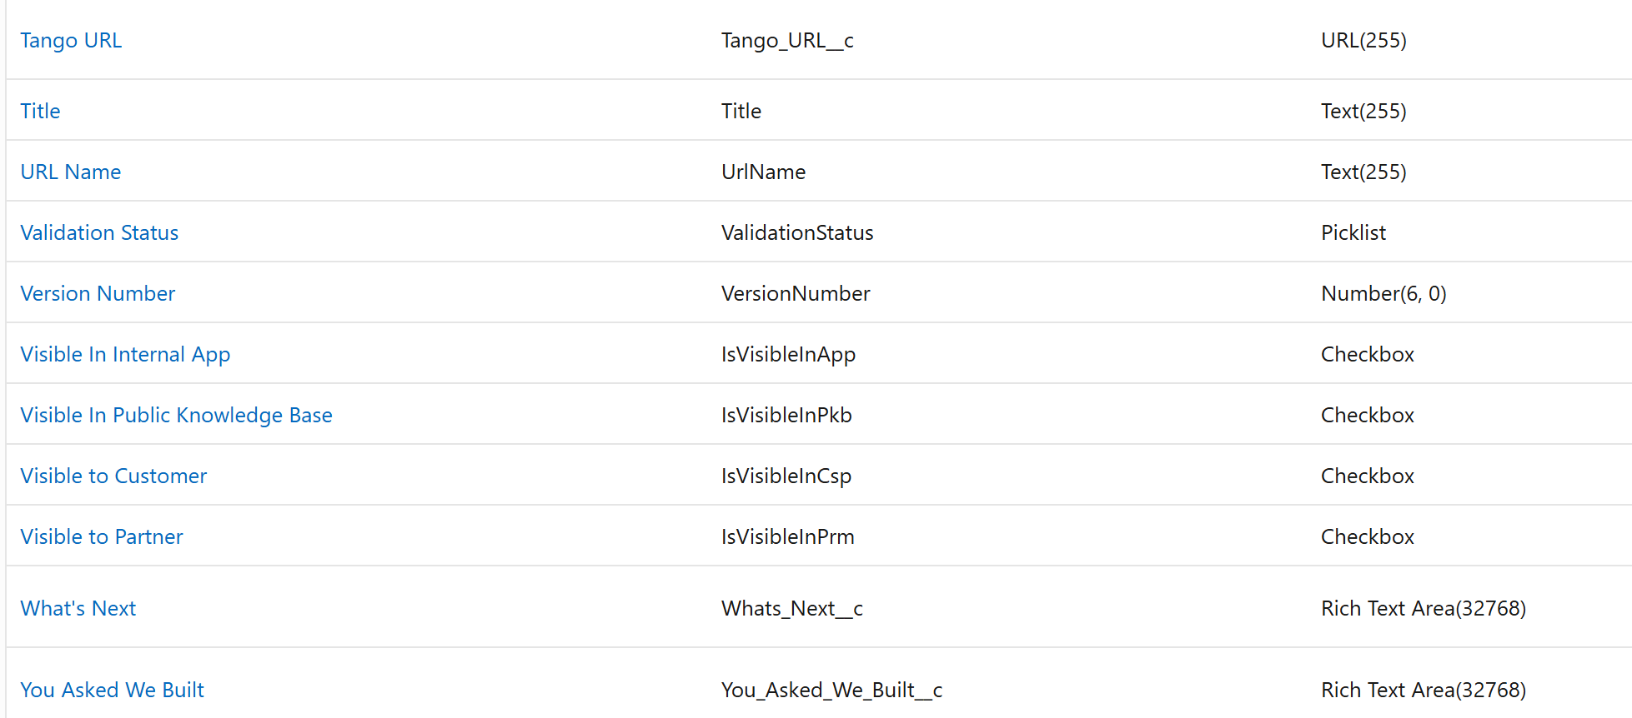
Knowledge (Knowledge_kav) |  |  |  |  |  | Additional Components | Notes
Field Label | API Name | Data Type | Required | Unique | Notes | Reports | Not Enabled
 |  |  |  |  |  | Activities | Not Enabled
 |  |  |  |  |  | Track Field History | Not Enabled
 |  |  |  |  |  | Lightning Record Paged | One for each record type (2)
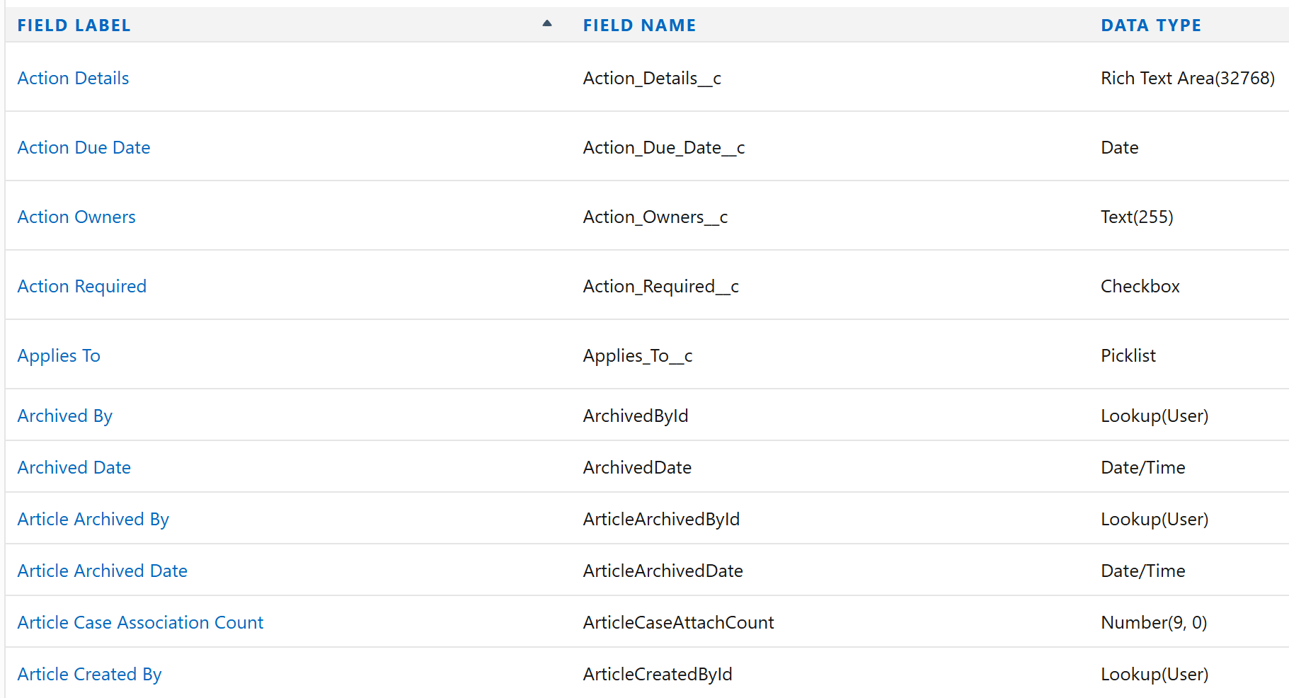
 |  |  |  |  |  | Compact Layout | Knowledge Compact Layout created and assigned
 |  |  |  |  |  | Search Layouts | Updated for Default

