reward_marix
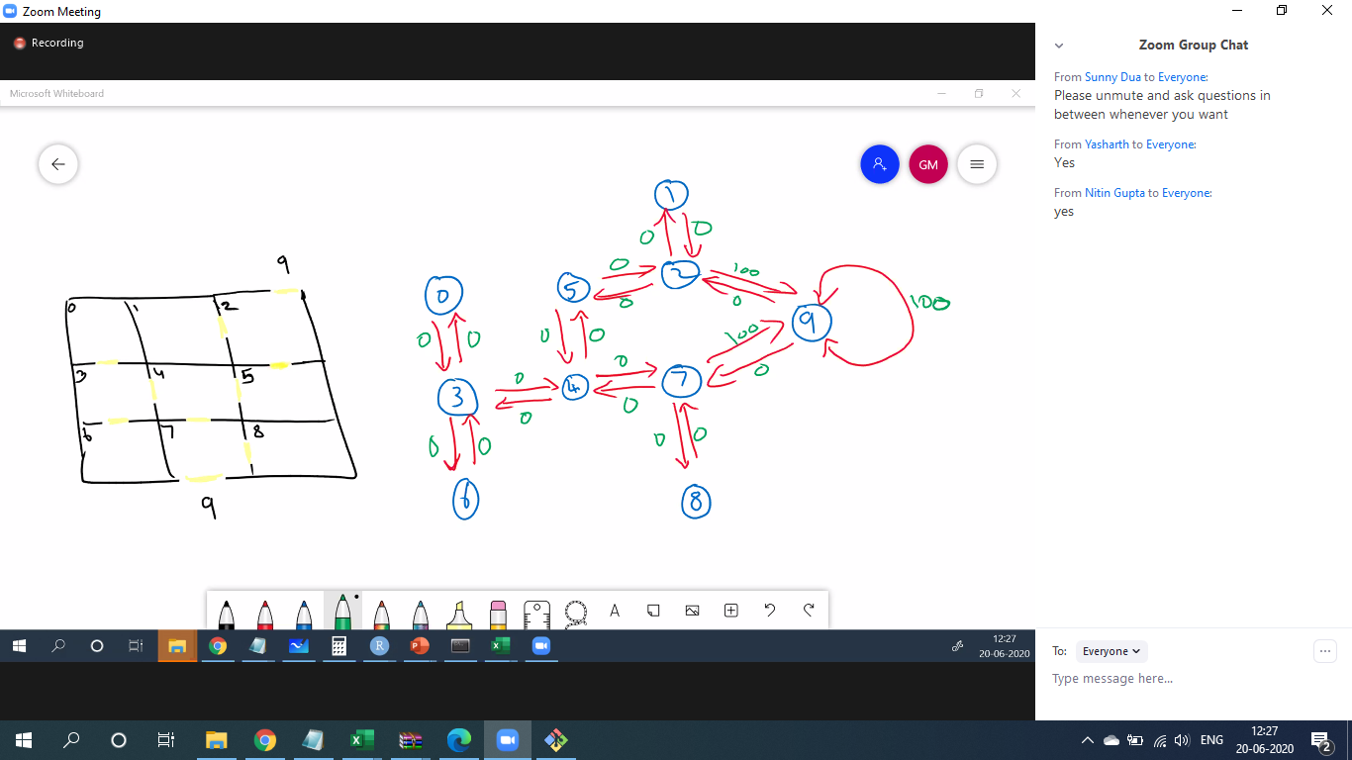
states | 0 | 1 | 2 | 3 | 4 | 5 | 6 | 7 | 8 | 9
0 |  |  |  | 0
1 |  |  | 0
2 |  | 0 |  |  |  | 0 |  |  |  | 100
3 | 0 |  |  |  | 0 |  | 0
4 |  |  |  | 0 |  | 0 |  | 0
5 |  |  | 0 |  | 0
6 |  |  |  | 0
7 |  |  |  |  | 0 |  |  |  | 0 | 100
8 |  |  |  |  |  |  |  | 0
9 |  |  | 0 |  |  |  |  | 0 |  | 100

 |  | blank - -1 | na values need to be given number lower than minimum penalty

