EM Charts
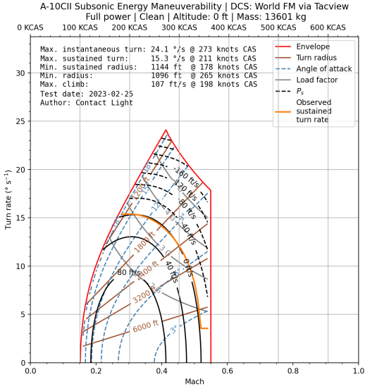
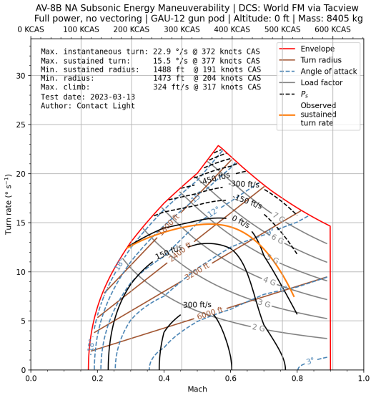
Disclaimer: This is DCS experimental data and should be considered only rough estimates (I would personally just use the airspeed as a guide and disregard the actual turn rates). I will add some flight manual graphs whenever possible. I would also recommend using the Ctrl+F function to easily search for the diagrams. | Credit for DCS data to Contact Light @ DCS Dogfighters Discord

Disclaimer 2: All data is presented at sea level (except when no other is available i.e. F-4E,F-5N)

List of aircraft available: A-10C, AV-8B NA, F-86F, MiG-15bis, MiG-19P, MiG-21bis, F-5E, F-5N, Mirage F1CE, F-4E, MiG-29S, Su-27, Mirage 2000C, JF-17, F-14B, F-15C, F-16 A, F-16C

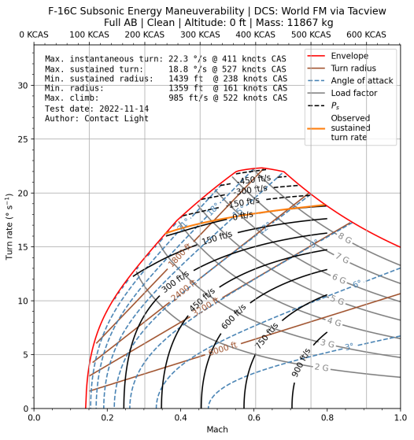
F-16C
 | *Flight Manual Data |  | F-16A | *Flight Manual Data
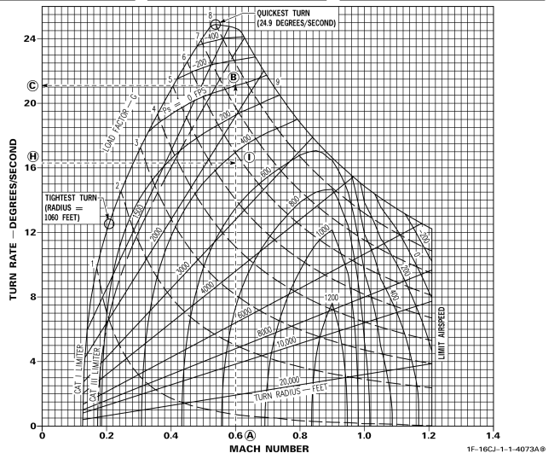
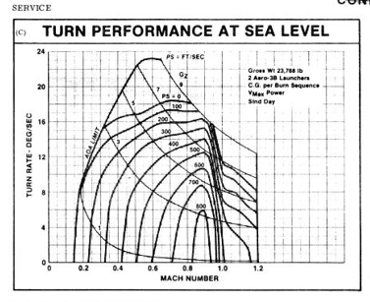

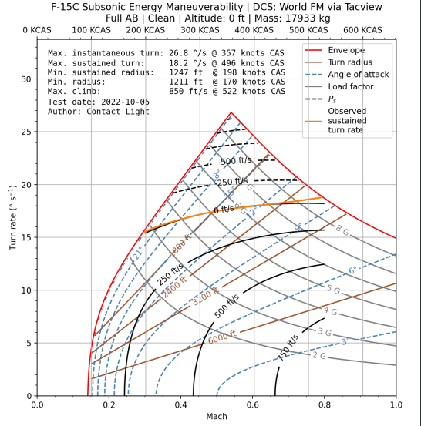
F-15C

F-14B |  | F-14B Flaps
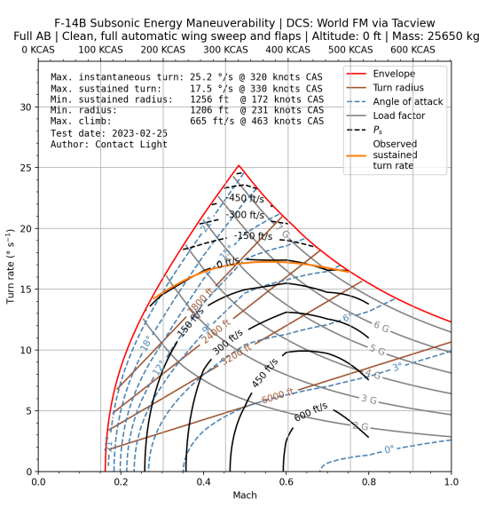
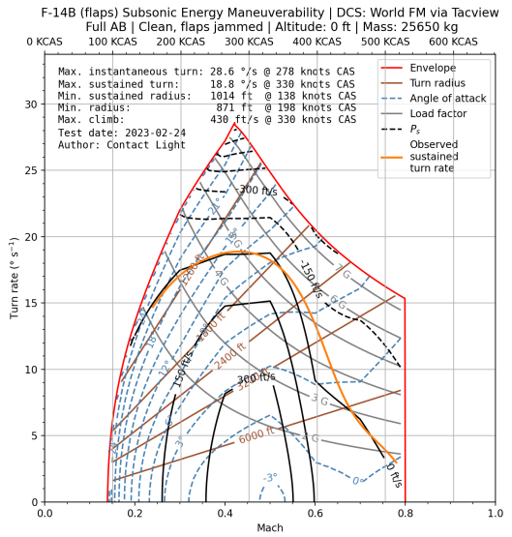

Mirage 2000C |  | JF-17
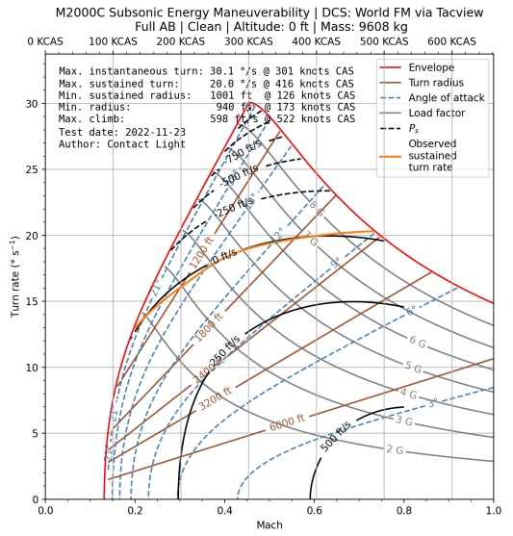
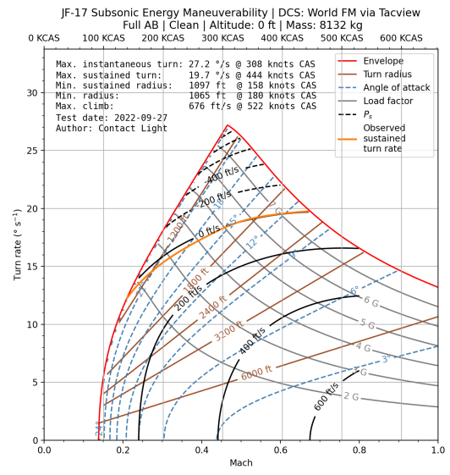

MiG-29S |  | Su-27
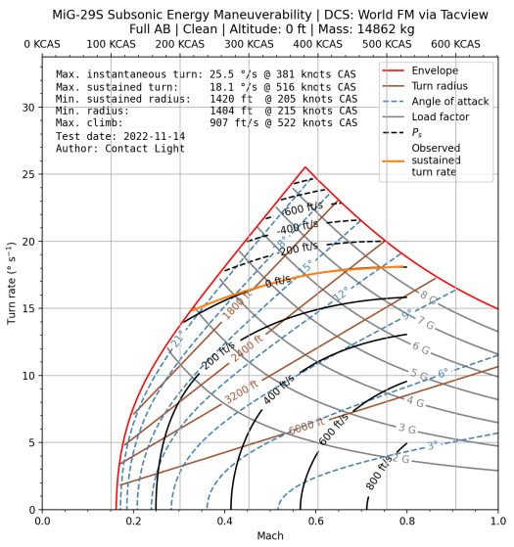
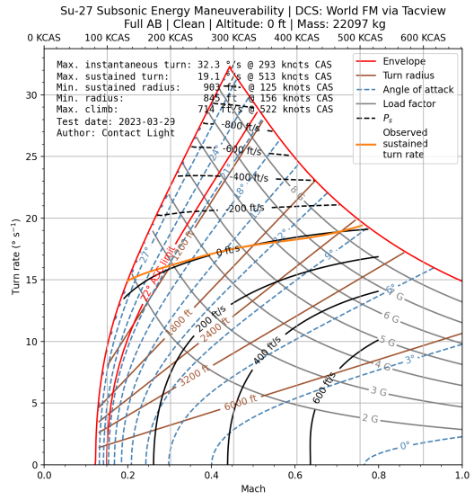

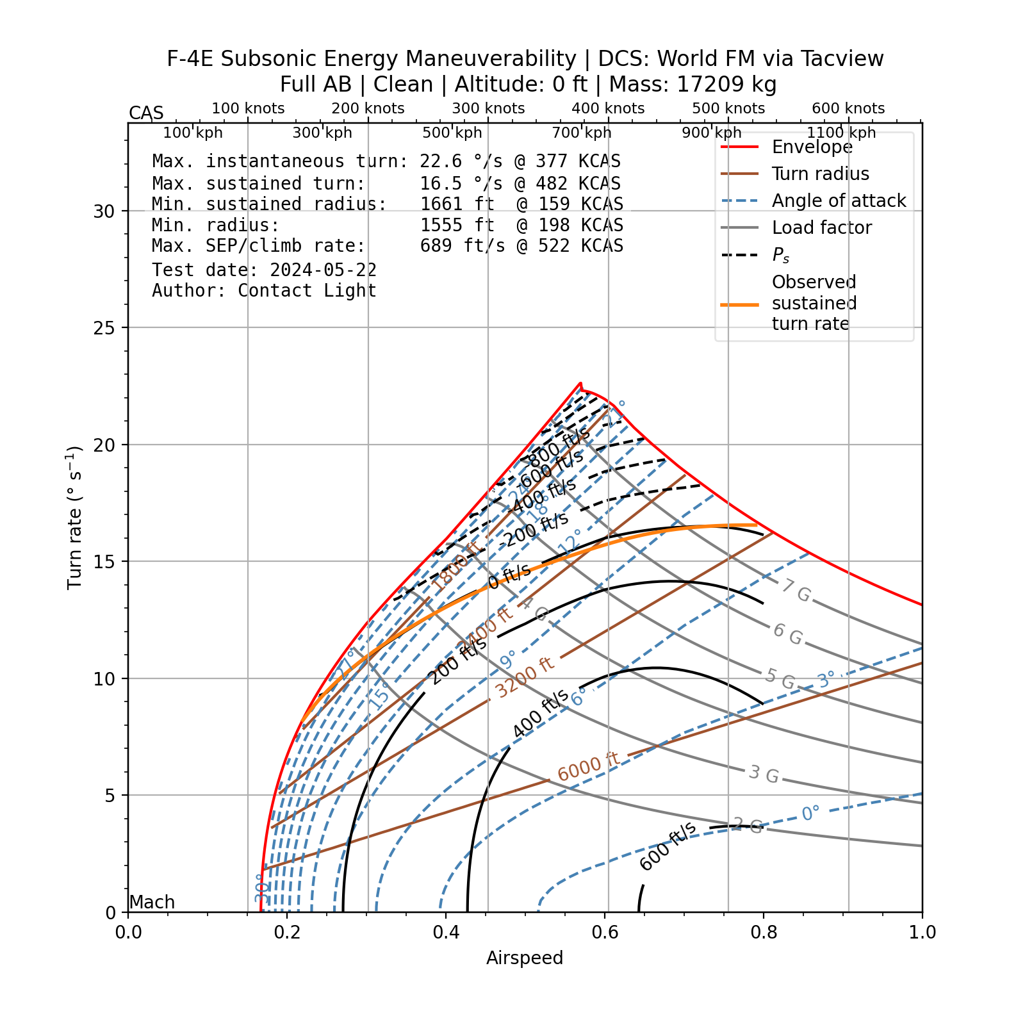
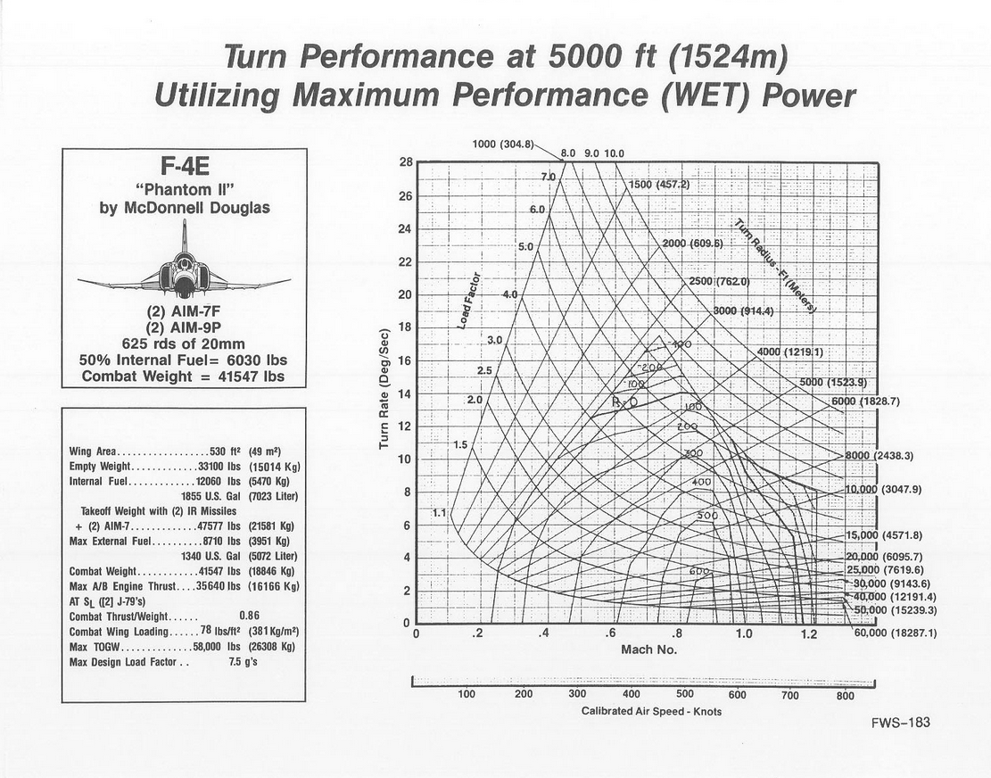
F-4E | *Flight Manual Data

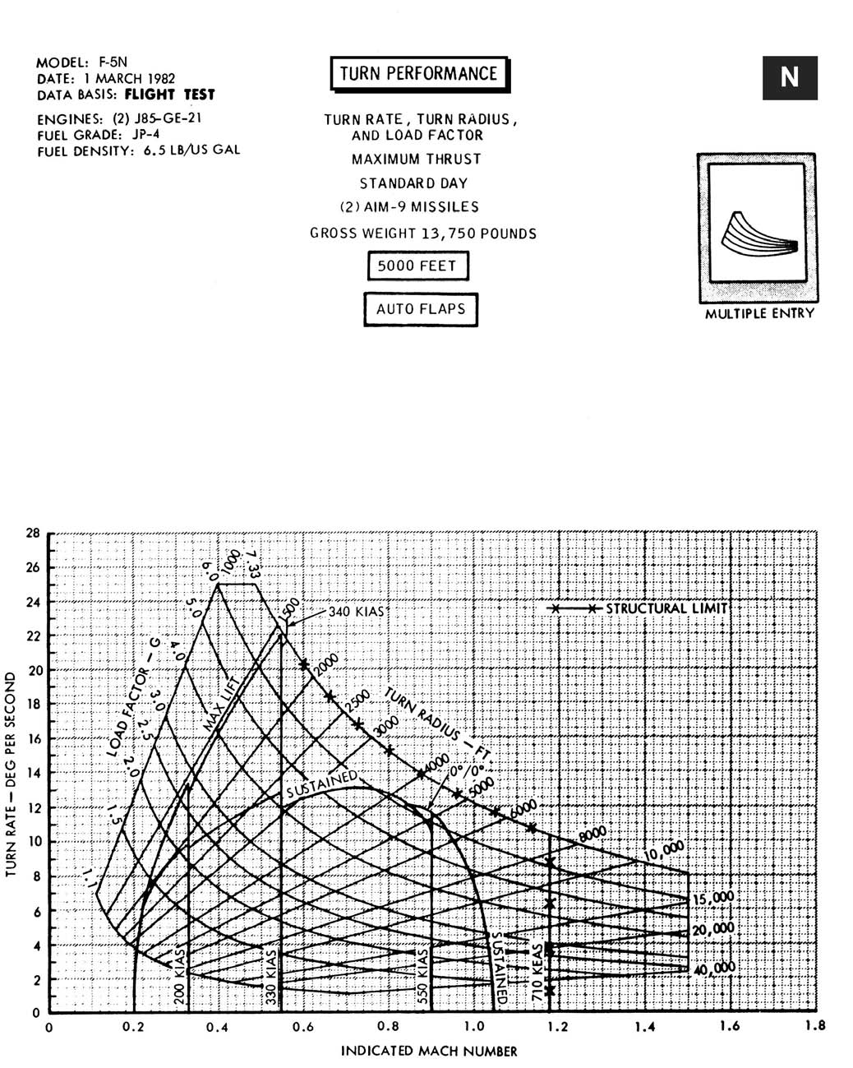
F-5E |  | Mirage F1CE | F-5N
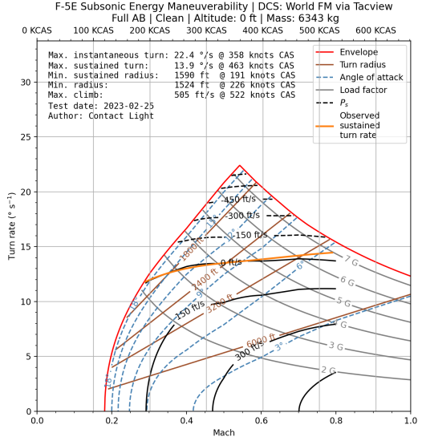
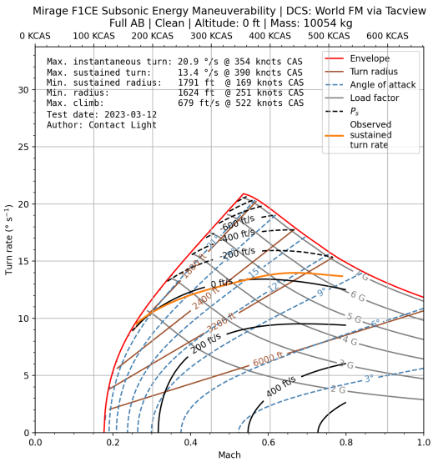

MiG-19P |  | MiG-21bis
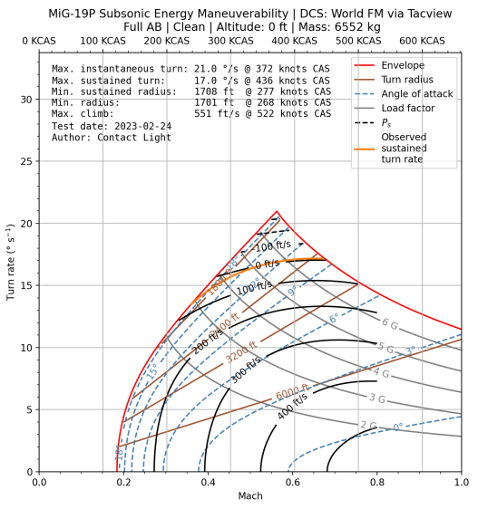
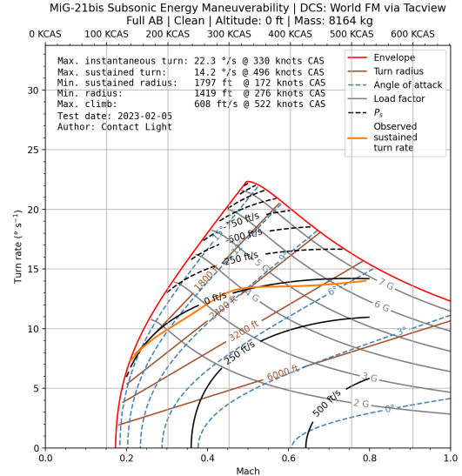

F-86F |  | MiG-15bis
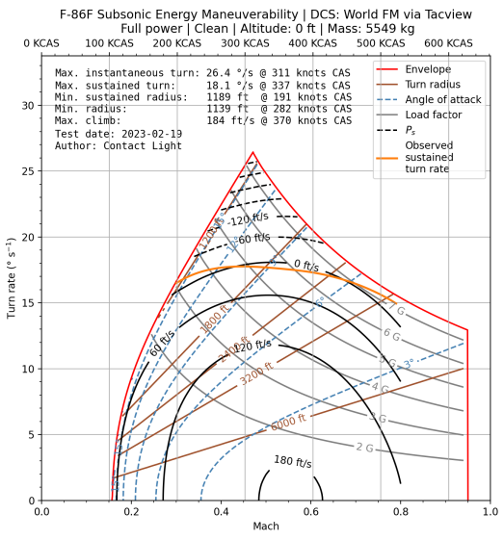
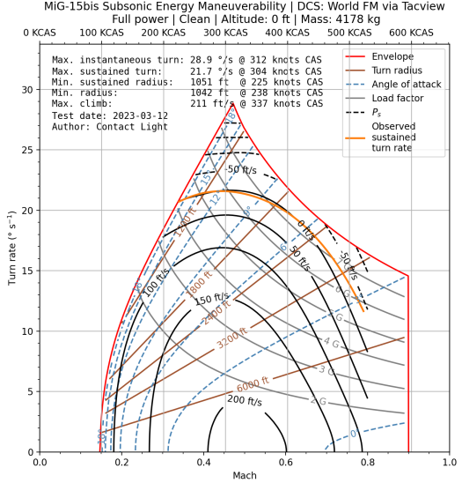

A-10C |  | AV-8B NA

Sim Farming Guide
Rewards in Sim EC are awarded every 15 minutes (since you spawn in) based on the amount of mission points you acumulate in that period. Dieing or J-ing out will trigger the rewards to be awarded, but only as a percentage of the time spent alive (ex: die/J-out after 5 minutes will award 24% of the rewards gained, after 7.5 minutes 40% and so on to 15 minutes and 80%) If you perform a landing AFTER the 15 minute timer runs out and the 'Useful Actions' prompt is shown, you will receive an additional 20% SL/RP. The graph below shows the amount of rewards you can receive for a given amount of points in that 15 minute period, with 100% representing the maximum amount of rewards your aircraft can generate. The reward cap (92% of the theoretical cap for reasons only Gaijin understands) can be reached by getting 1050 points, but reasonable rewards can be achieved with just 500 points (awarding ~82.5% of the rewards). This reward system highlights the importance of staying alive over performing well, if you want to keep your SL balance positive. This has various impacts on overall gameplay but i will not go into the repercussions. |  | Special thanks to Heliboys Sim for doing the research Source: https://docs.google.com/spreadsheets/d/1elUK6q-ujEgfb-QYwt4II1u3z-leh_8LqeJdHgWttGU/edit?gid=0#gid=0

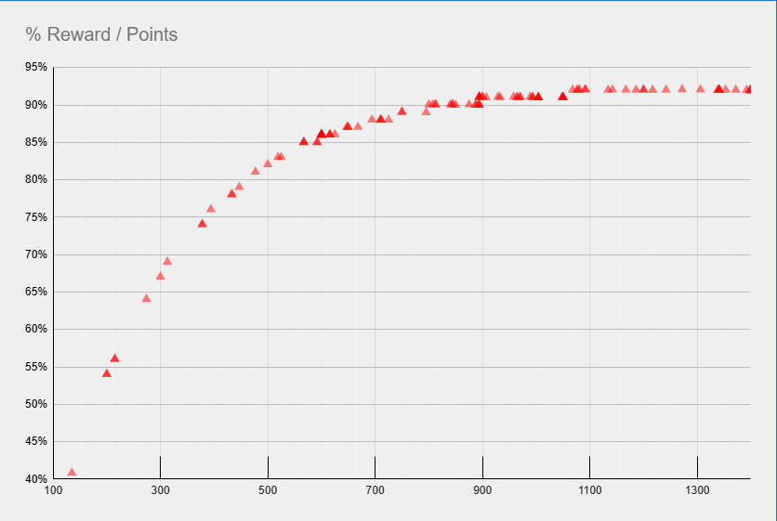

 | TLDR
 | 200 points = 54% reward
 | 400 points = 75% reward
 | 600 points = 86% reward
 | 800 points = 90% reward
 | 1050+ points = 92% reward

 | For bombing charts visit :

 | War Thunder Bomb Chart - EC Sim

AAM (IR all-aspect)
Name: | AAM-3 | AIM-9L Sidewinder | AIM-9L/I Sidewinder | AIM-9L/I-1 Sidewinder | AIM-9M Sidewinder | AIM-9P-4 Sidewinder | MAA-1 Piranha | PL-5C | PL-5EII | PL-8 | PL-9 | Python 3 | Python 4 | R-23T | R-24T | R-27ET | R-27ET1 | R-27T | R-27T1 | R-60M | R-60MK | R-73 | R-73E | R550 Magic 2 | RB 74 | RB 74M
Physical properties |  |  |  |  | 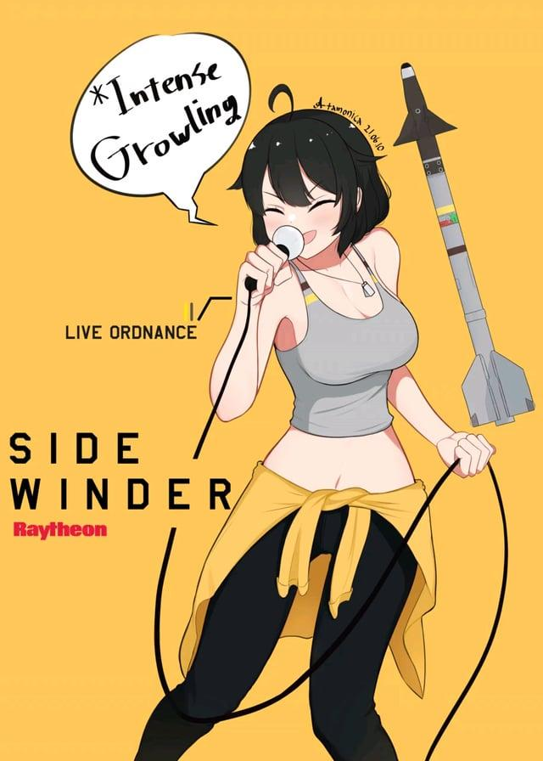
Mass: [kg] | 91 | 84.46 | 84.46 | 84.46 | 84.46 | 76.93 | 90 | 84.5 | 83 | 121 | 115 | 121 | 105 | 215 | 237 | 343 | 343 | 245.5 | 245.5 | 44 | 44 | 105 | 105 | 89 | 84.46 | 84.46
Mass at end of booster burn: [kg] | 63.6 | 57.06 | 57.06 | 57.06 | 57.06 | 58 | 63 | 59.7 | 58.2 | 108 | 95 | 108 | 81 | 182 | 162 | 262.6 | 262.6 | 178.5 | 178.5 | 34 | 34 | 71 | 71 | 66 | 57.06 | 57.06
Mass at end of sustainer burn: [kg] | - | - | - | - | - | - | - | - | - | 82.3 | 74.8 | 82.3 | 63 | - | - | 204.5 | 204.5 | - | - | - | - | - | - | - | - | -
Calibre: [mm] | 127 | 127 | 127 | 127 | 127 | 127 | 127 | 127 | 127 | 160 | 157 | 160 | 160 | 200 | 200 | 260 | 260 | 230 | 230 | 120 | 120 | 170 | 170 | 157 | 127 | 127
Length: [m] | 3.02 | 2.85 | 2.85 | 2.85 | 2.85 | 3.05 | 2.824 | 2.892 | 2.892 | 2.999 | 2.992 | 2.999 | 3 | 4.16 | 4.194 | 4.5 | 4.5 | 3.7 | 3.7 | 2.095 | 2.095 | 2.9 | 2.9 | 2.748 | 2.85 | 2.85
Engine properties
Force exerted by booster: [N] | 11952.69 | 10800 | 10800 | 10800 | 10800 | 18100 | 27000 | 27900 | 27900 | 37675 | 35200 | 37675 | 17600 | 60000 | 50000 | 55275 | 55275 | 25125 | 25125 | 9500 | 9500 | 13750 | 13750 | 27950 | 10800 | 10800
Burn time of booster: [s] | 5.2 | 5.3 | 5.3 | 5.3 | 5.3 | 2.2 | 2.1 | 2 | 2 | 0.785 | 1.25 | 0.785 | 3 | 1.85 | 3 | 3.2 | 3.2 | 6 | 6 | 3 | 3 | 5.5 | 5.5 | 2 | 5.3 | 5.3
Raw acceleration at ignition: [m/s²] | 131.35 | 127.87 | 127.87 | 127.87 | 127.87 | 235.28 | 300.00 | 330.18 | 336.14 | 311.36 | 306.09 | 311.36 | 167.62 | 279.07 | 210.97 | 161.15 | 161.15 | 102.34 | 102.34 | 215.91 | 215.91 | 130.95 | 130.95 | 314.04 | 127.87 | 127.87
Specific impulse of booster: [s] | 231.23 | 212.95 | 212.95 | 212.95 | 212.95 | 214.43 | 214.07 | 229.36 | 229.36 | 231.91 | 224.26 | 231.91 | 224.26 | 342.88 | 203.87 | 224.26 | 224.26 | 229.36 | 229.36 | 290.52 | 290.52 | 226.73 | 226.73 | 247.75 | 212.95 | 212.95
ΔV of booster: [m/s] | 812.64 | 819.27 | 819.27 | 819.27 | 819.27 | 594.15 | 749.02 | 781.69 | 798.65 | 258.57 | 420.32 | 258.57 | 570.92 | 560.49 | 760.93 | 587.62 | 587.62 | 717.09 | 717.09 | 734.81 | 734.81 | 870.31 | 870.31 | 726.66 | 819.27 | 819.27
Booster start delay: [s] | 0 | 0 | 0 | 0 | 0 | 0 | 0 | 0 | 0 | 0 | 0 | 0 | 0 | 0 | 0 | 0 | 0 | 0 | 0 | 0 | 0 | 0 | 0 | 0 | 0 | 0
Force exerted by sustainer: [N] | - | - | - | - | - | - | - | - | - | 20500 | 16160 | 20500 | 7920 | - | - | 26630 | 26630 | - | - | - | - | - | - | - | - | -
Burn time of sustainer: [s] | - | - | - | - | - | - | - | - | - | 2.85 | 2.75 | 2.85 | 5 | - | - | 4.8 | 4.8 | - | - | - | - | - | - | - | - | -
Specific impulse of sustainer: [s] | - | - | - | - | - | - | - | - | - | 231.74 | 224.26 | 231.74 | 224.26 | - | - | 224.27 | 224.27 | - | - | - | - | - | - | - | - | -
ΔV of sustainer: [m/s] | - | - | - | - | - | - | - | - | - | 617.80 | 525.93 | 617.80 | 552.89 | - | - | 550.16 | 550.16 | - | - | - | - | - | - | - | - | -
Total ΔV: [m/s] | 812.64 | 819.27 | 819.27 | 819.27 | 819.27 | 594.15 | 749.02 | 781.69 | 798.65 | 876.38 | 946.25 | 876.38 | 1123.82 | 560.49 | 760.93 | 1137.77 | 1137.77 | 717.09 | 717.09 | 734.81 | 734.81 | 870.31 | 870.31 | 726.66 | 819.27 | 819.27
Fuse and warhead properties
Explosive mass: [kg of TNT equivalent] | 4.864 | 4.5824 | 4.5824 | 4.5824 | 4.5824 | 7.616 | 7.2 | 7.616 | 7.616 | 8 | 8.4 | 8 | 8 | 20.8 | 20.8 | 24 | 24 | 24 | 24 | 1.78875 | 1.78875 | 6.075 | 6.075 | 9.6 | 4.5824 | 4.5824
Warhead: | SAPHE | SAPHE | SAPHE | SAPHE | SAPHE | SAPHE | SAPHE | SAPHE | SAPHE | SAPHE | SAPHE | SAPHE | SAPHE | SAPHE | SAPHE | SAPHE | SAPHE | SAPHE | SAPHE | SAPHE | SAPHE | SAPHE | SAPHE | SAPHE | SAPHE | SAPHE
Penetration: [mm] | 39.66 | 38.956 | 38.956 | 38.956 | 38.956 | 58.08 | 56 | 58.08 | 58.08 | 60 | 60.4 | 60 | 60 | 64.4 | 64.4 | 64.857142857 | 64.857142857 | 64.857142857 | 64.857142857 | 28 | 28 | 50.375 | 50.375 | 61.6 | 38.956 | 38.956
Proximity fuse: | Yes | Yes | Yes | Yes | Yes | Yes | Yes | Yes | Yes | Yes | Yes | Yes | Yes | Yes | Yes | Yes | Yes | Yes | Yes | Yes | Yes | Yes | Yes | Yes | Yes | Yes
Proximity fuse range: [m] | 6 | 5 | 5 | 5 | 5 | 5 | 6 | 9 | 7 | 7 | 7 | 7 | 7 | 10 | 10 | 8 | 8 | 8 | 8 | 3 | 3 | 6 | 6 | 8 | 5 | 5
Proximity fuse shell detection (80-200 mm): | Yes | Yes | Yes | Yes | Yes | Yes | Yes | Yes | Yes | Yes | Yes | Yes | Yes | Yes | Yes | Yes | Yes | Yes | Yes | Yes | Yes | Yes | Yes | Yes | Yes | Yes
Proximity fuse delay: [s] | 1.5 | 1.8 | 1.8 | 1.8 | 1.8 | 0.5 | 0.5 | 0.5 | 0.5 | 0.5 | 0.5 | 0.5 | 0.5 | 1 | 1 | 2 | 2 | 2 | 2 | 0.5 | 0.5 | 0.5 | 0.5 | 1.8 | 1.8 | 1.8
Impact fuse sensitivity: [mm] | 0.1 | 0.1 | 0.1 | 0.1 | 0.1 | 0.1 | 0.1 | 0.1 | 0.1 | 0.1 | 0.1 | 0.1 | 0.1 | 0.1 | 0.1 | 0.1 | 0.1 | 0.1 | 0.1 | 0.1 | 0.1 | 0.1 | 0.1 | 0.1 | 0.1 | 0.1
Impact fuse delay: [m] | 1 | 1 | 1 | 1 | 1 | 1 | 1 | 1 | 1 | 1 | 1 | 1 | 1 | 1 | 1 | 1 | 1 | 1 | 1 | 1 | 1 | 1 | 1 | 1 | 1 | 1
Guidance properties
Guidance type: | IR | IR | IR | IR | IR | IR | IR | IR | IR | IR | IR | IR | IR | IR | IR | IR | IR | IR | IR | IR | IR | IR | IR | IR | IR | IR
Guidance start delay: [s] | 0.4 | 0.4 | 0.4 | 0.4 | 0.4 | 0.5 | 0.5 | 0.5 | 0.5 | 0.5 | 0.5 | 0.5 | 0.2 | 0.5 | 0.5 | 0.35 | 0.35 | 0.35 | 0.35 | 0.35 | 0.35 | 0.15 | 0.15 | 0.25 | 0.4 | 0.4
Guidance duration: [s] | 45 | 60 | 60 | 60 | 60 | 40 | 40 | 23 | 23 | 20 | 30 | 20 | 20 | 35 | 45 | 60 | 60 | 60 | 60 | 25 | 25 | 20 | 20 | 25 | 60 | 60
Seeker warm up time: [s] | 1 | 1 | 1 | 1 | 1 | 1 | 1 | 1 | 1 | 1 | 1 | 1 | 1 | 1 | 1 | 1 | 1 | 1 | 1 | 1 | 1 | 1 | 1 | 1 | 1 | 1
Seeker search duration: [s] | 20 | 20 | 20 | 20 | 20 | 20 | 20 | 20 | 20 | 20 | 20 | 20 | 20 | 20 | 20 | 20 | 20 | 20 | 20 | 20 | 20 | 20 | 20 | 20 | 20 | 20
Field of view: [degrees] | 3.6 | 3.6 | 3.6 | 3.6 | 3.6 | 3.6 | 3.6 | 4 | 3.6 | 3.6 | 3 | 3.6 | 3.6 | 2.6 | 2.6 | 2 | 2 | 2 | 2 | 5 | 5 | 4.5 | 4.5 | 2.4 | 3.6 | 3.6
Gimbal limit: [degrees] | 60 | 45 | 45 | 45 | 45 | 45 | 40 | 40 | 40 | 40 | 40 | 40 | 90 | 60 | 55 | 60 | 60 | 60 | 60 | 45 | 45 | 75 | 75 | 45 | 45 | 45
Track rate: [degrees/second] | 30 | 22 | 22 | 22 | 22 | 22 | 50 | 20 | 60 | 20 | 20 | 20 | 45 | 12 | 20 | 30 | 30 | 30 | 30 | 30 | 30 | 60 | 60 | 60 | 22 | 22
Uncaged seeker before launch: | Yes | Yes | Yes | Yes | Yes | Yes | Yes | Yes | Yes | Yes | Yes | Yes | Yes | Yes | Yes | Yes | Yes | Yes | Yes | Yes | Yes | Yes | Yes | Yes | Yes | Yes
Maximum lock angle before launch: [degrees] | 40 | 40 | 40 | 40 | 40 | 40 | 30 | 25 | 30 | 30 | 30 | 30 | 60 | 60 | 55 | 45 | 45 | 45 | 45 | 20 | 20 | 45 | 45 | 45 | 40 | 40
Minimum angle of incidence of the seeker to the Sun for it to not capture the Sun: [degrees] | 10 | 10 | 10 | 10 | 10 | 10 | 12 | 17 | 17 | 12 | 12 | 12 | 15 | 7 | 7 | 5 | 5 | 5 | 5 | 7 | 7 | 15 | 15 | 10 | 10 | 10
Lock-on range from rear-aspect: [km] | 11 | 11 | 11 | 11 | 11 | 11 | 11 | 11 | 11 | 11 | 11 | 11 | 11 | 12 | 16 | 18 | 18 | 18 | 18 | 7.4 | 7.4 | 11 | 11 | 11 | 11 | 11
Lock-on range from all-aspect: [km] | 3 | 3 | 3 | 3 | 3 | 3 | 3 | 2.5 | 3.4 | 3 | 3 | 3 | 3.8 | 2.3 | 4.3 | 4.8 | 4.8 | 4.8 | 4.8 | 2 | 2 | 3.4 | 3.4 | 3.4 | 3 | 3
Flare detection range: [km] | 11 | 11 | 11 | 11 | 11 | 11 | 11 | 11 | 10 | 11 | 11 | 11 | 11 | 12 | 15 | 15 | 15 | 15 | 15 | 7.4 | 7.4 | 10 | 10 | 10 | 11 | 11
IRCM detection range: [km] | 11 | 11 | 11 | 11 | 11 | 11 | 11 | 11 | - | 11 | 11 | 11 | - | 12 | 15 | 15 | 15 | 15 | 15 | 7.4 | 7.4 | - | - | - | 11 | 11
DIRCM detection range: [km] | - | - | - | - | - | - | - | - | 1 | - | - | - | 1 | - | - | - | - | - | - | - | - | 1 | 1 | 1 | - | -
Head-on lock-on range against afterburning target: [km] | 6 | 6 | 6 | 6 | 6 | 6 | 6 | 6 | 6 | 6 | 6 | 6 | 6 | 4 | 8 | 9 | 9 | 9 | 9 | 3 | 3 | 6 | 6 | 6 | 6 | 6
IRCCM: | Yes | No | Yes | Yes | Yes | No | No | No | Yes | No | No | No | Yes | No | No | Yes | Yes | Yes | Yes | No | No | Yes | Yes | Yes | No | Yes
IRCCM type: | Seeker shut off | - | Seeker shut off | Seeker shut off | Seeker shut off | - | - | - | FOV | - | - | - | FOV + Seeker shut off | - | - | FOV | FOV | FOV | FOV | - | - | FOV | FOV | FOV | - | Seeker shut off
IRCCM field of view: [degrees] | - | - | - | - | - | - | - | - | 0.75 | - | - | - | 1.2 | - | - | 1.33 | 1.33 | 1.33 | 1.33 | - | - | 0.75 | 0.75 | 0.75 | - | -
IRCCM rejection treshold: | - | - | 0.1 | 0.1 | 0.1 | - | - | - | - | - | - | - | - | - | - | - | - | - | - | - | - | - | - | - | - | 0.1
IRCCM reaction time: [s] | - | - | 0.02 | 0.02 | 0.02 | - | - | - | - | - | - | - | - | - | - | - | - | - | - | - | - | - | - | - | - | 0.02
Maximum break lock time: [s] | 3 | 3 | 3 | 3 | 3 | 3 | 3 | 3 | 3 | 3 | 3 | 3 | 3 | 3 | 3 | 3 | 3 | 3 | 3 | 3 | 3 | 3 | 3 | 3 | 3 | 3
Can be slaved to radar: | Yes | Yes | Yes | Yes | Yes | Yes | Yes | Yes | Yes | Yes | Yes | Yes | Yes | Yes | Yes | Yes | Yes | Yes | Yes | Yes | Yes | Yes | Yes | Yes | Yes | Yes
Proportional navigation multiplier: (affects how far ahead it attempts to lead) | 4 | 4 | 4 | 4 | 4 | 4 | 4 | 4 | 4 | 4 | 4 | 4 | 4 | 4 | 4 | 4 | 4 | 4 | 4 | 4 | 4 | 4 | 4 | 4 | 4 | 4
Base indicated air speed: [m/s] | 1800 | 1800 | 1800 | 1800 | 1800 | 1800 | 1800 | 1800 | 1800 | 1800 | 1800 | 1800 | 1800 | 1800 | 1800 | 1800 | 1800 | 1800 | 1800 | 1800 | 1800 | 1800 | 1800 | 1800 | 1800 | 1800
PID proportional term: | 0.0021 | 0.002 | 0.002 | 0.002 | 0.002 | 0.0025 | 0.0016 | 0.0045 | 0.0021 | 0.0035 | 0.0021 | 0.0035 | 0.0036 | 0.0035 | 0.0025 | 0.004 | 0.004 | 0.006 | 0.006 | 0.0015 | 0.0015 | Not | Not | 0.0016 | 0.002 | 0.002
PID integral term: | 0.0401 | 0.0361 | 0.0361 | 0.0361 | 0.0361 | 0.0406 | 0.0301 | 0.0466 | 0.0336 | 0.0346 | 0.0376 | 0.0346 | 0.0341 | 0.0346 | 0.0236 | 0.0301 | 0.0301 | 0.0311 | 0.0311 | 0.0496 | 0.0496 | applicable | applicable | 0.0341 | 0.0361 | 0.0361
PID integral term limit: | 1 | 1 | 1 | 1 | 1 | 1 | 1 | 1 | 1 | 1 | 1 | 1 | 1 | 1 | 1 | 1 | 1 | 1 | 1 | 1 | 1 | dependent | dependent | 1 | 1 | 1
PID derivative term: | 0.0008 | 0.0006 | 0.0006 | 0.0006 | 0.0006 | 0.0006 | 0.0005 | 0.0009 | 0.0005 | 0.0007 | 0.0006 | 0.0007 | 0.0007 | 0.001 | 0.0006 | 0.0012 | 0.0012 | 0.0013 | 0.0013 | 0.0005 | 0.0005 | on flight time | on flight time | 0.0005 | 0.0006 | 0.0006
Flight characteristics
Maximum fin angle of attack: [degrees] | 25.08858 | 22.5 | 22.5 | 22.5 | 22.5 | 16.2 | 23.86692 | 15.3 | 19.8 | 19.8 | 22.32 | 19.8 | 19.8 | 18.9 | 25.2 | 28.8 | 28.8 | 28.8 | 28.8 | 16.2 | 16.2 | 22.5 | 22.5 | 32.04 | 22.5 | 22.5
Maximum fin lateral acceleration: | 37.1989 | 37.5 | 37.5 | 37.5 | 37.5 | 17.6 | 43.0575 | 31 | 31 | 31.2 | 37.2052 | 31.2 | 60 | 15.9 | 21.9 | 36.96 | 36.96 | 36.96 | 36.96 | 29.1 | 29.1 | 45 | 45 | 27.3543 | 37.5 | 37.5
Maximum AOA: [degrees] | - | - | - | - | - | - | - | - | - | - | - | - | - | - | - | - | - | - | - | - | - | 40 | 40 | - | - | -
Wing area multiplier: | 1.3 | 1.4 | 1.4 | 1.4 | 1.4 | 1.4 | 1.4 | 1.4 | 1.4 | 1.4 | 1.4 | 1.4 | 1.45 | 1.35 | 1.35 | 1.4 | 1.4 | 1.4 | 1.4 | 1.25 | 1.25 | 1.4 | 1.4 | 1.45 | 1.4 | 1.4
Start speed: [m/s] | - | - | - | - | - | - | - | - | - | - | - | - | - | - | - | - | - | - | - | - | - | - | - | - | - | -
Maximum speed: [m/s] | 1000 | 1000 | 1000 | 1000 | 1000 | 1000 | 1000 | 1000 | 1000 | 1000 | 1500 | 1000 | 1000 | 1000 | 1500 | 1750 | 1750 | 1500 | 1500 | - | - | - | - | - | 1000 | 1000
Maximum statcard (useless) speed: [Mach] | 2.5 | 2.5 | 2.5 | 2.5 | 2.5 | 2.5 | 3.5 | 2.5 | 3 | 3.5 | 3.5 | 3.5 | 4 | 3 | 3.5 | 5.75 | 5.75 | 3.5 | 3.5 | 2.5 | 2.5 | 2.5 | 2.5 | 3 | 2.5 | 2.5
Maximum statcard (useless) launch range: [km] | 18 | 18 | 18 | 18 | 18 | 18 | 18 | 16 | 16 | 18 | 28 | 18 | 30 | 27 | 50 | 100 | 100 | 50 | 50 | 10 | 10 | 30 | 30 | 10 | 18 | 18
Minimum range: [m] | 30 | 30 | 30 | 30 | 30 | 30 | 30 | 30 | 30 | 30 | 30 | 30 | 30 | 30 | 30 | 30 | 30 | 20 | 30 | 30 | 30 | 30 | 30 | 30 | 30 | 30
Flight range limit: [km] | 18 | 18 | 18 | 18 | 18 | 18 | 18 | 18 | 18 | 18 | 28 | 18 | 30 | 27 | 45 | 67.5 | 67.5 | 50 | 50 | 15 | 15 | 25 | 25 | 18 | 18 | 18
Maximum G-load: [G] | 40 | 30 | 30 | 30 | 30 | 20 | 45 | 30 | 35 | 40 | 35 | 40 | 50 | 20 | 24 | 35 | 35 | 35 | 35 | 30 | 30 | 40 | 40 | 35 | 30 | 30
Maximum statcard (useless) G-load: [G] | 40 | 30 | 30 | 30 | 30 | 20 | 45 | 30 | 35 | 40 | 35 | 40 | 50 | 20 | 24 | 35 | 35 | 35 | 35 | 30 | 30 | 40 | 40 | 35 | 30 | 30
Flight time when pull limit reaches x%: [s/%] | - | - | - | - | - | - | - | - | - | - | - | - | - | 0,5 s / 0% | 0,5 s / 0% | 0,35 s / 0% | 0,35 s / 0% | 0,35 s / 0% | 0,35 s / 0% | - | - | - | - | - | - | -
Flight time when pull limit reaches x%: [s/%] | - | - | - | - | - | - | - | - | - | - | - | - | - | 2,5 s / 100% | 1 s / 100% | 0,4 s / 100% | 0,4 s / 100% | 0,4 s / 100% | 0,4 s / 100% | - | - | - | - | - | - | -
Thrust vectoring: | No | No | No | No | No | No | No | No | No | No | No | No | No | No | No | No | No | No | No | No | No | Yes | Yes | No | No | No
Thrust vectoring angle: [degrees] | - | - | - | - | - | - | - | - | - | - | - | - | - | - | - | - | - | - | - | - | - | 4.05 | 4.05 | - | - | -
Additional Notes: | Low visiblity smoke motor |  | AIM-9M with smoke | AIM-9M with smoke | AIM-9L with IRCCM against flares Low visiblity smoke motor Image found under artist Atamonica |  |  |  |  | Chinese Python 3. |  |  |  |  |  |  | Export version of ET, no changes |  | Export version of T, no changes |  | Identical to the R-60M currently. |  | Export version, no changes |  |  | Swedish AIM-9M

AAM (IR heli)
Name: | 9M39V Igla-V | 9M336 Verba | 9M342 Igla-S | AIM-92A ATAS | Mistral SATCP | TY-90
Physical properties |  |  |  |  | 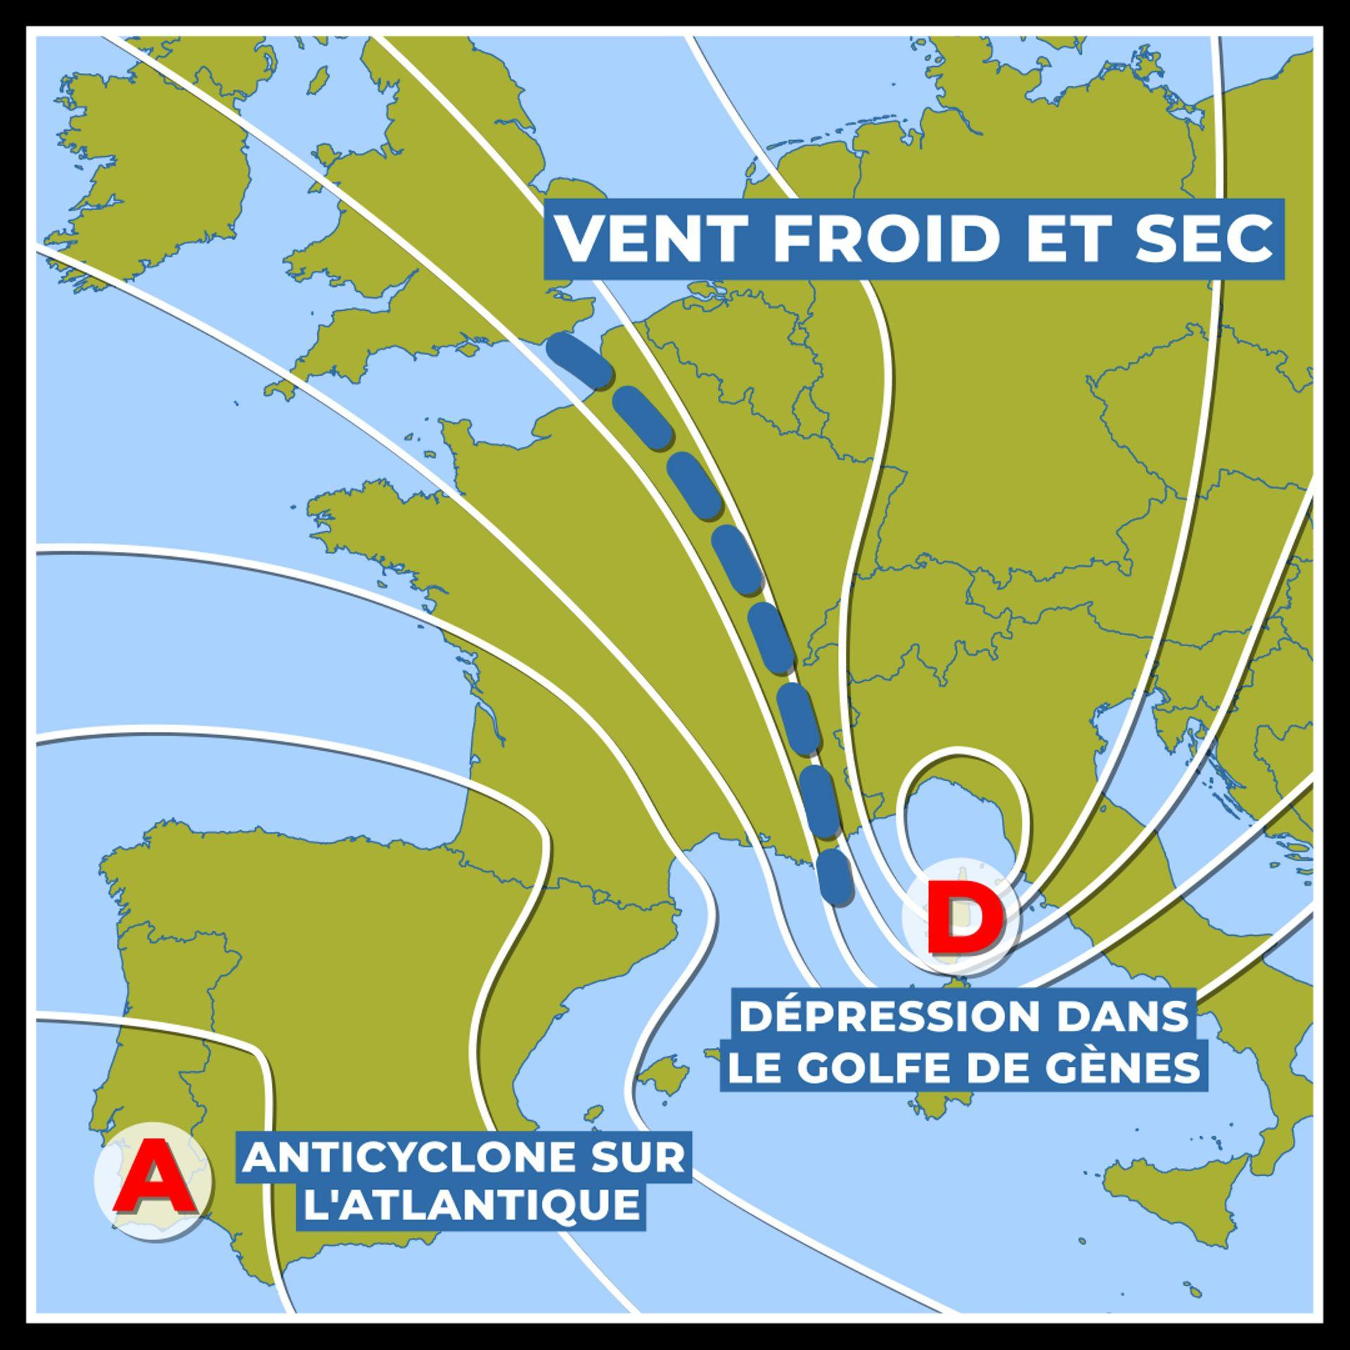
Mass: [kg] | 10.6 | 11.7 | 11.7 | 10.1 | 18.7 | 24
Mass at end of booster burn: [kg] | 7.69 | 8.8 | 8.8 | 7.445 | 17.1 | 16.1
Mass at end of sustainer burn: [kg] | 5.59 | 6.6 | 6.6 | 5.5 | 11.5 | 13.3
Calibre: [mm] | 72.2 | 72.2 | 72.2 | 70 | 90 | 90
Length: [m] | 1.68 | 1.635 | 1.635 | 1.52 | 1.86 | 1.862
Engine properties
Force exerted by booster: [N] | 2975 | 3130 | 3130 | 4340 | 0 | 4641.25
Burn time of booster: [s] | 1.9 | 1.9 | 1.9 | 1.4 | 0 | 4
Raw acceleration at ignition: [m/s²] | 280.66 | 267.52 | 267.52 | 429.70 | 0.00 | 193.39
Specific impulse of booster: [s] | 198.01 | 209.04 | 209.04 | 233.28 | 0.00 | 239.55
ΔV of booster: [m/s] | 623.39 | 584.11 | 584.11 | 697.98 | 0.00 | 938.20
Booster start delay: [s] | 0.4 | 0.4 | 0.4 | 0.25 | 0 | 0
Force exerted by sustainer: [N] | 705 | 705 | 705 | 675 | 5925 | 980
Burn time of sustainer: [s] | 6.6 | 6.6 | 6.6 | 5.6 | 2.2 | 6
Specific impulse of sustainer: [s] | 225.86 | 215.60 | 215.60 | 198.11 | 237.28 | 214.07
ΔV of sustainer: [m/s] | 706.68 | 608.45 | 608.45 | 588.46 | 923.46 | 401.22
Total ΔV: [m/s] | 1330.08 | 1192.56 | 1192.56 | 1286.44 | 923.46 | 1339.42
Fuse and warhead properties
Explosive mass: [kg of TNT equivalent] | 0.53 | 0.9234 | 0.9234 | 0.54 | 1.776 | 1.5
Warhead: | SAPHE | SAPHE | SAPHE | SAPHE | SAPHE | SAPHE
Penetration: [mm] | 28 | 28 | 28 | 28 | 28 | 28
Proximity fuse: | No | Yes | Yes | No | Yes | Yes
Proximity fuse range: [m] | - | 1.2 | 1.2 | - | 1.5 | 4
Proximity fuse shell detection (80-200 mm): | - | No | No | - | No | Yes
Proximity fuse delay: [s] | - | 1.25 | 1.25 | - | 2 | 0.5
Impact fuse sensitivity: [mm] | 0.1 | 0.1 | 0.1 | 0.1 | 0.1 | 0.1
Impact fuse delay: [m] | 1 | 1 | 1 | 1 | 1 | 1
Guidance properties
Guidance type: | IR | IR | IR | IR | IR | IR
Guidance start delay: [s] | 0.6 | 0.6 | 0.6 | 0.3 | 0.1 | 0.5
Guidance duration: [s] | 14 | 13 | 13 | 17 | 14 | 12
Seeker warm up time: [s] | 2 | 2 | 2 | 2 | 2 | 4
Seeker search duration: [s] | 60 | 60 | 60 | 60 | 60 | 60
Field of view: [degrees] | 2 | 2 | 2 | 3 | 3 | 3
Gimbal limit: [degrees] | 38 | 40 | 40 | 40 | 38 | 60
Track rate: [degrees/second] | 12 | 12 | 12 | 12 | 20 | 40
Uncaged seeker before launch: | No | No | No | Yes | Yes | Yes
Maximum lock angle before launch: [degrees] | - | - | - | 15 | 25 | 20
Minimum angle of incidence of the seeker to the Sun for it to not capture the Sun: [degrees] | 5 | 5 | 5 | 5 | 10 | 5
Lock-on range from rear-aspect: [km] | 11 | 11 | 11 | 11 | 11 | 11
Lock-on range from all-aspect: [km] | 6 | 6.5 | 6 | 6 | 6 | 6
Flare detection range: [km] | 11 | 11 | 11 | 11 | 11 | 11
IRCM detection range: [km] | - | - | - | - | - | -
DIRCM detection range: [km] | 1 | 1 | 1 | 1 | 1 | 1
Head-on lock-on range against afterburning target: [km] | 6 | 6 | 6 | 6 | 6 | 6
IRCCM: | Yes | Yes | Yes | Yes | Yes | Yes
IRCCM type: | FOV + Seeker shut off | FOV + Seeker shut off | FOV + Seeker shut off | FOV + Seeker shut off | FOV + Seeker shut off | FOV + Seeker shut off
IRCCM field of view: [degrees] | 1 | 0.5 | 1 | 1.25 | 1.5 | 1.25
Maximum break lock time: [s] | 5 | 5 | 5 | 3 | 5 | 3
Can be slaved to radar: | No | No | No | No | No | No
Proportional navigation multiplier: (affects how far ahead it attempts to lead) | 4 | 4 | 4 | 4 | 4 | 4
Base indicated air speed: [m/s] | 1800 | 1800 | 1800 | 1800 | 1800 | 1800
PID proportional term: | 0.0051 | 0.0056 | 0.0056 | 0.0056 | 0.0016 | 0.0005
PID integral term: | 0.0716 | 0.0626 | 0.0626 | 0.00841 | 0.0926 | 0.0271
PID integral term limit: | 1 | 1 | 1 | 1 | 1 | 1
PID derivative term: | 0.0005 | 0.0004 | 0.0004 | 0.0005 | 0.0004 | 0.0002
Flight characteristics
Maximum fin angle of attack: [degrees] | 4.185 | 4.995 | 4.995 | 4.185 | 3.6 | 18
Fins lateral acceleration: | 14.16 | 18 | 18 | - | - | -
Wing area multiplier: | 1.05 | 1.05 | 1.05 | 1.05 | 1.05 | 1.2
Start speed: [m/s] | 30 | 30 | 30 | 30 | 35 | -
Maximum speed: [m/s] | 1000 | 1000 | 1000 | 1000 | - | 1000
Maximum statcard (useless) speed: [Mach] | 1.7 | 1.7 | 1.7 | 2 | 2.5 | 2.2
Maximum statcard (useless) launch range: [km] | 5.2 | 6 | 6 | 5 | 6 | 6
Minimum range: [m] | 30 | 30 | 30 | 30 | 30 | 30
Flight range limit: [km] | 8 | 8 | 8 | 10 | 10 | 6
Maximum G-load: [G] | 10.2 | 12 | 12 | 13 | 16 | 20
Maximum statcard (useless) G-load: [G] | 10.2 | 12 | 12 | 13 | 16 | 20
Thrust vectoring: | No | No | No | No | No | No
Thrust vectoring angle: [degrees] | - | - | - | - | - | -
Additional Notes:
IRCCM field of view is the FoV after lock-on, outside of this FoV other heat sources are ignored. This basically means, that for the seeker to not reject other heat source, like a flare, it must be inside the IRCCM field of view. For a quick comparison (Stinger values) 3° FoV means a 104 m radius circle at 4 km distance, while 1.25° FoV means a 44 m radius circle. At closer than 2 km range, the circle would be as large or smaller than the target, effectively making flaring useless.

AAM (SARH) (2)
Name: | AIM-7C Sparrow | AIM-7D Sparrow | AIM-7E Sparrow | AIM-7E-2 (DF) Sparrow | AIM-7F Sparrow | AIM-7F Sparrow | AIM-7M Sparrow | AIM-7M Sparrow | AIM-7M Sparrow | AIM-7M Sparrow | AIM-9C Sidewinder | Aspide-1A | PL-11 | R511 | R530 | R-3R | R-23R | R-24R | R-27ER | R-27ER1 | R-27R | R-27R1 | RB 71 | Sedjil | Skyflash | Skyflash (DF) | Skyflash (DF) | Skyflash SuperTEMP | Super 530D | Super 530F | Super 530F
Physical properties |  |  |  |  |  |  | 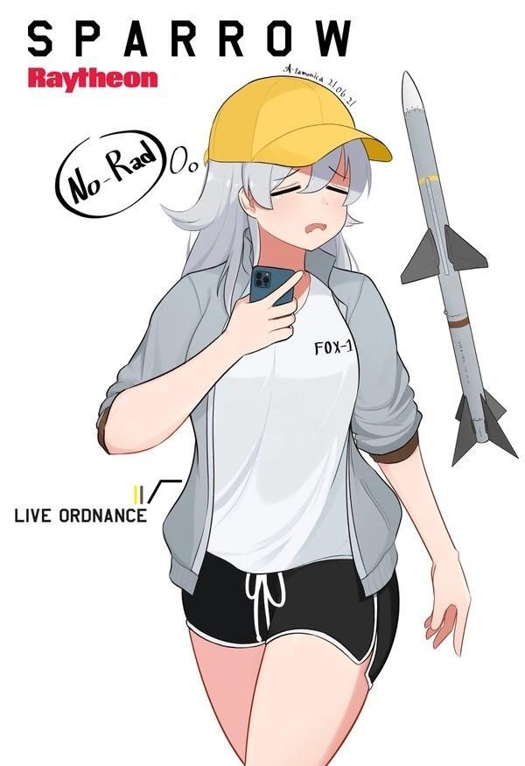
Mass: [kg] | 172 | 182.34 | 205 | 193.7 | 231.33 | 231.33 | 231.33 | 231.33 | 231.33 | 231.33 | 95.2544 | 230 | 230 | 172.5 | 193.5 | 75.3 | 223 | 244 | 350 | 350 | 253 | 253 | 193 | 625 | 193 | 193 | 193 | 208.2 | 270 | 245 | 245
Mass at end of booster burn: [kg] | 144 | 144 | 146 | 146 | 193.68 | 193.68 | 193.68 | 193.68 | 193.68 | 193.68 | 67.85742 | 173 | 173 | 148.7 | 160 | 54.8 | 190 | 169 | 286 | 286 | 186 | 186 | 146 | 443 | 146 | 146 | 146 | 163 | 234 | 210.45 | 210.45
Mass at end of sustainer burn: [kg] | - | - | - | - | 170.1 | 170.1 | 170.1 | 170.1 | 170.1 | 170.1 | - | - | - | 136.8 | 148 | - | - | - | 211.5 | 211.5 | - | - | - | 330 | - | - | - | 146 | 171.5 | 165 | 165
Calibre: [mm] | 200 | 200 | 200 | 200 | 200 | 200 | 203.2 | 203.2 | 203.2 | 203.2 | 127 | 200 | 200 | 263 | 263 | 127 | 200 | 200 | 260 | 260 | 230 | 230 | 200 | 370 | 200 | 200 | 200 | 200 | 263 | 263 | 263
Length: [m] | 3.66 | 3.66 | 3.66 | 3.66 | 3.662 | 3.662 | 3.662 | 3.662 | 3.662 | 3.662 | 3.023 | 3.7 | 3.7 | 3.28 | 3.28 | 2.83 | 4.46 | 4.487 | 4.7 | 4.7 | 4 | 4 | 3.66 | 5.08 | 3.66 | 3.66 | 3.66 | 3.66 | 3.8 | 3.54 | 3.54
Engine properties
Force exerted by booster: [N] | 32200 | 41000 | 35000 | 35000 | 26940 | 26940 | 26940 | 26940 | 26940 | 26940 | 11000 | 37500 | 37500 | 15500 | 34500 | 17318 | 60000 | 50000 | 55275 | 55275 | 25125 | 25125 | 35000 | 83900 | 35000 | 35000 | 35000 | 33900 | 38700 | 38000 | 38000
Burn time of booster: [s] | 2.04 | 2.1 | 2.8 | 2.8 | 4.5 | 4.5 | 4.5 | 4.5 | 4.5 | 4.5 | 5 | 3.5 | 3.5 | 3 | 2.7 | 2.2 | 1.85 | 3 | 3.2 | 3.2 | 6 | 6 | 2.8 | 5 | 2.8 | 2.8 | 2.8 | 3 | 2 | 2 | 2
Raw acceleration at ignition: [m/s²] | 187.21 | 224.85 | 170.73 | 180.69 | 116.46 | 116.46 | 116.46 | 116.46 | 116.46 | 116.46 | 115.48 | 163.04 | 163.04 | 89.86 | 178.29 | 229.99 | 269.06 | 204.92 | 157.93 | 157.93 | 99.31 | 99.31 | 181.35 | 134.24 | 181.35 | 181.35 | 181.35 | 162.82 | 143.33 | 155.10 | 155.10
Specific impulse of booster: [s] | 239.14 | 228.92 | 169.32 | 209.43 | 328.23 | 328.23 | 328.23 | 328.23 | 328.23 | 328.23 | 204.64 | 234.72 | 234.72 | 199.16 | 283.45 | 189.45 | 342.88 | 203.87 | 281.73 | 281.73 | 229.36 | 229.36 | 212.55 | 234.96 | 212.55 | 212.55 | 212.55 | 229.36 | 219.16 | 224.23 | 224.23
ΔV of booster: [m/s] | 416.84 | 530.12 | 563.75 | 580.82 | 571.98 | 571.98 | 571.98 | 571.98 | 571.98 | 571.98 | 680.84 | 655.76 | 655.76 | 290.07 | 528.60 | 590.62 | 538.68 | 734.54 | 558.12 | 558.12 | 692.20 | 692.20 | 581.92 | 793.32 | 581.92 | 581.92 | 581.92 | 550.69 | 307.67 | 334.38 | 334.38
Booster start delay: [s] | 0.25 | 0.25 | 0.25 | 0.25 | 0.25 | 0.25 | 0.25 | 0.25 | 0.25 | 0.25 | 0 | 0.25 | 0.25 | 0 | 0 | 0 | 0 | 0 | 0 | 0 | 0 | 0 | 0.25 | 0.5 | 0.25 | 0.25 | 0.25 | 0.25 | 0 | 0 | 0
Force exerted by sustainer: [N] | - | - | - | - | 6340 | 6340 | 6340 | 6340 | 6340 | 6340 | - | - | - | 1765 | 4000 | - | - | - | 26630 | 26630 | - | - | - | 12400.00 | - | - | - | 9562 | 16800 | 25000 | 25000
Burn time of sustainer: [s] | - | - | - | - | 11 | 11 | 11 | 11 | 11 | 11 | - | - | - | 13.5 | 6.5 | - | - | - | 4.8 | 4.8 | - | - | - | 21.0 | - | - | - | 4 | 8 | 4 | 4
Specific impulse of sustainer: [s] | - | - | - | - | 301.49 | 301.49 | 301.49 | 301.49 | 301.49 | 301.49 | - | - | - | 204.11 | 220.86 | - | - | - | 174.90 | 174.90 | - | - | - | 234.91 | - | - | - | 229.35 | 219.20 | 224.28 | 224.28
ΔV of sustainer: [m/s] | - | - | - | - | 383.96 | 383.96 | 383.96 | 383.96 | 383.96 | 383.96 | - | - | - | 167.01 | 168.92 | - | - | - | 517.76 | 517.76 | - | - | - | 678.60 | - | - | - | 247.81 | 668.21 | 535.32 | 535.32
Total ΔV: [m/s] | 416.84 | 530.12 | 563.75 | 580.82 | 955.94 | 955.94 | 955.94 | 955.94 | 955.94 | 955.94 | 680.84 | 655.76 | 655.76 | 457.09 | 697.52 | 590.62 | 538.68 | 734.54 | 1075.87 | 1075.87 | 692.20 | 692.20 | 581.92 | 1471.92 | 581.92 | 581.92 | 581.92 | 798.50 | 975.88 | 869.70 | 869.70
Fuse and warhead properties
Explosive mass: [kg of TNT equivalent] | 11.52 | 11.52 | 11.52 | 11.52 | 15.0912 | 15.0912 | 15.0912 | 15.0912 | 15.0912 | 15.0912 | 4.8852 | 10.24 | 10.24 | 10.24 | 10.368 | 8.8 | 20.8 | 20.8 | 24 | 24 | 24 | 24 | 11.52 | 46.447872 | 11.52 | 11.52 | 11.52 | 11.52 | 10.368 | 10.368 | 10.368
Warhead: | SAPHE | SAPHE | SAPHE | SAPHE | SAPHE | SAPHE | SAPHE | SAPHE | SAPHE | SAPHE | SAPHE | SAPHE | SAPHE | SAPHE | SAPHE | SAPHE | SAPHE | SAPHE | SAPHE | SAPHE | SAPHE | SAPHE | SAPHE | SAPHE | SAPHE | SAPHE | SAPHE | SAPHE | SAPHE | SAPHE | SAPHE
Penetration: [mm] | 63.074285714 | 63.074285714 | 63.074285714 | 63.074285714 | 63.074285714 | 63.074285714 | 63.074285714 | 63.074285714 | 63.074285714 | 63.074285714 | 39.713 | 62.24 | 62.24 | 62.24 | 62.368 | 60.8 | 64.4 | 64.4 | 64.857142857 | 64.857142857 | 64.857142857 | 64.857142857 | 63.074285714 | 70.9671808 | 63.074285714 | 63.074285714 | 63.074285714 | 63.074285714 | 62.368 | 62.368 | 62.368
Proximity fuse: | Yes | Yes | Yes | Yes | Yes | Yes | Yes | Yes | Yes | Yes | Yes | Yes | Yes | Yes | Yes | Yes | Yes | Yes | Yes | Yes | Yes | Yes | Yes | Yes | Yes | Yes | Yes | Yes | Yes | Yes | Yes
Proximity fuse range: [m] | 3 | 8 | 8 | 8 | 8 | 8 | 8 | 8 | 8 | 8 | 5 | 8 | 8 | 8 | 8 | 5 | 10 | 10 | 8 | 8 | 8 | 8 | 15.25 | 20 | 15.25 | 15.25 | 15.25 | 15.25 | 8 | 8 | 8
Proximity fuse shell detection (80-200 mm): | Yes | Yes | Yes | Yes | Yes | Yes | Yes | Yes | Yes | Yes | Yes | Yes | Yes | Yes | Yes | Yes | Yes | Yes | Yes | Yes | Yes | Yes | Yes | Yes | Yes | Yes | Yes | Yes | Yes | Yes | Yes
Proximity fuse delay: [s] | 2 | 1.8 | 1.8 | 0.8 | 1.8 | 1.8 | 1.8 | 1.8 | 1.8 | 1.8 | 0.5 | 0.8 | 0.8 | 4 | 4 | 0.5 | 1.7 | 1.7 | 2 | 2 | 2 | 2 | 0.8 | 5 | 1.8 | 0.8 | 0.8 | 0.8 | 2.2 | 2.2 | 2.2
Impact fuse sensitivity: [mm] | 0.1 | 0.1 | 0.1 | 0.1 | 0.1 | 0.1 | 0.1 | 0.1 | 0.1 | 0.1 | 0.1 | 0.1 | 0.1 | 0.1 | 0.1 | 0.1 | 0.1 | 0.1 | 0.1 | 0.1 | 0.1 | 0.1 | 0.1 | 0.1 | 0.1 | 0.1 | 0.1 | 0.1 | 0.1 | 0.1 | 0.1
Impact fuse delay: [m] | 1 | 1 | 1 | 1 | 1 | 1 | 1 | 1 | 1 | 1 | 1 | 1 | 1 | 1 | 1 | 1 | 1 | 1 | 1 | 1 | 1 | 1 | 1 | 1 | 1 | 1 | 1 | 1 | 1 | 1 | 1
Guidance properties
Guidance type: | SARH | SARH | SARH | SARH | SARH | SARH | SARH | SARH | SARH | SARH | SARH | SARH | SARH | SARH | SARH | SARH | SARH | SARH + IOG | SARH + IOG + DL | SARH + IOG + DL | SARH + IOG + DL | SARH + IOG + DL | SARH | SARH | SARH | SARH | SARH | SARH | SARH | SARH | SARH
Guidance start delay: [s] | 2 | 1.8 | 1.8 | 0.7 | - | - | - | - | - | - | 0.5 | 0.5 | 0.5 | 1.5 | 0.5 | 0.5 | 1.7 | 0.5 | 0.35 | 0.35 | 0.35 | 0.35 | 0.7 | 1.5 | 1.8 | 0.7 | 0.7 | 0.7 | 0.5 | 0.5 | 0.5
Guidance duration: [s] | 20 | 40 | 40 | 40 | 75 | 75 | 75 | 75 | 75 | 75 | 60 | 45 | 45 | 30 | 25 | 21 | 35 | 45 | 60 | 60 | 60 | 60 | 40 | 105 | 40 | 40 | 40 | 50 | 55 | 60 | 60
Seeker warm up time: [s] | 1 | 0.5 | 0.5 | 0.5 | 0.5 | 0.5 | 0.5 | 0.5 | 0.5 | 0.5 | 2 | 0.5 | 0.5 | 2 | 2 | 2 | 1 | 1 | 1 | 1 | 1 | 1 | 0.5 | 0.5 | 0.5 | 0.5 | 0.5 | 0.5 | 0.5 | 0.5 | 0.5
Seeker search duration: [s] | 60 | 100 | 100 | 100 | 100 | 100 | 100 | 100 | 100 | 100 | 15 | 100 | 100 | 15 | 15 | 15 | 100 | 100 | 100 | 100 | 100 | 100 | 100 | 100 | 100 | 100 | 100 | 100 | 100 | 100 | 100
Gimbal limit: [degrees] | 25 | 45 | 45 | 45 | 55 | 55 | 60 | 60 | 60 | 60 | 30 | 50 | 50 | 10 | 45 | 30 | 50 | 50 | 55 | 55 | 55 | 55 | 46 | 60 | 46 | 46 | 46 | 46 | 55 | 55 | 55
Track rate: [degrees/second] | 12 | 12 | 12 | 12 | 20 | 20 | 20 | 20 | 20 | 20 | 12 | 12 | 12 | 12 | 12 | 12 | 12 | 20 | 20 | 20 | 20 | 20 | 44 | 20 | 44 | 44 | 44 | 44 | 12 | 12 | 12
Uncaged seeker before launch: | Yes | Yes | Yes | Yes | Yes | Yes | Yes | Yes | Yes | Yes | No | Yes | Yes | Yes | Yes | No | Yes | Yes | Yes | Yes | Yes | Yes | Yes | Yes | Yes | Yes | Yes | Yes | Yes | Yes | Yes
Maximum lock angle before launch: [degrees] | 15 | 15 | 35 | 35 | 35 | 35 | 35 | 35 | 35 | 35 | - | 35 | 35 | 10 | 40 | - | 50 | 50 | 55 | 55 | 55 | 55 | 35 | 60 | 35 | 35 | 35 | 35 | 55 | 55 | 55
Lock-on range from all-aspect: [km] | 12 | 15 | 25 | 25 | 40 | 80 | 40 | 80 | 65 | 50 | 9 | 30 | 30 | 8 | 12.5 | 8 | 20 | 25 | 25 | 25 | 25 | 25 | 37 | 40 | 37 | 37 | 37 | 37 | 30 | 25 | 28
Maximum break lock time: [s] | 5 | 5 | 5 | 5 | 20 | 20 | 20 | 20 | 20 | 20 | 3 | 5 | 5 | 3 | 3 | 3 | 3 | 15 | 60 | 60 | 60 | 60 | 5 | 160 | 5 | 5 | 5 | 15 | 20 | 20 | 20
Can lock after launch: | Yes | Yes | Yes | Yes | Yes | Yes | Yes | Yes | Yes | Yes | No | Yes | Yes | No | No | No | Yes | Yes | Yes | Yes | Yes | Yes | Yes | Yes | Yes | Yes | Yes | Yes | Yes | No | No
Band: | I | I | I | I | I | I | I | I | I | I | I | I | I | I | I | J | J | J | I | I | I | I | I | I | I | I | I | I | I | I | I
Angular speed rejection threshold: [degrees/second] | - | - | - | - | 30 | 30 | 30 | 30 | 30 | 30 | - | 45 | 45 | - | - | - | - | 30 | 30 | 30 | 30 | 30 | 30 | 30 | 30 | 30 | 30 | 30 | 30 | 30 | 30
Acceleration rejection threshold range: [m/s^2] | - | - | 100-250 | 100-250 | 100-250 | 100-250 | 100-250 | 100-250 | 100-250 | 100-250 | - | 100-250 | 100-250 | - | - | - | 100-250 | 100-250 | 100-250 | 100-250 | 100-250 | 100-250 | 100-250 | 100-250 | 100-250 | 100-250 | 100-250 | 100-250 | 100-250 | 50-100 | 50-100
Inertial guidance drift speed: [m/s] | - | - | - | - | - | - | - | - | - | - | - | - | - | - | - | - | - | 5 | 10 | 10 | 10 | 10 | - | - | - | - | - | - | - | - | -
Datalink: | No | No | No | No | No | No | No | No | No | No | No | No | No | No | No | No | No | No | Yes | Yes | Yes | Yes | No | No | No | No | No | No | No | No | No
Can datalink reconnect: | No | No | No | No | No | No | No | No | No | No | No | No | No | No | No | No | No | No | Yes | Yes | Yes | Yes | No | No | No | No | No | No | No | No | No
Sidelobe attenuation: | -18 | -20 | -20 | -20 | -20 | -20 | -20 | -20 | -20 | -20 | -13 | -20 | -20 | -16 | -18 | -18 | -20 | -20 | -20 | -20 | -20 | -20 | -20 | -20 | -20 | -20 | -20 | -20 | -20 | -20 | -20
Transmitter power: | 200 | 200 | 200 | 200 | 200 | 4500 | 200 | 4500 | 2000 | 530 | 400 | 200 | 200 | 200 | 200 | 300 | 270 | 270 | 900 | 900 | 900 | 900 | 200 | 200 | 200 | 200 | 200 | 200 | 1000 | 200 | 200
Transmitter angle of half sensitivity: | 10 | 10 | 10 | 10 | 10 | 2.8 | 10 | 2.8 | 3 | 4 | 5 | 12 | 12 | 5 | 5 | 5 | 10 | 10 | 3.5 | 3.5 | 3.5 | 3.5 | 10 | 10 | 10 | 10 | 2.6 | 2.6 | 3 | 5 | 3
Transmitter sidelobe sensitivity: | -26 | -30 | -30 | -30 | -30 | -35 | -30 | -35 | -35 | -32 | -25 | -27 | -27 | -27 | -27 | -20 | -30 | -30 | -35 | -35 | -35 | -35 | -30 | -30 | -30 | -30 | -30 | -35 | -35 | -27 | -35
Receiver angle of half sensitivity: | 14 | 13 | 13 | 13 | 13 | 13 | 13 | 13 | 13 | 13 | 15 | 12 | 12 | 10 | 10 | 16 | 11 | 11 | 13 | 13 | 13 | 13 | 10 | 13 | 12 | 10 | 10 | 10 | 10 | 10 | 10
Receiver sidelobe sensitivity: | -16 | -17 | -17 | -17 | -17 | -17 | -17 | -17 | -17 | -17 | -12 | -17 | -17 | -15 | -15 | -14 | -17 | -17 | -17 | -17 | -17 | -17 | -17 | -17 | -17 | -17 | -17 | -17 | -17 | -17 | -17
Distance minimum value: | - | - | - | - | - | - | - | - | - | - | 300 | - | - | 300 | 300 | 300 | - | - | - | - | - | - | - | - | - | - | - | - | - | 150 | 150
Distance maximum value: | - | - | - | - | - | - | - | - | - | - | 15000 | - | - | 8000 | 38000 | 15000 | - | - | - | - | - | - | - | - | - | - | - | - | - | 75000 | 75000
Distance width: | - | - | - | - | - | - | - | - | - | - | 300 | - | - | 300 | 300 | 300 | - | - | - | - | - | - | - | - | - | - | - | - | - | 150 | 150
Distance minimum signal gate: | - | - | - | - | - | - | - | - | - | - | 150 | - | - | 150 | 150 | 150 | - | - | - | - | - | - | - | - | - | - | - | - | - | 75 | 75
Distance refWidth: | - | - | - | - | - | - | - | - | - | - | 1200 | - | - | 1500 | 900 | 900 | - | - | - | - | - | - | - | - | - | - | - | - | - | 450 | 450
Distance gate alpha filter: | - | - | - | - | - | - | - | - | - | - | 0.8 | - | - | 0.8 | 0.8 | 0.8 | - | - | - | - | - | - | - | - | - | - | - | - | - | 0.8 | 0.8
Distance gate beta filter: | - | - | - | - | - | - | - | - | - | - | 0.05 | - | - | 0.05 | 0.05 | 0.05 | - | - | - | - | - | - | - | - | - | - | - | - | - | 0.2 | 0.2
Doppler speed minimum value: [m/s] | -2000 | -3000 | -3000 | -3000 | -3000 | -3000 | -3000 | -3000 | -3000 | -3000 | - | -3000 | -3000 | - | - | - | -3000 | -3000 | -3000 | -3000 | -3000 | -3000 | -3000 | -3000 | -3000 | -3000 | -3000 | -3000 | -3000 | - | -
Doppler speed maximum value: [m/s] | 2000 | 3000 | 3000 | 3000 | 3000 | 3000 | 3000 | 3000 | 3000 | 3000 | - | 3000 | 3000 | - | - | - | 3000 | 3000 | 3000 | 3000 | 3000 | 3000 | 3000 | 3000 | 3000 | 3000 | 3000 | 3000 | 3000 | - | -
Doppler speed width: [m/s] | 30 | 22 | 22 | 22 | 20 | 20 | 20 | 20 | 20 | 20 | - | 20 | 20 | - | - | - | 24 | 20 | 20 | 20 | 20 | 20 | 20 | 20 | 20 | 20 | 20 | 20 | 20 | - | -
Doppler speed ref width: [m/s] | 150 | 120 | 120 | 120 | 100 | 100 | 100 | 100 | 100 | 100 | - | 100 | 100 | - | - | - | 120 | 100 | 100 | 100 | 100 | 100 | 100 | 100 | 100 | 100 | 100 | 100 | 100 | - | -
Doppler speed minimum signal gate: [m/s] | 7 | 7 | 5 | 5 | 5 | 5 | 5 | 5 | 5 | 5 | - | 5 | 5 | - | - | - | 5 | 5 | 5 | 5 | 5 | 5 | 4 | 5 | 4 | 4 | 4 | 4 | 5 | - | -
Doppler speed gate search range: [m/s] | 200 | 150 | 150 | 150 | 150 | 150 | 150 | 150 | 150 | 150 | - | 150 | 150 | - | - | - | 150 | 150 | 100 | 100 | 100 | 100 | 150 | 150 | 150 | 150 | 150 | 150 | 150 | - | -
Doppler speed gate alpha filter: | 0.15 | 0.2 | 0.2 | 0.2 | 0.25 | 0.25 | 0.25 | 0.25 | 0.25 | 0.25 | 0.8 | 0.25 | 0.25 | - | - | - | 0.2 | 0.25 | 0.25 | 0.25 | 0.25 | 0.25 | 0.2 | 0.25 | 0.2 | 0.2 | 0.2 | 0.2 | 0.2 | - | -
Doppler speed gate beta filter: | 0.02 | 0.02 | 0.02 | 0.02 | 0.03 | 0.03 | 0.03 | 0.03 | 0.03 | 0.03 | 0.05 | 0.03 | 0.03 | - | - | - | 0.02 | 0.03 | 0.03 | 0.03 | 0.03 | 0.03 | 0.02 | 0.03 | 0.02 | 0.02 | 0.02 | 0.02 | 0.02 | - | -
Proportional navigation multiplier: (affects how far ahead it attempts to lead) | 4 | 4 | 4 | 4 | 4 | 4 | 4 | 4 | 4 | 4 | 4 | 4 | 4 | 4 | 4 | 4 | 4 | 4 | 4 | 4 | 4 | 4 | 4 | 4 | 4 | 4 | 4 | 4 | 4 | 4 | 4
Base indicated air speed: [m/s] | 1800 | 1800 | 1800 | 1800 | 1800 | 1800 | 1800 | 1800 | 1800 | 1800 | 1800 | 1800 | 1800 | 1620 | 1800 | 1800 | 1800 | 1800 | 1800 | 1800 | 1800 | 1800 | 1800 | 1800 | 1800 | 1800 | 1800 | 1800 | 1800 | 1800 | 1800
PID proportional term: | 0.003 | 0.004 | 0.0025 | 0.0025 | 0.001 | 0.001 | 0.001 | 0.001 | 0.001 | 0.001 | 0.0055 | 0.0025 | 0.0025 | 0.04 | 0.007 | 0.0025 | 0.0035 | 0.0025 | 0.004 | 0.004 | 0.0015 | 0.0015 | 0.0025 | 0.0341 | 0.0025 | 0.0025 | 0.0025 | 0.0105 | 0.002 | 0.0005 | 0.0005
PID integral term: | 0.0436 | 0.0426 | 0.029 | 0.029 | 0.0226 | 0.0226 | 0.0226 | 0.0226 | 0.0226 | 0.0226 | 0.0631 | 0.0266 | 0.0266 | 0.02 | 0.0451 | 0.0491 | 0.0346 | 0.0236 | 0.0301 | 0.0301 | 0.0216 | 0.0216 | 0.029 | 0.014 | 0.029 | 0.029 | 0.029 | 0.029 | 0.0256 | 0.034 | 0.034
PID integral term limit: | 1 | 1 | 1 | 1 | 1 | 1 | 1 | 1 | 1 | 1 | 1 | 1 | 1 | 0.8 | 1 | 1 | 1 | 1 | 1 | 1 | 1 | 1 | 1 | 1 | 1 | 1 | 1 | 1 | 1 | 1 | 1
PID derivative term: | 0.0011 | 0.0011 | 0.0008 | 0.0008 | 0.0007 | 0.0007 | 0.0007 | 0.0007 | 0.0007 | 0.0007 | 0.0012 | 0.0011 | 0.0011 | 0.002 | 0.0011 | 0.0006 | 0.001 | 0.0006 | 0.0012 | 0.0012 | 0.00011 | 0.00011 | 0.0008 | 0.00045 | 0.0008 | 0.0008 | 0.0008 | 0.0017 | 0.0012 | 0.0012 | 0.0012
Flight characteristics
Maximum fin angle of attack: [degrees] | 15.3 | 14.4 | 20.7 | 20.7 | 27 | 27 | 27 | 27 | 27 | 27 | 15.3 | 20.7 | 20.7 | 14.4 | 14.4 | 9.9 | 19.8 | 25.2 | 28.8 | 28.8 | 28.8 | 28.8 | 20.7 | 16.27803 | 20.7 | 20.7 | 20.7 | 20.7 | 22.5 | 15.3 | 15.3
Maximum fin lateral acceleration: | 14 | 13 | 23.3 | 23.3 | 29 | 29 | 29 | 29 | 29 | 29 | 19.8 | 23.3 | 23.3 | - | 15.5 | 10.7 | 15.9 | 21.9 | 36.96 | 36.96 | 36.96 | 36.96 | 23.3 | 27.6762 | 23.3 | 23.3 | 23.3 | 23.3 | 36.8 | 21 | 21
Wing area multiplier: | 1.4 | 1.4 | 1.4 | 1.4 | 1.4 | 1.4 | 1.4 | 1.4 | 1.4 | 1.4 | 1.4 | 1.4 | 1.4 | 1.4 | 1.4 | 1.4 | 1.35 | 1.35 | 1.4 | 1.4 | 1.4 | 1.4 | 1.4 | 1.4 | 1.4 | 1.4 | 1.4 | 1.4 | 1.4 | 1.4 | 1.4
Start speed: [m/s] | - | - | - | - | - | - | - | - | - | - | - | - | - | - | - | - | - | - | - | - | - | - | - | - | - | - | - | - | - | - | -
Maximum speed: [m/s] | 1500 | 1500 | 1500 | 1500 | 1500 | 1500 | 1500 | 1500 | 1500 | 1500 | 1000 | 1500 | 1500 | - | - | 1000 | 1000 | 1500 | 1750 | 1750 | 1500 | 1500 | 1500 | 1800 | 1500 | 1500 | 1500 | 1500 | - | - | -
Maximum statcard (useless) speed: [Mach] | 3 | 4 | 4 | 4 | 4 | 4 | 4 | 4 | 4 | 4 | 2.5 | 5 | 5 | 1.8 | 2.7 | 1.7 | 3 | 3.5 | 5.75 | 5.75 | 3.5 | 3.5 | 4 | 4 | 4 | 4 | 4 | 4.4 | 5 | 4.5 | 4.5
Maximum statcard (useless) launch range: [km] | 25 | 45 | 50 | 50 | 100 | 100 | 100 | 100 | 100 | 100 | 18 | 80 | 80 | 8 | 18 | 9 | 27 | 50 | 100 | 100 | 55 | 55 | 50 | 135 | 50 | 50 | 50 | 50 | 40 | 40 | 40
Minimum range: [m] | 30 | 30 | 30 | 30 | 30 | 30 | 30 | 30 | 30 | 30 | 30 | 30 | 30 | 30 | 30 | 30 | 30 | 30 | 30 | 30 | 30 | 30 | 30 | 30 | 30 | 30 | 30 | 30 | 30 | 30 | 30
Flight range limit: [km] | 26 | 45 | 50 | 50 | 70 | 70 | 70 | 70 | 70 | 70 | 18 | 80 | 80 | 18 | 18 | 11 | 27 | 45 | 67.5 | 67.5 | 55 | 55 | 50 | 110 | 50 | 50 | 50 | 50 | 40 | 40 | 40
Maximum G-load: [G] | 15 | 15 | 25 | 25 | 25 | 25 | 25 | 25 | 25 | 25 | 18 | 25 | 25 | 15 | 15 | 11 | 20 | 24 | 35 | 35 | 35 | 35 | 25 | 20 | 25 | 25 | 25 | 25 | 30 | 20 | 20
Maximum statcard (useless) G-load: [G] | 15 | 15 | 25 | 25 | 25 | 25 | 25 | 25 | 25 | 25 | 18 | 25 | 25 | 12 | 15 | 10 | 20 | 24 | 35 | 35 | 35 | 35 | 25 | 20 | 25 | 25 | 25 | 25 | 30 | 20 | 20
Flight time when pull limit reaches x%: [s/%] | 2 s / 0% | 1,8 s / 0% | 1,8 s / 0% | - | 1 s / 100% | 1 s / 100% | 1 s / 100% | 1 s / 100% | 1 s / 100% | 1 s / 100% | - | - | - | 1,5 s / 0% | 0,5 s / 0% | - | 1,7 s / 0% | 0,5 s / 0% | 0,35 s / 0% | 0,35 s / 0% | 0,35 s / 0% | 0,35 s / 0% | - | - | 1,8 s / 0% | - | - | - | 0,5 s / 0% | 0,5 s / 0% | 0,5 s / 0%
Flight time when pull limit reaches x%: [s/%] | 2,5 s / 40% | 2,5 s / 40% | 2,5 s / 40% | - | - | - | - | - | - | - | - | - | - | 2 s / 100% | 2,5 s / 100% | - | 2,5 s / 40% | 1 s / 100% | 0,4 s / 100% | 0,4 s / 100% | 0,4 s / 100% | 0,4 s / 100% | - | - | 2,5 s / 40% | - | - | - | 0,7 s / 100% | 1,5 s / 100% | 1,5 s / 100%
Flight time when pull limit reaches x%: [s/%] | 4,5 s / 100% | 4,5 s / 100% | 4,5 s / 100% | - | - | - | - | - | - | - | - | - | - | - | - | - | 5 s / 100% | - | - | - | - | - | - | - | 4,5 s / 100% | - | - | - | - | - | -
ETA to impact when prop multiplier reaches x%: [s / %] | - | - | - | - | 50 s / 30% | 50 s / 30% | 50 s / 30% | 50 s / 30% | 50 s / 30% | 50 s / 30% | - | - | - | - | - | - | - | 45 s / 30% | 60 s / 30% | 60 s / 30% | 60 s / 30% | 60 s / 30% | - | - | - | - | - | - | 40 s / 5% | - | -
ETA to impact when prop multiplier reaches x%: [s / %] | - | - | - | - | 25 s / 50% | 25 s / 50% | 25 s / 50% | 25 s / 50% | 25 s / 50% | 25 s / 50% | - | - | - | - | - | - | - | 25 s / 50% | 25 s / 50% | 25 s / 50% | 25 s / 50% | 25 s / 50% | - | - | - | - | - | - | 25 s / 10% | - | -
ETA to impact when prop multiplier reaches x%: [s / %] | - | - | - | - | 12 s / 80% | 12 s / 80% | 12 s / 80% | 12 s / 80% | 12 s / 80% | 12 s / 80% | - | - | - | - | - | - | - | 12 s / 80% | 12 s / 80% | 12 s / 80% | 12 s / 80% | 12 s / 80% | - | - | - | - | - | - | 15 s / 15% | - | -
ETA to impact when prop multiplier reaches x%: [s / %] | - | - | - | - | 8 s / 90% | 8 s / 90% | 8 s / 90% | 8 s / 90% | 8 s / 90% | 8 s / 90% | - | - | - | - | - | - | - | 8 s / 90% | 8 s / 90% | 8 s / 90% | 8 s / 90% | 8 s / 90% | - | - | - | - | - | - | 8 s / 70% | - | -
ETA to impact when prop multiplier reaches x%: [s / %] | - | - | - | - | 5 s / 100% | 5 s / 100% | 5 s / 100% | 5 s / 100% | 5 s / 100% | 5 s / 100% | - | - | - | - | - | - | - | 5 s / 100% | 5 s / 100% | 5 s / 100% | 5 s / 100% | 5 s / 100% | - | - | - | - | - | - | 5 s / 100% | - | -
Loft: | - | No | No | No | No | No | No | No | No | No | No | No | No | No | No | No | No | No | No | No | No | No | No | Yes | No | No | No | No | No | No | No
Loft angle: [degrees] | - | - | - | - | - | - | - | - | - | - | - | - | - | - | - | - | - | - | - | - | - | - | - | 15 | - | - | - | - | - | - | -
Target elevation: [degrees] | - | - | - | - | - | - | - | - | - | - | - | - | - | - | - | - | - | - | - | - | - | - | - | -7.5 | - | - | - | - | - | - | -
Maximum target angular change: [degrees/s] | - | - | - | - | - | - | - | - | - | - | - | - | - | - | - | - | - | - | - | - | - | - | - | 0.5 | - | - | - | - | - | - | -
Additional Notes: |  |  |  |  | Default | Variant used by F-14A and F-20A | Image found under artist Atamonica Default | Image found under artist Atamonica Variant used by F-14B | Image found under artist Atamonica Variant used by F-15A, F-15A Baz, F-15C, F-15C Baz Mshupar, F-15E, F-15I Ra'am, F-15J, F-15J(M) | Image found under artist Atamonica Variant used by F-16AM-15, F-16C-50, F-16D-40 Barak II |  |  | Chinese Aspide-1A |  |  |  |  | Can use Inertial guidance if radar lock is broken, Internal navigation drift speed is 5. |  | Export version of ER, no changes |  | Export version of R, no changes | Swedish Skyflash |  |  | Default | Variant used by Tornado F. Mk. 3 and Tornado F. Mk. 3 [ITA] |  | Same ETA table just the percantages arent the usual, shows time/prop multiplier multiplier | Default | Variant used by Mirage 2000 C S4, Mirage 2000 C S5, Mirage 2000-5 F

AAM (ARH)
Name: | AAM-4 | AIM-54A Phoenix | AIM-54B Phoenix | AIM-54C Phoenix | AIM-120A AMRAAM | AIM-120B AMRAAM | AIM-120C-5 AMRAAM | Derby | Fakour 90 | MICA-EM | PL-12 | R-77 | R-77-1 | R-Darter | RB 99 | RVV-AE | SD-10A
Physical properties |  |  |  | 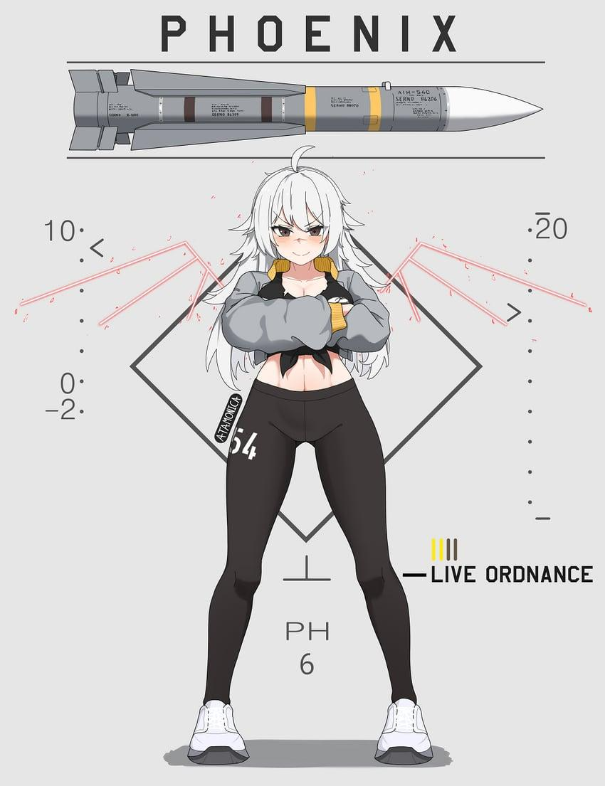 |  |  |  |  |  |  |  | 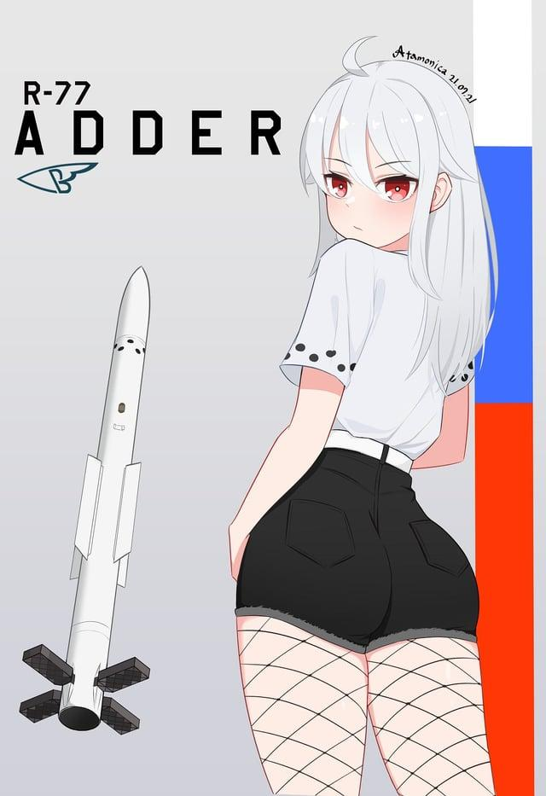
Mass: [kg] | 222 | 443.613 | 443.613 | 463 | 147.87 | 147.87 | 157 | 118 | 637.2973 | 112 | 198 | 177 | 190 | 120 | 147.87 | 177 | 198
Mass at end of booster burn: [kg] | 175 | 273.063 | 273.063 | 293 | 131.75 | 131.75 | 105.7441 | 92.94 | 455.2973 | 88.3 | 160 | 117 | 160 | 94.94 | 131.75 | 117 | 160
Mass at end of sustainer burn: [kg] | 155 | - | - | - | 101.33 | 101.33 | - | 74.75 | 342.2973 | 70.1 | 132 | - | 120 | 76.75 | 101.33 | - | 132
Calibre: [mm] | 203 | 380 | 380 | 380 | 177.8 | 177.8 | 177.8 | 160 | 370 | 165 | 203 | 200 | 200 | 160 | 177.8 | 200 | 203
Length: [m] | 3.667 | 3.96 | 3.96 | 3.96 | 3.66 | 3.66 | 3.66 | 3.62 | 4.25 | 3.1 | 3.93 | 3.6 | 3.71 | 3.62 | 3.66 | 3.6 | 3.93
Engine properties
Force exerted by booster: [N] | 36800 | 14350 | 14350 | 14350 | 22300 | 22300 | 15542 | 21500 | 83900 | 20250 | 34960 | 23000 | 34500 | 21500 | 22300 | 23000 | 34960
Burn time of booster: [s] | 3 | 30 | 30 | 30 | 1.7 | 1.7 | 7.75 | 2.74 | 5 | 2.75 | 2.5 | 6 | 2 | 2.74 | 1.7 | 6 | 2.5
Raw acceleration at ignition: [m/s²] | 165.77 | 32.35 | 32.35 | 30.99 | 150.81 | 150.81 | 98.99 | 182.20 | 131.65 | 180.80 | 176.57 | 129.94 | 181.58 | 179.17 | 150.81 | 129.94 | 176.57
Specific impulse of booster: [s] | 239.44 | 257.31 | 257.31 | 258.14 | 239.73 | 239.73 | 239.55 | 239.63 | 234.96 | 239.52 | 234.45 | 234.45 | 234.45 | 239.63 | 239.73 | 234.45 | 234.45
ΔV of booster: [m/s] | 558.79 | 1224.86 | 1224.86 | 1158.69 | 271.45 | 271.45 | 928.77 | 561.20 | 775.12 | 558.66 | 490.11 | 952.14 | 395.26 | 550.66 | 271.45 | 952.14 | 490.11
Booster start delay: [s] | 0 | 0.5 | 0.5 | 0.5 | 0 | 0 | 0 | 0 | 0.5 | 0 | 0 | - | 0 | 0 | 0 | - | 0
Force exerted by sustainer: [N] | 10400 | - | - | - | 13485.00 | 13485.00 | - | 11280 | 12400.00 | 10720 | 12880 | - | 18400 | 11280 | 13485.00 | - | 12880
Burn time of sustainer: [s] | 4.5 | - | - | - | 5.3 | 5.3 | - | 3.79 | 21.0 | 4 | 5 | - | 5 | 3.79 | 5.3 | - | 5
Specific impulse of sustainer: [s] | 238.53 | - | - | - | 239.50 | 239.50 | - | 239.58 | 234.91 | 240.17 | 234.45 | - | 234.45463812 | 239.58 | 239.50 | - | 234.45
ΔV of sustainer: [m/s] | 283.98 | - | - | - | 616.79 | 616.79 | - | 511.90 | 657.39 | 543.82 | 442.46 | - | 661.66876664 | 499.88 | 616.79 | - | 442.46
Total ΔV: [m/s] | 842.78 | 1224.86 | 1224.86 | 1158.69 | 888.24 | 888.24 | 928.77 | 1073.10 | 1432.51 | 1102.47 | 932.57 | 952.14 | 1056.92 | 1050.54 | 888.24 | 952.14 | 932.57
Fuse and warhead properties
Explosive mass: [kg of TNT equivalent] | 16.1792 | 60.544 | 60.544 | 54.640128 | 9.81211008 | 9.81211008 | 11.031424 | 8 | 46.447872 | 4.736 | 11.776 | 15.56 | 15.56 | 8 | 9.81211008 | 15.56 | 11.776
Warhead: | SAPHE | SAPHE | SAPHE | SAPHE | SAPHE | SAPHE | SAPHE | SAPHE | SAPHE | SAPHE | SAPHE | SAPHE | SAPHE | SAPHE | SAPHE | SAPHE | SAPHE
Penetration: [mm] | 63.739885714 | 73.0816 | 73.0816 | 72.1960192 | 61.81211008 | 61.81211008 | 63.004489143 | 60 | 70.9671808 | 39.37 | 63.110857143 | 63.651428571 | 63.651428571 | 60 | 61.81211008 | 63.651428571 | 63.110857143
Proximity fuse: | Yes | Yes | Yes | Yes | Yes | Yes | Yes | Yes | Yes | Yes | Yes | Yes | Yes | Yes | Yes | Yes | Yes
Proximity fuse range: [m] | 12 | 20 | 20 | 20 | 12 | 12 | 12 | 12 | 20 | 12 | 10 | 10 | 10 | 12 | 12 | 10 | 10
Proximity fuse shell detection (80-200 mm): | Yes | Yes | Yes | Yes | Yes | Yes | Yes | Yes | Yes | Yes | Yes | Yes | Yes | Yes | Yes | Yes | Yes
Proximity fuse delay: [s] | 1.8 | 5 | 5 | 5 | 1.8 | 1.8 | 1.8 | 1.8 | 5 | 1.8 | 1.7 | 1.7 | 1.7 | 1.8 | 1.8 | 1.7 | 1.7
Impact fuse sensitivity: [mm] | 0.1 | 0.1 | 0.1 | 0.1 | 0.1 | 0.1 | 0.1 | 0.1 | 0.1 | 0.1 | 0.1 | 0.1 | 0.1 | 0.1 | 0.1 | 0.1 | 0.1
Impact fuse delay: [m] | 1 | 1 | 1 | 1 | 1 | 1 | 1 | 1 | 1 | 1 | 1 | 1 | 1 | 1 | 1 | 1 | 1
Guidance properties
Guidance type: | ARH + IOG + DL | ARH + IOG + DL | ARH + IOG + DL | ARH + IOG + DL | ARH + IOG + DL | ARH + IOG + DL | ARH + IOG + DL | ARH + IOG + DL | ARH + IOG + DL | ARH + IOG + DL | ARH + IOG + DL | ARH + IOG + DL | ARH + IOG + DL | ARH + IOG + DL | ARH + IOG + DL | ARH + IOG + DL | ARH + IOG + DL
Guidance start delay: [s] | 0.3 | - | 2.5 | 2.5 | 0.6 | 0.6 | 0.3 | 0.3 | 1.5 | 0.15 | 0.3 | 0.3 | 0.3 | 0.3 | 0.6 | 0.3 | 0.3
Guidance duration: [s] | 100 | 160 | 160 | 160 | 80 | 80 | 120 | 90 | 150 | 70 | 80 | 90 | 120 | 90 | 80 | 90 | 80
Seeker warm up time: [s] | 0.5 | 0.5 | 0.5 | 0.5 | 0.5 | 0.5 | 0.5 | 0.5 | 0.5 | 0.5 | 0.5 | 0.5 | 0.5 | 0.5 | 0.5 | 0.5 | 0.5
Seeker search duration: [s] | 100 | 100 | 100 | 100 | 100 | 100 | 100 | 100 | 100 | 100 | 100 | 100 | 100 | 100 | 100 | 100 | 100
Gimbal limit: [degrees] | 55 | 60 | 60 | 60 | 55 | 55 | 55 | 55 | 60 | 55 | 60 | 55 | 55 | 55 | 55 | 55 | 60
Track rate: [degrees/second] | 60 | 20 | 20 | 20 | 60 | 60 | 60 | 60 | 20 | 60 | 60 | 60 | 60 | 60 | 60 | 60 | 60
Uncaged seeker before launch: | Yes | Yes | Yes | Yes | Yes | Yes | Yes | Yes | Yes | Yes | Yes | Yes | Yes | Yes | Yes | Yes | Yes
Maximum lock angle before launch: [degrees] | 55 | 60 | 60 | 60 | 55 | 55 | 55 | 55 | 60 | 55 | 60 | 55 | 55 | 55 | 55 | 55 | 60
Lock-on range from all-aspect: [km] | 16 | 16 | 16 | 16 | 16 | 16 | 16 | 16 | 16 | 16 | 16 | 16 | 16 | 16 | 16 | 16 | 16
Maximum break lock time: [s] | 100 | 160 | 160 | 160 | 100 | 100 | 100 | 100 | 160 | 100 | 100 | 100 | 100 | 100 | 100 | 100 | 100
Can lock after launch: | Yes | Yes | Yes | Yes | Yes | Yes | Yes | Yes | Yes | Yes | Yes | Yes | Yes | Yes | Yes | Yes | Yes
Band: | I | I | I | I | I | I | I | I | I | I | I | I | I | I | I | I | I
Angular speed rejection threshold: [degrees/second] | 30 | 30 | 30 | 30 | 30 | 30 | 30 | 30 | 30 | 30 | 30 | 30 | 30 | 30 | 30 | 30 | 30
Acceleration rejection threshold range: [m/s^2] | - | 100-250 | 100-250 | 100-250 | - | - | - | - | 100-250 | - | - | - | - | - | - | - | -
Inertial guidance drift speed: [m/s] | 2 | 10 | 10 | 2 | 2 | 2 | 2 | 2 | 10 | 2 | 2 | 2 | 2 | 2 | 2 | 2 | 2
Datalink: | Yes | Yes | Yes | Yes | Yes | Yes | Yes | Yes | Yes | Yes | Yes | Yes | Yes | Yes | Yes | Yes | Yes
Can datalink reconnect: | No | No | No | No | No | No | No | No | No | No | No | No | No | No | No | No | No
Sidelobe attenuation: | -30 | -20 | -20 | -20 | -30 | -30 | -30 | -30 | -20 | -30 | -30 | -30 | -30 | -30 | -30 | -30 | -30
Transmitter power: | 100 | 100 | 100 | 100 | 100 | 100 | 100 | 100 | 100 | 100 | 100 | 100 | 100 | 100 | 100 | 100 | 100
Transmitter angle of half sensitivity: | 15 | 9 | 9 | 9 | 15 | 15 | 7.5 | 15 | 9 | 15 | 15 | 15 | 15 | 15 | 15 | 15 | 15
Transmitter sidelobe sensitivity: | -30 | -19 | -19 | -19 | -30 | -30 | -30 | -30 | -19 | -30 | -30 | -30 | -30 | -30 | -30 | -30 | -30
Receiver angle of half sensitivity: | 15 | 9 | 9 | 9 | 15 | 15 | 7.5 | 15 | 9 | 15 | 15 | 15 | 15 | 15 | 15 | 15 | 15
Receiver sidelobe sensitivity: | -30 | -19 | -19 | -19 | -30 | -30 | -30 | -30 | -19 | -30 | -30 | -30 | -30 | -30 | -30 | -30 | -30
Distance minimum value: [m] | 300 | - | - | - | 300 | 300 | 300 | 300 | - | 300 | 300 | 300 | 300 | 300 | 300 | 300 | 300
Distance maximum value: [km] | 150 | - | - | - | 150 | 150 | 150 | 150 | - | 150 | 150 | 150 | 150 | 150 | 150 | 150 | 150
Distance minimum signal gate: [m] | 300 | - | - | - | 300 | 300 | 300 | 300 | - | 300 | 300 | 300 | 300 | 300 | 300 | 300 | 300
Distance width: [m] | 300 | - | - | - | 300 | 300 | 300 | 300 | - | 300 | 300 | 300 | 300 | 300 | 300 | 300 | 300
Distance ref width: [m] | 1200 | - | - | - | 1200 | 1200 | 900 | 1200 | - | 1200 | 1200 | 1200 | 1200 | 1200 | 1200 | 1200 | 1200
Distance gate search range: [m] | 5000 | - | - | - | 5000 | 5000 | 5000 | 5000 | - | 5000 | 5000 | 5000 | 5000 | 5000 | 5000 | 5000 | 5000
Distance gate alpha filter: | 0.8 | - | - | - | 0.8 | 0.8 | 0.8 | 0.8 | - | 0.8 | 0.8 | 0.8 | 0.8 | 0.8 | 0.8 | 0.8 | 0.8
Distance gate beta filter: | 0.05 | - | - | - | 0.05 | 0.05 | 0.05 | 0.05 | - | 0.05 | 0.05 | 0.05 | 0.05 | 0.05 | 0.05 | 0.05 | 0.05
Doppler speed minimum value: [m/s] | -3000 | -3000 | -3000 | -3000 | -3000 | -3000 | -3000 | -3000 | -3000 | -3000 | -3000 | -3000 | -3000 | -3000 | -3000 | -3000 | -3000
Doppler speed maximum value: [m/s] | 3000 | 3000 | 3000 | 3000 | 3000 | 3000 | 3000 | 3000 | 3000 | 3000 | 3000 | 3000 | 3000 | 3000 | 3000 | 3000 | 3000
Doppler speed width: [m/s] | 20 | 20 | 20 | 20 | 20 | 20 | 20 | 20 | 20 | 20 | 20 | 20 | 20 | 20 | 20 | 20 | 20
Doppler speed ref width: [m/s] | 80 | 80 | 80 | 80 | 80 | 80 | 60 | 80 | 80 | 80 | 80 | 80 | 80 | 80 | 80 | 80 | 80
Doppler speed minimum signal gate: [m/s] | 5 | 5 | 5 | 5 | 5 | 5 | 5 | 5 | 5 | 5 | 5 | 5 | 5 | 5 | 5 | 5 | 5
Doppler speed gate search range: [m/s] | 300 | 300 | 300 | 300 | 300 | 300 | 300 | 300 | 300 | 300 | 300 | 300 | 300 | 300 | 300 | 300 | 300
Doppler speed gate alpha filter: | 0.8 | 0.8 | 0.8 | 0.8 | 0.8 | 0.8 | 0.8 | 0.8 | 0.8 | 0.8 | 0.8 | 0.8 | 0.8 | 0.8 | 0.8 | 0.8 | 0.8
Doppler speed gate beta filter: | 0.05 | 0.05 | 0.05 | 0.05 | 0.05 | 0.05 | 0.05 | 0.05 | 0.05 | 0.05 | 0.05 | 0.05 | 0.05 | 0.05 | 0.05 | 0.05 | 0.05
Proportional navigation multiplier: (affects how far ahead it attempts to lead) | 4 | 4 | 4 | 4 | 4 | 4 | 4 | 4 | 4 | 4 | 4 | 4 | 4 | 4 | 4 | 4 | 4
Base indicated air speed: [m/s] | 1800 | 1800 | 1800 | 1800 | 1800 | 1800 | 1800 | 1800 | 1800 | 1800 | 1800 | 1800 | 1800 | 1800 | 1800 | 1800 | 1800
PID proportional term: | 0.0061 | 0.0221 | 0.0221 | 0.0221 | 0.0086 | 0.0086 | 0.0011 | 0.0101 | 0.0311 | 0.0031 | 0.0046 | 0.0076 | 0.0021 | 0.0101 | 0.0086 | 0.0076 | 0.0046
PID integral term: | 0.0445 | 0.0981 | 0.0981 | 0.0981 | 0.0565 | 0.0565 | 0.0291 | 0.0065 | 0.016 | 0.0255 | 0.0375 | 0.005 | 0.005 | 0.0065 | 0.0565 | 0.005 | 0.0375
PID integral term limit: | 1 | 1 | 1 | 1 | 1 | 1 | 1 | 1 | 1 | 1 | 1 | 1 | 1 | 1 | 1 | 1 | 1
PID derivative term: | 0.00025 | 0.0045 | 0.0045 | 0.0045 | 0.00025 | 0.00025 | 0.0006 | 0.00015 | 0.00035 | 0.0002 | 0.00015 | 0.00015 | 0.00015 | 0.00015 | 0.00025 | 0.00015 | 0.00015
Flight characteristics
Maximum fin angle of attack: [degrees] | 32.98239 | 19.58544 | 19.58544 | 19.58544 | 24.20469 | 24.20469 | 30.0429 | 29.76012 | 21.96738 | 31.61889 | 33.75828 | 41.47308 | 41.47308 | 29.76012 | 24.20469 | 41.47308 | 33.75828
Maximum fin lateral acceleration: | 32.1114 | 21.14 | 21.14 | 21.14 | 42.2579 | 42.2579 | 38.4812 | 46.7469 | 25.088 | 61.0884 | 41.4036 | 53.5864 | 53.5864 | 46.7469 | 42.2579 | 53.5864 | 41.4036
Wing area multiplier: | 1.4 | 1.2 | 1.2 | 1.2 | 1.275 | 1.275 | 1.275 | 1.4 | 1.2 | 1.4 | 1.4 | 1.45 | 1.45 | 1.4 | 1.275 | 1.45 | 1.4
Start speed: [m/s] | - | - | - | - | - | - | - | - | - | - | - | - | - | - | - | - | -
Maximum speed: [m/s] | 1500 | 1800 | 1800 | 1800 | 1500 | 1500 | 1500 | 1500 | 1800 | 1500 | 1500 | 1500 | 1500 | 1500 | 1500 | 1500 | 1500
Maximum statcard (useless) speed: [Mach] | 4 | 4.3 | 4.3 | 4.3 | 4 | 4 | 4 | 4 | 4 | 4 | 4 | 4 | 4 | 4 | 4 | 4 | 4
Maximum statcard (useless) launch range: [km] | 100 | 150 | 150 | 150 | 80 | 80 | 180 | 80 | 150 | 50 | 80 | 80 | 120 | 80 | 80 | 80 | 80
Minimum range: [m] | 30 | 30 | 30 | 30 | 30 | 30 | 30 | 30 | 30 | 30 | 30 | 30 | 30 | 30 | 30 | 30 | 30
Flight range limit: [km] | 100 | 150 | 150 | 150 | 80 | 80 | 180 | 80 | 110 | 50 | 80 | 80 | 120 | 80 | 80 | 80 | 80
Maximum G-load: [G] | 32 | 17 | 17 | 17 | 35 | 35 | 35 | 40 | 20 | 50 | 38 | 50 | 50 | 40 | 35 | 50 | 38
Maximum statcard (useless) G-load: [G] | 32 | 17 | 17 | 17 | 35 | 35 | 35 | 40 | 20 | 50 | 38 | 50 | 50 | 40 | 35 | 50 | 38
Flight time when pull limit reaches x%: [s/%] | 0,3 s / 0% | 2,5 s / 0% | 2,5 s / 0% | 2,5 s / 0% | - | - | 0,3 s / 0% | 0,3 s / 0% | - | 0,15 s / 0% | 0,3 s / 0% | 0,3 s / 0% | 0,3 s / 0% | 0,3 s / 0% | - | 0,3 s / 0% | 0,3 s / 0%
Flight time when pull limit reaches x%: [s/%] | 0,31 s / 100% | 3,5 s / 100% | 3,5 s / 100% | 3,5 s / 100% | - | - | 0,31 s / 100% | 0,31 s / 100% | - | 0,16 s / 100% | 0,31 s / 100% | 0,31 s / 100% | 0,31 s / 100% | 0,31 s / 100% | - | 0,31 s / 100% | 0,31 s / 100%
Flight time when pull limit reaches x%: [s/%] | - | - | - | - | - | - | - | - | - | - | - | - | - | - | - | - | -
ETA to impact when prop multiplier reaches x%: [s/%] | - | - | - | - | - | - | 80 s / 10% | - | - | - | - | - | - | - | - | - | -
ETA to impact when prop multiplier reaches x%: [s/%] | - | - | - | - | - | - | 60 s / 20% | - | - | - | - | - | - | - | - | - | -
ETA to impact when prop multiplier reaches x%: [s/%] | 50 s / 50% | - | - | - | 50 s / 50% | 50 s / 50% | 50 s / 50% | 50 s / 50% | - | - | 50 s / 50% | 50 s / 50% | 50 s / 50% | 50 s / 50% | 50 s / 50% | 50 s / 50% | 50 s / 50%
ETA to impact when prop multiplier reaches x%: [s/%] | 25 s / 80% | - | - | - | 25 s / 80% | 25 s / 80% | 25 s / 80% | 25 s / 80% | - | - | 25 s / 80% | 25 s / 80% | 25 s / 80% | 25 s / 80% | 25 s / 80% | 25 s / 80% | 25 s / 80%
ETA to impact when prop multiplier reaches x%: [s/%] | 10 s / 100% | - | - | - | 10 s / 100% | 10 s / 100% | 10 s / 100% | 10 s / 100% | - | - | 10 s / 100% | 10 s / 100% | 10 s / 100% | 10 s / 100% | 10 s / 100% | 10 s / 100% | 10 s / 100%
Thrust vectoring: | No | No | No | No | No | No | No | No | No | Yes | No | No | No | No | No | No | No
Thrust vectoring angle: [degrees] | - | - | - | - | - | - | - | - | - | 2.25 | - | - | - | - | - | - | -
Loft: | Yes | Yes | Yes | Yes | Yes | Yes | Yes | Yes | Yes | Yes | Yes | Yes | Yes | Yes | Yes | Yes | Yes
Loft angle: [degrees] | 20 | 17.5 | 17.5 | 17.5 | 22.5 | 22.5 | 25 | 27.5 | 15 | 5 | 20 | 24 | 24 | 27.5 | 22.5 | 24 | 20
Target elevation: [degrees] | -2.25 | -7.75 | -7.75 | -7.75 | -3.5 | -3.5 | -15 | -3.5 | -7.5 | -5 | -2.25 | -3.5 | -3.5 | -3.5 | -3.5 | -3.5 | -2.25
Maximum target angular change: [degrees/s] | 0.5 | 0.25 | 0.25 | 0.25 | 0.75 | 0.75 | 0.75 | 0.5 | 0.5 | 2.5 | 0.5 | 0.5 | 0.5 | 0.5 | 0.75 | 0.5 | 0.5
Additional Notes: |  |  | Copy-paste AIM-54A | Image found under artist Atamonica |  | Same as A |  |  |  |  |  | Image found under artist Atamonica | Image found under artist Atamonica |  | Swedish AIM120 | Export R-77 | PL-12 copy

AGM (SALH)
Name: | AASM 250 HAMMER (SBU 54) | AASM 500 HAMMER (SBU 56) | AGM-65E Maverick | AGM-65E2 Maverick | AGM-65L Maverick | AGM-114A Hellfire | AGM-114B Hellfire | AGM-114C Hellfire | AGM-114F Hellfire | AGM-114K Hellfire | AGM-123A Skipper II | AGR-20A | AGR-20B | AKD9 | AKD10 | AS.30L | BA-7 | BA-9 | Brimstone | BRM1 | CIRIT | GATR | Kh-25 | Kh-25 | Kh-25ML | Kh-29L | Kh-29L | Kh-38ML | L-UMTAS | S-25L | S-25LD | ZT-6 Mokopa
Physical properties |  |  |  |  |  |  |  |  |  |  | 
Mass: [kg] | 330 | 541 | 291.206 | 291.206 | 291.206 | 45.132 | 45.132 | 45.132 | 45.132 | 45.132 | 580 | 15.8 | 18.072 | 26.5 | 46 | 520 | 46 | 26.5 | 50 | 16.8 | 15 | 16.4 | 318 | 318 | 297 | 657 | 657 | 520 | 37.5 | 410 | 410 | 49.8
Mass at end of booster burn: [kg] | 305 | 516 | 278.921 | 278.921 | 278.921 | 35.861 | 35.861 | 35.861 | 35.861 | 35.861 | 560.9 | 12.62 | 14.892 | 23.5 | 43.5 | 463 | 43.5 | 23.5 | 41.6 | 13 | 11.82 | 13.22 | 255.5 | 255.5 | 266 | 546.2 | 546.2 | 470 | 34.5 | 320 | 320 | 38.3
Mass at end of sustainer burn: [kg] | - | - | 261.723 | 261.723 | 261.723 | - | - | - | - | - | 537.7 | - | - | 21 | 35 | 393 | 35 | 21 | - | - | - | - | - | - | 214.5 | - | - | 350 | 30.8 | - | - | -
Calibre: [mm] | 273 | 356 | 304.8 | 304.8 | 304.8 | 178 | 178 | 178 | 178 | 178 | 355.6 | 70 | 70 | 140 | 170 | 342 | 170 | 140 | 177.8 | 90 | 70 | 70 | 275 | 275 | 275 | 380 | 380 | 310 | 160 | 340 | 340 | 178
Length: [m] | 3.11 | 3.65 | 2.48158 | 2.48158 | 2.48158 | 1.63 | 1.63 | 1.63 | 1.63 | 1.63 | 4.27 | 1.905 | 1.905 | 1.56 | 1.78 | 3.885 | 1.78 | 1.56 | 1.803 | 2 | 1.9 | 1.84 | 3.83 | 3.83 | 3.75 | 3.875 | 3.875 | 4.2 | 1.8 | 4.038 | 4.038 | 1.995
Engine properties
Force exerted by booster: [N] | 1670 | 1670 | 44497.4 | 44497.4 | 44497.4 | 6830 | 6830 | 6830 | 6830 | 6830 | 32088 | 6064 | 6064 | 6000 | 5500 | 58425 | 5500 | 6000 | 5777 | 8050 | 6064 | 6064 | 24700 | 24700 | 32550 | 50800 | 50800 | 57500 | 2550 | 83000 | 83000 | 10120
Burn time of booster: [s] | 30 | 30 | 0.5 | 0.5 | 0.5 | 3 | 3 | 3 | 3 | 3 | 1.25 | 1.1 | 1.1 | 1 | 1 | 2 | 1 | 1 | 3.49 | 0.965 | 1.1 | 1.1 | 4.9 | 4.9 | 2 | 4.5 | 4.5 | 2 | 2.5 | 2.35 | 2.35 | 2.5
Raw acceleration at ignition: [m/s²] | 5.06 | 3.09 | 152.80 | 152.80 | 152.80 | 151.33 | 151.33 | 151.33 | 151.33 | 151.33 | 55.32 | 383.80 | 335.55 | 226.42 | 119.57 | 112.36 | 119.57 | 226.42 | 115.53 | 479.17 | 404.27 | 369.76 | 77.67 | 77.67 | 109.60 | 77.32 | 77.32 | 110.58 | 68.00 | 202.44 | 202.44 | 203.21
Specific impulse of booster: [s] | 204.28 | 204.28 | 184.61 | 184.61 | 184.61 | 225.29 | 225.29 | 225.29 | 225.29 | 225.29 | 214.07 | 213.82 | 213.82 | 203.87 | 224.26 | 208.97 | 224.26 | 203.87 | 244.65 | 208.39 | 213.82 | 213.82 | 197.40 | 197.40 | 214.07 | 210.31 | 210.31 | 234.45 | 216.62 | 220.92 | 220.92 | 224.26
ΔV of booster: [m/s] | 157.88 | 94.81 | 78.06 | 78.06 | 78.06 | 508.20 | 508.20 | 508.20 | 508.20 | 508.20 | 70.32 | 471.39 | 405.97 | 240.29 | 122.94 | 238.01 | 122.94 | 240.29 | 441.41 | 524.21 | 499.77 | 452.14 | 423.76 | 423.76 | 231.50 | 381.07 | 381.07 | 232.52 | 177.19 | 537.12 | 537.12 | 577.64
Booster start delay: [s] | 2 | 2 | - | - | - | - | - | - | - | - | 0.5 | - | - | - | - | - | - | - | - | - | - | - | - | - | - | 0.4 | 0.4 | 0.5 | - | - | - | -
Force exerted by sustainer: [N] | - | - | 8899.49 | 8899.49 | 8899.49 | - | - | - | - | - | 2436 | - | - | 625 | 813 | 6525 | 813 | 625 | - | - | - | - | - | - | 17300 | - | - | 25875 | 200 | - | - | -
Burn time of sustainer: [s] | - | - | 3.5 | 3.5 | 3.5 | - | - | - | - | - | 20 | - | - | 8 | 23 | 22 | 23 | 8 | - | - | - | - | - | - | 6.25 | - | - | 8 | 40 | - | - | -
Specific impulse of sustainer: [s] | - | - | 184.62 | 184.62 | 184.62 | - | - | - | - | - | 214.07 | - | - | 203.87 | 224.25 | 209.04 | 224.25 | 203.87 | - | - | - | - | - | - | 214.02 | - | - | 175.84 | 220.40 | - | - | -
ΔV of sustainer: [m/s] | - | - | 115.27 | 115.27 | 115.27 | - | - | - | - | - | 88.71 | - | - | 224.96 | 478.28 | 336.15 | 478.28 | 224.96 | - | - | - | - | - | - | 451.79 | - | - | 508.53 | 245.29 | - | - | -
Total ΔV: [m/s] | 157.88 | 94.81 | 193.33 | 193.33 | 193.33 | 508.20 | 508.20 | 508.20 | 508.20 | 508.20 | 159.03 | 471.39 | 405.97 | 465.24 | 601.22 | 574.16 | 601.22 | 465.24 | 441.41 | 524.21 | 499.77 | 452.14 | 423.76 | 423.76 | 683.28 | 381.07 | 381.07 | 741.05 | 422.47 | 537.12 | 537.12 | 577.64
Fuse and warhead properties
Explosive mass: [kg of TNT equivalent] | 117.585 | 272.43 | 49.92 | 49.92 | 49.92 | 8.02008 | 8.02008 | 8.02008 | 9.4271472 | 9.4271472 | 272.43 | 1.3624 | 0.56832 | 2.46 | 6.252 | 99.56 | 6.252 | 2.46 | 9.42719232 | 1.1921 | 1.1921 | 0.56832 | 119.04 | 119.04 | 119.04 | 186.24 | 186.24 | 152 | 6.8775 | 20 | 20 | 5.371
Warhead: | HE | HE | SAPHE | SAPHE | SAPHE | HEAT | HEAT | HEAT | Tandem HEAT | Tandem HEAT | HE | HE | SAPHE | Tandem HEAT | Tandem HEAT | HE | Tandem HEAT | Tandem HEAT | Tandem HEAT | HEAT | HEAT | SAPHE | HE | HE | HE | HE | HE | HE | Tandem HEAT | HE | HE | Tandem HEAT
Penetration: [mm] | 81.63775 | 93.856666 | 122 | 122 | 122 | 1100 | 1100 | 1100 | 1200 | 1200 | 93.8556 | 17.91555 | 41 | 800 | 1400 | 78.934 | 1400 | 800 | 1200 | 283 | 290 | 41 | 81.856 | 81.856 | 81.856 | 87.152 | 87.152 | 84.488888 | 1100 | 64.2857 | 64.285714 | 1350
Impact fuse sensitivity: [mm] | 0.1 | 0.1 | 0.1 | 0.1 | 0.1 | 0.1 | 0.1 | 0.1 | 0.01 | 0.01 | 0.1 | 0.00001 | 0.00001 | 0.01 | 0.01 | 0.1 | 0.01 | 0.01 | 0.01 | 0.00001 | 0.00001 | 0.00001 | 0.1 | 0.1 | 0.1 | 0.1 | 0.1 | 0.1 | 0.01 | 0.1 | 0.1 | 0.01
Impact fuse delay: [m] | 0.1 | 0.1 | 1 | 1 | 1 | 0.005 | 0.005 | 0.005 | 0.4 | 0.4 | 0.1 | - | 1 | 0.4 | 0.4 | - | 0.4 | 0.4 | 0.4 | - | - | - | 0.1 | 0.1 | 0.1 | 0.1 | 0.1 | 0.1 | 0.4 | 0.1 | 0.1 | 0.4
Guidance properties
Guidance type: | Laser + IOG | Laser + IOG | Laser | Laser | Laser | Laser + IOG | Laser + IOG | Laser + IOG | Laser + IOG | Laser + IOG | Laser | Laser | Laser | Laser + IOG | Laser + IOG | Laser+IOG | Laser + IOG | Laser + IOG | Laser + IOG | Laser | Laser | Laser | Laser | Laser | Laser | Laser | Laser | Laser + IOG | Laser + IOG | Laser | Laser | Laser + IOG
Guidance start delay: [s] | 1 | 1 | 0.5 | 0.5 | 0.5 | - | - | - | - | - | 1 | 1 | 1 | - | - | 0.8 | - | - | - | 0.75 | 0.75 | - | 0.8 | 0.8 | 0.5 | 0.8 | 0.8 | 0.8 | - | 0.5 | 0.5 | -
Guidance duration: [s] | 250 | 250 | 105 | 105 | 105 | 45 | 45 | 45 | 45 | 45 | 70 | 30 | 30 | 25 | 36 | 24 | 36 | 25 | 60 | 45 | 45 | 45 | 25 | 25 | 45 | 40 | 40 | 90 | 50 | 18 | 27 | 50
Guidance range: [km] | - | - | - | - | - | 8 | 8 | 8 | 8 | 8 | - | 11 | 11 |  | 10 | - | 10 | 6 | - | 10 | 10 | 10 | - | - | - | - | - | - | 8 | -
Seeker warm up time: [s] | 1 | 1 | 1 | 1 | 1 | - | - | - | - | - | - | - | - | - | - | 1 | - | - | - | - | - | - | 1 | 1 | 1 | 1 | 1 | 1 | - | 1 | 1 | -
Seeker search duration: [s] | 3600 | 3600 | 3600 | 3600 | 3600 | - | - | - | - | - | - | - | - | - | - | 3600 | - | - | - | - | - | - | 3600 | 3600 | 3600 | 3600 | 3600 | 3600 | - | 3600 | 3600 | -
Field of view: [degrees] | 30 | 30 | 30 | 30 | 30 | 30 | 30 | 30 | 30 | 30 | 32 | 40 | 40 | 30 | 30 | 30 | 30 | 30 | 30 | 30 | 30 | 40 | 1 | 1 | 30 | 30 | 2 | 30 | 30 | 30 | 30 | 30
Gimbal limit: [degrees] | 80 | 80 | 30 | 30 | 30 | 45 | 45 | 45 | 45 | 45 | 0 | 0 | 0 | 45 | 45 | 30 | 45 | 45 | 45 | 0 | 0 | 0 | 30 | 30 | 30 | 30 | 30 | 50 | 45 | 30 | 30 | 45
Track rate: [degrees/second] | 10 | 10 | 8 | 8 | 8 | 8 | 8 | 8 | 8 | 8 | 10000 | 10000 | 10000 | 8 | 8 | 8 | 8 | 8 | 8 | 10000 | 10000 | 10000 | 10 | 10 | 8 | 8 | 8 | 8 | 8 | 8 | 8 | 8
Uncaged seeker before launch: | Yes | Yes | Yes | Yes | Yes | No | No | No | No | No | No | No | No | No | No | Yes | No | No | No | No | No | No | No | Yes | Yes | Yes | No | Yes | No | Yes | Yes | No
Maximum lock angle before launch: [degrees] | 30 | 30 | 30 | 30 | 30 | - | - | - | - | - | - | - | - | - | - | 30 | - | - | - | - | - | - | - | 30 | 30 | 30 | - | 30 | - | 30 | 30 | -
Seeker range: [km] | 10 | 10 | 10 | 10 | 10 | 10 | 10 | 10 | 10 | 10 | 4.8768 | 3 | 3 | 10 | 10 | 10 | 10 | 10 | 10 | 5 | 5 | 3 | 8 | 8 | 10 | 10 | 10 | 10 | 10 | 10 | 12 | 10
Maximum break lock time: [s] | 250 | 250 | 120 | 120 | 120 | 30 | 30 | 30 | 30 | 30 | 70 | 30 | 30 | 30 | 30 | 22 | 30 | 30 | 60 | 45 | 45 | 45 | 120 | 120 | 120 | 120 | 120 | 90 | 50 | 120 | 120 | 50
Inertial guidance drift speed: | - | - | - | - | - | 3.5 | 3.5 | 3.5 | 3.5 | 3.5 | - | - | - | 3.5 | 3.5 | 2 | 3.5 | 3.5 | 2 | - | - | - | - | - | - | - | - | 1.25 | 3.5 | - | - | 3.5
Proportional navigation multiplier: (affects how far ahead it attempts to lead) | 4 | 4 | 4 | 4 | 4 | 4 | 4 | 4 | 4 | 4 | 4 | 4 | 4 | 4 | 4 | 4 | 4 | 4 | 4 | - | - | - | 4 | 4 | 4 | 4 | 4 | 4 | - | 4 | 4 | -
Base indicated air speed: [m/s] | 1800 | 1800 | 1800 | 1800 | 1800 | 1800 | 1800 | 1800 | 1800 | 1800 | 1800 | 1800 | 1800 | 1800 | 1800 | 1800 | 1800 | 1800 | 1800 | 1800 | 1800 | 1800 | 1800 | 1800 | 1800 | 1800 | 1800 | 1800 | 1800 | 1800 | 1800 | 1800
PID proportional term: | 0.041 | 0.0275 | 0.025 | 0.025 | 0.025 | 0.011 | 0.011 | 0.011 | 0.011 | 0.011 | 0.0896 | 0.0431 | 0.0451 | 0.0561 | 0.0826 | 0.0395 | 0.0826 | 0.0561 | 0.0056 | 0.0415 | 0.0191 | 0.0575 | 0.0045 | 0.0045 | 0.009 | 0.0105 | 0.0105 | 0.0015 | 0.0296 | 0.008 | 0.008 | 0.0671
PID integral term: | 0.121 | 0.096 | 0.03 | 0.03 | 0.03 | 0.035 | 0.035 | 0.035 | 0.035 | 0.035 | 0.0996 | 0.0436 | 0.0501 | 0.0996 | 0.0161 | 0.0345 | 0.0161 | 0.0996 | 0.0471 | 0.001 | 0.0746 | 0.1035 | 0.0425 | 0.0425 | 0.053 | 0.041 | 0.041 | 0.038 | 0.0046 | 0.0635 | 0.0635 | 0.0996
PID integral term limit: | 1 | 1 | 1 | 1 | 1 | 1 | 1 | 1 | 1 | 1 | 1 | 1 | 1 | 1 | 1 | 1 | 1 | 1 | 1 | 1 | 1 | 1 | 1 | 1 | 1 | 1 | 1 | 1 | 1 | 1 | 1 | 1
PID derivative term: | 0.001 | 0.0007 | 0.0046 | 0.0046 | 0.0046 | 0.0045 | 0.0045 | 0.0045 | 0.0045 | 0.0045 | 0.0003 | 0.0006 | 0.0006 | 0.0038 | 0.0057 | 0.0061 | 0.0057 | 0.0038 | 0.0011 | 0.0029 | 0.0004 | 0.0073 | 0.0021 | 0.0021 | 0.0022 | 0.0029 | 0.0029 | 0.0025 | 0.0017 | 0.0035 | 0.0035 | 0.0049
Flight characteristics
Maximum launch angle (horizontally / vertically): [degrees] | 180 / 90 | 180 / 90 | 15 / 15 | 15 / 15 | 15 / 15 | 20 / 40 | 20 / 40 | 20 / 40 | 20 / 40 | 20 / 40 | - | - | - | 20 / 40 | 20 / 40 | 30 / 30 | 20 / 40 | 20 / 40 | - | - | - | - | - | - | 12.5 / 30 | 12.5 / 30 | 12.5 / 30 | - | 20 / 20 | 12.5 / 30 | 12.5 / 30 | 20 / 40
Maximum fin angle of attack: [degrees] | 18 | 18 | 18 | 18 | 18 | 13.5 | 13.5 | 13.5 | 13.5 | 13.5 | 13.5 | 4.5 | 4.5 | 13.5 | 13.5 | 13.5 | 13.5 | 13.5 | 13.5 | 7.002054 | 4.5 | 4.5 | 13.5 | 13.5 | 13.5 | 16.2 | 16.2 | 18 | 18 | 13.5 | 13.5 | 13.5
Maximum fin lateral acceleration: | - | - | 7.5 | 7.5 | 7.5 | - | - | - | - | - | - | - | - | - | - | - | - | - | 7 | - | - | - | - | - | - | - | - | - | - | - | - | -
Wing area multiplier: | 2 | 3.5 | 1.515 | 1.515 | 1.515 | 1.125 | 1.125 | 1.125 | 1.125 | 1.125 | 1.35 | 1.05 | 1.05 | 1.15 | 1.1 | 1.15 | 1.1 | 1.15 | 1.11 | 1.075 | 1.05 | 1.05 | 1.15 | 1.15 | 1.15 | 1.35 | 1.35 | 1.3 | 1.35 | 1.2 | 1.2 | 1.11
Start speed: [m/s] | - | - | - | - | - | - | - | - | - | - | - | - | - | - | - | - | - | - | - | - | - | - | - | - | - | - | - | - | - | - | - | -
Maximum speed: [m/s] | - | - | - | - | - | - | - | - | - | - | - | - | - | - | - | - | - | - | - | - | - | - | - | - | - | - | - | - | - | - | - | -
Maximum statcard (useless) speed: [m/s] or [Mach] | 1 | 1 | 0.9 | 0.9 | 0.9 | 475 | 475 | 475 | 475 | 475 | 1 | 455 | 395 | 340 | 345 | 370 | 345 | 340 | 450 | 565 | 480 | 395 | 2 | 2 | 2 | 1.75 | 1.75 | 2.2 | 180 | 510 | 510 | 530
Maximum statcard (useless) launch range: [km] | 60 | 70 | 23 | 23 | 23 | - | - | - | - | - | 20 | - | - | - | - | - | - | - | - | - | - | - | 7 | 7 | 10 | 10 | 10 | 40 | - | 10 | 12 | -
Minimum range: [m] | 3000 | 3000 | 600 | 600 | 600 | 30 | 30 | 30 | 30 | 30 | 3000 | 2000 | 2000 | 30 | 30 | 30 | 30 | 30 | 1000 | 1500 | 1500 | 2000 | 500 | 500 | 500 | 3000 | 3000 | 3000 | 600 | 2000 | 2000 | 1000
Flight range limit: [km] | 70 | 70 | 26.4 | 26.4 | 26.4 | 8 | 8 | 8 | 8 | 8 | 20 | 11 | 11 | 6 | 10 | 12 | 10 | 6 | 27 | 10 | 10 | 10 | 10 | 10 | 10 | 10 | 10 | 40 | 8 | 10 | 12 | 10
Maximum G-load: [G] | 15 | 15 | 6 | 6 | 6 | 6 | 6 | 6 | 6 | 6 | 4 | 2 | 2 | 6 | 6 | 6 | 6 | 6 | 7 | 2 | 2 | 4 | 8 | 8 | 10 | 6 | 6 | 15 | 2.5 | 8 | 8 | 6
Maximum statcard (useless) G-load: [G] | - | - | 5 | 5 | 5 | - | - | - | - | - | 4 | - | - | - | - | - | - | - | - | - | - | - | 8 | 8 | 8 | 6 | 6 | 6 | - | 2 | 2 | -
Flight time until guidance starts (delay): [s] | 1 | 1 | 0.5 | 0.5 | 0.5 | - | - | - | - | - | 1 | 1 | 1 | - | - | 0.8 | - | - | - | 0.75 | 0.75 | - | 0.8 | 0.8 | 0.5 | 0.8 | 0.8 | 0.8 | - | 0.5 | 0.5 | -
Flight time when pull limit reaches x%: [s/%] | - | - | - | - | - | - | - | - | - | - | - | - | - | - | - | - | - | - | - | - | - | - | - | - | - | - | - | - | - | - | - | -
Flight time when pull limit reaches x%: [s/%] | - | - | - | - | - | - | - | - | - | - | - | - | - | - | - | - | - | - | - | - | - | - | - | - | - | - | - | - | - | - | - | -
Flight time when pull limit reaches 100%: [s] | 1.5 | 1.5 | - | - | - | - | - | - | - | - | - | - | - | - | - | - | - | - | - | - | - | - | - | - | - | - | - | - | - | - | - | -
Thrust vectoring: | Yes | Yes | No | No | No | No | No | No | No | No | No | No | No | No | No | No | No | No | No | No | No | No | No | No | No | No | No | No | No | No | No | No
Thrust vectoring angle: [degrees] | 4.5 | 4.5 | - | - | - | - | - | - | - | - | - | - | - | - | - | - | - | - | - | - | - | - | - | - | - | - | - | - | - | - | - | -
Loft: | Yes | Yes | Yes | Yes | Yes | Yes | Yes | Yes | Yes | Yes | Yes | No | No | Yes | Yes | Yes | Yes | Yes | Yes | No | No | No | Yes | Yes | Yes | Yes | Yes | Yes | Yes | Yes | Yes | Yes
Loft angle: [degrees] | 5 | 10 | 16 | 16 | 16 | 9.6 | 9.6 | 9.6 | 9.6 | 9.6 | 5 | - | - | 8 | 8 | 15 | 8 | 8 | 20 | - | - | - | 27 | 27 | 27 | 27 | 27 | 10 | 10 | 5 | 5 | 9.6
Target elevation: [degrees] | -80 | -75 | -6.75 | -6.75 | -6.75 | -15 | -15 | -15 | -15 | -15 | -3.75 | - | - | -15 | -15 | -10 | -15 | -15 | -20 | - | - | - | -35 | -35 | -35 | -35 | -35 | -35 | -15 | -35 | -35 | -15
Maximum target angular change: [degrees/s] | 1.25 | 1.95 | 0.425 | 0.425 | 0.425 | 0.85 | 0.85 | 0.85 | 0.85 | 0.85 | 0.725 | - | - | 2 | 2 | 1.5 | 2 | 2 | 1.35 | - | - | - | 0.85 | 0.85 | 0.85 | 0.45 | 0.45 | 1.5 | 0.75 | 0.75 | 0.75 | 0.85
Additional Notes: |  |  |  | Copy of E | Copy of E |  |  |  |  |  |  |  | SAP-HE rocket, penetration falls with speed |  |  |  |  |  |  |  |  | SAP-HE rocket, penetration falls with speed | Variant used by Su-17M2 | Variant used by everything else |  | Variant used by everything else | Variant used by Su-17M2

AGM (SACLOS)
Name: | 9M14-2 Malyutka | 9M14M Malyutka | 9M17 Fleyta | 9M17M Fleyta | 9M17P Fleyta | 9M114 Kokon | 9M120 Ataka | 9M120-1 Ataka | AGM-12B Bullpup (Heli) | AGM-22 | AS.11 Nord 5210 | AS.12 Nord 5220 | BGM-71C ITOW | BGM-71D TOW-2 | HJ-8A | HJ-8C | HJ-8E | HJ-8H | HJ-8L | HJ-9 | HOT-1 | HOT-2 | HOT-3 | Kh-66 | RB 52 | RB 53 | RB 55B
Physical properties |  |  | 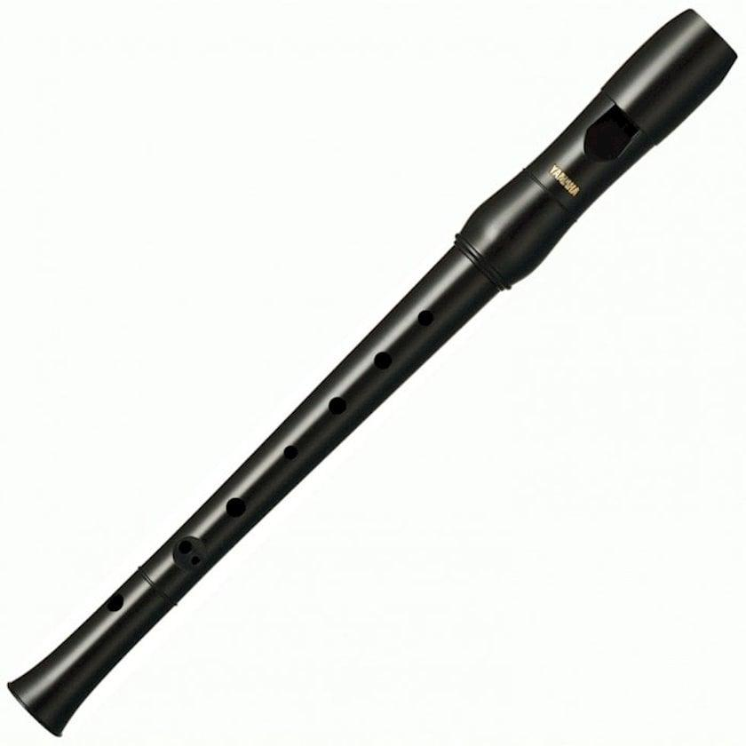 |  |  |  |  |  |  |  |  |  |  |  |  |  |  |  |  |  | 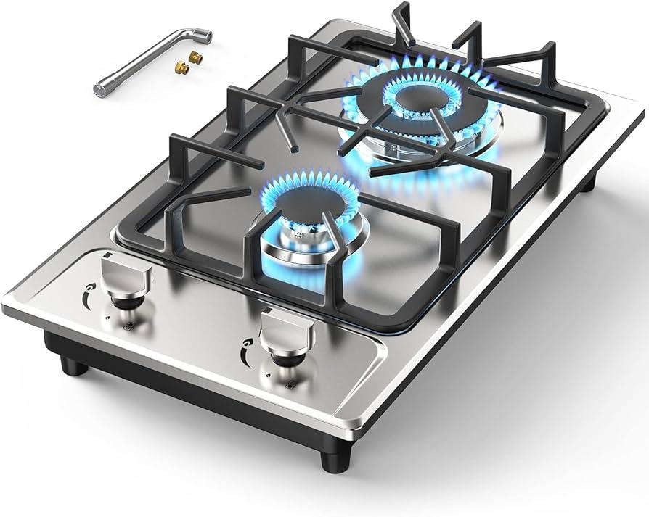
Mass: [kg] | 13.5 | 13.5 | 28.5 | 31.5 | 31.5 | 31.4 | 33.5 | 33.5 | 259 | 29.99 | 29.99 | 76 | 19.05 | 21.45 | 11.2 | 11.4 | 12 | 13 | 13 | 29 | 23 | 23 | 23.6 | 278 | 29.99 | 7.6 | 19.05
Mass at end of booster burn: [kg] | 11.6 | 11.6 | 20 | 28.15 | 28.15 | 25.83 | 27.93 | 27.93 | 204 | 28.35 | 28.35 | 68.8 | 16.55 | 18.25 | 10.05 | 10.25 | 10.85 | 11.85 | 11.85 | 25 | 20.04 | 20.04 | 20.64 | 214.55 | 28.35 | 7.25 | 16.55
Mass at end of sustainer burn: [kg] | 9.6 | 9.6 | - | 26.25 | 26.25 | 21.58 | 23.68 | 23.68 | - | 24.2 | 24.2 | 61.1 | - | - | 8.75 | 8.95 | 9.55 | 10.55 | 10.55 | 23.5 | 17.44 | 17.44 | 18.04 | - | 24.2 | 6.74 | -
Calibre: [mm] | 125 | 125 | 135 | 142 | 142 | 130 | 130 | 130 | 298 | 164 | 164 | 210 | 127 | 152 | 120 | 120 | 120 | 120 | 120 | 152 | 136 | 150 | 150 | 275 | 164 | 110 | 127
Length: [m] | 1.005 | 1.005 | 1.163 | 1.165 | 1.165 | 1.613 | 1.93 | 1.93 | 3.12 | 1.21 | 1.21 | 1.87 | 1.534 | 1.607 | 0.85 | 1.05 | 1.05 | 1.05 | 1.05 | 1.5 | 1.27 | 1.3 | 1.3 | 3.631 | 1.21 | 0.848 | 1.534
Engine properties
Force exerted by booster: [N] | 1600 | 1600 | 3500 | 6840 | 6840 | 6480 | 6480 | 6480 | 53400 | 3280 | 3280 | 8200 | 2800 | 3590 | 800 | 800 | 800 | 800 | 800 | 6450 | 4965 | 4965 | 4965 | 24700 | 3200 | 1050 | 2800
Burn time of booster: [s] | 1 | 1 | 3 | 1 | 1 | 2 | 2 | 2 | 2.04 | 1 | 1 | 1.8 | 1.6 | 1.6 | 2 | 2 | 2 | 2 | 2 | 1 | 1 | 1 | 1 | 4.9 | 1 | 0.5 | 1.6
Raw acceleration at ignition: [m/s²] | 118.52 | 118.52 | 122.81 | 217.14 | 217.14 | 206.37 | 193.43 | 193.43 | 206.18 | 109.37 | 109.37 | 107.89 | 146.98 | 167.37 | 71.43 | 70.18 | 66.67 | 61.54 | 61.54 | 222.41 | 215.87 | 215.87 | 210.38 | 88.85 | 106.70 | 138.16 | 146.98
Specific impulse of booster: [s] | 85.84 | 85.84 | 125.92 | 208.13 | 208.13 | 237.18 | 237.18 | 237.18 | 201.90 | 203.87 | 203.87 | 208.97 | 182.67 | 182.98 | 141.83 | 141.83 | 141.83 | 141.83 | 141.83 | 164.37 | 170.99 | 170.99 | 170.99 | 194.44 | 198.90 | 152.91 | 182.67
...

GBU (TV)
Name: | AGM-62A Walleye I | AGM-62A Walleye I ER | GBU-8/B | GBU-15(V)1/B | GBU-15(V)21/B | KAB-50TV | KAB-500Kr
Physical properties | 
Mass: [kg] | 505.53 | 510.3 | 1027 | 1140.8 | 1140.8 | 50 | 520
Calibre: [mm] | 381 | 381 | 457 | 457 | 457 | 120 | 350
Length: [m] | 3.4544 | 3.4544 | 3.63 | 3.962 | 3.962 | 1.95 | 3.05
Warhead properties
Explosive mass: [kg of TNT equivalent] | 264.358 | 264.358 | 578.61 | 578.61 | 578.61 | 24 | 160
Warhead: | HE | HE | HE | HE | HE | HE | HE
Penetration: [mm] | 93.2274444 | 93.2274444 | 117.2888 | 117.2888 | 117.2888 | 64.85714 | 85.1111111
Impact fuse sensitivity: [mm] | 0.00001 | 0.00001 | 0.00001 | 0.00001 | 0.00001 | 0.00001 | 0.00001
Impact fuse delay: [m] | - | - | - | - | - | - | -
Guidance properties
...

GBU (GNSS)
Name: | FAB-3000 s UMPK | GBU-31(V)1/B JDAM | GBU-31(V)2/B JDAM | GBU-32(V)1/B JDAM | GBU-38(V)1/B JDAM | GBU-38(V)2/B JDAM | GBU-39A/B SDB | KAB-50S | KAB-500S
Physical properties |  |  | 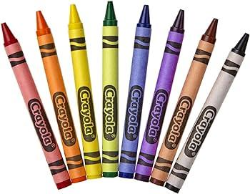
Mass: [kg] | 3320 | 893.6 | 893.6 | 446.8 | 253.1 | 253.1 | 121.563 | 50 | 560
Calibre: [mm] | 820 | 457 | 457 | 356 | 273 | 273 | 190.5 | 120 | 400
Length: [m] | 4.58 | 3.848 | 3.848 | 3.008 | 2.377948 | 2.377948 | 1.798 | 1.85 | 3.05
Warhead properties
Explosive mass: [kg of TNT equivalent] | 2219.2 | 578.61 | 578.61 | 272.43 | 117.585 | 111.488 | 26.453466 | 24 | 312
Warhead: | HE | HE | HE | HE | HE | HE | HE | HE | HE
Penetration: [mm] | 237.3884 | 117.2888 | 117.2888 | 93.856666667 | 81.63775 | 80.7232 | 65.484488667 | 64.85714 | 96.9
Impact fuse sensitivity: [mm] | 0.00001 | 0.00001 | 0.00001 | 0.00001 | 0.00001 | 0.00001 | 0.00001 | 0.00001 | 0.00001
Impact fuse delay: [m] | - | - | - | - | - | - | 1 | - | -
Guidance properties
...

GBU (SALH)
BAFG-230 (Lizard 2) | BGL-400 | BGL-1000 | GB-250 (GB3) | GB-500 (GB1) | GB-1000 (GB5) | GBU-10C/B Paveway II | GBU-12/B Paveway II | GBU-16/B Paveway II | GBU-22/B Paveway III | GBU-24/B Paveway III | GBU-24E/B Paveway III | GBU-27/B Paveway III
 |  |  |  |  |  | 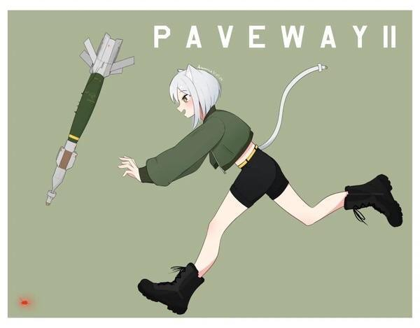
277.14 | 400 | 970 | 260 | 570 | 1090 | 943.926 | 277.14 | 495.3 | 299.371 | 1079.55 | 1079.55 | 991
279.4 | 403 | 457.2 | 299 | 377 | 377 | 457.2 | 279.4 | 355.6 | 279.4 | 457.2 | 457.2 | 368
3.3274 | 3.4 | 4.37 | 2.735 | 3.34 | 4.148 | 4.318 | 3.3274 | 3.683 | 3.3528 | 4.318 | 4.318 | 4.2418
...
117.585 | 167 | 500 | 91 | 220 | 537.6 | 578.61 | 117.585 | 272.43 | 117.585 | 578.61 | 578.61 | 286.386
HE | HE | HE | HE | HE | HE | HE | HE | HE | HE | HE | HE | HE
81.63775 | 85.655555555 | 111 | 7.65 | 89.77777777 | 114.008 | 117.2888 | 81.63775 | 93.855666666 | 81.63775 | 117.2888 | 117.2888 | 94.941133333
0.00001 | 0.00001 | 0.00001 | 0.00001 | 0.00001 | 0.00001 | 0.00001 | 0.00001 | 0.00001 | 0.00001 | 0.00001 | 0.00001 | 0.00001
- | - | - | - | - | - | - | - | - | - | - | - | 5
...

SAM (SACLOS)
9M220O | 9M311 Treugolnik | 9M311-1M Treugolnik | 9M331 | 57E6 | HQ-17 | Roland 1 | Roland 2 | Roland 3 | VT1
 |  |  |  |  |  | 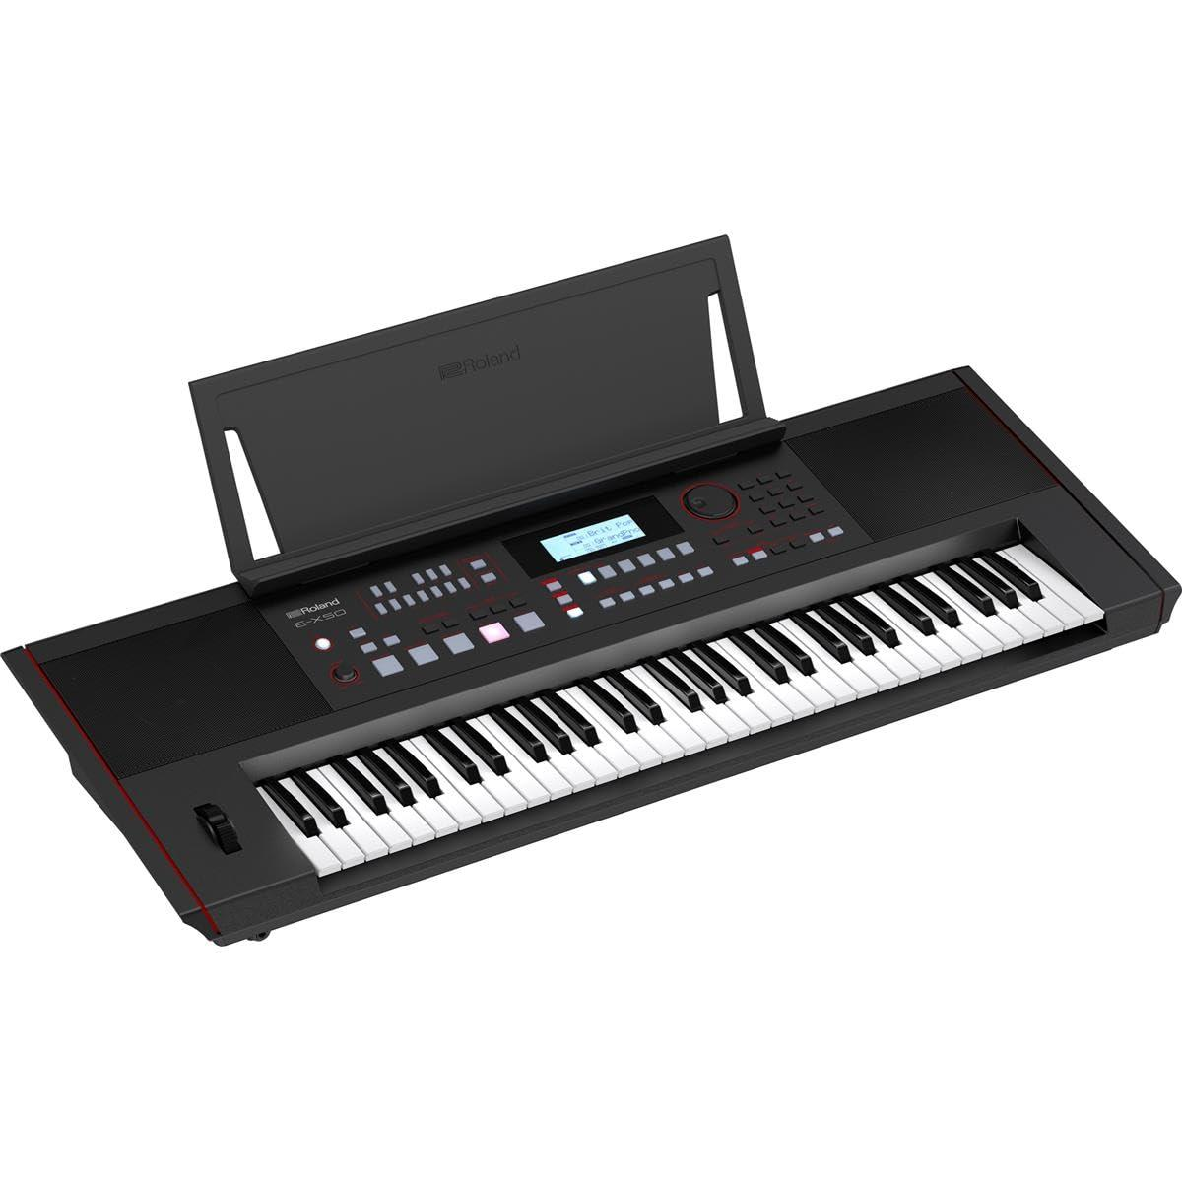
33.5 | 41.6 | 41.6 | 167 | 72.5 | 165 | 65 | 65 | 77 | 73
27.93 | 18.5 | 18.5 | 108.1 | 28 | 106.1 | 50.3 | 50.3 | 57.5 | 39.75
23.68 | - | - | 82.3 | - | 80.32 | 38.1 | 38.1 | 45.3 | -
130 | 76 | 76 | 239 | 90 | 239 | 163 | 163 | 163 | 165
1.613 | 1.5 | 1.5 | 2.898 | 1.85 | 2.898 | 2.44 | 2.44 | 2.44 | 2.35
...
6480 | 10380 | 10380 | 32370 | 25932.95 | 32370 | 17440 | 17440 | 19915 | 22325
2 | 2.6 | 2.6 | 4 | 2.4 | 4 | 1.7 | 1.7 | 2 | 3.5
193.43 | 249.52 | 249.52 | 193.83 | 357.70 | 196.18 | 268.31 | 268.31 | 258.64 | 305.82
237.18 | 119.09 | 119.09 | 224.09 | 142.57 | 224.09 | 205.59 | 205.59 | 208.21 | 239.55
...

ATGM (LOSBR)
ACRA | APS03-100 | APS04-105 | Falarick 105 | GP125 | MGM-166A LOSAT | ZT3A1 Swift | ZT3A2 Ingwe
 |  |  |  |  |  | 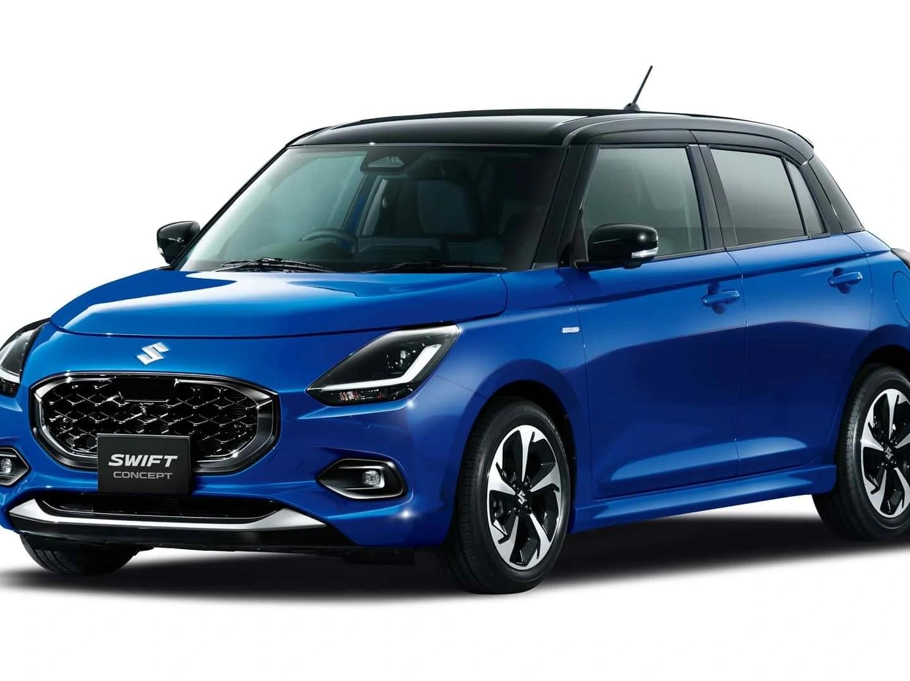
25 | 18.8 | 19.8 | 24 | 19 | 78.92 | 28 | 28.5
19 | 16.8 | 18.3 | 22 | 17.4 | 37.92 | 24.5 | 25
17.1 | - | - | - | - | - | - | -
142 | 100 | 105 | 105 | 125 | 163 | 127 | 127
1.15 | 1.092 | 1.092 | 1.015 | 0.695 | 2.85 | 1.47 | 1.75
...
5917 | 674 | 674 | 815 | 540 | 61500 | 4000 | 4000
1.5 | 6 | 6 | 5 | 6 | 1.5 | 2 | 2
236.68 | 35.85 | 34.04 | 33.96 | 28.42 | 779.27 | 142.86 | 140.35
150.79 | 206.12 | 274.82 | 207.70 | 206.42 | 229.36 | 233.00 | 233.00
...

AShM (ARH)
Name: | AS.34 Kormoran | Exocet
Physical properties |  | 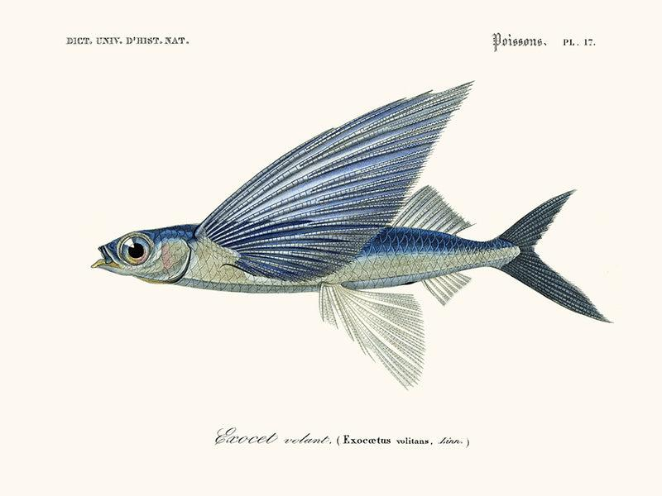
Mass: [kg] | 600 | 735
Mass at end of booster burn: [kg] | 587.75 | 625
Mass at end of sustainer burn: [kg] | 460 | 475
Calibre: [mm] | 345 | 350
Length: [m] | 4.4 | 4.7
Engine properties
Force exerted by booster: [N] | 26950 | 120000
Burn time of booster: [s] | 1 | 2
Raw acceleration at ignition: [m/s²] | 44.92 | 163.27
Specific impulse of booster: [s] | 224.26 | 222.41
...

