Sheet1
 | Daily
 | Metrics | City A | City B | City C
 | No. Completed Trips | 1000 | 700 | 1000
 | Np. Of Booking Requests | 2000 | 875 | 1430
 | No. Online Drivers | 300 | 300 | 350
 | Avg. ETA per ride (mins) | 12 | 4 | 7
 | Revenue | 20000 | 16000 | 22000

Analyss
 | Metrics | No. Completed Trips | No. Of Booking Requests | No. Online Drivers | Avg. ETA per ride (mins) | Revenue | Maximum revenue | 80% Revenue | Completed trips rate (complete / request) | Avg trip/driver | avg min spend / driver | Revenue per min | Total time for all market (min) | Gap to fulfill time
Big city with lots of people | City A | 1000 | 2000 | 300 | 12 | 20000 | 40000 | 32000 | 50% | 3.3333333333 | 40 | 1.6666666667 | 24000 | 12000
Small city | City B | 700 | 875 | 300 | 4 | 16000 | 20000 | 16000 | 80% | 2.3333333333 | 9.3333333333 | 5.7142857143 | 3500 | 700
Middle city | City C | 1000 | 1430 | 350 | 7 | 22000 | 31460 | 25168 | 70% | 2.8571428571 | 20 | 3.1428571429 | 10010 | 3010

DATA APPROACH
 | In terms of | Description | Because | Remark
State Environment & Opportunity | 1. Revenue | City A | 50% gap ( $12k) | 80% benchmark A : $12000 B : 0 C : $3168

Root Cause | 1. Limited Online driver | City A | mentioned table indicated that City A has max utilized the drivers in every dimension, more avg trip/day , more time spent but still low return and high cancelled rate

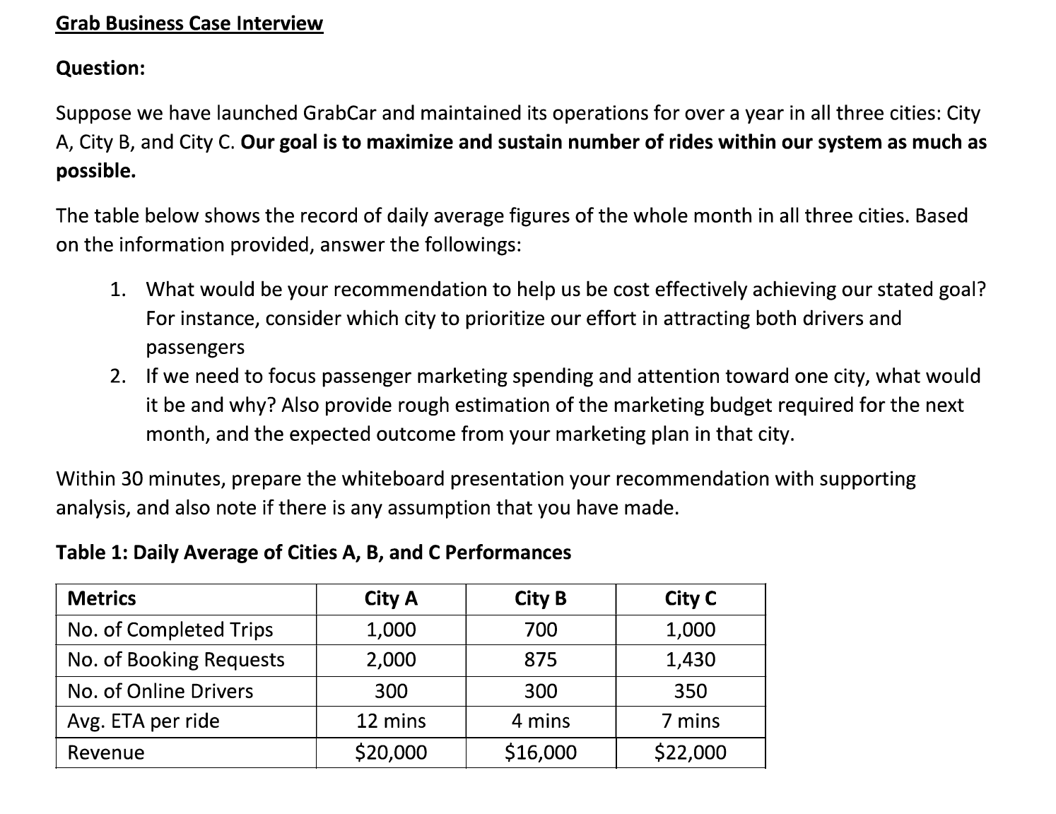
Solution proposal (ans the questions) | 1 | City A should be the first priority in this case due to the demand that can be referred by the total request. There is now not enough drivers so somehow we need to gain more drivers as supply to meet the demand in order to close the gap | Let's assume that when hiring more drivers, the new drivers will not cannibalize the existing driver and the capacity of the drivers grow linearly. To gain 80% of the requested, we need to hire 240 more drivers to city A

