Cell, foil, coating market
Global LIB cell demand

 | Year | 2021 | 2022 | 2023 | 2024 | 2025 | 2026 | 2027 | 2028 | 2029 | 2030
 | Capacity | 353 GWh | 547 GWh | 792 GWh | 1111 GWh | 1453 GWh | 1701 GWh | 1998 GWh | 2261 GWh | 2535 GWh | 2945 GWh | based on P3 document
 | Capacity - adressable markets | 272 GWh | 406 GWh | 571 GWh | 756 GWh | 945 GWh | 1117 GWh | 1303 GWh | 1472 GWh | 1653 GWh | 1902 GWh
 | LFP market share | 20% | 20% | 20% | 20% | 20% | 20% | 20% | 20% | 20% | 20% | based on P3 document
 | LFP GWh | 71 GWh | 109 GWh | 158 GWh | 222 GWh | 291 GWh | 340 GWh | 400 GWh | 452 GWh | 507 GWh | 589 GWh
 | Frontier | 5 GWh | 20 GWh | 40 GWh | 90 GWh | 150 GWh | 150 GWh | 160 GWh | 160 GWh | 160 GWh | 160 GWh | based on announced / approved production capacities
 | SSB | 2 GWh | 2 GWh | 2 GWh | 5 GWh | 7 GWh | 9 GWh | 20 GWh | 28 GWh | 28 GWh | 53 GWh | based on SSB trends
 | High-Power and dry others | 4 GWh | 10 GWh | 21 GWh | 38 GWh | 61 GWh | 85 GWh | 116 GWh | 149 GWh | 188 GWh | 241 GWh | Increasing share of up to 8% based on P3 5% other cell chemistries and 3% further dry coating projects
 | Sum | 10 GWh | 32 GWh | 62 GWh | 132 GWh | 218 GWh | 244 GWh | 296 GWh | 337 GWh | 375 GWh | 454 GWh

Global foil demand (one current collector only)

 | Year | 2021 | 2022 | 2023 | 2024 | 2025 | 2026 | 2027 | 2028 | 2029 | 2030 |  | Control: SK nexils announced 250 kt ED foil prod capacity 2025
 | LFP | 905 km² | 1403 km² | 2031 km² | 2849 km² | 3726 km² | 4362 km² | 5123 km² | 5797 km² | 6500 km² | 7551 km² |  | 250000000 | kg | production | 8960 | kg/m³ | density
 | Frontier | 34 km² | 135 km² | 270 km² | 607 km² | 1012 km² | 1012 km² | 1079 km² | 1079 km² | 1079 km² | 1079 km² |  | 27901.785714 | m³ | volume | 0.000008 | m | thickness
 | SSB | 10 km² | 11 km² | 12 km² | 31 km² | 46 km² | 59 km² | 134 km² | 188 km² | 188 km² | 355 km² |  | 3487723214.3 | m² | area
 | High-Power and dry others | 24 km² | 66 km² | 139 km² | 255 km² | 412 km² | 574 km² | 782 km² | 1007 km² | 1265 km² | 1629 km² |  | 3487.7232143 | km²
 |  | 973 km² | 1615 km² | 2452 km² | 3742 km² | 5195 km² | 6006 km² | 7118 km² | 8071 km² | 9032 km² | 10615 km²

Scenario 1 - Global conductive coating market

 | Year | 2021 | 2022 | 2023 | 2024 | 2025 | 2026 | 2027 | 2028 | 2029 | 2030
 | Price HP | 0.40 €/kWh | 0.40 €/kWh | 0.39 €/kWh | 0.38 €/kWh | 0.38 €/kWh | 0.37 €/kWh | 0.36 €/kWh | 0.35 €/kWh | 0.35 €/kWh | 0.34 €/kWh
 | Price LFP | 0.38 €/kWh | 0.38 €/kWh | 0.37 €/kWh | 0.37 €/kWh | 0.36 €/kWh | 0.35 €/kWh | 0.34 €/kWh | 0.34 €/kWh | 0.33 €/kWh | 0.32 €/kWh
 | LFP | 26.9 M € | 41.6 M € | 59.1 M € | 81.2 M € | 104.1 M € | 119.5 M € | 137.5 M € | 152.5 M € | 167.6 M € | 190.8 M €
 | Frontier | 2.0 M € | 8.0 M € | 15.7 M € | 34.6 M € | 56.6 M € | 55.4 M € | 57.9 M € | 56.8 M € | 55.6 M € | 54.5 M €
 | SSB | 0.6 M € | 0.7 M € | 0.7 M € | 1.8 M € | 2.6 M € | 3.3 M € | 7.2 M € | 9.9 M € | 9.7 M € | 18.0 M €
 | High-Power and dry others | 1.4 M € | 3.9 M € | 8.1 M € | 14.5 M € | 23.0 M € | 31.4 M € | 42.0 M € | 53.0 M € | 65.2 M € | 82.3 M €
 | Dry, HP and other | 4.0 M € | 12.6 M € | 24.5 M € | 50.9 M € | 82.1 M € | 90.1 M € | 107.1 M € | 119.6 M € | 130.6 M € | 154.8 M €
 | Total | 30.9 M € | 54.3 M € | 83.6 M € | 132.2 M € | 186.3 M € | 209.6 M € | 244.6 M € | 272.1 M € | 298.1 M € | 345.6 M €

Scenario 2 - Global conductive coating market

 | Year | 2021 | 2022 | 2023 | 2024 | 2025 | 2026 | 2027 | 2028 | 2029 | 2030
 | Price HP | 0.62 €/kWh | 0.62 €/kWh | 0.62 €/kWh | 0.62 €/kWh | 0.62 €/kWh | 0.60 €/kWh | 0.59 €/kWh | 0.58 €/kWh | 0.57 €/kWh | 0.56 €/kWh
 | Price LFP | 0.59 €/kWh | 0.59 €/kWh | 0.59 €/kWh | 0.59 €/kWh | 0.59 €/kWh | 0.57 €/kWh | 0.56 €/kWh | 0.55 €/kWh | 0.54 €/kWh | 0.53 €/kWh
 | LFP | 41.4 M € | 64.1 M € | 92.8 M € | 130.2 M € | 170.3 M € | 195.4 M € | 224.9 M € | 249.5 M € | 274.1 M € | 312.0 M €
 | Frontier | 3.1 M € | 12.3 M € | 24.7 M € | 55.5 M € | 92.5 M € | 90.7 M € | 94.8 M € | 92.9 M € | 91.0 M € | 89.2 M €
 | SSB | 0.9 M € | 1.0 M € | 1.1 M € | 2.8 M € | 4.2 M € | 5.3 M € | 11.7 M € | 16.1 M € | 15.8 M € | 29.4 M €
 | High-Power and dry others | 2.2 M € | 6.1 M € | 12.7 M € | 23.3 M € | 37.6 M € | 51.4 M € | 68.6 M € | 86.6 M € | 106.7 M € | 134.6 M €
 | Dry, HP and other | 6.2 M € | 19.5 M € | 38.5 M € | 81.6 M € | 134.3 M € | 147.4 M € | 175.1 M € | 195.6 M € | 213.6 M € | 253.2 M €
 | Total | 47.6 M € | 83.6 M € | 131.3 M € | 211.9 M € | 304.7 M € | 342.8 M € | 400.1 M € | 445.1 M € | 487.6 M € | 565.3 M €

 | Diff | 16.7 | 29.3 | 47.7 | 79.7 | 118.4 | 133.2 | 155.5 | 173.0 | 189.5 | 219.7

Market insights
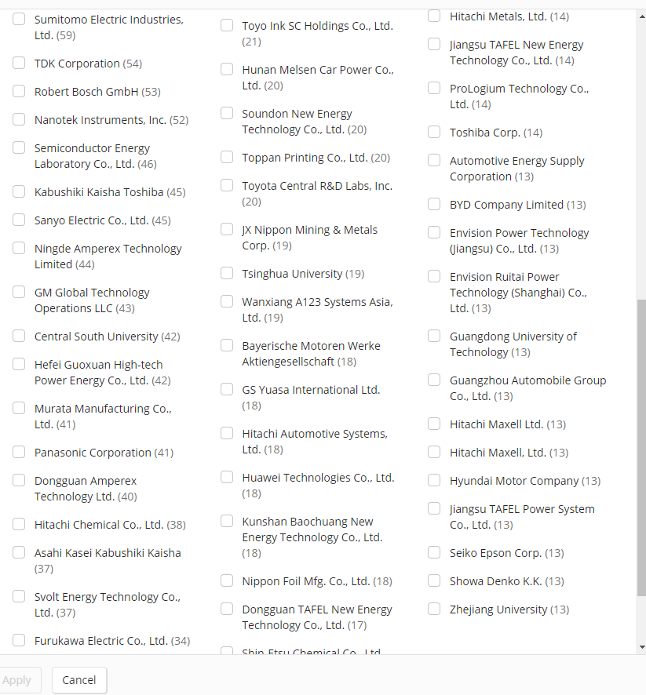
Name | Code | HQ | Technology name | Employees | Markets | Formulation | Coated foil | Customer base | Revenue | Production capacity | Footprint | Source 1 | Source 2 | Source 3 | Note
Armor |  | Nantes - France | En' Safe | 2000 | Technical inks | Yes | Yes | n/a | 274 M | 1 bn sqm/year (coating) | 12 global manufacturing sites | En' Safe® by ARMOR - YouTube | Improve battery performance with En' Safe® primed foils (ensafe-foil.com)
SMC |  | Shanghai, China | 1070-H18, 1100-H18,3003-H-18 | 100 | Stainless Steel Strip, Aluminium Foil, Copper Strip, Hot Dip Galvanized Steel Coil, Aluminium Tube | n/a | Yes |  | 50 M USD |  |  | Carbon Coated Aluminum Foil (shanghaimetal.com) | Nickel Plated Copper Foil (shanghaimetal.com)
Dumore |  |  |  |  |  | yes | yes |  |  |  |  | Primed Current Collector, Carbon Coated Aluminum Foil | Dunmore
PPG | PPG | Pittsburgh, United States |  | 49300 | manufacturing and distribution of paints, coatings, and specialty materials | yes | n/a |  | $16,801,999,872.00 |  |  | DEPATISnet | Dokument US020210265608A1 (dpma.de) | Battery Coatings (ppgautocoatings.com)
TDK | TTDKY | Tokyo, Japan | KAPPA | 116613 | electronic components, passive components, sensor application products, magnetic application products, energy application products | n/a | yes |  | ¥1,786,065,977,344.00 |  |  | Technology | TDK Foil | catalog.pdf (tdk.com)
TMAX |  | Fujian, China | TMAX-M-E01 | 100 | manufacturer of lithium battery equipments and technology | n/a | yes |  |  |  |  | Coated Aluminum Foil Mesh,Coated Copper Foil Mesh,Stainless Steel Foil (tmaxcn.com) | Coated Aluminum Foil Mesh,Coated Copper Foil Mesh,Stainless Steel Foil (tmaxcn.com)
Von Ardenne |  |  | Xprime |  |  |  |  |  |  |  |  | Primer_Layers_for_Batteries_RD_eng.pdf (ebsl.biz) | Battery Technologies (vonardenne.biz) |  | Coating Equipment Manufacturer
TOB |  | Fujian, China | TOB NEW ENERGY |  | high-end equipment of lithium ion battery and supercapacitor | n/a | Yes |  |  |  |  | Carbon-coated Lithium Aluminum Foil (tobmachine.com) | Battery Electrode Material Carbon Coated Aluminum Foil - China Aluminum Foil, Carbon Coated Aluminum Foil | Made-in-China.com
Nippon graphite | 5401.T | Tokyo, Japan |  | 228 | steelmaking, steel fabrication, engineering, construction, chemicals, materials, system solutions | n/a | yes |  | ¥90,000,000.00 |  |  | Coating Processed Products｜Nippon Graphite Group (n-kokuen.com)
Foiltec |  | Boluo, Guangdong, China |  |  |  | n/a | yes |  |  |  |  | Graphene coated aluminum foil for supercapacitor/power battery - AFT (foiltec.net) |  |  | terrible website
Showa Denko | 4004.T | Tokyo, Japan |  | 26054 | Petrochemicals, chemicals, electronics, inorganics, aluminum, materials | n/a | yes |  | ¥1,419,635,064,832.00 |  |  | Advanced Battery Materials | R&D | SHOWA DENKO K.K. (sdk.co.jp) | SDK to Offer Carbon-Coated Aluminum Foils for LIBs - SHOWA DENKO EUROPE GmbH | SHAPING IDEAS (showa-denko.com) |  | only plans/no product listing
Landt Instruments |  | New York, United States |  |  |  | yes | yes |  |  |  |  | Carbon Coated Aluminum Foil For LIB - Landt Instruments | Artificial Graphite, High Energy Density - Landt Instruments |  | testing/lab equipment manufacturer
Hitachi Metals Neomaterial | 6501.T | Osaka, Japan |  | 350864 | information technology, energy, industry, mobility, smart life solutions | yes | yes |  | ¥10,096,860,987,392.00 |  |  | Clad metals for batteries | Hitachi Metals Neomaterial, Ltd. | Materials Magic (hitachi-metals-neomaterial.co.jp) |  |  | nickel clad metals
Nanoshel (Intelligent Materials Pvt Limited IMPL) |  | Punjab, India |  | 40 | nanoscience and nanotechnology, fabrication of engineered nanomaterials, nanocompounds, formulations and intermediaries. | yes | Yes |  | $39,000,000.00 |  |  | Conductive Carbon Coated Aluminum Foil High Purity (nanoshel.com)
Iljin | 015860.KS | Seoul, South Korea | I2B Elecfoil | 14 | parts/ material specialized, high voltage electric cables, Cu wire, Al alloy, high voltage transformers and blockers, power distribution device, elecfoil, industrial diamonds |  | Yes |  | ₩1,100,773,982,208.00 |  |  | ILJIN GROUP
MSE Supplies |  | Arizona, USA |  |  | high quality materials, equipment and materials characterization analytical services for research and production | yes | Yes |  |  |  |  | https://www.msesupplies.com/products/carbon-coated-aluminum-foil-for-lithium-battery-cathode?variant=31828385726522
CES |  |  |  |  |  | yes | yes |  |  |  |  | https://cam-energy.com/product/carbon-coated-aluminium-foil/ | Carbon Coated Aluminium Foil – Cambridge Energy Solutions Ltd. (cam-energy.com)
Parker | PH | Cleveland, United States |  | 54640 |  | Yes |  |  | $15,292,583,936.00 |  |  | https://ph.parker.com/de/de/cho-shield-2000-series-corrosion-resistant-conductive-coatings/52-01-2002-0000-1
TST |  |  |  |  |  | yes |  |  |  |  |  | https://www.tstcoatings.com/conductive
Transcontinental | 53L.F | QC, Canada | z-flo | 8000 | Packaging, printing and media sectors. Lamination printing, coverting packaging solutions, and extrusion. Manufacturing and recycling of flexible plastic, coextruded films, shrink films, advanced coatings. | yes | yes |  | 2.71B |  |  | https://www.transcontinentaladvancedcoatings.com/transcontinental-products/z-flo-conductive-films/product-constructions/conductives-current-collector/
MTI Corporation |  |  |  |  | manufacturer of oxide crystals, substrates, and lab equipment. |  | yes |  | $10.32 M |  |  | https://www.mtixtl.com/Carboncoated-Cu-1.aspx
Nanolithium |  |  |  |  |  |  | yes |  |  |  |  | https://nanolithium.ca/product/conductive-carbon-coated-copper-foil/
Gelon LIB Group |  |  |  |  |  |  | yes |  |  |  |  | https://gelonlib.en.made-in-china.com/product/KMVEcftjXwYu/China-Conductive-Carbon-Coated-Copper-Foil-for-Battery-Anode-Substrate-Gn-Cc-Cu-20.html | Aluminum foil coated carbon-GELON LIB GROUP
Asahi Kasei | 3407.T | Tokyo, Japan | Celgard | 44497 | Material, homes, and health care |  | Yes |  | ¥2,394,143,064,064.00 |  |  | Celgard_AABC-EU_Brochure_Insert_v3.pdf (asahi-kasei.eu) | Celgard (asahikasei-automotive-us.com)
Avocet |  |  |  |  |  |  | yes |  |  |  |  | PowerPoint Presentation (avocetsteel.co.uk)
JIMA Copper |  |  | NAMOALCAW1 |  |  |  | yes |  |  | 6000~10000T/year |  | Nano Graphite Carbon Coated Aluminum Foil 12 - 100μM Thickness ISO Approval (rolledcopperfoil.com)
Matexcel |  |  | GRA-210 |  | servie provider in materials science in polymers, nanoparticles, and other materials |  | yes |  |  |  |  | Graphene on Aluminum Foil, Graphene Foil - Matexcel
neograf solutions (Advanced Energy Technologies) |  | Great Lakes, US | Graf-X |  | manufacturing | yes |  |  |  |  |  | Graf-X™ Graphene Additives | NeoGraf |  |  | no tech data

Frontier Sales Data
Demand calculation based on IHS |  | 2020 | 2021 | 2022 | 2023 | 2024 | 2025 | 2026 | 2027 | 2028 | Average battery size | 85 kWh
 | Frontier vehicle sales (IHS) | 510,221 | 930,208 | 1,230,055 | 1,382,901 | 1,522,392 | 1,738,162 | 1,837,956 | 1,971,582 | 2,022,987 | Cond. Coating demand | 2.6 | kg/vehicl
 | Battery demand | 43.4 GWh | 79.1 GWh | 104.6 GWh | 117.5 GWh | 129.4 GWh | 147.7 GWh | 156.2 GWh | 167.6 GWh | 172.0 GWh | Price | 11.88
 | Cond coating demand / kg | 1,326,575 kg | 2,418,541 kg | 3,198,143 kg | 3,595,543 kg | 3,958,219 kg | 4,519,221 kg | 4,778,686 kg | 5,126,113 kg | 5,259,766 kg
 | Cond. Coating demand / EUR | 15,759,706 € | 28,732,265 € | 37,993,939 € | 42,715,046 € | 47,023,644 € | 53,688,348 € | 56,770,785 € | 60,898,225 € | 62,486,022 €
 | NES / Eur (Henkel) | 667,000 € | 6,585,000 € | 45,480,000 € | 76,179,000 € | 88,686,000 € | 92,515,000 €

 | NES / Eur (Henkel) | 667,000 € | 6,585,000 € | 45,480,000 € | 76,179,000 € | 88,686,000 € | 92,515,000 €
 | Vehicles 600CC based on sales | 21,594 | 213,190 | 1,472,416 | 2,466,298 | 2,871,212 | 2,995,176
 | Difference NES | -15,092,706 € | -22,147,265 € | 7,486,061 € | 33,463,954 € | 41,662,356 € | 38,826,652 €

 | Difference
Demand calculation based announced cell production
Cell production capacity |  |  | 5 GWh | 20 GWh | 40 GWh | 60 GWh | 90 GWh | 150 GWh | 160 GWh | 160 GWh | 160 GWh | 160 GWh
Cond. Coating demand / EUR |  |  | 2,003,112.84 € | 8,012,451.36 € | 16,024,902.72 € | 24,037,354.09 € | 36,056,031.13 €
 | Difference NES |  | -4,581,887.16 € | -37,467,548.64 € | -60,154,097.28 € | -64,648,645.91 € | -56,458,968.87 €

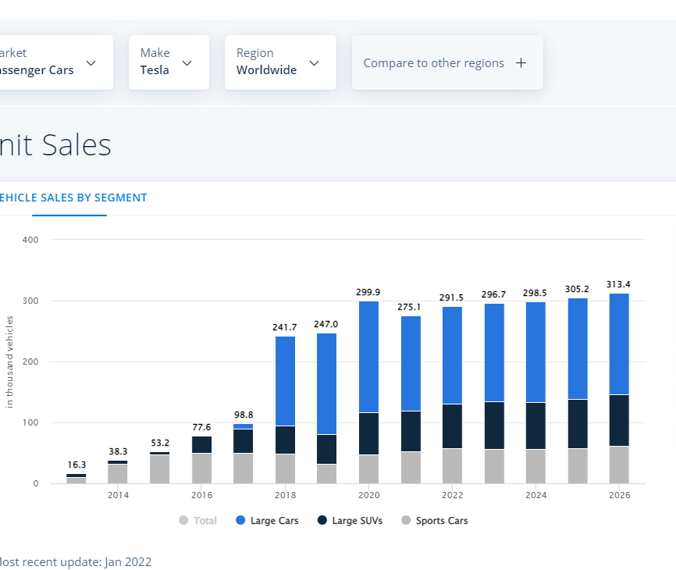

 |  | 510221 | 930208 | 1230055 | 1382901 | 1522392 | 1738162 | 1837956 | 1971582 | 2022987

